Cortisol
2.754 | 2.167 | 2.335 | 2.174 | 1.789 | 1.96 | 0.882 | 1.941 | 1.922 | 2.01 | 1.717 | 2.108
1.607 | 2.503 | 2.186 | 2.115 | 2.234 | 2.054 | 1.809 | 1.844 | 1.638 | 1.822 | 1.835 | 2.01
0.912 | 2.173 | 2.114 | 2.022 | 1.961 | 1.981 | 1.61 | 1.557 | 1.708 | 1.801 | 1.848 | 1.834
0.49 | 2.219 | 2.299 | 2.3 | 2.09 | 2.131 | 1.897 | 2.043 | 1.902 | 1.974 | 1.886 | 1.982
0.303 | 2.489 | 2.182 | 2.004 | 1.955 | 1.973 | 1.703 | 1.75 | 1.7 | 1.6 | 1.824 | 1.828
0.104 | 2.577 | 1.969 | 2.029 | 1.935 | 1.868 | 1.71 | 1.609 | 1.779 | 1.74 | 1.821 | 2.067
2.312 | 2.336 | 2.078 | 1.953 | 2.158 | 1.948 | 1.909 | 1.7 | 1.888 | 2.092 | 1.763 | 0.073
2.112 | 2.577 | 2.395 | 2.163 | 2.187 | 2.266 | 2.172 | 1.782 | 1.972 | 2.2 | 2.184 | 0.067

Cortisol

 | abs | abs-blank | expected | result
std1 | 2.754 | 2.65 | 240 | 239.77
std2 | 1.607 | 1.503 | 120 | 120.74
std3 | 0.912 | 0.808 | 60 | 60.37
std4 | 0.49 | 0.386 | 30 | 28.04
std5 | 0.303 | 0.199 | 15 | 14.75
blank | 0.104 | 0 | 0 | 1.32

 |  |  |  |  |  |  |  |  | concentration (ng/ml)

Numune | absorbans | blank | abs-blank | result(ng/ml)
K-1 | 2.312 | 0.104 | 2.208 | 191.04
K-2 | 2.112 | 0.104 | 2.008 | 170.17
K-3 | 2.167 | 0.104 | 2.063 | 175.84
K-4 | 2.503 | 0.104 | 2.399 | 211.66
K-5 | 2.173 | 0.104 | 2.069 | 176.46
K-6 | 2.219 | 0.104 | 2.115 | 181.25
K-7 | 2.489 | 0.104 | 2.385 | 210.12
K-8 | 2.577 | 0.104 | 2.473 | 219.83
KAKAO 500-1 | 2.336 | 0.104 | 2.232 | 193.60
KAKAO 500-2 | 2.577 | 0.104 | 2.473 | 219.83
KAKAO 500-3 | 2.335 | 0.104 | 2.231 | 193.49
KAKAO 500-4 | 2.186 | 0.104 | 2.082 | 177.81
KAKAO 500-5 | 2.114 | 0.104 | 2.01 | 170.38
KAKAO 500-6 | 2.299 | 0.104 | 2.195 | 189.66
KAKAO 500-7 | 2.182 | 0.104 | 2.078 | 177.39
KAKAO 500-8 | 1.969 | 0.104 | 1.865 | 155.70
KAKAO 1000-1 | 2.078 | 0.104 | 1.974 | 166.70
KAKAO 1000-2 | 2.395 | 0.104 | 2.291 | 199.92
KAKAO 1000-3 | 2.174 | 0.104 | 2.07 | 176.56
KAKAO 1000-4 | 2.115 | 0.104 | 2.011 | 170.48
KAKAO 1000-5 | 2.022 | 0.104 | 1.918 | 161.02
KAKAO 1000-6 | 2.3 | 0.104 | 2.196 | 189.77
KAKAO 1000-7 | 2.004 | 0.104 | 1.9 | 159.21
KAKAO 1000-8 | 2.029 | 0.104 | 1.925 | 161.73
SÜKROZ-1 | 1.953 | 0.104 | 1.849 | 154.11
SÜKROZ-2 | 2.163 | 0.104 | 2.059 | 175.42
SÜKROZ-3 | 1.789 | 0.104 | 1.685 | 138.02
SÜKROZ-4 | 2.234 | 0.104 | 2.13 | 182.82
SÜKROZ-5 | 1.961 | 0.104 | 1.857 | 154.90
SÜKROZ-6 | 2.09 | 0.104 | 1.986 | 167.92
SÜKROZ-7 | 1.955 | 0.104 | 1.851 | 154.30
SÜKROZ-8 | 1.935 | 0.104 | 1.831 | 152.32
(KAKAO 500 +SÜKROZ)-1 | 2.158 | 0.104 | 2.054 | 174.91
(KAKAO 500 +SÜKROZ)-2 | 2.187 | 0.104 | 2.083 | 177.91
(KAKAO 500 +SÜKROZ)-3 | 1.96 | 0.104 | 1.856 | 154.80
(KAKAO 500 +SÜKROZ)-4 | 2.054 | 0.104 | 1.95 | 164.26
(KAKAO 500 +SÜKROZ)-5 | 1.981 | 0.104 | 1.877 | 156.90
(KAKAO 500 +SÜKROZ)-6 | 2.131 | 0.104 | 2.027 | 172.12
(KAKAO 500 +SÜKROZ)-7 | 1.973 | 0.104 | 1.869 | 156.10
(KAKAO 500 +SÜKROZ)-8 | 1.868 | 0.104 | 1.764 | 145.71
(KAKAO 1000 +SÜKROZ)-1 | 1.948 | 0.104 | 1.844 | 153.61
(KAKAO 1000 +SÜKROZ)-2 | 2.266 | 0.104 | 2.162 | 186.18
(KAKAO 1000 +SÜKROZ)-3 | 0.882 | 0.104 | 0.778 | 57.96
(KAKAO 1000 +SÜKROZ)-4 | 1.809 | 0.104 | 1.705 | 139.95
(KAKAO 1000 +SÜKROZ)-5 | 1.61 | 0.104 | 1.506 | 121.02
(KAKAO 1000 +SÜKROZ)-6 | 1.897 | 0.104 | 1.793 | 148.56
(KAKAO 1000 +SÜKROZ)-7 | 1.703 | 0.104 | 1.599 | 129.78
(KAKAO 1000 +SÜKROZ)-8 | 1.71 | 0.104 | 1.606 | 130.45
TWEEN 80-1 | 1.909 | 0.104 | 1.805 | 149.74
TWEEN 80-2 | 2.172 | 0.104 | 2.068 | 176.36
TWEEN 80-3 | 1.941 | 0.104 | 1.837 | 152.91
TWEEN 80-4 | 1.844 | 0.104 | 1.74 | 143.36
TWEEN 80-5 | 1.557 | 0.104 | 1.453 | 116.10
TWEEN 80-6 | 2.043 | 0.104 | 1.939 | 163.14
TWEEN 80-7 | 1.75 | 0.104 | 1.646 | 134.27
TWEEN 80-8 | 1.609 | 0.104 | 1.505 | 120.93
DİAZEPAM-1 | 1.7 | 0.104 | 1.596 | 129.49
DİAZEPAM-2 | 1.782 | 0.104 | 1.678 | 137.34
DİAZEPAM-3 | 1.922 | 0.104 | 1.818 | 151.03
DİAZEPAM-4 | 1.638 | 0.104 | 1.534 | 123.64
DİAZEPAM-5 | 1.708 | 0.104 | 1.604 | 130.26
DİAZEPAM-6 | 1.902 | 0.104 | 1.798 | 149.05
DİAZEPAM-7 | 1.7 | 0.104 | 1.596 | 129.49
DİAZEPAM-8 | 1.779 | 0.104 | 1.675 | 137.05
SİLİBİNİN KONT-1 | 1.888 | 0.104 | 1.784 | 147.67
SİLİBİNİN KONT-2 | 1.972 | 0.104 | 1.868 | 156.00
SİLİBİNİN KONT-3 | 2.01 | 0.104 | 1.906 | 159.81
SİLİBİNİN KONT-4 | 1.822 | 0.104 | 1.718 | 141.22
SİLİBİNİN KONT-5 | 1.801 | 0.104 | 1.697 | 139.18
SİLİBİNİN KONT-6 | 1.974 | 0.104 | 1.87 | 156.20
STZ-1 | 1.6 | 0.104 | 1.496 | 120.09
STZ-2 | 1.74 | 0.104 | 1.636 | 133.31
STZ-3 | 2.092 | 0.104 | 1.988 | 168.13
STZ-4 | 2.2 | 0.104 | 2.096 | 179.27
STZ-5 | 1.717 | 0.104 | 1.613 | 131.11
STZ-6 | 1.835 | 0.104 | 1.731 | 142.48
S100-1 | 1.848 | 0.104 | 1.744 | 143.75
S100-2 | 1.886 | 0.104 | 1.782 | 147.47
S100-3 | 1.824 | 0.104 | 1.72 | 141.41
S100-4 | 1.821 | 0.104 | 1.717 | 141.12
S100-6 | 1.763 | 0.104 | 1.659 | 135.51
S100-7 | 2.184 | 0.104 | 2.08 | 177.60
S200-1 | 2.108 | 0.104 | 2.004 | 169.76
S200-2 | 2.01 | 0.104 | 1.906 | 159.81
S200-3 | 1.834 | 0.104 | 1.73 | 142.38
S200-4 | 1.982 | 0.104 | 1.878 | 157.00
S200-5 | 1.828 | 0.104 | 1.724 | 141.80
S200-6 | 2.067 | 0.104 | 1.963 | 165.58

Materyal-metod
KİT ADI | TÜR | MARKA | Numune Türü | CAT. NO | Yöntem | Kullanılan Cihaz
Cortisol | Rat | BT-lab | Serum | E0828Ra | ELİSA | Mıcroplate reader: BIO-TEK EL X 800-Aotu strıp washer:BIO TEK EL X 50

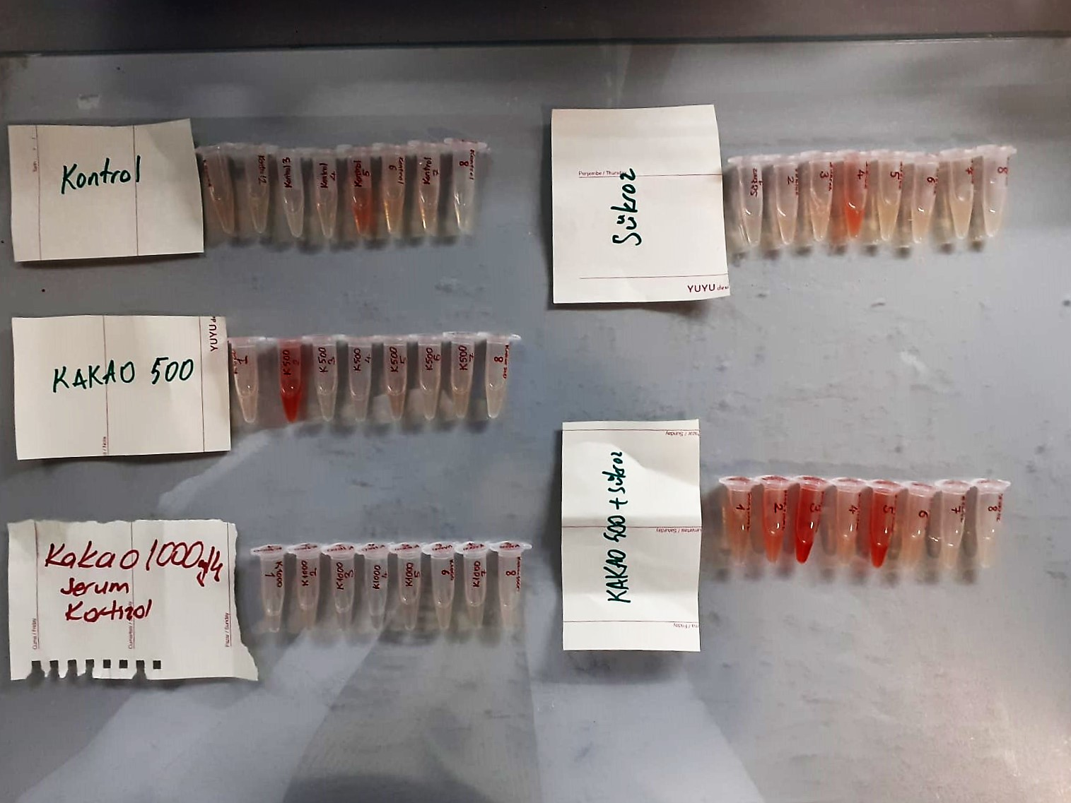

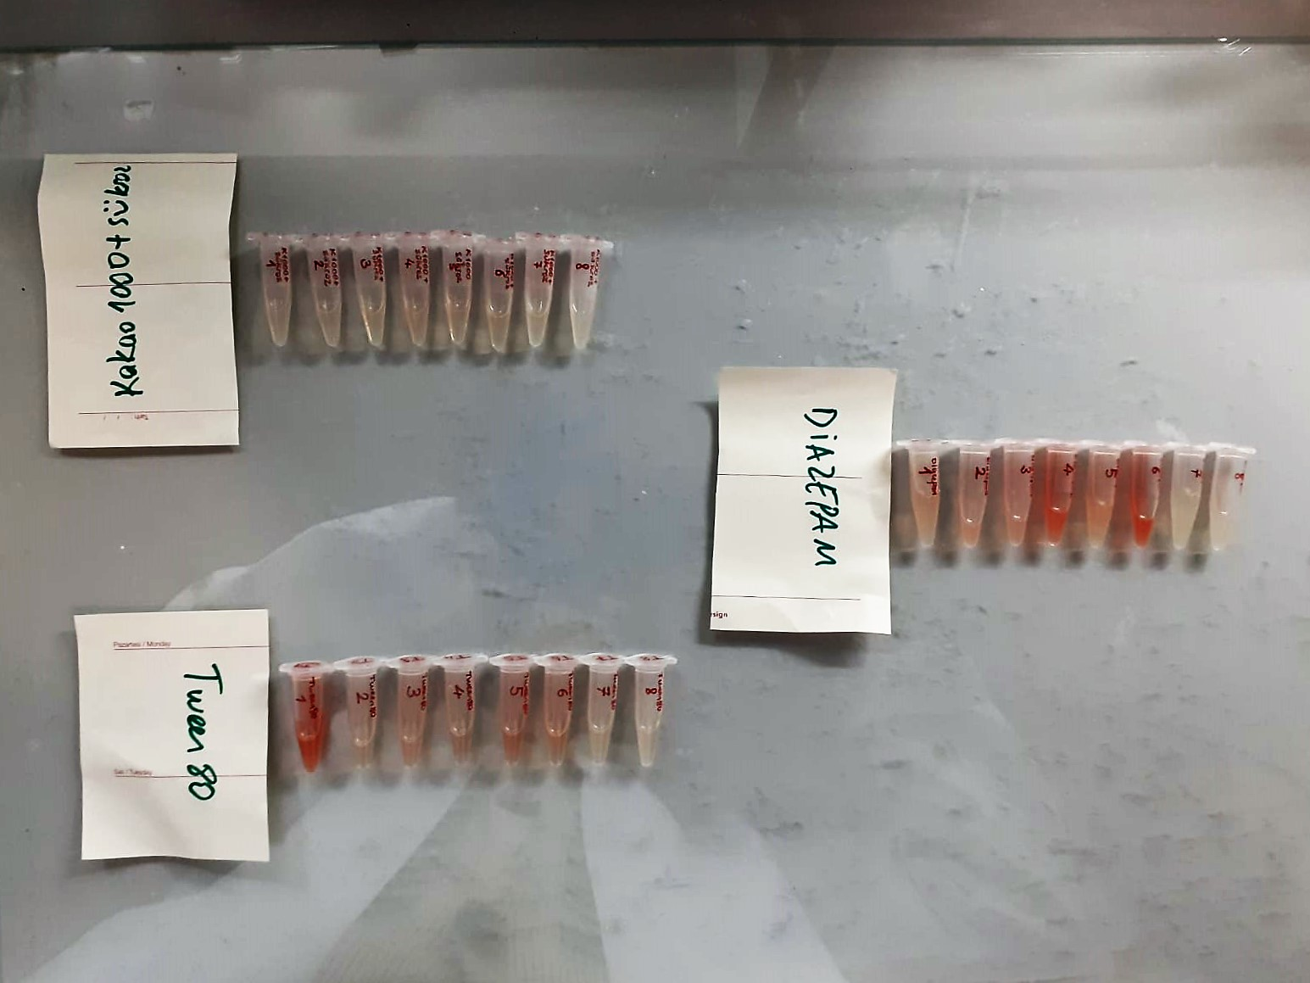

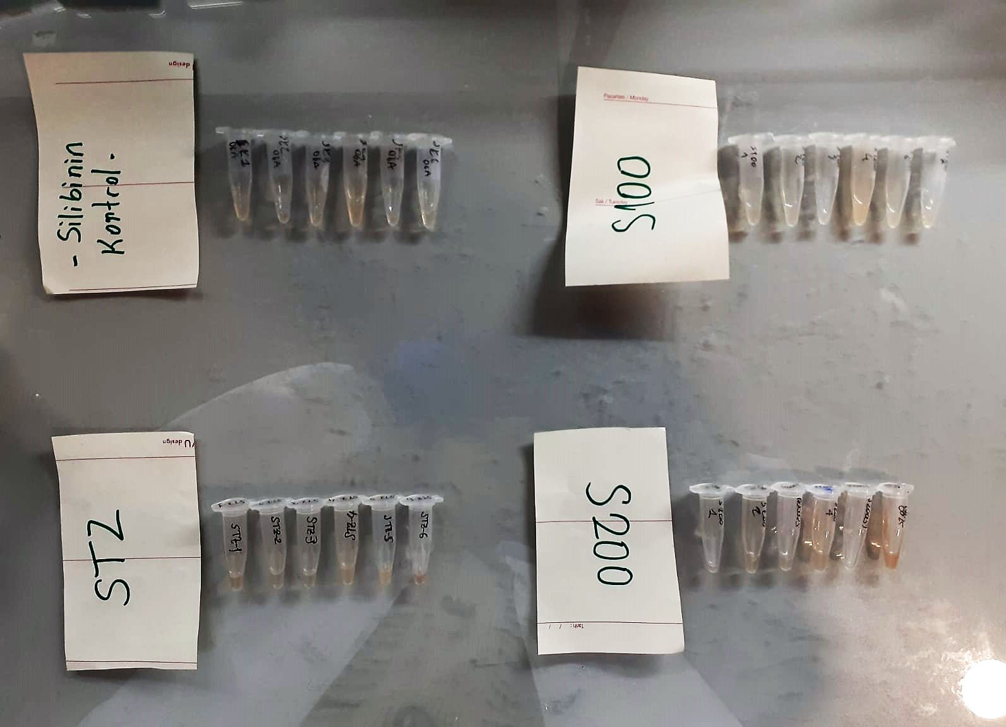

Cortisol Assay Principle
This kit is an Enzyme-Linked Immunosorbent Assay (ELISA). The plate has been pre-coated with Rat COR antibody. COR present in the sample is added and binds to antibodies coated on the wells.
And then biotinylated Rat COR Antibody is added and binds to COR in the sample. Then Streptavidin-HRP is added and binds to the Biotinylated COR antibody.
After incubation unbound Streptavidin-HRP is washed away during a washing step. Substrate solution is then added and color develops in proportion to the amount of Rat COR.
The reaction is terminated by addition of acidic stop solution and absorbance is measured at 450 nm.

