TNF-ALFA
2.884 | 1.629 | 1.656 | 2.861 | 1.054 | 1.661 | 2.486 | 2.677 | 2.119 | 2.829
1.929 | 1.98 | 1.723 | 2.15 | 2.341 | 1.236 | 1.189 | 2.676 | 2.348 | 2.846
1.394 | 2.666 | 1.235 | 2.457 | 2.931 | 1.24 | 1.733 | 2.484 | 1.264 | 2.315
0.911 | 1.862 | 1.437 | 1.345 | 1.048 | 1.982 | 1.549 | 1.194 | 1.018 | 2.433
0.68 | 1.69 | 2.162 | 2.957 | 2.42 | 2.537 | 1.32 | 1.136 | 1.379
0.296 | 1.424 | 1.186 | 2.941 | 2.053 | 1.237 | 2.134 | 1.084 | 1.668
0.078 | 1.55 | 2.2 | 1.377 | 0.777 | 1.564 | 2.563 | 1.169 | 2.484
0.079 | 1.63 | 1.478 | 1.408 | 1.39 | 1.106 | 2.781 | 1.27 | 2.562

TNF-A

 | abs | abs-blank | expected | result
std1 | 2.884 | 2.806 | 960 | 965.92
std2 | 1.929 | 1.851 | 480 | 457.96
std3 | 1.394 | 1.316 | 240 | 254.28
std4 | 0.911 | 0.833 | 120 | 120.29
std5 | 0.68 | 0.602 | 60 | 72.94
std6 | 0.296 | 0.218 | 30 | 18.20
blank | 0.078 | 0 | 0 | 0.44

 |  |  |  |  |  |  |  |  | concentratıon (ng/L)

Numune | absorbans | blank | abs-blank | result(ng/L)
1 | 1.629 | 0.078 | 1.551 | 336.59
2 | 1.98 | 0.078 | 1.902 | 480.40
3 | 2.666 | 0.078 | 2.588 | 833.66
4 | 1.862 | 0.078 | 1.784 | 429.27
5 | 1.69 | 0.078 | 1.612 | 359.79
6 | 1.424 | 0.078 | 1.346 | 264.16
7 | 1.55 | 0.078 | 1.472 | 307.67
8 | 1.63 | 0.078 | 1.552 | 336.96
9 | 1.656 | 0.078 | 1.578 | 346.76
10 | 1.723 | 0.078 | 1.645 | 372.65
11 | 1.235 | 0.078 | 1.157 | 204.94
12 | 1.437 | 0.078 | 1.359 | 268.50
13 | 2.162 | 0.078 | 2.084 | 564.82
14 | 1.186 | 0.078 | 1.108 | 190.77
15 | 2.2 | 0.078 | 2.122 | 583.29
16 | 1.478 | 0.078 | 1.4 | 282.41
17 | 2.861 | 0.078 | 2.783 | 951.51
18 | 2.15 | 0.078 | 2.072 | 559.04
19 | 2.457 | 0.078 | 2.379 | 715.92
20 | 1.345 | 0.078 | 1.267 | 238.53
21 | 2.957 | 0.078 | 2.879 | 1012.36
22 | 2.941 | 0.078 | 2.863 | 1002.09
23 | 1.377 | 0.078 | 1.299 | 248.76
24 | 1.408 | 0.078 | 1.33 | 258.87
25 | 1.054 | 0.078 | 0.976 | 155.02
26 | 2.341 | 0.078 | 2.263 | 654.40
27 | 2.931 | 0.078 | 2.853 | 995.69
28 | 1.048 | 0.078 | 0.97 | 153.48
29 | 2.42 | 0.078 | 2.342 | 696.00
30 | 2.053 | 0.078 | 1.975 | 513.45
31 | 0.777 | 0.078 | 0.699 | 91.50
32 | 1.39 | 0.078 | 1.312 | 252.97
33 | 1.661 | 0.078 | 1.583 | 348.66
34 | 1.236 | 0.078 | 1.158 | 205.24
35 | 1.24 | 0.078 | 1.162 | 206.41
36 | 1.982 | 0.078 | 1.904 | 481.29
37 | 2.537 | 0.078 | 2.459 | 759.94
38 | 1.237 | 0.078 | 1.159 | 205.53
39 | 1.564 | 0.078 | 1.486 | 312.70
40 | 1.106 | 0.078 | 1.028 | 168.68
41 | 2.486 | 0.078 | 2.408 | 731.73
42 | 1.189 | 0.078 | 1.111 | 191.63
43 | 1.733 | 0.078 | 1.655 | 376.59
44 | 1.549 | 0.078 | 1.471 | 307.31
45 | 1.32 | 0.078 | 1.242 | 230.68
46 | 2.134 | 0.078 | 2.056 | 551.39
47 | 2.563 | 0.078 | 2.485 | 774.53
48 | 2.781 | 0.078 | 2.703 | 902.23
49 | 2.677 | 0.078 | 2.599 | 840.10
50 | 2.676 | 0.078 | 2.598 | 839.52
51 | 2.484 | 0.078 | 2.406 | 730.63
52 | 1.194 | 0.078 | 1.116 | 193.05
53 | 1.136 | 0.078 | 1.058 | 176.82
54 | 1.084 | 0.078 | 1.006 | 162.84
55 | 1.169 | 0.078 | 1.091 | 185.97
56 | 1.27 | 0.078 | 1.192 | 215.36
57 | 2.119 | 0.078 | 2.041 | 544.27
58 | 2.348 | 0.078 | 2.27 | 658.03
59 | 1.264 | 0.078 | 1.186 | 213.56
60 | 1.018 | 0.078 | 0.94 | 145.89
61 | 1.379 | 0.078 | 1.301 | 249.40
62 | 1.668 | 0.078 | 1.59 | 351.33
63 | 2.484 | 0.078 | 2.406 | 730.63
64 | 2.562 | 0.078 | 2.484 | 773.96
65 | 2.829 | 0.078 | 2.751 | 931.64
66 | 2.846 | 0.078 | 2.768 | 942.17
67 | 2.315 | 0.078 | 2.237 | 640.98
68 | 2.433 | 0.078 | 2.355 | 702.97

IL-1BETA
2.576 | 0.651 | 1.657 | 0.981 | 0.565 | 0.541 | 1.216 | 0.985 | 1.831 | 1.2
1.522 | 1.684 | 1.763 | 1.985 | 1.283 | 0.498 | 0.554 | 1.045 | 0.587 | 1.165
0.961 | 1.543 | 0.57 | 1.592 | 1.534 | 0.572 | 0.72 | 0.708 | 0.54 | 0.98
0.491 | 0.823 | 2.82 | 0.811 | 0.535 | 2.272 | 1.811 | 1.201 | 0.607 | 1.3
0.314 | 2.237 | 1.457 | 2.752 | 2.583 | 2.16 | 0.838 | 0.557 | 1.28
0.182 | 0.796 | 0.653 | 1.846 | 1.032 | 1.035 | 2.883 | 0.739 | 1.395
0.064 | 1.381 | 1.737 | 0.981 | 0.402 | 1.347 | 2.668 | 1.168 | 2.289
0.065 | 1.456 | 2.088 | 0.78 | 1.319 | 1.236 | 2.836 | 1.782 | 1.9

IL-1BETA

 | abs | abs-blank | expected | result
std1 | 2.576 | 2.512 | 8000 | 8017.71
std2 | 1.522 | 1.458 | 4000 | 3896.66
std3 | 0.961 | 0.897 | 2000 | 2149.82
std4 | 0.491 | 0.427 | 1000 | 925.20
std5 | 0.314 | 0.25 | 500 | 520.47
std6 | 0.182 | 0.118 | 250 | 238.74
blank | 0.064 | 0 | 0 | 1.44

 |  |  |  |  |  |  |  |  | concentratıon(pg/ml)

Numune | absorbans | blank | abs-blank | result(pg/ml)
1 | 0.651 | 0.078 | 0.573 | 1282.30
2 | 1.684 | 0.078 | 1.606 | 4409.23
3 | 1.543 | 0.078 | 1.465 | 3920.42
4 | 0.823 | 0.078 | 0.745 | 1729.95
5 | 2.237 | 0.078 | 2.159 | 6515.53
6 | 0.796 | 0.078 | 0.718 | 1657.75
7 | 1.381 | 0.078 | 1.303 | 3383.00
8 | 1.456 | 0.078 | 1.378 | 3628.59
9 | 1.657 | 0.078 | 1.579 | 4314.11
10 | 1.763 | 0.078 | 1.685 | 4691.67
11 | 0.57 | 0.078 | 0.492 | 1081.59
12 | 2.82 | 0.078 | 2.742 | 9062.56
13 | 1.457 | 0.078 | 1.379 | 3631.90
14 | 0.653 | 0.078 | 0.575 | 1287.33
15 | 1.737 | 0.078 | 1.659 | 4598.03
16 | 2.088 | 0.078 | 2.01 | 5918.33
17 | 0.981 | 0.078 | 0.903 | 2166.86
18 | 1.985 | 0.078 | 1.907 | 5518.30
19 | 1.592 | 0.078 | 1.514 | 4088.06
20 | 0.811 | 0.078 | 0.733 | 1697.77
21 | 2.752 | 0.078 | 2.674 | 8748.22
22 | 1.846 | 0.078 | 1.768 | 4995.04
23 | 0.981 | 0.078 | 0.903 | 2166.86
24 | 0.78 | 0.078 | 0.702 | 1615.30
25 | 0.565 | 0.078 | 0.487 | 1069.41
26 | 1.283 | 0.078 | 1.205 | 3070.46
27 | 1.534 | 0.078 | 1.456 | 3889.88
28 | 0.535 | 0.078 | 0.457 | 996.86
29 | 2.583 | 0.078 | 2.505 | 7986.72
30 | 1.032 | 0.078 | 0.954 | 2313.14
31 | 0.402 | 0.078 | 0.324 | 685.92
32 | 1.319 | 0.078 | 1.241 | 3184.17
33 | 0.541 | 0.078 | 0.463 | 1011.30
34 | 0.498 | 0.078 | 0.42 | 908.61
35 | 0.572 | 0.078 | 0.494 | 1086.47
36 | 2.272 | 0.078 | 2.194 | 6658.98
37 | 2.16 | 0.078 | 2.082 | 6204.18
38 | 1.035 | 0.078 | 0.957 | 2321.83
39 | 1.347 | 0.078 | 1.269 | 3273.49
40 | 1.236 | 0.078 | 1.158 | 2923.92
41 | 1.216 | 0.078 | 1.138 | 2862.23
42 | 0.554 | 0.078 | 0.476 | 1042.71
43 | 0.72 | 0.078 | 0.642 | 1458.37
44 | 1.811 | 0.078 | 1.733 | 4866.28
45 | 0.838 | 0.078 | 0.76 | 1770.37
46 | 2.883 | 0.078 | 2.805 | 9357.86
47 | 2.668 | 0.078 | 2.59 | 8366.20
48 | 2.836 | 0.078 | 2.758 | 9137.19
49 | 0.985 | 0.078 | 0.907 | 2178.24
50 | 1.045 | 0.078 | 0.967 | 2350.84
51 | 0.708 | 0.078 | 0.63 | 1427.41
52 | 1.201 | 0.078 | 1.123 | 2816.22
53 | 0.557 | 0.078 | 0.479 | 1049.98
54 | 0.739 | 0.078 | 0.661 | 1507.68
55 | 1.168 | 0.078 | 1.09 | 2715.77
56 | 1.782 | 0.078 | 1.704 | 4760.51
57 | 1.831 | 0.078 | 1.753 | 4939.71
58 | 0.587 | 0.078 | 0.509 | 1123.18
59 | 0.54 | 0.078 | 0.462 | 1008.89
60 | 0.607 | 0.078 | 0.529 | 1172.47
61 | 1.28 | 0.078 | 1.202 | 3061.04
62 | 1.395 | 0.078 | 1.317 | 3428.42
63 | 2.289 | 0.078 | 2.211 | 6729.09
64 | 1.9 | 0.078 | 1.822 | 5196.06
65 | 1.2 | 0.078 | 1.122 | 2813.16
66 | 1.165 | 0.078 | 1.087 | 2706.69
67 | 0.98 | 0.078 | 0.902 | 2164.02
68 | 1.3 | 0.078 | 1.222 | 3123.99

MMP-3
2.477 | 1.177 | 1.079 | 1.789 | 1.009 | 1.397 | 1.586 | 2.842 | 2.376 | 2.411
1.688 | 2.641 | 2.868 | 1.886 | 2.14 | 1.205 | 0.721 | 2.825 | 2.348 | 2.764
1.097 | 2.404 | 1.435 | 1.867 | 2.578 | 1.08 | 1.336 | 2.344 | 1.43 | 1.851
0.686 | 1.468 | 2.392 | 1.351 | 1.043 | 1.303 | 1.377 | 1.283 | 1.182 | 2.711
0.497 | 2.823 | 1.549 | 1.451 | 1.438 | 2.338 | 1.311 | 1.078 | 1.056
0.231 | 1.302 | 1.185 | 2.383 | 1.067 | 0.907 | 1.563 | 0.995 | 1.156
0.072 | 1.675 | 1.467 | 1.558 | 0.551 | 2.883 | 1.489 | 1.018 | 1.579
0.073 | 1.764 | 1.513 | 1.014 | 1.526 | 0.951 | 1.347 | 1.43 | 2.409

MMP-3

 | abs | abs-blank | expected | result
std1 | 2.477 | 2.405 | 12.8 | 12.77
std2 | 1.688 | 1.616 | 6.4 | 6.50
std3 | 1.097 | 1.025 | 3.2 | 3.15
std4 | 0.686 | 0.614 | 1.6 | 1.49
std5 | 0.497 | 0.425 | 0.8 | 0.92
std6 | 0.231 | 0.159 | 0.4 | 0.31
blank | 0.072 | 0 | 0 | 0.06

 |  |  |  |  |  |  |  |  | concentratıon (ng/ml)

Numune | absorbans | blank | abs-blank | result(ng/ml)
1 | 1.177 | 0.072 | 1.105 | 3.53
2 | 2.641 | 0.072 | 2.569 | 14.33
3 | 2.404 | 0.072 | 2.332 | 12.10
4 | 1.468 | 0.072 | 1.396 | 5.12
5 | 2.823 | 0.072 | 2.751 | 16.17
6 | 1.302 | 0.072 | 1.23 | 4.18
7 | 1.675 | 0.072 | 1.603 | 6.41
8 | 1.764 | 0.072 | 1.692 | 7.01
9 | 1.079 | 0.072 | 1.007 | 3.06
10 | 2.868 | 0.072 | 2.796 | 16.64
11 | 1.435 | 0.072 | 1.363 | 4.92
12 | 2.392 | 0.072 | 2.32 | 11.99
13 | 1.549 | 0.072 | 1.477 | 5.61
14 | 1.185 | 0.072 | 1.113 | 3.57
15 | 1.467 | 0.072 | 1.395 | 5.11
16 | 1.513 | 0.072 | 1.441 | 5.39
17 | 1.789 | 0.072 | 1.717 | 7.19
18 | 1.886 | 0.072 | 1.814 | 7.88
19 | 1.867 | 0.072 | 1.795 | 7.74
20 | 1.351 | 0.072 | 1.279 | 4.45
21 | 1.451 | 0.072 | 1.379 | 5.02
22 | 2.383 | 0.072 | 2.311 | 11.91
23 | 1.558 | 0.072 | 1.486 | 5.66
24 | 1.014 | 0.072 | 0.942 | 2.77
25 | 1.009 | 0.072 | 0.937 | 2.74
26 | 2.14 | 0.072 | 2.068 | 9.84
27 | 2.578 | 0.072 | 2.506 | 13.72
28 | 1.043 | 0.072 | 0.971 | 2.90
29 | 1.438 | 0.072 | 1.366 | 4.94
30 | 1.067 | 0.072 | 0.995 | 3.01
31 | 0.551 | 0.072 | 0.479 | 1.07
32 | 1.526 | 0.072 | 1.454 | 5.46
33 | 1.397 | 0.072 | 1.325 | 4.70
34 | 1.205 | 0.072 | 1.133 | 3.67
35 | 1.08 | 0.072 | 1.008 | 3.07
36 | 1.303 | 0.072 | 1.231 | 4.18
37 | 2.338 | 0.072 | 2.266 | 11.52
38 | 0.907 | 0.072 | 0.835 | 2.31
39 | 2.883 | 0.072 | 2.811 | 16.80
40 | 0.951 | 0.072 | 0.879 | 2.49
41 | 1.586 | 0.072 | 1.514 | 5.84
42 | 0.721 | 0.072 | 0.649 | 1.61
43 | 1.336 | 0.072 | 1.264 | 4.36
44 | 1.377 | 0.072 | 1.305 | 4.59
45 | 1.311 | 0.072 | 1.239 | 4.23
46 | 1.563 | 0.072 | 1.491 | 5.69
47 | 1.489 | 0.072 | 1.417 | 5.24
48 | 1.347 | 0.072 | 1.275 | 4.42
49 | 2.842 | 0.072 | 2.77 | 16.36
50 | 2.825 | 0.072 | 2.753 | 16.19
51 | 2.344 | 0.072 | 2.272 | 11.57
52 | 1.283 | 0.072 | 1.211 | 4.08
53 | 1.078 | 0.072 | 1.006 | 3.06
54 | 0.995 | 0.072 | 0.923 | 2.68
55 | 1.018 | 0.072 | 0.946 | 2.78
56 | 1.43 | 0.072 | 1.358 | 4.89
57 | 2.376 | 0.072 | 2.304 | 11.85
58 | 2.348 | 0.072 | 2.276 | 11.60
59 | 1.43 | 0.072 | 1.358 | 4.89
60 | 1.182 | 0.072 | 1.11 | 3.56
61 | 1.056 | 0.072 | 0.984 | 2.96
62 | 1.156 | 0.072 | 1.084 | 3.43
63 | 1.579 | 0.072 | 1.507 | 5.79
64 | 2.409 | 0.072 | 2.337 | 12.15
65 | 2.411 | 0.072 | 2.339 | 12.17
66 | 2.764 | 0.072 | 2.692 | 15.56
67 | 1.851 | 0.072 | 1.779 | 7.63
68 | 2.711 | 0.072 | 2.639 | 15.02

CORTISOL
0.122 | 2.865 | 2.667 | 2.548 | 2.609 | 2.655 | 2.71 | 1.927 | 2.322 | 2.761
0.593 | 1.872 | 2.835 | 1.887 | 2.5 | 2.783 | 2.794 | 2.497 | 2.151 | 2.329
0.893 | 2.681 | 2.786 | 2.547 | 2.363 | 2.507 | 1.969 | 2.289 | 2.061 | 2.432
1.198 | 2.623 | 2.256 | 2.774 | 2.838 | 2.057 | 1.851 | 1.933 | 2.251 | 2.349
1.408 | 1.994 | 2.377 | 2.411 | 1.916 | 1.849 | 2.614 | 1.989 | 2.345
1.764 | 2.828 | 2.685 | 2.119 | 2.451 | 2.32 | 2.788 | 2.301 | 2.757
0.049 | 2.212 | 2.566 | 2.829 | 2.756 | 2.602 | 1.945 | 2.706 | 2.808
0.042 | 2.312 | 2.059 | 2.34 | 2.788 | 2.626 | 2.381 | 2.781 | 2.833

CORTISOL

 | abs | abs-blank | expected | result
std1 | 0.122 | 0.077 | 240 | 239.82
std2 | 0.593 | 0.548 | 120 | 118.60
std3 | 0.893 | 0.848 | 60 | 64.42
std4 | 1.198 | 1.153 | 30 | 27.72
std5 | 1.408 | 1.363 | 15 | 13.22
std6 | 1.764 | 1.719 | 7.5 | 8.70
blank | 0.045 | 0 | 0 | 0.00

 |  |  |  |  |  |  |  |  |  | concentratıon (ng/ml)

Numune | absorbans | blank | abs-blank | result(ng/ml)
1 | 2.865 | 0.045 | 2.82 | 154.49
2 | 1.872 | 0.045 | 1.827 | 12.32
3 | 2.681 | 0.045 | 2.636 | 113.32
4 | 2.623 | 0.045 | 2.578 | 101.74
5 | 1.994 | 0.045 | 1.949 | 19.21
6 | 2.828 | 0.045 | 2.783 | 145.67
7 | 2.212 | 0.045 | 2.167 | 38.89
8 | 2.312 | 0.045 | 2.267 | 51.09
9 | 2.667 | 0.045 | 2.622 | 110.46
10 | 2.835 | 0.045 | 2.79 | 147.32
11 | 2.786 | 0.045 | 2.741 | 135.99
12 | 2.256 | 0.045 | 2.211 | 44.01
13 | 2.377 | 0.045 | 2.332 | 60.08
14 | 2.685 | 0.045 | 2.64 | 114.14
15 | 2.566 | 0.045 | 2.521 | 91.02
16 | 2.059 | 0.045 | 2.014 | 24.09
17 | 2.548 | 0.045 | 2.503 | 87.76
18 | 1.887 | 0.045 | 1.842 | 13.01
19 | 2.547 | 0.045 | 2.502 | 87.58
20 | 2.774 | 0.045 | 2.729 | 133.29
21 | 2.411 | 0.045 | 2.366 | 65.12
22 | 2.119 | 0.045 | 2.074 | 29.34
23 | 2.829 | 0.045 | 2.784 | 145.90
24 | 2.34 | 0.045 | 2.295 | 54.86
25 | 2.609 | 0.045 | 2.564 | 99.05
26 | 2.5 | 0.045 | 2.455 | 79.40
27 | 2.363 | 0.045 | 2.318 | 58.07
28 | 2.838 | 0.045 | 2.793 | 148.02
29 | 1.916 | 0.045 | 1.871 | 14.46
30 | 2.451 | 0.045 | 2.406 | 71.35
31 | 2.756 | 0.045 | 2.711 | 129.29
32 | 2.788 | 0.045 | 2.743 | 136.44
33 | 2.655 | 0.045 | 2.61 | 108.05
34 | 2.783 | 0.045 | 2.738 | 135.31
35 | 2.507 | 0.045 | 2.462 | 80.60
36 | 2.057 | 0.045 | 2.012 | 23.92
37 | 1.849 | 0.045 | 1.804 | 11.36
38 | 2.32 | 0.045 | 2.275 | 52.15
39 | 2.602 | 0.045 | 2.557 | 97.72
40 | 2.626 | 0.045 | 2.581 | 102.32
41 | 2.71 | 0.045 | 2.665 | 119.36
42 | 2.794 | 0.045 | 2.749 | 137.80
43 | 1.969 | 0.045 | 1.924 | 17.56
44 | 1.851 | 0.045 | 1.806 | 11.44
45 | 2.614 | 0.045 | 2.569 | 100.01
46 | 2.788 | 0.045 | 2.743 | 136.44
47 | 1.945 | 0.045 | 1.9 | 16.09
48 | 2.381 | 0.045 | 2.336 | 60.66
49 | 1.927 | 0.045 | 1.882 | 15.06
50 | 2.497 | 0.045 | 2.452 | 78.90
51 | 2.289 | 0.045 | 2.244 | 48.10
52 | 1.933 | 0.045 | 1.888 | 15.39
53 | 1.989 | 0.045 | 1.944 | 18.87
54 | 2.301 | 0.045 | 2.256 | 49.65
55 | 2.706 | 0.045 | 2.661 | 118.52
56 | 2.781 | 0.045 | 2.736 | 134.86
57 | 2.322 | 0.045 | 2.277 | 52.41
58 | 2.151 | 0.045 | 2.106 | 32.43
59 | 2.061 | 0.045 | 2.016 | 24.25
60 | 2.251 | 0.045 | 2.206 | 43.41
61 | 2.345 | 0.045 | 2.3 | 55.55
62 | 2.757 | 0.045 | 2.712 | 129.51
63 | 2.808 | 0.045 | 2.763 | 141.01
64 | 2.833 | 0.045 | 2.788 | 146.84
65 | 2.761 | 0.045 | 2.716 | 130.39
66 | 2.329 | 0.045 | 2.284 | 53.36
67 | 2.432 | 0.045 | 2.387 | 68.35
68 | 2.349 | 0.045 | 2.304 | 56.10

Materyal-metod
KİT ADI | TÜR | MARKA | CAT. NO | Yöntem | Kullanılan Cihaz
Tumor necrosis factor-alfa | Human | BT | E0082Hu | ELİSA | Mıcroplate reader: BIO-TEK EL X 800-Aotu strıp washer:BIO TEK EL X 50
Interleukin-1 beta | Human | BT | E0143Hu | ELİSA | Mıcroplate reader: BIO-TEK EL X 800-Aotu strıp washer:BIO TEK EL X 50
Matrix metalloprpteinase 3 | Human | BT | E0907Hu | ELİSA | Mıcroplate reader: BIO-TEK EL X 800-Aotu strıp washer:BIO TEK EL X 50
Cortisol | Human | BT | EA0023Hu | ELİSA | Mıcroplate reader: BIO-TEK EL X 800-Aotu strıp washer:BIO TEK EL X 50
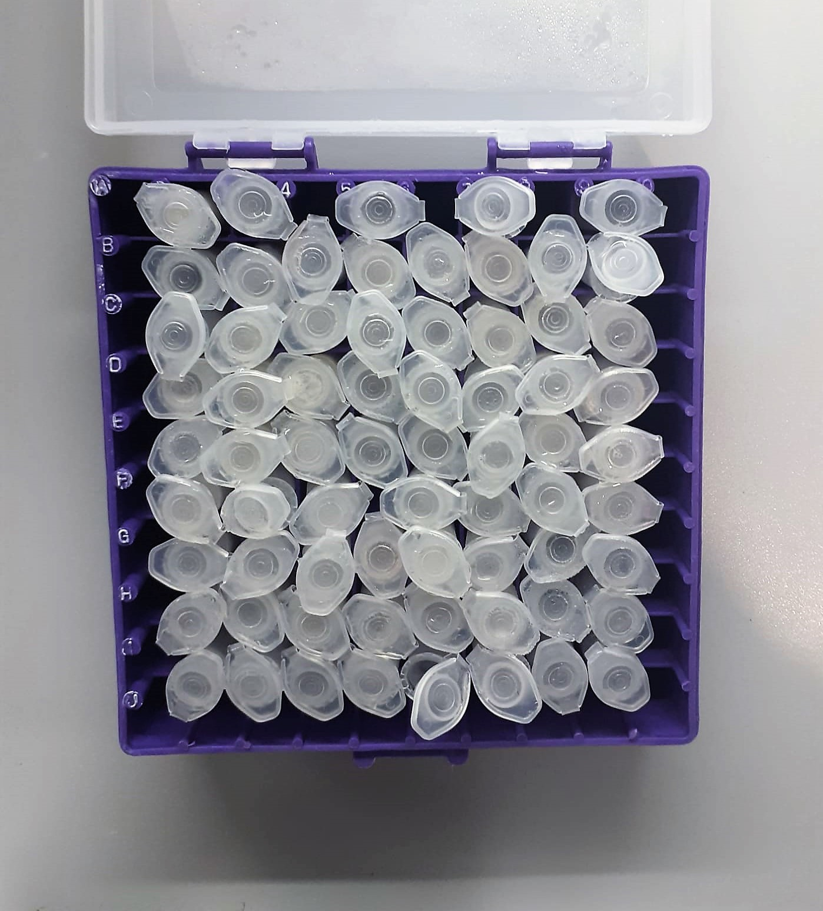
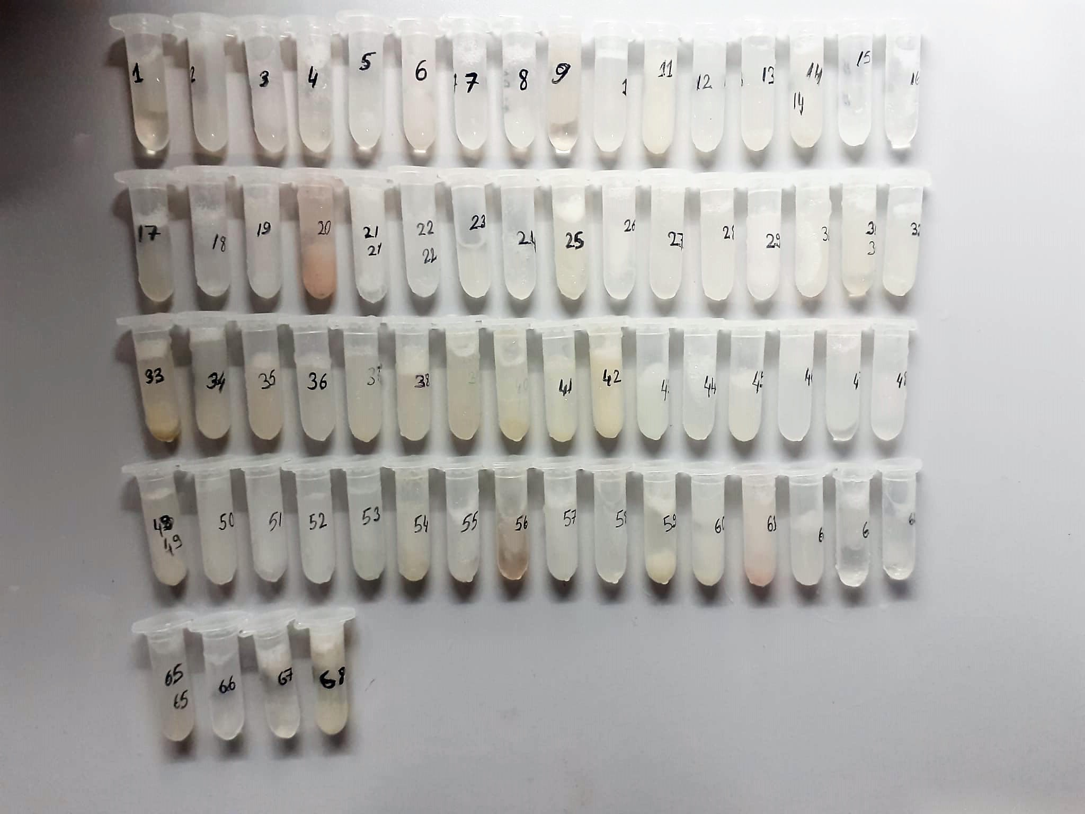

Human TNF-Alfa Assay Principle
This kit is an Enzyme-Linked Immunosorbent Assay (ELISA). The plate has been pre-coated with Human TNFA antibody. TNFA present in the sample is added and binds to antibodies coated on the wells.
And then biotinylated Human TNFA Antibody is added and binds to TNFA in the sample. Then Streptavidin-HRP is added and binds to the Biotinylated TNFA antibody.
After incubation unbound Streptavidin-HRP is washed away during a washing step. Substrate solution is then added and color develops in proportion to the amount of Human TNFA.
The reaction is terminated by addition of acidic stop solution and absorbance is measured at 450 nm.

Human IL-1BETA Assay Principle
This kit is an Enzyme-Linked Immunosorbent Assay (ELISA). The plate has been pre-coated with Human IL-1B antibody. IL-1B present in the sample is added and binds to antibodies coated on the wells.
And then biotinylated Human IL-1B Antibody is added and binds to IL-1B in the sample. Then Streptavidin-HRP is added and binds to the Biotinylated IL-1B antibody.
After incubation unbound Streptavidin-HRP is washed away during a washing step. Substrate solution is then added and color develops in proportion to the amount of Human IL-1B.
The reaction is terminated by addition of acidic stop solution and absorbance is measured at 450 nm.

Human Cortisol Assay Principle
This kit is an enzyme -linked ımmunosorbent assay.(elisa).COR standards or samples are added to the wells pre-coated with a monoclonal antibody.
Then biotin-conjugated target antigen are added to the wells. The antigens in the standards or sample compete with the biotin-conjugated antigen to the bind to the capture antibody and incubate.
Unbound antigen is washed away during a washing step.An avidin-HRP is then added and then incubate.Unbound avidin hrp is washed away during a washing step.TMB Subsrate is then added and color develops.
The reaction is stopped by addition of acidic stop solution and color changes into yellow that can be measured at 450 nm. The intensity of the color developed in inversely proportional to the concentration of COR in the sample.
The concentratıon of COR in the sample is then determined by comparing the O.D of the samples to the standard curve.

Human MMP-3 Assay Principle
This kit is an Enzyme-Linked Immunosorbent Assay (ELISA). The plate has been pre-coated with Human MMP-3 antibody. MMP-3 present in the sample is added and binds to antibodies coated on the wells.
And then biotinylated Human MMP-3 Antibody is added and binds to MMP-3 in the sample. Then Streptavidin-HRP is added and binds to the Biotinylated MMP-3 antibody.
After incubation unbound Streptavidin-HRP is washed away during a washing step. Substrate solution is then added and color develops in proportion to the amount of Human MMP-3.
The reaction is terminated by addition of acidic stop solution and absorbance is measured at 450 nm.

