Materyal-metod
Kullanılan cihaz: Mindray marka BS300 model tam otomatik biyokimya cihazı
AST: Aspartat Aminotransferaz
ALT: Alanin aminotransferaz
ALB: Albumın
CREA: Creatinine
UREA: Üre
CHOL: Total Cholesterol

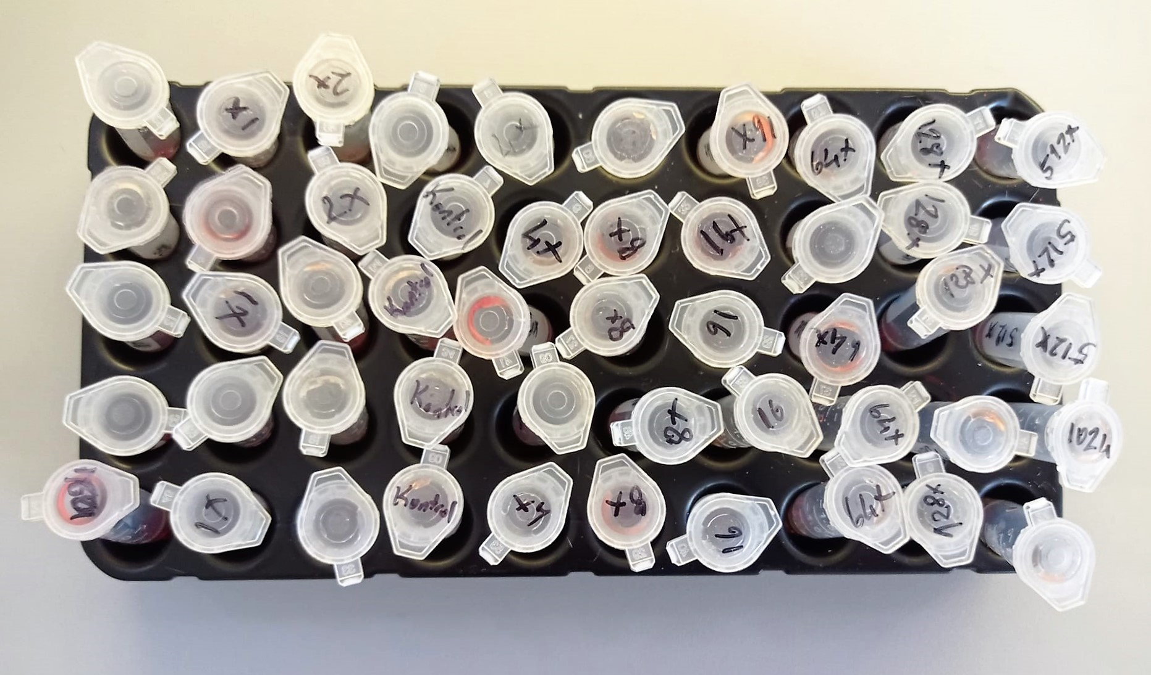

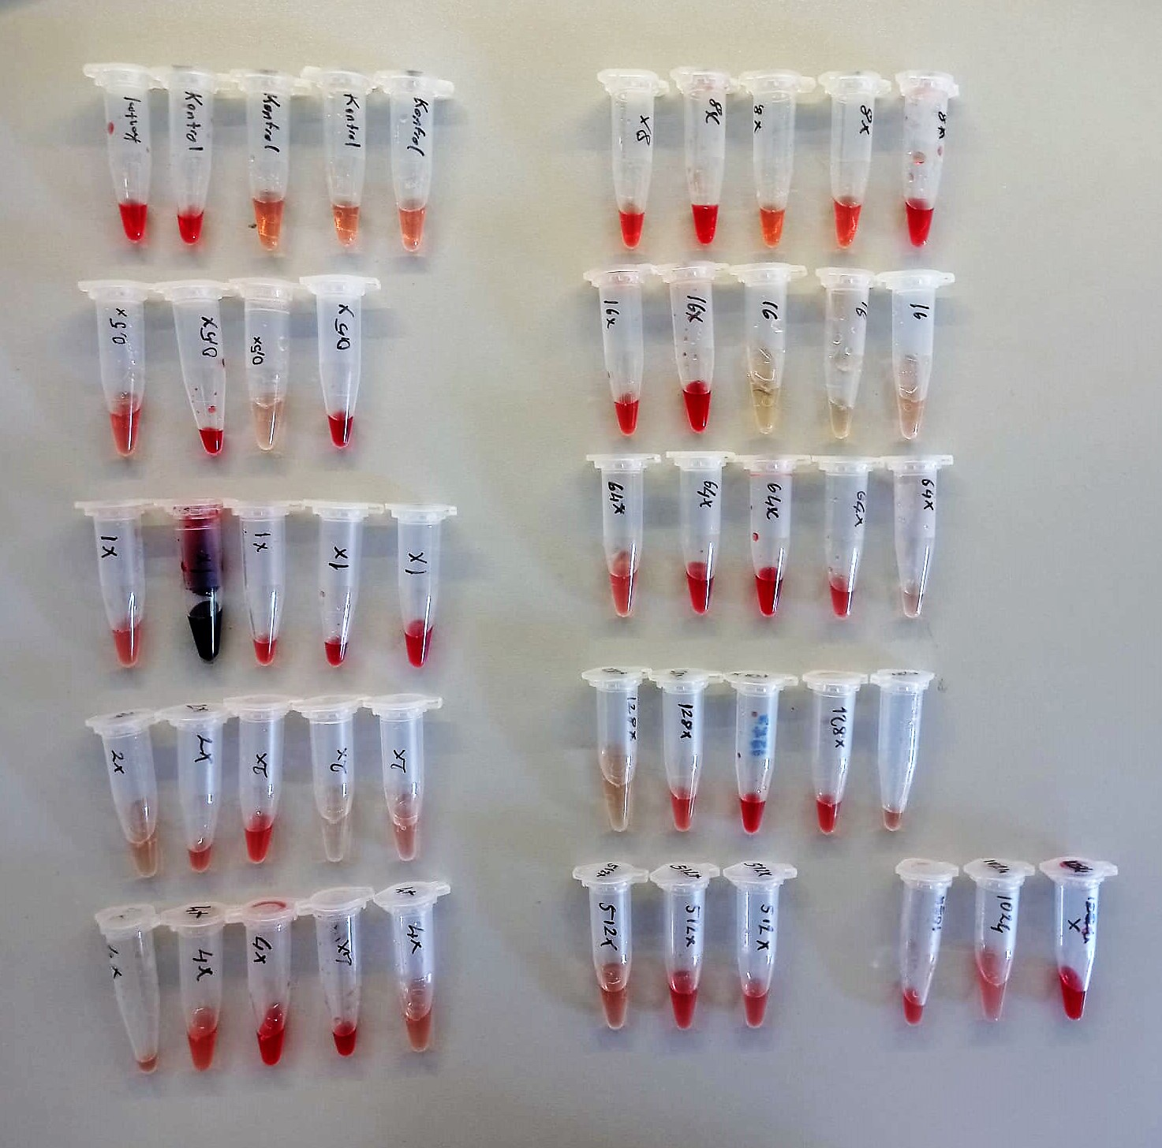

 | YÖNTEMLER

Clolesterol Total mg/dl
Cholesterol ester + H2O Cholesterol + fatty acids
Cholesterol esters are ceaved by the action of choesterol esterase to yield free
choesterol and fatty acids Cholesterol oxidase Cholesterol + O2 Cholesten-3-on + H2O2
Peroxidase
2H2O2 + Phenol + 4-Aminoantipyrine Quinoneimine dye + 4 H2O
Cholesterol is converted by oxygen with the aid of cholesterol oxidase to A4- Cholestenone and hydrogen peroxide.
Hydrogen peroxide created forms a red dyestuff by reacting with 4-aminoantipyrine and phenol under the catalytic action of peroxidase.
The color intensity is directly proportional to the concentration of cholesterol and can be determined photometrically.

AST U/L
UV test according to a standarrized method
Sample and addition of R1 (buffer)
Addition of R2 and start of reaction: AST
α-ketoglutarate + L-aspartate L- glutamate + oxaloasetate
AST is the enzyme which catalyzes this equilibrium reaction. The oxaloacetate in- crease is measured in a subsequent indicator reaction which is catalyzed by malate dehydrogenase.
MDH
oxalacetate + NADH + H+ L-Malate + NAD+
In the second reaction, NADH is oxidized to NAD. The rate of decrease in NADH
(Measured photometrically) is directly proportional to the rate of formation of
oxaloasetate, and thus the AST activity.

ALT U/L
UV test according to the IFCC method.
ALT
L-Alanin + 2-Oxoglutarate ⎯⎯ L-Glutamate + Pyruvat

Urea (BUN) mg/dl
Urea is hydrolysed in presence of urease to produce ammonia and CO2. The ammonia produced combines with 2 – oxoglutarate and NADH in presence of GLDH to yield glutamate and NAD.
urease
Urea+H2O+2H+ 2 NH4+ + 2+ CO2
GLDH
2 NH4+ + 2-Oxoglutarate + 2 NADH H2O + 2 NAD+ + Gl utamate The decrease in absorbance due to consumption of NADH is measured kinetically.

Creatinine mg/L
Immunoturbidimetric assay
Anti-CRP antibodies react with antigen in the sample to form an ntigen/antibody complex. Following agglutination, this is measured turbidimetrically.
Addition of PEG allows the reaction to progress rapidly to the end point,increases sensitivity, and reduces the risk of samples containing excess antigen
producing false negative results.

Albumin g/dl
Colorimetric assay, endpoint method
• Sample and addition of R1
• Start of the reaction:
At a pH value of 4.1 albumin displays a sufficiently cationic character to be able to bind with bromocresol green (BCG), any anionic dyestuff, to form a blue-green complex.
pH 4.1 albumin + BCG albumin BCG- complex
The color intensity of the blue-green color is directly proportional to the albumin concentration and can be determined photometrical

