TMAO-1.PLATE
2.44 | 1.102 | 1.451 | 1.414 | 0.461 | 0.414 | 0.447 | 0.585 | 1.532 | 0.85 | 1.349 | 0.578
1.432 | 1.217 | 1.542 | 0.948 | 0.556 | 0.569 | 0.618 | 1.262 | 1.551 | 1.412 | 1.489 | 0.544
0.794 | 1.155 | 1.346 | 0.505 | 0.579 | 0.552 | 1.013 | 0.791 | 1.099 | 1.176 | 0.889 | 0.77
0.391 | 0.76 | 0.612 | 0.664 | 0.449 | 0.531 | 0.67 | 1.046 | 0.91 | 1.322 | 1.345 | 0.494
0.239 | 1.505 | 0.984 | 0.539 | 0.411 | 0.564 | 0.51 | 0.957 | 0.975 | 1.409 | 1.384 | 0.446
0.058 | 0.498 | 0.898 | 0.641 | 0.504 | 0.552 | 0.627 | 1.33 | 1.324 | 1.296 | 0.853 | 0.313
0.552 | 1.108 | 0.768 | 0.576 | 0.79 | 0.545 | 0.715 | 1.189 | 0.889 | 1.158 | 0.496 | 0.445
1.604 | 1.136 | 1.584 | 0.758 | 0.61 | 0.466 | 1.032 | 0.978 | 1.477 | 1.456 | 0.46 | 1.482

TMAO

 | abs | abs-blank | expected | result
std1 | 2.44 | 2.382 | 32 | 31.94
std2 | 1.432 | 1.374 | 16 | 16.20
std3 | 0.794 | 0.736 | 8 | 8.02
std4 | 0.391 | 0.333 | 4 | 3.55
std5 | 0.239 | 0.181 | 2 | 2.01
blank | 0.058 | 0 | 0 | 0.28

 |  |  |  |  |  |  |  |  | concentration (ng/ml)

Numune | absorbans | blank | abs-blank | result(ng/ml)
KOVİD KONTROL-K1 | 0.552 | 0.058 | 0.494 | 5.27
KOVİD KONTROL-K2 | 1.604 | 0.058 | 1.546 | 18.65
KOVİD KONTROL-K3 | 1.102 | 0.058 | 1.044 | 11.80
KOVİD KONTROL-K4 | 1.217 | 0.058 | 1.159 | 13.29
KOVİD KONTROL-K5 | 1.155 | 0.058 | 1.097 | 12.48
KOVİD KONTROL-K6 | 0.76 | 0.058 | 0.702 | 7.62
KOVİD KONTROL-K7 | 1.505 | 0.058 | 1.447 | 17.23
KOVİD KONTROL-K8 | 0.498 | 0.058 | 0.44 | 4.68
KOVİD KONTROL-K9 | 1.108 | 0.058 | 1.05 | 11.87
KOVİD KONTROL-K10 | 1.136 | 0.058 | 1.078 | 12.23
KOVİD KONTROL-K11 | 1.451 | 0.058 | 1.393 | 16.47
KOVİD KONTROL-K12 | 1.542 | 0.058 | 1.484 | 17.75
KOVİD KONTROL-K13 | 1.346 | 0.058 | 1.288 | 15.02
KOVİD KONTROL-K15 | 0.612 | 0.058 | 0.554 | 5.93
KOVİD KONTROL-K16 | 0.984 | 0.058 | 0.926 | 10.31
KOVİD KONTROL-K17 | 0.898 | 0.058 | 0.84 | 9.26
KOVİD KONTROL-K18 | 0.768 | 0.058 | 0.71 | 7.71
KOVİD KONTROL-K19 | 1.584 | 0.058 | 1.526 | 18.36
KOVİD KONTROL-K20 | 1.414 | 0.058 | 1.356 | 15.95
KOVİD HASTA-2 | 0.948 | 0.058 | 0.89 | 9.87
KOVİD HASTA-5 | 0.505 | 0.058 | 0.447 | 4.76
KOVİD HASTA-6 | 0.664 | 0.058 | 0.606 | 6.52
KOVİD HASTA-7 | 0.539 | 0.058 | 0.481 | 5.13
KOVİD HASTA-8 | 0.641 | 0.058 | 0.583 | 6.26
KOVİD HASTA-9 | 0.576 | 0.058 | 0.518 | 5.53
KOVİD HASTA-10 | 0.758 | 0.058 | 0.7 | 7.59
KOVİD HASTA-11 | 0.461 | 0.058 | 0.403 | 4.29
KOVİD HASTA-13 | 0.556 | 0.058 | 0.498 | 5.31
KOVİD HASTA-14 | 0.579 | 0.058 | 0.521 | 5.57
KOVİD HASTA-15 | 0.449 | 0.058 | 0.391 | 4.16
KOVİD HASTA-16 | 0.411 | 0.058 | 0.353 | 3.76
KOVİD HASTA-17 | 0.504 | 0.058 | 0.446 | 4.75
KOVİD HASTA-18 | 0.79 | 0.058 | 0.732 | 7.97
KOVİD HASTA-19 | 0.61 | 0.058 | 0.552 | 5.91
KOVİD HASTA-20 | 0.414 | 0.058 | 0.356 | 3.79
KOVİD HASTA-21 | 0.569 | 0.058 | 0.511 | 5.46
KOVİD HASTA-22 | 0.552 | 0.058 | 0.494 | 5.27
KOVİD HASTA-23 | 0.531 | 0.058 | 0.473 | 5.04
KOVİD HASTA-33 | 0.564 | 0.058 | 0.506 | 5.40
KOVİD HASTA-35 | 0.552 | 0.058 | 0.494 | 5.27
KOVİD HASTA-36 | 0.545 | 0.058 | 0.487 | 5.19
KOVİD HASTA-37 | 0.466 | 0.058 | 0.408 | 4.34
KOVİD HASTA-38 | 0.447 | 0.058 | 0.389 | 4.14
KOVİD HASTA-41 | 0.618 | 0.058 | 0.56 | 6.00
KOVİD HASTA-42 | 1.013 | 0.058 | 0.955 | 10.67
KOVİD HASTA-43 | 0.67 | 0.058 | 0.612 | 6.58
KOVİD HASTA-44 | 0.51 | 0.058 | 0.452 | 4.81
KOVİD HASTA-45 | 0.627 | 0.058 | 0.569 | 6.10
KOVİD HASTA-47 | 0.715 | 0.058 | 0.657 | 7.10
GASTRO FURKAN-KONTROL-K1 | 1.032 | 0.058 | 0.974 | 10.91
GASTRO FURKAN-KONTROL-K2 | 0.585 | 0.058 | 0.527 | 5.63
GASTRO FURKAN-KONTROL-K4 | 1.262 | 0.058 | 1.204 | 13.89
GASTRO FURKAN-KONTROL-K5 | 0.791 | 0.058 | 0.733 | 7.98
GASTRO FURKAN-KONTROL-K6 | 1.046 | 0.058 | 0.988 | 11.09
GASTRO FURKAN-KONTROL-K7 | 0.957 | 0.058 | 0.899 | 9.98
GASTRO FURKAN-KONTROL-K8 | 1.33 | 0.058 | 1.272 | 14.80
GASTRO FURKAN-KONTROL-K9 | 1.189 | 0.058 | 1.131 | 12.92
GASTRO FURKAN-KONTROL-K10 | 0.978 | 0.058 | 0.92 | 10.24
GASTRO FURKAN-KONTROL-K11 | 1.532 | 0.058 | 1.474 | 17.61
GASTRO FURKAN-KONTROL-K12 | 1.551 | 0.058 | 1.493 | 17.88
GASTRO FURKAN-KONTROL-K13 | 1.099 | 0.058 | 1.041 | 11.76
GASTRO FURKAN-KONTROL-K14 | 0.91 | 0.058 | 0.852 | 9.40
GASTRO FURKAN-KONTROL-K15 | 0.975 | 0.058 | 0.917 | 10.20
GASTRO FURKAN-KONTROL-K16 | 1.324 | 0.058 | 1.266 | 14.72
GASTRO FURKAN-KONTROL-K17 | 0.889 | 0.058 | 0.831 | 9.15
GASTRO FURKAN-KONTROL-K18 | 1.477 | 0.058 | 1.419 | 16.83
GASTRO FURKAN-KONTROL-K20 | 0.85 | 0.058 | 0.792 | 8.68
GASTRO FURKAN-KONTROL-K21 | 1.412 | 0.058 | 1.354 | 15.93
GASTRO FURKAN-KONTROL-K22 | 1.176 | 0.058 | 1.118 | 12.75
GASTRO FURKAN-KONTROL-K23 | 1.322 | 0.058 | 1.264 | 14.69
GASTRO FURKAN-KONTROL-K24 | 1.409 | 0.058 | 1.351 | 15.88
GASTRO FURKAN-KONTROL-K26 | 1.296 | 0.058 | 1.238 | 14.34
GASTRO FURKAN-KONTROL-K27 | 1.158 | 0.058 | 1.1 | 12.52
GASTRO FURKAN-KONTROL-K28 | 1.456 | 0.058 | 1.398 | 16.54
GASTRO FURKAN-KONTROL-K30 | 1.349 | 0.058 | 1.291 | 15.06
GASTRO FURKAN-KONTROL-K31 | 1.489 | 0.058 | 1.431 | 17.00
GASTRO FURKAN-KONTROL-K32 | 0.889 | 0.058 | 0.831 | 9.15
GASTRO FURKAN-KONTROL-K33 | 1.345 | 0.058 | 1.287 | 15.01
GASTRO FURKAN-KONTROL-K34 | 1.384 | 0.058 | 1.326 | 15.54
GASTRO FURKAN-HASTA-1 | 0.853 | 0.058 | 0.795 | 8.72
GASTRO FURKAN-HASTA-2 | 0.496 | 0.058 | 0.438 | 4.66
GASTRO FURKAN-HASTA-3 | 0.46 | 0.058 | 0.402 | 4.28
GASTRO FURKAN-HASTA-4 | 0.578 | 0.058 | 0.52 | 5.56
GASTRO FURKAN-HASTA-5 | 0.544 | 0.058 | 0.486 | 5.18
GASTRO FURKAN-HASTA-6 | 0.77 | 0.058 | 0.712 | 7.73
GASTRO FURKAN-HASTA-7 | 0.494 | 0.058 | 0.436 | 4.64
GASTRO FURKAN-HASTA-8 | 0.446 | 0.058 | 0.388 | 4.13
GASTRO FURKAN-HASTA-9 | 0.313 | 0.058 | 0.255 | 2.75
GASTRO FURKAN-HASTA-10 | 0.445 | 0.058 | 0.387 | 4.12
GASTRO FURKAN-HASTA-11 | 1.482 | 0.058 | 1.424 | 16.90

TMAO-2.PLATE
2.699 | 1.173 | 0.729 | 1.322 | 1.616 | 0.767 | 0.693 | 0.649 | 0.787 | 1.617 | 2.357 | 1.072
1.81 | 0.608 | 0.958 | 1.51 | 1.845 | 0.492 | 0.656 | 0.722 | 0.674 | 2.463 | 0.847 | 2.102
1.04 | 1.198 | 0.932 | 1.873 | 1.687 | 0.696 | 0.611 | 1.138 | 0.792 | 2.332 | 1.777 | 0.872
0.795 | 0.65 | 0.828 | 1.165 | 1.673 | 0.768 | 0.485 | 0.75 | 0.612 | 1.851 | 1.472 | 1.68
0.379 | 0.488 | 1.262 | 1.421 | 1.691 | 0.286 | 0.662 | 1.278 | 1.763 | 1.891 | 1.237 | 0.828
0.093 | 0.505 | 0.725 | 0.855 | 0.776 | 0.645 | 0.529 | 0.492 | 0.657 | 2.343 | 0.73 | 0.88
1.15 | 1.034 | 0.976 | 0.746 | 1.229 | 0.725 | 0.682 | 2.417 | 0.979 | 2.379 | 0.5 | 2.071
1.239 | 0.816 | 1.487 | 0.577 | 1.307 | 1.154 | 0.654 | 0.729 | 1.437 | 2.152 | 0.368 | 2.423

TMAO

 | abs | abs-blank | expected | result
std1 | 2.699 | 2.606 | 32 | 31.86
std2 | 1.81 | 1.717 | 16 | 16.50
std3 | 1.04 | 0.947 | 8 | 7.01
std4 | 0.795 | 0.702 | 4 | 4.74
std5 | 0.379 | 0.286 | 2 | 1.69
blank | 0.093 | 0 | 0 | 0.19

 |  |  |  |  |  |  |  |  | concentration (ng/ml)

Numune | absorbans | blank | abs-blank | result(ng/ml)
GASTRO FURKAN-HASTA-12 | 1.15 | 0.093 | 1.057 | 8.15
GASTRO FURKAN-HASTA-13 | 1.239 | 0.093 | 1.146 | 9.13
GASTRO FURKAN-HASTA-14 | 1.173 | 0.093 | 1.08 | 8.40
GASTRO FURKAN-HASTA-15 | 0.608 | 0.093 | 0.515 | 3.24
GASTRO FURKAN-HASTA-16 | 1.198 | 0.093 | 1.105 | 8.67
GASTRO FURKAN-HASTA-18 | 0.65 | 0.093 | 0.557 | 3.56
GASTRO FURKAN-HASTA-19 | 0.488 | 0.093 | 0.395 | 2.39
GASTRO FURKAN-HASTA-20 | 0.505 | 0.093 | 0.412 | 2.50
GASTRO FURKAN-HASTA-21 | 1.034 | 0.093 | 0.941 | 6.95
GASTRO FURKAN-HASTA-22 | 0.816 | 0.093 | 0.723 | 4.92
GASTRO FURKAN-HASTA-23 | 0.729 | 0.093 | 0.636 | 4.18
GASTRO FURKAN-HASTA-24 | 0.958 | 0.093 | 0.865 | 6.21
GASTRO FURKAN-HASTA-25 | 0.932 | 0.093 | 0.839 | 5.97
GASTRO FURKAN-HASTA-26 | 0.828 | 0.093 | 0.735 | 5.02
GASTRO FURKAN-HASTA-27 | 1.262 | 0.093 | 1.169 | 9.39
GASTRO FURKAN-HASTA-28 | 0.725 | 0.093 | 0.632 | 4.15
GASTRO FURKAN-HASTA-29 | 0.976 | 0.093 | 0.883 | 6.38
GASTRO FURKAN-HASTA-30 | 1.487 | 0.093 | 1.394 | 12.09
GASTRO FURKAN-HASTA-31 | 1.322 | 0.093 | 1.229 | 10.08
GASTRO FURKAN-HASTA-32 | 1.51 | 0.093 | 1.417 | 12.39
GASTRO FURKAN-HASTA-33 | 1.873 | 0.093 | 1.78 | 17.44
GASTRO FURKAN-HASTA-34 | 1.165 | 0.093 | 1.072 | 8.31
GASTRO FURKAN-HASTA-35 | 1.421 | 0.093 | 1.328 | 11.27
GASTRO FURKAN-HASTA-36 | 0.855 | 0.093 | 0.762 | 5.26
GASTRO FURKAN-HASTA-37 | 0.746 | 0.093 | 0.653 | 4.32
GASTRO FURKAN-HASTA-38 | 0.577 | 0.093 | 0.484 | 3.01
GASTRO FURKAN-HASTA-39 | 1.616 | 0.093 | 1.523 | 13.78
GASTRO FURKAN-HASTA-40 | 1.845 | 0.093 | 1.752 | 17.02
GASTRO FURKAN-HASTA-41 | 1.687 | 0.093 | 1.594 | 14.75
GASTRO FURKAN-HASTA-42 | 1.673 | 0.093 | 1.58 | 14.56
GASTRO FURKAN-HASTA-43 | 1.691 | 0.093 | 1.598 | 14.81
GASTRO FURKAN-HASTA-44 | 0.776 | 0.093 | 0.683 | 4.57
GASTRO FURKAN-HASTA-45 | 1.229 | 0.093 | 1.136 | 9.02
GASTRO FURKAN-HASTA-46 | 1.307 | 0.093 | 1.214 | 9.90
GASTRO FURKAN-HASTA-47 | 0.767 | 0.093 | 0.674 | 4.50
GASTRO FURKAN-HASTA-48 | 0.492 | 0.093 | 0.399 | 2.42
GASTRO FURKAN-HASTA-49 | 0.696 | 0.093 | 0.603 | 3.92
GASTRO FURKAN-HASTA-50 | 0.768 | 0.093 | 0.675 | 4.51
GASTRO FURKAN-HASTA-51 | 0.286 | 0.093 | 0.193 | 1.15
GASTRO FURKAN-HASTA-52 | 0.645 | 0.093 | 0.552 | 3.52
GASTRO FURKAN-HASTA-53 | 0.725 | 0.093 | 0.632 | 4.15
GASTRO FURKAN-HASTA-54 | 1.154 | 0.093 | 1.061 | 8.20
GASTRO FURKAN-HASTA-55 | 0.693 | 0.093 | 0.6 | 3.89
GASTRO FURKAN-HASTA-56 | 0.656 | 0.093 | 0.563 | 3.60
GASTRO FURKAN-HASTA-57 | 0.611 | 0.093 | 0.518 | 3.26
GASTRO FURKAN-HASTA-58 | 0.485 | 0.093 | 0.392 | 2.37
GASTRO FURKAN-HASTA-59 | 0.662 | 0.093 | 0.569 | 3.65
GASTRO FURKAN-HASTA-60 | 0.529 | 0.093 | 0.436 | 2.67
GASTRO FURKAN-HASTA-61 | 0.682 | 0.093 | 0.589 | 3.81
GASTRO FURKAN-HASTA-62 | 0.654 | 0.093 | 0.561 | 3.59
GASTRO FURKAN-HASTA-63 | 0.649 | 0.093 | 0.556 | 3.55
GASTRO FURKAN-HASTA-64 | 0.722 | 0.093 | 0.629 | 4.13
GASTRO FURKAN-HASTA-65 | 1.138 | 0.093 | 1.045 | 8.03
GASTRO FURKAN-HASTA-66 | 0.75 | 0.093 | 0.657 | 4.36
GASTRO FURKAN-HASTA-67 | 1.278 | 0.093 | 1.185 | 9.57
GASTRO FURKAN-HASTA-68 | 0.492 | 0.093 | 0.399 | 2.42
GASTRO FURKAN-HASTA-69 | 2.417 | 0.093 | 2.324 | 26.48
GASTRO FURKAN-HASTA-70 | 0.729 | 0.093 | 0.636 | 4.18
GASTRO FURKAN-HASTA-71 | 0.787 | 0.093 | 0.694 | 4.67
GASTRO FURKAN-HASTA-72 | 0.674 | 0.093 | 0.581 | 3.74
GASTRO FURKAN-HASTA-73 | 0.792 | 0.093 | 0.699 | 4.71
GASTRO FURKAN-HASTA-74 | 0.612 | 0.093 | 0.519 | 3.27
GASTRO FURKAN-HASTA-75 | 1.763 | 0.093 | 1.67 | 15.82
GASTRO FURKAN-HASTA-76 | 0.657 | 0.093 | 0.564 | 3.61
GASTRO FURKAN-HASTA-77 | 0.979 | 0.093 | 0.886 | 6.41
GASTRO FURKAN-HASTA-78 | 1.437 | 0.093 | 1.344 | 11.47
GASTRO FURKAN-HASTA-79 | 1.617 | 0.093 | 1.524 | 13.79
GASTRO FURKAN-HASTA-80 | 2.463 | 0.093 | 2.37 | 27.32
GASTRO FURKAN-HASTA-81 | 2.332 | 0.093 | 2.239 | 24.95
GASTRO FURKAN-HASTA-82 | 1.851 | 0.093 | 1.758 | 17.11
GASTRO FURKAN-HASTA-83 | 1.891 | 0.093 | 1.798 | 17.71
GASTRO FURKAN-HASTA-84 | 2.343 | 0.093 | 2.25 | 25.15
GASTRO FURKAN-HASTA-85 | 2.379 | 0.093 | 2.286 | 25.79
GASTRO FURKAN-HASTA-86 | 2.152 | 0.093 | 2.059 | 21.85
GASTRO FURKAN-HASTA-87 | 2.357 | 0.093 | 2.264 | 25.40
GASTRO FURKAN-HASTA-88 | 0.847 | 0.093 | 0.754 | 5.19
GASTRO FURKAN-HASTA-89 | 1.777 | 0.093 | 1.684 | 16.03
GASTRO FURKAN-HASTA-90 | 1.472 | 0.093 | 1.379 | 11.90
GASTRO FURKAN-HASTA-91 | 1.237 | 0.093 | 1.144 | 9.11
GASTRO FURKAN-HASTA-92 | 0.73 | 0.093 | 0.637 | 4.19
GASTRO FURKAN-HASTA-93 | 0.5 | 0.093 | 0.407 | 2.47
GASTRO FURKAN-HASTA-94 | 0.368 | 0.093 | 0.275 | 1.62
GASTRO FURKAN-HASTA-95 | 1.072 | 0.093 | 0.979 | 7.34
GASTRO FURKAN-HASTA-96 | 2.102 | 0.093 | 2.009 | 21.03
GASTRO FURKAN-HASTA-97 | 0.872 | 0.093 | 0.779 | 5.41
GASTRO FURKAN-HASTA-98 | 1.68 | 0.093 | 1.587 | 14.65
GASTRO FURKAN-HASTA-99 | 0.828 | 0.093 | 0.735 | 5.02
GASTRO FURKAN-HASTA-100 | 0.88 | 0.093 | 0.787 | 5.49
GASTRO FURKAN-HASTA-101 | 2.071 | 0.093 | 1.978 | 20.52
GASTRO FURKAN-HASTA-102 | 2.423 | 0.093 | 2.33 | 26.59

Materyal-metod
KİT ADI | TÜR | MARKA | Numune Türü | CAT. NO | Yöntem | Kullanılan Cihaz
Trimethylamine-N-Oxide(TMAO) | Human | BT-lab | Serum | E4733Hu | ELİSA | Mıcroplate reader: BIO-TEK EL X 800-Aotu strıp washer:BIO TEK EL X 50

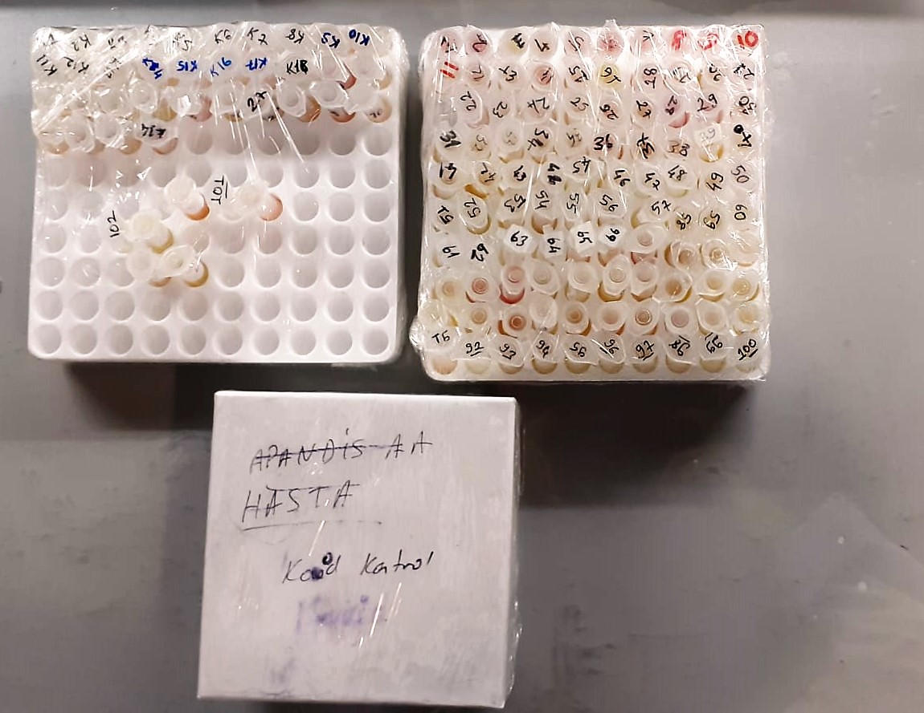

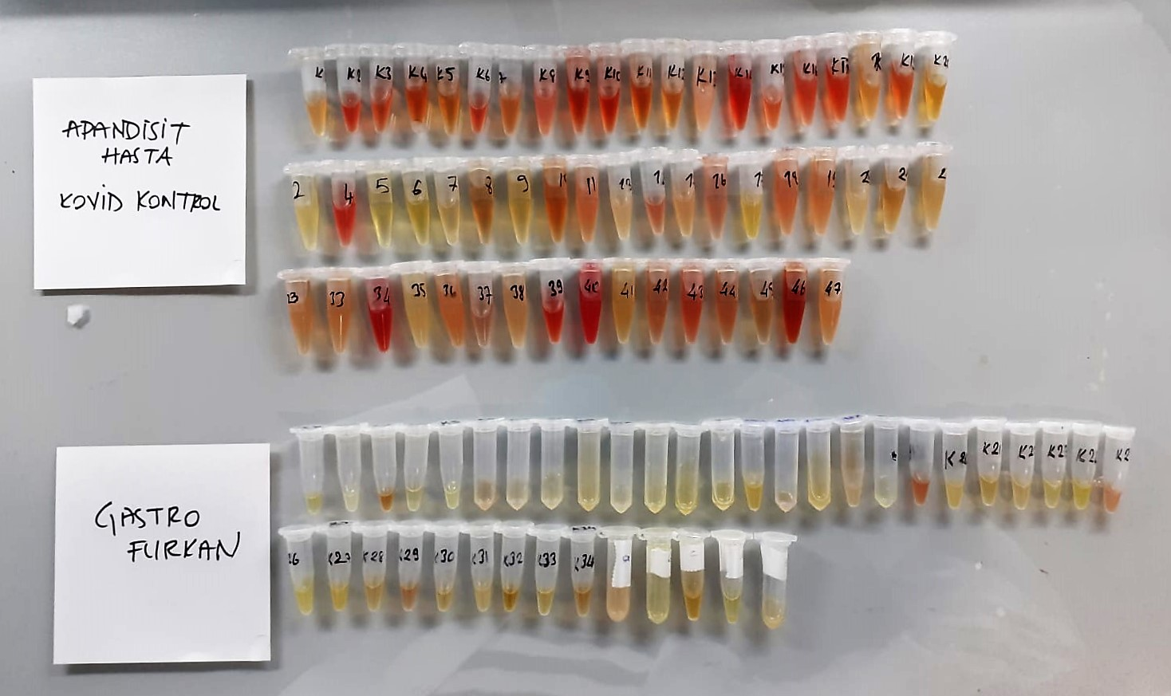

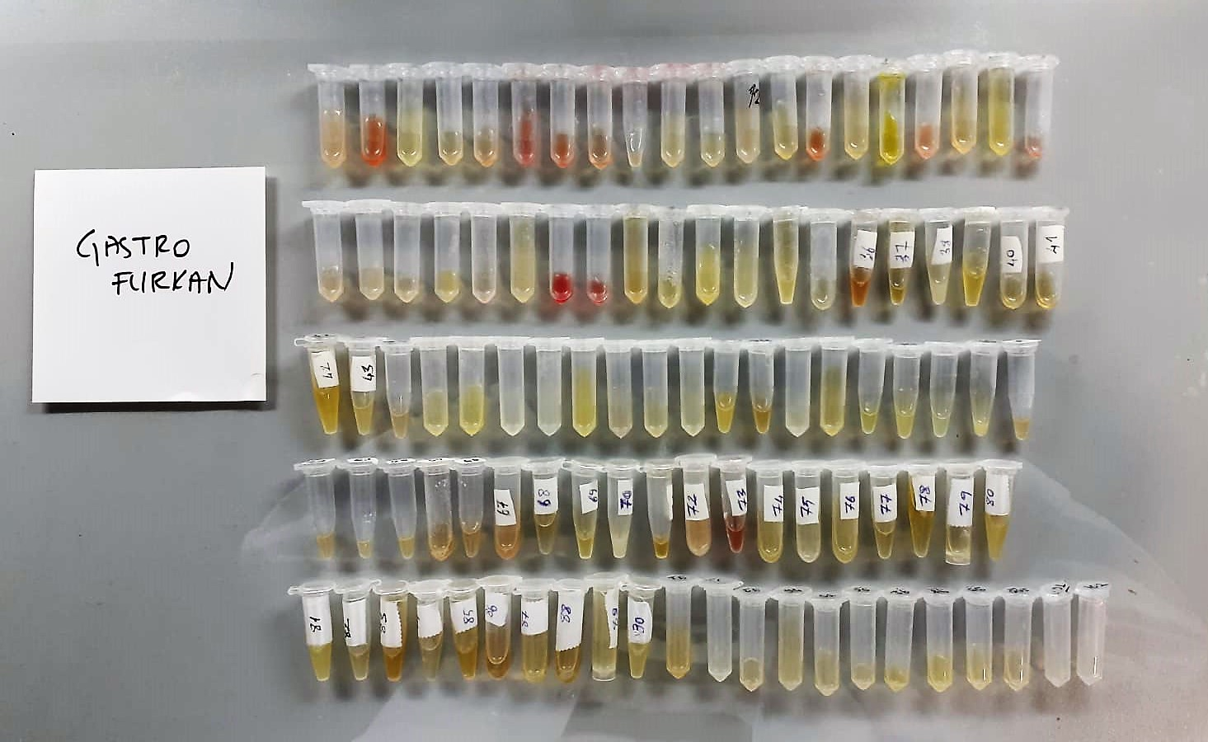

TMAO Assay Principle
This ELISA kit uses the Sandwich-ELISA principle. The micro ELISA plate provided in this kit has been pre-coated with an antibody specific to Human TMAO.
Samples (or Standards) are added to the micro ELISA plate wells and combined with the specific antibody.
Then a biotinylated detection antibody specific for Human TMAO and Avidin--Horseradish Peroxidase (HRP) conjugate are added successively to each micro plate well and incubated. Free components are washed away. The substrate solution is added to each well.
Only those wells that contain Human TMAO, biotinylated detection antibody and Avidin-HRP conjugate will appear blue in color. The enzyme-substrate reaction is terminated by the addition of stop solution and the color turns yellow.
The optical density (OD) is measured spectrophotometrically at a wavelength of 450 nm ± 2 nm. The OD value is proportional to the concentration of Human TMAO.
You can calculate the concentration of Human TMAO in the samples by comparing the OD of the samples to the standard curve.

