IgG
0.197 | 0.883 | 0.961 | 1.243 | 1.588 | 0.452 | 1.1 | 0.714 | 0.524 | 0.902 | 0.859 | 0.425
0.672 | 0.37 | 0.918 | 1.481 | 0.615 | 0.445 | 0.968 | 0.528 | 0.378 | 0.334 | 0.598 | 0.377
1.108 | 0.847 | 0.704 | 0.843 | 0.68 | 0.496 | 0.219 | 0.212 | 0.392 | 0.375 | 0.445 | 0.468
1.396 | 0.282 | 0.489 | 0.221 | 0.278 | 0.437 | 0.481 | 0.216 | 0.189 | 0.351 | 0.352 | 0.342
1.87 | 0.543 | 0.618 | 0.546 | 0.477 | 0.635 | 0.657 | 0.23 | 0.259 | 0.668 | 0.507 | 0.434
0.067 | 0.588 | 0.61 | 0.836 | 0.525 | 0.946 | 0.431 | 0.324 | 0.29 | 0.535 | 0.473 | 0.416
0.522 | 0.348 | 0.258 | 0.284 | 0.368 | 0.874 | 0.455 | 0.145 | 0.228 | 0.55 | 0.377 | 0.512
0.521 | 0.409 | 0.407 | 0.315 | 0.346 | 0.283 | 0.341 | 0.159 | 0.287 | 0.58 | 0.271 | 0.369

IgG

 | abs | abs-blank | expected | result
std1 | 0.197 | 0.13 | 320 | 317.52
std2 | 0.672 | 0.605 | 160 | 166.96
std3 | 1.108 | 1.041 | 80 | 75.18
std4 | 1.396 | 1.329 | 40 | 38.92
std5 | 1.87 | 1.803 | 20 | 21.43
blank | 0.067 | 0 | 0 | 367.91

 |  |  |  |  |  |  |  |  | concentration (ug/ml)

Numune | absorbans | blank | abs-blank | result(ug/ml)
EKİNEZYA-76-0 | 0.522 | 0.067 | 0.455 | 208.81
EKİNEZYA-76-1 | 0.521 | 0.067 | 0.454 | 209.11
EKİNEZYA-76-2 | 0.883 | 0.067 | 0.816 | 117.00
EKİNEZYA-78-0 | 0.37 | 0.067 | 0.303 | 256.58
EKİNEZYA-78-1 | 0.847 | 0.067 | 0.78 | 124.79
EKİNEZYA-78-2 | 0.282 | 0.067 | 0.215 | 286.70
EKİNEZYA-78-3 | 0.543 | 0.067 | 0.476 | 202.64
EKİNEZYA-80-0 | 0.588 | 0.067 | 0.521 | 189.75
EKİNEZYA-80-1 | 0.348 | 0.067 | 0.281 | 263.94
EKİNEZYA-80-2+3 | 0.409 | 0.067 | 0.342 | 243.81
EKİNEZYA-85-0 | 0.961 | 0.067 | 0.894 | 101.16
EKİNEZYA-85-1 | 0.918 | 0.067 | 0.851 | 109.72
EKİNEZYA-85-2 | 0.704 | 0.067 | 0.637 | 158.72
EKİNEZYA-90-0 | 0.489 | 0.067 | 0.422 | 218.72
EKİNEZYA-90-1 | 0.618 | 0.067 | 0.551 | 181.42
EKİNEZYA-90-2 | 0.61 | 0.067 | 0.543 | 183.62
EKİNEZYA-90-3 | 0.258 | 0.067 | 0.191 | 295.23
EKİNEZYA-92-0 | 0.407 | 0.067 | 0.34 | 244.45
EKİNEZYA-92-1 | 1.243 | 0.067 | 1.176 | 55.77
EKİNEZYA-92-2 | 1.481 | 0.067 | 1.414 | 31.92
EKİNEZYA-92-3 | 0.843 | 0.067 | 0.776 | 125.67
EKİNEZYA-93-0 | 0.221 | 0.067 | 0.154 | 308.65
EKİNEZYA-93-1 | 0.546 | 0.067 | 0.479 | 201.76
EKİNEZYA-93-2 | 0.836 | 0.067 | 0.769 | 127.23
EKİNEZYA-93-3 | 0.284 | 0.067 | 0.217 | 286.00
EKİNEZYA-94-0 | 0.315 | 0.067 | 0.248 | 275.19
EKİNEZYA-94-1 | 1.588 | 0.067 | 1.521 | 25.51
EKİNEZYA-94-3 | 0.615 | 0.067 | 0.548 | 182.25
EKİNEZYA-102-2 | 0.68 | 0.067 | 0.613 | 164.88
EKİNEZYA-102-3 | 0.278 | 0.067 | 0.211 | 288.11
EKİNEZYA-106-3 | 0.477 | 0.067 | 0.41 | 222.39
EKİNEZYA-88-0 | 0.525 | 0.067 | 0.458 | 207.92
EKİNEZYA-88-1 | 0.368 | 0.067 | 0.301 | 257.24
EKİNEZYA-88-2 | 0.346 | 0.067 | 0.279 | 264.62
EKİNEZYA-88-3 | 0.452 | 0.067 | 0.385 | 230.14
EKİNEZYA-95-0 | 0.445 | 0.067 | 0.378 | 232.33
EKİNEZYA-95-1 | 0.496 | 0.067 | 0.429 | 216.60
EKİNEZYA-95-2+3 | 0.437 | 0.067 | 0.37 | 234.86
EKİNEZYA-97-0 | 0.635 | 0.067 | 0.568 | 176.80
EKİNEZYA-97-1 | 0.946 | 0.067 | 0.879 | 104.10
EKİNEZYA-97-2 | 0.874 | 0.067 | 0.807 | 118.92
EKİNEZYA-97-3 | 0.283 | 0.067 | 0.216 | 286.35
EKİNEZYA-99-0 | 1.1 | 0.067 | 1.033 | 76.47
EKİNEZYA-99-1 | 0.968 | 0.067 | 0.901 | 99.81
EKİNEZYA-99-3 | 0.219 | 0.067 | 0.152 | 309.38
EKİNEZYA-98-2 | 0.481 | 0.067 | 0.414 | 221.16
EKİNEZYA-98-3 | 0.657 | 0.067 | 0.59 | 170.91
EKİNEZYA-101-3 | 0.431 | 0.067 | 0.364 | 236.76
ÜZÜM-292 | 0.455 | 0.067 | 0.388 | 229.20
ÜZÜM-292-1 | 0.341 | 0.067 | 0.274 | 266.31
ÜZÜM-295 | 0.714 | 0.067 | 0.647 | 156.19
ÜZÜM-295-1 | 0.528 | 0.067 | 0.461 | 207.04
ÜZÜM-296 | 0.212 | 0.067 | 0.145 | 311.96
ÜZÜM-296-1 | 0.216 | 0.067 | 0.149 | 310.48
ÜZÜM-298 | 0.23 | 0.067 | 0.163 | 305.35
ÜZÜM-298-1 | 0.324 | 0.067 | 0.257 | 272.10
ÜZÜM-337 | 0.145 | 0.067 | 0.078 | 337.20
ÜZÜM-337-1 | 0.159 | 0.067 | 0.092 | 331.84
ÜZÜM-919 | 0.524 | 0.067 | 0.457 | 208.22
ÜZÜM-919-2 | 0.378 | 0.067 | 0.311 | 253.93
ÜZÜM-K1 | 0.392 | 0.067 | 0.325 | 249.33
ÜZÜM-629-2 | 0.189 | 0.067 | 0.122 | 320.50
ÜZÜM-S1 | 0.259 | 0.067 | 0.192 | 294.87
ÜZÜM-S1-2 | 0.29 | 0.067 | 0.223 | 283.89
ÜZÜM-75 | 0.228 | 0.067 | 0.161 | 306.08
ÜZÜM-628-2 | 0.287 | 0.067 | 0.22 | 284.94
DAVRANIŞ-6369-0 | 0.902 | 0.067 | 0.835 | 113.01
DAVRANIŞ-6369-1 | 0.334 | 0.067 | 0.267 | 268.68
DAVRANIŞ-6370-0 | 0.375 | 0.067 | 0.308 | 254.92
DAVRANIŞ-6370-1 | 0.351 | 0.067 | 0.284 | 262.93
DAVRANIŞ-6452-0 | 0.668 | 0.067 | 0.601 | 168.01
DAVRANIŞ-6452-1 | 0.535 | 0.067 | 0.468 | 204.98
DAVRANIŞ-6453-0 | 0.55 | 0.067 | 0.483 | 200.60
DAVRANIŞ-6453-1 | 0.58 | 0.067 | 0.513 | 192.01
DAVRANIŞ-6451-0 | 0.859 | 0.067 | 0.792 | 122.16
DAVRANIŞ-6451-1 | 0.598 | 0.067 | 0.531 | 186.95
DAVRANIŞ-6368-0 | 0.445 | 0.067 | 0.378 | 232.33
DAVRANIŞ-6368-1 | 0.352 | 0.067 | 0.285 | 262.59
SON GELENLER-76-0 | 0.507 | 0.067 | 0.44 | 213.29
SON GELENLER-78-0 | 0.473 | 0.067 | 0.406 | 223.62
SON GELENLER-1417-DS | 0.377 | 0.067 | 0.31 | 254.26
SON GELENLER-2385-0 | 0.271 | 0.067 | 0.204 | 290.60
SON GELENLER-2385-DS | 0.425 | 0.067 | 0.358 | 238.67
SON GELENLER-2388-0 | 0.377 | 0.067 | 0.31 | 254.26
SON GELENLER-2388-DS | 0.468 | 0.067 | 0.401 | 225.16
SON GELENLER-2389-DS | 0.342 | 0.067 | 0.275 | 265.97
SON GELENLER-2390-0 | 0.434 | 0.067 | 0.367 | 235.81
SON GELENLER-2390-DS | 0.416 | 0.067 | 0.349 | 241.55
SON GELENLER-2392-0 | 0.512 | 0.067 | 0.445 | 211.79
SON GELENLER-2392-DS | 0.369 | 0.067 | 0.302 | 256.91

MDA
MDA
2.481 | 100
1.673 | 50
0.994 | 25
0.513 | 12.5
0.288 | 6.25
0.122 | 3.125
0 | 0
 | absorbans | abs-blank | expected | result
std1 | 2.511 | 2.481 | 100 | 99.11
std2 | 1.703 | 1.673 | 50 | 52.40
std3 | 1.024 | 0.994 | 25 | 24.30
std4 | 0.543 | 0.513 | 12.5 | 10.55
std5 | 0.318 | 0.288 | 6.25 | 5.87
std6 | 0.152 | 0.122 | 3.125 | 3.14
blank | 0.03 | 0 | 0 | 1.51

 |  |  |  |  | concentratıon (nmol/L)

Numune | absorbans | blank | abs-blank | result(nmol/L)
EKİNEZYA-76-0 | 1.396 | 0.03 | 1.366 | 38.43
EKİNEZYA-76-1 | 0.879 | 0.03 | 0.849 | 19.61
EKİNEZYA-76-2 | 0.905 | 0.03 | 0.875 | 20.42
EKİNEZYA-78-0 | 1.215 | 0.03 | 1.185 | 31.17
EKİNEZYA-78-1 | 0.662 | 0.03 | 0.632 | 13.47
EKİNEZYA-78-2 | 0.266 | 0.03 | 0.236 | 4.95
EKİNEZYA-78-3 | 0.199 | 0.03 | 0.169 | 3.85
EKİNEZYA-80-0 | 0.894 | 0.03 | 0.864 | 20.08
EKİNEZYA-80-1 | 0.661 | 0.03 | 0.631 | 13.45
EKİNEZYA-80-2+3 | 0.653 | 0.03 | 0.623 | 13.24
EKİNEZYA-85-0 | 0.594 | 0.03 | 0.564 | 11.76
EKİNEZYA-85-1 | 0.421 | 0.03 | 0.391 | 7.87
EKİNEZYA-85-2 | 0.649 | 0.03 | 0.619 | 13.14
EKİNEZYA-90-0 | 2.047 | 0.03 | 2.017 | 70.53
EKİNEZYA-90-1 | 1.849 | 0.03 | 1.819 | 59.78
EKİNEZYA-90-2 | 1.801 | 0.03 | 1.771 | 57.30
EKİNEZYA-90-3 | 0.478 | 0.03 | 0.448 | 9.08
EKİNEZYA-92-0 | 0.753 | 0.03 | 0.723 | 15.92
EKİNEZYA-92-1 | 0.485 | 0.03 | 0.455 | 9.24
EKİNEZYA-92-2 | 0.311 | 0.03 | 0.281 | 5.74
EKİNEZYA-92-3 | 0.322 | 0.03 | 0.292 | 5.94
EKİNEZYA-93-0 | 0.347 | 0.03 | 0.317 | 6.41
EKİNEZYA-93-1 | 0.237 | 0.03 | 0.207 | 4.46
EKİNEZYA-93-2 | 0.214 | 0.03 | 0.184 | 4.09
EKİNEZYA-93-3 | 0.316 | 0.03 | 0.286 | 5.83
EKİNEZYA-94-0 | 0.687 | 0.03 | 0.657 | 14.13
EKİNEZYA-94-1 | 0.48 | 0.03 | 0.45 | 9.13
EKİNEZYA-94-3 | 0.462 | 0.03 | 0.432 | 8.74
EKİNEZYA-102-2 | 1.58 | 0.03 | 1.55 | 46.56
EKİNEZYA-102-3 | 1.223 | 0.03 | 1.193 | 31.48
EKİNEZYA-106-3 | 2.006 | 0.03 | 1.976 | 68.23
EKİNEZYA-88-0 | 0.977 | 0.03 | 0.947 | 22.73
EKİNEZYA-88-1 | 1.201 | 0.03 | 1.171 | 30.64
EKİNEZYA-88-2 | 0.335 | 0.03 | 0.305 | 6.18
EKİNEZYA-88-3 | 0.23 | 0.03 | 0.2 | 4.34
EKİNEZYA-95-0 | 0.962 | 0.03 | 0.932 | 22.24
EKİNEZYA-95-1 | 0.353 | 0.03 | 0.323 | 6.52
EKİNEZYA-95-2+3 | 0.486 | 0.03 | 0.456 | 9.26
EKİNEZYA-97-0 | 1.306 | 0.03 | 1.276 | 34.73
EKİNEZYA-97-1 | 0.24 | 0.03 | 0.21 | 4.51
EKİNEZYA-97-2 | 0.558 | 0.03 | 0.528 | 10.90
EKİNEZYA-97-3 | 0.537 | 0.03 | 0.507 | 10.41
EKİNEZYA-99-0 | 1.186 | 0.03 | 1.156 | 30.08
EKİNEZYA-99-1 | 0.564 | 0.03 | 0.534 | 11.04
EKİNEZYA-99-3 | 1.27 | 0.03 | 1.24 | 33.30
EKİNEZYA-98-2 | 1.043 | 0.03 | 1.013 | 24.95
EKİNEZYA-98-3 | 0.62 | 0.03 | 0.59 | 12.41
EKİNEZYA-101-3 | 0.39 | 0.03 | 0.36 | 7.25
ÜZÜM-292 | 0.91 | 0.03 | 0.88 | 20.58
ÜZÜM-292-1 | 0.632 | 0.03 | 0.602 | 12.71
ÜZÜM-295 | 0.294 | 0.03 | 0.264 | 5.44
ÜZÜM-295-1 | 0.553 | 0.03 | 0.523 | 10.78
ÜZÜM-296 | 0.401 | 0.03 | 0.371 | 7.47
ÜZÜM-296-1 | 0.458 | 0.03 | 0.428 | 8.65
ÜZÜM-298 | 0.366 | 0.03 | 0.336 | 6.77
ÜZÜM-298-1 | 0.573 | 0.03 | 0.543 | 11.26
ÜZÜM-337 | 0.856 | 0.03 | 0.826 | 18.91
ÜZÜM-337-1 | 0.66 | 0.03 | 0.63 | 13.42
ÜZÜM-919 | 0.72 | 0.03 | 0.69 | 15.01
ÜZÜM-919-2 | 0.746 | 0.03 | 0.716 | 15.73
ÜZÜM-K1 | 1.3 | 0.03 | 1.27 | 34.49
ÜZÜM-629-2 | 0.925 | 0.03 | 0.895 | 21.05
ÜZÜM-S1 | 0.501 | 0.03 | 0.471 | 9.59
ÜZÜM-S1-2 | 0.431 | 0.03 | 0.401 | 8.08
ÜZÜM-75 | 0.319 | 0.03 | 0.289 | 5.89
ÜZÜM-628-2 | 0.558 | 0.03 | 0.528 | 10.90
DAVRANIŞ-6369-0 | 0.898 | 0.03 | 0.868 | 20.20
DAVRANIŞ-6369-1 | 0.369 | 0.03 | 0.339 | 6.83
DAVRANIŞ-6370-0 | 0.554 | 0.03 | 0.524 | 10.81
DAVRANIŞ-6370-1 | 0.472 | 0.03 | 0.442 | 8.95
DAVRANIŞ-6452-0 | 0.656 | 0.03 | 0.626 | 13.32
DAVRANIŞ-6452-1 | 0.577 | 0.03 | 0.547 | 11.35
DAVRANIŞ-6453-0 | 0.573 | 0.03 | 0.543 | 11.26
DAVRANIŞ-6453-1 | 1.615 | 0.03 | 1.585 | 48.19
DAVRANIŞ-6451-0 | 1.94 | 0.03 | 1.91 | 64.61
DAVRANIŞ-6451-1 | 1.846 | 0.03 | 1.816 | 59.62
DAVRANIŞ-6368-0 | 2.061 | 0.03 | 2.031 | 71.32
DAVRANIŞ-6368-1 | 0.589 | 0.03 | 0.559 | 11.64
SON GELENLER-76-0 | 0.81 | 0.03 | 0.78 | 17.55
SON GELENLER-78-0 | 1.142 | 0.03 | 1.112 | 28.45
SON GELENLER-1417-DS | 1.011 | 0.03 | 0.981 | 23.86
SON GELENLER-2385-0 | 0.803 | 0.03 | 0.773 | 17.35
SON GELENLER-2385-DS | 1.573 | 0.03 | 1.543 | 46.23
SON GELENLER-2388-0 | 0.492 | 0.03 | 0.462 | 9.39
SON GELENLER-2388-DS | 0.685 | 0.03 | 0.655 | 14.08
SON GELENLER-2389-DS | 1.035 | 0.03 | 1.005 | 24.67
SON GELENLER-2390-0 | 1.491 | 0.03 | 1.461 | 42.53
SON GELENLER-2390-DS | 1.126 | 0.03 | 1.096 | 27.87
SON GELENLER-2392-0 | 2.074 | 0.03 | 2.044 | 72.06
SON GELENLER-2392-DS | 0.854 | 0.03 | 0.824 | 18.85

Materyal-metod
KİT ADI | TÜR | MARKA | CAT. NO | Yöntem | Kullanılan Cihaz
SOD: Super Oxıde Dismutase | Universal | Otto Scientific | Otto3047 | Kolorimetrik | MINDRAY-BS400
GPx: Glutathione Peroxidase | Universal | Otto Scientific | Otto2085 | Kolorimetrik | MINDRAY-BS400
MDA: Malondialdehit | Universal | Otto Scientific | Otto1001 | Kolorimetrik | REL BIOCHEM-REL ASSAY
CAT: Catalase | Universal | Elabscience | E-BC-K031-S | Kolorimetrik | REL BIOCHEM-REL ASSAY
TAS(Total Antioxidant Status) | Universal | REL ASSAY | RL0017 | Kolorimetrik | MINDRAY-BS400
TOS(Total Oxidant Status) | Universal | REL ASSAY | RL0024 | Kolorimetrik | MINDRAY-BS400
PON-1: Paraoxanase-1 | Universal | REL ASSAY | RL0031 | Kolorimetrik | MINDRAY BS-400
Immunoglobulin A | Universal | Otto Scientific | OttoBC146 | Kolorimetrik | MINDRAY-BS400
Immunoglobulin M | Universal | Otto Scientific | OttoBC149 | Kolorimetrik | MINDRAY-BS401
Immunoglobulin G | Bovine | BT-Lab | EA0005BO | ELİSA | Mıcroplate reader: BIO-TEK EL X 800-Aotu strıp washer:BIO TEK EL X 50

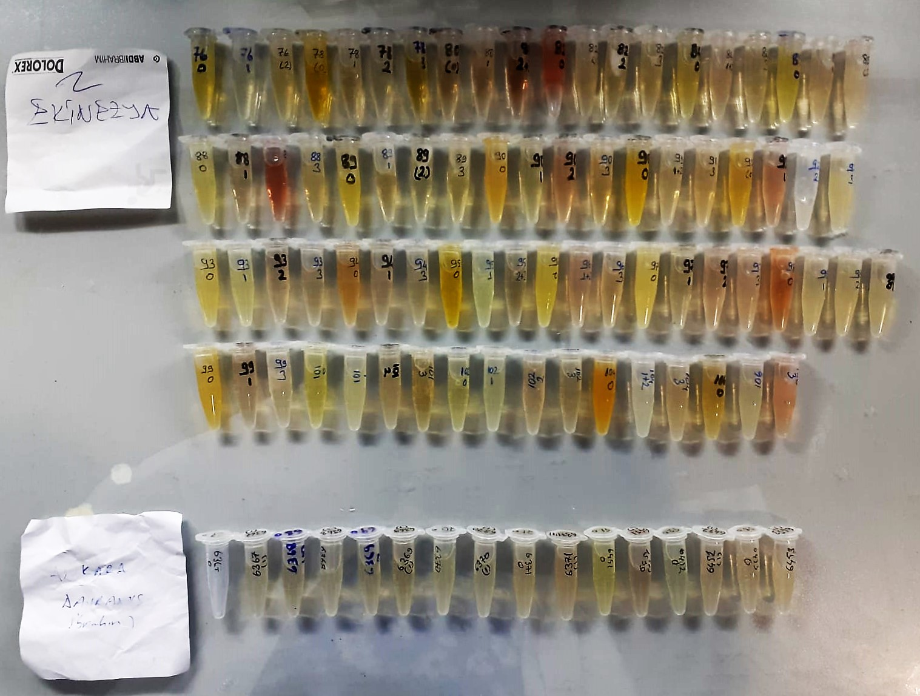

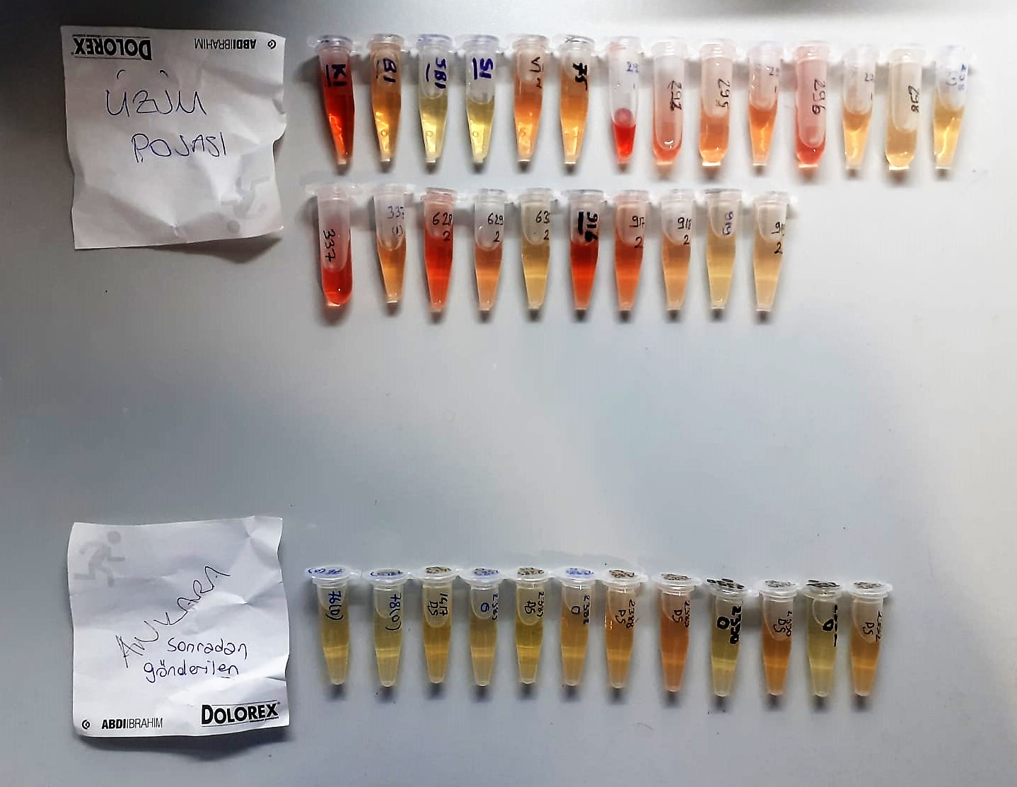

TOTAL ANTIOXDANT STATUS (TAS) (mmol/L)
TAS levels were measured using commercially available kits (Relassay, Turkey). The novel
automated method is based on the bleaching of characteristic color of a more stable ABTS
(2,2 ′ - Azino-bis(3-ethylbenzothiazoline-6-sulfonic acid)) radical cation by antioxidants. The
assay has excellent precision values, which are lower than 3%. The results were expressed as
mmol Trolox equivalent/L (Erel O. A novel automated direct measurement method for total
antioxidant capacity using a new generation, more stable ABTS radicalcation. Clin Biochem
2004;37:277-85.)
(Relassay,Turkey)

TOTAL OXIDANT STATUS (TOS) (µmol/L)
TOS levels were measured using commercially available kits (Relassay, Turkey. In the new
method, oxidants present in the sample oxidized the ferrous ion-o-dianisidine complex to
ferric ion. The oxidation reaction was enhanced by glycerol molecules abundantly present in
the reaction medium. The ferric ion produced a colored complex with xylenol orange in an
acidic medium. The color intensity, which could be measured spectrophotometrically, was
related to the total amount of oxidant molecules present in the sample. The assay was
calibrated with hydrogen peroxide and the results were expressed in terms of
micromolar hydrogen peroxide equivalent per liter (μmol H2O2 equivalent/L). ( Erel O. A
new automated colorimetric method for measuringtotal oxidant status. Clin Biochem
2005;38:1103-11. ).
(Relassay,Turkey)

OXIDATIVE STRESS INDEX (OSI)
The ratio of TOS to TAS was accepted as the oxidative stress index (OSI). For calculation, the
resulting unit of TAS was converted to μmol/L, and the OSI value was calculated according to
the following Formula : OSI (arbitrary unit) =
TOS (μmol H2O2 equivalent/L) / TAC (μmol Trolox equivalent/L). (1-3).
1. Yumru M, Savas HA, Kalenderoglu A, Bulut M, Celik H, Erel O. Oxidative imbalance in
bipolar disorder subtypes: a comparative study. Prog Neuropsychopharmacol Biol Psychiatry.
2009 Aug 31;33(6):1070-4.
2. Kosecik M, Erel O, Sevinc E, Selek S. Increased oxidative stress in children exposed to
passive smoking. Int J Cardiol 2005;100:61–4.
3. (Harma M, Harma M, Erel O (2003) Increased oxidative stress in patients with
hydatidiform mole. Swiss Med Wkly 133:563-536).

Malondialdehyde (MDA) nmol/L
The MDA level was determined by a method based
on the reaction with thiobarbituric acid (TBA) at 90–100_C
. In the TBA test reaction, MDA or MDA-like
substances and TBA react with the production of a pink
pigment with a maximum absorption at 532 nm. The
reaction was performed at pH 2–3 at 90_C for 15 min. The
sample was mixed with two volumes of cold 10% (w/v)
trichloroacetic acid for the precipitation of protein. The
precipitate was pelleted by centrifugation, and an aliquot of
the supernatant was reacted with an equal volume of 0.67%
(w/v) TBA in a boiling water bath for 10 min. After
cooling, the absorbance was read at 532 nm.

Super Oxide Dismutase (SOD) U/ml
The role of speroxide dismutase is to accelerate the dismutation of the toxic radical, produced
during oxidative energy processes to hydrogen peroxide and molecular oxygen. This method
employs xanthine and xanthine oxidase to generate superoxide radicals which react with 2-(4-
iodophenyl)-3-(4-nitrophenol)-5-phenyltetrazolium chloride to form a red formazan dye.. the
superoxide dismutase activity is then measured by the degree of inhibiton of this reaction

GPx (U/L)
This method is based on that of Paglia and Valentine. Glutathione Peroxidase (GPx) catalses of the
oxidation of glutathione by cumene hydroperoxide. In the presence of glutathione (GSSG) is
immediately converted to the reduced form with a concomitant oxidation of NADPH to NADP. The decrease in absorbance at 340 nm is measured
Referanslar
Paglia, D.E. and Valentine, W.N., J. Lab. Clin. Med., 1967; 70: 158.
Prohaska, J.R., Oh, S.H., Hoekstra, W.G. & Ganther,
H.E. Biochem. & Biophys. Res. Comm. 1977; 74: 64.
Kraus, R.J. & Ganther, H. E. Biochem. & Biophys. Res. Comm 1980; 96: 1116.

Catalase Assay Principle
The reaction that catalase (CAT) decomposes H2O2 can be quickly stopped by ammonium molybdate. The residual H2O2 reacts with ammonium molybdate to generate a yellowish complex.
CAT activity can be calculated by production of the yellowish complex at 405 nm.

Paraoxonase-1 PON-1) U/L
Measurement of paraoxonase activity;
Paraoxonase activity was measured using
commercially available kits (Relassay, Turkey).
The rate of paraoxon hydrolysis (diethylpnitrophenylphosphate)
was measured by monitoring the increase of
absorption at 412 nm at 37 °C. The amount of generated p-nitrophenol
was calculated from the molar absorption coefficient at pH 8.5, which
was 18.290 M−1 cm−1 Paraoxonase activity was expressed as U/L serum

lgA mg/dL
Immunoglobulins A (IgA) selectively react with an anti-IgA antibody and form an immunocomplex.
The produced turbidity is proportional to the concentration of IgA in the sample, and can be measured at the wavelenght of 600 nm
(Otto Scientific)

lgM mg/dL
Immunoglobulins M (IgM) selectively react with an antiIgM antibody and form an immunocomplex.
The produced turbidity is proportional to the concentration of IgM in the sample, and can be measured at the wavelenght of 340 nm.
(Otto Scientific)

Immunoglobulin G Assay Principle
This kit is an enzyme -linked ımmunosorbent assay.(elisa). Add samples to the wells pre-coated with a monoclonal antibody.
Then biotin-conjugated target antigen are added to the wells. The antigens in the standards or sample compete with the biotin-conjugated antigen to the bind to the capture antibody and incubate.
Unbound antigen is washed away during a washing step.An avidin-HRP is then added and then incubate.Unbound avidin hrp is washed away during a washing step.TMB Subsrate is then added and color develops.
The reaction is stopped by addition of acidic stop solution and color changes into yellow that can be measured at 450 nm. The intensity of the color developed in inversely proportional to the concentration of in the sample.
The concentratıon of IgG in the sample is then determined by comparing the O.D of the samples to the standard curve.

