Beclin1
2.84 | 0.44 | 0.588 | 0.598 | 0.78 | 0.787 | 0.828
1.857 | 0.43 | 0.508 | 0.512 | 0.555 | 0.714 | 0.828
1.04 | 0.423 | 0.458 | 0.502 | 0.485 | 0.647 | 0.861
0.625 | 0.419 | 0.485 | 0.523 | 0.432 | 0.611 | 0.761
0.421 | 0.385 | 0.44 | 0.471 | 0.435 | 0.617 | 0.513
0.327 | 0.358 | 0.438 | 0.447 | 0.449 | 0.567 | 0.567
0.135 | 0.459 | 0.459 | 0.381 | 0.502 | 0.622 | 0.518
BECN1
0.323 | 0.607 | 0.516 | 0.493 | 0.571 | 0.805 | 0.496

 | abs | abs-blank | expected | result
std1 | 2.84 | 2.705 | 24 | 23.83
std2 | 1.857 | 1.722 | 12 | 12.58
std3 | 1.04 | 0.905 | 6 | 5.51
std4 | 0.625 | 0.49 | 3 | 2.70
std5 | 0.421 | 0.286 | 1.5 | 1.52
std6 | 0.327 | 0.192 | 0.75 | 1.02
blank | 0.135 | 0 | 0 | 0.09
 |  |  |  |  |  |  | concentration (ng/ml)

Numune | absorbans | blank | abs-blank | result(ng/ml)
GE-1 | 0.44 | 0.135 | 0.305 | 1.63
GE-2 | 0.43 | 0.135 | 0.295 | 1.57
GE-3 | 0.423 | 0.135 | 0.288 | 1.53
GE-4 | 0.419 | 0.135 | 0.284 | 1.51
GE-5 | 0.385 | 0.135 | 0.25 | 1.33
GE-6 | 0.358 | 0.135 | 0.223 | 1.19
GET-1 | 0.459 | 0.135 | 0.324 | 1.73
GET-2 | 0.607 | 0.135 | 0.472 | 2.60
GET-3 | 0.588 | 0.135 | 0.453 | 2.48
GET-4 | 0.508 | 0.135 | 0.373 | 2.01
GET-5 | 0.458 | 0.135 | 0.323 | 1.73
GET-6 | 0.485 | 0.135 | 0.35 | 1.88
YE-1 | 0.44 | 0.135 | 0.305 | 1.63
YE-2 | 0.438 | 0.135 | 0.303 | 1.62
YE-3 | 0.459 | 0.135 | 0.324 | 1.73
YE-4 | 0.516 | 0.135 | 0.381 | 2.06
YE-5 | 0.598 | 0.135 | 0.463 | 2.54
YE-6 | 0.512 | 0.135 | 0.377 | 2.03
YET-1 | 0.502 | 0.135 | 0.367 | 1.98
YET-2 | 0.523 | 0.135 | 0.388 | 2.10
YET-3 | 0.471 | 0.135 | 0.336 | 1.80
YET-4 | 0.447 | 0.135 | 0.312 | 1.67
YET-5 | 0.381 | 0.135 | 0.246 | 1.31
YET-6 | 0.493 | 0.135 | 0.358 | 1.93
GD-1 | 0.78 | 0.135 | 0.645 | 3.69
GD-2 | 0.555 | 0.135 | 0.42 | 2.29
GD-3 | 0.485 | 0.135 | 0.35 | 1.88
GD-4 | 0.432 | 0.135 | 0.297 | 1.58
GD-5 | 0.435 | 0.135 | 0.3 | 1.60
GD-6 | 0.449 | 0.135 | 0.314 | 1.68
GDT-1 | 0.502 | 0.135 | 0.367 | 1.98
GDT-2 | 0.571 | 0.135 | 0.436 | 2.38
GDT-3 | 0.787 | 0.135 | 0.652 | 3.73
GDT-4 | 0.714 | 0.135 | 0.579 | 3.26
GDT-5 | 0.647 | 0.135 | 0.512 | 2.84
GDT-6 | 0.611 | 0.135 | 0.476 | 2.62
YD-1 | 0.617 | 0.135 | 0.482 | 2.66
YD-2 | 0.567 | 0.135 | 0.432 | 2.36
YD-3 | 0.622 | 0.135 | 0.487 | 2.69
YD-4 | 0.805 | 0.135 | 0.67 | 3.85
YD-5 | 0.828 | 0.135 | 0.693 | 4.01
YD-6 | 0.828 | 0.135 | 0.693 | 4.01
YDT-1 | 0.861 | 0.135 | 0.726 | 4.23
YDT-2 | 0.761 | 0.135 | 0.626 | 3.56
YDT-3 | 0.513 | 0.135 | 0.378 | 2.04
YDT-4 | 0.567 | 0.135 | 0.432 | 2.36
YDT-5 | 0.518 | 0.135 | 0.383 | 2.07
YDT-6 | 0.496 | 0.135 | 0.361 | 1.94

LC3B
2.319 | 0.433 | 0.513 | 0.588 | 0.591 | 0.551 | 0.581
1.497 | 0.352 | 0.475 | 0.501 | 0.566 | 0.591 | 0.591
0.981 | 0.327 | 0.461 | 0.423 | 0.551 | 0.626 | 0.848
0.57 | 0.319 | 0.471 | 0.433 | 0.474 | 0.656 | 0.723
0.393 | 0.367 | 0.488 | 0.402 | 0.459 | 0.637 | 0.632
0.209 | 0.368 | 0.513 | 0.399 | 0.416 | 0.581 | 0.701
0.062 | 0.524 | 0.567 | 0.42 | 0.426 | 0.699 | 0.635
LC3B
0.455 | 0.588 | 0.725 | 0.541 | 0.493 | 0.835 | 0.442

 | abs | abs-blank | expected | result
std1 | 2.319 | 2.257 | 4000 | 4005.53
std2 | 1.497 | 1.435 | 2000 | 1974.42
std3 | 0.981 | 0.919 | 1000 | 1034.49
std4 | 0.57 | 0.508 | 500 | 470.74
std5 | 0.393 | 0.331 | 250 | 278.46
std6 | 0.209 | 0.147 | 125 | 110.82
blank | 0.062 | 0 | 0 | 0.51 |  |  | concentratıon (ng/L)

Numune | absorbans | blank | abs-blank | result(ng/L)
GE-1 | 0.433 | 0.062 | 0.371 | 319.25
GE-2 | 0.352 | 0.062 | 0.29 | 238.26
GE-3 | 0.327 | 0.062 | 0.265 | 214.55
GE-4 | 0.319 | 0.062 | 0.257 | 207.09
GE-5 | 0.367 | 0.062 | 0.305 | 252.78
GE-6 | 0.368 | 0.062 | 0.306 | 253.76
GET-1 | 0.524 | 0.062 | 0.462 | 417.84
GET-2 | 0.588 | 0.062 | 0.526 | 491.99
GET-3 | 0.513 | 0.062 | 0.451 | 405.50
GET-4 | 0.475 | 0.062 | 0.413 | 363.76
GET-5 | 0.461 | 0.062 | 0.399 | 348.73
GET-6 | 0.471 | 0.062 | 0.409 | 359.44
YE-1 | 0.488 | 0.062 | 0.426 | 377.88
YE-2 | 0.513 | 0.062 | 0.451 | 405.50
YE-3 | 0.567 | 0.062 | 0.505 | 467.22
YE-4 | 0.725 | 0.062 | 0.663 | 664.09
YE-5 | 0.588 | 0.062 | 0.526 | 491.99
YE-6 | 0.501 | 0.062 | 0.439 | 392.16
YET-1 | 0.423 | 0.062 | 0.361 | 308.91
YET-2 | 0.433 | 0.062 | 0.371 | 319.25
YET-3 | 0.402 | 0.062 | 0.34 | 287.50
YET-4 | 0.399 | 0.062 | 0.337 | 284.48
YET-5 | 0.42 | 0.062 | 0.358 | 305.83
YET-6 | 0.541 | 0.062 | 0.479 | 437.15
GD-1 | 0.591 | 0.062 | 0.529 | 495.57
GD-2 | 0.566 | 0.062 | 0.504 | 466.05
GD-3 | 0.551 | 0.062 | 0.489 | 448.64
GD-4 | 0.474 | 0.062 | 0.412 | 362.68
GD-5 | 0.459 | 0.062 | 0.397 | 346.60
GD-6 | 0.416 | 0.062 | 0.354 | 301.73
GDT-1 | 0.426 | 0.062 | 0.364 | 312.00
GDT-2 | 0.493 | 0.062 | 0.431 | 383.35
GDT-3 | 0.551 | 0.062 | 0.489 | 448.64
GDT-4 | 0.591 | 0.062 | 0.529 | 495.57
GDT-5 | 0.626 | 0.062 | 0.564 | 537.90
GDT-6 | 0.656 | 0.062 | 0.594 | 575.13
YD-1 | 0.637 | 0.062 | 0.575 | 551.45
YD-2 | 0.581 | 0.062 | 0.519 | 483.69
YD-3 | 0.699 | 0.062 | 0.637 | 630.02
YD-4 | 0.835 | 0.062 | 0.773 | 815.45
YD-5 | 0.581 | 0.062 | 0.519 | 483.69
YD-6 | 0.591 | 0.062 | 0.529 | 495.57
YDT-1 | 0.848 | 0.062 | 0.786 | 834.11
YDT-2 | 0.723 | 0.062 | 0.661 | 661.44
YDT-3 | 0.632 | 0.062 | 0.57 | 545.28
YDT-4 | 0.701 | 0.062 | 0.639 | 632.62
YDT-5 | 0.635 | 0.062 | 0.573 | 548.98
YDT-6 | 0.442 | 0.062 | 0.38 | 328.65

TNF-A
1.531 | 0.653 | 1.188 | 1.309 | 1.181 | 1.331 | 1.049
0.932 | 0.595 | 0.962 | 1.08 | 0.89 | 0.842 | 1.002
0.509 | 0.708 | 1.066 | 0.989 | 0.907 | 1.115 | 1.208
0.344 | 0.666 | 0.851 | 0.863 | 1.035 | 0.998 | 1.498
0.205 | 1.103 | 1.082 | 0.936 | 1.377 | 1.114 | 1.088
0.086 | 0.652 | 1.035 | 1.056 | 1.399 | 1.081 | 1.43
0.086 | 0.754 | 1.042 | 1.312 | 1.79 | 1.001 | 1.529
TNF-A
0.627 | 0.986 | 1.158 | 1.448 | 1.823 | 1.033 | 1.48

 | abs | abs-blank | expected | result
std1 | 1.531 | 1.445 | 640 | 638.47
std2 | 0.932 | 0.846 | 320 | 327.02
std3 | 0.509 | 0.423 | 160 | 147.48
std4 | 0.344 | 0.258 | 80 | 86.52
std5 | 0.205 | 0.119 | 40 | 39.12
blank | 0.086 | 0 | 0 | 1.40

 |  |  |  |  |  |  | concentratıon (ng/L)

Numune | absorbans | blank | abs-blank | result(ng/L)
GE-1 | 0.653 | 0.086 | 0.567 | 204.85
GE-2 | 0.595 | 0.086 | 0.509 | 181.28
GE-3 | 0.708 | 0.086 | 0.622 | 227.78
GE-4 | 0.666 | 0.086 | 0.58 | 210.22
GE-5 | 1.103 | 0.086 | 1.017 | 409.09
GE-6 | 0.652 | 0.086 | 0.566 | 204.43
GET-1 | 0.754 | 0.086 | 0.668 | 247.39
GET-2 | 0.986 | 0.086 | 0.9 | 352.34
GET-3 | 1.188 | 0.086 | 1.102 | 451.92
GET-4 | 0.962 | 0.086 | 0.876 | 341.02
GET-5 | 1.066 | 0.086 | 0.98 | 390.87
GET-6 | 0.851 | 0.086 | 0.765 | 290.05
YE-1 | 1.082 | 0.086 | 0.996 | 398.72
YE-2 | 1.035 | 0.086 | 0.949 | 375.80
YE-3 | 1.042 | 0.086 | 0.956 | 379.18
YE-4 | 1.158 | 0.086 | 1.072 | 436.65
YE-5 | 1.309 | 0.086 | 1.223 | 515.22
YE-6 | 1.08 | 0.086 | 0.994 | 397.73
YET-1 | 0.989 | 0.086 | 0.903 | 353.77
YET-2 | 0.863 | 0.086 | 0.777 | 295.45
YET-3 | 0.936 | 0.086 | 0.85 | 328.87
YET-4 | 1.056 | 0.086 | 0.97 | 385.99
YET-5 | 1.312 | 0.086 | 1.226 | 516.82
YET-6 | 1.448 | 0.086 | 1.362 | 591.31
GD-1 | 1.181 | 0.086 | 1.095 | 448.34
GD-2 | 0.89 | 0.086 | 0.804 | 307.70
GD-3 | 0.907 | 0.086 | 0.821 | 315.48
GD-4 | 1.035 | 0.086 | 0.949 | 375.80
GD-5 | 1.377 | 0.086 | 1.291 | 551.99
GD-6 | 1.399 | 0.086 | 1.313 | 564.08
GDT-1 | 1.79 | 0.086 | 1.704 | 793.91
GDT-2 | 1.823 | 0.086 | 1.737 | 814.62
GDT-3 | 1.331 | 0.086 | 1.245 | 527.02
GDT-4 | 0.842 | 0.086 | 0.756 | 286.02
GDT-5 | 1.115 | 0.086 | 1.029 | 415.05
GDT-6 | 0.998 | 0.086 | 0.912 | 358.05
YD-1 | 1.114 | 0.086 | 1.028 | 414.56
YD-2 | 1.081 | 0.086 | 0.995 | 398.22
YD-3 | 1.001 | 0.086 | 0.915 | 359.48
YD-4 | 1.033 | 0.086 | 0.947 | 374.83
YD-5 | 1.049 | 0.086 | 0.963 | 382.58
YD-6 | 1.002 | 0.086 | 0.916 | 359.95
YDT-1 | 1.208 | 0.086 | 1.122 | 462.19
YDT-2 | 1.498 | 0.086 | 1.412 | 619.57
YDT-3 | 1.088 | 0.086 | 1.002 | 401.67
YDT-4 | 1.43 | 0.086 | 1.344 | 581.26
YDT-5 | 1.529 | 0.086 | 1.443 | 637.32
YDT-6 | 1.48 | 0.086 | 1.394 | 609.34

IL-1BETA
2.316 | 0.399 | 0.536 | 0.513 | 0.913 | 0.861 | 0.985
1.231 | 0.313 | 0.446 | 0.412 | 0.663 | 0.72 | 0.594
0.73 | 0.321 | 0.437 | 0.367 | 0.588 | 0.683 | 0.632
0.444 | 0.304 | 0.401 | 0.36 | 0.504 | 0.66 | 0.591
0.312 | 0.483 | 0.398 | 0.327 | 0.51 | 0.593 | 0.583
0.222 | 0.291 | 0.394 | 0.363 | 0.523 | 0.602 | 0.575
0.13 | 0.384 | 0.382 | 0.356 | 0.531 | 0.686 | 0.569
0.281 | 0.452 | 0.226 | 0.327 | 0.628 | 0.632 | 0.535

IL-1B

 | abs | abs-blank | expected | result
std1 | 2.316 | 2.186 | 80 | 80.17
std2 | 1.231 | 1.101 | 40 | 39.09
std3 | 0.73 | 0.6 | 20 | 20.70
std4 | 0.444 | 0.314 | 10 | 10.36
std5 | 0.312 | 0.182 | 5 | 5.63
std6 | 0.222 | 0.092 | 2.5 | 2.42
blank | 0.13 | 0 | 0 | -0.86

 |  |  |  |  |  |  | concentration (ng/ml)

Numune | absorbans | blank | abs-blank | result(ng/ml)
GE-1 | 0.399 | 0.13 | 0.269 | 8.74
GE-2 | 0.313 | 0.13 | 0.183 | 5.66
GE-3 | 0.321 | 0.13 | 0.191 | 5.95
GE-4 | 0.304 | 0.13 | 0.174 | 5.34
GE-5 | 0.483 | 0.13 | 0.353 | 11.76
GE-6 | 0.291 | 0.13 | 0.161 | 4.88
GET-1 | 0.384 | 0.13 | 0.254 | 8.21
GET-2 | 0.452 | 0.13 | 0.322 | 10.65
GET-3 | 0.536 | 0.13 | 0.406 | 13.67
GET-4 | 0.446 | 0.13 | 0.316 | 10.43
GET-5 | 0.437 | 0.13 | 0.307 | 10.11
GET-6 | 0.401 | 0.13 | 0.271 | 8.81
YE-1 | 0.398 | 0.13 | 0.268 | 8.71
YE-2 | 0.394 | 0.13 | 0.264 | 8.56
YE-3 | 0.382 | 0.13 | 0.252 | 8.13
YE-4 | 0.226 | 0.13 | 0.096 | 2.56
YE-5 | 0.513 | 0.13 | 0.383 | 12.84
YE-6 | 0.412 | 0.13 | 0.282 | 9.21
YET-1 | 0.367 | 0.13 | 0.237 | 7.60
YET-2 | 0.36 | 0.13 | 0.23 | 7.34
YET-3 | 0.327 | 0.13 | 0.197 | 6.16
YET-4 | 0.363 | 0.13 | 0.233 | 7.45
YET-5 | 0.356 | 0.13 | 0.226 | 7.20
YET-6 | 0.327 | 0.13 | 0.197 | 6.16
GD-1 | 0.913 | 0.13 | 0.783 | 27.37
GD-2 | 0.663 | 0.13 | 0.533 | 18.26
GD-3 | 0.588 | 0.13 | 0.458 | 15.55
GD-4 | 0.504 | 0.13 | 0.374 | 12.52
GD-5 | 0.51 | 0.13 | 0.38 | 12.73
GD-6 | 0.523 | 0.13 | 0.393 | 13.20
GDT-1 | 0.531 | 0.13 | 0.401 | 13.49
GDT-2 | 0.628 | 0.13 | 0.498 | 17.00
GDT-3 | 0.861 | 0.13 | 0.731 | 25.47
GDT-4 | 0.72 | 0.13 | 0.59 | 20.33
GDT-5 | 0.683 | 0.13 | 0.553 | 18.99
GDT-6 | 0.66 | 0.13 | 0.53 | 18.16
YD-1 | 0.593 | 0.13 | 0.463 | 15.73
YD-2 | 0.602 | 0.13 | 0.472 | 16.06
YD-3 | 0.686 | 0.13 | 0.556 | 19.10
YD-4 | 0.632 | 0.13 | 0.502 | 17.14
YD-5 | 0.985 | 0.13 | 0.855 | 30.01
YD-6 | 0.594 | 0.13 | 0.464 | 15.77
YDT-1 | 0.632 | 0.13 | 0.502 | 17.14
YDT-2 | 0.591 | 0.13 | 0.461 | 15.66
YDT-3 | 0.583 | 0.13 | 0.453 | 15.37
YDT-4 | 0.575 | 0.13 | 0.445 | 15.08
YDT-5 | 0.569 | 0.13 | 0.439 | 14.86
YDT-6 | 0.535 | 0.13 | 0.405 | 13.64

Materyal-metod
KİT ADI | TÜR | MARKA | CAT. NO | Yöntem | Kullanılan Cihaz
TNF-ALFA | Rat | BT | E0764Ra | ELİSA | Mıcroplate reader: BIO-TEK EL X 800-Aotu strıp washer:BIO TEK EL X 50
Interleukin-1 beta | Rat | BT | E0119Ra | ELİSA | Mıcroplate reader: BIO-TEK EL X 800-Aotu strıp washer:BIO TEK EL X 50
Beclin1(BECN1) | Rat | BT | E0897Ra | ELİSA | Mıcroplate reader: BIO-TEK EL X 800-Aotu strıp washer:BIO TEK EL X 50
Autophagy related protein LC3B | Rat | BT | E1546Ra | ELİSA | Mıcroplate reader: BIO-TEK EL X 800-Aotu strıp washer:BIO TEK EL X 50
NOT: Dokular 1/9 oranında( 0,1 gr doku: 0,9ml 140 mmol. lık KCl) Potasyum Klorür tamponu ile homojenize edildikten sonra 7000 rpm + 4' de 5 dk santrifüj edildi.

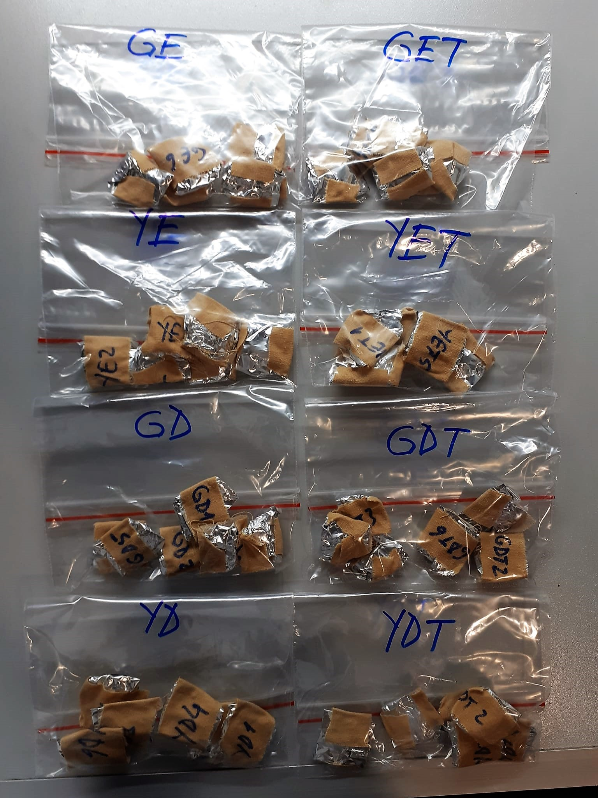

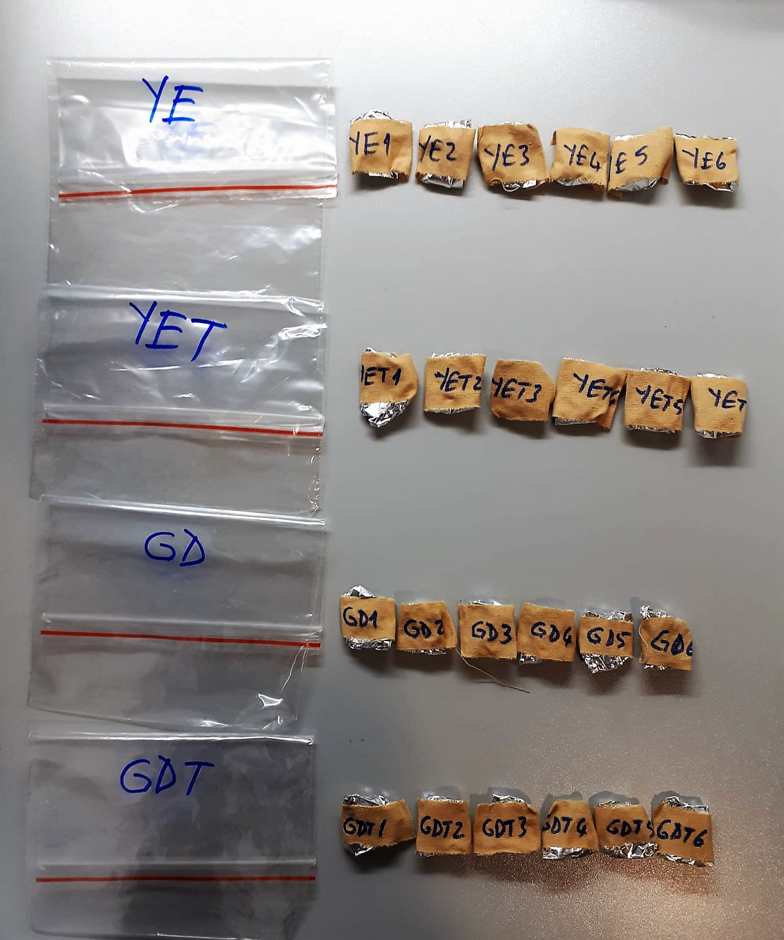

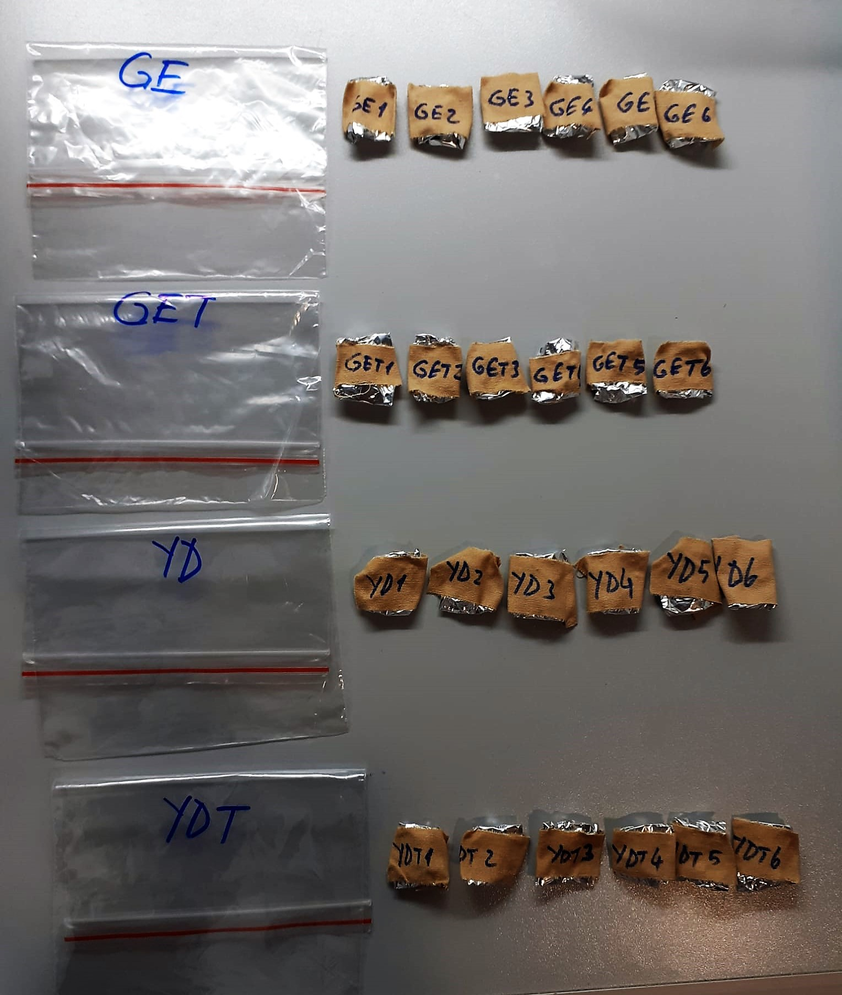

TNF-Alfa Assay Principle
This kit is an Enzyme-Linked Immunosorbent Assay (ELISA). The plate has been pre-coated with Rat TNFA antibody. TNFA present in the sample is added and binds to antibodies coated on the wells.
And then biotinylated Rat TNFA Antibody is added and binds to TNFA in the sample. Then Streptavidin-HRP is added and binds to the Biotinylated TNFA antibody.
After incubation unbound Streptavidin-HRP is washed away during a washing step. Substrate solution is then added and color develops in proportion to the amount of Rat TNFA.
The reaction is terminated by addition of acidic stop solution and absorbance is measured at 450 nm.

IL-1BETA Assay Principle
This kit is an Enzyme-Linked Immunosorbent Assay (ELISA). The plate has been pre-coated with Rat IL-1B antibody. IL-1B present in the sample is added and binds to antibodies coated on the wells.
And then biotinylated Rat IL-1B Antibody is added and binds to IL-1B in the sample. Then Streptavidin-HRP is added and binds to the Biotinylated IL-1B antibody.
After incubation unbound Streptavidin-HRP is washed away during a washing step. Substrate solution is then added and color develops in proportion to the amount of Rat IL-1B.
The reaction is terminated by addition of acidic stop solution and absorbance is measured at 450 nm.

BECN1 Assay Principle
This kit is an Enzyme-Linked Immunosorbent Assay (ELISA). The plate has been pre-coated with Rat BECN1 antibody.Rat BECN1 present in the sample is added and binds to antibodies coated on the wells.
And then biotinylated Rat BECN1 Antibody is added and binds to Rat BECN1 in the sample. Then Streptavidin-HRP is added and binds to the Biotinylated Rat BECN1 antibody.
After incubation unbound Streptavidin-HRP is washed away during a washing step. Substrate solution is then added and color develops in proportion to the amount of Rat BECN1.
The reaction is terminated by addition of acidic stop solution and absorbance is measured at 450 nm.

LC3B Assay Principle
This kit is an Enzyme-Linked Immunosorbent Assay (ELISA). The plate has been pre-coated with Rat LC3B antibody. LC3B present in the sample is added and binds to antibodies coated on the wells.
And then biotinylated Rat LC3B Antibody is added and binds to LC3B in the sample. Then Streptavidin-HRP is added and binds to the Biotinylated LC3B antibody.
After incubation unbound Streptavidin-HRP is washed away during a washing step. Substrate solution is then added and color develops in proportion to the amount of Rat LC3B.
The reaction is terminated by addition of acidic stop solution and absorbance is measured at 450 nm.

