SERUM-TNF-ALFA
2.371 | 0.324 | 0.294 | 0.276
1.438 | 0.274 | 0.263 | 0.408
0.793 | 0.455 | 0.432 | 0.35
0.451 | 0.427 | 0.533 | 0.488
0.322 | 0.395 | 0.385 | 0.462
0.083 | 0.362 | 0.334 | 0.112
TNF-A
 | 0.349 | 0.381 | 0.519
 | 0.478 | 0.565 | 0.535

 | abs | abs-blank | expected | result
std1 | 2.371 | 2.288 | 640 | 638.40
std2 | 1.438 | 1.355 | 320 | 326.77
std3 | 0.793 | 0.71 | 160 | 152.81
std4 | 0.451 | 0.368 | 80 | 74.32
std5 | 0.322 | 0.239 | 40 | 47.20
blank | 0.083 | 0 | 0 | 0.52

 |  |  |  |  | concentratıon (ng/L)

Numune | absorbans | blank | abs-blank | result(ng/L)
K-1 | 0.324 | 0.083 | 0.241 | 47.61
K-2 | 0.274 | 0.083 | 0.191 | 37.45
K-3 | 0.455 | 0.083 | 0.372 | 75.19
K-4 | 0.427 | 0.083 | 0.344 | 69.18
K-5 | 0.395 | 0.083 | 0.312 | 62.38
K-6 | 0.362 | 0.083 | 0.279 | 55.46
K-7 | 0.349 | 0.083 | 0.266 | 52.76
K-8 | 0.478 | 0.083 | 0.395 | 80.17
D-1 | 0.294 | 0.083 | 0.211 | 41.49
D-2 | 0.263 | 0.083 | 0.18 | 35.24
D-3 | 0.432 | 0.083 | 0.349 | 70.24
D-4 | 0.533 | 0.083 | 0.45 | 92.27
D-5 | 0.385 | 0.083 | 0.302 | 60.28
D-6 | 0.334 | 0.083 | 0.251 | 49.66
D-7 | 0.381 | 0.083 | 0.298 | 59.44
D-8 | 0.565 | 0.083 | 0.482 | 99.43
0RL-1 | 0.276 | 0.083 | 0.193 | 37.85
0RL-2 | 0.408 | 0.083 | 0.325 | 65.13
0RL-3 | 0.35 | 0.083 | 0.267 | 52.97
0RL-4 | 0.488 | 0.083 | 0.405 | 82.36
0RL-5 | 0.462 | 0.083 | 0.379 | 76.70
0RL-6 | 0.112 | 0.083 | 0.029 | 5.94
0RL-7 | 0.519 | 0.083 | 0.436 | 89.17
0RL-8 | 0.535 | 0.083 | 0.452 | 92.72

SERUM-IL1-BETA
2.664 | 1.04 | 0.865 | 0.843
1.743 | 0.905 | 0.734 | 0.65
1.032 | 0.692 | 0.911 | 0.975
0.748 | 0.832 | 0.91 | 0.867
0.361 | 0.605 | 0.764 | 0.752
0.093 | 0.617 | 0.803 | 0.704
 | 0.671 | 0.739 | 0.671
IL-1BETA
 | 0.839 | 0.622 | 0.738

 | abs | abs-blank | expected | result
std1 | 2.664 | 2.571 | 40 | 39.94
std2 | 1.743 | 1.65 | 20 | 20.27
std3 | 1.032 | 0.939 | 10 | 9.22
std4 | 0.748 | 0.655 | 5 | 5.82
std5 | 0.361 | 0.268 | 2.5 | 2.10
blank | 0.093 | 0 | 0 | 0.15

 |  |  |  |  | concentration (ng/ml)

Numune | absorbans | blank | abs-blank | result(ng/ml)
K-1 | 1.04 | 0.093 | 0.947 | 9.33
K-2 | 0.905 | 0.093 | 0.812 | 7.63
K-3 | 0.692 | 0.093 | 0.599 | 5.21
K-4 | 0.832 | 0.093 | 0.739 | 6.76
K-5 | 0.605 | 0.093 | 0.512 | 4.32
K-6 | 0.617 | 0.093 | 0.524 | 4.44
K-7 | 0.671 | 0.093 | 0.578 | 4.99
K-8 | 0.839 | 0.093 | 0.746 | 6.84
D-1 | 0.865 | 0.093 | 0.772 | 7.15
D-2 | 0.734 | 0.093 | 0.641 | 5.66
D-3 | 0.911 | 0.093 | 0.818 | 7.70
D-4 | 0.91 | 0.093 | 0.817 | 7.69
D-5 | 0.764 | 0.093 | 0.671 | 5.99
D-6 | 0.803 | 0.093 | 0.71 | 6.43
D-7 | 0.739 | 0.093 | 0.646 | 5.72
D-8 | 0.622 | 0.093 | 0.529 | 4.49
0RL-1 | 0.843 | 0.093 | 0.75 | 6.89
0RL-2 | 0.65 | 0.093 | 0.557 | 4.77
0RL-3 | 0.975 | 0.093 | 0.882 | 8.49
0RL-4 | 0.867 | 0.093 | 0.774 | 7.17
0RL-5 | 0.752 | 0.093 | 0.659 | 5.86
0RL-6 | 0.704 | 0.093 | 0.611 | 5.34
0RL-7 | 0.671 | 0.093 | 0.578 | 4.99
0RL-8 | 0.738 | 0.093 | 0.645 | 5.71

Materyal-metod
KİT ADI | TÜR | Numune Türü | MARKA | CAT. NO | Yöntem | Kullanılan Cihaz
Tumor necrosis factor-alfa | Rat | Serum | BT-lab | E0764Ra | ELİSA | Mıcroplate reader: BIO-TEK EL X 800-Aotu strıp washer:BIO TEK EL X 50
Interleukin-1 beta | Rat | Serum | BT-lab | E0119Ra | ELİSA | Mıcroplate reader: BIO-TEK EL X 800-Aotu strıp washer:BIO TEK EL X 50
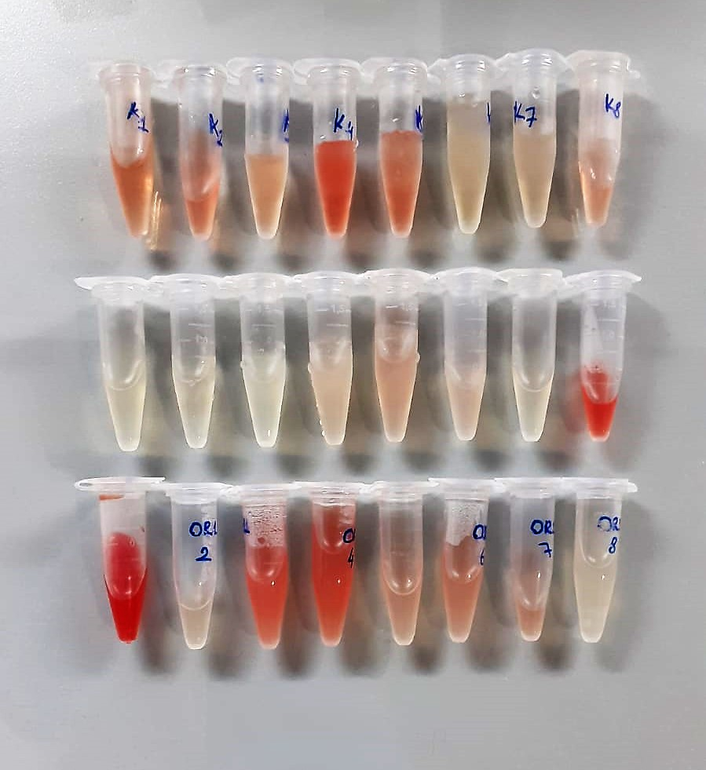

TNF-Alfa Assay Principle
This kit is an Enzyme-Linked Immunosorbent Assay (ELISA). The plate has been pre-coated with Rat TNFA antibody. TNFA present in the sample is added and binds to antibodies coated on the wells.
And then biotinylated Rat TNFA Antibody is added and binds to TNFA in the sample. Then Streptavidin-HRP is added and binds to the Biotinylated TNFA antibody.
After incubation unbound Streptavidin-HRP is washed away during a washing step. Substrate solution is then added and color develops in proportion to the amount of Rat TNFA.
The reaction is terminated by addition of acidic stop solution and absorbance is measured at 450 nm.

IL-1BETA Assay Principle
This kit is an Enzyme-Linked Immunosorbent Assay (ELISA). The plate has been pre-coated with Rat IL-1B antibody. IL-1B present in the sample is added and binds to antibodies coated on the wells.
And then biotinylated Rat IL-1B Antibody is added and binds to IL-1B in the sample. Then Streptavidin-HRP is added and binds to the Biotinylated IL-1B antibody.
After incubation unbound Streptavidin-HRP is washed away during a washing step. Substrate solution is then added and color develops in proportion to the amount of Rat IL-1B.
The reaction is terminated by addition of acidic stop solution and absorbance is measured at 450 nm.

