3-Nitrotyrozine
0.067 | 0.179 | 0.192 | 0.208 | 1.415 | 1.339 | 1.262 | 1.246 | 1.241 | 1.242 | 0.396 | 0.335
0.435 | 0.194 | 0.177 | 0.176 | 1.237 | 1.186 | 1.227 | 1.189 | 1.157 | 1.106 | 0.366 | 0.328
0.687 | 0.193 | 0.178 | 0.188 | 1.419 | 1.384 | 1.221 | 1.23 | 1.269 | 0.429 | 0.358 | 0.384
0.935 | 0.187 | 0.183 | 0.179 | 1.394 | 1.297 | 1.234 | 1.243 | 1.222 | 0.401 | 0.41 | 0.313
1.064 | 0.29 | 0.193 | 0.183 | 1.495 | 1.316 | 1.259 | 1.279 | 1.268 | 0.36 | 0.378 | 0.34
1.262 | 0.175 | 0.178 | 0.175 | 1.41 | 1.366 | 1.279 | 1.269 | 1.199 | 0.354 | 0.315 | 0.305
1.403 | 0.175 | 0.173 | 1.307 | 1.437 | 1.367 | 1.302 | 1.313 | 1.089 | 0.422 | 0.348 | 0.291
1.643 | 0.207 | 0.181 | 1.071 | 1.361 | 1.256 | 1.192 | 1.188 | 1.164 | 0.391 | 0.321 | 0.347

3-NT

 | abs | expected | result
std1 | 0.067 | 100 | 99.537
std2 | 0.435 | 50 | 50.403
std3 | 0.687 | 25 | 26.604
std4 | 0.935 | 12.5 | 11.000
std5 | 1.064 | 6.25 | 5.948
std6 | 1.262 | 3.13 | 2.276
std7 | 1.403 | 1.56 | 2.673
blank | 1.643 | 0 | 9.114

 |  |  |  |  |  |  |  | concentration (ng/ml)

Numune | absorbans | result(ng/ml)
SERUM
K-1 | 0.179 | 82.776
K-2 | 0.194 | 80.651
K-3 | 0.193 | 80.792
K-4 | 0.187 | 81.639
K-5 | 0.29 | 67.725
K-6 | 0.175 | 83.347
D-1 | 0.175 | 83.347
D-2 | 0.207 | 78.833
D-3 | 0.192 | 80.933
D-4 | 0.177 | 83.061
D-5 | 0.178 | 82.919
D-6 | 0.183 | 82.207
D-7 | 0.193 | 80.792
D-8 | 0.178 | 82.919
ORL-1 | 0.173 | 83.634
ORL-2 | 0.181 | 82.491
ORL-3 | 0.208 | 78.694
ORL-4 | 0.176 | 83.204
ORL-5 | 0.188 | 81.498
ORL-6 | 0.179 | 82.776
ORL-7 | 0.183 | 82.207
ORL-8 | 0.175 | 83.347
KALP
K-1 | 1.307 | 2.130
K-2 | 1.071 | 5.734
K-3 | 1.415 | 2.823
K-4 | 1.237 | 2.467
K-5 | 1.419 | 2.877
K-6 | 1.394 | 2.573
ORL-1 | 1.495 | 4.284
ORL-2 | 1.41 | 2.758
ORL-3 | 1.437 | 3.144
ORL-4 | 1.361 | 2.293
ORL-5 | 1.339 | 2.182
ORL-6 | 1.186 | 3.101
ORL-7 | 1.384 | 2.474
ORL-8 | 1.297 | 2.140
D-1 | 1.316 | 2.132
D-2 | 1.366 | 2.326
D-3 | 1.367 | 2.333
D-4 | 1.256 | 2.314
D-5 | 1.262 | 2.276
D-6 | 1.227 | 2.565
D-7 | 1.221 | 2.630
D-8 | 1.234 | 2.495
BÖBREK
K-1 | 1.259 | 2.294
K-2 | 1.279 | 2.191
K-3 | 1.302 | 2.134
K-4 | 1.192 | 3.009
K-5 | 1.246 | 2.389
K-6 | 1.189 | 3.054
ORL-1 | 1.23 | 2.534
ORL-2 | 1.243 | 2.414
ORL-3 | 1.279 | 2.191
ORL-4 | 1.269 | 2.236
ORL-5 | 1.313 | 2.130
ORL-6 | 1.188 | 3.070
ORL-7 | 1.241 | 2.431
ORL-8 | 1.157 | 3.608
D-1 | 1.269 | 2.236
D-2 | 1.222 | 2.619
D-3 | 1.268 | 2.241
D-4 | 1.199 | 2.908
D-5 | 1.089 | 5.212
D-6 | 1.164 | 3.476
D-7 | 1.242 | 2.422
D-8 | 1.106 | 4.756
TESTİS
K-1 | 0.429 | 51.067
K-2 | 0.401 | 54.226
K-3 | 0.36 | 59.031
K-4 | 0.354 | 59.752
K-5 | 0.422 | 51.847
K-6 | 0.391 | 55.379
ORL-1 | 0.396 | 54.801
ORL-2 | 0.366 | 58.315
ORL-3 | 0.358 | 59.271
ORL-4 | 0.41 | 53.200
ORL-5 | 0.378 | 56.896
ORL-6 | 0.315 | 64.549
ORL-7 | 0.348 | 60.478
ORL-8 | 0.321 | 63.799
D-1 | 0.335 | 62.065
D-2 | 0.328 | 62.929
D-3 | 0.384 | 56.193
D-4 | 0.313 | 64.800
D-5 | 0.34 | 61.452
D-6 | 0.305 | 65.810
D-7 | 0.291 | 67.596
D-8 | 0.347 | 60.599

Hipokampüs-TNF-A
2.071 | 0.542 | 0.755 | 0.923
1.278 | 0.51 | 0.672 | 1.008
0.788 | 0.497 | 0.714 | 0.878
0.496 | 0.602 | 0.79 | 1.09
0.27 | 0.742 | 0.719 | 1.052
0.072 | 0.868 | 0.771 | 0.973
TNF-A
0.074 | 1.059 | 1.081 | 1.033
0.078 | 1.199 | 1.221 | 0.831

 | abs | abs-blank | expected | result
std1 | 2.071 | 1.999 | 640 | 641.11
std2 | 1.278 | 1.206 | 320 | 315.85
std3 | 0.788 | 0.716 | 160 | 161.29
std4 | 0.496 | 0.424 | 80 | 86.06
std5 | 0.27 | 0.198 | 40 | 36.47
blank | 0.072 | 0 | 0 | -0.77

 |  |  |  |  | concentratıon (ng/L)

Numune | absorbans | blank | abs-blank | result(ng/L)
K-1 | 0.542 | 0.072 | 0.47 | 97.07
K-2 | 0.51 | 0.072 | 0.438 | 89.38
K-3 | 0.497 | 0.072 | 0.425 | 86.29
K-4 | 0.602 | 0.072 | 0.53 | 111.91
K-5 | 0.742 | 0.072 | 0.67 | 148.60
K-6 | 0.868 | 0.072 | 0.796 | 184.10
K-7 | 1.059 | 0.072 | 0.987 | 242.39
K-8 | 1.199 | 0.072 | 1.127 | 288.53
D-1 | 0.755 | 0.072 | 0.683 | 152.16
D-2 | 0.672 | 0.072 | 0.6 | 129.90
D-3 | 0.714 | 0.072 | 0.642 | 141.03
D-4 | 0.79 | 0.072 | 0.718 | 161.85
D-5 | 0.719 | 0.072 | 0.647 | 142.38
D-6 | 0.771 | 0.072 | 0.699 | 156.57
D-7 | 1.081 | 0.072 | 1.009 | 249.45
D-8 | 1.221 | 0.072 | 1.149 | 296.04
0RL-1 | 0.923 | 0.072 | 0.851 | 200.33
0RL-2 | 1.008 | 0.072 | 0.936 | 226.30
0RL-3 | 0.878 | 0.072 | 0.806 | 187.02
0RL-4 | 1.09 | 0.072 | 1.018 | 252.35
0RL-5 | 1.052 | 0.072 | 0.98 | 240.16
0RL-6 | 0.973 | 0.072 | 0.901 | 215.48
0RL-7 | 1.033 | 0.072 | 0.961 | 234.14
0RL-8 | 0.831 | 0.072 | 0.759 | 173.44

Hipokampüs-IL-1BETA
2.715 | 0.822 | 0.824 | 0.827
1.688 | 1.075 | 0.805 | 1.094
1.12 | 0.986 | 0.708 | 1.09
0.68 | 0.876 | 1.312 | 0.942
0.4 | 1.21 | 0.934 | 0.62
0.099 | 1.063 | 1.14 | 0.589
 | 0.905 | 0.894 | 0.633
IL-1BETA
 | 0.991 | 0.828 | 0.632

 | abs | abs-blank | expected | result
std1 | 2.715 | 2.616 | 40 | 40.15
std2 | 1.688 | 1.589 | 20 | 19.33
std3 | 1.12 | 1.021 | 10 | 10.59
std4 | 0.68 | 0.581 | 5 | 5.19
std5 | 0.4 | 0.301 | 2.5 | 2.37
blank | 0.099 | 0 | 0 | -0.13

 |  |  |  |  | concentration (ng/ml)

Numune | absorbans | blank | abs-blank | result(ng/ml)
K-1 | 0.822 | 0.099 | 0.723 | 6.80
K-2 | 1.075 | 0.099 | 0.976 | 9.99
K-3 | 0.986 | 0.099 | 0.887 | 8.82
K-4 | 0.876 | 0.099 | 0.777 | 7.45
K-5 | 1.21 | 0.099 | 1.111 | 11.85
K-6 | 1.063 | 0.099 | 0.964 | 9.83
K-7 | 0.905 | 0.099 | 0.806 | 7.80
K-8 | 0.991 | 0.099 | 0.892 | 8.89
D-1 | 0.824 | 0.099 | 0.725 | 6.83
D-2 | 0.805 | 0.099 | 0.706 | 6.60
D-3 | 0.708 | 0.099 | 0.609 | 5.50
D-4 | 1.312 | 0.099 | 1.213 | 13.32
D-5 | 0.934 | 0.099 | 0.835 | 8.16
D-6 | 1.14 | 0.099 | 1.041 | 10.87
D-7 | 0.894 | 0.099 | 0.795 | 7.67
D-8 | 0.828 | 0.099 | 0.729 | 6.87
0RL-1 | 0.827 | 0.099 | 0.728 | 6.86
0RL-2 | 1.094 | 0.099 | 0.995 | 10.24
0RL-3 | 1.09 | 0.099 | 0.991 | 10.19
0RL-4 | 0.942 | 0.099 | 0.843 | 8.26
0RL-5 | 0.62 | 0.099 | 0.521 | 4.54
0RL-6 | 0.589 | 0.099 | 0.49 | 4.22
0RL-7 | 0.633 | 0.099 | 0.534 | 4.68
0RL-8 | 0.632 | 0.099 | 0.533 | 4.67

TESTOSTERONE
0.115 | 0.569 | 0.539 | 0.734
0.435 | 0.902 | 0.589 | 0.715
0.681 | 0.641 | 0.527 | 0.608
0.904 | 0.752 | 0.762 | 0.594
1.169 | 0.594 | 0.484 | 0.569
0.101 | 0.667 | 0.666 | 0.415
0.062 | 0.54 | 0.416 | 0.59
Testosterone
0.059 | 0.613 | 0.479 | 0.499

 | abs | abs-blank | expected | result
std1 | 0.115 | 0.014 | 24 | 23.93
std2 | 0.435 | 0.334 | 12 | 12.15
std3 | 0.681 | 0.58 | 6 | 6.05
std4 | 0.904 | 0.803 | 3 | 2.76
std5 | 1.169 | 1.068 | 1.5 | 1.60
blank | 0.101 | 0 | 0 | 24.55

 |  |  |  |  | concentration (ng/ml)

Numune | absorbans | blank | abs-blank | result(ng/ml)
K-1 | 0.569 | 0.101 | 0.468 | 8.51
K-2 | 0.902 | 0.101 | 0.801 | 2.78
K-3 | 0.641 | 0.101 | 0.54 | 6.87
K-4 | 0.752 | 0.101 | 0.651 | 4.78
K-5 | 0.594 | 0.101 | 0.493 | 7.91
K-6 | 0.667 | 0.101 | 0.566 | 6.33
K-7 | 0.54 | 0.101 | 0.439 | 9.23
K-8 | 0.613 | 0.101 | 0.512 | 7.48
D-1 | 0.539 | 0.101 | 0.438 | 9.26
D-2 | 0.589 | 0.101 | 0.488 | 8.03
D-3 | 0.527 | 0.101 | 0.426 | 9.57
D-4 | 0.762 | 0.101 | 0.661 | 4.61
D-5 | 0.484 | 0.101 | 0.383 | 10.73
D-6 | 0.666 | 0.101 | 0.565 | 6.35
D-7 | 0.416 | 0.101 | 0.315 | 12.72
D-8 | 0.479 | 0.101 | 0.378 | 10.87
0RL-1 | 0.734 | 0.101 | 0.633 | 5.08
0RL-2 | 0.715 | 0.101 | 0.614 | 5.42
0RL-3 | 0.608 | 0.101 | 0.507 | 7.59
0RL-4 | 0.594 | 0.101 | 0.493 | 7.91
0RL-5 | 0.569 | 0.101 | 0.468 | 8.51
0RL-6 | 0.415 | 0.101 | 0.314 | 12.76
0RL-7 | 0.59 | 0.101 | 0.489 | 8.01
0RL-8 | 0.499 | 0.101 | 0.398 | 10.31

Materyal-metod
KİT ADI | TÜR | Numune Türü | MARKA | CAT. NO | Yöntem | Kullanılan Cihaz
N.O: Nitric Oxide | Universal | Serum-doku | Elabscience | E-BC-K035-S | Kolorimetrik | REL BIOCHEM-REL ASSAY
PON-1: Paraoxanase-1 | Universal | Serum-doku | REL ASSAY | RL0031 | Kolorimetrik | MINDRAY-BS400
LDH( Laktat dehidrogenaz) | Universal | Serum | Otto Scientific | OttoBC129 | Kolorimetrik | MINDRAY-BS400
CK: Creatinine Kinase | Universal | Serum | Otto Scientific | OttoBC136 | Kolorimetrik | MINDRAY-BS400
TTL(Total Thiol) | Universal | Serum | REL ASSAY | RL0185 | Kolorimetrik | MINDRAY-BS400
NTL(Natıve Thiol) | Universal | Serum | REL ASSAY | RL0185 | Kolorimetrik | MINDRAY-BS400
UREA: Üre | Universal | Serum | Otto Scientific | OttoBC157 | Kolorimetrik | MINDRAY-BS400
CREA: Creatinine | Universal | Serum | Otto Scientific | OttoBC139 | Kolorimetrik | MINDRAY-BS400
Tumor necrosis factor-alfa | Rat | Doku | BT-lab | E0764Ra | ELİSA | Mıcroplate reader: BIO-TEK EL X 800-Aotu strıp washer:BIO TEK EL X 50
Interleukin-1 beta | Rat | Doku | BT-lab | E0119Ra | ELİSA | Mıcroplate reader: BIO-TEK EL X 800-Aotu strıp washer:BIO TEK EL X 50
3-Nitrotyrozine | Universal | Serum-doku | Elabscience | E-EL-0040 | ELİSA | Mıcroplate reader: BIO-TEK EL X 800-Aotu strıp washer:BIO TEK EL X 50
Testosterone | Rat | Serum | BT-lab | EA0023Ra | ELİSA | Mıcroplate reader: BIO-TEK EL X 800-Aotu strıp washer:BIO TEK EL X 50
NOT: Dokular 1/9 oranında( 0,1 gr doku: 0,9ml 140 mmol. lık KCl) Potasyum Klorür tamponu ile homojenize edildikten sonra 7000 rpm + 4' de 5 dk santrifüj edildi.

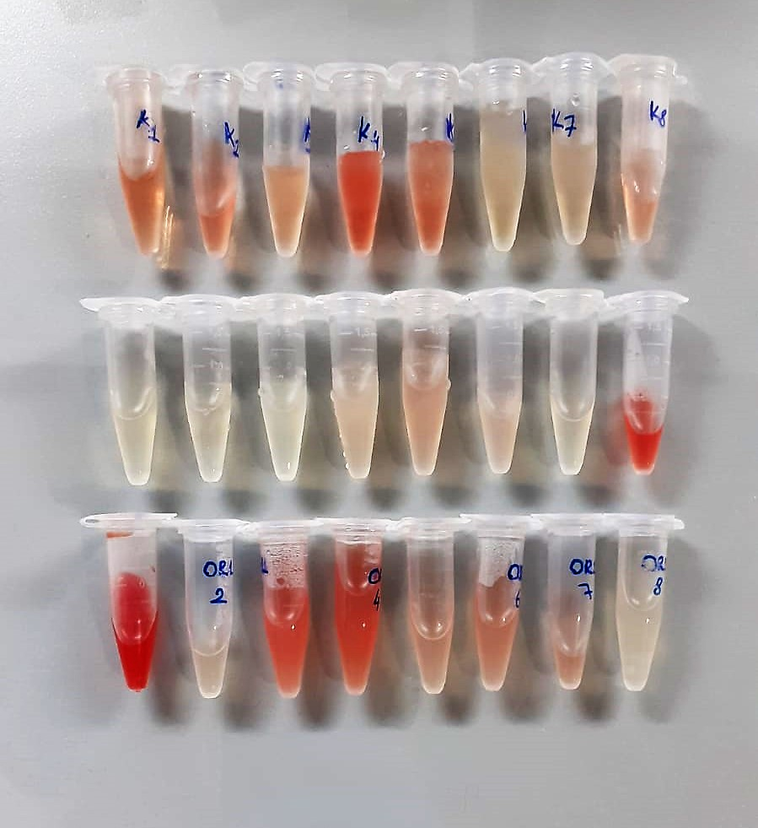

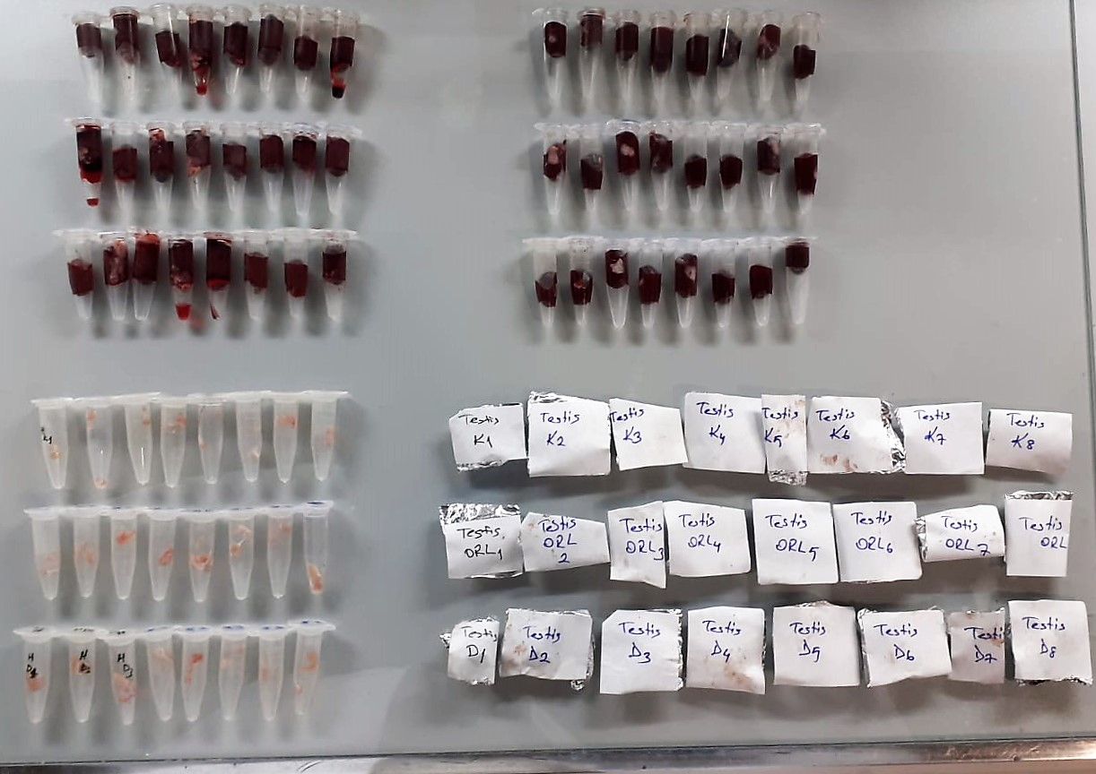

Creatinine mg/L
Immunoturbidimetric assay
Anti-CRP antibodies react with antigen in the sample to form an ntigen/antibody complex. Following agglutination, this is measured turbidimetrically.
Addition of PEG allows the reaction to progress rapidly to the end point,increases sensitivity, and reduces the risk of samples containing excess antigen
producing false negative results.

Urea (BUN) mg/dl
Urea is hydrolysed in presence of urease to produce ammonia and CO2. The ammonia produced combines with 2 – oxoglutarate and NADH in presence of GLDH to yield glutamate and NAD.
urease
Urea+H2O+2H+ 2 NH4+ + 2+ CO2
GLDH
2 NH4+ + 2-Oxoglutarate + 2 NADH H2O + 2 NAD+ + Gl utamate The decrease in absorbance due to consumption of NADH is measured kinetically.

Thiol/Disulfide Homeostasis (µmol/L)
Tests were measured using a novel automatic and spectrophotometric method developed by Erel and Neselioglu*
which is avaliable commercially (Rel Assay Diagnostics, Turkey) In this method, dynamic and reducible disulfide bonds
in the samples were reduced to free functional thiol groups by using sodium borohydride. In order to prevent the reduction
of unused reduced sodium borohydride to dithionite-2 nitrobenzoic (DTNB), NaBH4 was removed with formaldehyde. Native thiol (NT) and total thiol (TT)
levels were determined after reaction with DTNB and their levels were measured ultimately. Half of the difference of the result obtained
by the subtraction of native thiol amount from total thiol content indicated the disulfide (DS) level.
(Relassay, Turkey)

LDH
Pyruvat + NADH + H+ ⎯⎯ D-Lactate+ NAD+
The enzyme alanine aminotransferase (EC 2.6.1.2; L-Alanine:2-Oxoglutarate Aminotransferase,
ALT or A1aAT; Glutamate Pyruvate Transaminase, GPT) catalyzes the tran- saminase reaction between L-Alanine and 2-Oxoglutarate.
The pyruvate formed, is reduced to lactate in the presence of LDH. As the reactions proceed,
NADH is oxidized to NAD+. The disappearance of NADH per unit time is followed by measuring the decrease in absorbance at 340 nm.
(Otto Scientific)

Creatine Kinase
UV Test
• Sample and addition of R1
• Addition of R2 and start of reaction: CK Creatine phosphate + ADP Creatine + ATP HK ATP + glucose Glucose-6-phosphate + ADP G6PDH Glucose-6-P + NADP Gluconate-6-P + NADPH+H+
Equimolar quantities of NADPH and creatine are formed at the same rate. The photometrically measured rate of formation of NADPH is proportional to the CK activity.

Paraoxonase-1 PON-1) U/L
Measurement of paraoxonase activity;
Paraoxonase activity was measured using
commercially available kits (Relassay, Turkey).
The rate of paraoxon hydrolysis (diethylpnitrophenylphosphate)
was measured by monitoring the increase of
absorption at 412 nm at 37 °C. The amount of generated p-nitrophenol
was calculated from the molar absorption coefficient at pH 8.5, which
was 18.290 M−1 cm−1 Paraoxonase activity was expressed as U/L serum

NO Test Principle
NO is easily oxidized to form N0² in vivo or in aqueous solution, and a reddish azo compoun is formed with the color developing agent, and the concentratıon of the azo compound is linearly related to the concentration of NO.
The concentration of NO can be calculated indirectly by measuring the OD value at 550 nm.

3-Nitrotyrosine Assay Principle
This ELISA kit uses the Sandwich-ELISA principle. The micro ELISA plate provided in this kit has been pre-coated with an antibody specific to 3-NT.
Samples (or Standards) are added to the micro ELISA plate wells and combined with the specific antibody.
Then a biotinylated detection antibody specific for 3-NT and Avidin-Horseradish Peroxidase (HRP) conjugate are added successively to each micro plate well and incubated. Free components are washed away. The substrate solution is added to each well.
Only those wells that contain 3-NT, biotinylated detection antibody and Avidin-HRP conjugate will appear blue in color. The enzyme-substrate reaction is terminated by the addition of stop solution and the color turns yellow.
The optical density (OD) is measured spectrophotometrically at a wavelength of 450 nm ± 2 nm. The OD value is proportional to the concentration of Human 3-NT.
You can calculate the concentration of 3-NT in the samples by comparing the OD of the samples to the standard curve.

TNF-Alfa Assay Principle
This kit is an Enzyme-Linked Immunosorbent Assay (ELISA). The plate has been pre-coated with Rat TNFA antibody. TNFA present in the sample is added and binds to antibodies coated on the wells.
And then biotinylated Rat TNFA Antibody is added and binds to TNFA in the sample. Then Streptavidin-HRP is added and binds to the Biotinylated TNFA antibody.
After incubation unbound Streptavidin-HRP is washed away during a washing step. Substrate solution is then added and color develops in proportion to the amount of Rat TNFA.
The reaction is terminated by addition of acidic stop solution and absorbance is measured at 450 nm.

IL-1BETA Assay Principle
This kit is an Enzyme-Linked Immunosorbent Assay (ELISA). The plate has been pre-coated with Rat IL-1B antibody. IL-1B present in the sample is added and binds to antibodies coated on the wells.
And then biotinylated Rat IL-1B Antibody is added and binds to IL-1B in the sample. Then Streptavidin-HRP is added and binds to the Biotinylated IL-1B antibody.
After incubation unbound Streptavidin-HRP is washed away during a washing step. Substrate solution is then added and color develops in proportion to the amount of Rat IL-1B.
The reaction is terminated by addition of acidic stop solution and absorbance is measured at 450 nm.

Testosterone Assay Principle
This kit is an Enzyme-Linked Immunosorbent Assay (ELISA). The plate has been pre-coated with Rat T antibody. T present in the sample is added and binds to antibodies coated on the wells.
And then biotinylated Rat T Antibody is added and binds to T in the sample. Then Streptavidin-HRP is added and binds to the Biotinylated T antibody.
After incubation unbound Streptavidin-HRP is washed away during a washing step. Substrate solution is then added and color develops in proportion to the amount of Rat T.
The reaction is terminated by addition of acidic stop solution and absorbance is measured at 450 nm.

