MDA
MDA
1.749 | 80
0.934 | 40
0.526 | 20
0.241 | 10
0.128 | 5
0.052 | 2.5
0 | 0
 | absorbans | abs-blank | expected | result
std1 | 1.749 | 1.749 | 80 | 80.11
std2 | 0.934 | 0.934 | 40 | 39.26
std3 | 0.526 | 0.526 | 20 | 21.18
std4 | 0.241 | 0.241 | 10 | 9.49
std5 | 0.128 | 0.128 | 5 | 5.07
std6 | 0.052 | 0.052 | 2.5 | 2.17
blank | 0 | 0 | 0 | 0.21

 |  |  |  |  | concentration (nmol/ml)

Numune | absorbans | result(nmol/ml)
BÖBREK-DOXO-1 | 0.22 | 8.66
BÖBREK-DOXO-2 | 0.256 | 10.09
BÖBREK-DOXO-3 | 0.145 | 5.73
BÖBREK-DOXO-4 | 0.176 | 6.94
BÖBREK-KON-1 | 0.174 | 6.86
BÖBREK-KON-2 | 0.108 | 4.30
BÖBREK-KON-3 | 0.119 | 4.73
BÖBREK-KON-4 | 0.149 | 5.88
BÖBREK-NAC-1 | 0.989 | 41.82
BÖBREK-NAC-2 | 0.187 | 7.37
BÖBREK-NAC-3 | 0.158 | 6.23
BÖBREK-MONT-1 | 0.185 | 7.29
BÖBREK-MONT-2 | 0.191 | 7.52
BÖBREK-(NAC+DOX)-1 | 0.661 | 26.99
BÖBREK-(NAC+DOX)-2 | 0.374 | 14.85
BÖBREK-(NAC+DOX)-3 | 1.155 | 49.71
BÖBREK-(MONT+DOX)-1 | 0.228 | 8.98
BÖBREK-(MONT+DOX)-2 | 0.124 | 4.92
BÖBREK-(MONT+DOX)-3 | 0.164 | 6.47
BÖBREK-(MONT+DOX)-4 | 0.131 | 5.19
KALP-DOXO-1 | 0.879 | 36.73
KALP-DOXO-2 | 0.849 | 35.36
KALP-DOXO-3 | 0.841 | 35.00
KALP-DOXO-4 | 0.8 | 33.15
KALP-KON-1 | 0.985 | 41.63
KALP-KON-2 | 0.936 | 39.35
KALP-KON-3 | 0.867 | 36.18
KALP-KON-4 | 0.936 | 39.35
KALP-NAC-1 | 0.803 | 33.28
KALP-NAC-2 | 0.283 | 11.17
KALP-MONT-1 | 1.234 | 53.56
KALP-MONT-2 | 2.082 | 98.62
KALP-(NAC+DOX)-1 | 1.309 | 57.27
KALP-(NAC+DOX)-2 | 0.981 | 41.45
KALP-(NAC+DOX)-3 | 0.889 | 37.19
KALP-(NAC+DOX)-4 | 0.865 | 36.09
KALP-(MONT+DOX)-1 | 0.747 | 30.78
KALP-(MONT+DOX)-2 | 0.776 | 32.07
KALP-(MONT+DOX)-3 | 0.82 | 34.05
KALP-(MONT+DOX)-4 | 0.834 | 34.68
KARACİĞER-DOXO-1 | 1.103 | 47.21
KARACİĞER-DOXO-2 | 0.204 | 8.03
KARACİĞER-DOXO-3 | 0.215 | 8.46
KARACİĞER-DOXO-4 | 0.413 | 16.46
KARACİĞER-KON-1 | 1.011 | 42.85
KARACİĞER-KON-2 | 0.123 | 4.88
KARACİĞER-KON-3 | 1.901 | 88.43
KARACİĞER-KON-4 | 0.739 | 30.42
KARACİĞER-NAC-1 | 0.334 | 13.22
KARACİĞER-NAC-2 | 0.145 | 5.73
KARACİĞER-MONT-1 | 0.132 | 5.23
KARACİĞER-MONT-2 | 0.405 | 16.13
KALRACİĞER-(NAC+DOX)-1 | 0.364 | 14.44
KALRACİĞER-(NAC+DOX)-2 | 0.185 | 7.29
KALRACİĞER-(NAC+DOX)-3 | 0.334 | 13.22
KALRACİĞER-(NAC+DOX)-4 | 0.637 | 25.94
KARACİĞER-(MONT+DOX)-1 | 0.624 | 25.38
KARACİĞER-(MONT+DOX)-2 | 0.103 | 4.11
KARACİĞER-(MONT+DOX)-3 | 0.141 | 5.57
KARACİĞER-(MONT+DOX)-4 | 0.17 | 6.70
İBUPROFEN-BÖBREK-1 | 0.194 | 7.64
İBUPROFEN-BÖBREK-2 | 1.379 | 60.78
İBUPROFEN-BÖBREK-3 | 0.249 | 9.81
İBUPROFEN-KALP-1 | 0.477 | 19.12
İBUPROFEN-KALP-2 | 1.309 | 57.27
İBUPROFEN-KALP-3 | 1.171 | 50.49
İBUPROFEN-KARACİĞER-1 | 1.594 | 71.86
İBUPROFEN-KARACİĞER-2 | 0.208 | 8.19
İBUPROFEN-KARACİĞER-3 | 0.909 | 38.11
ROSUVOSTATİN-BÖBREK-1 | 0.403 | 16.04
ROSUVOSTATİN-BÖBREK-2 | 0.14 | 5.54
ROSUVOSTATİN-BÖBREK-3 | 0.1885 | 7.42
ROSUVOSTATİN-KALP-1 | 0.129 | 5.11
ROSUVOSTATİN-KALP-2 | 0.795 | 32.92
ROSUVOSTATİN-KALP-3 | 0.285 | 11.25
ROSUVOSTATİN-KARACİĞER-1 | 1.165 | 50.20
ROSUVOSTATİN-KARACİĞER-2 | 2.011 | 94.59
ROSUVOSTATİN-KARACİĞER-3 | 0.961 | 40.51
(İBU+DOX)-BÖBREK-1 | 0.162 | 6.39
(İBU+DOX)-BÖBREK-2 | 0.183 | 7.21
(İBU+DOX)-BÖBREK-3 | 0.415 | 16.54
(İBU+DOX)-KALP-1 | 0.138 | 5.46
(İBU+DOX)-KALP-2 | 0.281 | 11.09
(İBU+DOX)-KALP-3 | 0.726 | 29.85
(İBU+DOX)-KARACİĞER-1 | 0.316 | 12.49
(İBU+DOX)-KARACİĞER-2 | 0.38 | 15.10
(İBU+DOX)-KARACİĞER-3 | 0.427 | 17.03
(ROS+DOX)-BÖBREK-1 | 0.161 | 6.35
(ROS+DOX)-BÖBREK-2 | 0.142 | 5.61
(ROS+DOX)-BÖBREK-3 | 0.198 | 7.80
(ROS+DOX)-KALP-1 | 1.352 | 59.42
(ROS+DOX)-KALP-2 | 1.884 | 87.49
(ROS+DOX)-KALP-3 | 1.179 | 50.88
(ROS+DOX)-KARACİĞER-1 | 0.406 | 16.17
(ROS+DOX)-KARACİĞER-2 | 0.854 | 35.59
(ROS+DOX)-KARACİĞER-3 | 0.336 | 13.30

Materyal-metod
KİT ADI | TÜR | Numune Türü | MARKA | CAT. NO | Yöntem | Kullanılan Cihaz
TAS(Total Antioxidant Status) | Universal | Doku | REL ASSAY | RL0017 | Kolorimetrik | MINDRAY-BS400
TOS(Total Oxidant Status) | Universal | Doku | REL ASSAY | RL0024 | Kolorimetrik | MINDRAY-BS400
ARES( Arylesterase) | Universal | Doku | REL ASSAY | RL0055 | Kolorimetrik | MINDRAY-BS400
PON-1( Paraoxanase-1) | Universal | Doku | REL ASSAY | RL0031 | Kolorimetrik | MINDRAY-BS400
MPO( Myeloperoxidase) | Universal | Doku | Ottoscientific | Otto3048 | Kolorimetrik | MINDRAY-BS400
MDA( Malondialdehyde) | Universal | Doku | Otto Scientific | Otto1001 | Kolorimetrik | REL BIOCHEM-REL ASSAY
NOT: Dokular 1/9 oranında( 0,1 gr doku: 0,9ml 140 mmol. lık KCl) Potasyum Klorür tamponu ile homojenize edildikten sonra 7000 rpm + 4' de 5 dk santrifüj edildi.

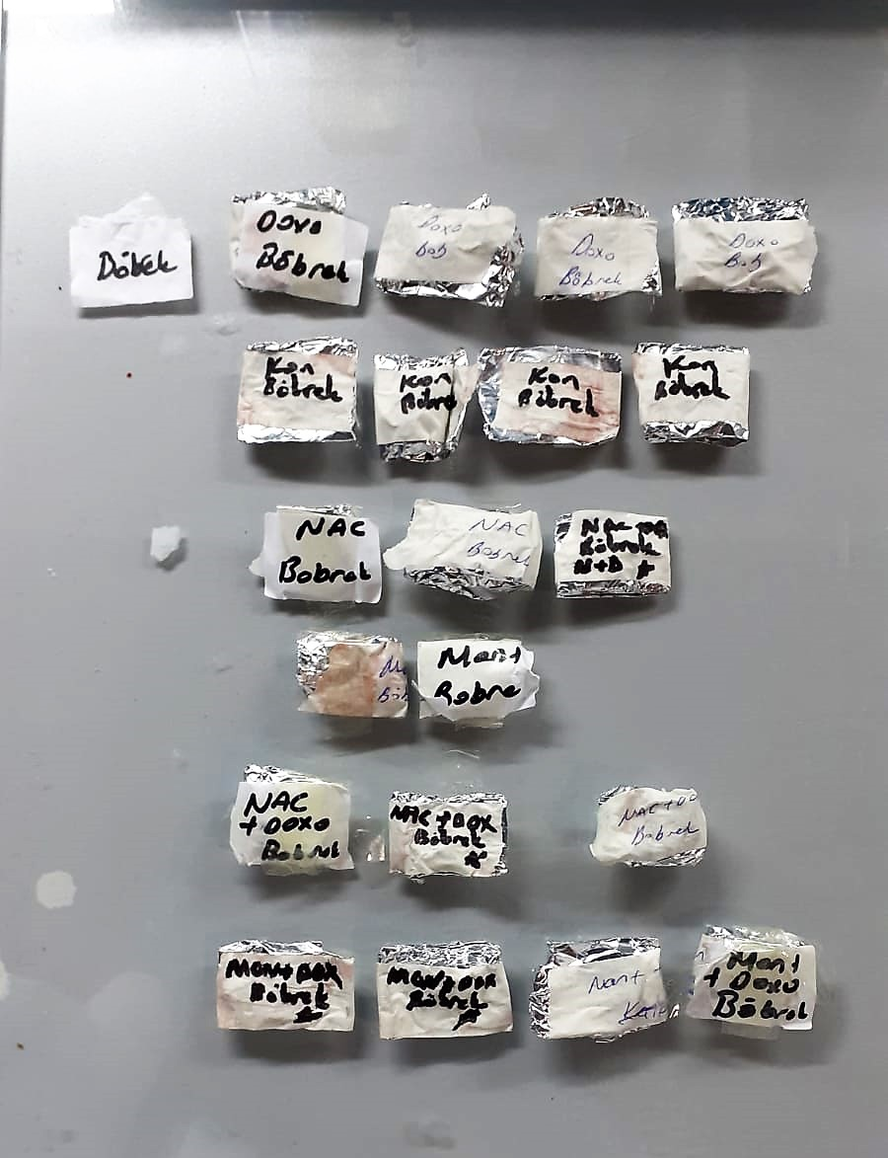
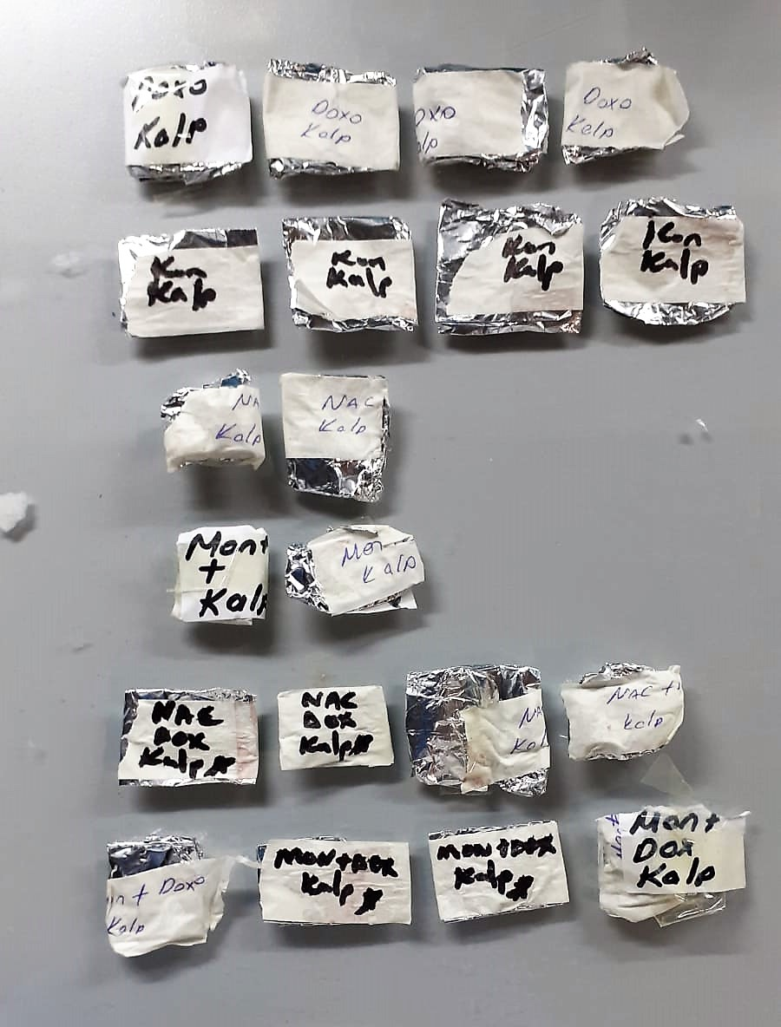

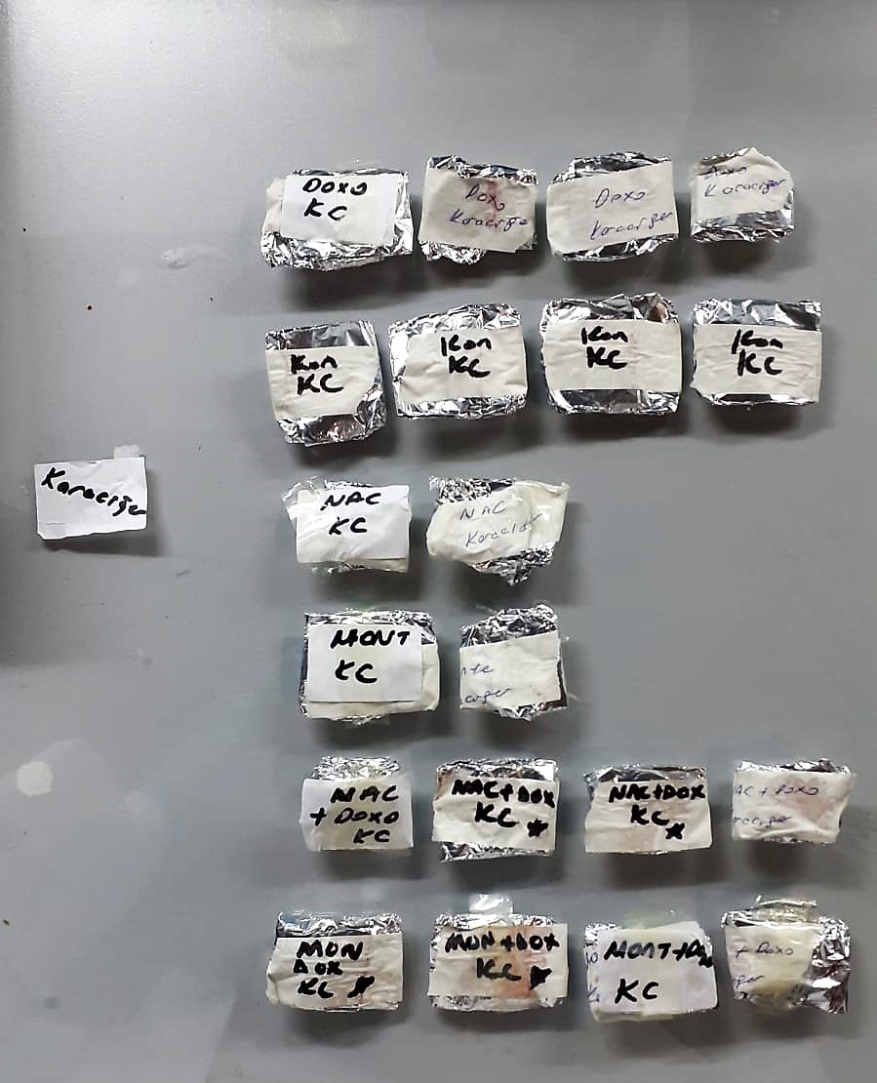
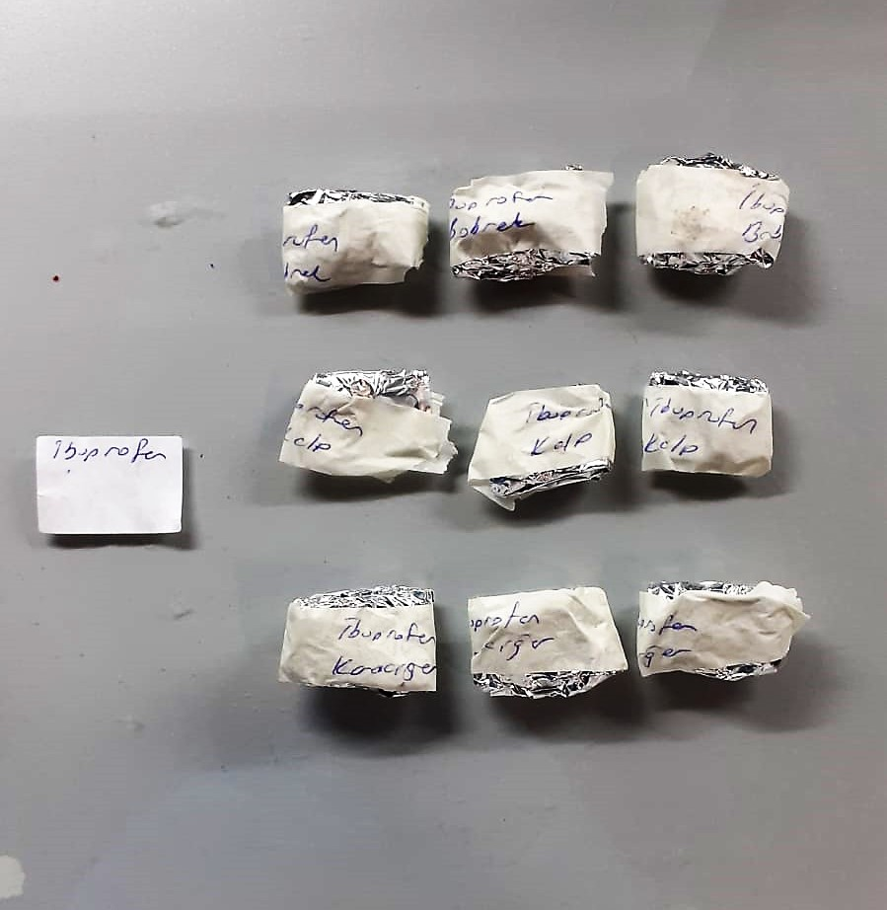

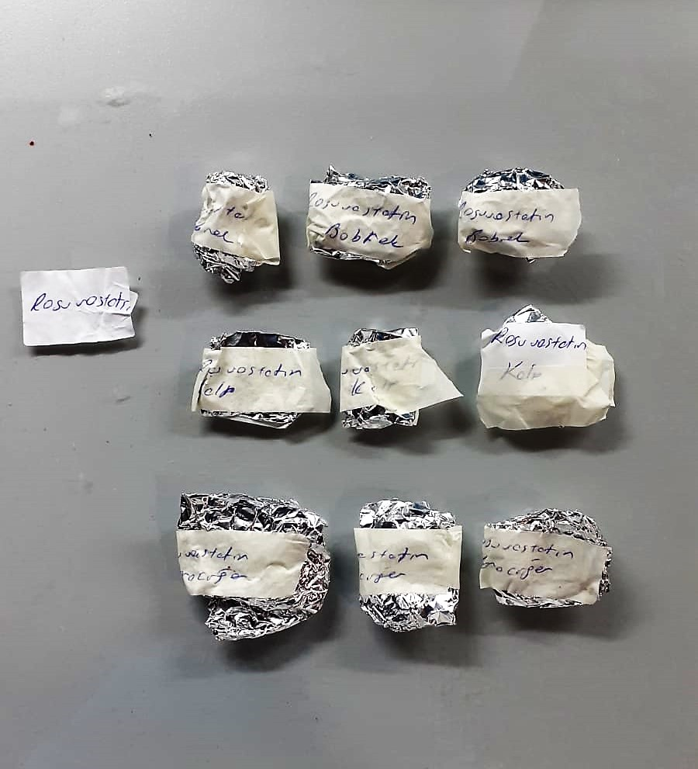
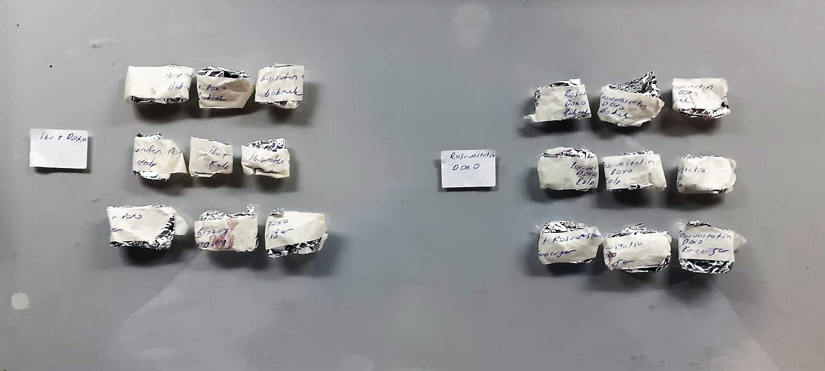

TOTAL ANTIOXDANT STATUS (TAS) (mmol/L)
TAS levels were measured using commercially available kits (Relassay, Turkey). The novel
automated method is based on the bleaching of characteristic color of a more stable ABTS
(2,2 ′ - Azino-bis(3-ethylbenzothiazoline-6-sulfonic acid)) radical cation by antioxidants. The
assay has excellent precision values, which are lower than 3%. The results were expressed as
mmol Trolox equivalent/L (Erel O. A novel automated direct measurement method for total
antioxidant capacity using a new generation, more stable ABTS radicalcation. Clin Biochem
2004;37:277-85.)
(Relassay,Turkey)

TOTAL OXIDANT STATUS (TOS) (µmol/L)
TOS levels were measured using commercially available kits (Relassay, Turkey. In the new
method, oxidants present in the sample oxidized the ferrous ion-o-dianisidine complex to
ferric ion. The oxidation reaction was enhanced by glycerol molecules abundantly present in
the reaction medium. The ferric ion produced a colored complex with xylenol orange in an
acidic medium. The color intensity, which could be measured spectrophotometrically, was
related to the total amount of oxidant molecules present in the sample. The assay was
calibrated with hydrogen peroxide and the results were expressed in terms of
micromolar hydrogen peroxide equivalent per liter (μmol H2O2 equivalent/L). ( Erel O. A
new automated colorimetric method for measuringtotal oxidant status. Clin Biochem
2005;38:1103-11. ).
(Relassay,Turkey)

OXIDATIVE STRESS INDEX (OSI)
The ratio of TOS to TAS was accepted as the oxidative stress index (OSI). For calculation, the
resulting unit of TAS was converted to μmol/L, and the OSI value was calculated according to
the following Formula : OSI (arbitrary unit) =
TOS (μmol H2O2 equivalent/L) / TAC (μmol Trolox equivalent/L). (1-3).
1. Yumru M, Savas HA, Kalenderoglu A, Bulut M, Celik H, Erel O. Oxidative imbalance in
bipolar disorder subtypes: a comparative study. Prog Neuropsychopharmacol Biol Psychiatry.
2009 Aug 31;33(6):1070-4.
2. Kosecik M, Erel O, Sevinc E, Selek S. Increased oxidative stress in children exposed to
passive smoking. Int J Cardiol 2005;100:61–4.
3. (Harma M, Harma M, Erel O (2003) Increased oxidative stress in patients with
hydatidiform mole. Swiss Med Wkly 133:563-536).

Paraoxonase and Arylesterase activities;
Paraoxonase and arylesterase activities were measured using
commercially available kits (Relassay, Turkey).
The rate of paraoxon hydrolysis (diethylpnitrophenylphosphate)
was measured by monitoring the increase of
absorption at 412 nm at 37 °C. The amount of generated p-nitrophenol
was calculated from the molar absorption coefficient at pH 8.5, which
was 18.290 M−1 cm−1 Paraoxonase activity was expressed as U/L
serum. Phenylacetate was used as a substrate to measure the
arylesterase activity. Enzymatic activity was calculated from the molar
absorption coefficient of the produced phenol, 1310 M−1 cm−1. One unit
of arylesterase activity was defined as 1 μmol phenol generated per
minute under the above conditions and expressed as U/L
(Relassay, Turkey)

Paraoxonase-1 PON-1) U/L
Measurement of paraoxonase activity;
Paraoxonase activity was measured using
commercially available kits (Relassay, Turkey).
The rate of paraoxon hydrolysis (diethylpnitrophenylphosphate)
was measured by monitoring the increase of
absorption at 412 nm at 37 °C. The amount of generated p-nitrophenol
was calculated from the molar absorption coefficient at pH 8.5, which
was 18.290 M−1 cm−1 Paraoxonase activity was expressed as U/L serum
(Relassay, Turkey)

Malondialdehyde (MDA) nmol/ml
The MDA level was determined by a method based
on the reaction with thiobarbituric acid (TBA) at 90–100_C
. In the TBA test reaction, MDA or MDA-like
substances and TBA react with the production of a pink
pigment with a maximum absorption at 532 nm. The
reaction was performed at pH 2–3 at 90_C for 15 min. The
sample was mixed with two volumes of cold 10% (w/v)
trichloroacetic acid for the precipitation of protein. The
precipitate was pelleted by centrifugation, and an aliquot of
the supernatant was reacted with an equal volume of 0.67%
(w/v) TBA in a boiling water bath for 10 min. After
cooling, the absorbance was read at 532 nm.

Myeloperoxidase (MPO) U/L
MPO posseses various catalytical activities. It exhibits the main catalytical activity by the
production of hypochlorous acid (HClO) from hydrogen peroxide (H2O2) and chloride anion,
Cl- (or halide). MPO also exhibits peroxidase activity that catalyzes oxidation of a number of
substrates by H2O2. These reactions categories have been widely used to assess the
activities of MPO.
The Relassay Myeloperoxidase Chlorination Activity Assay Kit and The Relassay
Myeloperoxidase Peroxidation Activity Assay Kit are quantitative and colorimetric assay kits
for measuring the myeloperoxidase activity within a sample. In the The Relassay
Myeloperoxidase Chlorination Activity Assay Kit, MPO catalyzes the formation of
hypochlorous acid, which reacts with taurine to form taurine chloroamine. Taurine chloroamine reacts with the chromophore TNB, resulting in the formation of the colorless
product DTNB. One unit of MPO activity is defined as the amount of enzyme that hydrolyzes
the substrate and generates taurine chloramine to consume 1.0 μmole of TNB per minute.In
the The Relassay Myeloperoxidase Peroxidation Activity Assay Kit, MPO catalyzes odianisidine
to colored o-dianisidyl radical using H2O2. The increasing absorbance is
monitored at 412 nm and the activity is measured kinetically. This kit can be used manually
and easily adapted to automated analyzers.

