Serum-1
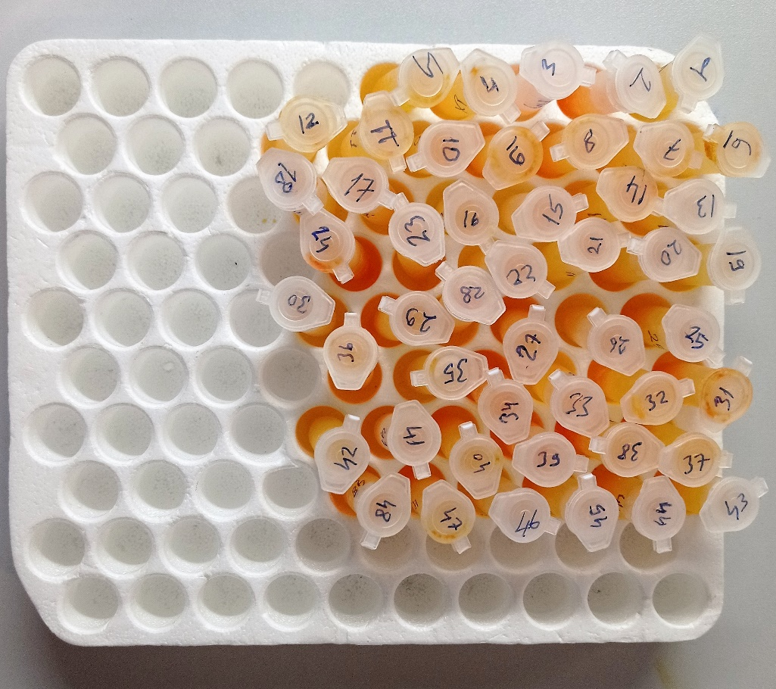
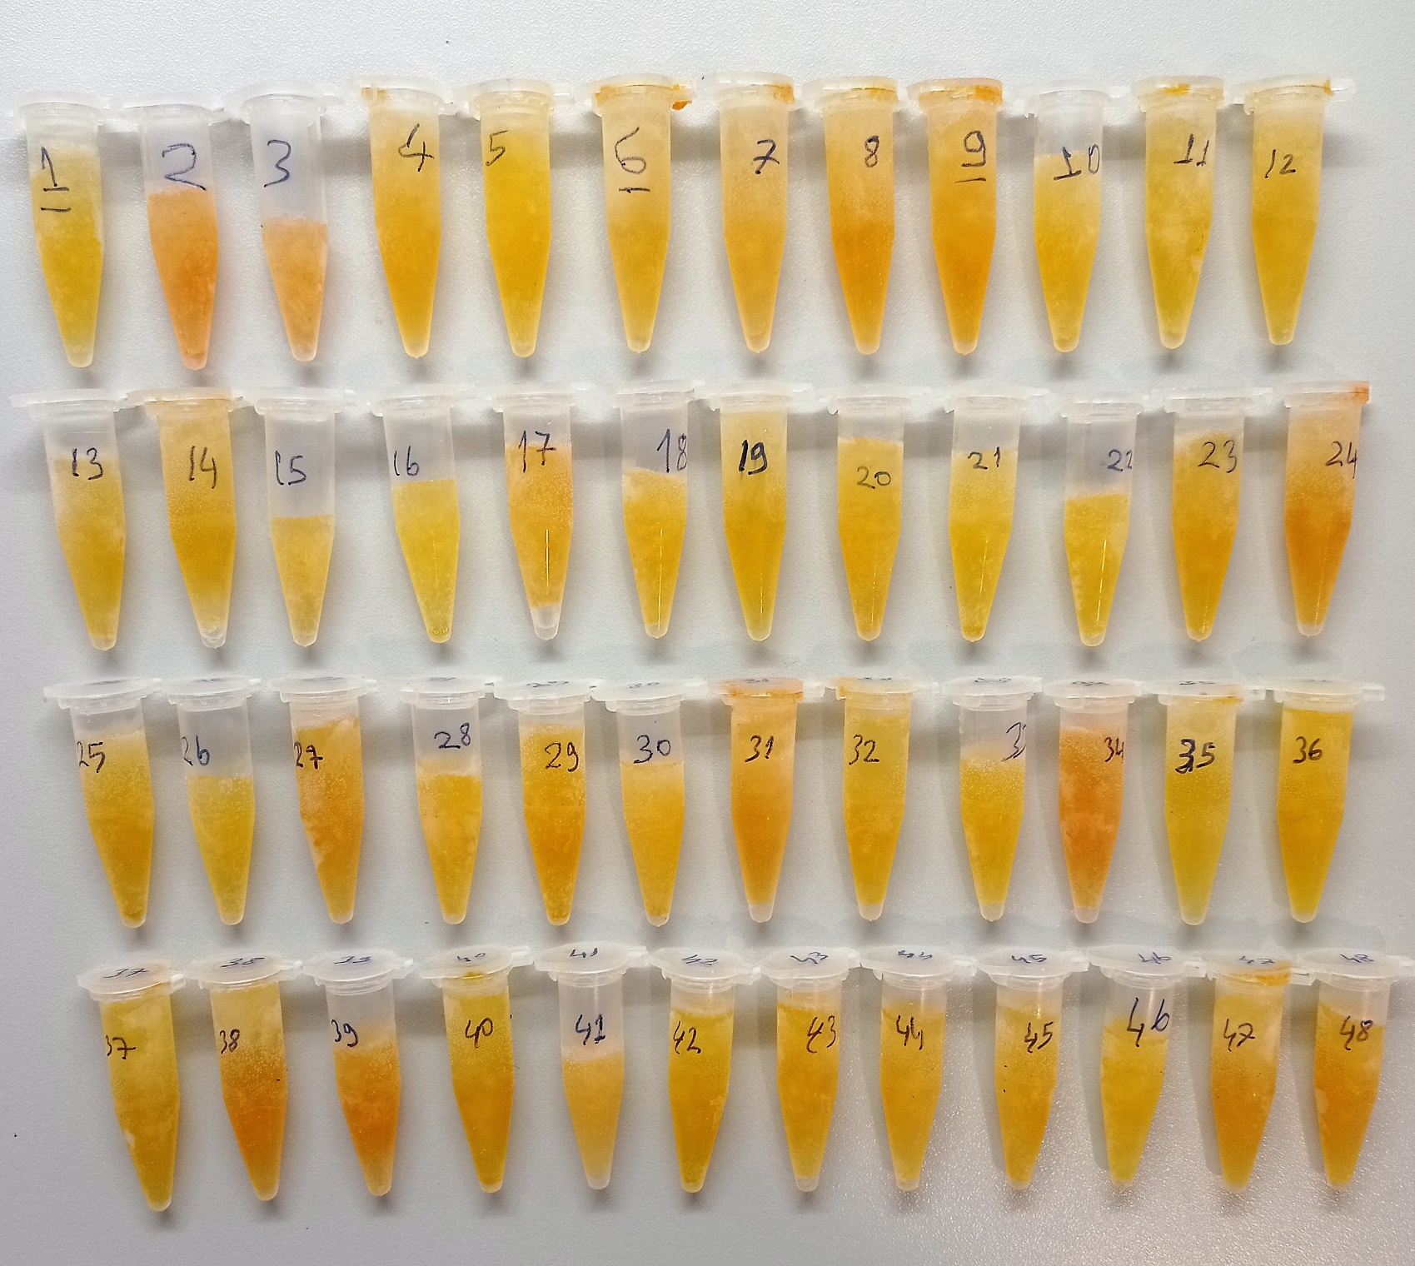
Numune Adı | LDL (mg/dl)) | CHOL (mg/dl) | TP (ug/dl) | ALP (U/L) | AST (U/L) | ALT (U/L) | TG (mg/dl) | HDL (mg/dl) | IgA (mg/dl) | IgM (mg/dl)
1 | 10.7 | 83 | 1.56 | 4826 | 202 | 18 | 34 | 85 | 1.47 | 1.79
2 | 8.1 | 75 | 1.61 | 5546 | 315 | 6 | 31 | 76 | 1.15 | 3.13 | Kullanılan cihaz: Mindray marka BS300 model tam otomatik biyokimya cihazı
3 | 6.8 | 74 | 1.69 | 2863 | 350 | 7 | 30 | 77 | 2.47 | 4.1
4 | 25.9 | 166 | 3.25 | 4366 | 477 | 29 | 54 | 161 |  |  | ALT: Alanin aminotransferaz
5 | 20.3 | 151 | 2.6 | 3875 | 348 | 18 | 73 | 155 |  |  | AST: Aspartat aminotransferaz
6 | 20.7 | 127 | 2.68 | 5907 | 484 | 12 | 54 | 119 |  |  | ALP: Alkaline Phosphatase
7 | 17.3 | 137 | 2.64 | 1062 | 460 | 8 | 40 | 150 |  |  | TP: Total Proteın
8 | 14.1 | 110 | 1.68 | 4890 | 232 | 2 | 30 | 90 |  |  | CHOL: Total Cholesterol
9 | 10.7 | 112 | 1.66 | 5598 | 259 | 2 | 29 | 92 | 4.69 | 3.18 | TG: Triglycerides
10 | 5.7 | 101 | 1.5 | 5376 | 250 | 2 | 35 | 85 | 0.76 | 3.36 | HDL: HDL Cholesterol
11 | 10.7 | 137 | 2.06 | 959 | 433 | 6 | 36 | 121 | 4.57 | 6.1 | LDL: LDL Cholesterol
12 | 8.2 | 93 | 1.3 | 3205 | 242 | 21 | 24 | 81 |  |  | IgA: Immunoglobulin A
13 | 9.4 | 96 | 1.4 | 5491 | 300 | 5 | 31 | 85 |  |  | IgM: Immunoglobulin M
14 | 7.8 | 84 | 1.34 | 5669 | 184 | 3 | 39 | 75
15 | 6.7 | 102 | 1.76 | 5538 | 308 | 10 | 46 | 95
16 | 5.6 | 109 | 1.63 | 5606 | 276 | 2 | 24 | 102
17 | 8.6 | 110 | 1.88 | 5585 | 393 | 10 | 33 | 100 | 5.2 | 5.59
18 | 12.3 | 112 | 1.84 | 3713 | 506 | 6 | 30 | 99 | 1.33 | 1.54
19 | 12.3 | 107 | 1.81 | 5173 | 310 | 5 | 36 | 93 | 1.19 | 1.92
20 | 9.4 | 119 | 2.44 | 2440 | 454 | 5 | 51 | 108
21 | 6.2 | 91 | 1.54 | 4244 | 288 | 3 | 33 | 84
22 | 13.7 | 145 | 2.13 | 3947 | 289 | 6 | 42 | 131
23 | 18.7 | 164 | 3.09 | 2646 | 402 | 15 | 67 | 147
24 | 9 | 104 | 1.51 | 4591 | 184 | 4 | 40 | 93
25 | 9.2 | 123 | 1.97 | 3899 | 210 | 2 | 54 | 112 | 7.78 | 24.87
26 | 6.7 | 95 | 1.67 | 3908 | 192 | 10 | 51 | 89 | 1.43 | 4.01
27 | 10.7 | 120 | 2.44 | 5915 | 308 | 3 | 67 | 111 | 1.01 | 2.19
28 | 15.2 | 160 | 2.74 | 3303 | 269 | 11 | 92 | 142
29 | 8.4 | 157 | 1.96 | 5746 | 349 | 2 | 32 | 143
30 | 9.2 | 171 | 2.38 | 2208 | 435 | 28 | 80 | 154
31 | 7.1 | 92 | 1.21 | 5737 | 171 | 11 | 35 | 83
32 | 4.2 | 92 | 1.34 | 3475 | 256 | 11 | 31 | 87
33 | 11 | 117 | 1.61 | 5507 | 235 | 3 | 47 | 98 | 5.46 | 6.07
34 | 8.1 | 122 | 2.06 | 5626 | 262 | 2 | 35 | 112 | 1.67 | 3.28
35 | 3.5 | 104 | 1.57 | 3974 | 272 | 4 | 15 | 99 | 1.75 | 1.97
36 | 10.6 | 153 | 2.38 | 5820 | 386 | 7 | 58 | 145 | 2.24 | 3.35
37 | 5.9 | 97 | 1.59 | 1460 | 214 | 3 | 35 | 91
38 | 6.4 | 93 | 1.51 | 5523 | 265 | 4 | 40 | 85
39 | 12 | 152 | 2.84 | 5037 | 335 | 9 | 96 | 138
40 | 9 | 113 | 1.36 | 5598 | 198 | 4 | 34 | 101
41 | 11.7 | 99 | 3.19 | 5126 | 234 | 10 | 43 | 88 | 4.02 | 5.15
42 | 9.1 | 132 | 1.58 | 4106 | 183 | 2 | 33 | 120 | 3.29 | 4.42
43 | 24.1 | 197 | 3.24 | 4219 | 411 | 7 | 63 | 176 | 1.15 | 1.98
44 | 8.3 | 151 | 2.52 | 4421 | 282 | 15 | 49 | 144 | 2.13 | 4.47
45 | 6.5 | 92 | 1.59 | 5234 | 184 | 4 | 48 | 84
46 | 12.3 | 147 | 2.92 | 5239 | 264 | 4 | 106 | 130
47 | 6 | 91 | 1.46 | 2655 | 199 | 11 | 34 | 84
48 | 8.4 | 93 | 1.75 | 4381 | 195 | 12 | 49 | 83

Serum-2
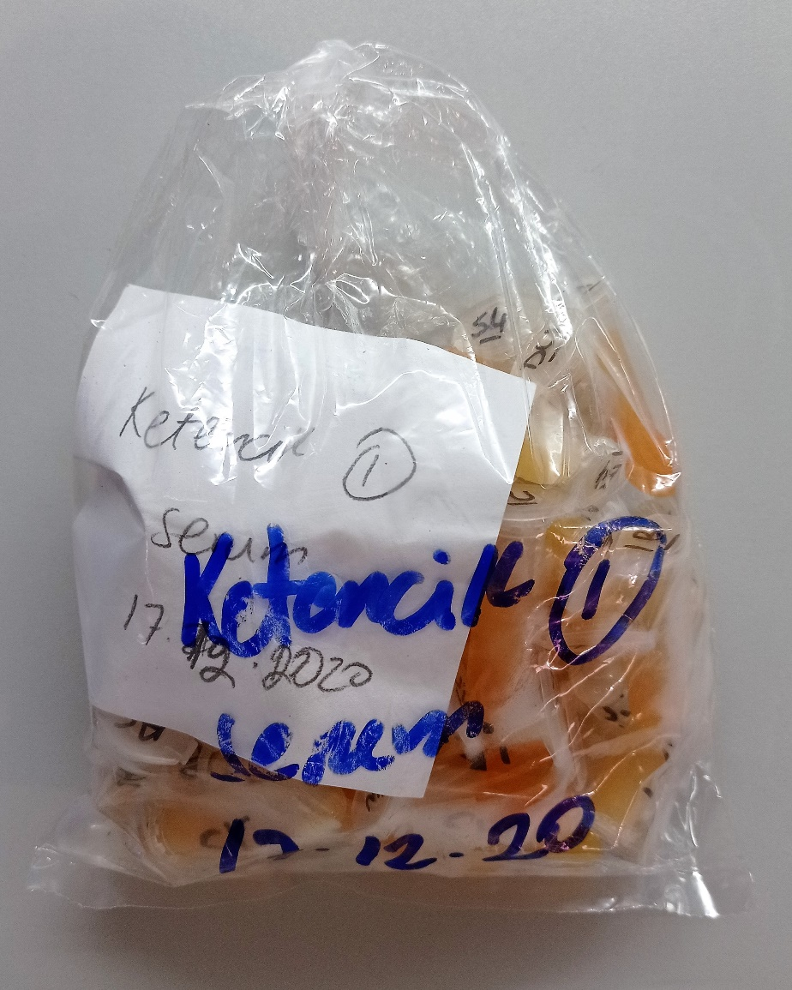
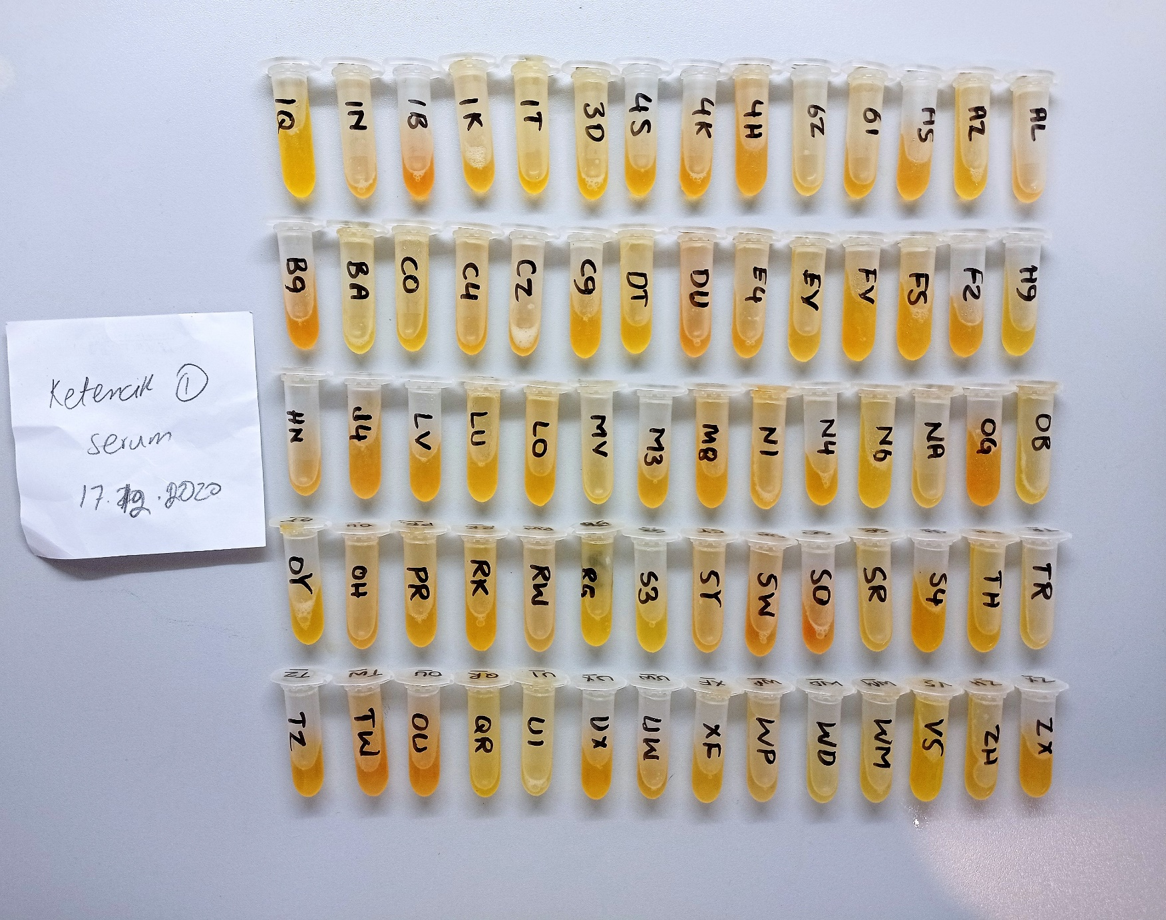
Numune Adı | TAS(mmol/L) | TOS (µmol/L) | OSI | CHOL (mg/dl) | TP (ug/dl) | ALB (ug/dl) | TG (mg/dl) | HDL (mg/dl) | IgA (mg/dl) | IgM (mg/dl)
1Q | 1.52 | 4.28 | 0.282 | 89 | 3.23 | 1.39 | 49 | 105 | 1.51 | 5.99 | Kullanılan cihaz: Mindray marka BS300 model tam otomatik biyokimya cihazı
1N | 1.54 | 8.21 | 0.533 | 101 | 2.86 | 1.53 | 51 | 109 | 3.3 | 7.02 | CHOL: Total Cholesterol
1B | 1.25 | 5.51 | 0.441 | 101 | 2.28 | 1.57 | 55 | 99 | 2.91 | 2.89 | TG: Triglycerides
1K | 1.46 | 7.69 | 0.527 | 80 | 1.52 | 1.13 | 47 | 72 | 2.83 | 6.03 | ALB: Albumın
1T | 1.07 | 6.59 | 0.616 | 102 | 2.41 | 1.45 | 23 | 112 | 1.72 | 1.54 | HDL: HDL Cholesterol
3D | 1.39 | 6.26 | 0.450 | 91 | 1.83 | 1.5 | 32 | 91 | 2.72 | 3.79 | TP: Total Proteın
4S | 1.9 | 6.61 | 0.348 | 114 | 1.97 | 1.61 | 42 | 118 | 3.08 | 4.55 | TAS: Total Antioxidant Status
4K | 1.3 | 8.52 | 0.655 | 112 | 2.03 | 1.58 | 49 | 103 | 2.46 | 1.78 | TOS: Total Oxidant Status
4H | 1.64 | 7.58 | 0.462 | 93 | 1.92 | 1.58 | 78 | 76 | 2.45 | 6.52 | OSI: Oxidative Stress Index
6Z | 1.35 | 6.87 | 0.509 | 99 | 1.94 | 1.58 | 36 | 104 | 0.63 | 4.49
61 | 1.54 | 6.28 | 0.408 | 79 | 1.52 | 1.28 | 32 | 84 | 3.15 | 4.07
AS | 1.38 | 7.29 | 0.528 | 85 | 1.75 | 1.47 | 47 | 82 | 4.86 | 4.51
AZ | 1.46 | 6.52 | 0.447 | 92 | 1.95 | 1.55 | 31 | 89 | 2.23 | 3.73
AL | 1.46 | 9.11 | 0.624 | 86 | 1.77 | 1.42 | 31 | 86 | 2.37 | 2.99
BG | 1.39 | 9.79 | 0.704 | 106 | 1.93 | 1.53 | 32 | 99 | 3.82 | 5.77
BA | 1.35 | 4.46 | 0.330 | 99 | 1.73 | 1.47 | 35 | 107 | 4.93 | 5.55
CO | 1.63 | 5.22 | 0.320 | 101 | 1.64 | 1.39 | 39 | 103 | 1.05 | 3.4
C4 | 1.2 | 7.75 | 0.646 | 123 | 1.76 | 1.45 | 27 | 121 | 2.29 | 1.05
CZ | 0.96 | 9.15 | 0.953 | 99 | 1.93 | 1.58 | 25 | 105 | 2.19 | 2.56
C9 | 1.44 | 6.92 | 0.481 | 98 | 1.92 | 1.45 | 35 | 95 | 3.01 | 2.21
DT | 1.33 | 4.98 | 0.374 | 115 | 1.6 | 1.38 | 28 | 110 | 2.02 | 3.54
D4 | 0.82 | 12.35 | 1.506 | 99 | 1.66 | 1.47 | 34 | 103 | 2.97 | 1.36
E4 | 1.16 | 8.48 | 0.731 | 95 | 1.83 | 1.48 | 48 | 87 | 2.36 | 3.4
EV | 1.64 | 5.77 | 0.352 | 103 | 1.98 | 1.48 | 43 | 95 | 3.4 | 3.06
FV | 1.5 | 6.24 | 0.416 | 86 | 2.06 | 1.44 | 24 | 84 | 2.93 | 5.01
FZ | 1.51 | 6.81 | 0.451 | 100 | 1.81 | 1.56 | 50 | 98 | 2.53 | 2.99
F2 | 1.62 | 8.42 | 0.520 | 81 | 2.36 | 1.53 | 36 | 84 | 2.93 | 3.81
H9 | 1.25 | 5.49 | 0.439 | 97 | 1.65 | 1.45 | 32 | 99 | 2.42 | 2.1
HN | 1.85 | 10.13 | 0.548 | 102 | 2 | 1.68 | 104 | 90 | 1.38 | 1.42
J4 | 1.48 | 7.52 | 0.508 | 92 | 1.9 | 1.45 | 48 | 85 | 2.47 | 2.88
LV | 1.48 | 7.19 | 0.486 | 97 | 1.83 | 1.49 | 41 | 96 | 2.64 | 0.74
LU | 1.11 | 6.39 | 0.576 | 81 | 1.57 | 1.4 | 30 | 86 | 3.01 | 3.85
LO | 1.35 | 7.42 | 0.550 | 102 | 1.75 | 1.38 | 55 | 94 | 2.23 | 3.54
MV | 1.44 | 6.19 | 0.430 | 104 | 1.93 | 1.52 | 57 | 102 | 2.33 | 3.15
M3 | 1.66 | 6.82 | 0.411 | 93 | 1.74 | 1.47 | 34 | 96 | 3.02 | 1.74
MB | 1.74 | 7.74 | 0.445 | 115 | 1.86 | 1.63 | 77 | 103 | 2.92 | 3.46
N1 | 1.24 | 6.5 | 0.524 | 93 | 1.57 | 1.29 | 47 | 86 | 2.65 | 2.03
N4 | 0.89 | 6.82 | 0.766 | 109 | 1.67 | 1.45 | 29 | 110 | 2.14 | 1.28
N6 | 1.43 | 4.75 | 0.332 | 83 | 1.65 | 1.49 | 37 | 88 | 2.75 | 4.2
NA | 1.22 | 6.53 | 0.535 | 87 | 1.8 | 1.43 | 32 | 94 | 2.81 | 4.65
OG | 2.04 | 7.75 | 0.380 | 96 | 1.87 | 1.53 | 61 | 92 | 5.37 | 1.91
OB | 1.52 | 5.59 | 0.368 | 111 | 1.74 | 1.51 | 31 | 121 | 2 | 5.84
OY | 1.15 | 5.8 | 0.504 | 117 | 1.89 | 1.53 | 30 | 122 | 3.04 | 6.08
OH | 1.2 | 9.48 | 0.790 | 104 | 1.79 | 1.45 | 30 | 107 | 5.1 | 2.51
PR | 1.3 | 7.09 | 0.545 | 93 | 1.51 | 1.36 | 33 | 94 | 2.75 | 4.82
RK | 1.34 | 6.32 | 0.472 | 105 | 1.86 | 1.59 | 44 | 108 | 1.08 | 2.89
RW | 1.35 | 7.15 | 0.530 | 88 | 1.81 | 1.47 | 18 | 93 | 2.27 | 3.92
RG | 1.22 | 5.59 | 0.458 | 101 | 1.72 | 1.36 | 32 | 106 | 0.45 | 1.8
S3 | 1.16 | 4.14 | 0.357 | 87 | 1.54 | 1.37 | 38 | 86 | 2.31 | 3.99
SY | 1.36 | 8.55 | 0.629 | 100 | 1.73 | 1.39 | 32 | 103 | 3.09 | 2.96
SW | 1.51 | 10.25 | 0.679 | 111 | 1.95 | 1.75 | 32 | 125 | 2.62 | 3.32
SO | 0.95 | 11.95 | 1.258 | 92 | 1.76 | 1.51 | 24 | 104 | 3.66 | 5.44
SR | 1.16 | 77.16 | 6.652 | 101 | 1.65 | 1.39 | 36 | 103 | 3.27 | 3.9
S4 | 1.81 | 6.69 | 0.370 | 114 | 2.03 | 1.58 | 62 | 96 | 3.43 | 4.4
TH | 1.63 | 5.79 | 0.355 | 110 | 1.93 | 1.5 | 72 | 105 | 3.33 | 3.3
TR | 1.37 | 6.27 | 0.458 | 94 | 1.87 | 1.59 | 36 | 102 | 3.29 | 3.24
TZ | 1.41 | 7.86 | 0.557 | 102 | 1.58 | 1.35 | 30 | 110 | 3.5 | 3.62
TW | 1.38 | 9.87 | 0.715 | 95 | 1.87 | 1.51 | 56 | 92 | 2.06 | 1.31
OU | 1.51 | 29.44 | 1.950 | 104 | 1.92 | 1.47 | 50 | 109 | 3.64 | 3.27
QR | 1.3 | 5.63 | 0.433 | 110 | 2.96 | 1.41 | 34 | 138 | 3.16 | 5.36
U1 | 1.34 | 13.35 | 0.996 | 89 | 1.98 | 1.24 | 35 | 109 | 1.9 | 3.99
UX | 1.41 | 5.57 | 0.395 | 93 | 1.89 | 1.35 | 36 | 105 | 2.86 | 3.86
UX | 1.51 | 7.16 | 0.474 | 81 | 1.76 | 1.39 | 34 | 92 | 1.23 | 2.99
XF | 1.42 | 7.08 | 0.499 | 87 | 1.73 | 1.3 | 17 | 110 | 2.47 | 3.45
WP | 1.07 | 6.17 | 0.577 | 71 | 2.33 | 1.31 | 10 | 94 | 1.42 | 3.89
WD | 0.63 | 4.85 | 0.770 | 69 | 1.31 | 1.07 | 22 | 80 | 1.73 | 4
WM | 1.14 | 4.92 | 0.432 | 62 | 1.26 | 1.02 | 33 | 72 | 1 | 2.94
VS | 1.65 | 3.34 | 0.202 | 93 | 1.78 | 1.47 | 24 | 110 | 1.11 | 2.91
Z4 | 1.64 | 6.67 | 0.407 | 71 | 1.69 | 1.41 | 37 | 85 | 1.25 | 3.65
ZX | 1.07 | 30.49 | 2.850 | 91 | 1.68 | 1.46 | 26 | 108 | 1.22 | 3.47

fT3
0.17 | 0.175 | 0.344 | 0.197 | 0.333 | 0.377 | 0.304 | 0.322 | 0.262 | 0.313 | 0.101 | 0.191
0.491 | 0.239 | 0.36 | 0.195 | 0.263 | 0.392 | 0.273 | 0.095 | 0.274 | 0.495 | 0.269 | 0.113
0.725 | 0.149 | 0.372 | 0.206 | 0.168 | 0.29 | 0.228 | 0.256 | 0.209 | 0.48 | 0.25 | 0.138
0.99 | 0.473 | 0.226 | 0.229 | 0.294 | 0.261 | 0.459 | 0.334 | 0.367 | 0.268 | 0.154 | 0.181
1.204 | 0.226 | 0.233 | 0.168 | 0.287 | 0.323 | 0.373 | 0.115 | 0.553 | 0.399 | 0.16 | 0.147
1.918 | 0.263 | 0.29 | 0.175 | 0.301 | 0.227 | 0.229 | 0.249 | 0.315 | 0.117 | 0.138 | 0.177
1.941 | 0.36 | 0.239 | 0.223 | 0.205 | 0.32 | 0.264 | 0.168 | 0.257 | 0.197 | 0.243 | 0.054
 | 0.289 | 0.342 | 0.198 | 0.46 | 0.381 | 0.351 | 0.32 | 0.206 | 0.156 | 0.228 | 0.202

fT3
0.17 | 100
0.491 | 50
0.725 | 25
0.99 | 12.5
1.204 | 6.25
1.918 | 1.56
1.941 | 0
 | abs | expected | result
std1 | 0.17 | 100 | 95.3470709
std2 | 0.491 | 50 | 54.226406261
std3 | 0.725 | 25 | 31.105263125
std4 | 0.99 | 12.5 | 11.9005581
std5 | 1.204 | 6.25 | 1.802222096
std6 | 1.918 | 1.56 | 3.081911444
blank | 1.941 | 0 | 4.017824661

 |  |  |  |  |  |  |  | concentratıon (pg/ml)

Numune | absorbans | result
1Q | 0.175 | 94.623168125
1N | 0.239 | 85.590293501
1B | 0.149 | 98.416280981
1K | 0.473 | 56.244370349
1T | 0.226 | 87.390102356
3D | 0.263 | 82.314438989
4S | 0.36 | 69.6940176
4K | 0.289 | 78.834211901
4H | 0.344 | 71.707332416
6Z | 0.36 | 69.6940176
61 | 0.372 | 68.201765904
AS | 0.226 | 87.390102356
AZ | 0.233 | 86.418757709
AL | 0.29 | 78.7017821
BG | 0.239 | 85.590293501
BA | 0.342 | 71.960896884
CO | 0.197 | 91.469347829
C4 | 0.195 | 91.753947525
CZ | 0.206 | 90.193874516
C9 | 0.229 | 86.973178421
DT | 0.168 | 95.637370944
D4 | 0.175 | 94.623168125
E4 | 0.223 | 87.807976349
EV | 0.198 | 91.327206324
FV | 0.333 | 73.107162309
FZ | 0.263 | 82.314438989
F2 | 0.168 | 95.637370944
H9 | 0.294 | 78.173118516
HN | 0.287 | 79.099388189
J4 | 0.301 | 77.252021381
LV | 0.205 | 90.335171525
LU | 0.46 | 57.7230596
LO | 0.377 | 67.584480749
MV | 0.392 | 65.748459584
M3 | 0.29 | 78.7017821
MB | 0.261 | 82.585104501
N1 | 0.323 | 74.390818949
N4 | 0.227 | 87.251022149
N6 | 0.32 | 74.7779744
NA | 0.381 | 67.092552741
OG | 0.304 | 76.858848896
OB | 0.273 | 80.967445149
OY | 0.228 | 87.112047504
OH | 0.459 | 57.837543861
PR | 0.373 | 68.078097749
RK | 0.229 | 86.973178421
RW | 0.264 | 82.179264576
RG | 0.351 | 70.823181981
S3 | 0.322 | 74.519765204
SY | 0.095 | 106.52229852
SW | 0.256 | 83.263615616
SO | 0.334 | 72.979377236
SR | 0.115 | 103.48417872
S4 | 0.249 | 84.217964781
TH | 0.168 | 95.637370944
TR | 0.32 | 74.7779744
TZ | 0.262 | 82.449718964
TW | 0.274 | 80.833326356
OU | 0.209 | 89.770616861
QR | 0.367 | 68.821690109
U1 | 0.553 | 47.537434829
UX | 0.315 | 75.425344725
UX | 0.257 | 83.127702269
XF | 0.206 | 90.193874516
WP | 0.313 | 75.685031789
WD | 0.495 | 53.782614525
WM | 0.48 | 55.4555424
VS | 0.268 | 81.639622544
Z4 | 0.399 | 64.899777981
ZX | 0.117 | 103.18268911
1 | 0.197 | 91.469347829
2 | 0.156 | 97.388038416
3 | 0.101 | 105.60642898
9 | 0.269 | 81.504975941
10 | 0.25 | 84.0813125
11 | 0.154 | 97.681294196
17 | 0.16 | 96.8027936
18 | 0.138 | 100.04254136
19 | 0.243 | 85.040095269
25 | 0.228 | 87.112047504
26 | 0.191 | 92.324413661
27 | 0.113 | 103.78609059
33 | 0.138 | 100.04254136
34 | 0.181 | 93.757968341
35 | 0.147 | 98.711014629
36 | 0.177 | 94.334345949
41 | 0.054 | 112.8824494
42 | 0.202 | 90.759695924

fT4
0.143 | 0.264 | 0.462 | 0.163 | 0.373 | 0.365 | 0.424 | 0.28 | 0.21 | 0.191 | 0.119 | 0.189
0.575 | 0.314 | 0.196 | 0.165 | 0.207 | 0.264 | 0.222 | 0.262 | 0.165 | 0.449 | 0.185 | 0.142
0.81 | 0.203 | 0.215 | 0.124 | 0.112 | 0.255 | 0.104 | 0.215 | 0.152 | 0.264 | 0.135 | 0.134
0.996 | 0.246 | 0.161 | 0.133 | 0.173 | 0.221 | 0.257 | 0.185 | 0.188 | 0.217 | 0.175 | 0.135
1.208 | 0.13 | 0.144 | 0.191 | 0.216 | 0.265 | 0.303 | 0.273 | 0.339 | 0.405 | 0.149 | 0.132
1.917 | 0.225 | 0.213 | 0.157 | 0.208 | 0.164 | 0.154 | 0.271 | 0.194 | 0.146 | 0.145 | 0.218
 | 0.311 | 0.117 | 0.235 | 0.144 | 0.575 | 0.199 | 0.247 | 0.419 | 0.292 | 0.419 | 0.187
 | 0.168 | 0.265 | 0.2 | 0.479 | 0.274 | 0.33 | 0.255 | 0.257 | 0.158 | 0.212 | 0.162

Ft4
0.143 | 100
0.575 | 50
0.81 | 25
0.996 | 12.5
1.208 | 6.25
1.917 | 0
 | abs | expected | result
std1 | 0.143 | 100 | 100.22966204
std2 | 0.575 | 50 | 47.9645775
std3 | 0.81 | 25 | 27.0815516
std4 | 0.996 | 12.5 | 14.323762496
std5 | 1.208 | 6.25 | 3.845837184
blank | 1.917 | 0 | 0.249434684

 |  |  |  |  |  |  |  |  | concentratıon (pg/ml)

Numune | absorbans | result
1Q | 0.264 | 83.778440576
1N | 0.314 | 77.392148976
1B | 0.203 | 91.895780604
1K | 0.246 | 86.136448496
1T | 0.13 | 102.0810364
3D | 0.225 | 88.9268975
4S | 0.311 | 77.768536476
4K | 0.168 | 96.715074944
4H | 0.462 | 59.899889264
6Z | 0.196 | 92.850200896
61 | 0.215 | 90.2706111
AS | 0.161 | 97.693091676
AZ | 0.144 | 100.08792282
AL | 0.213 | 90.540509564
BG | 0.117 | 103.94868748
BA | 0.265 | 83.6483551
CO | 0.163 | 97.413176764
C4 | 0.165 | 97.1336471
CZ | 0.124 | 102.94100666
C9 | 0.133 | 101.65235148
DT | 0.191 | 93.534819036
D4 | 0.157 | 98.254077244
E4 | 0.235 | 87.5928151
EV | 0.2 | 92.30424
FV | 0.373 | 70.166016124
FZ | 0.207 | 91.352516444
F2 | 0.112 | 104.67134886
H9 | 0.173 | 96.019380924
HN | 0.216 | 90.135806336
J4 | 0.208 | 91.216941184
LV | 0.144 | 100.08792282
LU | 0.479 | 58.025720796
LO | 0.365 | 71.1261831
MV | 0.264 | 83.778440576
M3 | 0.255 | 84.9535439
MB | 0.221 | 89.463227196
N1 | 0.265 | 83.6483551
N4 | 0.164 | 97.273363776
N6 | 0.575 | 47.9645775
NA | 0.274 | 82.481919856
OG | 0.424 | 64.189853056
OB | 0.222 | 89.329000304
OY | 0.104 | 105.8326153
OH | 0.257 | 84.691735644
PR | 0.303 | 78.776474204
RK | 0.154 | 98.675827696
RW | 0.199 | 92.440585756
RG | 0.33 | 75.3993884
S3 | 0.28 | 81.7086304
SY | 0.262 | 84.038900464
SW | 0.215 | 90.2706111
SO | 0.185 | 94.3595391
SR | 0.273 | 82.611138524
S4 | 0.271 | 82.869864796
TH | 0.247 | 86.004629404
TR | 0.255 | 84.9535439
TZ | 0.21 | 90.9460796
TW | 0.165 | 97.1336471
OU | 0.152 | 98.957476224
QR | 0.188 | 93.946745664
U1 | 0.339 | 74.289295676
UX | 0.194 | 93.123759216
UX | 0.419 | 64.764675516
XF | 0.257 | 84.691735644
WP | 0.191 | 93.534819036
WD | 0.449 | 61.351857756
WM | 0.264 | 83.778440576
VS | 0.217 | 90.001097884
Z4 | 0.405 | 66.3869879
ZX | 0.146 | 99.804733296
1 | 0.292 | 80.172453184
2 | 0.158 | 98.113686384
3 | 0.119 | 103.66029712
9 | 0.185 | 94.3595391
10 | 0.135 | 101.3670431
11 | 0.175 | 95.7417775
17 | 0.149 | 99.380671356
18 | 0.145 | 99.9462799
19 | 0.419 | 64.764675516
25 | 0.212 | 90.675603264
26 | 0.189 | 93.809340476
27 | 0.142 | 100.37149758
33 | 0.134 | 101.50964914
34 | 0.135 | 101.3670431
35 | 0.132 | 101.79515014
36 | 0.218 | 89.866485744
41 | 0.187 | 94.084247164
42 | 0.162 | 97.553086064

IgG
1.14 | 0.082 | 0.095 | 0.111 | 0.286 | 0.122 | 0.155 | 0.106 | 0.225 | 0.141 | 0.104 | 0.112
0.805 | 0.142 | 0.103 | 0.215 | 0.135 | 0.151 | 0.099 | 0.114 | 0.307 | 0.14 | 0.338 | 0.259
0.461 | 0.197 | 0.125 | 0.121 | 0.111 | 0.132 | 0.155 | 0.215 | 0.193 | 0.192 | 0.188 | 1.028
0.299 | 0.141 | 0.078 | 0.175 | 0.116 | 0.081 | 0.339 | 0.102 | 0.122 | 0.109 | 0.982 | 0.196
0.148 | 0.144 | 0.087 | 0.137 | 0.113 | 0.138 | 0.14 | 0.11 | 0.295 | 0.289 | 0.233 | 0.36
0.062 | 0.267 | 0.116 | 0.134 | 0.118 | 0.153 | 0.166 | 0.15 | 0.126 | 0.828 | 0.353 | 0.734
0.12 | 0.145 | 0.222 | 0.093 | 0.134 | 0.103 | 0.106 | 0.296 | 0.148 | 0.091 | 0.232 | 0.752
0.098 | 0.08 | 0.707 | 0.131 | 0.095 | 0.092 | 0.109 | 0.424 | 0.105 | 0.612 | 0.118 | 0.109

IgG
1.078 | 64
0.743 | 32
0.399 | 16
0.237 | 8
0.086 | 4
0 | 0
 | abs | abs-blank | expected | result
std1 | 1.14 | 1.078 | 64 | 63.028125372
std2 | 0.805 | 0.743 | 32 | 34.632773967
std3 | 0.461 | 0.399 | 16 | 14.159618783
std4 | 0.299 | 0.237 | 8 | 7.566155927
std5 | 0.148 | 0.086 | 4 | 3.177777468
blank | 0.062 | 0 | 0 | 1.4363

 |  |  |  |  |  |  |  |  | concentratıon (ug/ml)

Numune | absorbans | abs-blank | result
1Q | 0.12 | 0.058 | 2.550399612
1N | 0.098 | 0.036 | 2.098361168
1B | 0.082 | 0.02 | 1.7922132
1K | 0.142 | 0.08 | 3.0384312
1T | 0.197 | 0.135 | 4.415980175
3D | 0.141 | 0.079 | 3.015467103
4S | 0.144 | 0.082 | 3.084582492
4K | 0.267 | 0.205 | 6.494575575
4H | 0.145 | 0.083 | 3.107769687
6Z | 0.08 | 0.018 | 1.755283292
61 | 0.095 | 0.033 | 2.039508287
AS | 0.103 | 0.041 | 2.197936623
AZ | 0.125 | 0.063 | 2.658155327
AL | 0.078 | 0.016 | 1.718650848
BG | 0.087 | 0.025 | 1.885839375
BA | 0.116 | 0.054 | 2.465533628
CO | 0.222 | 0.16 | 5.1165048
C4 | 0.707 | 0.645 | 27.903897575
CZ | 0.111 | 0.049 | 2.361124383
C9 | 0.215 | 0.153 | 4.915672847
DT | 0.121 | 0.059 | 2.571802023
D4 | 0.175 | 0.113 | 3.837965727
E4 | 0.137 | 0.075 | 2.924354375
EV | 0.134 | 0.072 | 2.856800672
FV | 0.093 | 0.031 | 2.000644863
FZ | 0.131 | 0.069 | 2.789916263
F2 | 0.286 | 0.224 | 7.121642208
H9 | 0.135 | 0.073 | 2.879244207
HN | 0.111 | 0.049 | 2.361124383
J4 | 0.116 | 0.054 | 2.465533628
LV | 0.113 | 0.051 | 2.402664983
LU | 0.118 | 0.056 | 2.507817888
LO | 0.134 | 0.072 | 2.856800672
MV | 0.095 | 0.033 | 2.039508287
M3 | 0.122 | 0.06 | 2.5932788
MB | 0.151 | 0.089 | 3.248454543
N1 | 0.132 | 0.07 | 2.8121367
N4 | 0.081 | 0.019 | 1.773711063
N6 | 0.138 | 0.076 | 2.947021008
NA | 0.153 | 0.091 | 3.295944423
OG | 0.103 | 0.041 | 2.197936623
OB | 0.092 | 0.03 | 1.9813247
OY | 0.155 | 0.093 | 3.343731767
OH | 0.099 | 0.037 | 2.118127527
PR | 0.155 | 0.093 | 3.343731767
RK | 0.339 | 0.277 | 9.012718407
RW | 0.14 | 0.078 | 2.992577372
RG | 0.166 | 0.104 | 3.611879328
S3 | 0.106 | 0.044 | 2.258574288
SY | 0.109 | 0.047 | 2.319881247
SW | 0.106 | 0.044 | 2.258574288
SO | 0.114 | 0.052 | 2.423546832
SR | 0.215 | 0.153 | 4.915672847
S4 | 0.102 | 0.04 | 2.1778728
TH | 0.11 | 0.048 | 2.340465632
TR | 0.15 | 0.088 | 3.224821152
TZ | 0.296 | 0.234 | 7.462460348
TW | 0.424 | 0.362 | 12.481733052
OU | 0.225 | 0.163 | 5.203691127
QR | 0.307 | 0.245 | 7.845949575
U1 | 0.193 | 0.131 | 4.308209463
UX | 0.122 | 0.06 | 2.5932788
UX | 0.295 | 0.233 | 7.428043887
XF | 0.126 | 0.064 | 2.679929568
WP | 0.148 | 0.086 | 3.177777468
WD | 0.105 | 0.043 | 2.238287367
WM | 0.141 | 0.079 | 3.015467103
VS | 0.14 | 0.078 | 2.992577372
Z4 | 0.192 | 0.13 | 4.2814527
ZX | 0.109 | 0.047 | 2.319881247
1 | 0.289 | 0.227 | 7.223106807
2 | 0.828 | 0.766 | 36.315480348
3 | 0.091 | 0.029 | 1.962078903
9 | 0.612 | 0.55 | 22.0627575
10 | 0.104 | 0.042 | 2.218074812
11 | 0.338 | 0.276 | 8.975104208
17 | 0.188 | 0.126 | 4.175169308
18 | 0.982 | 0.92 | 48.5958312
19 | 0.233 | 0.171 | 5.439460103
25 | 0.353 | 0.291 | 9.547125623
26 | 0.232 | 0.17 | 5.4097287
27 | 0.118 | 0.056 | 2.507817888
33 | 0.112 | 0.05 | 2.3818575
34 | 0.259 | 0.197 | 6.238579047
35 | 1.028 | 0.966 | 52.606071548
36 | 0.196 | 0.134 | 4.388925948
41 | 0.36 | 0.298 | 9.819795132
42 | 0.734 | 0.672 | 29.686491872
43 | 0.752 | 0.69 | 30.9050063
44 | 0.109 | 0.047 | 2.319881247

