fT3
0.074 | 0.427 | 0.467 | 0.347 | 0.419 | 0.474 | 0.342 | 0.827 | 0.603 | 0.688 | 0.599 | 0.9
0.96 | 0.238 | 0.349 | 1.036 | 0.601 | 0.563 | 0.678 | 0.753 | 0.525 | 0.859 | 0.807 | 0.693
1.351 | 0.44 | 0.375 | 0.396 | 0.423 | 0.51 | 0.686 | 0.715 | 0.842 | 0.834 | 0.758 | 0.767
1.532 | 0.444 | 0.536 | 0.755 | 0.389 | 0.432 | 0.495 | 0.982 | 1.034 | 0.725 | 0.63 | 0.838
1.661 | 0.566 | 0.593 | 0.366 | 0.486 | 0.328 | 0.409 | 0.835 | 0.813 | 0.722 | 0.759 | 0.696
1.958 | 0.527 | 0.24 | 0.507 | 0.689 | 0.413 | 0.42 | 0.929 | 0.558 | 0.733 | 0.927 | 0.548
0.413 | 0.574 | 0.34 | 0.658 | 0.371 | 0.856 | 0.759 | 1.131 | 0.584 | 0.775 | 0.953 | 0.936
0.372 | 0.398 | 0.528 | 0.754 | 0.398 | 0.611 | 0.787 | 1.015 | 0.715 | 0.918 | 0.942 | 0.814

fT3

 | abs | expected | result
std1 | 0.074 | 100 | 100.02
std2 | 0.96 | 25 | 24.60
std3 | 1.351 | 6.25 | 7.41
std4 | 1.532 | 3.13 | 2.80
std5 | 1.661 | 1.56 | 0.80
blank | 1.958 | 0 | 0.27

 |  |  |  |  |  |  |  | concentratıon (pg/ml)

Numune | absorbans | Result(pg/ml)
ketencik broyler-02-1 | 0.413 | 65.18
ketencik broyler-03-1 | 0.372 | 69.00
ketencik broyler-05-1 | 0.427 | 63.90
ketencik broyler-06-1 | 0.238 | 82.24
ketencik broyler-12-1 | 0.44 | 62.73
ketencik broyler-13-1 | 0.444 | 62.37
ketencik broyler-16-1 | 0.566 | 51.89
ketencik broyler-23-1 | 0.527 | 55.13
ketencik broyler-24-1 | 0.574 | 51.23
ketencik broyler-25-1 | 0.398 | 66.57
ketencik broyler-26-1 | 0.467 | 60.32
ketencik broyler-31-1 | 0.349 | 71.19
ketencik broyler-32-1 | 0.375 | 68.72
ketencik broyler-33-1 | 0.536 | 54.37
ketencik broyler-35-1 | 0.593 | 49.70
ketencik broyler-43-1 | 0.24 | 82.03
ketencik broyler-44-1 | 0.34 | 72.06
ketencik broyler-53-1 | 0.528 | 55.05
ketencik broyler-54-1 | 0.347 | 71.38
ketencik broyler-03-2 | 1.036 | 20.48
ketencik broyler-04-2 | 0.396 | 66.75
ketencik broyler-11-2 | 0.755 | 37.55
ketencik broyler-12-2 | 0.366 | 69.57
ketencik broyler-13-2 | 0.507 | 56.83
ketencik broyler-15-2 | 0.658 | 44.62
ketencik broyler-16-2 | 0.754 | 37.62
ketencik broyler-22-2 | 0.419 | 64.63
ketencik broyler-24-2 | 0.601 | 49.06
ketencik broyler-25-2 | 0.423 | 64.27
ketencik broyler-32-2 | 0.389 | 67.40
ketencik broyler-34-2 | 0.486 | 58.65
ketencik broyler-35-2 | 0.689 | 42.29
ketencik broyler-42-2 | 0.371 | 69.10
ketencik broyler-43-2 | 0.398 | 66.57
ketencik broyler-44-2 | 0.474 | 59.70
ketencik broyler-46-2 | 0.563 | 52.13
ketencik broyler-51-2 | 0.51 | 56.58
ketencik broyler-52-2 | 0.432 | 63.45
ketencik broyler-55-2 | 0.328 | 73.22
ketencik broyler-56-2 | 0.413 | 65.18
yumtav ketencik-A-21 | 0.856 | 30.83
yumtav ketencik-A-22 | 0.611 | 48.26
yumtav ketencik-A-32 | 0.342 | 71.86
yumtav ketencik-A-51 | 0.678 | 43.11
yumtav ketencik-A-61 | 0.686 | 42.51
yumtav ketencik-B-12 | 0.495 | 57.87
yumtav ketencik-B-22 | 0.409 | 65.55
yumtav ketencik-B-32 | 0.42 | 64.54
yumtav ketencik-B-41 | 0.759 | 37.27
yumtav ketencik-B-61 | 0.787 | 35.35
yumtav ketencik-C-22 | 0.827 | 32.69
yumtav ketencik-C-42 | 0.753 | 37.69
yumtav ketencik-C-52 | 0.715 | 40.39
yumtav ketencik-C-61 | 0.982 | 23.37
yumtav ketencik-C-62 | 0.835 | 32.17
yumtav ketencik-D-11 | 0.929 | 26.38
yumtav ketencik-D-22 | 1.131 | 15.87
yumtav ketencik-D-32 | 1.015 | 21.58
yumtav ketencik-D-51 | 0.603 | 48.90
yumtav ketencik-D-61 | 0.525 | 55.30
yumtav ketencik-E-12 | 0.842 | 31.72
yumtav ketencik-E-32 | 1.034 | 20.59
yumtav ketencik-E-51 | 0.813 | 33.61
yumtav ketencik-E-61 | 0.558 | 52.54
yumtav ketencik-E-62 | 0.584 | 50.42
yumtav ketencik-S-22 | 0.715 | 40.39
yumtav ketencik-S-42 | 0.688 | 42.37
yumtav ketencik-S-41 | 0.859 | 30.64
yumtav ketencik-S-31 | 0.834 | 32.23
yumtav ketencik-S-52 | 0.725 | 39.67
yumtav ketencik-T-11 | 0.722 | 39.88
yumtav ketencik-T-21 | 0.733 | 39.10
yumtav ketencik-T-32 | 0.775 | 36.16
yumtav ketencik-T-61 | 0.918 | 27.03
yumtav ketencik-T-52 | 0.599 | 49.22
yumtav ketencik-V-21 | 0.807 | 34.00
yumtav ketencik-V-22 | 0.758 | 37.34
yumtav ketencik-V-32 | 0.63 | 46.77
yumtav ketencik-V-51 | 0.759 | 37.27
yumtav ketencik-V-62 | 0.927 | 26.50
yumtav ketencik-Y-11 | 0.953 | 24.99
yumtav ketencik-Y-21 | 0.942 | 25.63
yumtav ketencik-Y-52 | 0.9 | 28.11
yumtav ketencik-Y-61 | 0.693 | 42.00
yumtav ketencik-Y-62 | 0.767 | 36.71
yumtav ketencik-Z-21 | 0.838 | 31.98
yumtav ketencik-Z-22 | 0.696 | 41.78
yumtav ketencik-Z-31 | 0.548 | 53.37
yumtav ketencik-Z-42 | 0.936 | 25.97
yumtav ketencik-Z-61 | 0.814 | 33.54

fT4
0.081 | 0.253 | 0.226 | 0.295 | 0.181 | 0.324 | 0.227 | 0.868 | 0.38 | 0.309 | 0.309 | 0.643
0.994 | 0.224 | 0.213 | 0.135 | 0.295 | 0.167 | 0.266 | 0.41 | 0.208 | 0.377 | 0.401 | 0.229
1.439 | 0.236 | 0.243 | 0.18 | 0.178 | 0.246 | 0.295 | 0.535 | 0.226 | 0.458 | 0.344 | 0.623
1.609 | 0.203 | 0.223 | 0.244 | 0.152 | 0.202 | 0.258 | 0.511 | 0.631 | 0.316 | 0.316 | 0.433
1.759 | 0.168 | 0.156 | 0.179 | 0.23 | 0.101 | 0.175 | 0.814 | 0.343 | 0.268 | 0.298 | 0.425
2.05 | 0.155 | 0.215 | 0.229 | 0.263 | 0.15 | 0.138 | 0.311 | 0.205 | 0.39 | 0.493 | 0.241
0.162 | 0.281 | 0.209 | 0.136 | 0.135 | 0.295 | 0.279 | 0.466 | 0.234 | 0.259 | 0.48 | 0.54
0.286 | 0.185 | 0.264 | 0.245 | 0.345 | 0.341 | 0.518 | 0.645 | 0.347 | 0.915 | 0.782 | 0.416

fT3

 | abs | expected | result
std1 | 0.081 | 100 | 99.92
std2 | 0.994 | 25 | 25.24
std3 | 1.439 | 6.25 | 6.76
std4 | 1.609 | 3.13 | 2.80
std5 | 1.759 | 1.56 | 0.74
blank | 2.05 | 0 | 0.53

 |  |  |  |  |  |  |  | concentratıon (pg/ml)

Numune | absorbans | Result(pg/ml)
ketencik broyler-02-1 | 0.162 | 91.30
ketencik broyler-03-1 | 0.286 | 78.85
ketencik broyler-05-1 | 0.253 | 82.07
ketencik broyler-06-1 | 0.224 | 84.96
ketencik broyler-12-1 | 0.236 | 83.76
ketencik broyler-13-1 | 0.203 | 87.08
ketencik broyler-16-1 | 0.168 | 90.68
ketencik broyler-23-1 | 0.155 | 92.03
ketencik broyler-24-1 | 0.281 | 79.33
ketencik broyler-25-1 | 0.185 | 88.92
ketencik broyler-26-1 | 0.226 | 84.76
ketencik broyler-31-1 | 0.213 | 86.07
ketencik broyler-32-1 | 0.243 | 83.06
ketencik broyler-33-1 | 0.223 | 85.06
ketencik broyler-35-1 | 0.156 | 91.92
ketencik broyler-43-1 | 0.215 | 85.87
ketencik broyler-44-1 | 0.209 | 86.47
ketencik broyler-53-1 | 0.264 | 80.99
ketencik broyler-54-1 | 0.295 | 77.98
ketencik broyler-03-2 | 0.135 | 94.13
ketencik broyler-04-2 | 0.18 | 89.44
ketencik broyler-11-2 | 0.244 | 82.96
ketencik broyler-12-2 | 0.179 | 89.54
ketencik broyler-13-2 | 0.229 | 84.46
ketencik broyler-15-2 | 0.136 | 94.03
ketencik broyler-16-2 | 0.245 | 82.86
ketencik broyler-22-2 | 0.181 | 89.33
ketencik broyler-24-2 | 0.295 | 77.98
ketencik broyler-25-2 | 0.178 | 89.64
ketencik broyler-32-2 | 0.152 | 92.34
ketencik broyler-34-2 | 0.23 | 84.36
ketencik broyler-35-2 | 0.263 | 81.09
ketencik broyler-42-2 | 0.135 | 94.13
ketencik broyler-43-2 | 0.345 | 73.24
ketencik broyler-44-2 | 0.324 | 75.22
ketencik broyler-46-2 | 0.167 | 90.78
ketencik broyler-51-2 | 0.246 | 82.77
ketencik broyler-52-2 | 0.202 | 87.18
ketencik broyler-55-2 | 0.101 | 97.76
ketencik broyler-56-2 | 0.15 | 92.55
yumtav ketencik-A-21 | 0.295 | 77.98
yumtav ketencik-A-22 | 0.341 | 73.62
yumtav ketencik-A-32 | 0.227 | 84.66
yumtav ketencik-A-51 | 0.266 | 80.79
yumtav ketencik-A-61 | 0.295 | 77.98
yumtav ketencik-B-12 | 0.258 | 81.58
yumtav ketencik-B-22 | 0.175 | 89.95
yumtav ketencik-B-32 | 0.138 | 93.81
yumtav ketencik-B-41 | 0.279 | 79.53
yumtav ketencik-B-61 | 0.518 | 58.00
yumtav ketencik-C-22 | 0.868 | 32.60
yumtav ketencik-C-42 | 0.41 | 67.31
yumtav ketencik-C-52 | 0.535 | 56.60
yumtav ketencik-C-61 | 0.511 | 58.59
yumtav ketencik-C-62 | 0.814 | 36.05
yumtav ketencik-D-11 | 0.311 | 76.45
yumtav ketencik-D-22 | 0.466 | 62.40
yumtav ketencik-D-32 | 0.645 | 47.95
yumtav ketencik-D-51 | 0.38 | 70.02
yumtav ketencik-D-61 | 0.208 | 86.57
yumtav ketencik-E-12 | 0.226 | 84.76
yumtav ketencik-E-32 | 0.631 | 49.01
yumtav ketencik-E-51 | 0.343 | 73.43
yumtav ketencik-E-61 | 0.205 | 86.88
yumtav ketencik-E-62 | 0.234 | 83.96
yumtav ketencik-S-22 | 0.347 | 73.06
yumtav ketencik-S-42 | 0.309 | 76.64
yumtav ketencik-S-41 | 0.377 | 70.29
yumtav ketencik-S-31 | 0.458 | 63.09
yumtav ketencik-S-52 | 0.316 | 75.97
yumtav ketencik-T-11 | 0.268 | 80.60
yumtav ketencik-T-21 | 0.39 | 69.11
yumtav ketencik-T-32 | 0.259 | 81.48
yumtav ketencik-T-61 | 0.915 | 29.74
yumtav ketencik-T-52 | 0.309 | 76.64
yumtav ketencik-V-21 | 0.401 | 68.12
yumtav ketencik-V-22 | 0.344 | 73.34
yumtav ketencik-V-32 | 0.316 | 75.97
yumtav ketencik-V-51 | 0.298 | 77.69
yumtav ketencik-V-62 | 0.493 | 60.10
yumtav ketencik-Y-11 | 0.48 | 61.20
yumtav ketencik-Y-21 | 0.782 | 38.17
yumtav ketencik-Y-52 | 0.643 | 48.10
yumtav ketencik-Y-61 | 0.229 | 84.46
yumtav ketencik-Y-62 | 0.623 | 49.62
yumtav ketencik-Z-21 | 0.433 | 65.27
yumtav ketencik-Z-22 | 0.425 | 65.98
yumtav ketencik-Z-31 | 0.241 | 83.26
yumtav ketencik-Z-42 | 0.54 | 56.19
yumtav ketencik-Z-61 | 0.416 | 66.78

IgG
2.538 | 1.714 | 1.405 | 1.612 | 0.908 | 1.022 | 0.965 | 1.711 | 1.297 | 1.391 | 1.36 | 1.296
1.514 | 1.923 | 1.223 | 1.492 | 0.937 | 0.842 | 0.807 | 1.237 | 1.008 | 0.871 | 1.165 | 1.458
1.001 | 1.422 | 1.564 | 0.881 | 0.989 | 1.176 | 1.635 | 1.344 | 1.32 | 1.136 | 0.995 | 1.327
0.622 | 1.25 | 1.322 | 0.995 | 0.817 | 1.262 | 0.861 | 1.317 | 0.889 | 1.375 | 0.938 | 1.514
0.354 | 1.264 | 1.146 | 0.998 | 1.063 | 1.383 | 0.671 | 1.212 | 1.144 | 1.419 | 1.362 | 1.024
0.078 | 1.244 | 1.059 | 0.824 | 0.898 | 0.971 | 0.691 | 0.903 | 1.672 | 1.189 | 0.996 | 0.977
1.524 | 1.719 | 1.631 | 1.142 | 1.089 | 1.364 | 1.102 | 1.33 | 1.681 | 1.234 | 1.38 | 1.096
1.224 | 1.82 | 1.286 | 1.116 | 1.442 | 1.136 | 1.382 | 1.099 | 0.915 | 1.816 | 0.92 | 1.412

IgG
 | abs | abs-blank | expected | result
std1 | 2.538 | 2.46 | 64 | 64.35
std2 | 1.514 | 1.436 | 32 | 30.39
std3 | 1.001 | 0.923 | 16 | 17.09
std4 | 0.622 | 0.544 | 8 | 8.87
std5 | 0.354 | 0.276 | 4 | 3.87
blank | 0.078 | 0 | 0 | -0.57

 |  |  |  |  |  |  |  |  | concentratıon (ug/ml)

Numune | absorbans | blank | abs-blank | Result(ug/ml)
ketencik broyler-02-1 | 1.524 | 0.078 | 1.446 | 30.67
ketencik broyler-03-1 | 1.224 | 0.078 | 1.146 | 22.56
ketencik broyler-05-1 | 1.714 | 0.078 | 1.636 | 36.24
ketencik broyler-06-1 | 1.923 | 0.078 | 1.845 | 42.77
ketencik broyler-12-1 | 1.422 | 0.078 | 1.344 | 27.82
ketencik broyler-13-1 | 1.25 | 0.078 | 1.172 | 23.23
ketencik broyler-16-1 | 1.264 | 0.078 | 1.186 | 23.60
ketencik broyler-23-1 | 1.244 | 0.078 | 1.166 | 23.08
ketencik broyler-24-1 | 1.719 | 0.078 | 1.641 | 36.39
ketencik broyler-25-1 | 1.82 | 0.078 | 1.742 | 39.50
ketencik broyler-26-1 | 1.405 | 0.078 | 1.327 | 27.35
ketencik broyler-31-1 | 1.223 | 0.078 | 1.145 | 22.54
ketencik broyler-32-1 | 1.564 | 0.078 | 1.486 | 31.81
ketencik broyler-33-1 | 1.322 | 0.078 | 1.244 | 25.12
ketencik broyler-35-1 | 1.146 | 0.078 | 1.068 | 20.60
ketencik broyler-43-1 | 1.059 | 0.078 | 0.981 | 18.47
ketencik broyler-44-1 | 1.631 | 0.078 | 1.553 | 33.77
ketencik broyler-53-1 | 1.286 | 0.078 | 1.208 | 24.17
ketencik broyler-54-1 | 1.612 | 0.078 | 1.534 | 33.21
ketencik broyler-03-2 | 1.492 | 0.078 | 1.414 | 29.76
ketencik broyler-04-2 | 0.881 | 0.078 | 0.803 | 14.34
ketencik broyler-11-2 | 0.995 | 0.078 | 0.917 | 16.95
ketencik broyler-12-2 | 0.998 | 0.078 | 0.92 | 17.02
ketencik broyler-13-2 | 0.824 | 0.078 | 0.746 | 13.08
ketencik broyler-15-2 | 1.142 | 0.078 | 1.064 | 20.50
ketencik broyler-16-2 | 1.116 | 0.078 | 1.038 | 19.86
ketencik broyler-22-2 | 0.908 | 0.078 | 0.83 | 14.95
ketencik broyler-24-2 | 0.937 | 0.078 | 0.859 | 15.61
ketencik broyler-25-2 | 0.989 | 0.078 | 0.911 | 16.81
ketencik broyler-32-2 | 0.817 | 0.078 | 0.739 | 12.93
ketencik broyler-34-2 | 1.063 | 0.078 | 0.985 | 18.57
ketencik broyler-35-2 | 0.898 | 0.078 | 0.82 | 14.72
ketencik broyler-42-2 | 1.089 | 0.078 | 1.011 | 19.20
ketencik broyler-43-2 | 1.442 | 0.078 | 1.364 | 28.37
ketencik broyler-44-2 | 1.022 | 0.078 | 0.944 | 17.59
ketencik broyler-46-2 | 0.842 | 0.078 | 0.764 | 13.48
ketencik broyler-51-2 | 1.176 | 0.078 | 1.098 | 21.35
ketencik broyler-52-2 | 1.262 | 0.078 | 1.184 | 23.54
ketencik broyler-55-2 | 1.383 | 0.078 | 1.305 | 26.75
ketencik broyler-56-2 | 0.971 | 0.078 | 0.893 | 16.39
yumtav ketencik-A-21 | 1.364 | 0.078 | 1.286 | 26.24
yumtav ketencik-A-22 | 1.136 | 0.078 | 1.058 | 20.35
yumtav ketencik-A-32 | 0.965 | 0.078 | 0.887 | 16.25
yumtav ketencik-A-51 | 0.807 | 0.078 | 0.729 | 12.71
yumtav ketencik-A-61 | 1.635 | 0.078 | 1.557 | 33.88
yumtav ketencik-B-12 | 0.861 | 0.078 | 0.783 | 13.90
yumtav ketencik-B-22 | 0.671 | 0.078 | 0.593 | 9.85
yumtav ketencik-B-32 | 0.691 | 0.078 | 0.613 | 10.26
yumtav ketencik-B-41 | 1.102 | 0.078 | 1.024 | 19.51
yumtav ketencik-B-61 | 1.382 | 0.078 | 1.304 | 26.73
yumtav ketencik-C-22 | 1.711 | 0.078 | 1.633 | 36.15
yumtav ketencik-C-42 | 1.237 | 0.078 | 1.159 | 22.90
yumtav ketencik-C-52 | 1.344 | 0.078 | 1.266 | 25.70
yumtav ketencik-C-61 | 1.317 | 0.078 | 1.239 | 24.99
yumtav ketencik-C-62 | 1.212 | 0.078 | 1.134 | 22.26
yumtav ketencik-D-11 | 0.903 | 0.078 | 0.825 | 14.83
yumtav ketencik-D-22 | 1.33 | 0.078 | 1.252 | 25.33
yumtav ketencik-D-32 | 1.099 | 0.078 | 1.021 | 19.44
yumtav ketencik-D-51 | 1.297 | 0.078 | 1.219 | 24.46
yumtav ketencik-D-61 | 1.008 | 0.078 | 0.93 | 17.26
yumtav ketencik-E-12 | 1.32 | 0.078 | 1.242 | 25.07
yumtav ketencik-E-32 | 0.889 | 0.078 | 0.811 | 14.52
yumtav ketencik-E-51 | 1.144 | 0.078 | 1.066 | 20.55
yumtav ketencik-E-61 | 1.672 | 0.078 | 1.594 | 34.98
yumtav ketencik-E-62 | 1.681 | 0.078 | 1.603 | 35.25
yumtav ketencik-S-22 | 0.915 | 0.078 | 0.837 | 15.11
yumtav ketencik-S-42 | 1.391 | 0.078 | 1.313 | 26.97
yumtav ketencik-S-41 | 0.871 | 0.078 | 0.793 | 14.12
yumtav ketencik-S-31 | 1.136 | 0.078 | 1.058 | 20.35
yumtav ketencik-S-52 | 1.375 | 0.078 | 1.297 | 26.54
yumtav ketencik-T-11 | 1.419 | 0.078 | 1.341 | 27.74
yumtav ketencik-T-21 | 1.189 | 0.078 | 1.111 | 21.67
yumtav ketencik-T-32 | 1.234 | 0.078 | 1.156 | 22.82
yumtav ketencik-T-61 | 1.816 | 0.078 | 1.738 | 39.37
yumtav ketencik-T-52 | 1.36 | 0.078 | 1.282 | 26.13
yumtav ketencik-V-21 | 1.165 | 0.078 | 1.087 | 21.07
yumtav ketencik-V-22 | 0.995 | 0.078 | 0.917 | 16.95
yumtav ketencik-V-32 | 0.938 | 0.078 | 0.86 | 15.63
yumtav ketencik-V-51 | 1.362 | 0.078 | 1.284 | 26.19
yumtav ketencik-V-62 | 0.996 | 0.078 | 0.918 | 16.97
yumtav ketencik-Y-11 | 1.38 | 0.078 | 1.302 | 26.67
yumtav ketencik-Y-21 | 0.92 | 0.078 | 0.842 | 15.22
yumtav ketencik-Y-52 | 1.296 | 0.078 | 1.218 | 24.43
yumtav ketencik-Y-61 | 1.458 | 0.078 | 1.38 | 28.81
yumtav ketencik-Y-62 | 1.327 | 0.078 | 1.249 | 25.25
yumtav ketencik-Z-21 | 1.514 | 0.078 | 1.436 | 30.39
yumtav ketencik-Z-22 | 1.024 | 0.078 | 0.946 | 17.63
yumtav ketencik-Z-31 | 0.977 | 0.078 | 0.899 | 16.53
yumtav ketencik-Z-42 | 1.096 | 0.078 | 1.018 | 19.37
yumtav ketencik-Z-61 | 1.412 | 0.078 | 1.334 | 27.54

Materyal-metod
KİT ADI | TÜR | Numune Türü | MARKA | CAT. NO | Yöntem | Kullanılan Cihaz
TP: Total protein | Universal | Serum | Otto Scientific | OttoBC154 | Kolorimetrik | MINDRAY-BS400
CHOL: Total Cholesterol | Universal | Serum | Otto Scientific | OttoBC135 | Kolorimetrik | MINDRAY-BS400
TG: Triglycerides | Universal | Serum | Otto Scientific | OttoBC155 | Kolorimetrik | MINDRAY-BS400
ALB: Albumin | Universal | Serum | Otto Scientific | OttoBC123 | Kolorimetrik | MINDRAY-BS400
TAS(Total Antioxidant Status) | Universal | Serum | REL ASSAY | RL0017 | Kolorimetrik | MINDRAY-BS400
TOS(Total Oxidant Status) | Universal | Serum | REL ASSAY | RL0024 | Kolorimetrik | MINDRAY-BS400
Free Triiodothyronine (fT3) | Universal | Serum | Elabscience | E-EL-0079 | ELİSA | Mıcroplate reader: BIO-TEK EL X 800-Aotu strıp washer:BIO TEK EL X 50
Free Thyroxine (fT4) | Universal | Serum | Elabscience | E-EL-0122 | ELİSA | Mıcroplate reader: BIO-TEK EL X 800-Aotu strıp washer:BIO TEK EL X 50
Immunoglobulin G | Chicken | Serum | BT-LAB | E0019Ch | ELİSA | Mıcroplate reader: BIO-TEK EL X 800-Aotu strıp washer:BIO TEK EL X 50
Immunoglobulin A | Universal | Serum | Otto Scientific | OttoBC146 | Kolorimetrik | MINDRAY-BS400
Immunoglobulin M | Universal | Serum | Otto Scientific | OttoBC149 | Kolorimetrik | MINDRAY-BS400

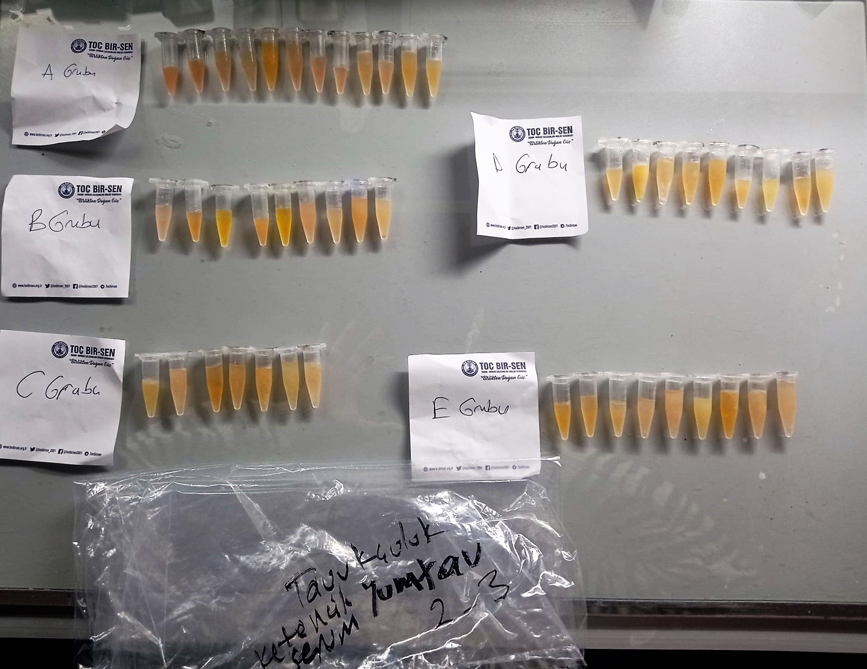

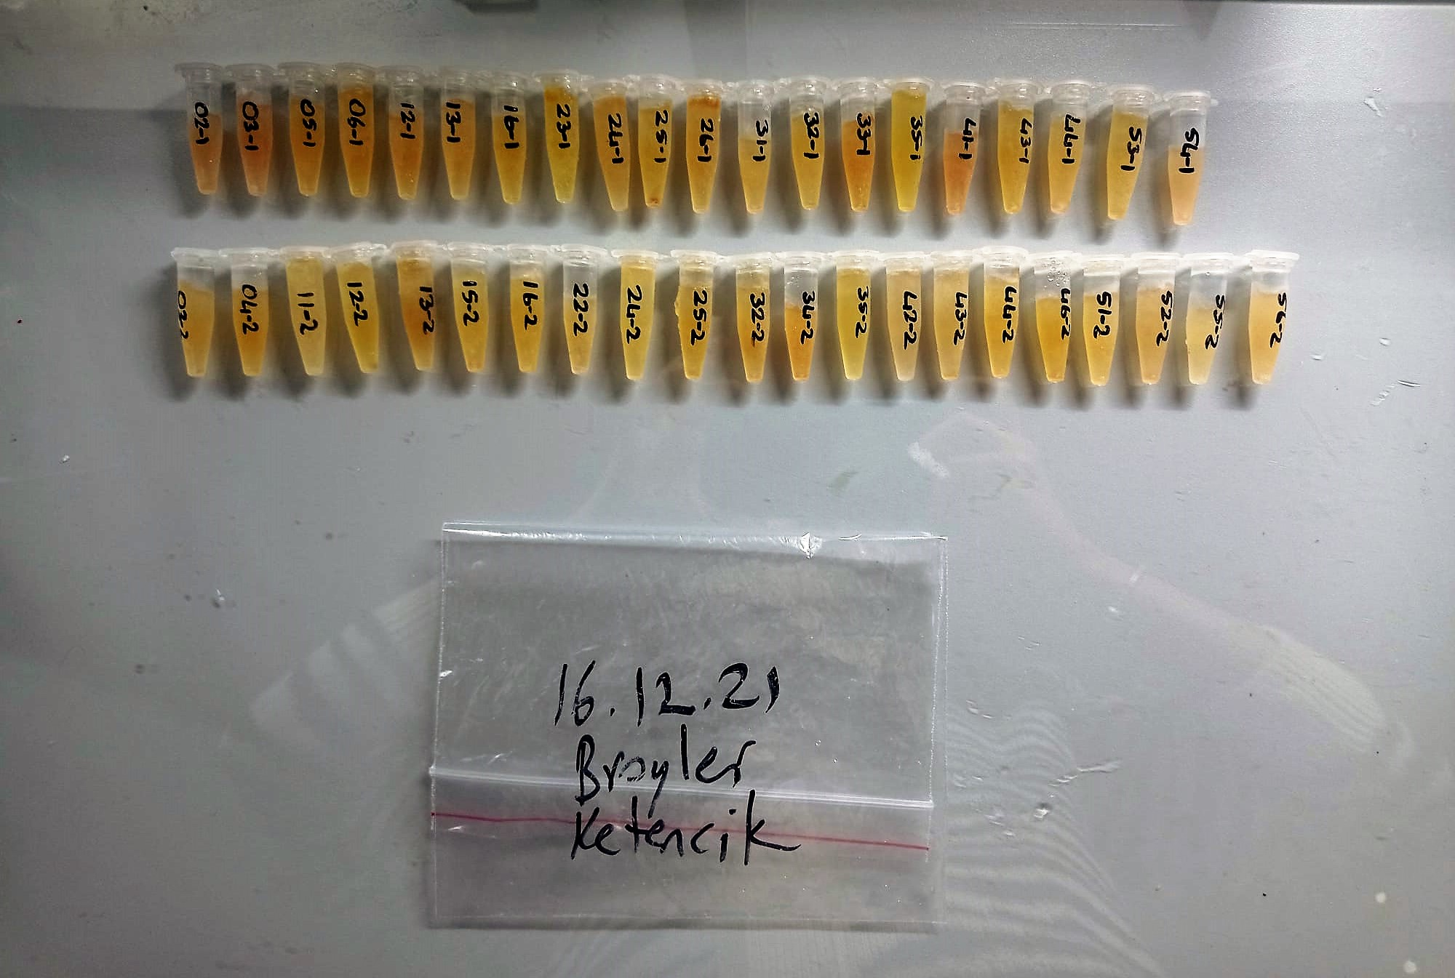

Total Protein g/dl
Colorimetric assay, Sample and addition of Reagent start of the reaction:
Divalent copper reacts in alkaline solution with protein peptide bonds to form the characteristic purple-colored biuret complex.
Sodium potassium tartrate prevents the precipitation of copper hydroxide and potassium iodide prevents auto reduction of copper. alkaline protein + Cu2+ solution Cu-protein complex
The color intensity is directly proportional to the protein concentration which can be determined photometrically.

Albumin g/dl
Colorimetric assay, endpoint method
• Sample and addition of R1
• Start of the reaction:
At a pH value of 4.1 albumin displays a sufficiently cationic character to be able to bind with bromocresol green (BCG), any anionic dyestuff, to form a blue-green complex.
pH 4.1 albumin + BCG albumin BCG- complex
The color intensity of the blue-green color is directly proportional to the albumin concentration and can be determined photometrical

Cholesterol Total mg/dl
Cholesterol ester + H2O Cholesterol + fatty acids
Cholesterol esters are ceaved by the action of choesterol esterase to yield free
choesterol and fatty acids Cholesterol oxidase Cholesterol + O2 Cholesten-3-on + H2O2
Peroxidase
2H2O2 + Phenol + 4-Aminoantipyrine Quinoneimine dye + 4 H2O
Cholesterol is converted by oxygen with the aid of cholesterol oxidase to A4- Cholestenone and hydrogen peroxide.
Hydrogen peroxide created forms a red dyestuff by reacting with 4-aminoantipyrine and phenol under the catalytic action of peroxidase.
The color intensity is directly proportional to the concentration of cholesterol and can be determined photometrically.

Triglycerides mg/dl
Triglycerides in the sample originates, by means of the coupled reactions described below, acoloured complex that can be measured by spectrophotometry.
Triglycerides + H2O lipase Glycerol + Fatty acids
Glycerol + ATP glycerol kinase Glycerol – 3 – P + ADP
Glycerol – 3 –P + O2 G-3-P-oxidase Dihidroxyacetone – P +H2O2
2 H2O2 + 4 – Aminoantipyrine + 4 – Chlorophenol G-3-P-oxidas Quinoneimine + 4 H2O

fT3 Test Principle
This ELISA kit uses the Competitive-ELISA principle. The micro ELISA plate provided in this kit has been pre-coated with fT3.
During the reaction, fT3 in samples or Standard competes with a fixed amount of fT3 on the solid phase supporter for sites on the Biotinylated Detection Ab specific to fT3.
Excess conjugate and unbound sample or standard are washed from the plate, and Avidin conjugated to Horseradish Peroxidase (HRP) are added to each microplate well and incubated.
Then a TMB substrate solution is added to each well. The enzyme-substrate reaction is terminated by the addition of stop solution and the color change is measured spectrophotometrically at a wavelength of 450±2 nm.
The concentration of fT3 in the samples is then determined by comparing the OD of the samples to the standard curve.

fT4 Test Principle
This ELISA kit uses the Competitive-ELISA principle. The micro ELISA plate provided in this kit has been pre-coated with fT4.
During the reaction, fT4 in samples or Standard competes with a fixed amount of fT4 on the solid phase supporter for sites on the Biotinylated Detection Ab specific to fT4.
Excess conjugate and unbound sample or standard are washed from the plate, and Avidin conjugated to Horseradish Peroxidase (HRP) are added to each microplate well and incubated.
Then a TMB substrate solution is added to each well. The enzyme-substrate reaction is terminated by the addition of stop solution and the color change is measured spectrophotometrically at a wavelength of 450±2 nm.
The concentration of fT4 in the samples is then determined by comparing the OD of the samples to the standard curve.

Chicken IgG Assay Principle
This kit is an Enzyme-Linked Immunosorbent Assay (ELISA). The plate has been pre-coated with Ch IgG antibody. Ch IgG present in the sample is added and binds to antibodies coated on the wells.
And then biotinylated Ch IgG Antibody is added and binds to Ch IgG in the sample. Then Streptavidin-HRP is added and binds to the Biotinylated Ch IgG antibody.
After incubation unbound Streptavidin-HRP is washed away during a washing step. Substrate solution is then added and color develops in proportion to the amount of Ch IgG.
The reaction is terminated by addition of acidic stop solution and absorbance is measured at 450 nm.

lgA mg/dL
Immunoglobulins A (IgA) selectively react with an anti-IgA antibody and form an immunocomplex.
The produced turbidity is proportional to the concentration of IgA in the sample, and can be measured at the wavelenght of 600 nm

lgM mg/dL
Immunoglobulins M (IgM) selectively react with an antiIgM antibody and form an immunocomplex.
The produced turbidity is proportional to the concentration of IgM in the sample, and can be measured at the wavelenght of 340 nm.

TOTAL ANTIOXDANT STATUS (TAS) (mmol/L)
TAS levels were measured using commercially available kits (Relassay, Turkey). The novel
automated method is based on the bleaching of characteristic color of a more stable ABTS
(2,2 ′ - Azino-bis(3-ethylbenzothiazoline-6-sulfonic acid)) radical cation by antioxidants. The
assay has excellent precision values, which are lower than 3%. The results were expressed as
mmol Trolox equivalent/L (Erel O. A novel automated direct measurement method for total
antioxidant capacity using a new generation, more stable ABTS radicalcation. Clin Biochem
2004;37:277-85.)
(Relassay,Turkey)

TOTAL OXIDANT STATUS (TOS) (µmol/L)
TOS levels were measured using commercially available kits (Relassay, Turkey. In the new
method, oxidants present in the sample oxidized the ferrous ion-o-dianisidine complex to
ferric ion. The oxidation reaction was enhanced by glycerol molecules abundantly present in
the reaction medium. The ferric ion produced a colored complex with xylenol orange in an
acidic medium. The color intensity, which could be measured spectrophotometrically, was
related to the total amount of oxidant molecules present in the sample. The assay was
calibrated with hydrogen peroxide and the results were expressed in terms of
micromolar hydrogen peroxide equivalent per liter (μmol H2O2 equivalent/L). ( Erel O. A
new automated colorimetric method for measuringtotal oxidant status. Clin Biochem
2005;38:1103-11. ).
(Relassay,Turkey)

OXIDATIVE STRESS INDEX (OSI)
The ratio of TOS to TAS was accepted as the oxidative stress index (OSI). For calculation, the
resulting unit of TAS was converted to μmol/L, and the OSI value was calculated according to
the following Formula : OSI (arbitrary unit) =
TOS (μmol H2O2 equivalent/L) / TAC (μmol Trolox equivalent/L). (1-3).
1. Yumru M, Savas HA, Kalenderoglu A, Bulut M, Celik H, Erel O. Oxidative imbalance in
bipolar disorder subtypes: a comparative study. Prog Neuropsychopharmacol Biol Psychiatry.
2009 Aug 31;33(6):1070-4.
2. Kosecik M, Erel O, Sevinc E, Selek S. Increased oxidative stress in children exposed to
passive smoking. Int J Cardiol 2005;100:61–4.
3. (Harma M, Harma M, Erel O (2003) Increased oxidative stress in patients with
hydatidiform mole. Swiss Med Wkly 133:563-536).

