A grubu MDA
MDA
2.481 | 100
1.673 | 50
0.994 | 25
0.513 | 12.5
0.288 | 6.25
0.122 | 3.125
0 | 0

 | absorbans | abs-blank | expected | result
std1 | 2.511 | 2.481 | 100 | 99.11
std2 | 1.703 | 1.673 | 50 | 52.40
std3 | 1.024 | 0.994 | 25 | 24.30
std4 | 0.543 | 0.513 | 12.5 | 10.55
std5 | 0.318 | 0.288 | 6.25 | 5.87
std6 | 0.152 | 0.122 | 3.125 | 3.14
blank | 0.03 | 0 | 0 | 1.51

 |  |  |  |  | concentratıon (mmol/L)

Numune | absorbans | blank | abs-blank | result
A-1 | 0.198 | 0.03 | 0.168 | 3.83
A-2 | 0.223 | 0.03 | 0.193 | 4.23
A-3 | 0.221 | 0.03 | 0.191 | 4.20
A-4 | 0.234 | 0.03 | 0.204 | 4.41
A-5 | 0.278 | 0.03 | 0.248 | 5.16
A-6 | 0.222 | 0.03 | 0.192 | 4.21
A-7 | 0.283 | 0.03 | 0.253 | 5.24
A-8 | 0.077 | 0.03 | 0.047 | 2.10
A-9 | 0.225 | 0.03 | 0.195 | 4.26
A-10 | 0.182 | 0.03 | 0.152 | 3.58
A-11 | 0.214 | 0.03 | 0.184 | 4.09
A-12 | 0.301 | 0.03 | 0.271 | 5.56
A-13 | 0.158 | 0.03 | 0.128 | 3.22
A-14 | 0.199 | 0.03 | 0.169 | 3.85
A-15 | 0.169 | 0.03 | 0.139 | 3.39
A-16 | 0.148 | 0.03 | 0.118 | 3.08
A-17 | 0.262 | 0.03 | 0.232 | 4.88
A-18 | 0.179 | 0.03 | 0.149 | 3.54
A-19 | 0.267 | 0.03 | 0.237 | 4.97
A-20 | 0.453 | 0.03 | 0.423 | 8.54
A-21 | 0.262 | 0.03 | 0.232 | 4.88
A-22 | 0.183 | 0.03 | 0.153 | 3.60
A-23 | 0.145 | 0.03 | 0.115 | 3.03
A-24 | 0.147 | 0.03 | 0.117 | 3.06
A-25 | 0.255 | 0.03 | 0.225 | 4.76
A-26 | 0.144 | 0.03 | 0.114 | 3.02
A-27 | 0.245 | 0.03 | 0.215 | 4.59
A-28 | 0.23 | 0.03 | 0.2 | 4.34
A-29 | 0.233 | 0.03 | 0.203 | 4.39
A-30 | 0.208 | 0.03 | 0.178 | 3.99
A-31 | 0.419 | 0.03 | 0.389 | 7.83
A-32 | 0.214 | 0.03 | 0.184 | 4.09
A-33 | 0.213 | 0.03 | 0.183 | 4.07
A-34 | 0.27 | 0.03 | 0.24 | 5.02
A-35 | 0.211 | 0.03 | 0.181 | 4.04
A-36 | 0.329 | 0.03 | 0.299 | 6.07
A-37 | 0.212 | 0.03 | 0.182 | 4.05
A-38 | 0.234 | 0.03 | 0.204 | 4.41
A-39 | 0.237 | 0.03 | 0.207 | 4.46
A-40 | 0.301 | 0.03 | 0.271 | 5.56

Materyal-metod
KİT ADI | TÜR | MARKA | Yöntem
AST: Aspartat Aminotransferaz | Universal | REL ASSAY | Kolorimetrik
ALT: Alanin aminotransferaz | Universal | REL ASSAY | Kolorimetrik
ALP: Alkaline Phosphatase | Universal | REL ASSAY | Kolorimetrik
LDL: LDL Cholesterol | Universal | REL ASSAY | Kolorimetrik
HDL: HDL Cholesterol | Universal | REL ASSAY | Kolorimetrik
CHOL: Total Cholesterol | Universal | REL ASSAY | Kolorimetrik
TG: Triglycerides | Universal | REL ASSAY | Kolorimetrik
MDA: Malondialdehit | Universal | REL ASSAY | Kolorimetrik
TAS(Total Antioxidant Status) | Universal | REL ASSAY | Kolorimetrik
TOS(Total Oxidant Status) | Universal | REL ASSAY | Kolorimetrik
SOD: Super Oxıde Dismutase | Universal | REL ASSAY | Kolorimetrik
CAT: Catalase | Universal | REL ASSAY | Kolorimetrik
GPx: Glutathione Peroxidase | Universal | REL ASSAY | Kolorimetrik
Centrifuge: HETTICH Mıcro 200-R
MINDRAY BS-300 Tam Otomatik Analizör
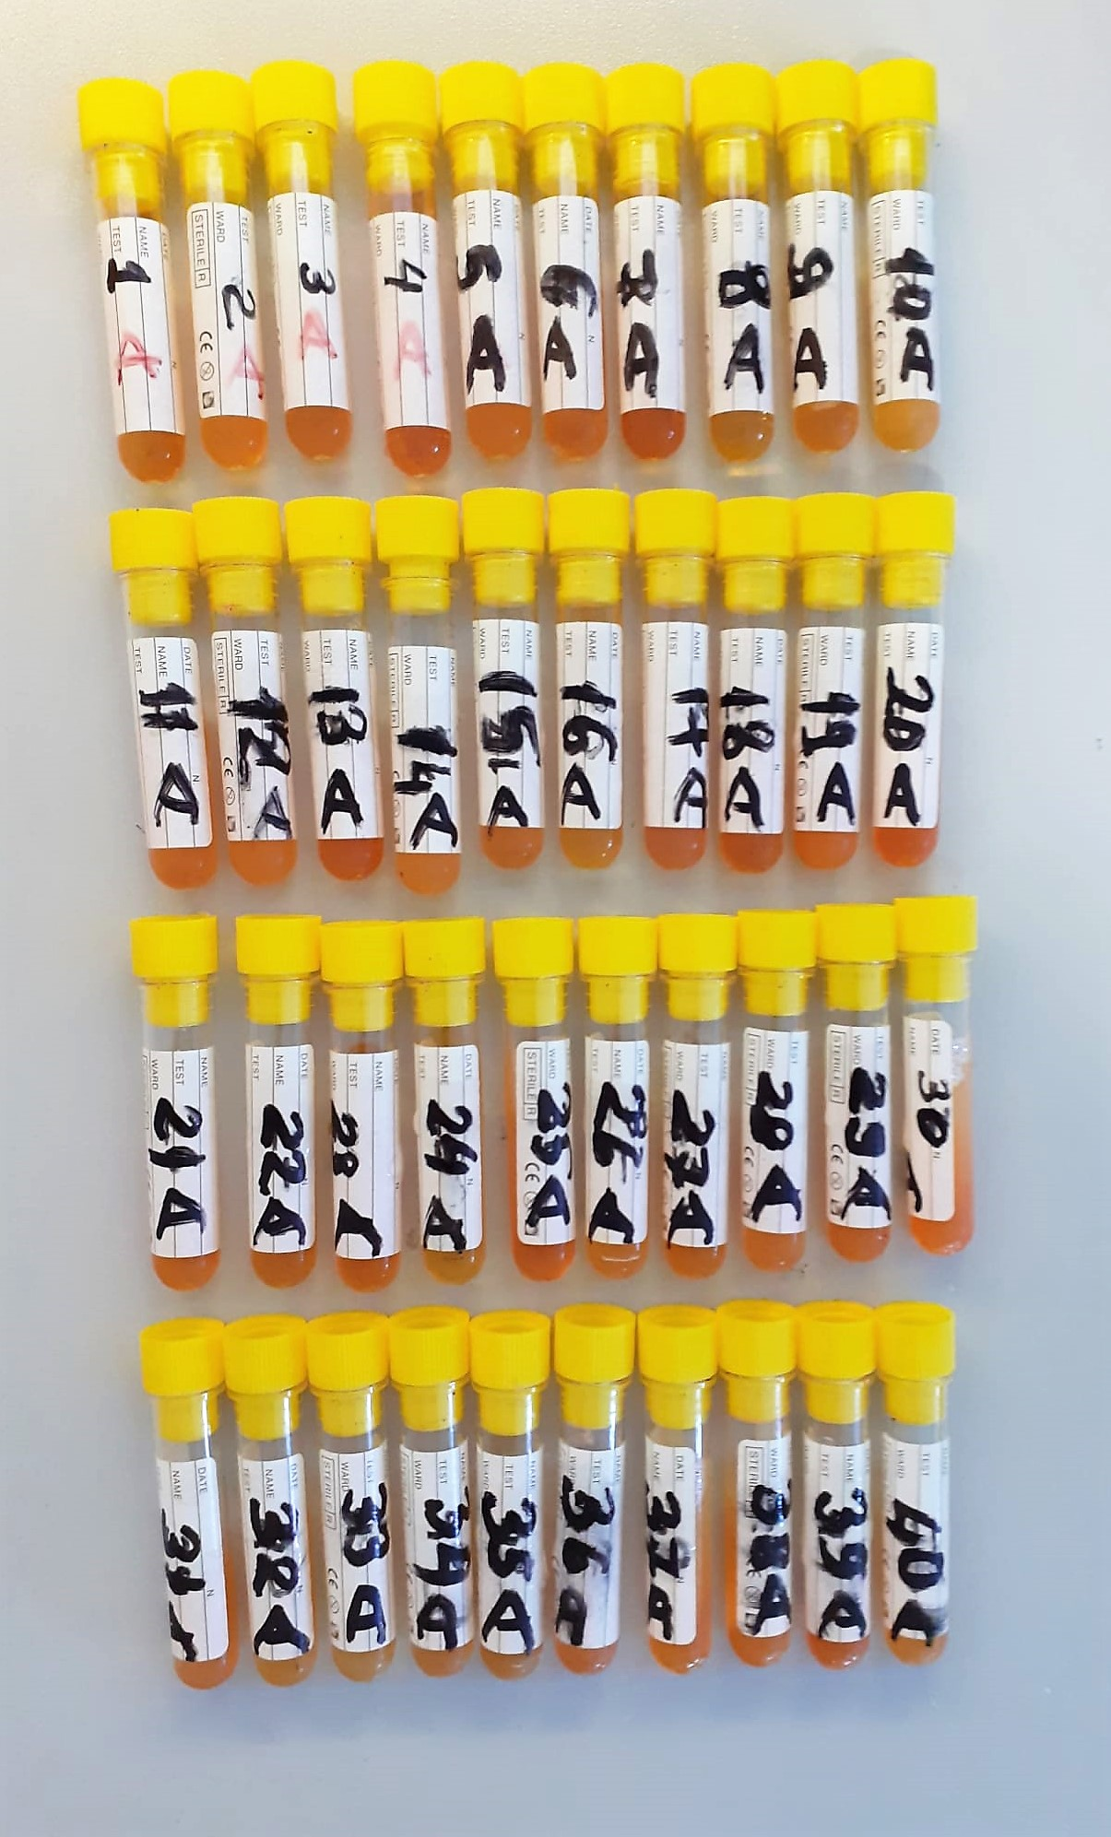
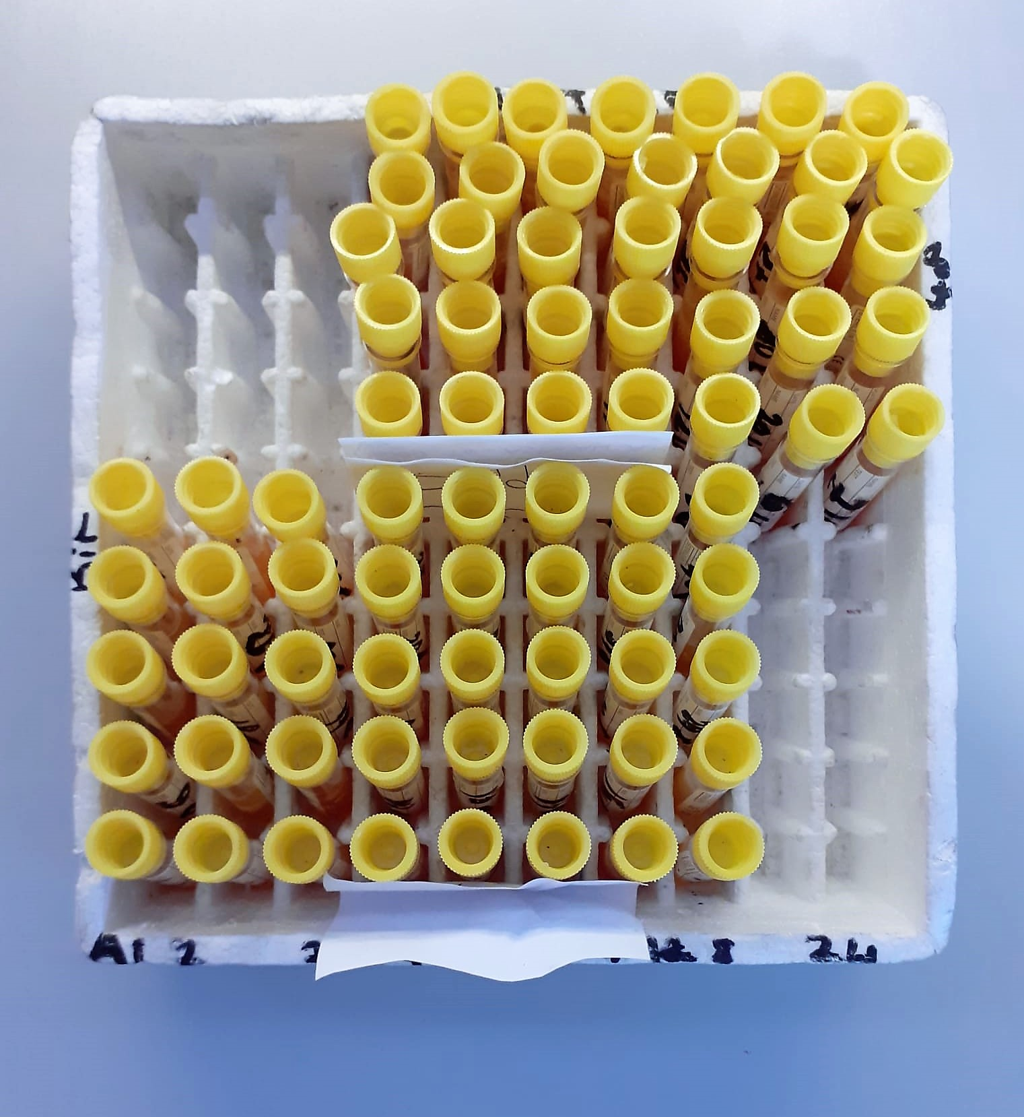

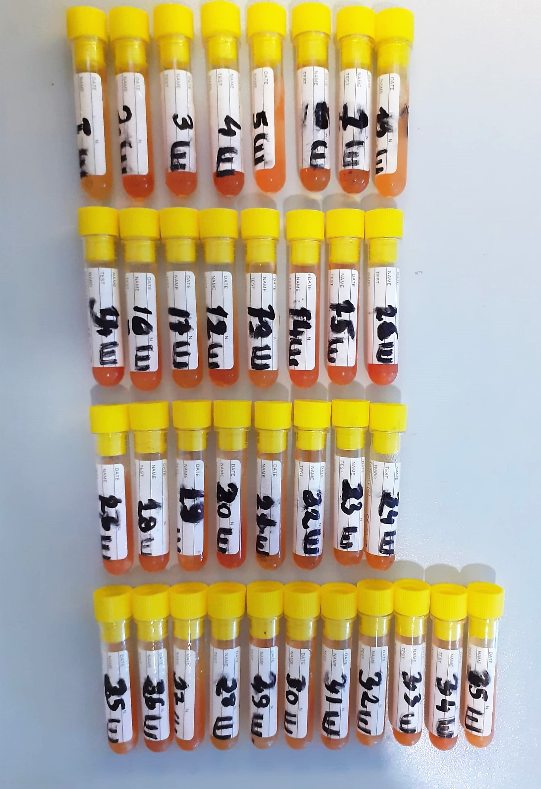

AST U/L
UV test according to a standarrized method
Sample and addition of R1 (buffer)
Addition of R2 and start of reaction: AST
α-ketoglutarate + L-aspartate L- glutamate + oxaloasetate
AST is the enzyme which catalyzes this equilibrium reaction. The oxaloacetate in- crease is measured in a subsequent indicator reaction which is catalyzed by malate dehydrogenase.
MDH
oxalacetate + NADH + H+ L-Malate + NAD+
In the second reaction, NADH is oxidized to NAD. The rate of decrease in NADH
(Measured photometrically) is directly proportional to the rate of formation of
oxaloasetate, and thus the AST activity.

ALT U/L
UV test according to the IFCC method.
ALT
L-Alanin + 2-Oxoglutarate ⎯⎯ L-Glutamate + Pyruvat

Alkaline Phosphatase (ALP) U/L
Colorimetric assay in accordance with a standardized method.
ALP, Mg2
p - Nitrophenylphosphate+ H2O Phosphate + p - Nitrophenol
In the presence of magnesium and zinc ions, p-nitrophenyl phosphate is hydrolyzed by phosphatases to form phosphate and p-nitrophenol.
In this process AMP serves as transient phosphate acceptor. The release of coloured p-nitrophenol is proportional to the ALP activity and can be measured photometrically.

Clolesterol Total mg/dl
Cholesterol ester + H2O Cholesterol + fatty acids
Cholesterol esters are ceaved by the action of choesterol esterase to yield free
choesterol and fatty acids Cholesterol oxidase Cholesterol + O2 Cholesten-3-on + H2O2
Peroxidase
2H2O2 + Phenol + 4-Aminoantipyrine Quinoneimine dye + 4 H2O
Cholesterol is converted by oxygen with the aid of cholesterol oxidase to A4- Cholestenone and hydrogen peroxide.
Hydrogen peroxide created forms a red dyestuff by reacting with 4-aminoantipyrine and phenol under the catalytic action of peroxidase.
The color intensity is directly proportional to the concentration of cholesterol and can be determined photometrically.

HDL Cholesterol mg/dl
Enzymatic colorimetric test
• Sample and addition of R1
• Addition of R2 and start of reaction
In the first step LDL, VLDL and Chylomicrons are eliminated and transformed to
non reactive compounds and specific condition for the reaction. By the second
reagent only the HDL-Cholesterol is subject to color reaction
Cholesterol Esterase
Cholesterol ester + H2O Cholesterol + fatty acid
Cholesterol Oxidase
Cholesterol + O2 Cholesten-3-on + H2O2
Peroxidase
H2O2 + phenol + 4-aminoantipyrine quinoneimine dye+4 H2O

LDL Cholesterol mg/dl
İlk adımda, HDL, VLDL ve Şilomikronlar elimine edilir ve reaksiyon için özel koşulda reaktif olmayan bileşiklere dönüştürülür. İkinci reaktif sadece LDL-kolesterol renk reaksiyonudur.
Kolesterol esteraz
Kolesterol ester + H2O kolesterol + yağ asidi
Kolesterol Oksidaz
Kolesterol + O2 kolesten-3-on + H2O2
peroksidaz
H2O2 + fenol + 4- aminoantipirin kinon boyası +4 H2O

Triglycerides mg/dl
Triglycerides in the sample originates, by means of the coupled reactions described below, acoloured complex that can be measured by spectrophotometry.
Triglycerides + H2O lipase Glycerol + Fatty acids
Glycerol + ATP glycerol kinase Glycerol – 3 – P + ADP
Glycerol – 3 –P + O2 G-3-P-oxidase Dihidroxyacetone – P +H2O2
2 H2O2 + 4 – Aminoantipyrine + 4 – Chlorophenol G-3-P-oxidas Quinoneimine + 4 H2O

Malondialdehyde (MDA) nmol/L
The MDA level was determined by a method based
on the reaction with thiobarbituric acid (TBA) at 90–100_C
. In the TBA test reaction, MDA or MDA-like
substances and TBA react with the production of a pink
pigment with a maximum absorption at 532 nm. The
reaction was performed at pH 2–3 at 90_C for 15 min. The
sample was mixed with two volumes of cold 10% (w/v)
trichloroacetic acid for the precipitation of protein. The
precipitate was pelleted by centrifugation, and an aliquot of
the supernatant was reacted with an equal volume of 0.67%
(w/v) TBA in a boiling water bath for 10 min. After
cooling, the absorbance was read at 532 nm.

TOTAL ANTIOXDANT STATUS (TAS) (mmol/L)
TAS levels were measured using commercially available kits (Relassay, Turkey). The novel
automated method is based on the bleaching of characteristic color of a more stable ABTS
(2,2 ′ - Azino-bis(3-ethylbenzothiazoline-6-sulfonic acid)) radical cation by antioxidants. The
assay has excellent precision values, which are lower than 3%. The results were expressed as
mmol Trolox equivalent/L (Erel O. A novel automated direct measurement method for total
antioxidant capacity using a new generation, more stable ABTS radicalcation. Clin Biochem
2004;37:277-85.)
(Relassay,Turkey)

TOTAL OXIDANT STATUS (TOS) (µmol/L)
TOS levels were measured using commercially available kits (Relassay, Turkey. In the new
method, oxidants present in the sample oxidized the ferrous ion-o-dianisidine complex to
ferric ion. The oxidation reaction was enhanced by glycerol molecules abundantly present in
the reaction medium. The ferric ion produced a colored complex with xylenol orange in an
acidic medium. The color intensity, which could be measured spectrophotometrically, was
related to the total amount of oxidant molecules present in the sample. The assay was
calibrated with hydrogen peroxide and the results were expressed in terms of
micromolar hydrogen peroxide equivalent per liter (μmol H2O2 equivalent/L). ( Erel O. A
new automated colorimetric method for measuringtotal oxidant status. Clin Biochem
2005;38:1103-11. ).
(Relassay,Turkey)

OXIDATIVE STRESS INDEX (OSI)
The ratio of TOS to TAS was accepted as the oxidative stress index (OSI). For calculation, the
resulting unit of TAS was converted to μmol/L, and the OSI value was calculated according to
the following Formula : OSI (arbitrary unit) =
TOS (μmol H2O2 equivalent/L) / TAC (μmol Trolox equivalent/L). (1-3).
1. Yumru M, Savas HA, Kalenderoglu A, Bulut M, Celik H, Erel O. Oxidative imbalance in
bipolar disorder subtypes: a comparative study. Prog Neuropsychopharmacol Biol Psychiatry.
2009 Aug 31;33(6):1070-4.
2. Kosecik M, Erel O, Sevinc E, Selek S. Increased oxidative stress in children exposed to
passive smoking. Int J Cardiol 2005;100:61–4.
3. (Harma M, Harma M, Erel O (2003) Increased oxidative stress in patients with
hydatidiform mole. Swiss Med Wkly 133:563-536).

Super Oxide Dismutase (SOD) U/ml
The role of speroxide dismutase is to accelerate the dismutation of the toxic radical, produced
during oxidative energy processes to hydrogen peroxide and molecular oxygen. This method
employs xanthine and xanthine oxidase to generate superoxide radicals which react with 2-(4-
iodophenyl)-3-(4-nitrophenol)-5-phenyltetrazolium chloride to form a red formazan dye.. the
superoxide dismutase activity is then measured by the degree of inhibiton of this reaction
(Relassay, Turkey)

Catalase (CAT) U/L
This colorimetric assay involves two steps. Sample is first incubated with a known amount of
hydrogen peroxide. Sample converts hydrogen peroxide to water and oxygen. The ratio is
proportional to the concentration of catalase. The enzyme is stopped and the remaining
hydrogen peroxide, following a fixed incubation period, is determined using a chromogen.
The resulting absorbance is measured at 405 nm and the obtained results are expressed as U/L.
(Relassay, Turkey)

GPx (U/L)
This method is based on that of Paglia and Valentine. Glutathione Peroxidase (GPx) catalses of the
oxidation of glutathione by cumene hydroperoxide. In the presence of glutathione (GSSG) is
immediately converted to the reduced form with a concomitant oxidation of NADPH to NADP. The decrease in absorbance at 340 nm is measured
Referanslar
Paglia, D.E. and Valentine, W.N., J. Lab. Clin. Med., 1967; 70: 158.
Prohaska, J.R., Oh, S.H., Hoekstra, W.G. & Ganther,
H.E. Biochem. & Biophys. Res. Comm. 1977; 74: 64.
Kraus, R.J. & Ganther, H. E. Biochem. & Biophys. Res. Comm 1980; 96: 1116.
(Relassay, Turkey)

