Biyokimya
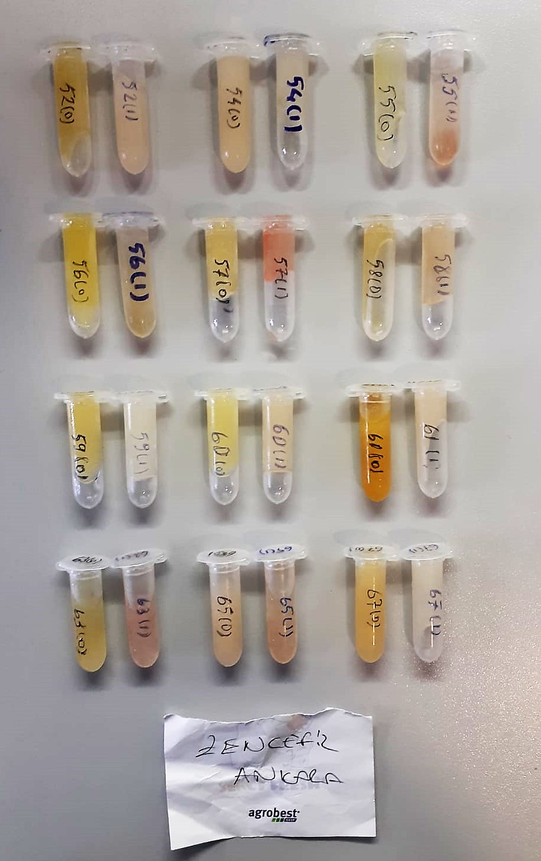
Numune Adı | TAS(mmol/L) | TOS (µmol/L) | OSI | PON-1(U/L) | CAT (U/L) | SOD (U/ml) | IgA mg/dl) | GPX (U/L) | IgM (mg/dl)
52(0) | 1.21 | 3.52 | 0.291 | 42 | 168.8 | 288 | 1.5 | 806 | 14.2
52(1) | 1.12 | 0.42 | 0.038 | 498 | 80.86 | 291.8 | 0.19 | 560 | 8.31 | Kullanılan cihaz: Mindray marka BS300 model tam otomatik biyokimya cihazı
54(0) | 0.76 | 3.94 | 0.518 | 36 | 297.3 | 300.8 | 6.94 | 384 | 5.24 | SOD: Super Oxıde Dismutase
54(1) | 0.72 | 0.38 | 0.053 | 588 | 68.81 | 323.7 | 0.12 | 559 | 2.99 | CAT: Catalase
55(0) | 0.98 | 0.99 | 0.101 | 43 | 42.2 | 264.5 | 0.14 | 519 | 6.21 | GPx: Glutathione Peroxidase
55(1) | 1.09 | 0.29 | 0.027 | 223 | 117.6 | 306.4 | 0.04 | 516 | 7.68 | TAS: Total Antıoxıdant Status
56(0) | 1.1 | 0.88 | 0.080 | 33 | 109.8 | 274.3 | 0.21 | 418 | 9.95 | TOS: Total Oxıdant Status
56(1) | 1.08 | 0.92 | 0.085 | 575 | 70.91 | 273.6 | 0.1 | 541 | 10.42 | OSI: Oxıdatıve Stress Index
57(0) | 1.1 | 4.76 | 0.433 | 21 | 106.8 | 186.9 | 0.2 | 782 | 10.72 | MDA: Malondialdehit
57(1) | 1.17 | 9.43 | 0.806 | 253 | 178.9 | 138 | 0.85 | 411 | 15.24 | PON: Paraoxanase
58(0) | 1.06 | 3.64 | 0.343 | 23 | 93.83 | 329.6 | 0.91 | 844 | 5.67 | IgA: Immunoglobulin A
58(1) | 1.07 | 0.95 | 0.089 | 326 | 103.3 | 377.7 | 0.18 | 572 | 3.68 | IgM: Immunoglobulin M
59(0) | 0.84 | 4.76 | 0.567 | 44 | 147.9 | 241 | 0.5 | 363 | 3.1 | IgG: Immunoglobulin G
59(1) | 0.85 | 0.2 | 0.024 | 322 | 37.42 | 265.5 | 0.22 | 515 | 2.8
60(0) | 1.06 | 1.98 | 0.187 | 28 | 47.81 | 235.6 | 0.33 | 1048 | 3.45
60(1) | 0.98 | 0.48 | 0.049 | 312 | 49.5 | 303.8 | 0.16 | 602 | 4.5
61(0) | 0.94 | 9.64 | 1.026 | 19 | 319.2 | 253.3 | 4.3 | 420 | 11.2
61(1) | 0.72 | 0.37 | 0.051 | 484 | 243.7 | 410.7 | 6.7 | 509 | 12.51
63(0) | 0.98 | 3.99 | 0.407 | 45 | 158.3 | 308.4 | 2.78 | 600 | 8.16
63(1) | 1.16 | 7.12 | 0.614 | 261 | 120.6 | 240.8 | 0.2 | 495 | 9.19
65(0) | 1.05 | 6.15 | 0.586 | 40 | 185.4 | 285.4 | 1.65 | 573 | 4.67
65(1) | 1.07 | 1.48 | 0.138 | 443 | 127.2 | 242.1 | 0.03 | 596 | 2.23
67(0) | 0.98 | 6.81 | 0.695 | 37 | 214.7 | 248.3 | 2.38 | 720 | 3.76
67(1) | 0.67 | 1.62 | 0.242 | 432 | 154.5 | 275.7 | 3.78 | 655 | 1.15

MDA
MDA
2.481 | 100
1.673 | 50
0.994 | 25
0.513 | 12.5
0.288 | 6.25
0.122 | 3.125
0 | 0
 | absorbans | abs-blank | expected | result
std1 | 2.511 | 2.481 | 100 | 99.11157344
std2 | 1.703 | 1.673 | 50 | 52.40258016
std3 | 1.024 | 0.994 | 25 | 24.29762944
std4 | 0.543 | 0.513 | 12.5 | 10.54810976
std5 | 0.318 | 0.288 | 6.25 | 5.87012576
std6 | 0.152 | 0.122 | 3.125 | 3.13537536
blank | 0.03 | 0 | 0 | 1.5134

 |  |  |  |  | concentratıon (mmol/L)

Numune | absorbans | abs-blank | result
52(0) | 0.438 | 0.408 | 8.2259
52(1) | 0.11 | 0.08 | 2.5399
54(0) | 0.427 | 0.397 | 7.9968
54(1) | 0.126 | 0.096 | 2.7622
55(0) | 0.233 | 0.203 | 4.3938
55(1) | 0.103 | 0.073 | 2.4444
56(0) | 0.287 | 0.257 | 5.3132
56(1) | 0.128 | 0.098 | 2.7903
57(0) | 0.295 | 0.265 | 5.4549
57(1) | 0.157 | 0.127 | 3.2089
58(0) | 0.387 | 0.357 | 7.1859
58(1) | 0.155 | 0.125 | 3.1794
59(0) | 0.241 | 0.211 | 4.5259
59(1) | 0.083 | 0.053 | 2.1777
60(0) | 0.139 | 0.109 | 2.9469
60(1) | 0.95 | 0.92 | 21.8498
61(0) | 0.472 | 0.442 | 8.9512
61(1) | 0.269 | 0.239 | 4.9996
63(0) | 0.24 | 0.21 | 4.5093
63(1) | 0.122 | 0.092 | 2.7061
65(0) | 0.434 | 0.404 | 8.1423
65(1) | 0.181 | 0.151 | 3.5693
67(0) | 0.309 | 0.279 | 5.7063
67(1) | 0.198 | 0.168 | 3.8323

IgG
1.092 | 0.458 | 0.45 | 0.558
1.071 | 0.51 | 0.439 | 0.697
1.284 | 0.551 | 0.449 | 0.512
IgG
2.135 | 320
1.027 | 160
0.57 | 80
0.267 | 40
0.113 | 20
0 | 0
0.882 | 0.598 | 0.58 | 0.615
0.615 | 0.471 | 0.512 | 0.609
0.045 | 0.483 | 0.52 | 0.703
 | 0.42 | 0.344 | 0.485
 | 0.577 | 0.541 | 0.722

 | abs | abs-blank | expected | result
std1 | 2.18 | 2.135 | 320 | 320.628
std2 | 1.072 | 1.027 | 160 | 155.299
std3 | 0.615 | 0.57 | 80 | 86.424
std4 | 0.312 | 0.267 | 40 | 40.538
std5 | 0.158 | 0.113 | 20 | 17.149
blank | 0.045 | 0 | 0 | -0.042

 |  |  |  |  | concentratıon (ug/ml)

Numune | absorbans | abs-blank | result
52(0) | 0.458 | 0.413 | 62.670
52(1) | 0.51 | 0.465 | 70.543
54(0) | 0.551 | 0.506 | 76.747
54(1) | 0.598 | 0.553 | 83.855
55(0) | 0.471 | 0.426 | 64.639
55(1) | 0.483 | 0.438 | 66.456
56(0) | 0.42 | 0.375 | 56.914
56(1) | 0.577 | 0.532 | 80.679
57(0) | 0.45 | 0.405 | 61.459
57(1) | 0.439 | 0.394 | 59.792
58(0) | 0.449 | 0.404 | 61.307
58(1) | 0.58 | 0.535 | 81.133
59(0) | 0.512 | 0.467 | 70.846
59(1) | 0.52 | 0.475 | 72.057
60(0) | 0.344 | 0.299 | 45.393
60(1) | 0.541 | 0.496 | 75.234
61(0) | 0.558 | 0.513 | 77.806
61(1) | 0.697 | 0.652 | 98.812
63(0) | 0.512 | 0.467 | 70.846
63(1) | 0.615 | 0.57 | 86.424
65(0) | 0.609 | 0.564 | 85.517
65(1) | 0.703 | 0.658 | 99.718
67(0) | 0.485 | 0.44 | 66.759
67(1) | 0.722 | 0.677 | 102.586

Centrifuge: HETTICH Mıcro 200-R
Microplate Reader: BIO-TEK EL X 800
Auto Strip Washer: BIO-TEK EL X 50

