Human Neopterin
2.32 | 0.875 | 0.637 | 0.775 | 2.95 | 2.786 | 1.697 | 2.475 | 0.606 | 2.665 | 0.597 | 2.014
1.633 | 0.26 | 0.995 | 1.717 | 1.265 | 1.362 | 0.826 | 0.893 | 1.942 | 0.63 | 0.615
1.072 | 1.107 | 1.921 | 1.055 | 1.982 | 0.865 | 0.692 | 0.864 | 0.964 | 0.938 | 2.92
0.794 | 0.73 | 0.763 | 1.46 | 2.462 | 0.776 | 0.723 | 0.867 | 2.547 | 2.744 | 0.775
0.395 | 1.764 | 0.701 | 0.672 | 0.79 | 2.064 | 2.399 | 1.976 | 2.89 | 0.922 | 1.02
0.088 | 1.825 | 0.73 | 0.754 | 2.021 | 1.089 | 0.885 | 2.885 | 2.836 | 0.928 | 2.09
 | 2.051 | 1.95 | 0.704 | 0.655 | 0.75 | 2.701 | 1.663 | 2.536 | 0.584 | 0.671
 | 1.08 | 2.232 | 2.02 | 2.316 | 2.975 | 1.014 | 1.995 | 1.949 | 2.738 | 1.502

NEOPTERİN

 | abs | abs-blank | expected | result
std1 | 2.32 | 2.232 | 20 | 19.92
std2 | 1.633 | 1.545 | 10 | 10.24
std3 | 1.072 | 0.984 | 5 | 4.72
std4 | 0.794 | 0.706 | 2.5 | 2.77
std5 | 0.395 | 0.307 | 1.25 | 0.90
blank | 0.088 | 0 | 0 | 0.20

 |  |  |  |  |  |  |  | concentratıon (nmol/L)

Numune | absorbans | blank | abs-blank | result
TALASEMİ-1 | 0.875 | 0.088 | 0.787 | 3.29
TALASEMİ-2 | 0.26 | 0.088 | 0.172 | 0.51
TALASEMİ-3 | 1.107 | 0.088 | 1.019 | 5.00
TALASEMİ-4(Özgür Karakaş) | 0.73 | 0.088 | 0.642 | 2.40
TALASEMİ-5(Rahime Kılıç) | 1.764 | 0.088 | 1.676 | 11.84
TALASEMİ-6(Ayten Kesmeci) | 1.825 | 0.088 | 1.737 | 12.62
TALASEMİ-7(Nursena) | 2.051 | 0.088 | 1.963 | 15.75
TALASEMİ-8(Zehra Egemen) | 1.08 | 0.088 | 0.992 | 4.78
TALASEMİ-9(Özlem Çolak) | 0.637 | 0.088 | 0.549 | 1.91
TALASEMİ-10(Yasin Kurt) | 0.995 | 0.088 | 0.907 | 4.13
TALASEMİ-11(Ertuğrul Aker) | 1.921 | 0.088 | 1.833 | 13.91
TALASEMİ-12(Abdurrahman Karaoğlu) | 0.763 | 0.088 | 0.675 | 2.59
TALASEMİ-13(Aynur) | 0.701 | 0.088 | 0.613 | 2.24
TALASEMİ-14(Serpil Karagöz) | 0.73 | 0.088 | 0.642 | 2.40
TALASEMİ-15(Eren Kıvrak) | 1.95 | 0.088 | 1.862 | 14.31
TALASEMİ-16(ilknur) | 2.232 | 0.088 | 2.144 | 18.50
54 | 0.775 | 0.088 | 0.687 | 2.66
55 | 1.717 | 0.088 | 1.629 | 11.25
56 | 1.055 | 0.088 | 0.967 | 4.58
57 | 1.46 | 0.088 | 1.372 | 8.31
58 | 0.672 | 0.088 | 0.584 | 2.09
59 | 0.754 | 0.088 | 0.666 | 2.54
60 | 0.704 | 0.088 | 0.616 | 2.26
61 | 2.02 | 0.088 | 1.932 | 15.30
62 | 2.95 | 0.088 | 2.862 | 31.61
63 | 1.265 | 0.088 | 1.177 | 6.38
64 | 1.982 | 0.088 | 1.894 | 14.76
65 | 2.462 | 0.088 | 2.374 | 22.32
66 | 0.79 | 0.088 | 0.702 | 2.75
67 | 2.021 | 0.088 | 1.933 | 15.31
68 | 0.655 | 0.088 | 0.567 | 2.00
1 | 2.316 | 0.088 | 2.228 | 19.85
2 | 2.786 | 0.088 | 2.698 | 28.31
3 | 1.362 | 0.088 | 1.274 | 7.31
4 | 0.865 | 0.088 | 0.777 | 3.22
5 | 0.776 | 0.088 | 0.688 | 2.67
6 | 2.064 | 0.088 | 1.976 | 15.94
7 | 1.089 | 0.088 | 1.001 | 4.85
8 | 0.75 | 0.088 | 0.662 | 2.51
9 | 2.975 | 0.088 | 2.887 | 32.13
10 | 1.697 | 0.088 | 1.609 | 11.01
11 | 0.826 | 0.088 | 0.738 | 2.97
12 | 0.692 | 0.088 | 0.604 | 2.19
13 | 0.723 | 0.088 | 0.635 | 2.36
14 | 2.399 | 0.088 | 2.311 | 21.24
15 | 0.885 | 0.088 | 0.797 | 3.35
16 | 2.701 | 0.088 | 2.613 | 26.67
17 | 1.014 | 0.088 | 0.926 | 4.27
18 | 2.475 | 0.088 | 2.387 | 22.54
19 | 0.893 | 0.088 | 0.805 | 3.41
20 | 0.864 | 0.088 | 0.776 | 3.21
21 | 0.867 | 0.088 | 0.779 | 3.23
22 | 1.976 | 0.088 | 1.888 | 14.67
23 | 2.885 | 0.088 | 2.797 | 30.28
24 | 1.663 | 0.088 | 1.575 | 10.60
28 | 1.995 | 0.088 | 1.907 | 14.94
29 | 0.606 | 0.088 | 0.518 | 1.76
30 | 1.942 | 0.088 | 1.854 | 14.20
31 | 0.964 | 0.088 | 0.876 | 3.90
32 | 2.547 | 0.088 | 2.459 | 23.82
33 | 2.89 | 0.088 | 2.802 | 30.38
34 | 2.836 | 0.088 | 2.748 | 29.29
35 | 2.536 | 0.088 | 2.448 | 23.62
36 | 1.949 | 0.088 | 1.861 | 14.29
37 | 2.665 | 0.088 | 2.577 | 25.99
38 | 0.63 | 0.088 | 0.542 | 1.87
39 | 0.938 | 0.088 | 0.85 | 3.72
40 | 2.744 | 0.088 | 2.656 | 27.49
41 | 0.922 | 0.088 | 0.834 | 3.60
42 | 0.928 | 0.088 | 0.84 | 3.65
43 | 0.584 | 0.088 | 0.496 | 1.65
44 | 2.738 | 0.088 | 2.65 | 27.37
45 | 0.597 | 0.088 | 0.509 | 1.71
46 | 0.615 | 0.088 | 0.527 | 1.80
47 | 2.92 | 0.088 | 2.832 | 30.99
48 | 0.775 | 0.088 | 0.687 | 2.66
49 | 1.02 | 0.088 | 0.932 | 4.31
50 | 2.09 | 0.088 | 2.002 | 16.32
51 | 0.671 | 0.088 | 0.583 | 2.08
52 | 1.502 | 0.088 | 1.414 | 8.76
53 | 2.014 | 0.088 | 1.926 | 15.21

Materyal-metod
KİT ADI | TÜR | MARKA | LOT | CAT. NO | Yöntem
Human Neopterin | Human | BT | 202108007 | E3155Hu | ELİSA
Centrifuge: HETTICH Mıcro 200-R
MINDRAY BS-300 Tam Otomatik Analizör
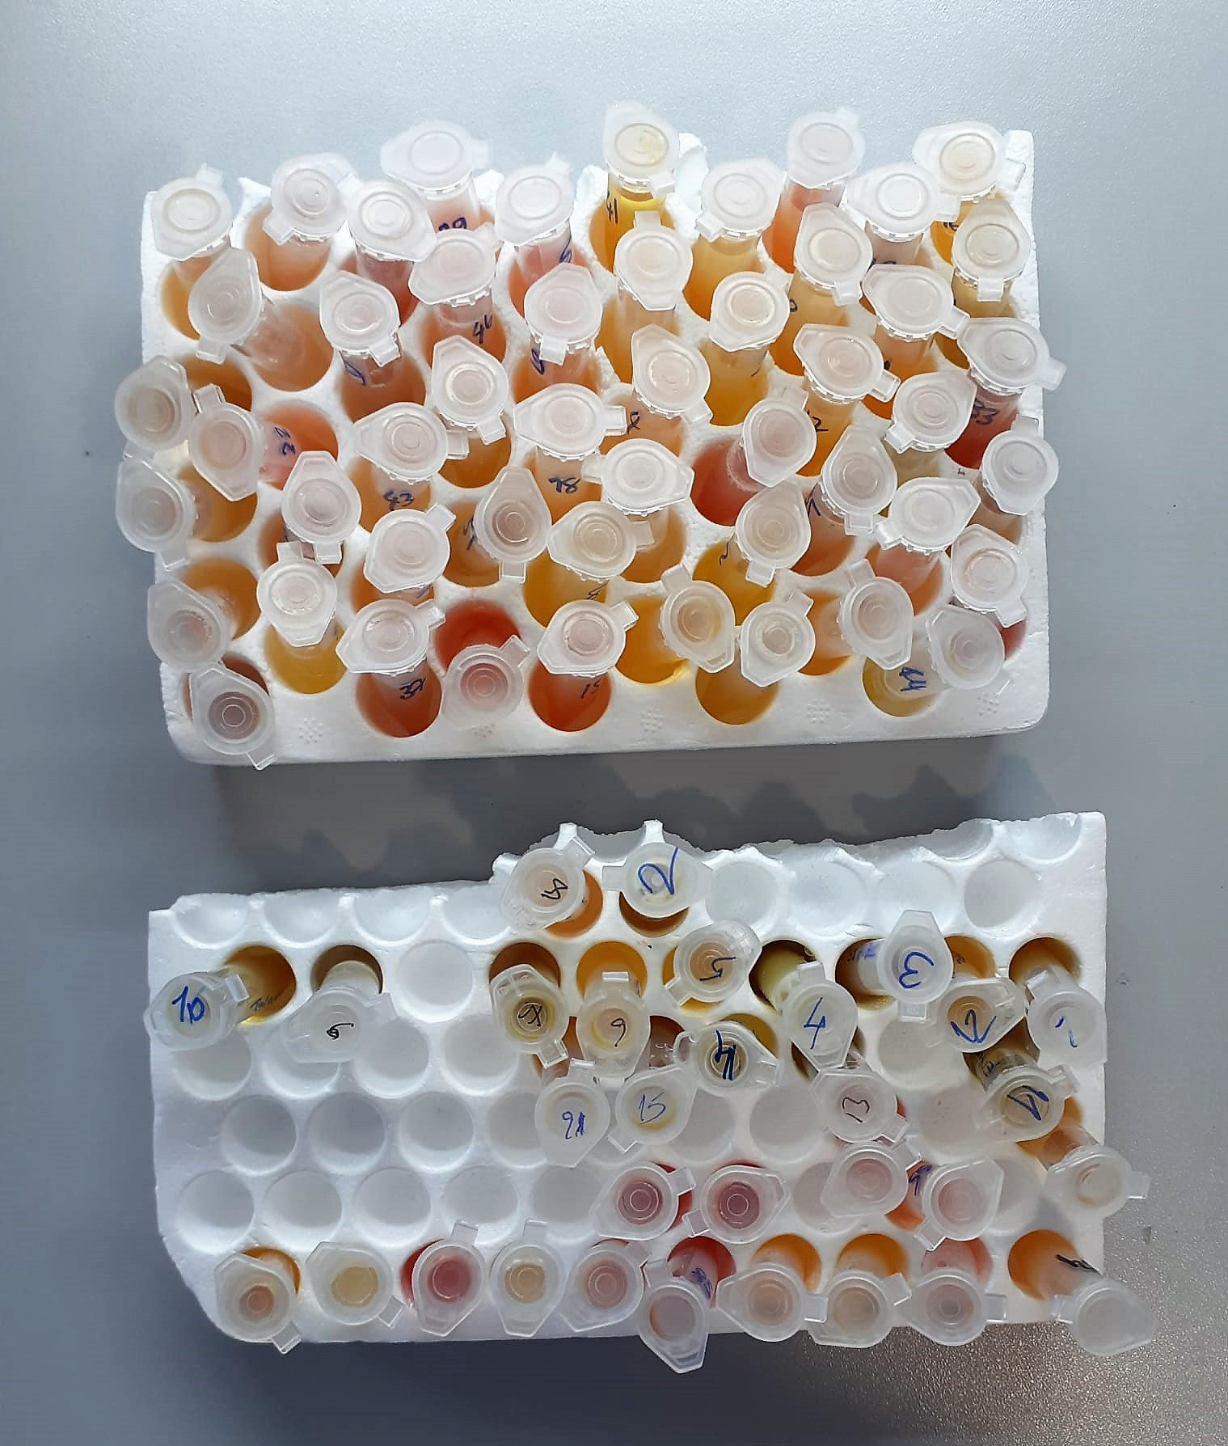
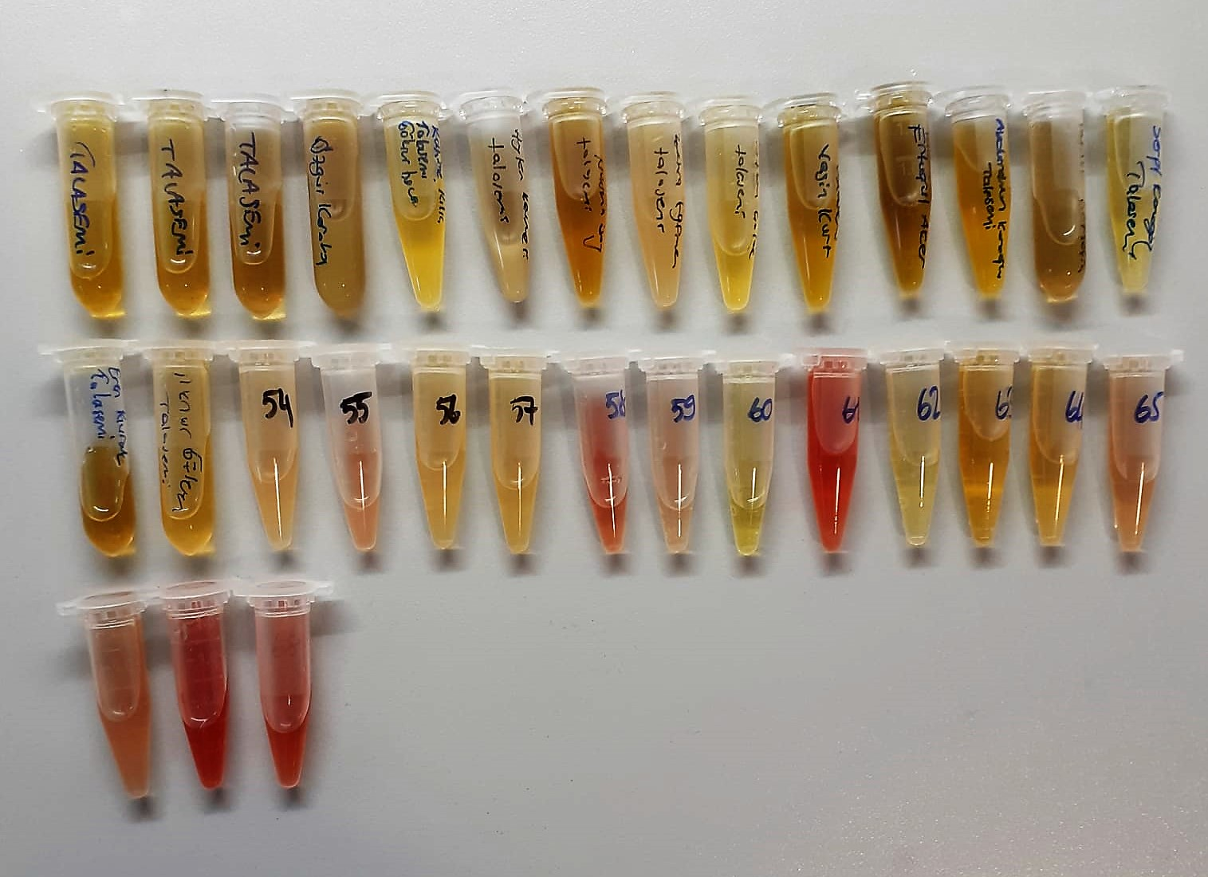

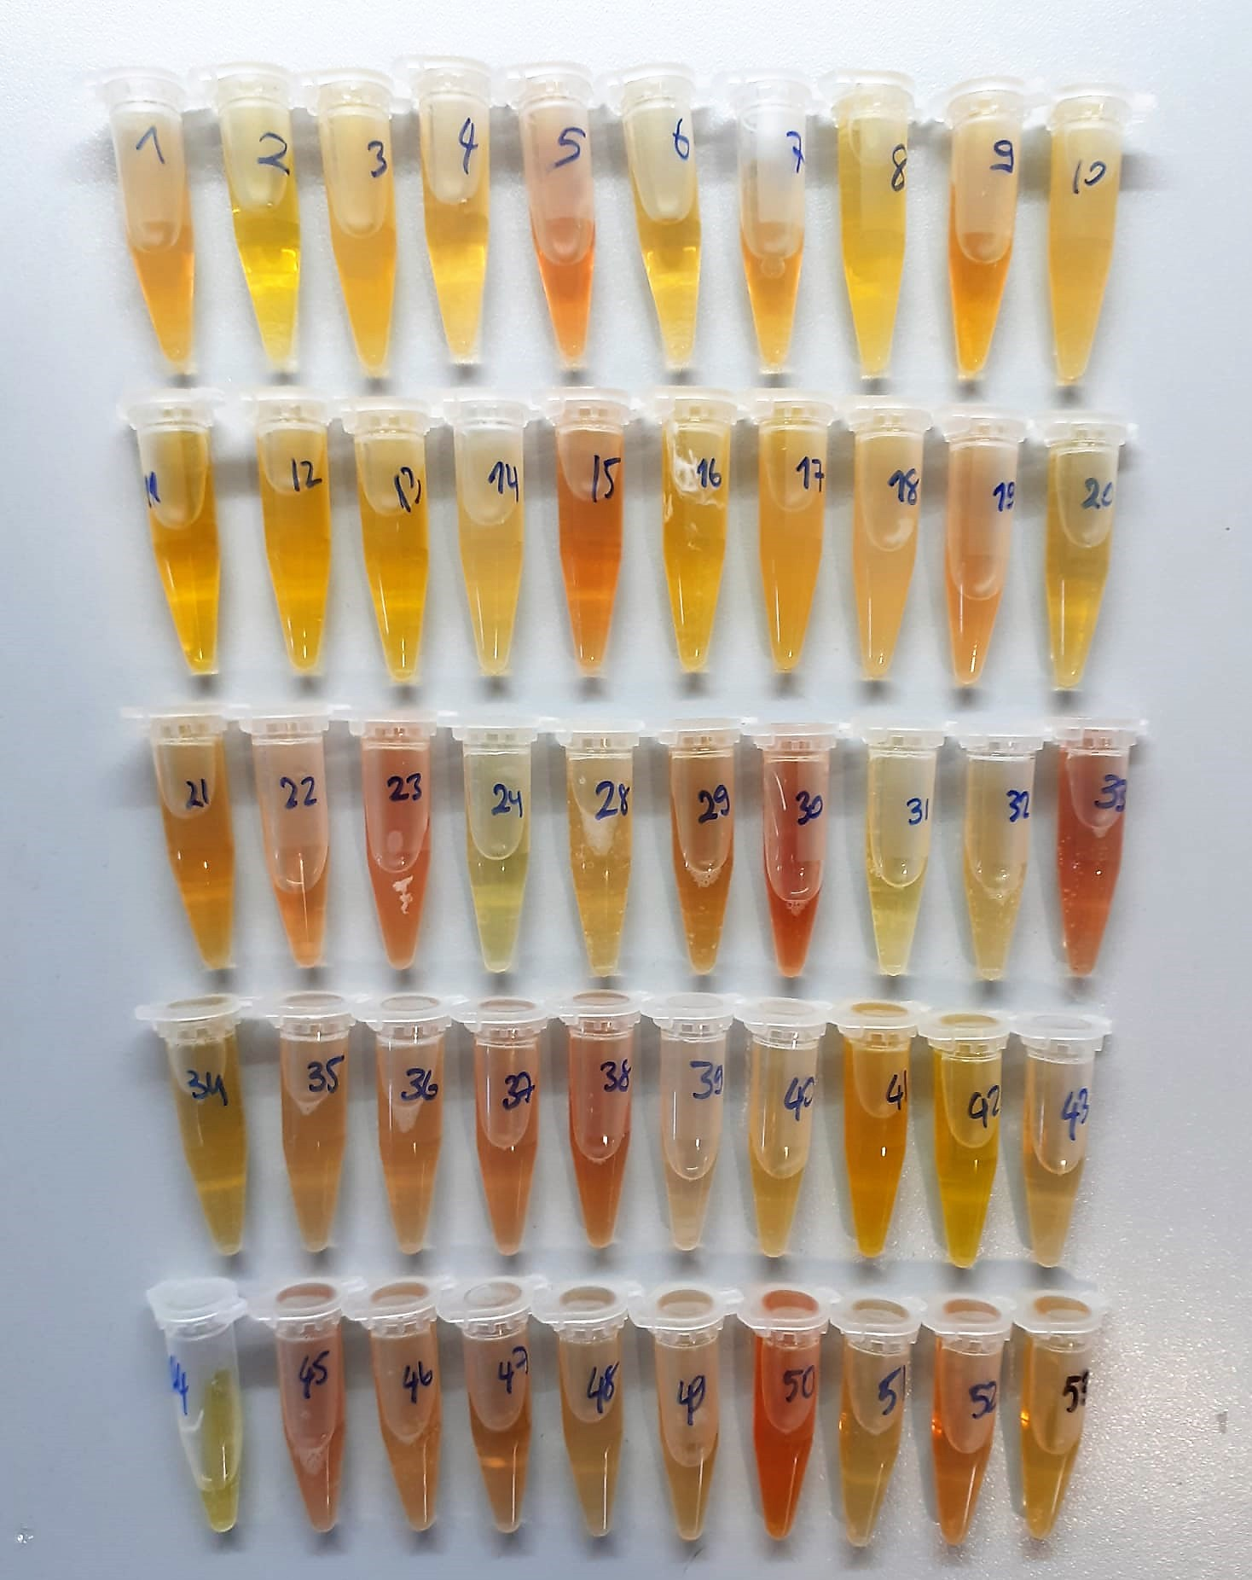

Neopterin Assay Principle
This kit is an Enzyme-linked Immunosorbent Assay.(Elisa).The plate has been pre-coated with Human NEOP antibody.
NEOP present in the sample is added and binds to antibodies coated on the wells.
And then biotinylated Human NEOP Antibody is added and binds to NEOP in the sample.Then Streptavidin-HRP is added and binds to the Bioyinylated Neop antibody.
After incubation unbound Streptavidin-HRP is washed away during a washing step.Substrate solution is then added and color develops in proportion to the amount of Human NEOP.
The reaction is terminated by addition of acidic stop solution and absorbance is measured at 450 nm.

