Sayfa1
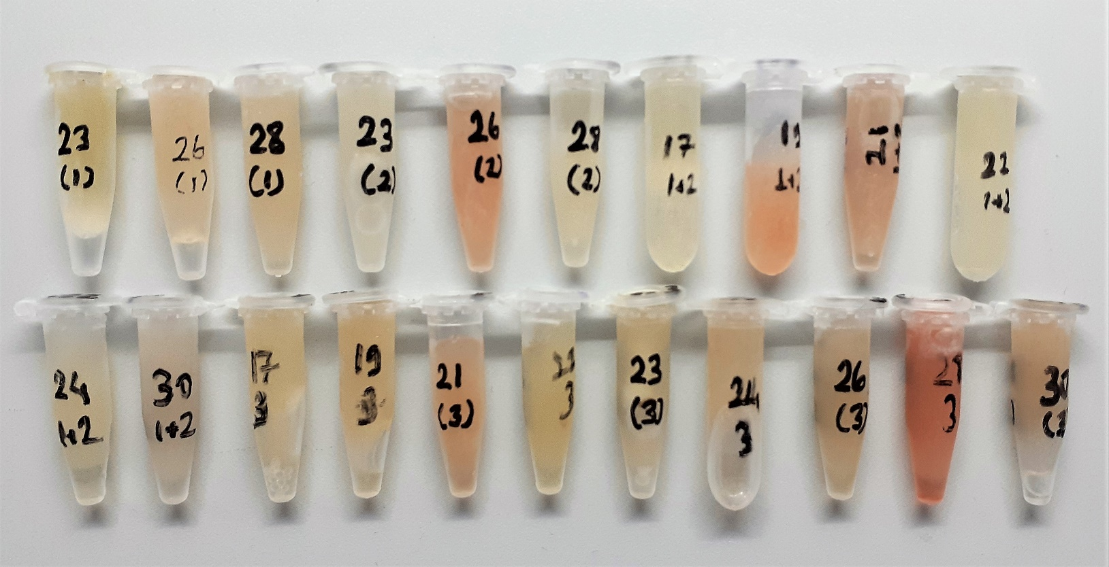
Numune Adı | TAS(mmol/L) | TOS (µmol/L) | OSI | PON-1(U/L) | TTL(µmol/L) | NTL(µmol/L) | Disülfit | CAT( U/L) | SOD( U/ml) | MDA( nmol/L) | IgG(mg/dl) | IgA( mg/dl) | IgE( IU/ml) | IgM( mg/dl) | NOT
23(1) | 0.72 | 3.68 | 0.511 | 361 | 290 | 210 | 40 | 123 | 566 | 1.032 | 0 | 6.32 | 11.25 | 0
26(1) | 0.43 | 5.3 | 1.233 | 306 | 212 | 141 | 35.5 | 56 | 277 | 0.079 | 0 | 4.1 | 34.87 | 0
28(1) | 0.56 | 4.98 | 0.889 | 238 | 300 | 149 | 75.5 | 100 | 347 | 0.145 | 1.23 | 5.77 | 39.11 | 0
23(2) | 0.82 | 4.09 | 0.499 | 313 | 297 | 169 | 64 | 95 | 365 | 0.128 | 0.58 | 5.53 | 30.05 | 0
26(2) | 0.69 | 6.76 | 0.980 | 290 | 290 | 190 | 50 | 126 | 255 | 0.115 | 0.76 | 5.87 | 26.48 | 0 | hafif hemolizli
28(2) | 0.74 | 4.65 | 0.628 | 354 | 371 | 168 | 101.5 | 218 | 628 | 0.191 | 0.61 | 5.78 | 26.06 | 0 | hafif lipemi
17(1+2) | 0.61 | 3.99 | 0.654 | 323 | 253 | 146 | 53.5 | 90 | 729 | 0.084 | 0.59 | 6.53 | 30.61 | 0
19(1+2) | 0.6 | 9.5 | 1.583 | 381 | 452 | 211 | 120.5 | 435 | 1295 | 0.339 | 0.96 | 11.16 | 36.29 | 0 | hemolizli
21(1+2) | 0.53 | 7.5 | 1.415 | 170 | 390 | 186 | 102 | 134 | 1001 | 0.195 | 17.01 | 6.54 | 46.15 | 0.82 | hemolizli
22(1+2) | 0.69 | 4.37 | 0.633 | 249 | 292 | 202 | 45 | 105 | 776 | 0.307 | 1.82 | 6.37 | 28.33 | 0.68
24(1+2) | 0.82 | 7.66 | 0.934 | 350 | 399 | 232 | 83.5 | 138 | 1012 | 0.622 | 0.53 | 5.62 | 30.06 | 0
30(1+2) | 0.71 | 5.59 | 0.787 | 401 | 434 | 211 | 111.5 | 135 | 883 | 0.151 | 0 | 5.02 | 30.67 | 0
17(3) | 0.7 | 3.42 | 0.489 | 481 | 299 | 205 | 47 | 160 | 979 | 0.176 | 0.3 | 6.46 | 30.7 | 0
19(3) | 0.6 | 4.55 | 0.758 | 501 | 289 | 223 | 33 | 100 | 662 | 0.176 | 1.21 | 6.19 | 39.39 | 0 | hafif hemolizli
21(3) | 0.74 | 5.84 | 0.789 | 233 | 316 | 243 | 36.5 | 125 | 342 | 0.416 | 0.86 | 6.1 | 57.74 | 0 | hafif hemolizli
22(3) | 0.81 | 3.2 | 0.395 | 348 | 321 | 219 | 51 | 163 | 455 | 0.132 | 0.93 | 5.05 | 39.12 | 0
23(3) | 0.66 | 2.48 | 0.376 | 559 | 262 | 180 | 41 | 101 | 284 | 0.112 | 0 | 5.24 | 23.13 | 0
24(3) | 0.54 | 4.61 | 0.854 | 461 | 409 | 224 | 92.5 | 144 | 688 | 0.168 | 0 | 6.42 | 71.15 | 0
26(3) | 0.53 | 3.4 | 0.642 | 444 | 367 | 203 | 82 | 75 | 205 | 0.263 | 0 | 3.96 | 23.93 | 0
28(3) | 0.7 | 10.88 | 1.554 | 390 | 358 | 248 | 55 | 135 | 178 | 0.398 | 0 | 7.59 | 29.39 | 2.54 | hemolizli
30(3) | 0.64 | 5.51 | 0.861 | 478 | 330 | 304 | 13 | 92 | 169 | 1.307 | 0 | 2.9 | 30.35 | 0 | hafif hemolizli

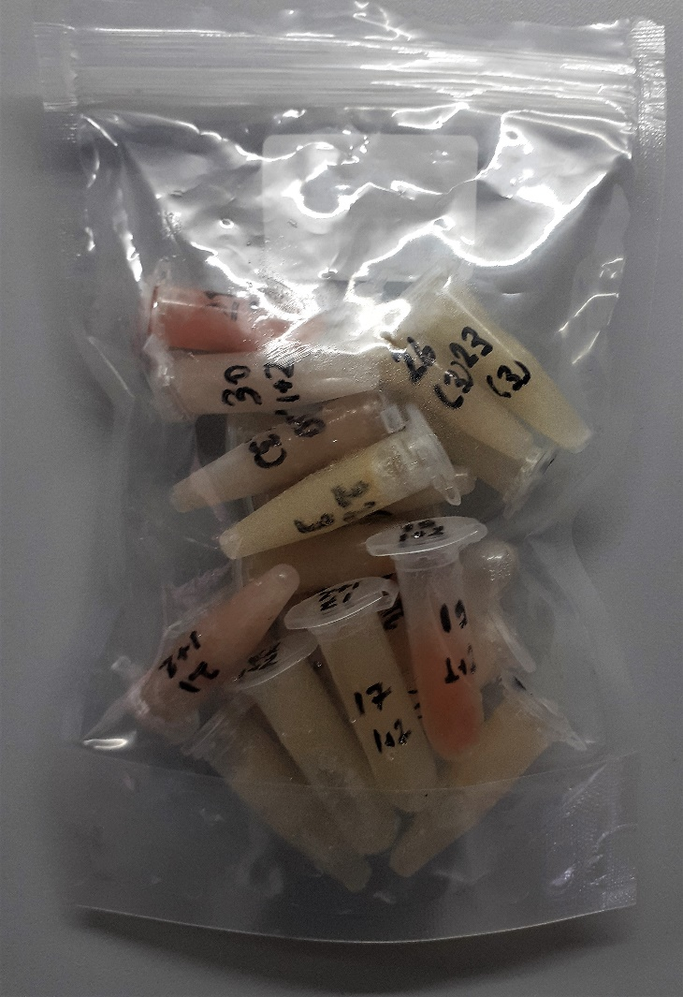

Kullanılan cihaz: Mindray marka BS300 model tam otomatik biyokimya cihazı

 | TAS: Total Antioxidant Status
 | TOS: Total Oxidant Status
 | OSI: Oxidative Stress Index
 | PON-1: Paraoxanase
 | TTL: Total Thıol
 | NTL: Natıve Thıol
 | Disülfit: Thıol/ Disülfit Dengesi
 | MDA: Malondialdehit
 | CAT: Catalase
 | SOD: Superoxide Dısmutase
 | IgG: Immunoglobulıns G
 | IgA: Immunoglobulıns A
 | IgE: Immunoglobulıns E
 | IgM: Immunoglobulıns M

