Sayfa1
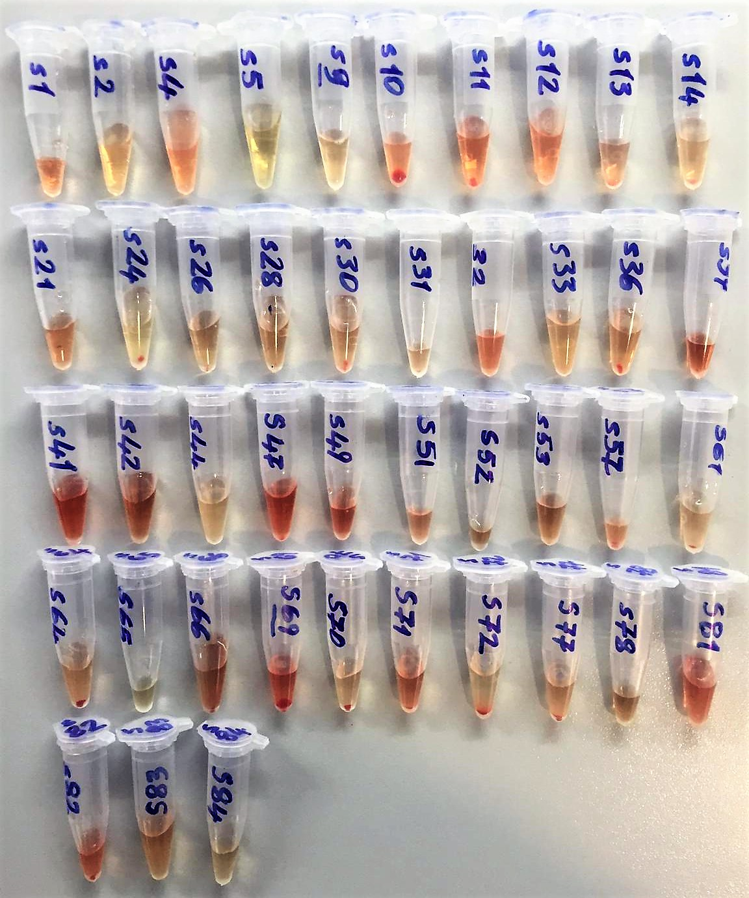
Numune Adı | AST (U/L) | CREA (mg/L) |  | LDL (mg/dl) | CHOL (mg/dl)
1 | 389 | 0.65
2 | 201 | 0.62 |  |  |  | Kullanılan cihaz: Mindray marka BS300 model tam otomatik biyokimya cihazı
3 | 122 | 0.69
6 | 302 | 0.6 |  |  |  | AST: Aspartat Aminotransferaz
7 | 137 | 0.76 |  |  |  | CREA: Creatinine
11 | 257 | 0.65 |  |  |  | LDL: LDL Cholesterol
15 | 39 | 0.59 |  |  |  | CHOL: Cholesterol Total
16 | 189 | 0.69
17 | 297 | 0.62
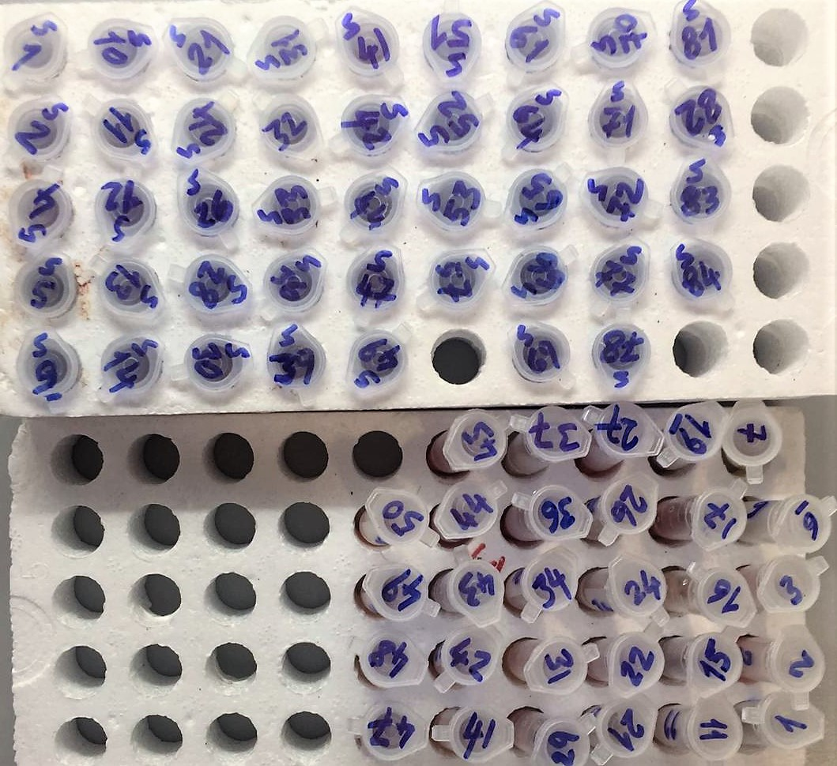
19 | 456 | 0.54
21 | 137 | 0.6
22 | 256 | 0.58
24 | 158 | 0.54
26 | 157 | 0.73
27 | 196 | 0.72
29 | 147 | 0.69
31 | 116 | 0.72
34 | 148 | 0.68
36 | 240 | 0.71
37 | 267 | 0.79
41 | 135 | 0.72 |  | 22 | 62
42 | 201 | 0.62 |  | 19 | 60
43 | 326 | 0.71 |  | 25 | 87
44 | 267 | 0.74 |  | 26 | 67
45 | 147 | 0.75 |  | 27 | 77
47 | 322 | 0.68
48 | 108 | 0.77
49 | 139 | 0.66
50 | 259 | 0.56
S1 | 294 | 0.69
S2 | 125 | 0.66
S4 | 94 | 0.69
S5 | 274 | 0.56
S9 | 143 | 0.75
S10 | 176 | 0.71
S11 | 92 | 0.69
S12 | 380 | 0.64
S13 | 82 | 0.49
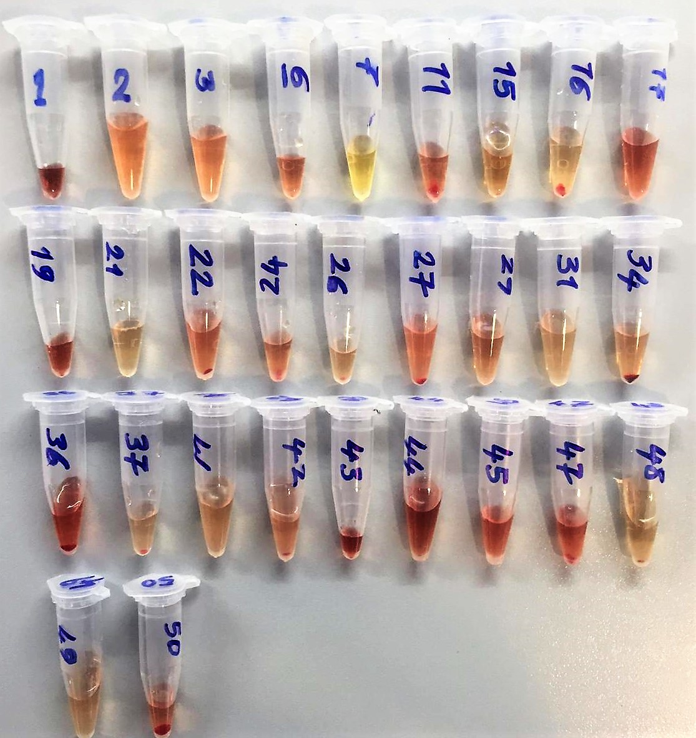
S14 | 105 | 0.66
S21 | 350 | 0.54 |  | 22 | 92
S24 | 173 | 0.55 |  | 24 | 73
S26 | 251 | 0.53 |  | 21 | 51
S28 | 196 | 0.58 |  | 30 | 84
S30 | 134 | 0.66 |  | 27 | 66
S31 | 82 | 0.7 |  | 18 | 49
S32 | 336 | 0.8 |  | 18 | 65
S33 | 87 | 0.61
S36 | 130 | 0.63
S39 | 166 | 0.6
S41 | 132 | 0.52 |  | 14 | 62
S42 | 144 | 0.61 |  | 17 | 76
S44 | 151 | 0.62 |  | 23 | 78
S47 | 226 | 0.53 |  | 15 | 71
S49 | 292 | 0.51 |  | 8 | 48
S51 | 20 | 0.44 |  | 14 | 52
S52 | 233 | 0.59 |  | 6 | 30
S53 | 166 | 0.67 |  | 12 | 42
S57 | 412 | 0.25 |  | 11 | 71
S61 | 165 | 0.66
S64 | 364 | 0.86
S65 | 331 | 0.75
S66 | 58 | 0.73
S69 | 173 | 0.7
S70 | 93 | 0.73
S71 | 42 | 0.3
S72 | 77 | 0.69
S77 | 81 | 0.67
S78 | 355 | 0.68
S81 | 76 | 0.54 | 12.000 | 12 | 70
S82 | 78 | 0.57 |  | 11 | 75
S83 | 37 | 0.56 |  | 12 | 57
S84 | 126 | 0.69 |  | 21 | 83

