BİYOKİMYA
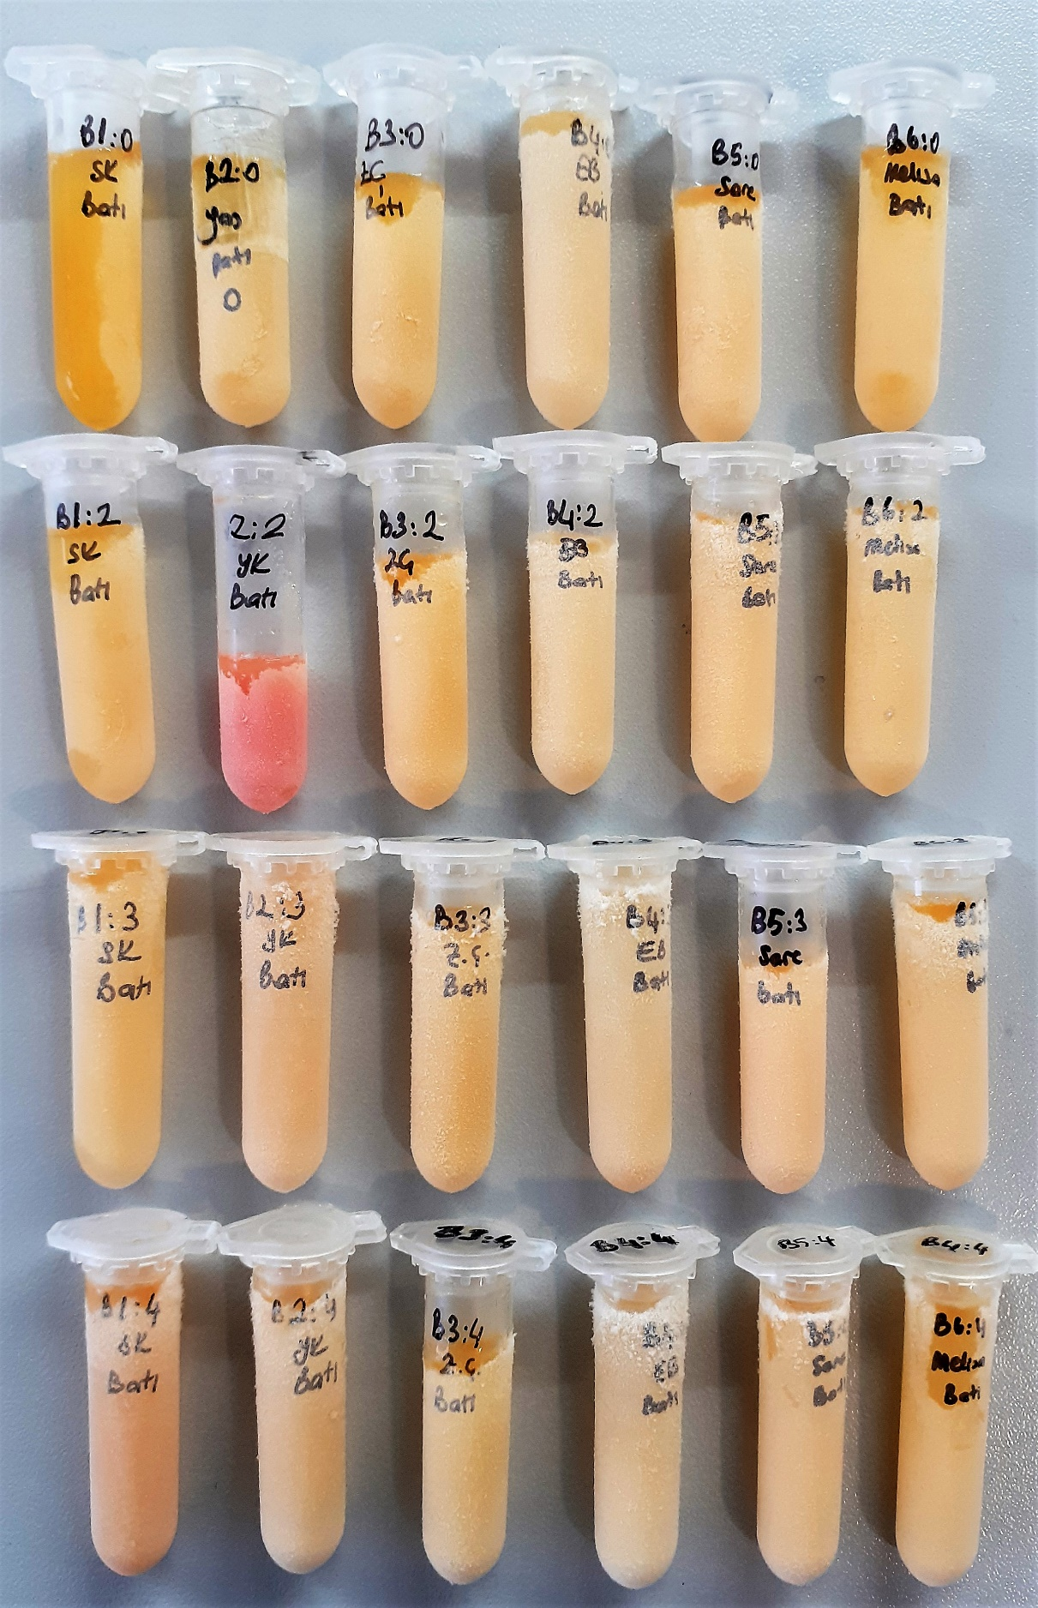
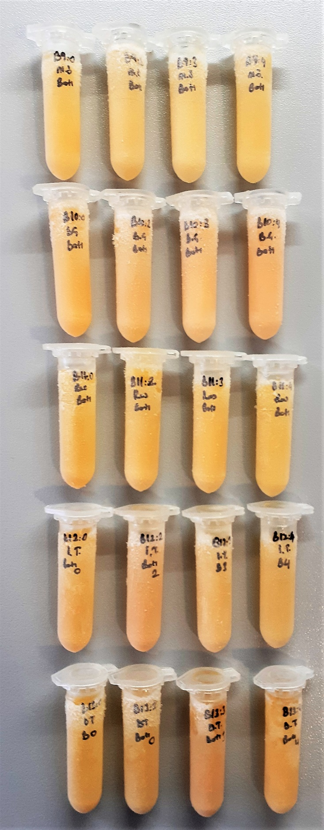
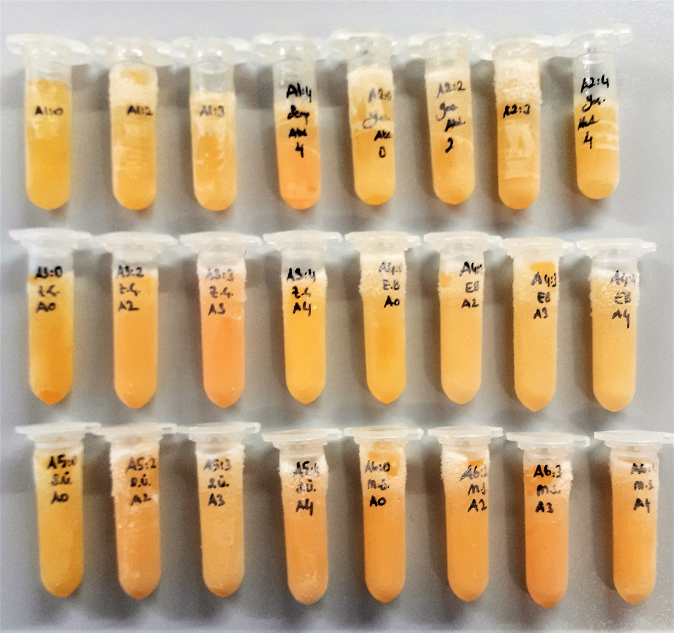
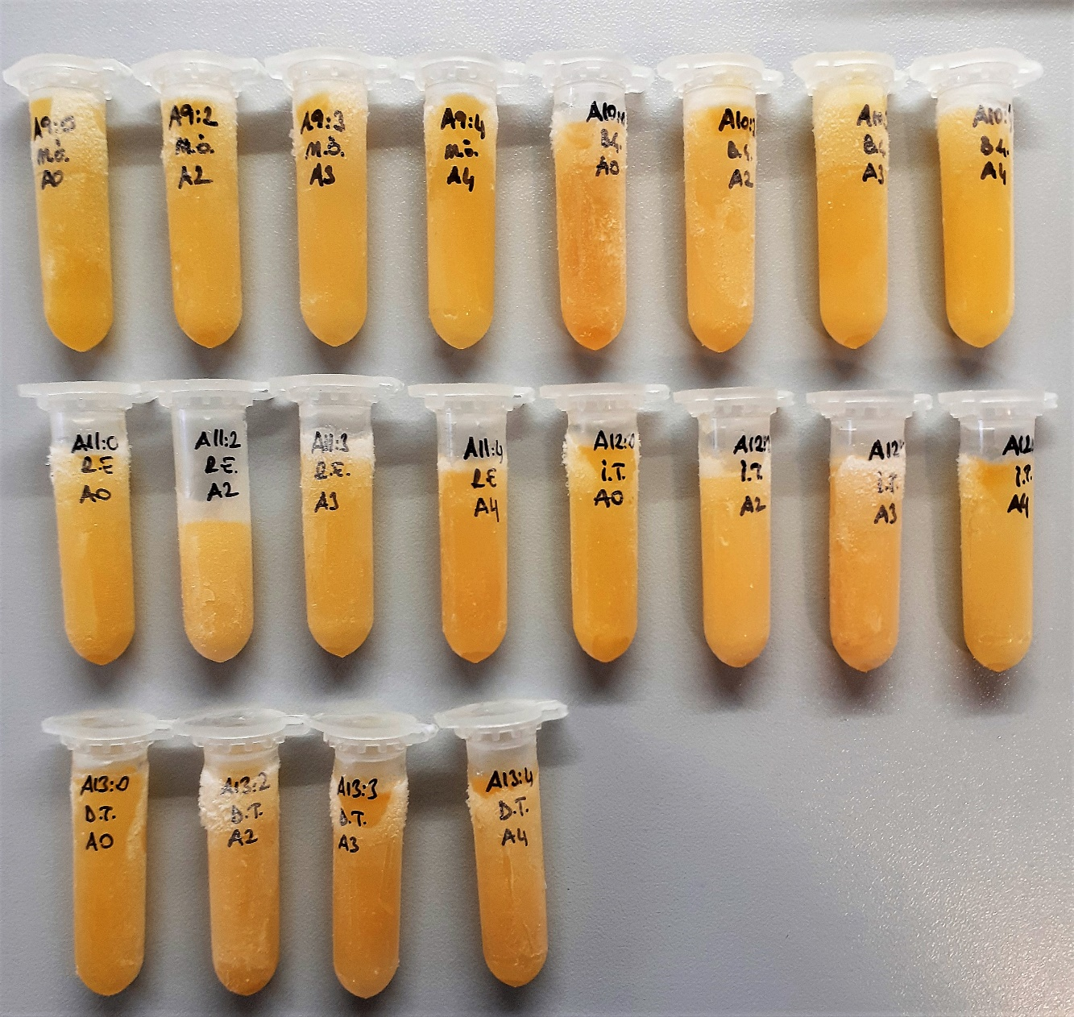
Numune Adı | TAS(mmol/L) | TOS (µmol/L) | OSI | TTL(µmol/L) | NTL(µmol/L) | Disülfit | SOD (nmol/L) | Hs-CRP (mg/L) | MDA (nmol/L) | NOT
A1-0 | 1.09 | 5.79 | 0.531 | 283 | 237 | 23 | 124.7 | 0.43 | 1.942
A1-2 | 1.14 | 6.08 | 0.533 | 296 | 248 | 24 | 204.2 | 0.43 | 1.675
A1-3 | 1.11 | 6.26 | 0.564 | 305 | 256 | 24.5 | 210.4 | 0.44 | 0.67
A1-4 | 1.04 | 8.46 | 0.813 | 321 | 204 | 58.5 | 169.2 | 0.37 | 0.324
A2-0 | 1.18 | 5.89 | 0.499 | 307 | 212 | 47.5 | 185.4 | 0.83 | 0.347
A2-2 | 1.22 | 5.57 | 0.457 | 292 | 229 | 31.5 | 204.1 | 0.82 | 0.165
A2-3 | 1.16 | 5.39 | 0.465 | 291 | 214 | 38.5 | 204.5 | 0.76 | 0.468 |  | Bu çalışmada "Relassay" marka kitler kullanılmıştır.
A2-4 | 1.1 | 5.87 | 0.534 | 303 | 247 | 28 | 223 | 0.79 | 0.363 |  | TAS: Total Antioxidant Status
A3-0 | 0.97 | 5.16 | 0.532 | 317 | 208 | 54.5 | 215.4 | 0.21 | 0.537 |  | TOS: Total Oxidant Status
A3-2 | 1.09 | 5.81 | 0.533 | 370 | 235 | 67.5 | 175.3 | 0.24 | 0.337 |  | OSI: Oxidative Stress Index
A3-3 | 1.08 | 9.48 | 0.878 | 381 | 230 | 75.5 | 160 | 0.26 | 0.463 |  | TTL: Total Thıol
A3-4 | 1.02 | 5.02 | 0.492 | 332 | 254 | 39 | 204.3 | 0.26 | 0.889 |  | NTL: Native Thıol
A4-0 | 1.22 | 5.86 | 0.480 | 346 | 254 | 46 | 228.3 | 0.25 | 0.811 |  | Disülfit: Thıol/ Disülfit Dengesi
A4-2 | 1.36 | 6 | 0.441 | 378 | 275 | 51.5 | 205.5 | 0.35 | 0.19 |  | SOD: Super Oxide Dismutase
A4-3 | 1.37 | 5.2 | 0.380 | 341 | 267 | 37 | 221.1 | 0.29 | 0.554
A4-4 | 1.35 | 5.41 | 0.401 | 372 | 271 | 50.5 | 220.1 | 0.31 | 0.224
A5-0 | 1.28 | 5.01 | 0.391 | 301 | 220 | 40.5 | 203.3 | 0.32 | 0.145
A5-2 | 1.27 | 7.75 | 0.610 | 325 | 242 | 41.5 | 233.7 | 0.31 | 0.218
A5-3 | 1.25 | 5.8 | 0.464 | 357 | 246 | 55.5 | 239.9 | 0.26 | 0.329
A5-4 | 1.31 | 7.04 | 0.537 | 413 | 244 | 84.5 | 180.5 | 0.32 | 0.443
A6-0 | 1.15 | 5.11 | 0.444 | 324 | 228 | 48 | 185 | 0.43 | 0.626 |  | Y.N.: Yetersiz Numune
A6-2 | 1.18 | 2.71 | 0.230 | 315 | 248 | 33.5 | 223.8 | 0.47 | 0.2
A6-3 | 1.15 | 4.48 | 0.390 | 343 | 252 | 45.5 | 175.1 | 0.4 | 0.303
A6-4 | 1.22 | 3.34 | 0.274 | 327 | 227 | 50 | 212.1 | 0.44 | 0.309
A9-0 | 1.25 | 4.56 | 0.365 | 302 | 225 | 38.5 | 154.1 | 0.04 | 0.093
A9-2 | 1.24 | 4.43 | 0.357 | 346 | 240 | 53 | 163.3 | 0.06 | 0.078
A9-3 | 1.22 | 4.78 | 0.392 | 319 | 248 | 35.5 | 148.9 | 0.06 | 0.444
A9-4 | 1.18 | 4.99 | 0.423 | 326 | 285 | 20.5 | 221 | 0.06 | 0.384
A10-0 | 1.12 | 6.66 | 0.595 | 347 | 263 | 42 | 188.6 | 1.93 | 0.781
A10-2 | 1.21 | 5.41 | 0.447 | 366 | 253 | 56.5 | 170.2 | 1.64 | 0.604
A10-3 | 1.19 | 4.6 | 0.387 | 324 | 262 | 31 | 181.4 | 1.57 | 0.384
A10-4 | 1.13 | 4.98 | 0.441 | 339 | 275 | 32 | 213.5 | 1.85 | 0.388
A11-0 | 1.05 | 5.42 | 0.516 | 289 | 216 | 36.5 | 231.2 | 0.23 | 0.471
A11-2 | 1.12 | 5.94 | 0.530 | 350 | 192 | 79 | 215.2 | 0.2 | 0.493 | lipemi
A11-3 | 1.14 | 5.87 | 0.515 | 424 | 192 | 116 | 207.5 | 0.18 | 0.327 | lipemi
A11-4 | 1.12 | 7.34 | 0.655 | 415 | 217 | 99 | 186.7 | 0.2 | 0.47 | lipemi
A12-0 | 1.23 | 5.79 | 0.471 | 303 | 224 | 39.5 | 175.7 | 0.9 | 0.127
A12-2 | 1.23 | 6.95 | 0.565 | 340 | 256 | 42 | 182.9 | 0.91 | 0.176
A12-3 | 1.26 | 7.77 | 0.617 | 317 | 270 | 23.5 | 181.3 | 1 | 0.282
A12-4 | 1.28 | 6.36 | 0.497 | 308 | 245 | 31.5 | 161.1 | 0.87 | 0.177
A13-0 | 1.01 | 5.13 | 0.508 | 257 | 218 | 19.5 | 152.6 | 5.99 | 0.39
A13-2 | 1 | 5.51 | 0.551 | 251 | 228 | 11.5 | 222.1 | 6.52 | 0.226
A13-3 | 0.98 | 5.75 | 0.587 | 282 | 226 | 28 | 232.3 | 6.61 | 0.614 | lipemi
A13-4 | 1.06 | 5.56 | 0.525 | 334 | 194 | 70 | 221.9 | 6.45 | 1.037 | lipemi
B1-0 | 1.22 | 5.6 | 0.459 | 306 | 238 | 34 | 177.3 | 0.61 | 0.195
B1-2 | 1.2 | 5.42 | 0.452 | 299 | 261 | 19 | 200.1 | 0.57 | 0.821
B1-3 | 1.17 | 5.61 | 0.479 | 277 | 231 | 23 | 187.4 | 0.53 | 1.03
B1-4 | 1.09 | 10.35 | 0.950 | 300 | 246 | 27 | 194.3 | 0.48 | 1.709
B2-0 | 1.07 | 5.77 | 0.539 | 241 | 216 | 12.5 | 200.7 | 0.76 | 1.637
B2-2 | 1.25 | 35.81 | 2.865 | 535 | 253 | 141 | 47.8 | 1.12 | 1.603 | hemolizli
B2-3 | 1.14 | 6.85 | 0.601 | 288 | 210 | 39 | 200.4 | 1.14 | 2.001
B2-4 | 1.07 | 6.64 | 0.621 | 267 | 228 | 19.5 | 233.6 | 1.12 | 0.663
B3-0 | 1.12 | 5.12 | 0.457 | 285 | 242 | 21.5 | 195.4 | 0.65 | 0.442
B3-2 | 1.17 | 5.64 | 0.482 | 344 | 244 | 50 | 174.4 | 0.63 | 0.182
B3-3 | 1.14 | 5.12 | 0.449 | 274 | 227 | 23.5 | 175.3 | 0.59 | 0.49
B3-4 | 1.14 | 5.17 | 0.454 | 279 | 231 | 24 | 181.5 | 0.57 | 0.404
B4-0 | 1.11 | 5.84 | 0.526 | 307 | 239 | 34 | 214.6 | 0.39 | 0.541 | lipemi
B4-2 | 1.11 | 6.54 | 0.589 | 352 | 295 | 28.5 | 254.6 | 0.4 | 1.896 | lipemi
B4-3 | 1.1 | 5.97 | 0.543 | 378 | 275 | 51.5 | 251.7 | 0.42 | 1.985 | lipemi
B4-4 | 1.26 | 5.78 | 0.459 | 417 | 260 | 78.5 | 202.1 | 0.4 | 2.072 | lipemi
B5-0 | 1.25 | 5.26 | 0.421 | 271 | 237 | 17 | 183.5 | 0.46 | 0.442
B5-2 | 1.22 | 5.27 | 0.432 | 288 | 251 | 18.5 | 220 | 0.45 | 1.924
B5-3 | 1.19 | 5.86 | 0.492 | 302 | 246 | 28 | 230.1 | 0.44 | 2.141
B5-4 | 1.25 | 4.78 | 0.382 | 287 | 241 | 23 | 208.6 | 0.49 | 0.582
B6-0 | 1.29 | 4.78 | 0.371 | 266 | 237 | 14.5 | 156.5 | 0.37 | 1.768
B6-2 | 1.25 | 4.37 | 0.350 | 290 | 222 | 34 | 172.7 | 0.38 | 0.131
B6-3 | 1.22 | 4.78 | 0.392 | 264 | 228 | 18 | 185.7 | 0.38 | 0.256
B6-4 | 1.14 | 5.02 | 0.440 | 272 | 247 | 12.5 | 218.1 | 0.39 | 0.621
B9-0 | 1.28 | 6.9 | 0.539 | 312 | 278 | 17 | 198.3 | 0.09 | 0.119
B9-2 | 1.28 | 6.29 | 0.491 | 323 | 258 | 32.5 | 172.1 | 0.06 | 1.216
B9-3 | 1.24 | 5.65 | 0.456 | 267 | 249 | 9 | 176.8 | 0.07 | 0.593
B9-4 | 0.31 | 6.63 | 2.139 | 263 | 259 | 2 | 197.2 | 0.09 | 1.329
B10-0 | 1.09 | 5.77 | 0.529 | 318 | 273 | 22.5 | 202.4 | 0.54 | 0.906
B10-2 | 1.11 | 5.47 | 0.493 | 301 | 232 | 34.5 | 188 | 0.52 | 0.227
B10-3 | 1.09 | 6.06 | 0.556 | 350 | 230 | 60 | 178.3 | 0.48 | 1.222
B10-4 | 1.07 | 7.5 | 0.701 | 335 | 246 | 44.5 | 162.6 | 0.51 | 0.989
B11-0 | 1.15 | 5.62 | 0.489 | 253 | 204 | 24.5 | 188.4 | 0.3 | 1.632
B11-2 | 1.08 | 6.84 | 0.633 | 307 | 238 | 34.5 | 200.2 | 0.28 | 1.384
B11-3 | 1.05 | 6.33 | 0.603 | 289 | 244 | 22.5 | 207.4 | 0.29 | 2.111 | hafif lipemi
B11-4 | 1.11 | 6.24 | 0.562 | 259 | 224 | 17.5 | 176.6 | 0.31 | 1.629 | hafif lipemi
B12-0 | 1.11 | 7.11 | 0.641 | 245 | 226 | 9.5 | 175 | 0.22 | 0.563
B12-2 | 1.11 | 8.08 | 0.728 | 272 | 255 | 8.5 | 186 | 0.24 | 1.894
B12-3 | 1.03 | 5.33 | 0.517 | 299 | 156 | 71.5 | 188 | 0.23 | 1.851
B12-4 | 1.04 | 5.13 | 0.493 | 299 | 243 | 28 | 180 | 0.23 | 2.148
B13-0 | 0.95 | 5.25 | 0.553 | 222 | 220 | 1 | 200 | 0.33 | 1.674
B13-2 | 0.98 | 5.62 | 0.573 | 235 | 230 | 2.5 | 200 | 0.33 | 1.279
B13-3 | 0.94 | 7.3 | 0.777 | 268 | 209 | 29.5 | 225 | 0.31 | 1.008
B13-4 | 0.94 | 5.51 | 0.586 | 272 | 198 | 37 | 237 | 0.31 | 1.818

IL-6
2.466 | 0.104 | 0.071 | 0.062 | 0.059 | 0.087 | 0.084 | 0.062 | 0.076 | 0.063 | 0.076 | 0.064
1.696 | 0.12 | 0.069 | 0.067 | 0.058 | 0.124 | 0.078 | 0.057 | 0.069 | 0.082 | 0.067 | 0.061
1.054 | 0.136 | 0.088 | 0.088 | 0.059 | 0.205 | 0.087 | 0.084 | 0.093 | 0.072 | 0.068 | 0.065
0.682 | 0.08 | 0.071 | 0.112 | 0.061 | 0.134 | 0.106 | 0.109 | 0.109 | 0.12 | 0.086 | 0.06
0.386 | 0.07 | 0.065 | 0.114 | 0.064 | 0.061 | 0.092 | 0.069 | 0.063 | 0.059 | 0.062 | 0.064
0.21 | 0.071 | 0.075 | 0.085 | 0.068 | 0.061 | 0.114 | 0.064 | 0.062 | 0.056 | 0.098 | 0.068
0.137 | 0.087 | 0.085 | 0.105 | 0.069 | 0.073 | 0.136 | 0.079 | 0.063 | 0.063 | 0.113 | 0.114
0.065 | 0.079 | 0.144 | 0.089 | 0.067 | 0.079 | 0.195 | 0.081 | 0.064 | 0.081 | 0.072 | 0.09

IL-6
2.401 | 500
1.631 | 250
0.989 | 125
0.617 | 62.5
0.321 | 31.25
0.145 | 15.63
0.072
 | abs | abs-blank | expected | result
std1 | 2.466 | 2.401 | 500 | 497.68126707
std2 | 1.696 | 1.631 | 250 | 257.65734755
std3 | 1.054 | 0.989 | 125 | 117.96831683
std4 | 0.682 | 0.617 | 62.5 | 62.174712252
std5 | 0.386 | 0.321 | 31.25 | 30.961931388
std6 | 0.21 | 0.145 | 15.63 | 17.9412247
std7 | 0.137 | 0.072 |  | 13.752414912
blank | 0.065 | 0 | 0 | 10.317

Numune | absorbans | abs-blank | result
A1-0 | 0.104 | 0.039 | 12.092048028
A1-2 | 0.12 | 0.055 | 12.8789407
A1-3 | 0.136 | 0.071 | 13.699967388 |  |  |  |  |  | concentration (pg/ml)
A1-4 | 0.08 | 0.015 | 10.9757103
A2-0 | 0.07 | 0.005 | 10.5332367
A2-2 | 0.071 | 0.006 | 10.576884048
A2-3 | 0.087 | 0.022 | 11.293375312
A2-4 | 0.079 | 0.014 | 10.930862928
A3-0 | 0.071 | 0.006 | 10.576884048
A3-2 | 0.069 | 0.004 | 10.489722688
A3-3 | 0.088 | 0.023 | 11.339289372
A3-4 | 0.071 | 0.006 | 10.576884048
A4-0 | 0.065 | 0 | 10.317
A4-2 | 0.075 | 0.01 | 10.7528068
A4-3 | 0.085 | 0.02 | 11.2019472
A4-4 | 0.144 | 0.079 | 14.123280988
A5-0 | 0.062 | -0.003 | 10.188858012
A5-2 | 0.067 | 0.002 | 10.403094672
A5-3 | 0.088 | 0.023 | 11.339289372
A5-4 | 0.112 | 0.047 | 12.481227612
A6-0 | 0.114 | 0.049 | 12.579855868
A6-2 | 0.085 | 0.02 | 11.2019472
A6-3 | 0.105 | 0.04 | 12.1402288
A6-4 | 0.089 | 0.024 | 11.385336768
A9-0 | 0.059 | -0.006 | 10.061916048
A9-2 | 0.058 | -0.007 | 10.019868732
A9-3 | 0.059 | -0.006 | 10.061916048
A9-4 | 0.061 | -0.004 | 10.146410688
A10-0 | 0.064 | -0.001 | 10.274152668
A10-2 | 0.068 | 0.003 | 10.446342012
A10-3 | 0.069 | 0.004 | 10.489722688
A10-4 | 0.067 | 0.002 | 10.403094672
A11-0 | 0.087 | 0.022 | 11.293375312
A11-2 | 0.124 | 0.059 | 13.080997308
A11-3 | 0.205 | 0.14 | 17.6316528
A11-4 | 0.134 | 0.069 | 13.595472348
A12-0 | 0.061 | -0.004 | 10.146410688
A12-2 | 0.061 | -0.004 | 10.146410688
A12-3 | 0.073 | 0.008 | 10.664578752
A12-4 | 0.079 | 0.014 | 10.930862928
A13-0 | 0.084 | 0.019 | 11.156433148
A13-2 | 0.078 | 0.013 | 10.886148892
A13-3 | 0.087 | 0.022 | 11.293375312
A13-4 | 0.106 | 0.041 | 12.188542908
B1-0 | 0.092 | 0.027 | 11.524278972
B1-2 | 0.114 | 0.049 | 12.579855868
B1-3 | 0.136 | 0.071 | 13.699967388
B1-4 | 0.195 | 0.13 | 17.0225092
B2-0 | 0.062 | -0.003 | 10.188858012
B2-2 | 0.057 | -0.008 | 9.977954752
B2-3 | 0.084 | 0.019 | 11.156433148
B2-4 | 0.109 | 0.044 | 12.334285248
B3-0 | 0.069 | 0.004 | 10.489722688
B3-2 | 0.064 | -0.001 | 10.274152668
B3-3 | 0.079 | 0.014 | 10.930862928
B3-4 | 0.081 | 0.016 | 11.020691008
B4-0 | 0.076 | 0.011 | 10.797120828
B4-2 | 0.069 | 0.004 | 10.489722688
B4-3 | 0.093 | 0.028 | 11.570859712
B4-4 | 0.109 | 0.044 | 12.334285248
B5-0 | 0.063 | -0.002 | 10.231438672
B5-2 | 0.062 | -0.003 | 10.188858012
B5-3 | 0.063 | -0.002 | 10.231438672
B5-4 | 0.064 | -0.001 | 10.274152668
B6-0 | 0.063 | -0.002 | 10.231438672
B6-2 | 0.082 | 0.017 | 11.065805052
B6-3 | 0.072 | 0.007 | 10.620664732
B6-4 | 0.12 | 0.055 | 12.8789407
B9-0 | 0.059 | -0.006 | 10.061916048
B9-2 | 0.056 | -0.009 | 9.936174108
B9-3 | 0.063 | -0.002 | 10.231438672
B9-4 | 0.081 | 0.016 | 11.020691008
B10-0 | 0.076 | 0.011 | 10.797120828
B10-2 | 0.067 | 0.002 | 10.403094672
B10-3 | 0.068 | 0.003 | 10.446342012
B10-4 | 0.086 | 0.021 | 11.247594588
B11-0 | 0.062 | -0.003 | 10.188858012
B11-2 | 0.098 | 0.033 | 11.805763452
B11-3 | 0.113 | 0.048 | 12.530475072
B11-4 | 0.072 | 0.007 | 10.620664732
B12-0 | 0.064 | -0.001 | 10.274152668
B12-2 | 0.061 | -0.004 | 10.146410688
B12-3 | 0.065 | 0 | 10.317
B12-4 | 0.06 | -0.005 | 10.1040967
B13-0 | 0.064 | -0.001 | 10.274152668
B13-2 | 0.068 | 0.003 | 10.446342012
B13-3 | 0.114 | 0.049 | 12.579855868
B13-4 | 0.09 | 0.025 | 11.4315175

IL-23
2.105 | 0.101 | 0.063 | 0.06 | 0.059 | 0.066 | 0.074 | 0.058 | 0.064 | 0.06 | 0.06 | 0.055
1.524 | 0.116 | 0.06 | 0.065 | 0.055 | 0.067 | 0.069 | 0.055 | 0.063 | 0.064 | 0.057 | 0.058
0.92 | 0.119 | 0.063 | 0.085 | 0.056 | 0.09 | 0.085 | 0.068 | 0.08 | 0.061 | 0.066 | 0.075
0.576 | 0.074 | 0.063 | 0.101 | 0.062 | 0.077 | 0.12 | 0.07 | 0.097 | 0.064 | 0.133 | 0.056
0.313 | 0.063 | 0.066 | 0.061 | 0.057 | 0.066 | 0.094 | 0.063 | 0.057 | 0.056 | 0.065 | 0.067
0.177 | 0.057 | 0.074 | 0.063 | 0.06 | 0.058 | 0.087 | 0.058 | 0.056 | 0.053 | 0.09 | 0.072
0.12 | 0.062 | 0.082 | 0.061 | 0.06 | 0.063 | 0.099 | 0.075 | 0.063 | 0.061 | 0.083 | 0.083
0.06 | 0.059 | 0.129 | 0.064 | 0.056 | 0.07 | 0.183 | 0.064 | 0.056 | 0.067 | 0.083 | 0.08

IL-23
2.045 | 2500
1.464
0.86 | 625
0.516 | 312.5
0.253 | 156.25
0.117 | 78.13
0.06 | 39.06
 | abs | abs-blank | expected | result
std1 | 2.105 | 2.045 | 2500 | 2499.2635485
std2 | 1.524 | 1.464 |  | 1431.590839
std3 | 0.92 | 0.86 | 625 | 629.950104
std4 | 0.576 | 0.516 | 312.5 | 313.85598944
std5 | 0.313 | 0.253 | 156.25 | 140.95477666
std6 | 0.177 | 0.117 | 78.13 | 74.91945986
std7 | 0.12 | 0.06 | 39.06 | 51.981464
blank | 0.06 | 0 | 0

Numune | absorbans | abs-blank | result
A1-0 | 0.101 | 0.041 | 44.95745394
A1-2 | 0.116 | 0.056 | 50.47688064 |  |  |  |  |  |  | concentration (pg/ml)
A1-3 | 0.119 | 0.059 | 51.60402594
A1-4 | 0.074 | 0.014 | 35.51094504
A2-0 | 0.063 | 0.003 | 31.84241666
A2-2 | 0.057 | -0.003 | 29.88533666
A2-3 | 0.062 | 0.002 | 31.51408296
A2-4 | 0.059 | -0.001 | 30.53425074
A3-0 | 0.063 | 0.003 | 31.84241666
A3-2 | 0.06 | 0 | 30.86
A3-3 | 0.063 | 0.003 | 31.84241666
A3-4 | 0.063 | 0.003 | 31.84241666
A4-0 | 0.066 | 0.006 | 32.83258664
A4-2 | 0.074 | 0.014 | 35.51094504
A4-3 | 0.082 | 0.022 | 38.24443816
A4-4 | 0.129 | 0.069 | 55.41717314
A5-0 | 0.06 | 0 | 30.86
A5-2 | 0.065 | 0.005 | 32.5016685
A5-3 | 0.085 | 0.025 | 39.2837125
A5-4 | 0.101 | 0.041 | 44.95745394
A6-0 | 0.061 | 0.001 | 31.18661074
A6-2 | 0.063 | 0.003 | 31.84241666
A6-3 | 0.061 | 0.001 | 31.18661074
A6-4 | 0.064 | 0.004 | 32.17161184
A9-0 | 0.059 | -0.001 | 30.53425074
A9-2 | 0.055 | -0.005 | 29.2398685
A9-3 | 0.056 | -0.004 | 29.56217184
A9-4 | 0.062 | 0.002 | 31.51408296
A10-0 | 0.057 | -0.003 | 29.88533666
A10-2 | 0.06 | 0 | 30.86
A10-3 | 0.06 | 0 | 30.86
A10-4 | 0.056 | -0.004 | 29.56217184
A11-0 | 0.066 | 0.006 | 32.83258664
A11-2 | 0.067 | 0.007 | 33.16436626
A11-3 | 0.09 | 0.03 | 41.033066
A11-4 | 0.077 | 0.017 | 36.52954386
A12-0 | 0.066 | 0.006 | 32.83258664
A12-2 | 0.058 | -0.002 | 30.20936296
A12-3 | 0.063 | 0.003 | 31.84241666
A12-4 | 0.07 | 0.01 | 34.164874
A13-0 | 0.074 | 0.014 | 35.51094504
A13-2 | 0.069 | 0.009 | 33.83050994
A13-3 | 0.085 | 0.025 | 39.2837125
A13-4 | 0.12 | 0.06 | 51.981464
B1-0 | 0.094 | 0.034 | 42.44805544
B1-2 | 0.087 | 0.027 | 39.98086946
B1-3 | 0.099 | 0.039 | 44.23617554
B1-4 | 0.183 | 0.123 | 77.49680546
B2-0 | 0.058 | -0.002 | 30.20936296
B2-2 | 0.055 | -0.005 | 29.2398685
B2-3 | 0.068 | 0.008 | 33.49700736
B2-4 | 0.07 | 0.01 | 34.164874
B3-0 | 0.063 | 0.003 | 31.84241666
B3-2 | 0.058 | -0.002 | 30.20936296
B3-3 | 0.075 | 0.015 | 35.8496165
B3-4 | 0.064 | 0.004 | 32.17161184
B4-0 | 0.064 | 0.004 | 32.17161184
B4-2 | 0.063 | 0.003 | 31.84241666
B4-3 | 0.08 | 0.02 | 37.555896
B4-4 | 0.097 | 0.037 | 43.51834306
B5-0 | 0.057 | -0.003 | 29.88533666
B5-2 | 0.056 | -0.004 | 29.56217184
B5-3 | 0.063 | 0.003 | 31.84241666
B5-4 | 0.056 | -0.004 | 29.56217184
B6-0 | 0.06 | 0 | 30.86
B6-2 | 0.064 | 0.004 | 32.17161184
B6-3 | 0.061 | 0.001 | 31.18661074
B6-4 | 0.064 | 0.004 | 32.17161184
B9-0 | 0.056 | -0.004 | 29.56217184
B9-2 | 0.053 | -0.007 | 28.59784626
B9-3 | 0.061 | 0.001 | 31.18661074
B9-4 | 0.067 | 0.007 | 33.16436626
B10-0 | 0.06 | 0 | 30.86
B10-2 | 0.057 | -0.003 | 29.88533666
B10-3 | 0.066 | 0.006 | 32.83258664
B10-4 | 0.133 | 0.073 | 56.96655346
B11-0 | 0.065 | 0.005 | 32.5016685
B11-2 | 0.09 | 0.03 | 41.033066
B11-3 | 0.083 | 0.023 | 38.59000146
B11-4 | 0.083 | 0.023 | 38.59000146
B12-0 | 0.055 | -0.005 | 29.2398685
B12-2 | 0.058 | -0.002 | 30.20936296
B12-3 | 0.075 | 0.015 | 35.8496165
B12-4 | 0.056 | -0.004 | 29.56217184
B13-0 | 0.067 | 0.007 | 33.16436626
B13-2 | 0.072 | 0.012 | 34.83618656
B13-3 | 0.083 | 0.023 | 38.59000146
B13-4 | 0.08 | 0.02 | 37.555896

IL-17
2.336 | 0.087 | 0.063 | 0.056 | 0.055 | 0.071 | 0.069 | 0.052 | 0.064 | 0.052 | 0.054 | 0.053
1.579 | 0.096 | 0.063 | 0.055 | 0.052 | 0.066 | 0.065 | 0.053 | 0.058 | 0.051 | 0.055 | 0.052
1.004 | 0.116 | 0.06 | 0.079 | 0.057 | 0.066 | 0.064 | 0.054 | 0.075 | 0.053 | 0.088 | 0.055
0.578 | 0.077 | 0.055 | 0.086 | 0.055 | 0.058 | 0.068 | 0.058 | 0.11 | 0.055 | 0.065 | 0.054
0.346 | 0.059 | 0.056 | 0.057 | 0.057 | 0.058 | 0.097 | 0.059 | 0.063 | 0.057 | 0.054 | 0.055
0.177 | 0.053 | 0.062 | 0.07 | 0.077 | 0.065 | 0.07 | 0.054 | 0.079 | 0.05 | 0.116 | 0.062
0.121 | 0.057 | 0.066 | 0.083 | 0.064 | 0.059 | 0.102 | 0.072 | 0.193 | 0.063 | 0.088 | 0.072
0.057 | 0.054 | 0.107 | 0.055 | 0.054 | 0.062 | 0.143 | 0.071 | 0.055 | 0.059 | 0.092 | 0.091

IL-17
2.279 | 2000
1.522 | 1000
0.947 | 500
0.521 | 250
0.289 | 125
0.12
0.064 | 31.25
 | abs | abs-blank | expected | result
std1 | 2.336 | 2.279 | 2000 | 1992.0431549
std2 | 1.579 | 1.522 | 1000 | 1021.8742638
std3 | 1.004 | 0.947 | 500 | 497.07202255
std4 | 0.578 | 0.521 | 250 | 226.36069495
std5 | 0.346 | 0.289 | 125 | 121.20913095
std6 | 0.177 | 0.12 |  | 63.38028
std7 | 0.121 | 0.064 | 31.25 | 47.7076272
blank | 0.057 | 0 | 0

Numune | absorbans | abs-blank | result
A1-0 | 0.087 | 0.03 | 39.039555
A1-2 | 0.096 | 0.039 | 41.27173095
A1-3 | 0.116 | 0.059 | 46.39275295 |  |  |  |  |  | concentration(pg/ml)
A1-4 | 0.077 | 0.02 | 36.61198
A2-0 | 0.059 | 0.002 | 32.3819278
A2-2 | 0.053 | -0.004 | 31.0117912
A2-3 | 0.057 | 0 | 31.923
A2-4 | 0.054 | -0.003 | 31.23876255
A3-0 | 0.063 | 0.006 | 33.3064302
A3-2 | 0.063 | 0.006 | 33.3064302
A3-3 | 0.06 | 0.003 | 32.61222255
A3-4 | 0.055 | -0.002 | 31.4662878
A4-0 | 0.056 | -0.001 | 31.69436695
A4-2 | 0.062 | 0.005 | 33.07447375
A4-3 | 0.066 | 0.009 | 34.00562295
A4-4 | 0.107 | 0.05 | 44.060875
A5-0 | 0.056 | -0.001 | 31.69436695
A5-2 | 0.055 | -0.002 | 31.4662878
A5-3 | 0.079 | 0.022 | 37.0930638
A5-4 | 0.086 | 0.029 | 38.79430495
A6-0 | 0.057 | 0 | 31.923
A6-2 | 0.07 | 0.013 | 34.94563455
A6-3 | 0.083 | 0.026 | 38.0618782
A6-4 | 0.055 | -0.002 | 31.4662878
A9-0 | 0.055 | -0.002 | 31.4662878
A9-2 | 0.052 | -0.005 | 30.78537375
A9-3 | 0.057 | 0 | 31.923
A9-4 | 0.055 | -0.002 | 31.4662878
A10-0 | 0.057 | 0 | 31.923
A10-2 | 0.077 | 0.02 | 36.61198
A10-3 | 0.064 | 0.007 | 33.53894055
A10-4 | 0.054 | -0.003 | 31.23876255
A11-0 | 0.071 | 0.014 | 35.1820222
A11-2 | 0.066 | 0.009 | 34.00562295
A11-3 | 0.066 | 0.009 | 34.00562295
A11-4 | 0.058 | 0.001 | 32.15218695
A12-0 | 0.058 | 0.001 | 32.15218695
A12-2 | 0.065 | 0.008 | 33.7720048
A12-3 | 0.059 | 0.002 | 32.3819278
A12-4 | 0.062 | 0.005 | 33.07447375
A13-0 | 0.069 | 0.012 | 34.7098008
A13-2 | 0.065 | 0.008 | 33.7720048
A13-3 | 0.064 | 0.007 | 33.53894055
A13-4 | 0.068 | 0.011 | 34.47452095
B1-0 | 0.097 | 0.04 | 41.52252
B1-2 | 0.07 | 0.013 | 34.94563455
B1-3 | 0.102 | 0.045 | 42.78477375
B1-4 | 0.143 | 0.086 | 53.6575822
B2-0 | 0.052 | -0.005 | 30.78537375
B2-2 | 0.053 | -0.004 | 31.0117912
B2-3 | 0.054 | -0.003 | 31.23876255
B2-4 | 0.058 | 0.001 | 32.15218695
B3-0 | 0.059 | 0.002 | 32.3819278
B3-2 | 0.054 | -0.003 | 31.23876255
B3-3 | 0.072 | 0.015 | 35.41896375
B3-4 | 0.071 | 0.014 | 35.1820222
B4-0 | 0.064 | 0.007 | 33.53894055
B4-2 | 0.058 | 0.001 | 32.15218695
B4-3 | 0.075 | 0.018 | 36.1331118
B4-4 | 0.11 | 0.053 | 44.83318255
B5-0 | 0.063 | 0.006 | 33.3064302
B5-2 | 0.079 | 0.022 | 37.0930638
B5-3 | 0.193 | 0.136 | 68.1772272
B5-4 | 0.055 | -0.002 | 31.4662878
B6-0 | 0.052 | -0.005 | 30.78537375
B6-2 | 0.051 | -0.006 | 30.5595102
B6-3 | 0.053 | -0.004 | 31.0117912
B6-4 | 0.055 | -0.002 | 31.4662878
B9-0 | 0.057 | 0 | 31.923
B9-2 | 0.05 | -0.007 | 30.33420055
B9-3 | 0.063 | 0.006 | 33.3064302
B9-4 | 0.059 | 0.002 | 32.3819278
B10-0 | 0.054 | -0.003 | 31.23876255
B10-2 | 0.055 | -0.002 | 31.4662878
B10-3 | 0.088 | 0.031 | 39.28535895
B10-4 | 0.065 | 0.008 | 33.7720048
B11-0 | 0.054 | -0.003 | 31.23876255
B11-2 | 0.116 | 0.059 | 46.39275295
B11-3 | 0.088 | 0.031 | 39.28535895
B11-4 | 0.092 | 0.035 | 40.27411375
B12-0 | 0.053 | -0.004 | 31.0117912
B12-2 | 0.052 | -0.005 | 30.78537375
B12-3 | 0.055 | -0.002 | 31.4662878
B12-4 | 0.054 | -0.003 | 31.23876255
B13-0 | 0.055 | -0.002 | 31.4662878
B13-2 | 0.062 | 0.005 | 33.07447375
B13-3 | 0.072 | 0.015 | 35.41896375
B13-4 | 0.091 | 0.034 | 40.0260942

TNF-alfa
2.432 | 0.156 | 0.061 | 0.075 | 0.073 | 0.072 | 0.055 | 0.059 | 0.062 | 0.078 | 0.09 | 0.061
1.572 | 0.153 | 0.056 | 0.072 | 0.075 | 0.093 | 0.056 | 0.056 | 0.058 | 0.066 | 0.086 | 0.061
0.985 | 0.155 | 0.058 | 0.077 | 0.075 | 0.105 | 0.066 | 0.062 | 0.062 | 0.073 | 0.091 | 0.075
0.493 | 0.14 | 0.062 | 0.083 | 0.073 | 0.084 | 0.064 | 0.064 | 0.062 | 0.076 | 0.083 | 0.065
0.245 | 0.058 | 0.061 | 0.074 | 0.087 | 0.075 | 0.154 | 0.059 | 0.076 | 0.071 | 0.082 | 0.082
0.163 | 0.064 | 0.057 | 0.067 | 0.103 | 0.082 | 0.187 | 0.059 | 0.067 | 0.069 | 0.139 | 0.081
0.114 | 0.061 | 0.063 | 0.078 | 0.079 | 0.064 | 0.137 | 0.061 | 0.068 | 0.077 | 0.088 | 0.119
0.06 | 0.06 | 0.06 | 0.074 | 0.082 | 0.068 | 0.151 | 0.057 | 0.069 | 0.07 | 0.087 | 0.134

TNF-alfa
 | abs | abs-blank | expected | result
std1 | 2.432 | 2.372 | 500 | 498.89492298
std2 | 1.572 | 1.512 | 250 | 252.01560362
std3 | 0.985 | 0.925 | 125 | 128.87537875
std4 | 0.493 | 0.433 | 62.5 | 54.019934446
std5 | 0.245 | 0.185 | 31.25 | 26.09045915
std6 | 0.163 | 0.103 | 15.63 | 18.301096126
std7 | 0.114 | 0.054 | 7.81 | 13.989341224
blank | 0.06 | 0 | 0

Numune | absorbans | abs-blank | result
A1-0 | 0.156 | 0.096 | 17.669427424
A1-2 | 0.153 | 0.093 | 17.400314686 |  |  |  |  |  | concentration (pg/ml)
A1-3 | 0.155 | 0.095 | 17.57961635
A1-4 | 0.14 | 0.08 | 16.2452696
A2-0 | 0.058 | -0.002 | 9.375695656
A2-2 | 0.064 | 0.004 | 9.853990624
A2-3 | 0.061 | 0.001 | 9.614362414
A2-4 | 0.06 | 0 | 9.5347
A3-0 | 0.061 | 0.001 | 9.614362414
A3-2 | 0.056 | -0.004 | 9.217118624
A3-3 | 0.058 | -0.002 | 9.375695656
A3-4 | 0.062 | 0.002 | 9.694131656
A4-0 | 0.061 | 0.001 | 9.614362414
A4-2 | 0.057 | -0.003 | 9.296353726
A4-3 | 0.063 | 0.003 | 9.774007726
A4-4 | 0.06 | 0 | 9.5347
A5-0 | 0.075 | 0.015 | 10.74085315
A5-2 | 0.072 | 0.012 | 10.497699616
A5-3 | 0.077 | 0.017 | 10.903489646
A5-4 | 0.083 | 0.023 | 11.393963006
A6-0 | 0.074 | 0.014 | 10.659695144
A6-2 | 0.067 | 0.007 | 10.094580286
A6-3 | 0.078 | 0.018 | 10.984968136
A6-4 | 0.074 | 0.014 | 10.659695144
A9-0 | 0.073 | 0.013 | 10.578643966
A9-2 | 0.075 | 0.015 | 10.74085315
A9-3 | 0.075 | 0.015 | 10.74085315
A9-4 | 0.073 | 0.013 | 10.578643966
A10-0 | 0.087 | 0.027 | 11.723081806
A10-2 | 0.103 | 0.043 | 13.056649486
A10-3 | 0.079 | 0.019 | 11.066553454
A10-4 | 0.082 | 0.022 | 11.311950376
A11-0 | 0.072 | 0.012 | 10.497699616
A11-2 | 0.093 | 0.033 | 12.219964846
A11-3 | 0.105 | 0.045 | 13.22526835
A11-4 | 0.084 | 0.024 | 11.476082464
A12-0 | 0.075 | 0.015 | 10.74085315
A12-2 | 0.082 | 0.022 | 11.311950376
A12-3 | 0.064 | 0.004 | 9.853990624
A12-4 | 0.068 | 0.008 | 10.174990496
A13-0 | 0.055 | -0.005 | 9.13799035
A13-2 | 0.056 | -0.004 | 9.217118624
A13-3 | 0.066 | 0.006 | 10.014276904
A13-4 | 0.064 | 0.004 | 9.853990624
B1-0 | 0.154 | 0.094 | 17.489912104
B1-2 | 0.187 | 0.127 | 20.506557406
B1-3 | 0.137 | 0.077 | 15.981284606
B1-4 | 0.151 | 0.091 | 17.221440334
B2-0 | 0.059 | -0.001 | 9.455144414
B2-2 | 0.056 | -0.004 | 9.217118624
B2-3 | 0.062 | 0.002 | 9.694131656
B2-4 | 0.064 | 0.004 | 9.853990624
B3-0 | 0.059 | -0.001 | 9.455144414
B3-2 | 0.059 | -0.001 | 9.455144414
B3-3 | 0.061 | 0.001 | 9.614362414
B3-4 | 0.057 | -0.003 | 9.296353726
B4-0 | 0.062 | 0.002 | 9.694131656
B4-2 | 0.058 | -0.002 | 9.375695656
B4-3 | 0.062 | 0.002 | 9.694131656
B4-4 | 0.062 | 0.002 | 9.694131656
B5-0 | 0.076 | 0.016 | 10.822117984
B5-2 | 0.067 | 0.007 | 10.094580286
B5-3 | 0.068 | 0.008 | 10.174990496
B5-4 | 0.069 | 0.009 | 10.255507534
B6-0 | 0.078 | 0.018 | 10.984968136
B6-2 | 0.066 | 0.006 | 10.014276904
B6-3 | 0.073 | 0.013 | 10.578643966
B6-4 | 0.076 | 0.016 | 10.822117984
B9-0 | 0.071 | 0.011 | 10.416862094
B9-2 | 0.069 | 0.009 | 10.255507534
B9-3 | 0.077 | 0.017 | 10.903489646
B9-4 | 0.07 | 0.01 | 10.3361314
B10-0 | 0.09 | 0.03 | 11.9710426
B10-2 | 0.086 | 0.026 | 11.640641864
B10-3 | 0.091 | 0.031 | 12.053909854
B10-4 | 0.083 | 0.023 | 11.393963006
B11-0 | 0.082 | 0.022 | 11.311950376
B11-2 | 0.139 | 0.079 | 16.157167774
B11-3 | 0.088 | 0.028 | 11.805628576
B11-4 | 0.087 | 0.027 | 11.723081806
B12-0 | 0.061 | 0.001 | 9.614362414
B12-2 | 0.061 | 0.001 | 9.614362414
B12-3 | 0.075 | 0.015 | 10.74085315
B12-4 | 0.065 | 0.005 | 9.93408035
B13-0 | 0.082 | 0.022 | 11.311950376
B13-2 | 0.081 | 0.021 | 11.230044574
B13-3 | 0.119 | 0.059 | 14.417565134
B13-4 | 0.134 | 0.074 | 15.718261064

NFKB-p105
2.75 | 2.358 | 1.839 | 2.436 | 0.52 | 0.238 | 1.063 | 0.566 | 1.239 | 0.471 | 0.816 | 0.271
2.113 | 2.196 | 1.836 | 2.502 | 1.635 | 0.252 | 1.048 | 0.269 | 1.42 | 0.459 | 0.98 | 0.332
1.193 | 2.213 | 2.163 | 2.489 | 1.001 | 0.496 | 1.374 | 0.429 | 1.353 | 0.475 | 0.791 | 0.343
0.574 | 2.703 | 1.658 | 2.319 | 0.789 | 0.42 | 1.594 | 0.373 | 1.272 | 0.444 | 0.911 | 0.373
0.33 | 0.726 | 1.122 | 0.65 | 1.196 | 0.327 | 1.613 | 1.429 | 2.192 | 0.878 | 0.496 | 1.48
0.195 | 0.547 | 1.259 | 0.586 | 1.197 | 0.4 | 1.688 | 1.15 | 2.257 | 0.825 | 0.589 | 1.247
0.066 | 0.546 | 1.426 | 0.613 | 0.797 | 0.31 | 1.938 | 1.125 | 2.253 | 0.731 | 0.367 | 1.275
 | 0.301 | 1.066 | 0.614 | 1.057 | 0.215 | 1.37 | 0.738 | 1.779 | 0.697 | 0.477 | 0.91

NFKB-p105
 | abs | expected | abs-blank | result
std1 | 2.75 | 5 | 2.684 | 2.6898
std2 | 2.113 | 2.5 | 2.047 | 2.015925
std3 | 1.193 | 1.25 | 1.127 | 1.14039375
std4 | 0.574 | 0.63 | 0.508 | 0.57291519
std5 | 0.33 | 0.32 | 0.264 | 0.25605024
std6 | 0.195 | 0.16 | 0.129 | 0.08386656
blank | 0.066

Numune | absorbans | abs-blank | result
A1-0 | 2.358 | 2.292 | 1.8951395664
A1-2 | 2.196 | 2.13 | 1.79417919
A1-3 | 2.213 | 2.147 | 1.8050570259
A1-4 | 2.703 | 2.637 | 2.0900500419
A2-0 | 0.726 | 0.66 | 0.60240756 |  |  |  |  | concentration (ng/ml)
A2-2 | 0.547 | 0.481 | 0.4233719211
A2-3 | 0.546 | 0.48 | 0.42235104
A2-4 | 0.301 | 0.235 | 0.1653101475
A3-0 | 1.839 | 1.773 | 1.5504034179
A3-2 | 1.836 | 1.77 | 1.54823079
A3-3 | 2.163 | 2.097 | 1.7728738059
A3-4 | 1.658 | 1.592 | 1.4156196864
A4-0 | 1.122 | 1.056 | 0.9723236736
A4-2 | 1.259 | 1.193 | 1.0919095899
A4-3 | 1.426 | 1.36 | 1.23184896
A4-4 | 1.066 | 1 | 0.9222
A5-0 | 2.436 | 2.37 | 1.94159919
A5-2 | 2.502 | 2.436 | 1.9798191696
A5-3 | 2.489 | 2.423 | 1.9723701579
A5-4 | 2.319 | 2.253 | 1.8713854659
A6-0 | 0.65 | 0.584 | 0.5272918656
A6-2 | 0.586 | 0.52 | 0.46300704
A6-3 | 0.613 | 0.547 | 0.4902419859
A6-4 | 0.614 | 0.548 | 0.4912474704
A9-0 | 0.52 | 0.454 | 0.3957274716
A9-2 | 1.635 | 1.569 | 1.3979533611
A9-3 | 1.001 | 0.935 | 0.8631170475
A9-4 | 0.789 | 0.723 | 0.6636683379
A10-0 | 1.196 | 1.13 | 1.03745319
A10-2 | 1.197 | 1.131 | 1.0383247011
A10-3 | 0.797 | 0.731 | 0.6713822211
A10-4 | 1.057 | 0.991 | 0.9140771931
A11-0 | 0.238 | 0.172 | 0.0969843984
A11-2 | 0.252 | 0.186 | 0.1122467196
A11-3 | 0.496 | 0.43 | 0.37101399
A11-4 | 0.42 | 0.354 | 0.2918813916
A12-0 | 0.327 | 0.261 | 0.1932421971
A12-2 | 0.4 | 0.334 | 0.2708364156
A12-3 | 0.31 | 0.244 | 0.1749965136
A12-4 | 0.215 | 0.149 | 0.0718128051
A13-0 | 1.063 | 0.997 | 0.9194944659
A13-2 | 1.048 | 0.982 | 0.9059357724
A13-3 | 1.374 | 1.308 | 1.1889621264
A13-4 | 1.594 | 1.528 | 1.3661597184
B1-0 | 1.613 | 1.547 | 1.3809413859
B1-2 | 1.688 | 1.622 | 1.4384800284
B1-3 | 1.938 | 1.872 | 1.6209398784
B1-4 | 1.37 | 1.304 | 1.1856374016
B2-0 | 0.566 | 0.5 | 0.442725
B2-2 | 0.269 | 0.203 | 0.1307189859
B2-3 | 0.429 | 0.363 | 0.3013216419
B2-4 | 0.373 | 0.307 | 0.2422798899
B3-0 | 1.429 | 1.363 | 1.2343042419
B3-2 | 1.15 | 1.084 | 0.9971152656
B3-3 | 1.125 | 1.059 | 0.9749885331
B3-4 | 0.738 | 0.672 | 0.6141465984
B4-0 | 1.239 | 1.173 | 1.0747206579
B4-2 | 1.42 | 1.354 | 1.2269321916
B4-3 | 1.353 | 1.287 | 1.1714663019
B4-4 | 1.272 | 1.206 | 1.1030331036
B5-0 | 2.192 | 2.126 | 1.7916100476
B5-2 | 2.257 | 2.191 | 1.8329030331
B5-3 | 2.253 | 2.187 | 1.8303899619
B5-4 | 1.779 | 1.713 | 1.5065579019
B6-0 | 0.471 | 0.405 | 0.3451300275
B6-2 | 0.459 | 0.393 | 0.3326547099
B6-3 | 0.475 | 0.409 | 0.3492811131
B6-4 | 0.444 | 0.378 | 0.3170140284
B9-0 | 0.878 | 0.812 | 0.7486569744
B9-2 | 0.825 | 0.759 | 0.6982649931
B9-3 | 0.731 | 0.665 | 0.6073028475
B9-4 | 0.697 | 0.631 | 0.5739016011
B10-0 | 0.816 | 0.75 | 0.68964375
B10-2 | 0.98 | 0.914 | 0.8438211996
B10-3 | 0.791 | 0.725 | 0.6655981875
B10-4 | 0.911 | 0.845 | 0.7797070275
B11-0 | 0.496 | 0.43 | 0.37101399
B11-2 | 0.589 | 0.523 | 0.4660414179
B11-3 | 0.367 | 0.301 | 0.2359112451
B11-4 | 0.477 | 0.411 | 0.3513552771
B12-0 | 0.271 | 0.205 | 0.1328878275
B12-2 | 0.332 | 0.266 | 0.1985959356
B12-3 | 0.343 | 0.277 | 0.2103539379
B12-4 | 0.373 | 0.307 | 0.2422798899
B13-0 | 1.48 | 1.414 | 1.2757275996
B13-2 | 1.247 | 1.181 | 1.0816072611
B13-3 | 1.275 | 1.209 | 1.1055945531
B13-4 | 0.91 | 0.844 | 0.7787697936

