Sayfa1
Numune Adı | TAS(mmol/L) | TOS (µmol/L) | OSI | PON-1(U/L) | CHOL (mg/dl) | HDL(mg/dl) | LDL(mg/dl) | TG(mg/dl) | ARES(kU/L) | INS
G-11 | 1.02 | 3.13 | 0.307 | 552 | 22 | 40 | 6 | 24 | 401 | 0.212
G-12 | 1.19 | 3.72 | 0.313 | 564 | 26 | 42 | 9 | 18 | 468 | 0.212
G-13 | 1.06 | 3.25 | 0.307 | 456 | 27 | 26 | 8 | 27 | 347 | 0.201
G-14 | 1.27 | 4.2 | 0.331 | 458 | 21 | 30 | 8 | 22 | 327 | 0.199
G-15 | 1.51 | 6.42 | 0.425 | 742 | 37 | 45 | 11 | 26 | 476 | 0.203
G-16 | 0.93 | 3.85 | 0.414 | 422 | 20 | 24 | 5 | 22 | 420 | 0.272
G-21 | 1.3 | 3.7 | 0.285 | 375 | 18 | 26 | 4 | 17 | 319 | 0.195
G-22 | 1.12 | 4.6 | 0.411 | 438 | 25 | 43 | 8 | 30 | 484 | 0.215
G-23 | 1.14 | 2.98 | 0.261 | 516 | 28 | 39 | 8 | 34 | 394 | 0.205
G-24 | 1.28 | 6.11 | 0.477 | 486 | 25 | 27 | 7 | 37 | 347 | 0.206
G-25 | 1.47 | 3.61 | 0.246 | 601 | 31 | 49 | 9 | 35 | 351 | 0.203
G-26 | 1.3 | 3.92 | 0.302 | 707 | 32 | 37 | 10 | 30 | 274 | 0.202
G-31 | 1.17 | 5.29 | 0.452 | 721 | 39 | 56 | 10 | 29 | 485 | 0.2
G-32 | 1.02 | 3.83 | 0.375 | 987 | 34 | 50 | 10 | 22 | 405 | 0.202
G-33 | 1.06 | 4.91 | 0.463 | 608 | 34 | 42 | 9 | 25 | 305 | 0.198
G-34 | 1 | 4.17 | 0.417 | 961 | 38 | 49 | 10 | 21 | 406 | 0.2
G-35 | 0.99 | 3.48 | 0.352 | 807 | 38 | 86 | 11 | 25 | 491 | 0.202
G-41 | 1.11 | 4.53 | 0.408 | 615 | 27 | 38 | 8 | 26 | 352 | 0.245
G-42 | 1.46 | 3.03 | 0.208 | 887 | 34 | 35 | 8 | 35 | 537 | 0.2
G-43 | 1.13 | 4.67 | 0.413 | 470 | 34 | 63 | 9 | 25 | 351 | 0.207
G-44 | 1.04 | 3.08 | 0.296 | 813 | 34 | 43 | 10 | 34 | 279 | 0.266
G-45 | 1.12 | 3.8 | 0.339 | 661 | 39 | 46 | 12 | 39 | 1081 | 0.205
G-46 | 3.47 | 58.71 | 1.692 | 504 | 68 | 40 | 20 | 182 | 339 | 0.198
G-51 | 0.94 | 5.67 | 0.603 | 545 | 33 | 49 | 10 | 28 | 354 | 0.204
G-52 | 1.18 | 5.46 | 0.463 | 640 | 32 | 38 | 8 | 30 | 370 | 0.201
G-53 | 1.07 | 5.71 | 0.534 | 847 | 33 | 75 | 8 | 39 | 417 | 0.2
G-54 | 1.21 | 4.47 | 0.369 | 623 | 30 | 41 | 8 | 24 | 299 | 0.197
G-55 | 0.94 | 5.55 | 0.590 | 818 | 35 | 57 | 11 | 25 | 506 | 0.202
G-56 | 0.94 | 5.13 | 0.546 | 586 | 47 | 74 | 16 | 29 | 328 | 0.257
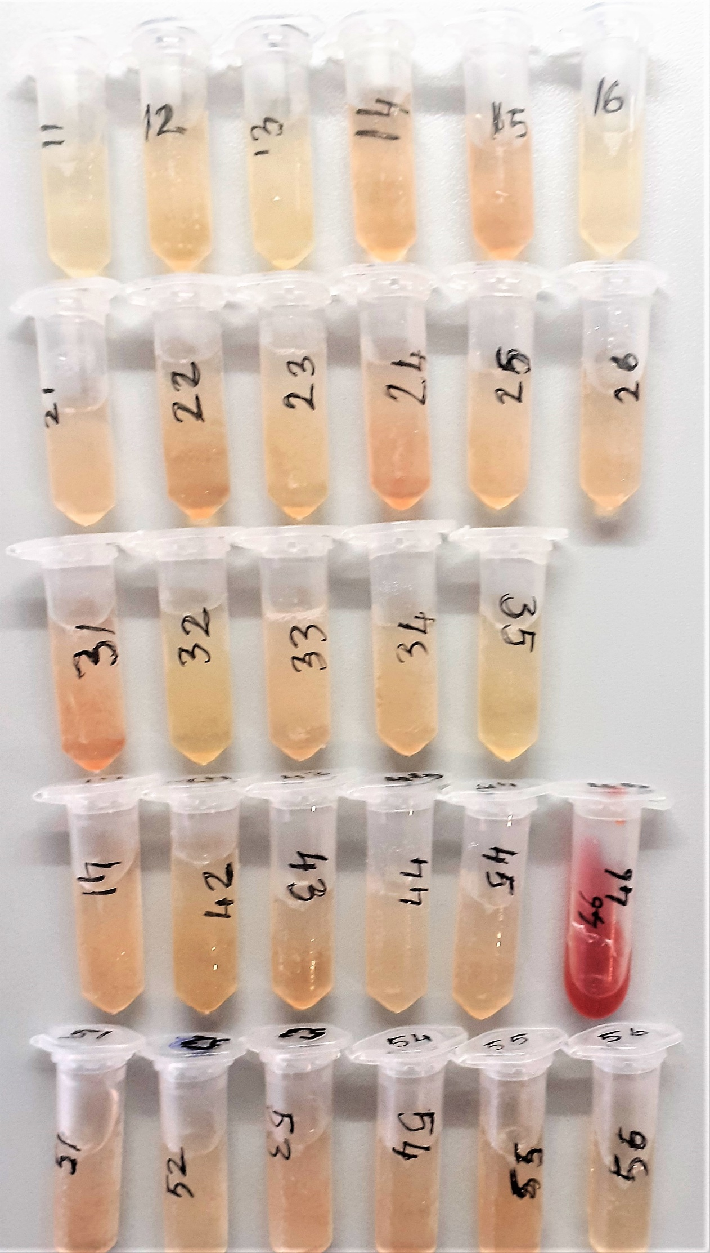
TAS: Total Antioxidant Status
TOS: Total Oxidant status
OSI: Oxidative Stress Index
Pon-1: Paraoxonase-1
CHOL: Total Kolesterol
HDL: High Density Lipoprotein
LDL: Low Density Lipoprotein
TG: Triglycerides
Ares: Arylesterase
INS: Insulin

Bu çalışmada "Relassay" marka kitler kullanılmıştır.
Kullanılan cihaz: Mindray marka BS300 model tam otomatik biyokimya cihazı

