Sayfa1
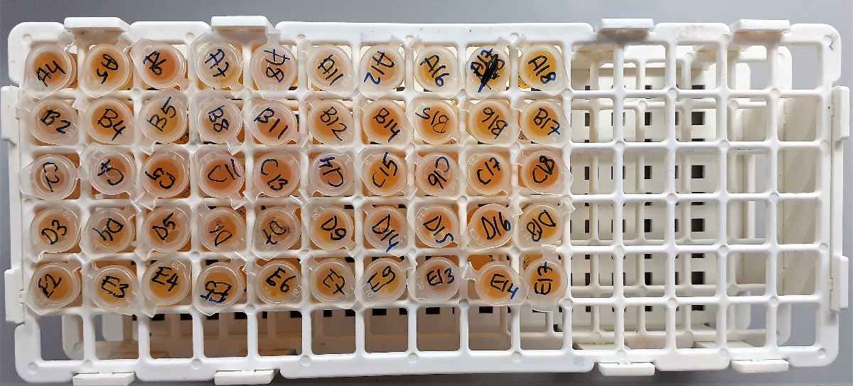
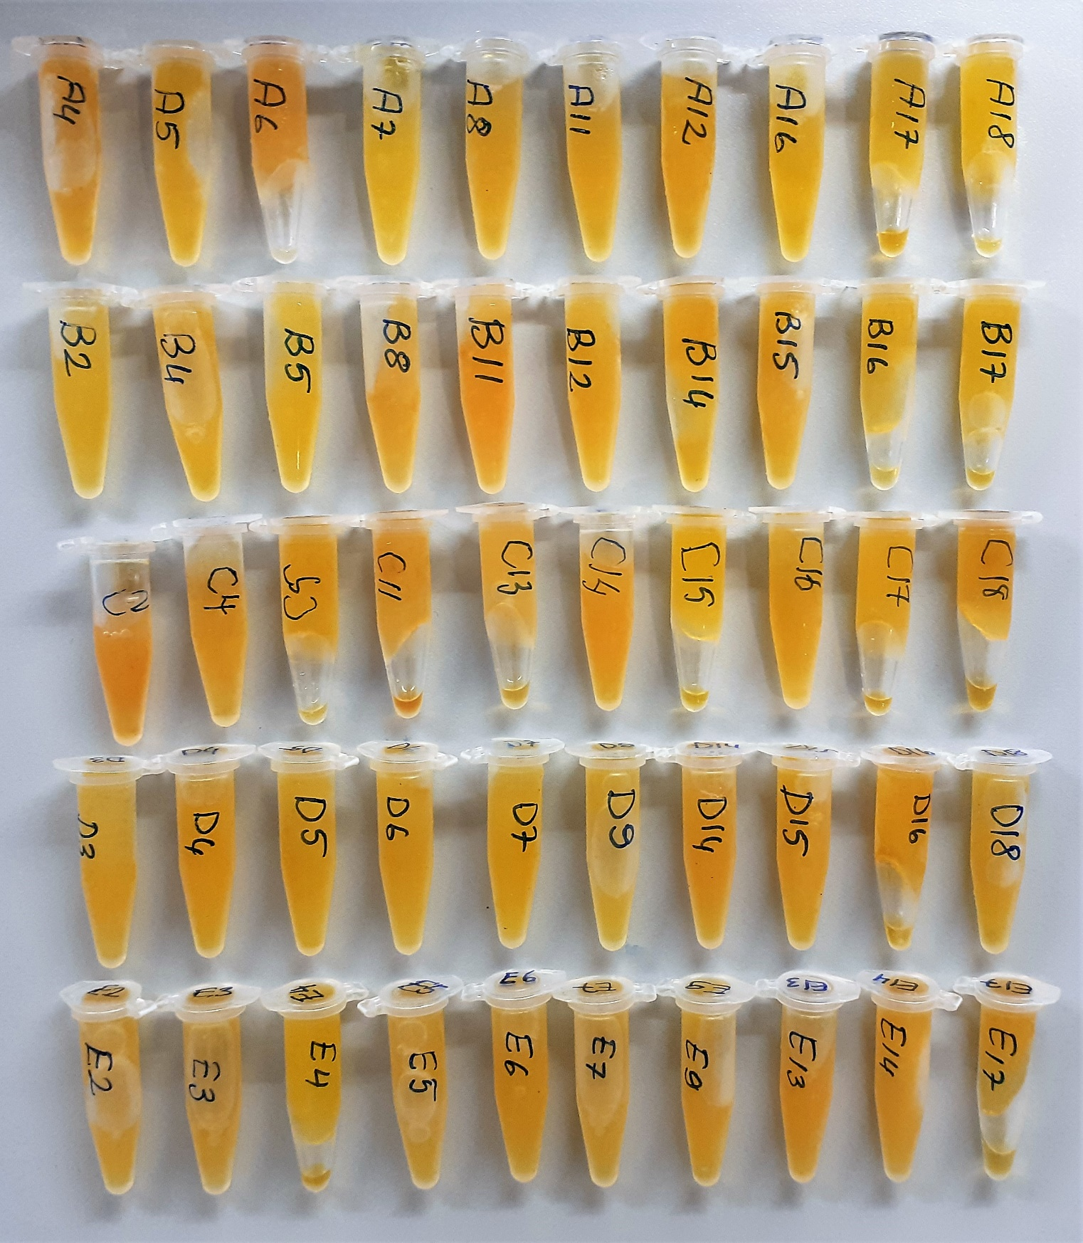
Numune Adı | TAS(mmol/L) | TOS (µmol/L) | OSI | TTL(µmol/L) | NTL(µmol/L) | Disülfit | LDL( mg/dl) | CHOL( mg/dl) | TP( g/dl) | AST( U/L) | ALT( U/L) | ALB( g/dl)
A4 | 1.07 | 8.54 | 0.798 | 761 | 204 | 278.5 | 19.1 | 139 | 5.8 | 220 | 28 | 1.69
A5 | 1.25 | 5.98 | 0.478 | 528 | 248 | 140 | 12.4 | 107 | 2.38 | 446 | 19 | 1.4
A6 | 0.93 | 10.59 | 1.139 | 612 | 264 | 174 | 11.3 | 90 | 1.89 | 283 | 12 | 1.28
A7 | 1.2 | 3.69 | 0.308 | 595 | 138 | 228.5 | 11.3 | 104 | 1.75 | 464 | 11 | 1.19
A8 | 1.13 | 6.18 | 0.547 | 745 | 120 | 312.5 | 12.8 | 116 | 1.83 | 434 | 9 | 1.28
A11 | 1.15 | 5.82 | 0.506 | 706 | 148 | 279 | 13.5 | 97 | 2.22 | 372 | 7 | 1.56
A12 | 1.36 | 6.8 | 0.500 | 645 | 110 | 267.5 | 8.1 | 84 | 1.85 | 297 | 6 | 1.41
A16 | 1 | 5.11 | 0.511 | 552 | 212 | 170 | 11.4 | 96 | 1.81 | 298 | 12 | 1.34
A17 | 1.22 | 5.1 | 0.418 | 660 | 203 | 228.5 | 13.5 | 90 | 1.72 | 552 | 8 | 1.31
A18 | 1.18 | 3.82 | 0.324 | 773 | 122 | 325.5 | 23.6 | 119 | 2.19 | 467 | 9 | 1.64
B2 | 1.6 | 4.8 | 0.300 | 667 | 87 | 290 | 10.9 | 93 | 1.61 | 258 | 9 | 1.23
B4 | 1.07 | 5.94 | 0.555 | 626 | 160 | 233 | 22.6 | 147 | 2.07 | 210 | 14 | 1.51
B5 | 1.16 | 5.22 | 0.450 | 655 | 186 | 234.5 | 20.7 | 126 | 1.89 | 302 | 10 | 1.39
B8 | 1.16 | 8.35 | 0.720 | 766 | 121 | 322.5 | 14.1 | 92 | 1.68 | 326 | 11 | 1.31
B11 | 1.59 | 9.28 | 0.584 | 662 | 108 | 277 | 9.1 | 89 | 1.77 | 353 | 12 | 1.34
B12 | 1.22 | 6.02 | 0.493 | 737 | 113 | 312 | 15.7 | 95 | 1.71 | 315 | 8 | 1.33
B14 | 1.23 | 7.26 | 0.590 | 676 | 123 | 276.5 | 15.1 | 100 | 2.1 | 236 | 8 | 1.59
B15 | 1.01 | 6.7 | 0.663 | 747 | 218 | 264.5 | 19.2 | 115 | 2.12 | 364 | 9 | 1.6
B16 | 1.74 | 5.64 | 0.324 | 861 | 187 | 337 | 14.5 | 98 | 1.95 | 328 | 9 | 1.45
B17 | 0.86 | 4.51 | 0.524 | 693 | 98 | 297.5 | 9.9 | 76 | 1.58 | 296 | 7 | 1.22
C2 | 1.48 | 11.19 | 0.756 | 919 | 122 | 398.5 | 21.3 | 125 | 2.36 | 238 | 10 | 1.73
C4 | 0.87 | 7.49 | 0.861 | 743 | 204 | 269.5 | 20.6 | 100 | 1.9 | 212 | 9 | 1.51
C5 | 1.2 | 5.9 | 0.492 | 721 | 210 | 255.5 | 20 | 138 | 2.02 | 214 | 6 | 1.47
C11 | 1.36 | 8.49 | 0.624 | 664 | 129 | 267.5 | 8.6 | 77 | 1.57 | 234 | 17 | 1.2
C13 | 1.16 | 7.42 | 0.640 | 713 | 75 | 319 | 14 | 83 | 1.69 | 317 | 10 | 1.32
C14 | 1.09 | 8.37 | 0.768 | 955 | 116 | 419.5 | 11.8 | 89 | 1.75 | 289 | 7 | 1.32
C15 | 1.95 | 3.79 | 0.194 | 670 | 161 | 254.5 | 17.4 | 100 | 2.03 | 472 | 6 | 1.52
C16 | 0.94 | 5.96 | 0.634 | 690 | 181 | 254.5 | 9.5 | 81 | 1.55 | 451 | 7 | 1.2
C17 | 0.93 | 6.03 | 0.648 | 692 | 183 | 254.5 | 14.7 | 101 | 1.86 | 382 | 9 | 1.34
C18 | 1.51 | 8.36 | 0.554 | 968 | 159 | 404.5 | 15.1 | 108 | 2.09 | 391 | 7 | 1.59
D3 | 1.39 | 6.38 | 0.459 | 543 | 146 | 198.5 | 10.9 | 83 | 1.46 | 406 | 7 | 1.12
D4 | 1.15 | 6.62 | 0.576 | 663 | 182 | 240.5 | 14.9 | 112 | 1.9 | 325 | 13 | 1.42
D5 | 1.17 | 5.01 | 0.428 | 585 | 190 | 197.5 | 14.2 | 85 | 1.43 | 411 | 6 | 1.14
D6 | 0.98 | 4.75 | 0.485 | 490 | 83 | 203.5 | 10.3 | 91 | 1.3 | 241 | 6 | 0.99
D7 | 1.26 | 5.37 | 0.426 | 664 | 115 | 274.5 | 8.8 | 93 | 1.49 | 364 | 16 | 1.11
D9 | 1.06 | 4.89 | 0.461 | 988 | 141 | 423.5 | 20.4 | 104 | 1.98 | 300 | 11 | 1.45
D14 | 1.33 | 6.5 | 0.489 | 775 | 94 | 340.5 | 14.1 | 110 | 1.72 | 261 | 8 | 1.36
D15 | 0.73 | 4.65 | 0.637 | 710 | 168 | 271 | 14.3 | 83 | 1.52 | 247 | 5 | 1.18
D16 | 1.5 | 7.8 | 0.520 | 657 | 235 | 211 | 11.7 | 96 | 1.79 | 514 | 8 | 1.41
D18 | 1.25 | 5.33 | 0.426 | 743 | 91 | 326 | 14.5 | 102 | 1.92 | 306 | 7 | 1.46
E2 | 1.83 | 6.59 | 0.360 | 626 | 121 | 252.5 | 21.2 | 109 | 3.89 | 464 | 47 | 1.3
E3 | 1.15 | 7.89 | 0.686 | 618 | 216 | 201 | 21.7 | 111 | 2.06 | 299 | 13 | 1.37
E4 | 1.12 | 4.44 | 0.396 | 584 | 196 | 194 | 13.5 | 113 | 1.93 | 424 | 8 | 1.37
E5 | 1.37 | 5.76 | 0.420 | 681 | 130 | 275.5 | 9.9 | 87 | 1.63 | 365 | 10 | 1.18
E6 | 1.17 | 5.06 | 0.432 | 706 | 113 | 296.5 | 13.2 | 93 | 1.54 | 344 | 7 | 1.09
E7 | 1.11 | 9.02 | 0.813 | 593 | 128 | 232.5 | 16.4 | 114 | 1.74 | 345 | 9 | 1.28
E9 | 0.99 | 5.99 | 0.605 | 630 | 148 | 241 | 19.2 | 123 | 1.94 | 350 | 10 | 1.38
E13 | 1.4 | 6.91 | 0.494 | 711 | 254 | 228.5 | 18.5 | 119 | 1.98 | 394 | 12 | 1.46
E14 | 0.91 | 6.65 | 0.731 | 663 | 162 | 250.5 | 12.5 | 108 | 1.95 | 332 | 9 | 1.46
E17 | 1.21 | 7.38 | 0.610 | 922 | 149 | 386.5 | 22 | 118 | 2.29 | 508 | 9 | 1.47

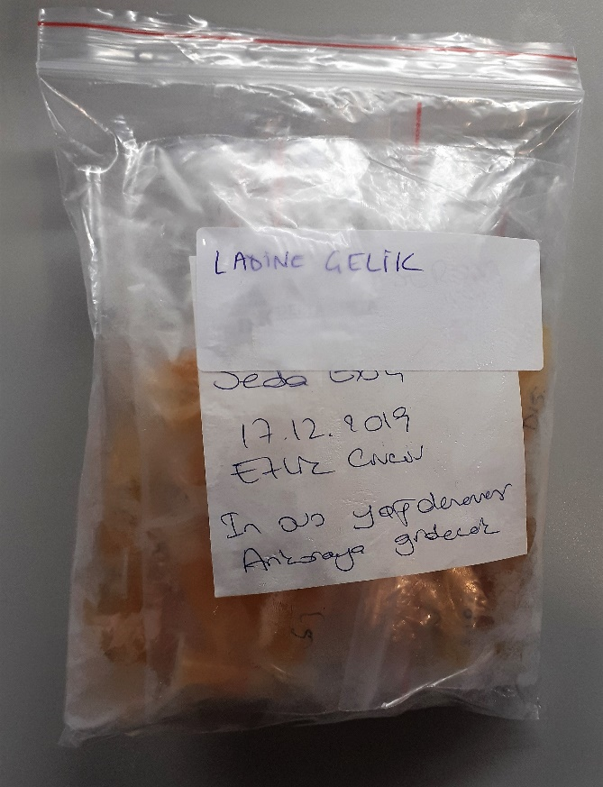
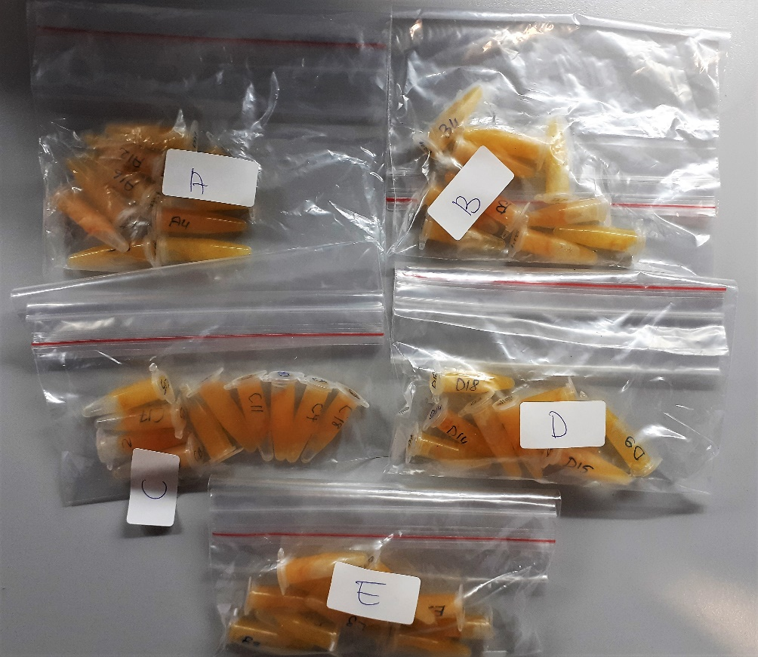

Kullanılan cihaz: Mindray marka BS300 model tam otomatik biyokimya cihazı

TAS: Total Antioxidant Status
TOS: Total Oxidant Status
OSI: Oxidative Stress Index
TTL: Total Thıol
NTL: Natıve Thıol
Disülfit: Thıol/ Disülfit Dengesi
CHOL: Cholesterol
LDL: LDL Cholesterol
TP: Total Proteın
AST: Aspartat Aminotransferaz
ALT: Alanin Aminotransferaz
ALB: Albumın

