TESTOSTERONE
0.051 | 0.364 | 0.512 | 0.436 | 0.357 | 0.356
0.408 | 0.407 | 0.499 | 0.561 | 0.309
0.619 | 0.329 | 0.498 | 0.573 | 0.447
0.769 | 0.407 | 0.537 | 0.63 | 0.441
0.897 | 0.461 | 0.555 | 0.537 | 0.246
0.995 | 0.369 | 0.506 | 0.36 | 0.339
 | 0.499 | 0.318 | 0.296 | 0.386
 | 0.408 | 0.406 | 0.396 | 0.396

TESTOSTERONE
0.051 | 30
0.408 | 10
0.619 | 3
0.769 | 1
0.897
0.995 | 0

 | abs | expected | result
std1 | 0.051 | 30 | 29.926132532
std2 | 0.408 | 10 | 10.216658048
std3 | 0.619 | 3.333 | 3.401350452
std4 | 0.769 | 1.111 | 0.740322852
std5 | 0.897
blank | 0.995 | 0 | 0.1582933

 |  |  |  |  |  | concentratıon (pg/ml)

Numune | absorbans | result
SHAM-1 | 0.364 | 12.090384672
SHAM-2 | 0.407 | 10.257508468
SHAM-3 | 0.329 | 13.692367012
SHAM-4 | 0.407 | 10.257508468
SHAM-5 | 0.461 | 8.167015972
SHAM-6 | 0.369 | 11.869596452
SALİNE-1 | 0.499 | 6.836929332
SALİNE-2 | 0.408 | 10.216658048
SALİNE-3 | 0.512 | 6.408639808
SALİNE-4 | 0.499 | 6.836929332
SALİNE-5 | 0.498 | 6.870439328
SALİNE-6 | 0.537 | 5.623321508
10 mg Testesteron-1 | 0.555 | 5.0891093
10 mg Testesteron-2 | 0.506 | 6.604617952
10 mg Testesteron-3 | 0.318 | 14.216255168
10 mg Testesteron-4 | 0.406 | 10.298439552
10 mg Testesteron-5 | 0.436 | 9.105595872
10 mg Testesteron-6 | 0.561 | 4.916846372
10 mg Testesteron-7 | 0.573 | 4.581032228
10 mg Testesteron-8 | 0.63 | 3.1445408
10 mg Testesteron-9 | 0.537 | 5.623321508
10 mg Testesteron-10 | 0.36 | 12.2684672
10 mg Testesteron-11 | 0.296 | 15.293312512
100 mg Testesteron-1 | 0.396 | 10.712186912
100 mg Testesteron-2 | 0.357 | 12.402876068
100 mg Testesteron-3 | 0.309 | 14.652150692
100 mg Testesteron-4 | 0.447 | 8.686409588
100 mg Testesteron-5 | 0.441 | 8.913846692
100 mg Testesteron-6 | 0.246 | 17.886365312
100 mg Testesteron-7 | 0.339 | 13.224574772
100 mg Testesteron-8 | 0.386 | 11.134000672
100 mg Testesteron-9 | 0.396 | 10.712186912
100 mg Testesteron-10 | 0.356 | 12.447840352

TTL-NTL
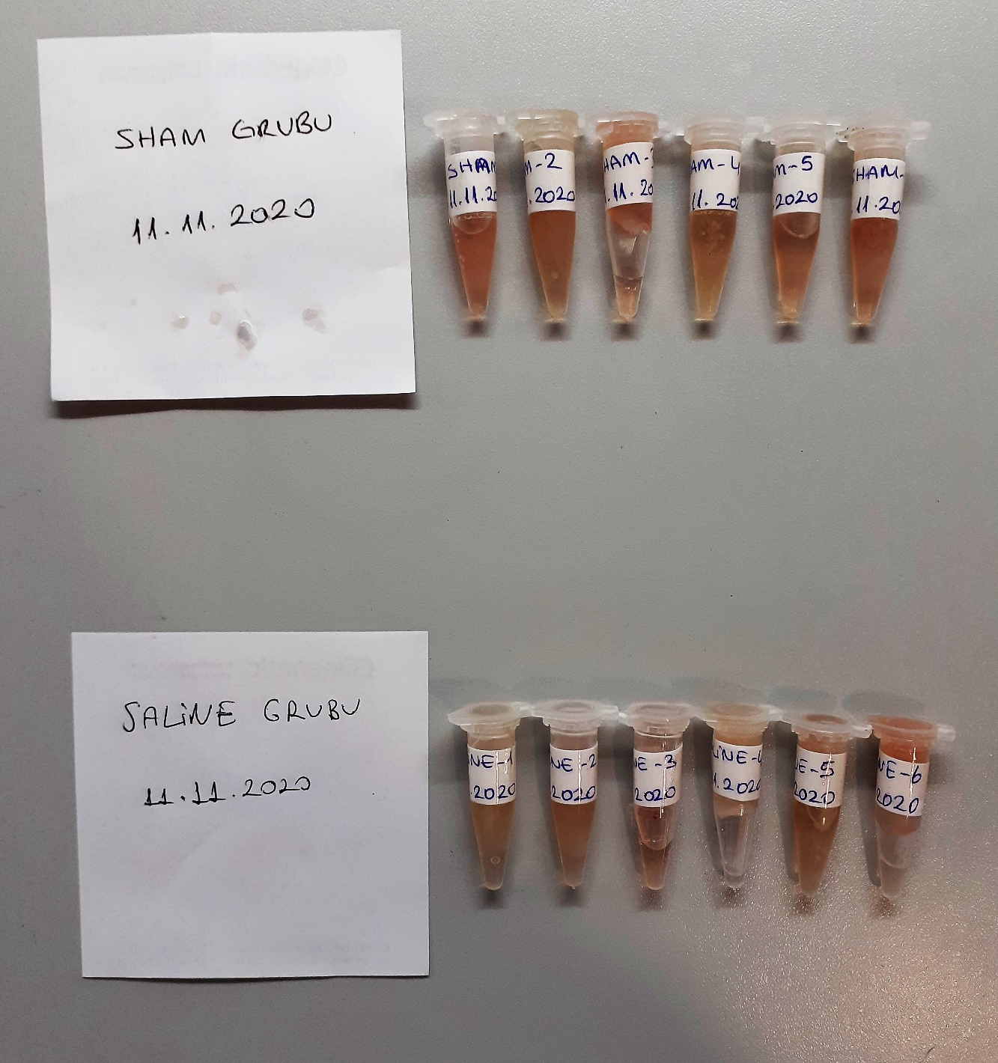
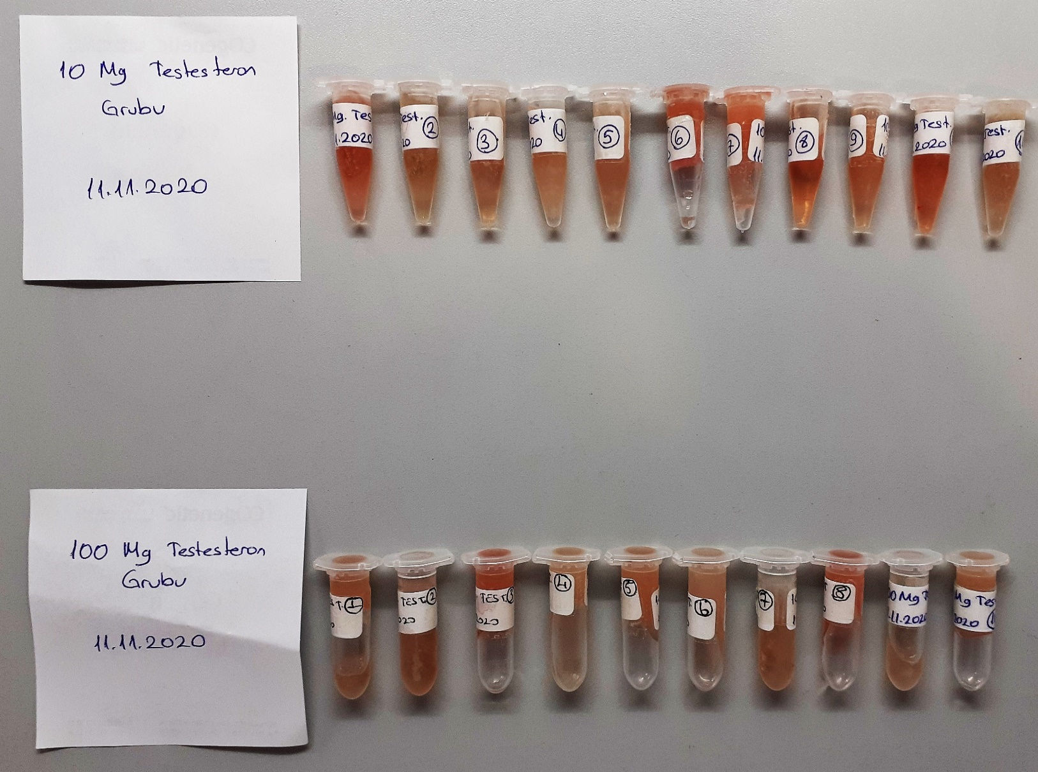
Numune Adı | TTL(µmol/L) | NTL(µmol/L) | Disülfit
SHAM-1 | 581.7 | 450.1 | 65.8 | Bu çalışmada "Relassay" marka kitler kullanılmıştır.
SHAM-2 | 427.5 | 363.44 | 32.03 | Kullanılan cihaz: Mindray marka BS300 model tam otomatik biyokimya cihazı
SHAM-3 | 339 | 169.6 | 84.7
SHAM-4 | 349.1 | 153.7 | 97.7
SHAM-5 | 404.1 | 202.2 | 100.95 | TTL: Total Thıol
SHAM-6 | 342.9 | 107.1 | 117.9 | NTL: Natıve Thıol
SALİNE-1 | 444.3 | 346.5 | 48.9 | Disülfit: Thıol/ Disülfit dengesi
SALİNE-2 | 799.7 | 549.1 | 125.3
SALİNE-3 | 400.2 | 225 | 87.6
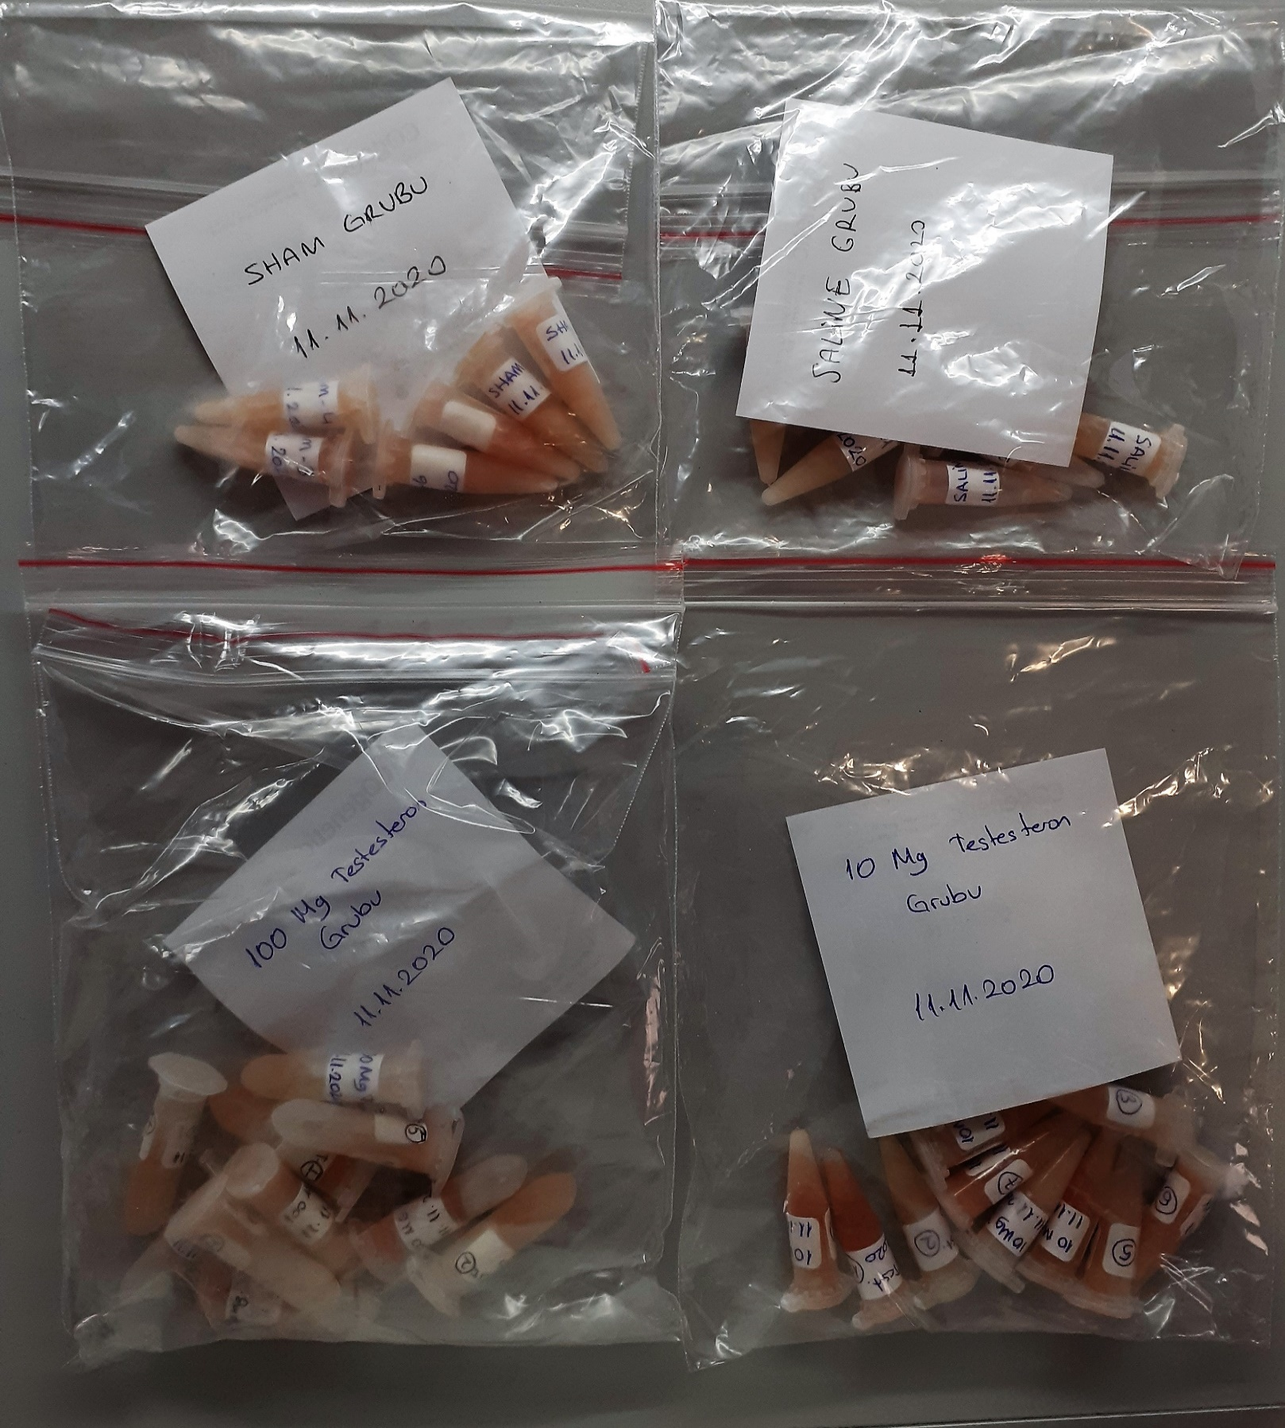
SALİNE-4 | 227.7 | 191.7 | 18
SALİNE-5 | 193.5 | 97.1 | 48.2
SALİNE-6 | 403.5 | 104.9 | 149.3
10 mg Testesteron-1 | 380.4 | 145.9 | 117.25
10 mg Testesteron-2 | 555.6 | 450.6 | 52.5
10 mg Testesteron-3 | 378.6 | 109.6 | 134.5
10 mg Testesteron-4 | 337.5 | 179.8 | 78.85
10 mg Testesteron-5 | 451.2 | 136.2 | 157.5
10 mg Testesteron-6 | 589.8 | 83.8 | 253
10 mg Testesteron-7 | 573.6 | 247.2 | 163.2
10 mg Testesteron-8 | 318 | 198.3 | 59.85
10 mg Testesteron-9 | 377.1 | 126.2 | 125.45
10 mg Testesteron-10 | 720 | 168.2 | 275.9
10 mg Testesteron-11 | 452.1 | 107.5 | 172.3
100 mg Testesteron-1 | 363.8 | 185.9 | 88.95
100 mg Testesteron-2 | 247.5 | 107.8 | 69.85
100 mg Testesteron-3 | 342 | 160.4 | 90.8
100 mg Testesteron-4 | 191.4 | 172.7 | 9.35
100 mg Testesteron-5 | 250.8 | 101.2 | 74.8
100 mg Testesteron-6 | 427.8 | 108.6 | 159.6
100 mg Testesteron-7 | 230.4 | 203.9 | 13.25
100 mg Testesteron-8 | 390.3 | 134.2 | 128.05
100 mg Testesteron-9 | 459.6 | 260.9 | 99.35
100 mg Testesteron-10 | 248.1 | 120.4 | 63.85

