Sayfa1
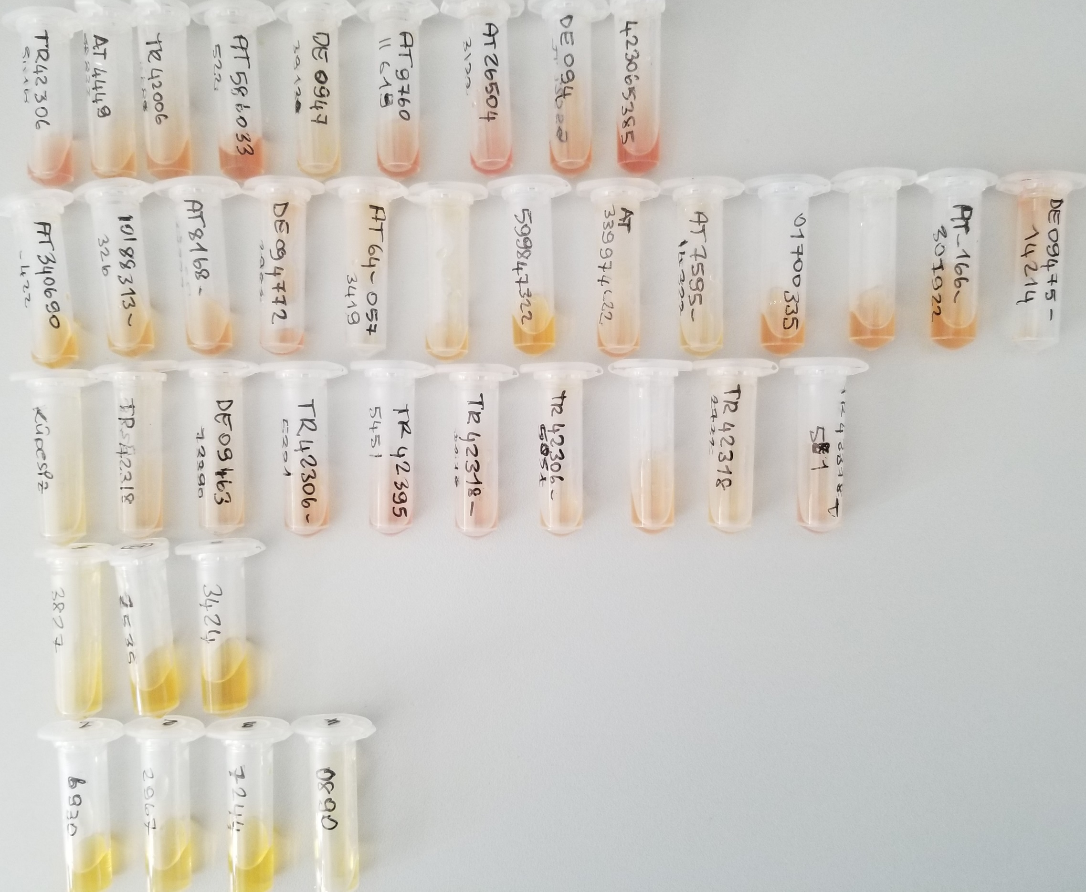
Numune | Total Thiol (µmol/L) | Native Thiol (µmol/L) | Tiyol Disülfit | TAS (mmol/L) | TOS (µmol/L) | OSI | Paraoxonase-1 (U/L)
(A)TR-42306-5416 | 452 | 193 | 129.5 | 2.31 | E.S. | #VALUE! | E.S.
(A)AT-4449-59922 | 298 | 135 | 81.5 | 2.12 | E.S. | #VALUE! | E.S.
(A)TR-42006-4608 | 376 | 133 | 121.5 | 1.89 | E.S. | #VALUE! | E.S.
(A)AT-586033-522 | 364 | 171 | 96.5 | 2.42 | E.S. | #VALUE! | E.S.
(A)DE-0947-39130 | 474 | 166 | 154 | 1.99 | E.S. | #VALUE! | E.S.
(A)AT-9760-11619 | 616 | 203 | 206.5 | 2.54 | E.S. | #VALUE! | E.S.
(A)AT-26504-3122 | 635 | 218 | 208.5 | 2.46 | E.S. | #VALUE! | E.S.
(A)DE-094-7422559 | 540 | 199 | 170.5 | 2.07 | E.S. | #VALUE! | E.S.
(A)423065385 | 495 | 179 | 158 | 2.39 | E.S. | #VALUE! | E.S.
(B)AT-340690-422 | 289 | 169 | 60 | 1.18 | 11.62 | 0.98 | 593
(B)10188313-326 | 320 | 102 | 109 | 1.19 | 9.53 | 0.80 | 537
(B)AT-8168-37222 | 479 | 142 | 168.5 | 1.54 | 13.84 | 0.90 | 444
(B)DE-094772-2982 | 501 | 120 | 190.5 | 1.49 | 18.72 | 1.26 | 628
(B)AT-64-0573419 | 452 | 94 | 179 | 1.45 | 11.69 | 0.81 | 532
(B)DE-947503436 | 360 | 188 | 86 | 1.45 | 11.06 | 0.76 | 828
(B)599847322 | 404 | 109 | 147.5 | 1.24 | 8.4 | 0.68 | 544
(B)AT-339974622 | 393 | 131 | 131 | 1.28 | 14.19 | 1.11 | 520
(B)AT-7595-14322 | 402 | 86 | 158 | 1.47 | 7.8 | 0.53 | 408
(B)1700335 | 198 | 39 | 79.5 | 1.49 | 13.02 | 0.87 | 394
(B)854119719 | 408 | 106 | 151 | 1.21 | 11.63 | 0.96 | 372
(B)AT-166-307922 | 355 | 122 | 116.5 | 1.22 | 12.05 | 0.99 | 398
(B)DE-0947514214 | 406 | 141 | 132.5 | 1.56 | 18.53 | 1.19 | 563
(C)Küpesiz | 641 | 63 | 289 | 1.69 | E.S. | #VALUE! | E.S.
(C)TR-42318-3229 | 485 | 132 | 176.5 | 2.28 | E.S. | #VALUE! | E.S.
(C)DE-09463-73390 | 642 | 163 | 239.5 | 2.23 | E.S. | #VALUE! | E.S.
(C)TR-42306-5321 | 601 | 203 | 199 | 2.22 | E.S. | #VALUE! | E.S.
(C)TR42395-5451 | 675 | 195 | 240 | 2.24 | E.S. | #VALUE! | E.S.
(C)TR-42318-3218 | 608 | 158 | 225 | 2.3 | E.S. | #VALUE! | E.S.
(C)TR-42306-5051 | 552 | 168 | 192 | 2.24 | E.S. | #VALUE! | E.S.
(C)AT-43308-8222 | 721 | 167 | 277 | 2.3 | E.S. | #VALUE! | E.S.
(C)TR-42318-2732 | 576 | 174 | 201 | 1.98 | E.S. | #VALUE! | E.S.
(C)TR-42318-581 | 523 | 167 | 178 | 2.37 | E.S. | #VALUE! | E.S.
(D)3827 | 651 | 181 | 235 | 1.33 | 10.29 | 0.77 | 775
(D)2535 | 396 | 197 | 99.5 | 1.46 | 4.5 | 0.31 | 709
(D)3424 | 461 | 172 | 144.5 | 1.35 | 6.9 | 0.51 | 472
(E)6930 | 442 | 166 | 138 | 1.28 | 2 | 0.16 | 343
(E)2967 | 572 | 199 | 186.5 | 1.05 | 1.94 | 0.18 | 513
(Emb.Trans.)7244 | 477 | 174 | 151.5 | 1.49 | 2.3 | 0.15 | 692
(Emb.Trans.)0890 | 718 | 160 | 279 | 1.31 | 2.22 | 0.17 | 672

E.S. (Eksi Sonuç)

