Sayfa1
2.551 | 1.526 | 1.682 | 1.801 | 1.62 | 1.353 | 1.275 | 1.478 | 1.568 | 1.437 | 1.574 | 1.749
1.708 | 1.659 | 1.512 | 1.798 | 1.597 | 1.409 | 1.488 | 1.34 | 1.635 | 1.434 | 1.525 | 1.708
0.98 | 1.548 | 1.587 | 1.329 | 1.462 | 1.477 | 1.351 | 1.377 | 1.463 | 1.429 | 1.639 | 1.46
0.392 | 1.521 | 1.208 | 1.374 | 1.407 | 1.363 | 1.343 | 1.484 | 1.509 | 1.4 | 1.422 | 1.544
0.205 | 1.644 | 1.301 | 1.564 | 1.408 | 1.471 | 1.158 | 1.565 | 1.673 | 1.495 | 1.653 | 1.445
0.053 | 1.378 | 1.289 | 1.545 | 1.373 | 1.413 | 1.271 | 1.551 | 1.45 | 1.439 | 1.69 | 1.413
 | 1.516 | 1.226 | 1.535 | 1.246 | 1.433 | 1.273 | 1.451 | 1.485 | 1.575 | 1.712 | 1.616
1.32 | 1.391 | 1.374 | 1.508 | 1.151 | 1.272 | 1.356 | 1.567 | 1.583 | 1.533 | 1.509 | 1.642

RAT- TNF-a
2.498 | 640
1.655 | 320
0.927 | 160
0.339
0.152 | 40
 | absorbans | abs-blank | expected | result
std1 | 2.551 | 2.498 | 640 | 637.01239161
std2 | 1.708 | 1.655 | 320 | 330.07018555
std3 | 0.98 | 0.927 | 160 | 149.52111576
std4 | 0.392 | 0.339
std5 | 0.205 | 0.152 | 40 | 43.398615808
blank | 0.053 | 0

Numune | absorbans | abs-blank | result (ng/L)
G-1 | 1.32 | 1.267 | 224.09433168
G-2 | 1.526 | 1.473 | 277.58912856
G-4 | 1.659 | 1.606 | 315.45905087
G-5 | 1.548 | 1.495 | 283.67285755
G-6 | 1.521 | 1.468 | 276.21643965 |  |  |  |  |  | concentration (ng/L)
G-7 | 1.644 | 1.591 | 311.05720046
R-1 | 1.378 | 1.325 | 238.52159875
R-2 | 1.516 | 1.463 | 274.84744584 |  |  |  | NOT: Q GRUPLARI VE K GRUPLARI ÇİFT ÇALIŞILDI
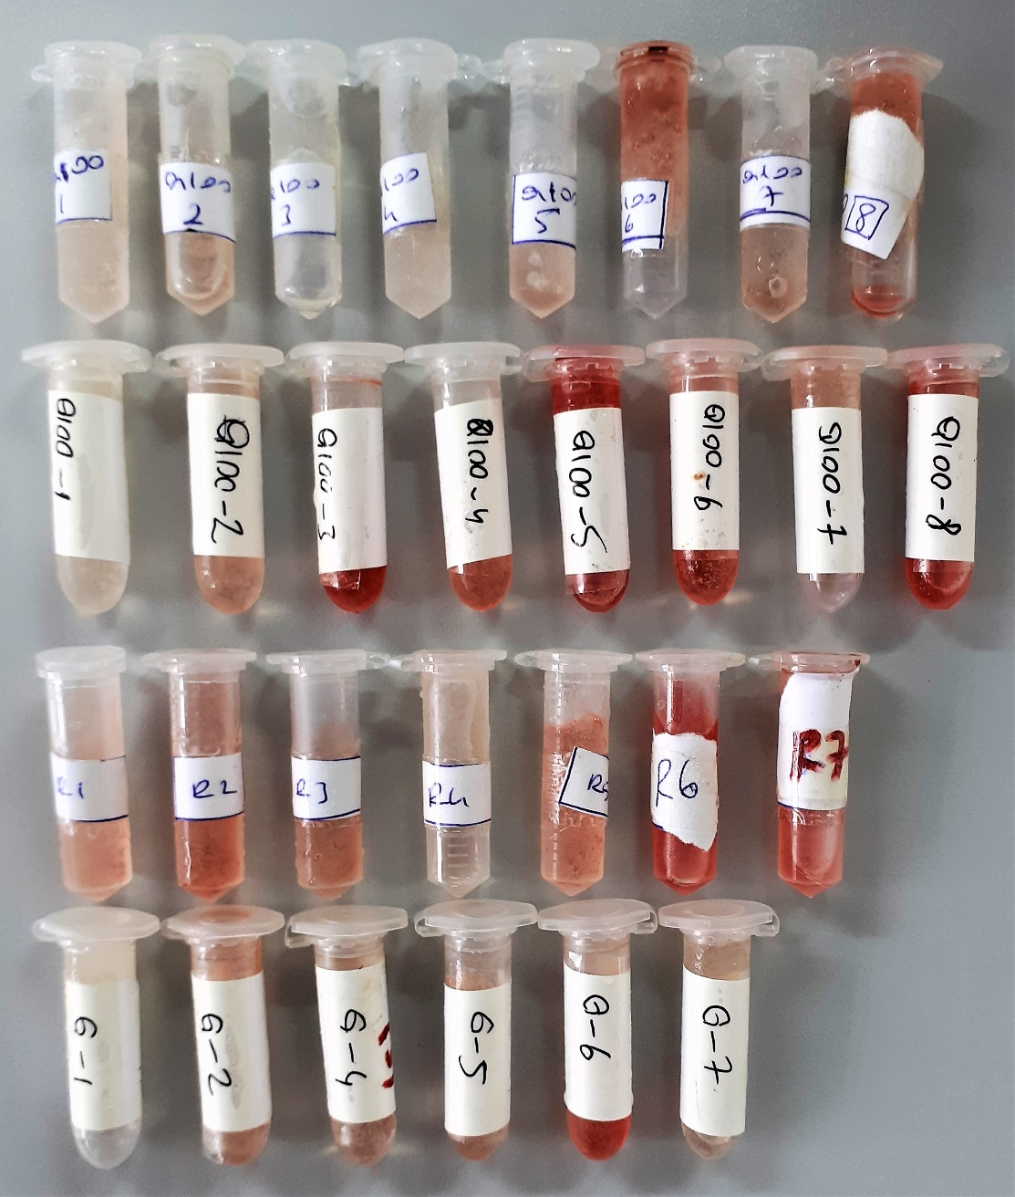
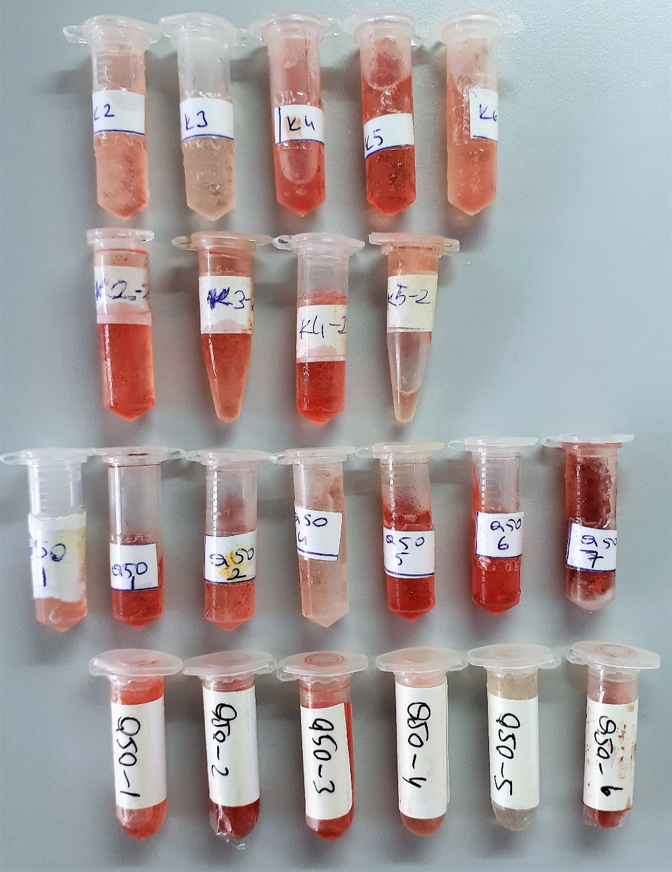
R-3 | 1.391 | 1.338 | 241.82350809
R-4 | 1.682 | 1.629 | 322.27314518
R-5 | 1.512 | 1.459 | 273.75491126
R-6 | 1.587 | 1.534 | 294.63346271
R-7 | 1.208 | 1.155 | 197.64187555
Q-100-1(S) | 1.301 | 1.248 | 219.47627661
Q-100-1(S) | 1.289 | 1.236 | 216.58710179
Q-100-2(S) | 1.226 | 1.173 | 201.76812096
Q-100-2(S) | 1.374 | 1.321 | 237.51065198
Q-100-3(S) | 1.801 | 1.748 | 358.77747261
Q-100-3(S) | 1.798 | 1.745 | 357.83147755
Q-100-4(S) | 1.329 | 1.276 | 226.30045475
Q-100-4(S) | 1.374 | 1.321 | 237.51065198
Q-100-5(S) | 1.564 | 1.511 | 288.14232014
Q-100-5(S) | 1.545 | 1.492 | 282.83904573
Q-100-6(S) | 1.535 | 1.482 | 280.06928025
Q-100-6(S) | 1.508 | 1.455 | 272.66474155
Q-100-7(S) | 1.62 | 1.567 | 304.08341208
Q-100-7(S) | 1.597 | 1.544 | 297.48008627
Q-100-8(S) | 1.462 | 1.409 | 260.29776446
Q-100-8(S) | 1.407 | 1.354 | 245.92168703
Q-100-1(M) | 1.408 | 1.355 | 246.17907955
Q-100-1(M) | 1.373 | 1.32 | 237.2582848
Q-100-2(M) | 1.246 | 1.193 | 206.4090036
Q-100-2(M) | 1.151 | 1.098 | 184.89136281
Q-100-3(M) | 1.353 | 1.3 | 232.24198
Q-100-3(M) | 1.409 | 1.356 | 246.43661987
Q-100-4(M) | 1.477 | 1.424 | 264.29610995
Q-100-4(M) | 1.363 | 1.31 | 234.7427422
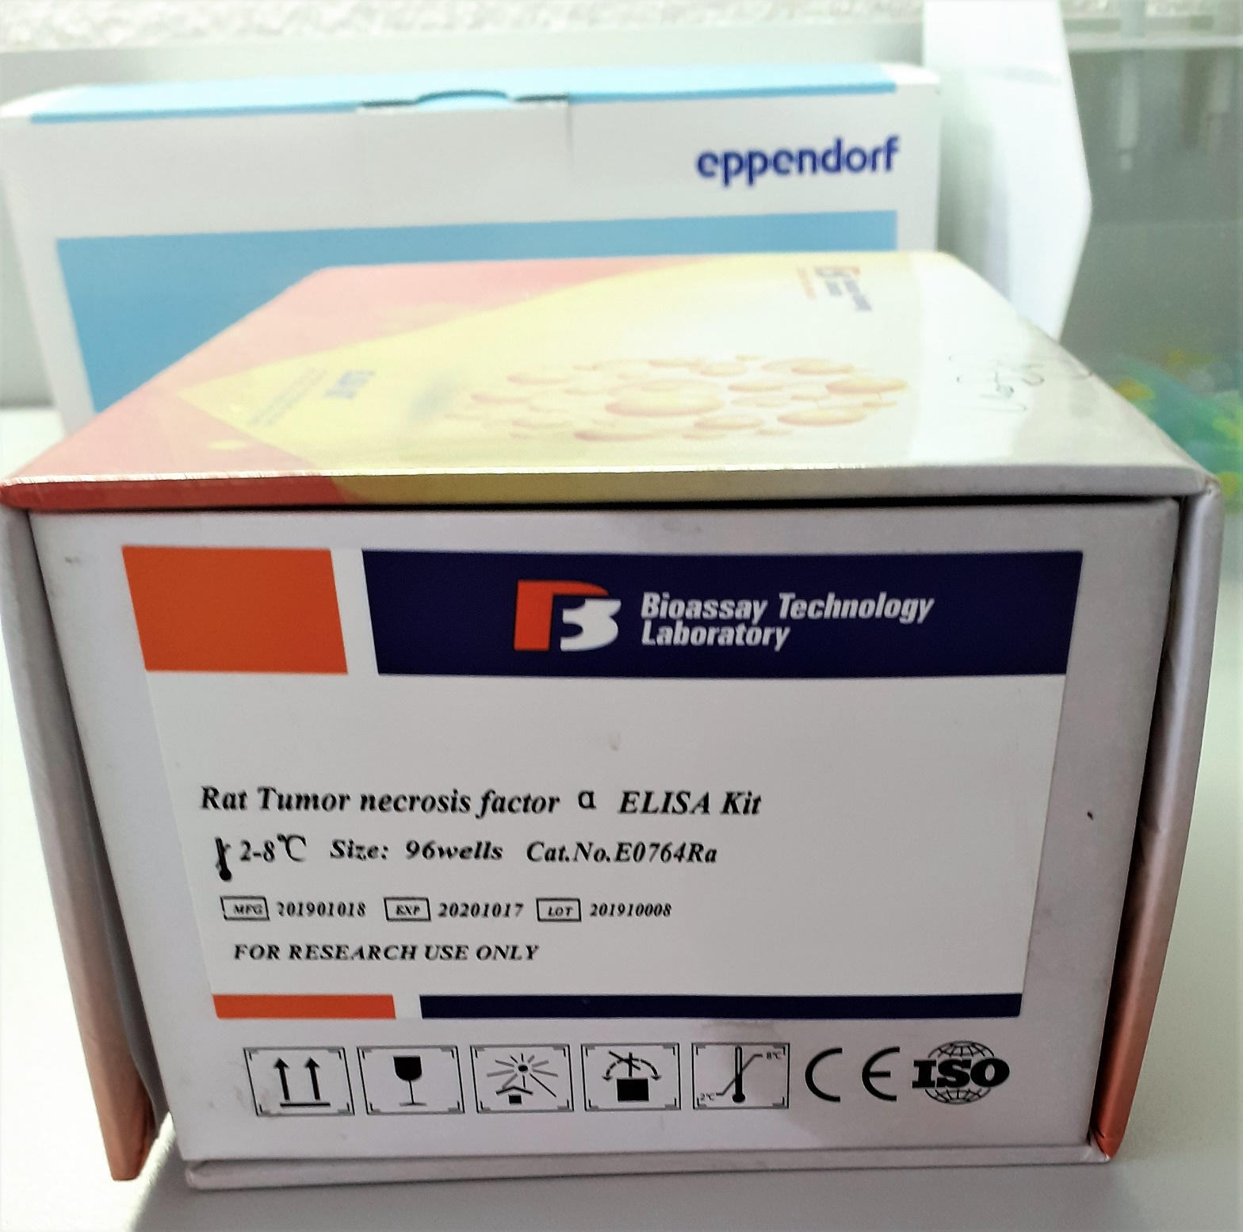
Q-100-5(M) | 1.471 | 1.418 | 262.69278105
Q-100-5(M) | 1.413 | 1.36 | 247.4682592
Q-100-6(M) | 1.433 | 1.38 | 252.6619288
Q-100-6(M) | 1.272 | 1.219 | 212.53053782
Q-100-7(M) | 1.275 | 1.222 | 213.24329817
Q-100-7(M) | 1.488 | 1.435 | 267.24936595
Q-100-8(M) | 1.351 | 1.298 | 231.74360121
Q-100-8(M) | 1.343 | 1.29 | 229.7559982
Q-50-1(M) | 1.158 | 1.105 | 186.43134955
Q-50-1(M) | 1.271 | 1.218 | 212.29324665
Q-50-1(M) | 1.273 | 1.22 | 212.7679768
Q-50-1(M) | 1.356 | 1.303 | 232.99065672
Q-50-2(M) | 1.478 | 1.425 | 264.56384875
Q-50-2(M) | 1.34 | 1.287 | 229.01308584
Q-50-4(M) | 1.377 | 1.324 | 238.26864035
Q-50-4(M) | 1.484 | 1.431 | 266.17338542
Q-50-5(M) | 1.565 | 1.512 | 288.42291789
Q-50-5(M) | 1.551 | 1.498 | 284.50799961
Q-50-6(M) | 1.451 | 1.398 | 257.38678041
Q-50-6(M) | 1.567 | 1.514 | 288.98455679
Q-50-7(M) | 1.568 | 1.515 | 289.26559795
Q-50-7(M) | 1.635 | 1.582 | 308.43205305
Q-50-1(S) | 1.463 | 1.41 | 260.5632862
Q-50-1(S) | 1.509 | 1.456 | 272.93706227
Q-50-2(S) | 1.673 | 1.62 | 319.5974488
Q-50-2(S) | 1.45 | 1.397 | 257.12303232
Q-50-3(S) | 1.485 | 1.432 | 266.44215885
Q-50-3(S) | 1.583 | 1.53 | 293.4989518
Q-50-4(S) | 1.437 | 1.384 | 253.70775731
Q-50-4(S) | 1.434 | 1.381 | 252.92316422
Q-50-5(S) | 1.429 | 1.376 | 251.61846515
Q-50-5(S) | 1.4 | 1.347 | 244.12407792
Q-50-6(S) | 1.495 | 1.442 | 269.13802233
Q-50-6(S) | 1.439 | 1.386 | 254.23155839
K-2 | 1.575 | 1.522 | 291.23702457
K-2 | 1.533 | 1.48 | 279.5171008 |  |  |  | Kit alındığında üzerinde ve içinde buzlar vardı.
K-3 | 1.574 | 1.521 | 290.95494878
K-3 | 1.525 | 1.472 | 277.31429517
K-4 | 1.639 | 1.586 | 309.59730719
K-4 | 1.422 | 1.369 | 249.79809422
K-5 | 1.653 | 1.6 | 313.69432
K-5 | 1.69 | 1.637 | 324.66159264
K-6 | 1.712 | 1.659 | 331.27859846
K-6 | 1.509 | 1.456 | 272.93706227
K2-2 | 1.749 | 1.696 | 342.56852723
K2-2 | 1.708 | 1.655 | 330.07018555
K3-2 | 1.46 | 1.407 | 259.7671644
K3-2 | 1.544 | 1.491 | 282.56140406
K4-2 | 1.445 | 1.392 | 255.80650893
K4-2 | 1.413 | 1.36 | 247.4682592
K5-2 | 1.616 | 1.563 | 302.92939104
K5-2 | 1.642 | 1.589 | 310.47279974

