MDA
MDA
2.481 | 100
1.673 | 50
0.994 | 25
0.513 | 12.5
0.288 | 6.25
0.122 | 3.125
0 | 0
 | absorbans | abs-blank | expected | result
std1 | 2.511 | 2.481 | 100 | 99.11
std2 | 1.703 | 1.673 | 50 | 52.40
std3 | 1.024 | 0.994 | 25 | 24.30
std4 | 0.543 | 0.513 | 12.5 | 10.55
std5 | 0.318 | 0.288 | 6.25 | 5.87
std6 | 0.152 | 0.122 | 3.125 | 3.14
blank | 0.03 | 0 | 0 | 1.51

 |  |  |  |  | concentratıon (nmol/L)

Numune | absorbans | blank | abs-blank | result(nmol/L)
OVARYUM-2 | 1.35 | 0.03 | 1.32 | 36.52
OVARYUM-3 | 1.685 | 0.03 | 1.655 | 51.53
OVARYUM-4 | 1.418 | 0.03 | 1.388 | 39.37
OVARYUM-5 | 1.699 | 0.03 | 1.669 | 52.21
OVARYUM-6 | 1.187 | 0.03 | 1.157 | 30.12
OVARYUM-7 | 1.23 | 0.03 | 1.2 | 31.75
OVARYUM-8 | 1.327 | 0.03 | 1.297 | 35.58
OVARYUM-9 | 1.36 | 0.03 | 1.33 | 36.93
OVARYUM-10 | 1.163 | 0.03 | 1.133 | 29.22
OVARYUM-11 | 1.285 | 0.03 | 1.255 | 33.90
OVARYUM-12 | 1.276 | 0.03 | 1.246 | 33.54
OVARYUM-13 | 1.442 | 0.03 | 1.412 | 40.39
OVARYUM-14 | 1.599 | 0.03 | 1.569 | 47.44
OVARYUM-15 | 1.564 | 0.03 | 1.534 | 45.82
OVARYUM-16 | 1.652 | 0.03 | 1.622 | 49.94
OVARYUM-17 | 2.006 | 0.03 | 1.976 | 68.23
OVARYUM-18 | 1.865 | 0.03 | 1.835 | 60.61
OVARYUM-19 | 1.156 | 0.03 | 1.126 | 28.96
OVARYUM-20 | 0.919 | 0.03 | 0.889 | 20.86
OVARYUM-21 | 1.2 | 0.03 | 1.17 | 30.61
OVARYUM-22 | 0.886 | 0.03 | 0.856 | 19.83
OVARYUM-23 | 1.025 | 0.03 | 0.995 | 24.33
OVARYUM-24 | 0.765 | 0.03 | 0.735 | 16.26
OVARYUM-25 | 0.911 | 0.03 | 0.881 | 20.61
OVARYUM-25 | 1.223 | 0.03 | 1.193 | 31.48
OVARYUM-26 | 1.01 | 0.03 | 0.98 | 23.83
OVARYUM-27 | 1.187 | 0.03 | 1.157 | 30.12
OVARYUM-28 | 1.469 | 0.03 | 1.439 | 41.57
OVARYUM-29 | 1.291 | 0.03 | 1.261 | 34.13
OVARYUM-30 | 1.701 | 0.03 | 1.671 | 52.30
OVARYUM-31 | 2.16 | 0.03 | 2.13 | 77.05
OVARYUM-32 | 1.409 | 0.03 | 1.379 | 38.98
OVARYUM-33 | 0.946 | 0.03 | 0.916 | 21.72
OVARYUM-34 | 0.979 | 0.03 | 0.949 | 22.79
OVARYUM-35 | 0.954 | 0.03 | 0.924 | 21.98
OVARYUM-35 | 1.368 | 0.03 | 1.338 | 37.26
OVARYUM-36 | 1.027 | 0.03 | 0.997 | 24.40
OVARYUM-37 | 0.966 | 0.03 | 0.936 | 22.37
OVARYUM-38 | 0.912 | 0.03 | 0.882 | 20.64
OVARYUM-39 | 1.222 | 0.03 | 1.192 | 31.44
OVARYUM-40 | 1.175 | 0.03 | 1.145 | 29.67
UTERUS-1 | 1.084 | 0.03 | 1.054 | 26.37
UTERUS-2 | 1.071 | 0.03 | 1.041 | 25.92
UTERUS-3 | 0.877 | 0.03 | 0.847 | 19.55
UTERUS-4 | 1.177 | 0.03 | 1.147 | 29.74
UTERUS-5 | 1.938 | 0.03 | 1.908 | 64.50
UTERUS-6 | 1.234 | 0.03 | 1.204 | 31.90
UTERUS-7 | 1.089 | 0.03 | 1.059 | 26.55
UTERUS-8 | 1.004 | 0.03 | 0.974 | 23.62
UTERUS-9 | 0.977 | 0.03 | 0.947 | 22.73
UTERUS-11 | 1.207 | 0.03 | 1.177 | 30.87
UTERUS-12 | 0.57 | 0.03 | 0.54 | 11.18
UTERUS-13 | 0.735 | 0.03 | 0.705 | 15.42
UTERUS-14 | 0.803 | 0.03 | 0.773 | 17.35
UTERUS-15 | 0.837 | 0.03 | 0.807 | 18.35
UTERUS-16 | 0.994 | 0.03 | 0.964 | 23.29
UTERUS-17 | 0.8 | 0.03 | 0.77 | 17.26
UTERUS-18 | 1.131 | 0.03 | 1.101 | 28.05
UTERUS-19 | 1.282 | 0.03 | 1.252 | 33.78
UTERUS-20 | 0.275 | 0.03 | 0.245 | 5.10
UTERUS-21 | 1.395 | 0.03 | 1.365 | 38.39
UTERUS-22 | 1.833 | 0.03 | 1.803 | 58.94
UTERUS-23 | 1.097 | 0.03 | 1.067 | 26.83
UTERUS-24 | 0.862 | 0.03 | 0.832 | 19.10
UTERUS-25 | 1.082 | 0.03 | 1.052 | 26.30
UTERUS-25 | 0.617 | 0.03 | 0.587 | 12.33
UTERUS-26 | 1.486 | 0.03 | 1.456 | 42.31
UTERUS-27 | 1.414 | 0.03 | 1.384 | 39.20
UTERUS-28 | 0.597 | 0.03 | 0.567 | 11.84
UTERUS-29 | 1.36 | 0.03 | 1.33 | 36.93
UTERUS-30 | 1.108 | 0.03 | 1.078 | 27.22
UTERUS-31 | 0.545 | 0.03 | 0.515 | 10.59
UTERUS-32 | 2.08 | 0.03 | 2.05 | 72.40
UTERUS-33 | 2.04 | 0.03 | 2.01 | 70.13
UTERUS-34 | 1.651 | 0.03 | 1.621 | 49.89
UTERUS-35 | 0.804 | 0.03 | 0.774 | 17.37
UTERUS-35 | 1.889 | 0.03 | 1.859 | 61.88
UTERUS-36 | 1.762 | 0.03 | 1.732 | 55.33
UTERUS-37 | 1.529 | 0.03 | 1.499 | 44.23
UTERUS-38 | 1.471 | 0.03 | 1.441 | 41.65
UTERUS-39 | 0.957 | 0.03 | 0.927 | 22.08
UTERUS-40 | 0.876 | 0.03 | 0.846 | 19.52
İNFİ-1 | 0.786 | 0.03 | 0.756 | 16.86
İNFİ-2 | 0.948 | 0.03 | 0.918 | 21.79
İNFİ-3 | 0.423 | 0.03 | 0.393 | 7.91
İNFİ-4 | 0.622 | 0.03 | 0.592 | 12.46
İNFİ-5 | 0.75 | 0.03 | 0.72 | 15.84
İNFİ-6 | 0.413 | 0.03 | 0.383 | 7.71
İNFİ-7 | 0.492 | 0.03 | 0.462 | 9.39
İNFİ-8 | 0.767 | 0.03 | 0.737 | 16.32
İNFİ-9 | 0.581 | 0.03 | 0.551 | 11.45
İNFİ-10 | 0.43 | 0.03 | 0.4 | 8.06
İNFİ-11 | 0.336 | 0.03 | 0.306 | 6.20
İNFİ-12 | 0.926 | 0.03 | 0.896 | 21.08
İNFİ-13 | 0.446 | 0.03 | 0.416 | 8.39
İNFİ-14 | 0.607 | 0.03 | 0.577 | 12.08
İNFİ-15 | 0.697 | 0.03 | 0.667 | 14.39
İNFİ-16 | 0.507 | 0.03 | 0.477 | 9.72
İNFİ-17 | 0.413 | 0.03 | 0.383 | 7.71
İNFİ-18 | 0.417 | 0.03 | 0.387 | 7.79
İNFİ-19 | 0.469 | 0.03 | 0.439 | 8.89
İNFİ-21 | 0.382 | 0.03 | 0.352 | 7.09
İNFİ-22 | 0.413 | 0.03 | 0.383 | 7.71
İNFİ-23 | 0.508 | 0.03 | 0.478 | 9.75
İNFİ-24 | 0.602 | 0.03 | 0.572 | 11.96
İNFİ-25 | 0.52 | 0.03 | 0.49 | 10.02
İNFİ-25 | 0.562 | 0.03 | 0.532 | 10.99
İNFİ-26 | 0.816 | 0.03 | 0.786 | 17.72
İNFİ-27 | 0.329 | 0.03 | 0.299 | 6.07
İNFİ-28 | 0.433 | 0.03 | 0.403 | 8.12
İNFİ-29 | 0.531 | 0.03 | 0.501 | 10.27
İNFİ-30 | 0.427 | 0.03 | 0.397 | 8.00
İNFİ-31 | 0.632 | 0.03 | 0.602 | 12.71
İNFİ-32 | 0.605 | 0.03 | 0.575 | 12.03
İNFİ-33 | 0.503 | 0.03 | 0.473 | 9.63
İNFİ-34 | 0.728 | 0.03 | 0.698 | 15.23
İNFİ-35 | 1.258 | 0.03 | 1.228 | 32.83
İNFİ-35 | 0.417 | 0.03 | 0.387 | 7.79
İNFİ-36 | 0.834 | 0.03 | 0.804 | 18.26
İNFİ-37 | 0.558 | 0.03 | 0.528 | 10.90
İNFİ-38 | 0.763 | 0.03 | 0.733 | 16.20
İNFİ-39 | 0.666 | 0.03 | 0.636 | 13.58
İNFİ-40 | 0.846 | 0.03 | 0.816 | 18.61

Materyal-metod
KİT ADI | TÜR | MARKA | CAT. NO | Yöntem | Kullanılan Cihaz
SOD: Super Oxıde Dismutase | Universal | Otto Scientific | RLD0123 | Kolorimetrik | MINDRAY-BS400
MDA: Malondialdehit | Universal | Otto Scientific | Otto1001 | Kolorimetrik | REL BIOCHEM-REL ASSAY
CAT: Catalase | Universal | Elabscience | E-BC-K031-S | Kolorimetrik | REL BIOCHEM-REL ASSAY
TAS(Total Antioxidant Status) | Universal | REL ASSAY | RL0017 | Kolorimetrik | MINDRAY-BS400
TOS(Total Oxidant Status) | Universal | REL ASSAY | RL0024 | Kolorimetrik | MINDRAY-BS400
TTL(Total Thıol) | Universal | REL ASSAY | RL0185 | Kolorimetrik | MINDRAY BS-400
NTL(Natıve Thıol) | Universal | REL ASSAY | RL0185 | Kolorimetrik | MINDRAY BS-400
HCY(Homocysteıne) | Universal | Ottoscientific |  | Kolorimetrik | MINDRAY-BS400
NOT: Dokular 1/9 oranında( 0,1 gr doku: 0,9ml 140 mmol. lık KCl) Potasyum Klorür tamponu ile homojenize edildikten sonra 7000 rpm + 4' de 5 dk santrifüj edildi.

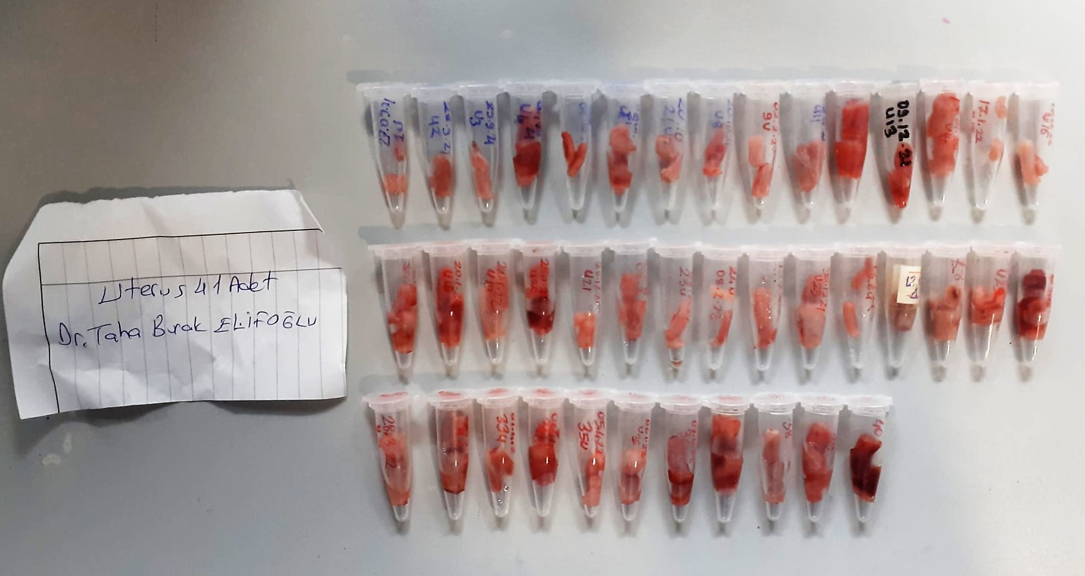

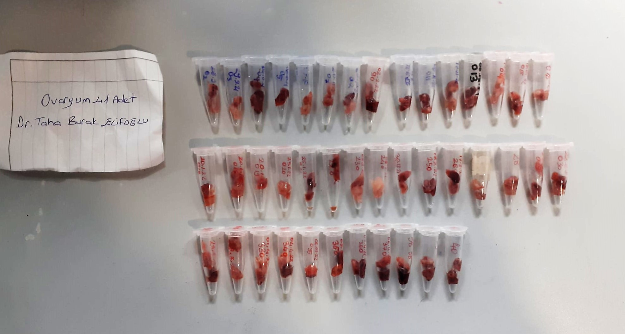

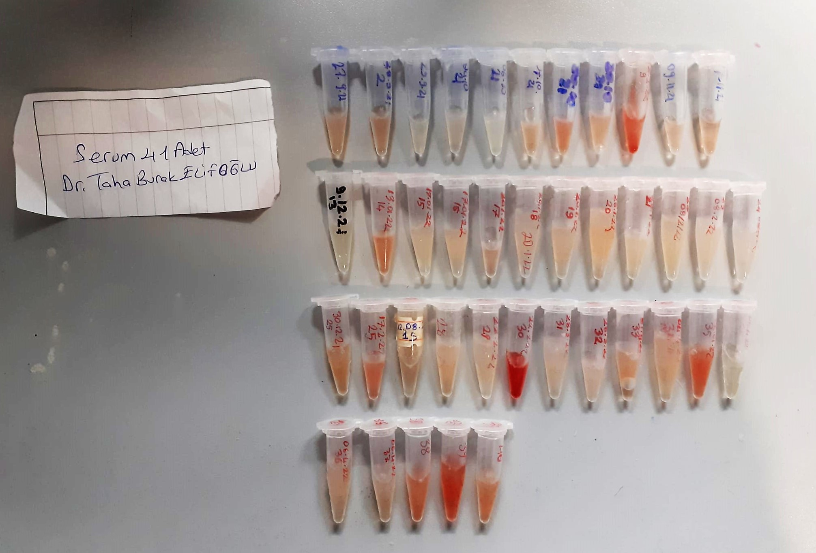

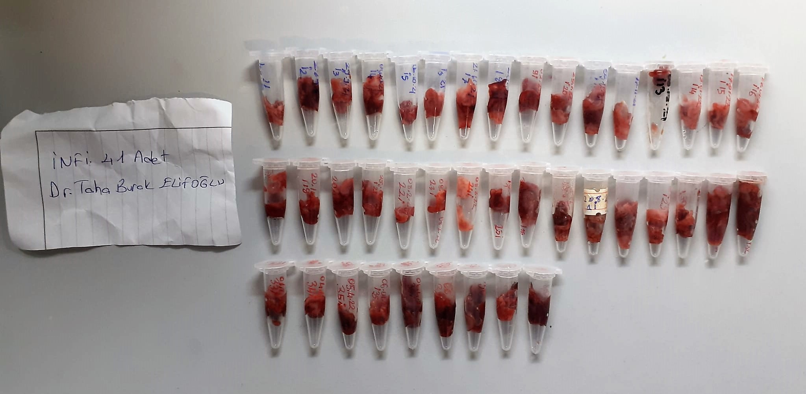

TOTAL ANTIOXDANT STATUS (TAS) (mmol/L)
TAS levels were measured using commercially available kits (Relassay, Turkey). The novel
automated method is based on the bleaching of characteristic color of a more stable ABTS
(2,2 ′ - Azino-bis(3-ethylbenzothiazoline-6-sulfonic acid)) radical cation by antioxidants. The
assay has excellent precision values, which are lower than 3%. The results were expressed as
mmol Trolox equivalent/L (Erel O. A novel automated direct measurement method for total
antioxidant capacity using a new generation, more stable ABTS radicalcation. Clin Biochem
2004;37:277-85.)
(Relassay,Turkey)

TOTAL OXIDANT STATUS (TOS) (µmol/L)
TOS levels were measured using commercially available kits (Relassay, Turkey. In the new
method, oxidants present in the sample oxidized the ferrous ion-o-dianisidine complex to
ferric ion. The oxidation reaction was enhanced by glycerol molecules abundantly present in
the reaction medium. The ferric ion produced a colored complex with xylenol orange in an
acidic medium. The color intensity, which could be measured spectrophotometrically, was
related to the total amount of oxidant molecules present in the sample. The assay was
calibrated with hydrogen peroxide and the results were expressed in terms of
micromolar hydrogen peroxide equivalent per liter (μmol H2O2 equivalent/L). ( Erel O. A
new automated colorimetric method for measuringtotal oxidant status. Clin Biochem
2005;38:1103-11. ).
(Relassay,Turkey)

OXIDATIVE STRESS INDEX (OSI)
The ratio of TOS to TAS was accepted as the oxidative stress index (OSI). For calculation, the
resulting unit of TAS was converted to μmol/L, and the OSI value was calculated according to
the following Formula : OSI (arbitrary unit) =
TOS (μmol H2O2 equivalent/L) / TAC (μmol Trolox equivalent/L). (1-3).
1. Yumru M, Savas HA, Kalenderoglu A, Bulut M, Celik H, Erel O. Oxidative imbalance in
bipolar disorder subtypes: a comparative study. Prog Neuropsychopharmacol Biol Psychiatry.
2009 Aug 31;33(6):1070-4.
2. Kosecik M, Erel O, Sevinc E, Selek S. Increased oxidative stress in children exposed to
passive smoking. Int J Cardiol 2005;100:61–4.
3. (Harma M, Harma M, Erel O (2003) Increased oxidative stress in patients with
hydatidiform mole. Swiss Med Wkly 133:563-536).

Malondialdehyde (MDA) nmol/L
The MDA level was determined by a method based
on the reaction with thiobarbituric acid (TBA) at 90–100_C
. In the TBA test reaction, MDA or MDA-like
substances and TBA react with the production of a pink
pigment with a maximum absorption at 532 nm. The
reaction was performed at pH 2–3 at 90_C for 15 min. The
sample was mixed with two volumes of cold 10% (w/v)
trichloroacetic acid for the precipitation of protein. The
precipitate was pelleted by centrifugation, and an aliquot of
the supernatant was reacted with an equal volume of 0.67%
(w/v) TBA in a boiling water bath for 10 min. After
cooling, the absorbance was read at 532 nm.

Super Oxide Dismutase (SOD) U/ml
The role of speroxide dismutase is to accelerate the dismutation of the toxic radical, produced
during oxidative energy processes to hydrogen peroxide and molecular oxygen. This method
employs xanthine and xanthine oxidase to generate superoxide radicals which react with 2-(4-
iodophenyl)-3-(4-nitrophenol)-5-phenyltetrazolium chloride to form a red formazan dye.. the
superoxide dismutase activity is then measured by the degree of inhibiton of this reaction

Catalase Assay Principle
The reaction that catalase (CAT) decomposes H2O2 can be quickly stopped by ammonium molybdate. The residual H2O2 reacts with ammonium molybdate to generate a yellowish complex.
CAT activity can be calculated by production of the yellowish complex at 405 nm.

Thiol/Disulfide Homeostasis (µmol/L)
Tests were measured using a novel automatic and spectrophotometric method developed by Erel and Neselioglu*
which is avaliable commercially (Rel Assay Diagnostics, Turkey) In this method, dynamic and reducible disulfide bonds
in the samples were reduced to free functional thiol groups by using sodium borohydride. In order to prevent the reduction
of unused reduced sodium borohydride to dithionite-2 nitrobenzoic (DTNB), NaBH4 was removed with formaldehyde. Native thiol (NT) and total thiol (TT)
levels were determined after reaction with DTNB and their levels were measured ultimately. Half of the difference of the result obtained
by the subtraction of native thiol amount from total thiol content indicated the disulfide (DS) level.
(Relassay, Turkey)

Homocysteıne Test Principle
First, oxidized HCY is reduced to free HCY.Free HCY then reacts with a co-substrate, catalysed by cycling enzymes, and was significantly amplified.
Then through dehydrogenation, NADH converts to NAD+.The concentration of HCY in the sample is indirectly proportional to the amount of NADH converted to NAD+.

