TAS-TOS
Numune Adı | TAS(mmol/L) | TOS (µmol/L) | OSI | MP (g/dl) | Doku TAS (µmol/mg protein) | Doku TOS (nmol/mg protein) | OSI
M 1-1 | 1.59 | 12.13 | 0.763 | 72.7 | 21.870701513 | 166.85006878 | 0.76289308176
M 1-2 | 1.23 | 5.06 | 0.411 | 69.6 | 17.672413793 | 72.701149425 | 0.41138211382
M 1-3 | 1.1 | 11.8 | 1.073 | 73.5 | 14.965986395 | 160.54421769 | 1.0727272727
M 1-4 | 1.66 | 5.7 | 0.343 | 81.4 | 20.393120393 | 70.024570025 | 0.34337349398
M 1-5 | 1.6 | 11.23 | 0.702 | 66.1 | 24.205748865 | 169.89409985 | 0.701875
M 1-6 | 1.31 | 5.74 | 0.438 | 73.2 | 17.896174863 | 78.415300546 | 0.43816793893
M 1-7 | 1.43 | 5.04 | 0.352 | 62.6 | 22.843450479 | 80.511182109 | 0.35244755245
M 1-8 | 1.45 | 4.44 | 0.306 | 64.5 | 22.480620155 | 68.837209302 | 0.30620689655
M 2-1 | 2.46 | 8.69 | 0.353 | 63.3 | 38.862559242 | 137.28278041 | 0.35325203252
M 2-2 | 1.86 | 6.5 | 0.349 | 66.5 | 27.969924812 | 97.744360902 | 0.34946236559
M 2-3 | 2.05 | 9.87 | 0.481 | 65 | 31.538461538 | 151.84615385 | 0.48146341463
M 2-4 | 1.74 | 6.08 | 0.349 | 74.5 | 23.355704698 | 81.610738255 | 0.34942528736
M 2-5 | 1.9 | 6.13 | 0.323 | 64.6 | 29.411764706 | 94.891640867 | 0.32263157895
M 2-6 | 1.75 | 12.69 | 0.725 | 76.2 | 22.965879265 | 166.53543307 | 0.72514285714
M 3-1 | 1.42 | 6.57 | 0.463 | 71.3 | 19.915848527 | 92.145862553 | 0.46267605634
M 3-2 | 1.63 | 7.51 | 0.461 | 61 | 26.721311475 | 123.1147541 | 0.46073619632
M 3-3 | 1.26 | 10.3 | 0.817 | 67.2 | 18.75 | 153.27380952 | 0.81746031746
M 3-4 | 1.66 | 11.73 | 0.707 | 76.1 | 21.813403417 | 154.13929041 | 0.70662650602
M 3-5 | 1.52 | 19.86 | 1.307 | 78.7 | 19.313850064 | 252.35069886 | 1.3065789474
M 3-6 | 1.25 | 11.14 | 0.891 | 65.1 | 19.201228879 | 171.12135177 | 0.8912
M 3-7 | 1.69 | 16.01 | 0.947 | 67.9 | 24.889543446 | 235.78792342 | 0.94733727811
M 3-8 | 1.02 | 12.9 | 1.265 | 68.1 | 14.977973568 | 189.42731278 | 1.2647058824
M 4-1 | 1.43 | 14.85 | 1.038 | 64 | 22.34375 | 232.03125 | 1.0384615385
M 4-2 | 1.69 | 11.59 | 0.686 | 67.8 | 24.926253687 | 170.9439528 | 0.68579881657
M 4-3 | 1.52 | 8.91 | 0.586 | 66.4 | 22.891566265 | 134.18674699 | 0.58618421053
M 4-4 | 1.77 | 11.5 | 0.650 | 65.8 | 26.899696049 | 174.77203647 | 0.64971751412
M 4-5 | 1.74 | 13.34 | 0.767 | 71.3 | 24.403927069 | 187.09677419 | 0.76666666667
M 4-6 | 1.23 | 11.64 | 0.946 | 71.8 | 17.13091922 | 162.11699164 | 0.94634146341
M 4-7 | 1.59 | 16.79 | 1.056 | 68.1 | 23.348017621 | 246.54919236 | 1.0559748428
M 4-8 | 1.31 | 10.23 | 0.781 | 78.9 | 16.603295311 | 129.65779468 | 0.78091603053
EA 1-1 | 1.93 | 10.91 | 0.565 | 71.4 | 27.030812325 | 152.80112045 | 0.56528497409
EA 1-2 | 1.7 | 13.23 | 0.778 | 93.2 | 18.240343348 | 141.9527897 | 0.77823529412
EA 1-3 | 2.11 | 8.4 | 0.398 | 78.8 | 26.776649746 | 106.59898477 | 0.3981042654
EA 1-4 | 1.11 | 11.64 | 1.049 | 75.2 | 14.760638298 | 154.78723404 | 1.0486486486
EA 1-5 | 1.18 | 10.31 | 0.874 | 62.4 | 18.91025641 | 165.22435897 | 0.87372881356
EA 1-6 | 1.92 | 13.17 | 0.686 | 67.2 | 28.571428571 | 195.98214286 | 0.6859375
EA 2-1 | 2.05 | 15.05 | 0.734 | 76.5 | 26.797385621 | 196.73202614 | 0.73414634146
EA 2-2 | 1.54 | 10.85 | 0.705 | 71.8 | 21.448467967 | 151.11420613 | 0.70454545455
EA 2-3 | 1.47 | 7.69 | 0.523 | 65.6 | 22.408536585 | 117.22560976 | 0.5231292517
EA 2-4 | 1.56 | 14.77 | 0.947 | 61.3 | 25.448613377 | 240.94616639 | 0.94679487179
EA 2-5 | 1.32 | 14.11 | 1.069 | 84.7 | 15.584415584 | 166.5879575 | 1.0689393939
EA 2-6 | 1.6 | 11 | 0.688 | 77 | 20.779220779 | 142.85714286 | 0.6875
EA 2-7 | 1.97 | 11.43 | 0.580 | 69.4 | 28.386167147 | 164.69740634 | 0.58020304569
EA 2-8 | 1.31 | 30.58 | 2.334 | 75.3 | 17.397078353 | 406.10889774 | 2.334351145
EA 3-1 | 0.64 | 6.1 | 0.953 | 89.7 | 7.1348940914 | 68.004459309 | 0.953125
EA 3-2 | 1.33 | 11.77 | 0.885 | 70.7 | 18.811881188 | 166.47807638 | 0.88496240602
EA 3-3 | 1.65 | 6.16 | 0.373 | 74.6 | 22.117962466 | 82.573726542 | 0.37333333333
EA 3-4 | 1.25 | 7.49 | 0.599 | 69.8 | 17.908309456 | 107.30659026 | 0.5992
EA 3-5 | 0.91 | 10.68 | 1.174 | 64.3 | 14.152410575 | 166.09642302 | 1.1736263736
EA 3-6 | 1.55 | 9.81 | 0.633 | 63.4 | 24.447949527 | 154.7318612 | 0.63290322581
EA 3-7 | 1.66 | 15.97 | 0.962 | 76.4 | 21.727748691 | 209.03141361 | 0.96204819277
EA 4-1 | 1.61 | 6.98 | 0.434 | 61.3 | 26.264274062 | 113.86623165 | 0.43354037267
EA 4-2 | 0.93 | 9.4 | 1.011 | 60.4 | 15.397350993 | 155.62913907 | 1.0107526882
EA 4-3 | 1.54 | 8.99 | 0.584 | 69.9 | 22.031473534 | 128.61230329 | 0.58376623377
EA 4-4 | 1.97 | 13.59 | 0.690 | 75.9 | 25.955204216 | 179.0513834 | 0.68984771574
EA 4-5 | 1.67 | 5.1 | 0.305 | 60.8 | 27.467105263 | 83.881578947 | 0.30538922156
EA 4-6 | 1.89 | 12.33 | 0.652 | 63 | 30 | 195.71428571 | 0.65238095238
EA 4-7 | 1.31 | 12.09 | 0.923 | 62.8 | 20.859872611 | 192.51592357 | 0.92290076336
EA 4-8 | 1.11 | 14.27 | 1.286 | 74.3 | 14.939434724 | 192.05921938 | 1.2855855856
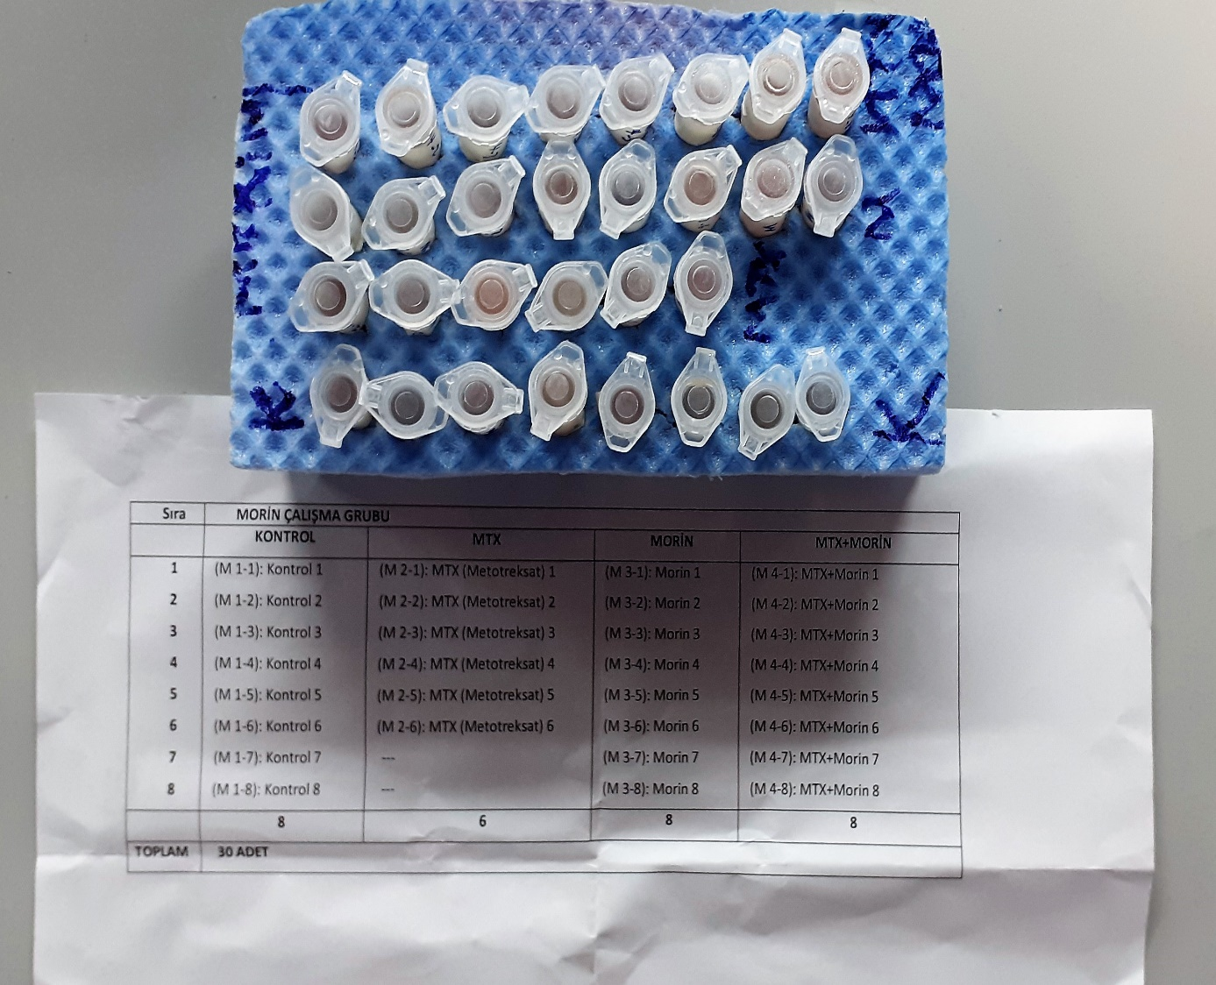
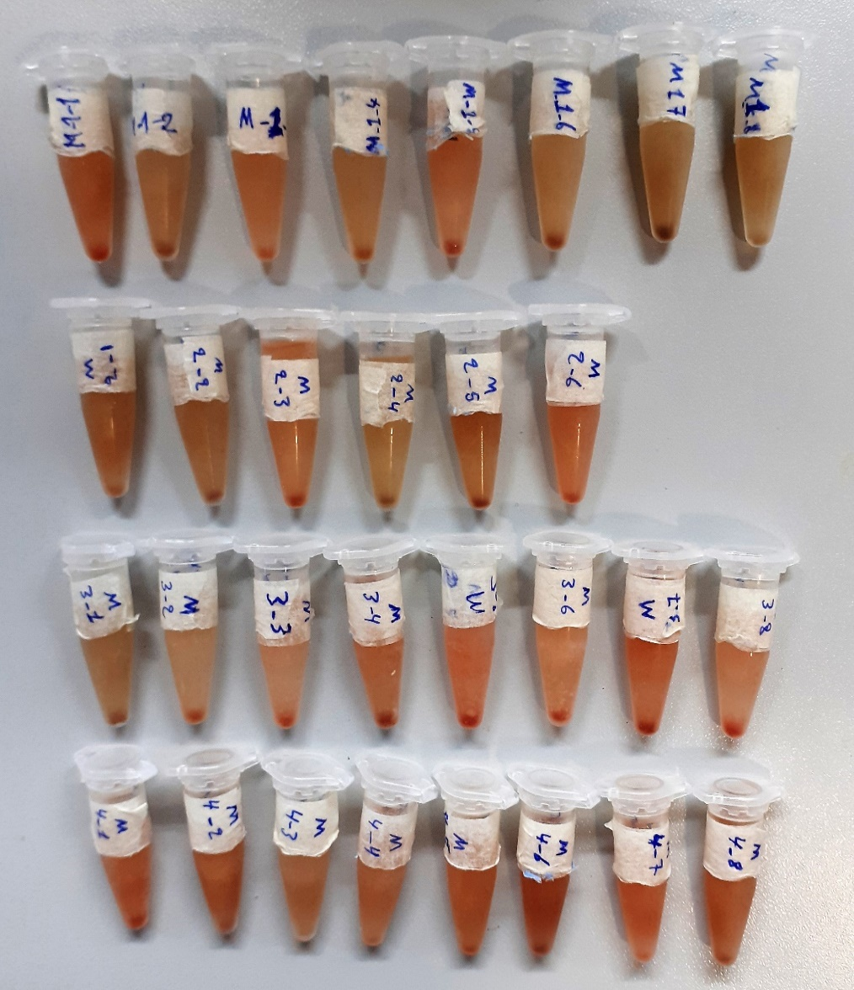

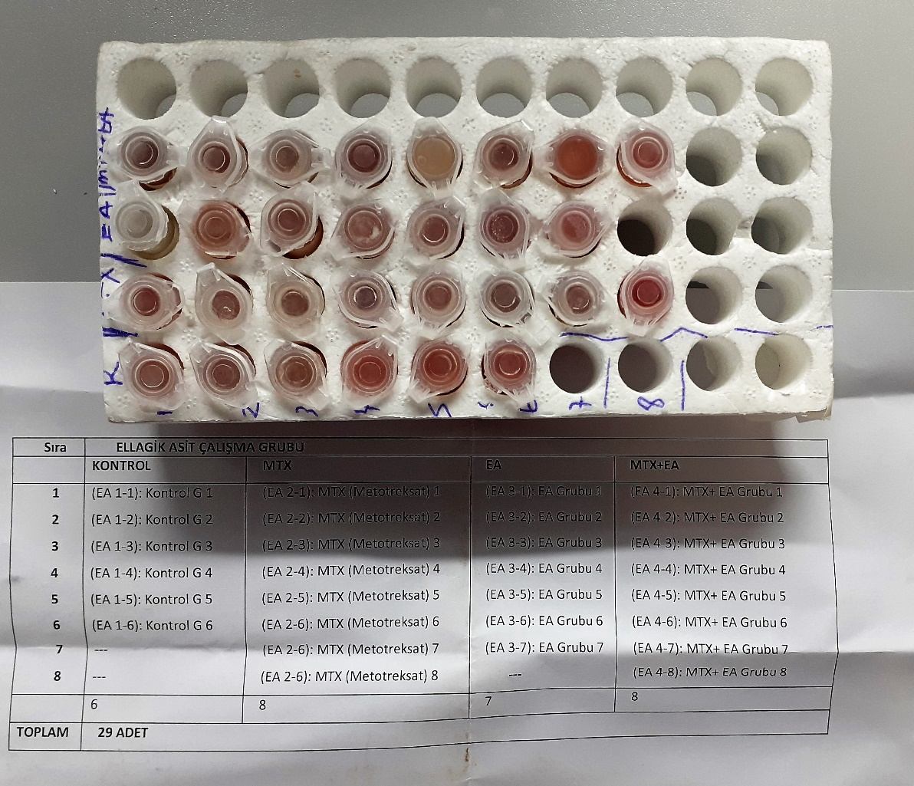

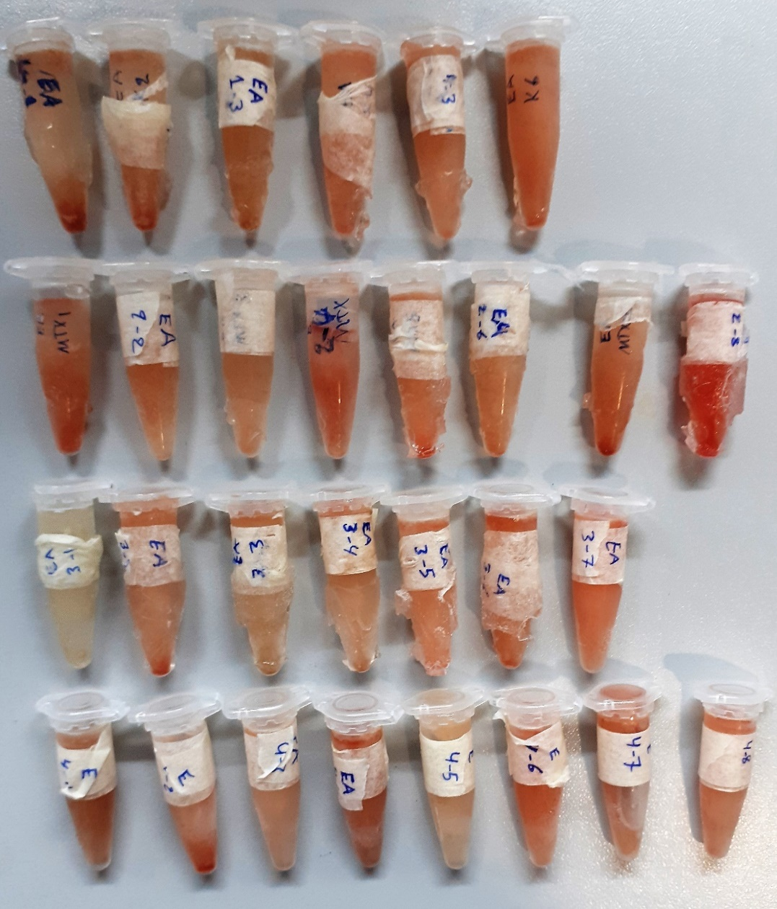

Bu çalışmada "Relassay" marka kitler kullanılmıştır.
Kullanılan cihaz: Mindray marka BS400 model tam otomatik biyokimya cihazı
TAS: Total Antioxidant Status
TOS: Total Oxidant Status
OSI: Oxidative Stress Index
MP: Microprotein

