Human Sestrin 2
1.755 | 0.402 | 0.943 | 2.108 | 0.543 | 0.759 | 0.585 | 1.564 | 1.145 | 1.289 | 0.55 | 2.852
1.064 | 2.542 | 0.735 | 2.116 | 1.104 | 0.543 | 0.943 | 0.524 | 0.49 | 0.489 | 2.453 | 2.103
0.557 | 1.004 | 0.497 | 2.302 | 1.478 | 2.92 | 1.133 | 1.457 | 0.694 | 2.082 | 1.328 | 1.537
0.332 | 0.854 | 1.993 | 2.038 | 2.74 | 0.588 | 2.664 | 2.835 | 0.607 | 0.533 | 2.058 | 1.498
0.21 | 2.42 | 2.262 | 2.855 | 0.621 | 0.78 | 1.175 | 0.728 | 0.553 | 0.614 | 1.601 | 1.326
0.072 | 0.782 | 2.274 | 1.008 | 0.573 | 0.619 | 2.318 | 0.925 | 0.544 | 0.513 | 0.549 | 1.395
 | 0.537 | 0.627 | 0.904 | 1.656 | 0.722 | 0.837 | 1.65 | 0.483 | 0.803 | 0.523 | 0.733
 | 1.796 | 1.693 | 1.001 | 0.513 | 0.562 | 0.91 | 0.477 | 0.515 | 0.576 | 0.157 | 0.47

SESTRİN2
 | abs | abs-blank | expected | result
std1 | 1.755 | 1.683 | 8 | 7.96
std2 | 1.064 | 0.992 | 4 | 4.14
std3 | 0.557 | 0.485 | 2 | 1.85
std4 | 0.332 | 0.26 | 1 | 0.97
std5 | 0.21 | 0.138 | 0.5 | 0.53
blank | 0.072 | 0 | 0 | 0.06

 |  |  |  |  |  |  |  | concentratıon (ng/ml)

Numune | absorbans | blank | abs-blank | result
Saniye | 0.402 | 0.072 | 0.33 | 1.23
Murat Durdu | 2.542 | 0.072 | 2.47 | 13.30
Ferhat Aydın | 1.004 | 0.072 | 0.932 | 3.85
Adem Acar | 0.854 | 0.072 | 0.782 | 3.14
Huseyfe Sayın | 2.42 | 0.072 | 2.348 | 12.40
Hasret Güzeltepe | 0.782 | 0.072 | 0.71 | 2.81
Bahtiyar Konya | 0.537 | 0.072 | 0.465 | 1.76
Gülendam Coşkun | 1.796 | 0.072 | 1.724 | 8.22
Görkem Yalçın | 0.943 | 0.072 | 0.871 | 3.55
Safinaz Serdar | 0.735 | 0.072 | 0.663 | 2.60
Ahmet Erdem | 0.497 | 0.072 | 0.425 | 1.60
Canan Kirpitçi | 1.993 | 0.072 | 1.921 | 9.47
Murat Tınkır | 2.262 | 0.072 | 2.19 | 11.28
Görkem Nasuhbeyoğlu | 2.274 | 0.072 | 2.202 | 11.37
Bülent Tüküç | 0.627 | 0.072 | 0.555 | 2.14
Hayrullah Ateş | 1.693 | 0.072 | 1.621 | 7.59
Ersin Ersan | 2.108 | 0.072 | 2.036 | 10.23
Tülay Karadeniz | 2.116 | 0.072 | 2.044 | 10.28
Umut Day | 2.302 | 0.072 | 2.23 | 11.56
Dudu Güler | 2.038 | 0.072 | 1.966 | 9.76
Çağatay Evli | 2.855 | 0.072 | 2.783 | 15.71
Ayten Acar | 1.008 | 0.072 | 0.936 | 3.87
Murat Yılmaz | 0.904 | 0.072 | 0.832 | 3.37
Cemil Çakmak | 1.001 | 0.072 | 0.929 | 3.83
Şükrü Taşçı | 0.543 | 0.072 | 0.471 | 1.79
Şadiye Eren | 1.104 | 0.072 | 1.032 | 4.34
Merve Kaya | 1.478 | 0.072 | 1.406 | 6.33
Canan Yılmaz | 2.74 | 0.072 | 2.668 | 14.81
Mehmet Arslan | 0.621 | 0.072 | 0.549 | 2.11
Meviç Karataş | 0.573 | 0.072 | 0.501 | 1.91
Aziz Aksu | 1.656 | 0.072 | 1.584 | 7.37
Sebahattin Kürekçi | 0.513 | 0.072 | 0.441 | 1.67
Güladiye Demir | 0.759 | 0.072 | 0.687 | 2.71
Şevki Kılıç | 0.543 | 0.072 | 0.471 | 1.79
Yusuf Keskin | 2.92 | 0.072 | 2.848 | 16.23
Kadir Keleş | 0.588 | 0.072 | 0.516 | 1.97
Ali Erdem | 0.78 | 0.072 | 0.708 | 2.80
HD-1 | 0.619 | 0.072 | 0.547 | 2.10
HD-2 | 0.722 | 0.072 | 0.65 | 2.55
HD-3 | 0.562 | 0.072 | 0.49 | 1.87
HD-4 | 0.585 | 0.072 | 0.513 | 1.96
HD-5 | 0.943 | 0.072 | 0.871 | 3.55
HD-12 | 1.133 | 0.072 | 1.061 | 4.49
HD-14 | 2.664 | 0.072 | 2.592 | 14.22
HD-15 | 1.175 | 0.072 | 1.103 | 4.70
HD-17 | 2.318 | 0.072 | 2.246 | 11.67
HD-18 | 0.837 | 0.072 | 0.765 | 3.06
HD-20 | 0.91 | 0.072 | 0.838 | 3.40
HD-22 | 1.564 | 0.072 | 1.492 | 6.83
HD-24 | 0.524 | 0.072 | 0.452 | 1.71
HD-25 | 1.457 | 0.072 | 1.385 | 6.22
HD-29 | 2.835 | 0.072 | 2.763 | 15.55
HD-30 | 0.728 | 0.072 | 0.656 | 2.57
HD-31 | 0.925 | 0.072 | 0.853 | 3.47
HD-32 | 1.65 | 0.072 | 1.578 | 7.33
HD-35 | 0.477 | 0.072 | 0.405 | 1.52
HD-36 | 1.145 | 0.072 | 1.073 | 4.55
PD-2 | 0.49 | 0.072 | 0.418 | 1.58
PD-3 | 0.694 | 0.072 | 0.622 | 2.42
PD-5 | 0.607 | 0.072 | 0.535 | 2.05
PD-6 | 0.553 | 0.072 | 0.481 | 1.83
PD-7 | 0.544 | 0.072 | 0.472 | 1.79
PD-9 | 0.483 | 0.072 | 0.411 | 1.55
PD-10 | 0.515 | 0.072 | 0.443 | 1.68
PD-15 | 1.289 | 0.072 | 1.217 | 5.30
PD-17 | 0.489 | 0.072 | 0.417 | 1.57
PD-18 | 2.082 | 0.072 | 2.01 | 10.05
PD-21 | 0.533 | 0.072 | 0.461 | 1.75
PD-22 | 0.614 | 0.072 | 0.542 | 2.08
PD-23 | 0.513 | 0.072 | 0.441 | 1.67
PD-24 | 0.803 | 0.072 | 0.731 | 2.91
PD-28 | 0.576 | 0.072 | 0.504 | 1.92
PD-29 | 0.55 | 0.072 | 0.478 | 1.82
PD-32 | 2.453 | 0.072 | 2.381 | 12.64
SG-1 | 1.328 | 0.072 | 1.256 | 5.51
SG-2 | 2.058 | 0.072 | 1.986 | 9.90
SG-3 | 1.601 | 0.072 | 1.529 | 7.04
SG-5 | 0.549 | 0.072 | 0.477 | 1.81
SG-6 | 0.523 | 0.072 | 0.451 | 1.71
SG-7 | 0.157 | 0.072 | 0.085 | 0.34
SG-9 | 2.852 | 0.072 | 2.78 | 15.69
SG-10 | 2.103 | 0.072 | 2.031 | 10.19
SG-11 | 1.537 | 0.072 | 1.465 | 6.67
SG-12 | 1.498 | 0.072 | 1.426 | 6.45
SG-13 | 1.326 | 0.072 | 1.254 | 5.50
SG-14 | 1.395 | 0.072 | 1.323 | 5.87
SG-15 | 0.733 | 0.072 | 0.661 | 2.59
SG-19 | 0.47 | 0.072 | 0.398 | 1.50

Human Tribbles Homolog 3
2.244 | 0.667 | 0.972 | 2.134 | 0.597 | 0.717 | 0.678 | 2.117 | 0.925 | 1.34 | 0.587 | 2.575
1.245 | 2.358 | 0.693 | 2.926 | 0.994 | 0.566 | 0.985 | 0.677 | 0.314 | 0.508 | 2.734 | 2.199
0.653 | 1.005 | 0.633 | 2.895 | 1.455 | 2.933 | 1.095 | 1.64 | 0.485 | 2.012 | 1.224 | 1.496
0.427 | 0.614 | 1.938 | 2.073 | 2.693 | 0.563 | 2.648 | 2.667 | 0.481 | 0.588 | 2.013 | 1.789
0.223 | 2.233 | 2.214 | 2.801 | 0.605 | 0.84 | 1.097 | 0.797 | 0.473 | 0.563 | 1.666 | 1.512
0.075 | 0.913 | 2.187 | 0.878 | 0.605 | 0.599 | 2.436 | 0.991 | 0.475 | 0.482 | 0.643 | 1.561
 | 0.634 | 0.625 | 0.815 | 1.728 | 0.759 | 0.989 | 1.896 | 0.436 | 0.911 | 0.546 | 2.64
 | 1.864 | 1.666 | 1.033 | 0.587 | 0.58 | 0.812 | 0.456 | 0.448 | 0.582 | 0.778 | 0.632

TRİBBLES HOMOLOG 3
 | abs | abs-blank | expected | result
std1 | 2.244 | 2.169 | 1200 | 1199.77
std2 | 1.245 | 1.17 | 600 | 602.89
std3 | 0.653 | 0.578 | 300 | 284.40
std4 | 0.427 | 0.352 | 150 | 169.72
std5 | 0.223 | 0.148 | 75 | 69.49
blank | 0.075 | 0 | 0 | 0.00

 |  |  |  |  |  |  |  |  | concentratıon (ng/L)

Numune | absorbans | blank | abs-blank | result
Saniye | 0.667 | 0.075 | 0.592 | 291.63
Murat Durdu | 2.358 | 0.075 | 2.283 | 1272.63
Ferhat Aydın | 1.005 | 0.075 | 0.93 | 470.61
Adem Acar | 0.614 | 0.075 | 0.539 | 264.34
Huseyfe Sayın | 2.233 | 0.075 | 2.158 | 1192.79
Hasret Güzeltepe | 0.913 | 0.075 | 0.838 | 421.05
Bahtiyar Konya | 0.634 | 0.075 | 0.559 | 274.61
Gülendam Coşkun | 1.864 | 0.075 | 1.789 | 963.94
Görkem Yalçın | 0.972 | 0.075 | 0.897 | 452.76
Safinaz Serdar | 0.693 | 0.075 | 0.618 | 305.09
Ahmet Erdem | 0.633 | 0.075 | 0.558 | 274.10
Canan Kirpitçi | 1.938 | 0.075 | 1.863 | 1009.02
Murat Tınkır | 2.214 | 0.075 | 2.139 | 1180.76
Görkem Nasuhbeyoğlu | 2.187 | 0.075 | 2.112 | 1163.71
Bülent Tüküç | 0.625 | 0.075 | 0.55 | 269.98
Hayrullah Ateş | 1.666 | 0.075 | 1.591 | 845.33
Ersin Ersan | 2.134 | 0.075 | 2.059 | 1130.39
Tülay Karadeniz | 2.926 | 0.075 | 2.851 | 1650.12
Umut Day | 2.895 | 0.075 | 2.82 | 1628.89
Dudu Güler | 2.073 | 0.075 | 1.998 | 1092.31
Çağatay Evli | 2.801 | 0.075 | 2.726 | 1564.97
Ayten Acar | 0.878 | 0.075 | 0.803 | 402.36
Murat Yılmaz | 0.815 | 0.075 | 0.74 | 368.95
Cemil Çakmak | 1.033 | 0.075 | 0.958 | 485.82
Şükrü Taşçı | 0.597 | 0.075 | 0.522 | 255.63
Şadiye Eren | 0.994 | 0.075 | 0.919 | 464.65
Merve Kaya | 1.455 | 0.075 | 1.38 | 722.17
Canan Yılmaz | 2.693 | 0.075 | 2.618 | 1492.35
Mehmet Arslan | 0.605 | 0.075 | 0.53 | 259.72
Meviç Karataş | 0.605 | 0.075 | 0.53 | 259.72
Aziz Aksu | 1.728 | 0.075 | 1.653 | 882.16
Sebahattin Kürekçi | 0.587 | 0.075 | 0.512 | 250.51
Güladiye Demir | 0.717 | 0.075 | 0.642 | 317.57
Şevki Kılıç | 0.566 | 0.075 | 0.491 | 239.80
Yusuf Keskin | 2.933 | 0.075 | 2.858 | 1654.92
Kadir Keleş | 0.563 | 0.075 | 0.488 | 238.27
Ali Erdem | 0.84 | 0.075 | 0.765 | 382.17
HD-1 | 0.599 | 0.075 | 0.524 | 256.65
HD-2 | 0.759 | 0.075 | 0.684 | 339.50
HD-3 | 0.58 | 0.075 | 0.505 | 246.94
HD-4 | 0.678 | 0.075 | 0.603 | 297.32
HD-5 | 0.985 | 0.075 | 0.91 | 459.79
HD-12 | 1.095 | 0.075 | 1.02 | 519.71
HD-14 | 2.648 | 0.075 | 2.573 | 1462.35
HD-15 | 1.097 | 0.075 | 1.022 | 520.81
HD-17 | 2.436 | 0.075 | 2.361 | 1323.04
HD-18 | 0.989 | 0.075 | 0.914 | 461.95
HD-20 | 0.812 | 0.075 | 0.737 | 367.37
HD-22 | 2.117 | 0.075 | 2.042 | 1119.75
HD-24 | 0.677 | 0.075 | 0.602 | 296.80
HD-25 | 1.64 | 0.075 | 1.565 | 829.98
HD-29 | 2.667 | 0.075 | 2.592 | 1474.99
HD-30 | 0.797 | 0.075 | 0.722 | 359.46
HD-31 | 0.991 | 0.075 | 0.916 | 463.03
HD-32 | 1.896 | 0.075 | 1.821 | 983.38
HD-35 | 0.456 | 0.075 | 0.381 | 184.22
HD-36 | 0.925 | 0.075 | 0.85 | 427.48
PD-2 | 0.314 | 0.075 | 0.239 | 113.82
PD-3 | 0.485 | 0.075 | 0.41 | 198.79
PD-5 | 0.481 | 0.075 | 0.406 | 196.78
PD-6 | 0.473 | 0.075 | 0.398 | 192.75
PD-7 | 0.475 | 0.075 | 0.4 | 193.76
PD-9 | 0.436 | 0.075 | 0.361 | 174.22
PD-10 | 0.448 | 0.075 | 0.373 | 180.22
PD-15 | 1.34 | 0.075 | 1.265 | 656.44
PD-17 | 0.508 | 0.075 | 0.433 | 210.38
PD-18 | 2.012 | 0.075 | 1.937 | 1054.50
PD-21 | 0.588 | 0.075 | 0.513 | 251.03
PD-22 | 0.563 | 0.075 | 0.488 | 238.27
PD-23 | 0.482 | 0.075 | 0.407 | 197.28
PD-24 | 0.911 | 0.075 | 0.836 | 419.98
PD-28 | 0.582 | 0.075 | 0.507 | 247.96
PD-29 | 0.587 | 0.075 | 0.512 | 250.51
PD-32 | 2.734 | 0.075 | 2.659 | 1519.82
SG-1 | 1.224 | 0.075 | 1.149 | 591.14
SG-2 | 2.013 | 0.075 | 1.938 | 1055.12
SG-3 | 1.666 | 0.075 | 1.591 | 845.33
SG-5 | 0.643 | 0.075 | 0.568 | 279.24
SG-6 | 0.546 | 0.075 | 0.471 | 229.63
SG-7 | 0.778 | 0.075 | 0.703 | 349.47
SG-9 | 2.575 | 0.075 | 2.5 | 1414.00
SG-10 | 2.199 | 0.075 | 2.124 | 1171.28
SG-11 | 1.496 | 0.075 | 1.421 | 745.84
SG-12 | 1.789 | 0.075 | 1.714 | 918.67
SG-13 | 1.512 | 0.075 | 1.437 | 755.11
SG-14 | 1.561 | 0.075 | 1.486 | 783.62
SG-15 | 2.64 | 0.075 | 2.565 | 1457.03
SG-19 | 0.632 | 0.075 | 0.557 | 273.58

Materyal-metod
KİT ADI | TÜR | MARKA | LOT | CAT. NO | Yöntem | Kullanılan Cihaz
SESTRIN 2 | Human | BT | 202105015 | E3437Hu | ELİSA | Mıcroplate reader: BIO-TEK EL X 800-Aotu strıp washer:BIO TEK EL X 50
TRIBBLES HOMOLOG 3 | Human | BT | 202105015 | E4618Hu | ELİSA | Mıcroplate reader: BIO-TEK EL X 800-BIO-Aotu strıp washer: TEK EL X 51
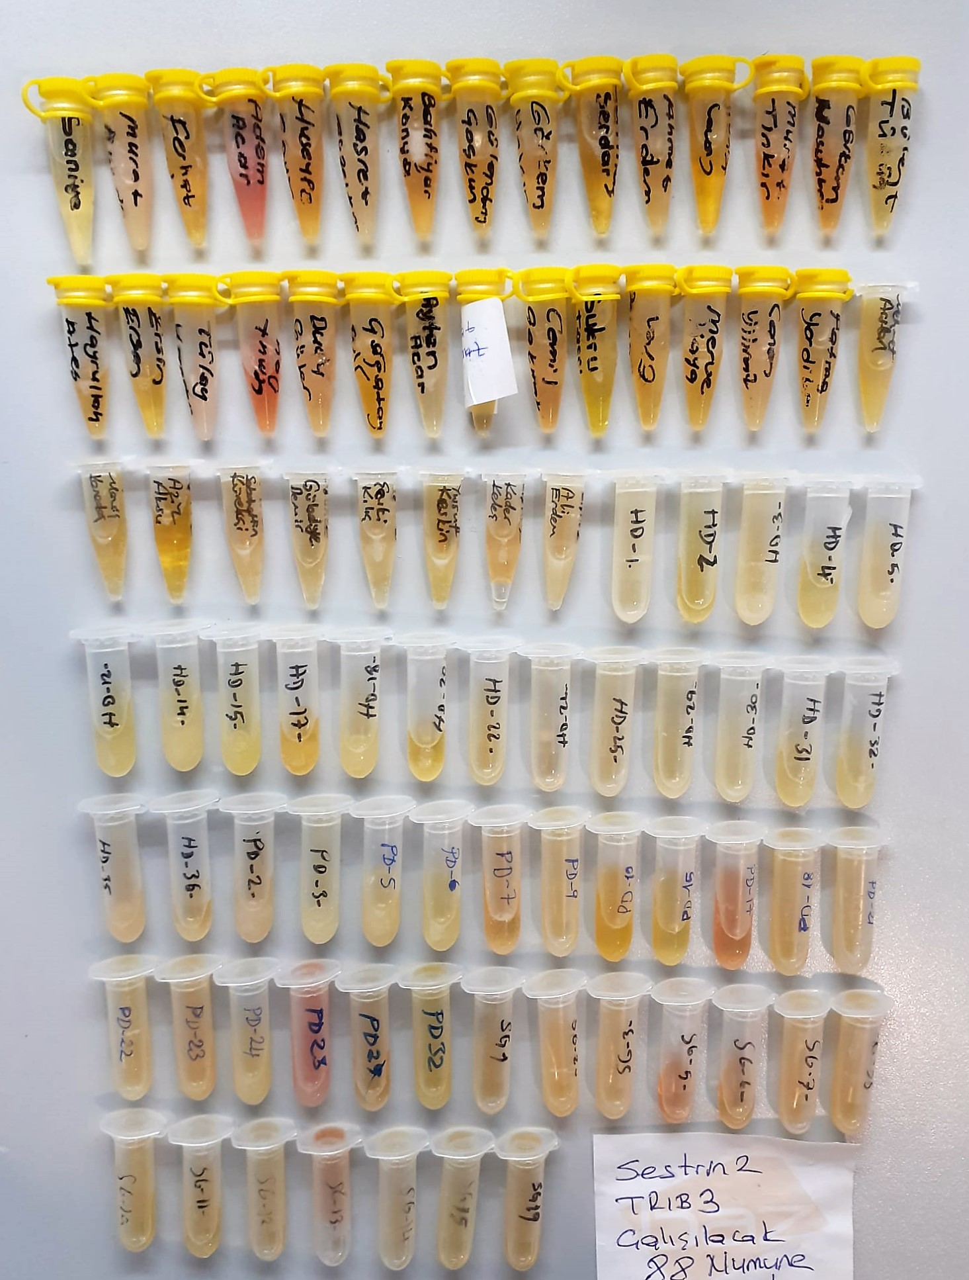
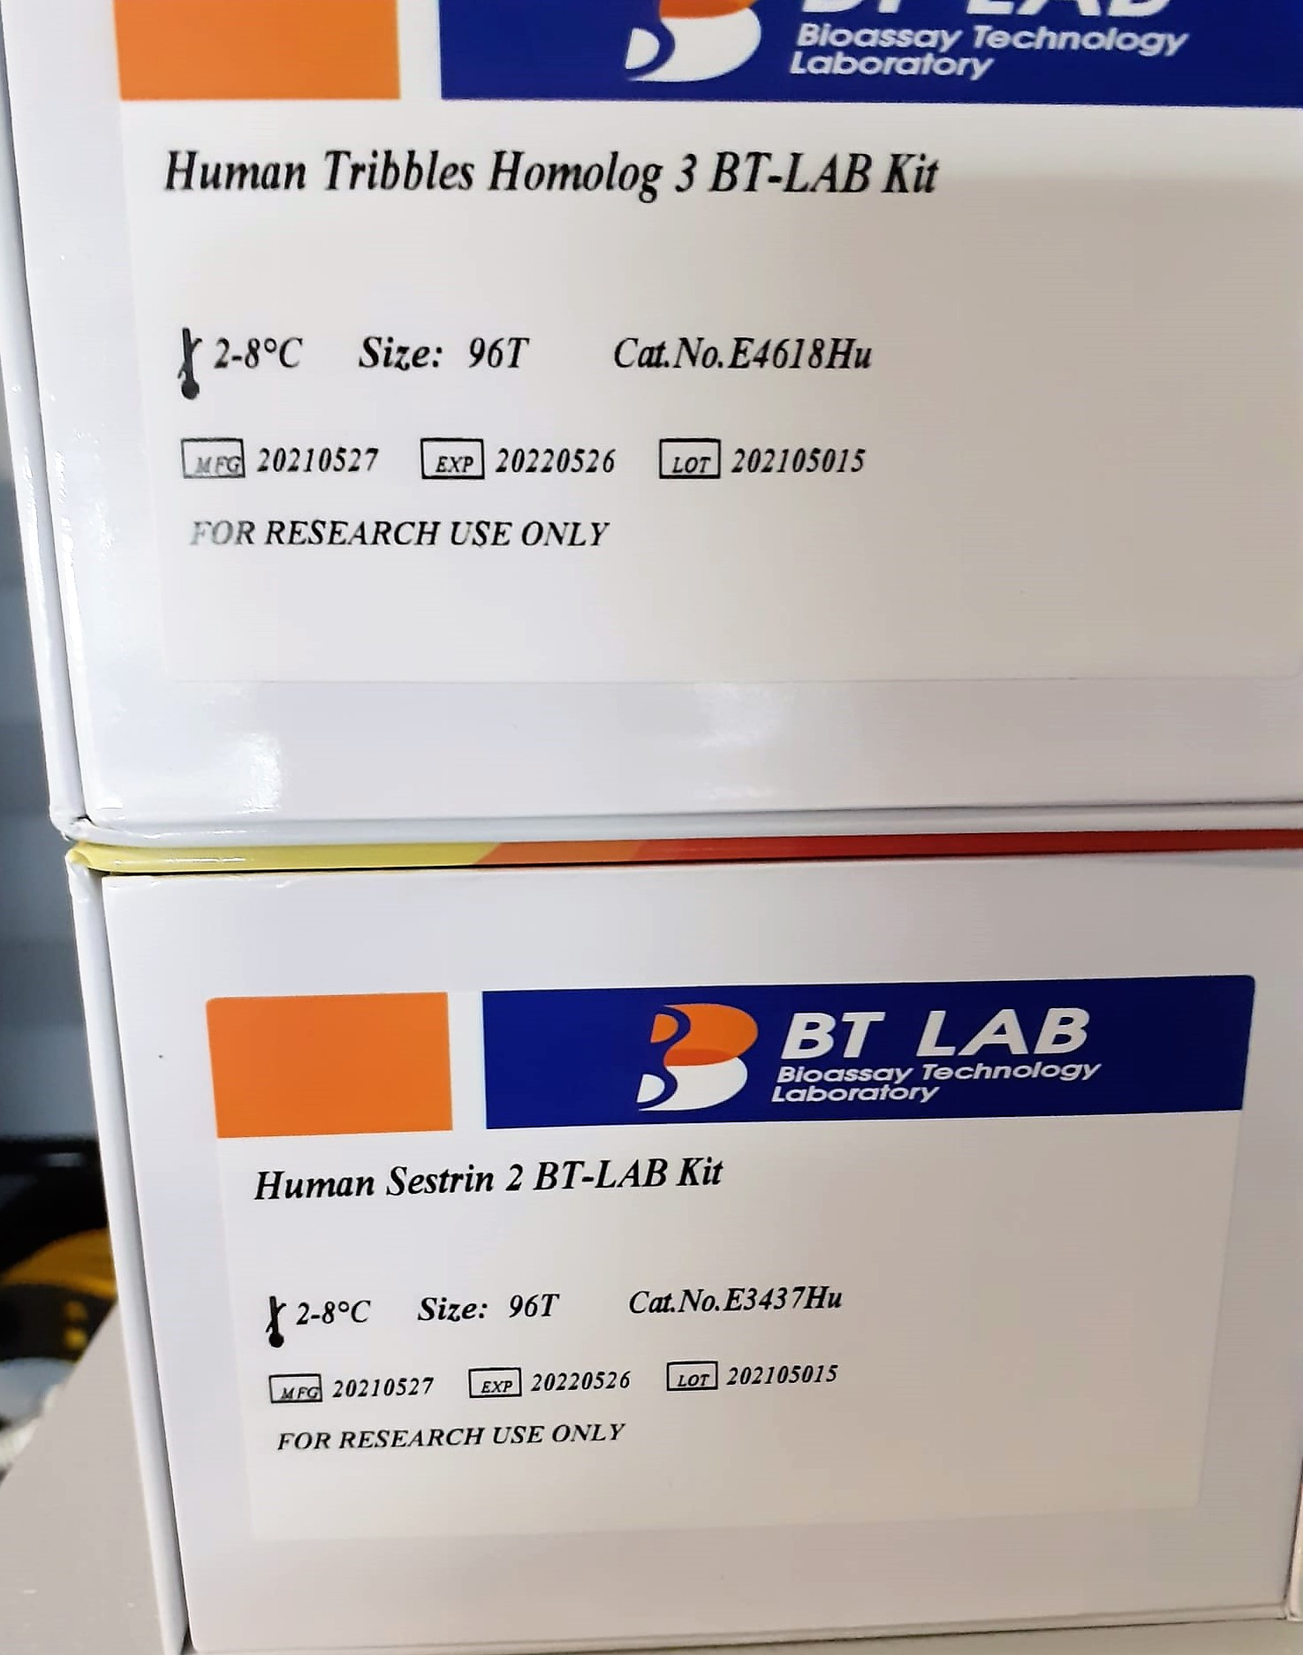

Human Sestrin Assay Principle
This kit is an Enzyme-Linked Immunosorbent Assay (ELISA). The plate has been pre-coated with Human SESN2 antibody. SESN2 present in the sample is added and binds to antibodies coated on the wells.
And then biotinylated Human SESN2 Antibody is added and binds to SESN2 in the sample. Then Streptavidin-HRP is added and binds to the Biotinylated SESN2 antibody.
After incubation unbound Streptavidin-HRP is washed away during a washing step. Substrate solution is then added and color develops in proportion to the amount of Human SESN2.
The reaction is terminated by addition of acidic stop solution and absorbance is measured at 450 nm.

Human Tribbles Homolog 3 Assay Principle
This kit is an Enzyme-Linked Immunosorbent Assay (ELISA). The plate has been pre-coated with Human TRIB3 antibody. TRIB3 present in the sample is added and binds to antibodies coated on the wells.
And then biotinylated Human TRIB3 Antibody is added and binds to TRIB3 in the sample. Then Streptavidin-HRP is added and binds to the Biotinylated TRIB3 antibody.
After incubation unbound Streptavidin-HRP is washed away during a washing step. Substrate solution is then added and color develops in proportion to the amount of Human TRIB3.
The reaction is terminated by addition of acidic stop solution and absorbance is measured at 450 nm.

