Sayfa1
2.406 | 1.206 | 1.687 | 1.518 | 1.633 | 1.727 | 1.552 | 1.348 | 1.711 | 1.484 | 1.889 | 1.719
1.618 | 1.548 | 1.608 | 1.569 | 1.79 | 1.729 | 1.621 | 1.382 | 1.877 | 1.341 | 2.016 | 1.739
0.942 | 1.481 | 1.472 | 1.52 | 1.662 | 1.488 | 1.392 | 1.483 | 1.576 | 1.721 | 1.818 | 1.59
0.491 | 0.855 | 1.667 | 1.577 | 1.764 | 1.498 | 1.596 | 1.452 | 1.598 | 1.53 | 1.895 | 1.562
0.222 | 1.601 | 1.578 | 1.59 | 1.633 | 1.402 | 1.508 | 1.567 | 1.629 | 1.644 | 2.073 | 1.561
0.057 | 1.545 | 1.575 | 1.545 | 1.753 | 1.319 | 1.569 | 1.515 | 1.638 | 1.652 | 1.985 | 1.692
 | 1.608 | 1.63 | 1.71 | 1.633 | 1.639 | 1.538 | 1.676 | 1.597 | 1.869 | 1.897 | 1.75
1.683 | 1.348 | 1.588 | 1.747 | 1.514 | 1.636 | 1.526 | 1.686 | 1.687 | 1.829 | 1.882 | 1.69

RAT-VEGF

 | abs | abs-blank | expected | result
std1 | 2.406 | 2.349 | 1600 | 1591.890702
std2 | 1.618 | 1.561 | 800 | 825.99843595
std3 | 0.942 | 0.885 | 400 | 378.72323875
std4 | 0.491 | 0.434 | 200 | 188.0485342
std5 | 0.222 | 0.165 | 100 | 115.37063875
blank | 0.057 | 0

Numune | absorbans | abs-blank | result (ng/L)
G-1 | 1.683 | 1.626 | 879.2142382
G-2 | 1.206 | 1.149 | 530.34538195
G-4 | 1.548 | 1.491 | 770.69203795
G-5 | 1.481 | 1.424 | 719.7014032 |  |  |  |  |  | concentration (ng/L)
G-6 | 0.855 | 0.798 | 335.2291678
G-7 | 1.601 | 1.544 | 812.3759152
R-1 | 1.545 | 1.488 | 768.3681808 |  |  |  |  | NOT: Q GRUPLARI VE K GRUPLARI ÇİFT ÇALIŞILDI
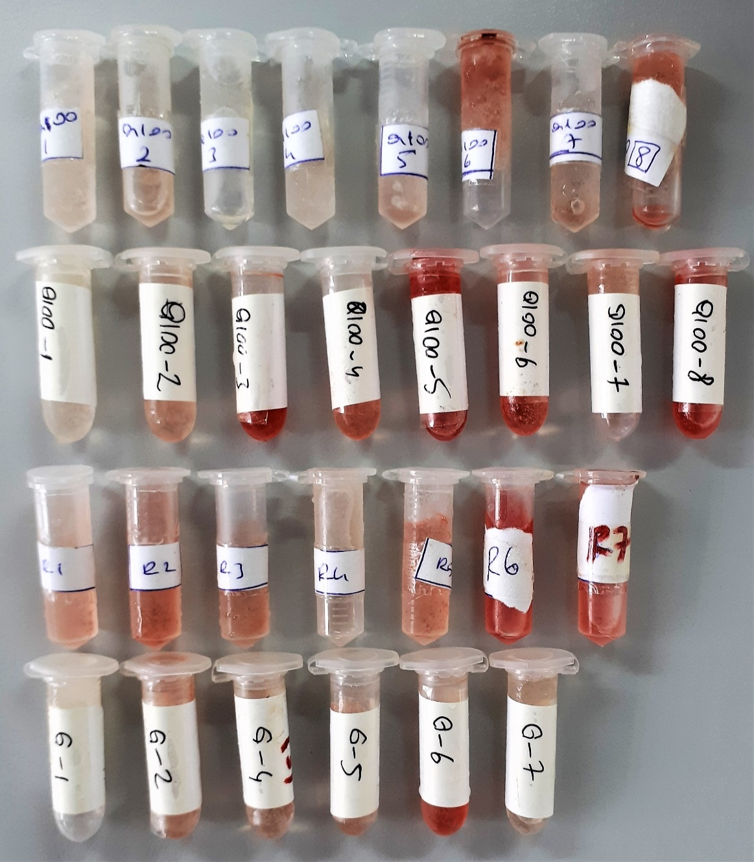
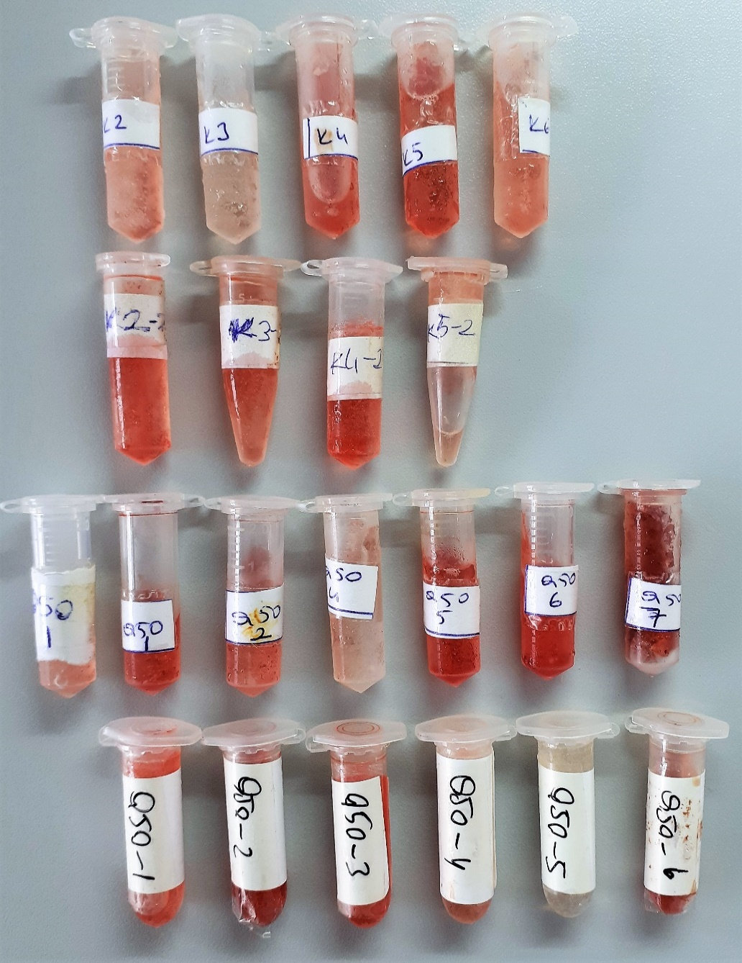
R-2 | 1.608 | 1.551 | 817.97035195
R-3 | 1.348 | 1.291 | 624.11905795
R-4 | 1.687 | 1.63 | 882.547555
R-5 | 1.608 | 1.551 | 817.97035195
R-6 | 1.472 | 1.415 | 712.99688875
R-7 | 1.667 | 1.61 | 865.948795
Q-100-1(S) | 1.578 | 1.521 | 794.14043995
Q-100-1(S) | 1.575 | 1.518 | 791.7784318
Q-100-2(S) | 1.63 | 1.573 | 835.68809155
Q-100-2(S) | 1.588 | 1.531 | 802.04135395
Q-100-3(S) | 1.518 | 1.461 | 747.62514595
Q-100-3(S) | 1.569 | 1.512 | 787.0658608
Q-100-4(S) | 1.52 | 1.463 | 749.15106955
Q-100-4(S) | 1.577 | 1.52 | 793.35268
Q-100-5(S) | 1.59 | 1.533 | 803.62662355
Q-100-5(S) | 1.545 | 1.488 | 768.3681808
Q-100-6(S) | 1.71 | 1.653 | 901.84574755
Q-100-6(S) | 1.747 | 1.69 | 933.361195
Q-100-7(S) | 1.633 | 1.576 | 838.1200432
Q-100-7(S) | 1.79 | 1.733 | 970.71636355
Q-100-8(S) | 1.662 | 1.605 | 861.82559875
Q-100-8(S) | 1.764 | 1.707 | 948.03583555
Q-100-1(M) | 1.633 | 1.576 | 838.1200432
Q-100-1(M) | 1.753 | 1.696 | 938.5264912
Q-100-2(M) | 1.633 | 1.576 | 838.1200432
Q-100-2(M) | 1.514 | 1.457 | 744.57838555
Q-100-3(M) | 1.727 | 1.67 | 916.253755
Q-100-3(M) | 1.729 | 1.672 | 917.9568688
Q-100-4(M) | 1.488 | 1.431 | 724.93976395
Q-100-4(M) | 1.498 | 1.441 | 732.45916795
Q-100-5(M) | 1.402 | 1.345 | 662.02274875
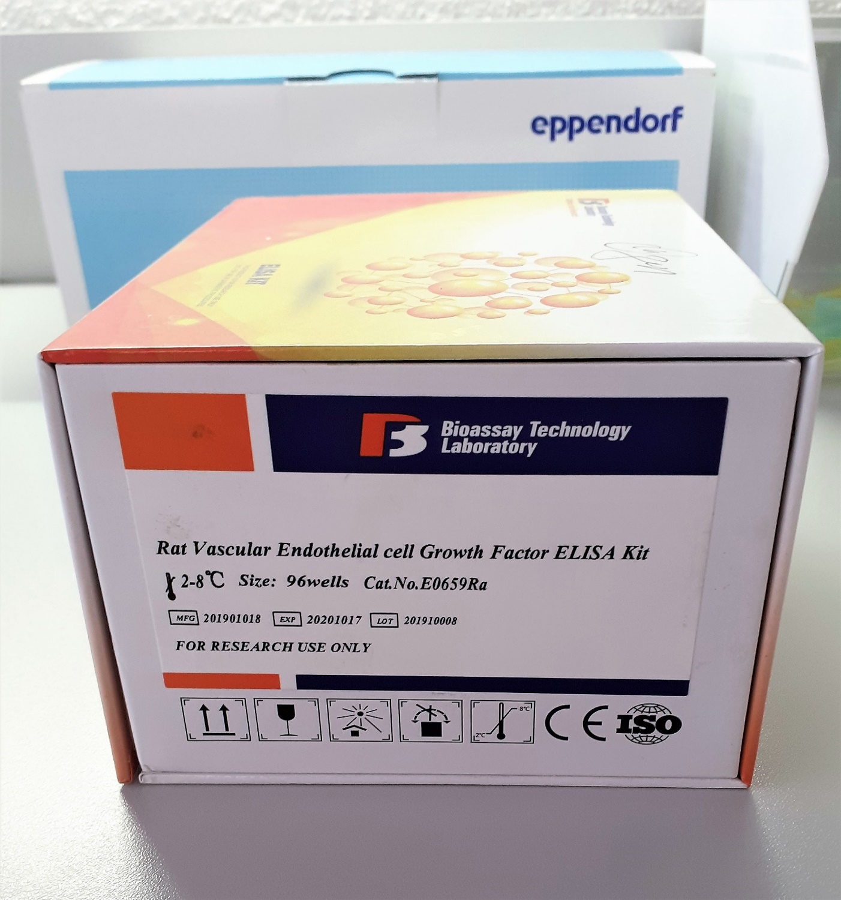
Q-100-5(M) | 1.319 | 1.262 | 604.2735358
Q-100-6(M) | 1.639 | 1.582 | 842.9953918
Q-100-6(M) | 1.636 | 1.579 | 840.55580995
Q-100-7(M) | 1.552 | 1.495 | 773.79644875
Q-100-7(M) | 1.621 | 1.564 | 828.4151272
Q-100-8(M) | 1.392 | 1.335 | 654.91028875
Q-100-8(M) | 1.596 | 1.539 | 808.39260595
Q-50-1(M) | 1.508 | 1.451 | 740.02096195
Q-50-1(M) | 1.569 | 1.512 | 787.0658608
Q-50-1(M) | 1.538 | 1.481 | 762.96068395
Q-50-1(M) | 1.526 | 1.469 | 753.73901395
Q-50-2(M) | 1.348 | 1.291 | 624.11905795
Q-50-2(M) | 1.382 | 1.325 | 647.84021875
Q-50-4(M) | 1.483 | 1.426 | 721.1959582
Q-50-4(M) | 1.452 | 1.395 | 698.22089875
Q-50-5(M) | 1.567 | 1.51 | 785.498395
Q-50-5(M) | 1.515 | 1.458 | 745.3394398
Q-50-6(M) | 1.676 | 1.619 | 873.39725395
Q-50-6(M) | 1.686 | 1.629 | 881.71358995
Q-50-7(M) | 1.711 | 1.654 | 902.6898862
Q-50-7(M) | 1.877 | 1.82 | 1048.69258
Q-50-1(S) | 1.576 | 1.519 | 792.56534395
Q-50-1(S) | 1.598 | 1.541 | 809.98465795
Q-50-2(S) | 1.629 | 1.572 | 834.8782888
Q-50-2(S) | 1.638 | 1.581 | 842.18177395
Q-50-3(S) | 1.597 | 1.54 | 809.18842
Q-50-3(S) | 1.687 | 1.63 | 882.547555
Q-50-4(S) | 1.484 | 1.427 | 721.94387155
Q-50-4(S) | 1.341 | 1.284 | 619.2961192
Q-50-5(S) | 1.721 | 1.664 | 911.1545872
Q-50-5(S) | 1.53 | 1.473 | 756.80612155
Q-50-6(S) | 1.644 | 1.587 | 847.06983955
Q-50-6(S) | 1.652 | 1.595 | 853.61099875
K-2 | 1.869 | 1.812 | 1041.3884008
K-2 | 1.829 | 1.772 | 1005.2744488
K-3 | 1.889 | 1.832 | 1059.6997168
K-3 | 2.016 | 1.959 | 1179.933468
K-4 | 1.818 | 1.761 | 995.46201595
K-4 | 1.895 | 1.838 | 1065.2261758
K-5 | 2.073 | 2.016 | 1236.1195792
K-5 | 1.985 | 1.928 | 1149.9543088
K-6 | 1.897 | 1.84 | 1067.07172
K-6 | 1.882 | 1.825 | 1053.2714688
K2-2 | 1.719 | 1.662 | 909.4582558
K2-2 | 1.739 | 1.682 | 926.4978718
K3-2 | 1.59 | 1.533 | 803.62662355
K3-2 | 1.562 | 1.505 | 781.58714875
K4-2 | 1.561 | 1.504 | 780.8061712
K4-2 | 1.692 | 1.635 | 886.72373875
K5-2 | 1.75 | 1.693 | 935.94193555
K5-2 | 1.69 | 1.633 | 885.05199355

