SCUBE1
2.715 | 1.39 | 1.772 | 1.116 | 1.128 | 1.939 | 0.911 | 2.002 | 1.043 | 2.581 | 1.262 | 1.929
1.872 | 1.475 | 1.583 | 1.25 | 1.177 | 1.612 | 1.156 | 1.385 | 1.01 | 1.237 | 1.285 | 1.249
1.383 | 1.528 | 1.551 | 1.76 | 1.26 | 1.792 | 1.263 | 1.069 | 0.69 | 1.074 | 1.473 | 1.299
0.953 | 1.632 | 1.339 | 1.832 | 1.59 | 1.199 | 0.99 | 1.203 | 0.954 | 1.195 | 0.997 | 1.097
0.66 | 1.29 | 1.334 | 1.389 | 1.152 | 2.17 | 2 | 0.579 | 1.115 | 0.933 | 1.288 | 2.491
0.16 | 1.367 | 1.523 | 1.181 | 2.59 | 1.357 | 2.376 | 1.203 | 1.734 | 0.946 | 1.008 | 1.941
1.994 | 1.693 | 1.518 | 1.729 | 2.021 | 1.128 | 1.047 | 1.019 | 0.908 | 2.618 | 0.905 | 1.298
1.659 | 1.122 | 1.353 | 1.541 | 2.854 | 0.576 | 2.127 | 0.757 | 0.792 | 1.303 | 0.905 | 2.367

SCUBE1

 | abs | abs-blank | expected | result
std1 | 2.715 | 2.555 | 240 | 241.01
std2 | 1.872 | 1.712 | 120 | 115.80
std3 | 1.383 | 1.223 | 60 | 63.73
std4 | 0.953 | 0.793 | 30 | 30.42
std5 | 0.66 | 0.5 | 15 | 14.42
blank | 0.16 | 0 | 0 | -0.38

 |  |  |  |  |  |  |  |  |  | concentration (ng/ml)

Numune | absorbans | blank | abs-blank | result(ng/ml)
Sample-1 | 1.994 | 0.16 | 1.834 | 131.14
Sample-2 | 1.659 | 0.16 | 1.499 | 91.26
Sample-3 | 1.39 | 0.16 | 1.23 | 64.37
Sample-4 | 1.475 | 0.16 | 1.315 | 72.37
Sample-5 | 1.528 | 0.16 | 1.368 | 77.59
Sample-6 | 1.632 | 0.16 | 1.472 | 88.36
Sample-7 | 1.29 | 0.16 | 1.13 | 55.54
Sample-8 | 1.367 | 0.16 | 1.207 | 62.28
Sample-9 | 1.693 | 0.16 | 1.533 | 94.99
Sample-10 | 1.122 | 0.16 | 0.962 | 42.12
Sample-11 | 1.772 | 0.16 | 1.612 | 103.92
Sample-12 | 1.583 | 0.16 | 1.423 | 83.20
Sample-13 | 1.551 | 0.16 | 1.391 | 79.92
Sample-14 | 1.339 | 0.16 | 1.179 | 59.79
Sample-15 | 1.334 | 0.16 | 1.174 | 59.34
Sample-16 | 1.523 | 0.16 | 1.363 | 77.09
Sample-17 | 1.518 | 0.16 | 1.358 | 76.60
Sample-18 | 1.353 | 0.16 | 1.193 | 61.03
Sample-19 | 1.116 | 0.16 | 0.956 | 41.67
Sample-20 | 1.25 | 0.16 | 1.09 | 52.18
Sample-21 | 1.76 | 0.16 | 1.6 | 102.54
Sample-22 | 1.832 | 0.16 | 1.672 | 110.97
Sample-23 | 1.389 | 0.16 | 1.229 | 64.28
Sample-24 | 1.181 | 0.16 | 1.021 | 46.63
Sample-25 | 1.729 | 0.16 | 1.569 | 99.01
Sample-26 | 1.541 | 0.16 | 1.381 | 78.90
Sample-27 | 1.128 | 0.16 | 0.968 | 42.57
Sample-28 | 1.177 | 0.16 | 1.017 | 46.32
Sample-29 | 1.26 | 0.16 | 1.1 | 53.01
Sample-30 | 1.59 | 0.16 | 1.43 | 83.93
Sample-31 | 1.152 | 0.16 | 0.992 | 44.39
Sample-32 | 2.59 | 0.16 | 2.43 | 219.61
Sample-33 | 2.021 | 0.16 | 1.861 | 134.66
Sample-34 | 2.854 | 0.16 | 2.694 | 265.97
Sample-35 | 1.939 | 0.16 | 1.779 | 124.11
Sample-36 | 1.612 | 0.16 | 1.452 | 86.23
Sample-37 | 1.792 | 0.16 | 1.632 | 106.25
Sample-38 | 1.199 | 0.16 | 1.039 | 48.05
Sample-39 | 2.17 | 0.16 | 2.01 | 154.93
Sample-40 | 1.357 | 0.16 | 1.197 | 61.38
Sample-41 | 1.128 | 0.16 | 0.968 | 42.57
Sample-42 | 0.576 | 0.16 | 0.416 | 10.83
Sample-43 | 0.911 | 0.16 | 0.751 | 27.80
Sample-44 | 1.156 | 0.16 | 0.996 | 44.69
Sample-45 | 1.263 | 0.16 | 1.103 | 53.26
Sample-46 | 0.99 | 0.16 | 0.83 | 32.83
Sample-47 | 2 | 0.16 | 1.84 | 131.92
Sample-48 | 2.376 | 0.16 | 2.216 | 185.27
Sample-49 | 1.047 | 0.16 | 0.887 | 36.71
Sample-50 | 2.127 | 0.16 | 1.967 | 148.94
Sample-51 | 2.002 | 0.16 | 1.842 | 132.18
Sample-52 | 1.385 | 0.16 | 1.225 | 63.91
Sample-53 | 1.069 | 0.16 | 0.909 | 38.26
Sample-54 | 1.203 | 0.16 | 1.043 | 48.37
Sample-55 | 0.579 | 0.16 | 0.419 | 10.95
Sample-56 | 1.203 | 0.16 | 1.043 | 48.37
Sample-57 | 1.019 | 0.16 | 0.859 | 34.78
Sample-58 | 0.757 | 0.16 | 0.597 | 19.11
Sample-59 | 1.043 | 0.16 | 0.883 | 36.43
Sample-60 | 1.01 | 0.16 | 0.85 | 34.17
Sample-61 | 0.69 | 0.16 | 0.53 | 15.81
Sample-62 | 0.954 | 0.16 | 0.794 | 30.49
Sample-63 | 1.115 | 0.16 | 0.955 | 41.60
Sample-64 | 1.734 | 0.16 | 1.574 | 99.57
Sample-65 | 0.908 | 0.16 | 0.748 | 27.61
Sample-66 | 0.792 | 0.16 | 0.632 | 20.96
Sample-67 | 2.581 | 0.16 | 2.421 | 218.11
Sample-68 | 1.237 | 0.16 | 1.077 | 51.11
Sample-69 | 1.074 | 0.16 | 0.914 | 38.61
Sample-70 | 1.195 | 0.16 | 1.035 | 47.73
Sample-71 | 0.933 | 0.16 | 0.773 | 29.16
Sample-72 | 0.946 | 0.16 | 0.786 | 29.98
Sample-73 | 2.618 | 0.16 | 2.458 | 224.32
Sample-74 | 1.303 | 0.16 | 1.143 | 56.65
Sample-75 | 1.262 | 0.16 | 1.102 | 53.18
Sample-76 | 1.285 | 0.16 | 1.125 | 55.11
Sample-77 | 1.473 | 0.16 | 1.313 | 72.18
Sample-78 | 0.997 | 0.16 | 0.837 | 33.29
Sample-79 | 1.288 | 0.16 | 1.128 | 55.37
Sample-80 | 1.008 | 0.16 | 0.848 | 34.03
Sample-81 | 0.905 | 0.16 | 0.745 | 27.43
Sample-82 | 0.905 | 0.16 | 0.745 | 27.43
Sample-83 | 1.929 | 0.16 | 1.769 | 122.85
Sample-84 | 1.249 | 0.16 | 1.089 | 52.10
Sample-85 | 1.299 | 0.16 | 1.139 | 56.31
Sample-86 | 1.097 | 0.16 | 0.937 | 40.28
Sample-87 | 2.491 | 0.16 | 2.331 | 203.36
Sample-88 | 1.941 | 0.16 | 1.781 | 124.36
Sample-89 | 1.298 | 0.16 | 1.138 | 56.22
Sample-90 | 2.367 | 0.16 | 2.207 | 183.88

Materyal-metod
KİT ADI | TÜR | MARKA | Numune Türü | CAT. NO | Yöntem | Kullanılan Cihaz
Signal peptide, CUB and EGF-like domain-containing protein 1,SCUBE1 | Human | BT-lab | Serum | E3142Hu | ELİSA | Mıcroplate reader: BIO-TEK EL X 800-Aotu strıp washer:BIO TEK EL X 50

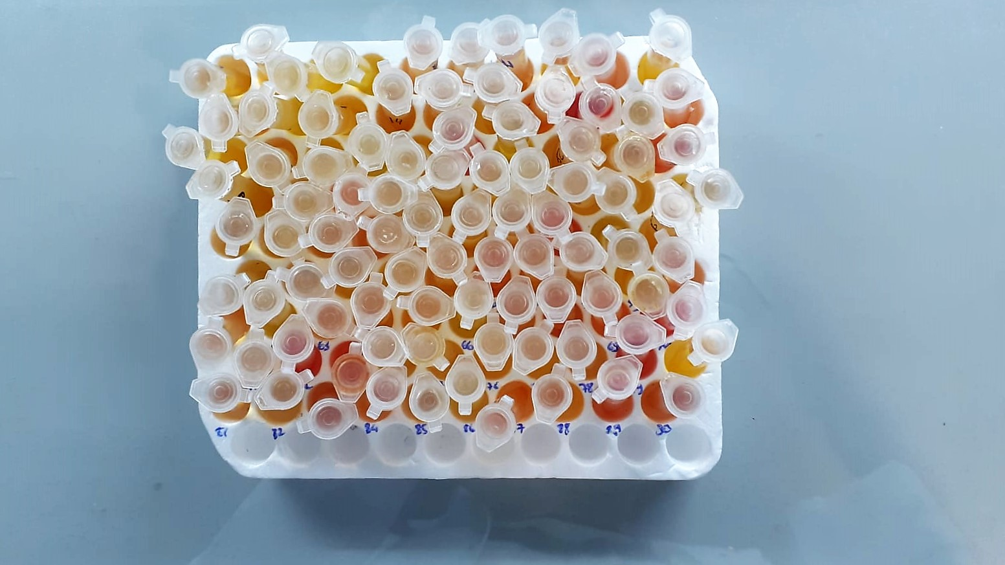

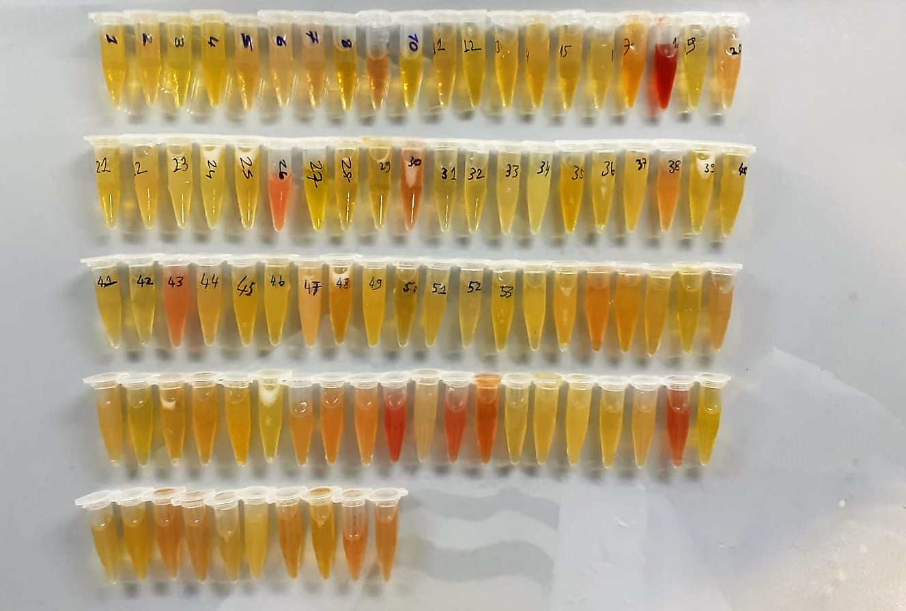

SCUBE1 Assay Principle
This kit is an Enzyme-Linked Immunosorbent Assay (ELISA). The plate has been pre-coated with Human SCUBE1 antibody. Human SCUBE1 present in the sample is added and binds to antibodies coated on the wells.
And then biotinylated Human SCUBE1 Antibody is added and binds to Human SCUBE1 in the sample. Then Streptavidin-HRP is added and binds to the Biotinylated Human SCUBE1 antibody.
After incubation unbound Streptavidin-HRP is washed away during a washing step. Substrate solution is then added and color develops in proportion to the amount of Rat Human SCUBE1.
The reaction is terminated by addition of acidic stop solution and absorbance is measured at 450 nm.

