Seminal Sıvı-Biyokimya
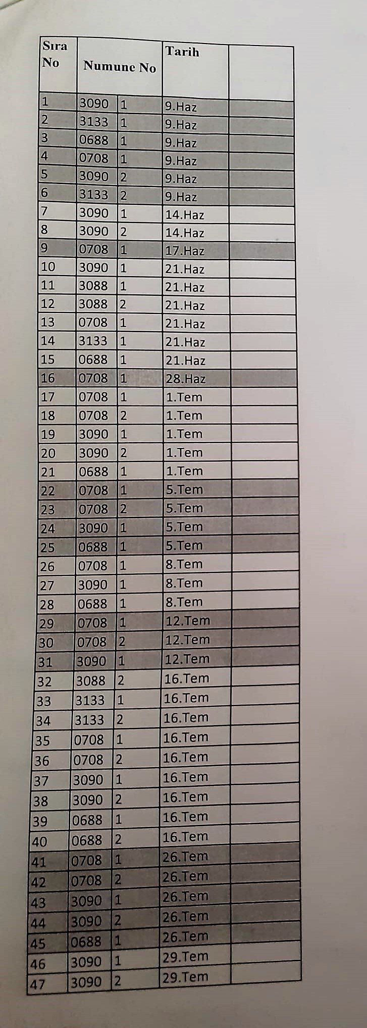
Numune Adı | CAT (U/L) | SOD (U/ml) | GPX (U/L) | TAS(mmol/L) | TOS (µmol/L) | OSI | Vit.E
1 | 107 | 185 | 500 | 2.89 | 0.55 | 0.019 | 11.2
1 | 123 | 184 | 501 | 2.88 | 0.84 | 0.029 | 11.3
2 | 128 | 191 | 499 | 2.56 | 0.11 | 0.004 | 5
2 | 127 | 179 | 499 | 2.59 | 0.14 | 0.005 | 5.1
3 | 136 | 199 | 499 | 2.48 | 1.49 | 0.060 | 4.8
3 | 144 | 174 | 499 | 2.5 | 3.23 | 0.129 | 4.9
4 | 166 | 195 | 501 | 2.89 | 0.61 | 0.021 | 4.6
4 | 164 | 196 | 500 | 2.88 | 0.66 | 0.023 | 4.6
5 | 110 | 191 | 501 | 2.87 | 0.76 | 0.026 | 6.2
5 | 102 | 173 | 500 | 2.88 | 0.73 | 0.025 | 6.1
6 | 124 | 178 | 500 | 2.8 | 1.11 | 0.040 | 6.4
6 | 150 | 189 | 499 | 2.82 | 1.13 | 0.040 | 6.4
7 | 93 | 184 | 500 | 2.88 | 1.15 | 0.040 | 5.4
7 | 88 | 180 | 501 | 2.88 | 1.54 | 0.053 | 5.3
8 | 106 | 199 | 501 | 2.88 | 1.12 | 0.039 | 8.2
8 | 108 | 171 | 501 | 2.88 | 0.95 | 0.033 | 8.1
9 | 108 | 187 | 500 | 2.89 | 0.5 | 0.017 | 6
9 | 94 | 193 | 500 | 2.88 | 0.51 | 0.018 | 6
10 | 77 | 181 | 500 | 2.88 | 0.46 | 0.016 | 5.2
10 | 115 | 180 | 501 | 2.88 | 0.27 | 0.009 | 5.2
11 | 117 | 176 | 499 | 2.66 | 1.73 | 0.065 | 6.4
11 | 115 | 162 | 500 | 2.68 | 1.68 | 0.063 | 6.3
12 | 108 | 165 | 502 | 2.78 | 1.96 | 0.071 | 4.8
12 | 158 | 192 | 501 | 2.79 | 2.35 | 0.084 | 4.9
13 | 148 | 185 | 501 | 2.88 | 0.52 | 0.018 | 10.6
13 | 121 | 182 | 500 | 2.88 | 0.59 | 0.020 | 10.5
14 | 142 | 202 | 500 | 2.88 | 2.84 | 0.099 | 3
14 | 115 | 200 | 500 | 2.89 | 2.86 | 0.099 | 3.1
15 | 139 | 207 | 499 | 2.72 | 0.11 | 0.004 | 4.2
15 | 126 | 195 | 499 | 2.72 | 0.07 | 0.003 | 4.2
16 | 130 | 187 | 500 | 2.88 | 1.12 | 0.039 | 3.1
16 | 138 | 198 | 501 | 2.88 | 1.01 | 0.035 | 3.2
17 | 93 | 174 | 499 | 2.88 | 2.16 | 0.075 | 4.3
17 | 90 | 173 | 400 | 2.88 | 2.17 | 0.075 | 4
18 | 115 | 182 | 501 | 2.88 | 3.02 | 0.105 | 4
18 | 114 | 181 | 500 | 2.88 | 2.87 | 0.100 | 4
19 | 117 | 176 | 500 | 2.88 | 2.82 | 0.098 | 4.7
19 | 105 | 175 | 501 | 2.88 | 2.97 | 0.103 | 4.8
20 | 81 | 174 | 501 | 2.88 | 2.92 | 0.101 | 4.9
20 | 92 | 162 | 501 | 2.87 | 2.96 | 0.103 | 4.9
21 | 115 | 196 | 498 | 2.33 | 0.93 | 0.040 | 4.8
21 | 130 | 187 | 498 | 2.36 | 0.78 | 0.033 | 4.6
22 | 117 | 195 | 500 | 2.88 | 4.43 | 0.154 | 3.6
22 | 102 | 184 | 500 | 2.88 | 4.41 | 0.153 | 3.5
23 | 123 | 190 | 500 | 2.88 | 7.18 | 0.249 | 3.8
23 | 124 | 197 | 500 | 2.88 | 7.04 | 0.244 | 3.7
24 | 105 | 171 | 501 | 2.88 | 1.93 | 0.067 | 5.1
24 | 105 | 177 | 500 | 2.88 | 1.69 | 0.059 | 5
25 | 116 | 198 | 498 | 2.46 | 0.41 | 0.017 | 4.6
25 | 108 | 164 | 498 | 2.49 | 0.45 | 0.018 | 4.4
26 | 118 | 190 | 503 | 2.88 | 2.21 | 0.077 | 4.4
26 | 134 | 197 | 500 | 2.88 | 2.11 | 0.073 | 4.3
27 | 113 | 179 | 502 | 2.88 | 2.5 | 0.087 | 4.4
27 | 101 | 114 | 501 | 2.88 | 2.35 | 0.082 | 4.5
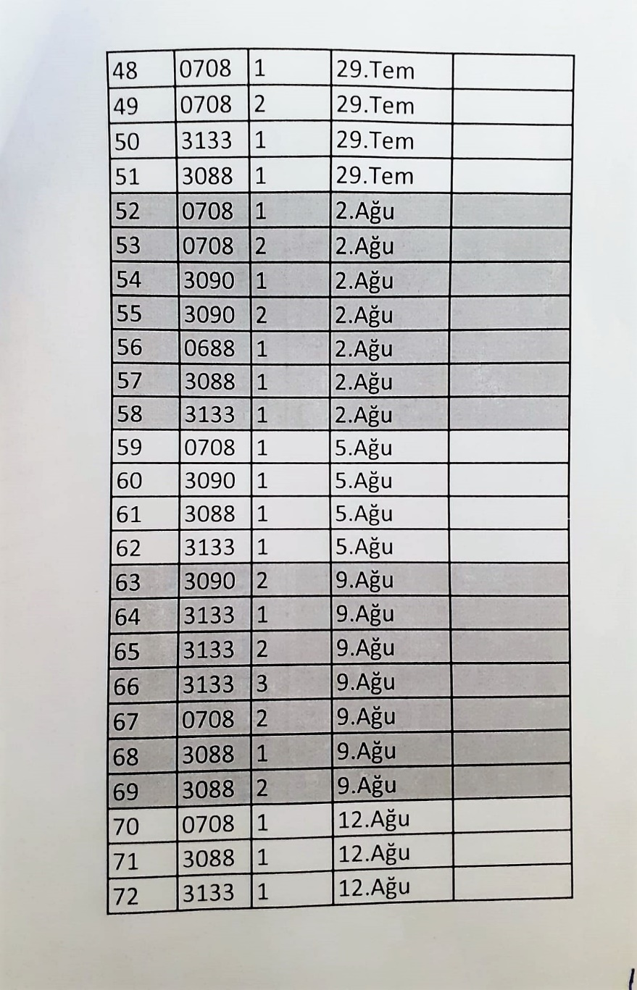
28 | 119 | 194 | 498 | 2.2 | 0.22 | 0.010 | 4.2
28 | 108 | 181 | 498 | 2.21 | 0.26 | 0.012 | 4.2
29 | 105 | 186 | 499 | 2.88 | 1.14 | 0.040 | 6.1
29 | 105 | 175 | 499 | 2.88 | 1.08 | 0.038 | 6.3
30 | 112 | 193 | 501 | 2.88 | 1.45 | 0.050 | 5.4
30 | 127 | 185 | 500 | 2.88 | 1.52 | 0.053 | 5.3
31 | 100 | 187 | 501 | 2.88 | 0.25 | 0.009 | 3.1
31 | 96 | 181 | 500 | 2.88 | 0.19 | 0.007 | 3.2
32 | 113 | 180 | 500 | 2.88 | 0.26 | 0.009 | 4.5
32 | 109 | 183 | 500 | 2.89 | 0.37 | 0.013 | 4.5
33 | 129 | 184 | 500 | 2.85 | 2.26 | 0.079 | 4.3
33 | 134 | 180 | 499 | 2.85 | 2.36 | 0.083 | 4.4
34 | 121 | 175 | 499 | 2.84 | 2.36 | 0.083 | 4.7
34 | 117 | 157 | 499 | 2.83 | 2.22 | 0.078 | 4.7
35 | 76 | 172 | 498 | 2.88 | 4.42 | 0.153 | 4.8
35 | 87 | 181 | 500 | 2.86 | 4.47 | 0.156 | 4.7
36 | 128 | 194 | 500 | 2.88 | 6.11 | 0.212 | 4.9
36 | 123 | 192 | 500 | 2.88 | 6.23 | 0.216 | 4.7
37 | 111 | 191 | 502 | 2.88 | 3.51 | 0.122 | 5.8
37 | 114 | 185 | 502 | 2.88 | 3.6 | 0.125 | 5.8
38 | 97 | 167 | 500 | 2.88 | 3.94 | 0.137 | 3.5
38 | 106 | 165 | 501 | 2.88 | 3.84 | 0.133 | 3.4
39 | 132 | 192 | 498 | 2.63 | 2.05 | 0.078 | 3.9
39 | 162 | 171 | 499 | 2.63 | 2.08 | 0.079 | 3.9
40 | 129 | 200 | 498 | 2.54 | 2.37 | 0.093 | 3.7
40 | 150 | 206 | 501 | 2.56 | 2.26 | 0.088 | 3.6
41 | 131 | 195 | 500 | 2.88 | 6.2 | 0.215 | 3.6
41 | 138 | 195 | 500 | 2.86 | 6.39 | 0.223 | 3.4
42 | 111 | 185 | 500 | 2.88 | 3.3 | 0.115 | 3.8
42 | 98 | 178 | 500 | 2.88 | 3.76 | 0.131 | 3.8
43 | 106 | 177 | 501 | 2.86 | 1.77 | 0.062 | 6.6
43 | 98 | 189 | 501 | 2.87 | 1.29 | 0.045 | 6.6
44 | 122 | 177 | 500 | 2.88 | 1.05 | 0.036 | 7.6
44 | 105 | 171 | 500 | 2.88 | 1.08 | 0.038 | 7.5
45 | 159 | 213 | 501 | 2.57 | 1.66 | 0.065 | 4.9
45 | 141 | 199 | 500 | 2.55 | 1.68 | 0.066 | 4.8
46 | 111 | 188 | 502 | 2.88 | 5.26 | 0.183 | 4.9
46 | 132 | 184 | 501 | 2.89 | 5.25 | 0.182 | 5
47 | 161 | 187 | 500 | 2.88 | 1.09 | 0.038 | 3.3
47 | 130 | 177 | 501 | 2.89 | 1.08 | 0.037 | 3.2
48 | 115 | 198 | 500 | 2.88 | 5.31 | 0.184 | 6
48 | 116 | 175 | 500 | 2.88 | 5.32 | 0.185 | 6.1
49 | 114 | 197 | 501 | 2.88 | 0.24 | 0.008 | 8
49 | 108 | 164 | 500 | 2.88 | 0.66 | 0.023 | 8
50 | 140 | 194 | 499 | 2.72 | 5.13 | 0.189 | 6.4
50 | 150 | 180 | 400 | 2.7 | 5.5 | 0.204 | 6.5
51 | 136 | 200 | 500 | 2.77 | 3.49 | 0.126 | 4.8
51 | 134 | 190 | 502 | 2.79 | 3.79 | 0.136 | 5
52 | 136 | 179 | 499 | 2.77 | 4.42 | 0.160 | 3.1
52 | 120 | 173 | 501 | 2.78 | 4.71 | 0.169 | 3.2
53 | 95 | 210 | 500 | 2.88 | 0.94 | 0.033 | 3.2
53 | 135 | 201 | 500 | 2.89 | 0.64 | 0.022 | 3.1
54 | 105 | 179 | 501 | 2.88 | 3.84 | 0.133 | 3.1
54 | 155 | 171 | 501 | 2.88 | 3.68 | 0.128 | 3.1
55 | 104 | 190 | 500 | 2.89 | 3.7 | 0.128 | 3.3
55 | 144 | 191 | 500 | 2.88 | 3.24 | 0.113 | 3.3
56 | 119 | 209 | 598 | 2.73 | 3.4 | 0.125 | 5
56 | 140 | 213 | 598 | 2.74 | 3.44 | 0.126 | 5.1
57 | 113 | 182 | 500 | 2.82 | 5.31 | 0.188 | 4
57 | 139 | 174 | 500 | 2.83 | 5.2 | 0.184 | 4.1
58 | 117 | 203 | 501 | 2.88 | 3.87 | 0.134 | 2.9
58 | 135 | 200 | 500 | 2.89 | 3.86 | 0.134 | 2.9
59 | 114 | 169 | 500 | 2.88 | 9.52 | 0.331 | 4.6
59 | 107 | 147 | 499 | 2.88 | 9.51 | 0.330 | 4.5
60 | 110 | 149 | 400 | 2.88 | 7.54 | 0.262 | 4.4
60 | 90 | 142 | 400 | 288 | 7.68 | 0.003 | 4.5
61 | 129 | 189 | 502 | 2.89 | 5.02 | 0.174 | 4.2
61 | 134 | 176 | 501 | 2.89 | 4.81 | 0.166 | 4.3
62 | 147 | 191 | 500 | 2.87 | 2.63 | 0.092 | 7
62 | 139 | 184 | 497 | 2.87 | 2.6 | 0.091 | 7
63 | 129 | 169 | 500 | 2.88 | 5.44 | 0.189 | 5.6
63 | 124 | 183 | 500 | 2.88 | 5.27 | 0.183 | 5.5
64 | 154 | 192 | 500 | 2.88 | 7.99 | 0.277 | 4.1
64 | 142 | 191 | 599 | 2.88 | 8.02 | 0.278 | 4.2
65 | 110 | 201 | 598 | 2.82 | 9.08 | 0.322 | 5.2
65 | 116 | 180 | 599 | 2.83 | 8.8 | 0.311 | 5.4
66 | 124 | 220 | 599 | 2.87 | 3.08 | 0.107 | 3.5
66 | 129 | 217 | 599 | 2.87 | 3.21 | 0.112 | 3.5
67 | 132 | 218 | 500 | 2.88 | 7.12 | 0.247 | 3.1
67 | 144 | 215 | 500 | 2.88 | 6.98 | 0.242 | 3.1
68 | 121 | 208 | 500 | 2.88 | 10.24 | 0.356 | 3.3
68 | 127 | 205 | 500 | 2.88 | 10.07 | 0.350 | 3.2
69 | 142 | 198 | 599 | 2.88 | 4.38 | 0.152 | 7.8
69 | 130 | 190 | 503 | 2.88 | 4.34 | 0.151 | 7.6
70 | 139 | 173 | 500 | 2.88 | 9.9 | 0.344 | 6.8
70 | 117 | 169 | 501 | 2.88 | 9.27 | 0.322 | 6.8
71 | 129 | 196 | 504 | 2.87 | 1.08 | 0.038 | 5.9
71 | 131 | 191 | 503 | 2.88 | 1.02 | 0.035 | 5.9
72 | 144 | 159 | 502 | 2.88 | 8.05 | 0.280 | 9.4
72 | 131 | 168 | 501 | 2.88 | 8.02 | 0.278 | 9.3

Seminal Sıvı-MDA
MDA
2.481 | 100
1.673 | 50
0.994 | 25
0.513 | 12.5
0.288 | 6.25
0.122 | 3.125
0 | 0
 | absorbans | abs-blank | expected | result
std1 | 2.511 | 2.481 | 100 | 99.11
std2 | 1.703 | 1.673 | 50 | 52.40
std3 | 1.024 | 0.994 | 25 | 24.30
std4 | 0.543 | 0.513 | 12.5 | 10.55
std5 | 0.318 | 0.288 | 6.25 | 5.87
std6 | 0.152 | 0.122 | 3.125 | 3.14
blank | 0.03 | 0 | 0 | 1.51

 |  |  |  |  | concentratıon (mmol/L)

Numune | absorbans | blank | abs-blank | result
1 | 0.424 | 0.03 | 0.394 | 7.93
1 | 0.422 | 0.03 | 0.392 | 7.89
2 | 2.309 | 0.03 | 2.279 | 86.08
2 | 2.301 | 0.03 | 2.271 | 85.59
3 | 2.259 | 0.03 | 2.229 | 83.00
3 | 2.555 | 0.03 | 2.525 | 102.07
4 | 2.328 | 0.03 | 2.298 | 87.27
4 | 2.327 | 0.03 | 2.297 | 87.21
5 | 2.294 | 0.03 | 2.264 | 85.15
5 | 2.29 | 0.03 | 2.26 | 84.90
6 | 2.293 | 0.03 | 2.263 | 85.09
6 | 2.297 | 0.03 | 2.267 | 85.34
7 | 2.258 | 0.03 | 2.228 | 82.94
7 | 2.255 | 0.03 | 2.225 | 82.75
8 | 2.313 | 0.03 | 2.283 | 86.33
8 | 2.32 | 0.03 | 2.29 | 86.77
9 | 2.185 | 0.03 | 2.155 | 78.53
9 | 2.186 | 0.03 | 2.156 | 78.59
10 | 2.253 | 0.03 | 2.223 | 82.63
10 | 2.254 | 0.03 | 2.224 | 82.69
11 | 2.236 | 0.03 | 2.206 | 81.60
11 | 2.236 | 0.03 | 2.206 | 81.60
12 | 2.242 | 0.03 | 2.212 | 81.96
12 | 2.24 | 0.03 | 2.21 | 81.84
13 | 2.225 | 0.03 | 2.195 | 80.93
13 | 2.22 | 0.03 | 2.19 | 80.63
14 | 2.163 | 0.03 | 2.133 | 77.23
14 | 2.167 | 0.03 | 2.137 | 77.46
15 | 2.34 | 0.03 | 2.31 | 88.02
15 | 2.33 | 0.03 | 2.3 | 87.40
16 | 0.936 | 0.03 | 0.906 | 21.40
16 | 0.94 | 0.03 | 0.91 | 21.53
17 | 1.418 | 0.03 | 1.388 | 39.37
17 | 1.415 | 0.03 | 1.385 | 39.24
18 | 2.279 | 0.03 | 2.249 | 84.22
18 | 2.271 | 0.03 | 2.241 | 83.73
19 | 2.144 | 0.03 | 2.114 | 76.11
19 | 2.148 | 0.03 | 2.118 | 76.34
20 | 2.316 | 0.03 | 2.286 | 86.52
20 | 2.311 | 0.03 | 2.281 | 86.21
21 | 2.32 | 0.03 | 2.29 | 86.77
21 | 2.32 | 0.03 | 2.29 | 86.77
22 | 2.287 | 0.03 | 2.257 | 84.72
22 | 2.284 | 0.03 | 2.254 | 84.53
23 | 2.335 | 0.03 | 2.305 | 87.71
23 | 2.333 | 0.03 | 2.303 | 87.58
24 | 2.241 | 0.03 | 2.211 | 81.90
24 | 2.271 | 0.03 | 2.241 | 83.73
25 | 2.33 | 0.03 | 2.3 | 87.40
25 | 2.34 | 0.03 | 2.31 | 88.02
26 | 2.32 | 0.03 | 2.29 | 86.77
26 | 2.32 | 0.03 | 2.29 | 86.77
27 | 2.197 | 0.03 | 2.167 | 79.25
27 | 2.198 | 0.03 | 2.168 | 79.31
28 | 2.356 | 0.03 | 2.326 | 89.03
28 | 2.339 | 0.03 | 2.309 | 87.96
29 | 2.66 | 0.03 | 2.63 | 109.30
29 | 2.642 | 0.03 | 2.612 | 108.04
30 | 2.33 | 0.03 | 2.3 | 87.40
30 | 2.31 | 0.03 | 2.28 | 86.15
31 | 0.31 | 0.03 | 0.28 | 5.72
31 | 0.31 | 0.03 | 0.28 | 5.72
32 | 2.367 | 0.03 | 2.337 | 89.73
32 | 2.378 | 0.03 | 2.348 | 90.43
33 | 2.215 | 0.03 | 2.185 | 80.33
33 | 2.211 | 0.03 | 2.181 | 80.09
34 | 2.262 | 0.03 | 2.232 | 83.18
34 | 2.263 | 0.03 | 2.233 | 83.24
35 | 1 | 0.03 | 0.97 | 23.49
35 | 1.02 | 0.03 | 0.99 | 24.16
36 | 1.95 | 0.03 | 1.92 | 65.15
36 | 1.96 | 0.03 | 1.93 | 65.70
37 | 1.419 | 0.03 | 1.389 | 39.41
37 | 1.417 | 0.03 | 1.387 | 39.32
38 | 2.206 | 0.03 | 2.176 | 79.79
38 | 2.204 | 0.03 | 2.174 | 79.67
39 | 2.388 | 0.03 | 2.358 | 91.07
39 | 2.386 | 0.03 | 2.356 | 90.94
40 | 1.874 | 0.03 | 1.844 | 61.09
40 | 1.877 | 0.03 | 1.847 | 61.24
41 | 1.451 | 0.03 | 1.421 | 40.78
41 | 1.455 | 0.03 | 1.425 | 40.96
42 | 0.55 | 0.03 | 0.52 | 10.71
42 | 0.53 | 0.03 | 0.5 | 10.25
43 | 1.273 | 0.03 | 1.243 | 33.42
43 | 1.277 | 0.03 | 1.247 | 33.58
44 | 1.005 | 0.03 | 0.975 | 23.66
44 | 1.003 | 0.03 | 0.973 | 23.59
45 | 2.271 | 0.03 | 2.241 | 83.73
45 | 2.271 | 0.03 | 2.241 | 83.73
46 | 0.185 | 0.03 | 0.155 | 3.63
46 | 0.185 | 0.03 | 0.155 | 3.63
47 | 0.923 | 0.03 | 0.893 | 20.99
47 | 0.922 | 0.03 | 0.892 | 20.96
48 | 1.349 | 0.03 | 1.319 | 36.48
48 | 1.35 | 0.03 | 1.32 | 36.52
49 | 0.882 | 0.03 | 0.852 | 19.71
49 | 0.88 | 0.03 | 0.85 | 19.65
50 | 2.379 | 0.03 | 2.349 | 90.50
50 | 2.367 | 0.03 | 2.337 | 89.73
51 | 2.362 | 0.03 | 2.332 | 89.41
51 | 2.345 | 0.03 | 2.315 | 88.34
52 | 2.32 | 0.03 | 2.29 | 86.77
52 | 2.32 | 0.03 | 2.29 | 86.77
53 | 2.463 | 0.03 | 2.433 | 95.93
53 | 2.455 | 0.03 | 2.425 | 95.41
54 | 2.181 | 0.03 | 2.151 | 78.29
54 | 2.178 | 0.03 | 2.148 | 78.12
55 | 1.783 | 0.03 | 1.753 | 56.38
55 | 1.783 | 0.03 | 1.753 | 56.38
56 | 2.378 | 0.03 | 2.348 | 90.43
56 | 2.379 | 0.03 | 2.349 | 90.50
57 | 2.079 | 0.03 | 2.049 | 72.35
57 | 2.078 | 0.03 | 2.048 | 72.29
58 | 1.222 | 0.03 | 1.192 | 31.44
58 | 1.228 | 0.03 | 1.198 | 31.67
59 | 0.353 | 0.03 | 0.323 | 6.52
59 | 0.351 | 0.03 | 0.321 | 6.49
60 | 1.445 | 0.03 | 1.415 | 40.52
60 | 1.447 | 0.03 | 1.417 | 40.61
61 | 0.117 | 0.03 | 0.087 | 2.64
61 | 0.113 | 0.03 | 0.083 | 2.58
62 | 0.248 | 0.03 | 0.218 | 4.64
62 | 0.242 | 0.03 | 0.212 | 4.54
63 | 0.979 | 0.03 | 0.949 | 22.79
63 | 0.978 | 0.03 | 0.948 | 22.76
64 | 1.163 | 0.03 | 1.133 | 29.22
64 | 1.16 | 0.03 | 1.13 | 29.11
65 | 2.37 | 0.03 | 2.34 | 89.92
65 | 2.33 | 0.03 | 2.3 | 87.40
66 | 2.201 | 0.03 | 2.171 | 79.49
66 | 2.02 | 0.03 | 1.99 | 69.01
67 | 2.316 | 0.03 | 2.286 | 86.52
67 | 2.315 | 0.03 | 2.285 | 86.46
68 | 1.016 | 0.03 | 0.986 | 24.03
68 | 1.015 | 0.03 | 0.985 | 23.99
69 | 2.316 | 0.03 | 2.286 | 86.52
69 | 2.316 | 0.03 | 2.286 | 86.52
70 | 1.197 | 0.03 | 1.167 | 30.49
70 | 1.196 | 0.03 | 1.166 | 30.45
71 | 0.852 | 0.03 | 0.822 | 18.79
71 | 0.857 | 0.03 | 0.827 | 18.94
72 | 1.069 | 0.03 | 1.039 | 25.85
72 | 1.068 | 0.03 | 1.038 | 25.81

Serum-TESTOSTERONE
0.127 | 0.36 | 0.501 | 0.242 | 0.179 | 0.172 | 0.192 | 0.566 | 0.179 | 0.296 | 0.491 | 0.417
0.584 | 0.322 | 0.422 | 0.194 | 0.142 | 0.129 | 0.154 | 0.503 | 0.127 | 0.232 | 0.4 | 0.358
0.854 | 0.417 | 0.153 | 0.148 | 0.234 | 0.119 | 0.299 | 0.138 | 0.23 | 0.751 | 0.167 | 0.285
1.129 | 0.45 | 0.149 | 0.164 | 0.221 | 0.118 | 0.28 | 0.143 | 0.262 | 0.758 | 0.182 | 0.348
1.312 | 0.186 | 0.373 | 0.212 | 0.344 | 0.207 | 0.731 | 0.166 | 0.79 | 0.212 | 0.295 | 0.324
1.41 | 0.178 | 0.544 | 0.25 | 0.371 | 0.219 | 0.711 | 0.215 | 0.95 | 0.239 | 0.294 | 0.339
1.925 | 0.559 | 0.808 | 0.178 | 0.487 | 0.21 | 0.444 | 0.332 | 0.377 | 0.311 | 0.363 | 0.367
0.478 | 0.565 | 0.966 | 0.174 | 0.505 | 0.228 | 0.425 | 0.332 | 0.321 | 0.249 | 0.348 | 0.441

TESTOSTERONE
0.127 | 20
0.584 | 10
0.854 | 5
1.129 | 2.5
1.312 | 1.25
1.41 | 0.62
1.925 | 0

 | abs. | expected | result
std1 | 0.127 | 20 | 19.89
std2 | 0.584 | 10 | 9.89
std3 | 0.854 | 5 | 5.60
std4 | 1.129 | 2.5 | 2.46
std5 | 1.312 | 1.25 | 1.05
std6 | 1.41 | 0.62 | 0.53
blank | 1.925 | 0 | 0.36

 |  |  |  |  |  |  |  | concentratıon (ng/ml)

Numune | absorbans | result
28 HAZ.-0708(1) | 0.36 | 14.37
28 HAZ.-0708(1) | 0.322 | 15.21
1 TEM.-0708(1) | 0.417 | 13.15
1 TEM.-0708(1) | 0.45 | 12.47
1 TEM.-3090(1) | 0.186 | 18.41
1 TEM.-3090(1) | 0.178 | 18.61
1 TEM.-0688(1) | 0.559 | 10.35
1 TEM.-0688(1) | 0.565 | 10.24
5 TEM.-0708(1) | 0.501 | 11.46
5 TEM.-0708(1) | 0.422 | 13.05
5 TEM.-3090(1) | 0.153 | 19.23
5 TEM.-3090(1) | 0.149 | 19.33
5 TEM.-0688(1) | 0.373 | 14.08
5 TEM.-0688(1) | 0.544 | 10.63
21 HAZ.-0708(P) | 0.808 | 6.25
21 HAZ.-0708(P) | 0.966 | 4.17
21 HAZ.-3090(P) | 0.242 | 17.05
21 HAZ.-3090(P) | 0.194 | 18.21
21 HAZ.-3088(P) | 0.148 | 19.36
21 HAZ.-3088(P) | 0.164 | 18.96
21 HAZ.-0688(P) | 0.212 | 17.77
21 HAZ.-0688(P) | 0.25 | 16.86
21 HAZ.-3133(P) | 0.178 | 18.61
21 HAZ.-3133(P) | 0.174 | 18.71
8 TEM.-3090(1) | 0.179 | 18.58
8 TEM.-3090(1) | 0.142 | 19.51
8 TEM.-0708(1) | 0.234 | 17.24
8 TEM.-0708(1) | 0.221 | 17.56
8 TEM.-0688(1) | 0.344 | 14.72
8 TEM.-0688(1) | 0.371 | 14.13
12 TEM.-0708(1) | 0.487 | 11.73
12 TEM.-0708(1) | 0.505 | 11.38
12 TEM.-3090(1) | 0.172 | 18.76
12 TEM.-3090(1) | 0.129 | 19.84
16 TEM.-3090(1) | 0.119 | 20.10
16 TEM.-3090(1) | 0.118 | 20.12
16 TEM.-0708(1) | 0.207 | 17.90
16 TEM.-0708(1) | 0.219 | 17.60
16 TEM.-3133(1) | 0.21 | 17.82
16 TEM.-3133(1) | 0.228 | 17.39
16 TEM.-3088(1) | 0.192 | 18.26
16 TEM.-3088(1) | 0.154 | 19.21
16 TEM.-0688(1) | 0.299 | 15.73
16 TEM.-0688(1) | 0.28 | 16.16
26 TEM.-0688(3) | 0.731 | 7.41
26 TEM.-0688(3) | 0.711 | 7.73
26 TEM.-3090(2) | 0.444 | 12.59
26 TEM.-3090(2) | 0.425 | 12.98
26 TEM.-0708(1) | 0.566 | 10.22
26 TEM.-0708(1) | 0.503 | 11.42
29 TEM.-3090(1) | 0.138 | 19.61
29 TEM.-3090(1) | 0.143 | 19.49
29 TEM.-3133(3) | 0.166 | 18.91
29 TEM.-3133(3) | 0.215 | 17.70
29 TEM.-0708(2) | 0.332 | 14.98
29 TEM.-0708(2) | 0.332 | 14.98
29 TEM.-3088(4) | 0.179 | 18.58
29 TEM.-3088(4) | 0.127 | 19.89
2 AĞUS-3088(1) | 0.23 | 17.34
2 AĞUS-3088(1) | 0.262 | 16.58
2 AĞUS-0688(1) | 0.79 | 6.51
2 AĞUS-0688(1) | 0.95 | 4.36
2 AĞUS-3133(1) | 0.377 | 14.00
2 AĞUS-3133(1) | 0.321 | 15.23
2 AĞUS-3090(1) | 0.296 | 15.80
2 AĞUS-3090(1) | 0.232 | 17.29
2 AĞUS-0708(1) | 0.751 | 7.10
2 AĞUS-0708(1) | 0.758 | 6.99
5 AĞUS.-3088(1) | 0.212 | 17.77
5 AĞUS.-3088(1) | 0.239 | 17.13
5 AĞUS.-3133(1) | 0.311 | 15.45
5 AĞUS.-3133(1) | 0.249 | 16.89
5 AĞUS.-0708(1) | 0.491 | 11.65
5 AĞUS.-0708(1) | 0.4 | 13.51
5 AĞUS.-3090(1) | 0.167 | 18.88
5 AĞUS.-3090(1) | 0.182 | 18.51
9 AĞUS.-3090(1) | 0.295 | 15.82
9 AĞUS.-3090(1) | 0.294 | 15.84
9 AĞUS.-3133(1) | 0.363 | 14.30
9 AĞUS.-3133(1) | 0.348 | 14.63
9 AĞUS.-0708(1) | 0.417 | 13.15
9 AĞUS.-0708(1) | 0.358 | 14.41
9 AĞUS.-3088(1) | 0.285 | 16.05
9 AĞUS.-3088(1) | 0.348 | 14.63
12 AĞUS.-3133(1) | 0.324 | 15.16
12 AĞUS.-3133(1) | 0.339 | 14.83
12 AĞUS.-3088(1) | 0.367 | 14.21
12 AĞUS.-3088(1) | 0.441 | 12.65
12 AĞUS.-0708(1) | 0.478 | 11.91

Materyal-metod
KİT ADI | TÜR | MARKA | Yöntem
SOD: Super Oxıde Dismutase | Universal | REL ASSAY | Kolorimetrik | Centrifuge: HETTICH Mıcro 200-R
CAT: Catalase | Universal | REL ASSAY | Kolorimetrik | Microplate Reader: BIO-TEK EL X 800
GPx: Glutathione Peroxidase | Universal | REL ASSAY | Kolorimetrik | Auto Strip Washer: BIO-TEK EL X 50
T(Testosterone) | Universal | Elabscıence | Elisa | MINDRAY BS-400 Tam Otomatik Analizör
TAS(Total Antioxidant Status) | Universal | REL ASSAY | Kolorimetrik | Spektofotometre: Rel Assay REL BIOCHEM (MDA analizi için)
TOS(Total Oxidant Status) | Universal | REL ASSAY | Kolorimetrik
MDA: Malondialdehit | Universal | REL ASSAY | Kolorimetrik
Vitamin E | Universal | Elabscıence | Kolorimetrik
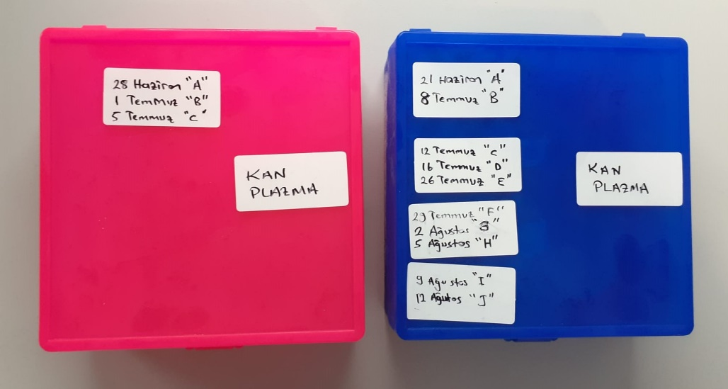
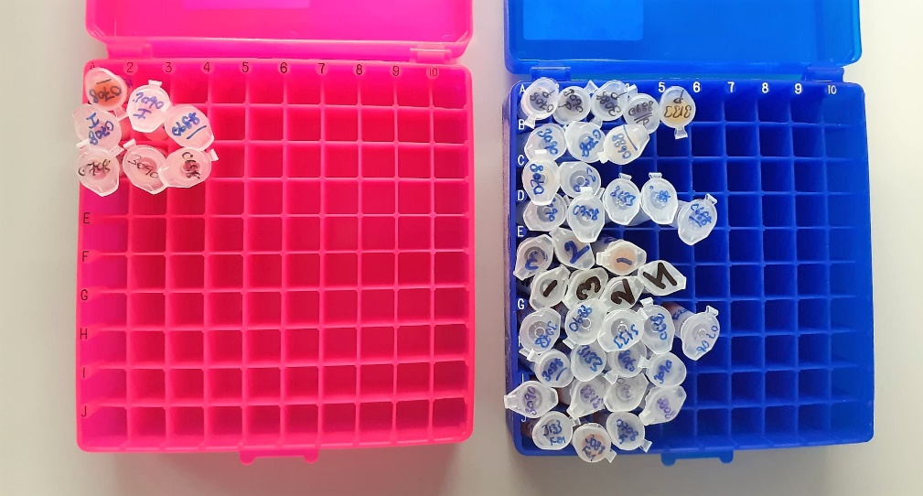

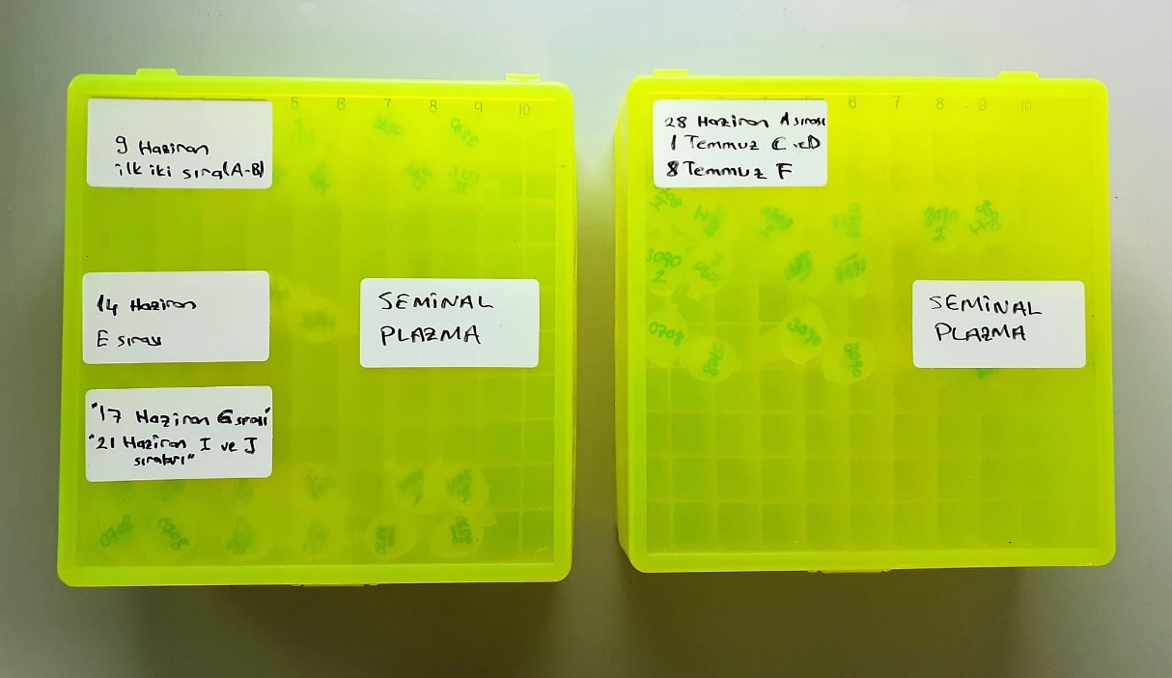
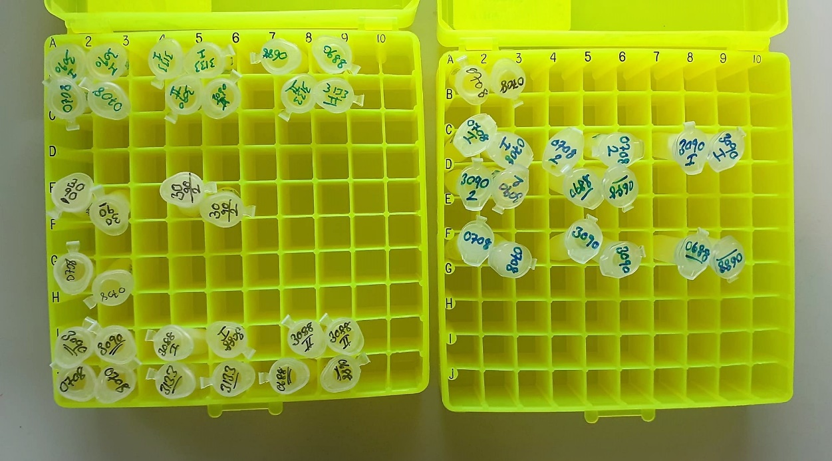

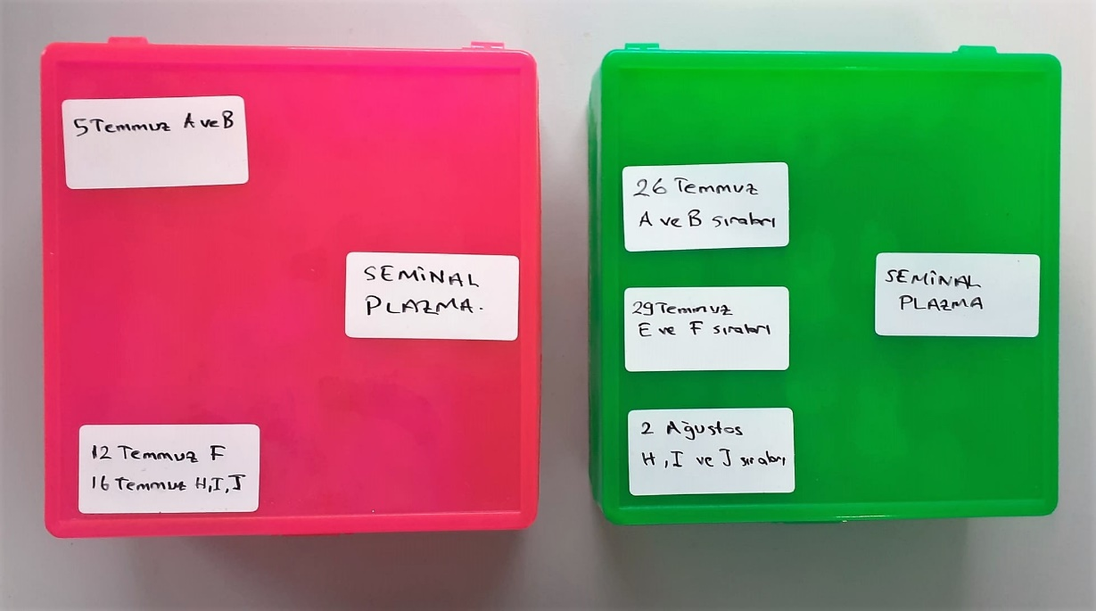
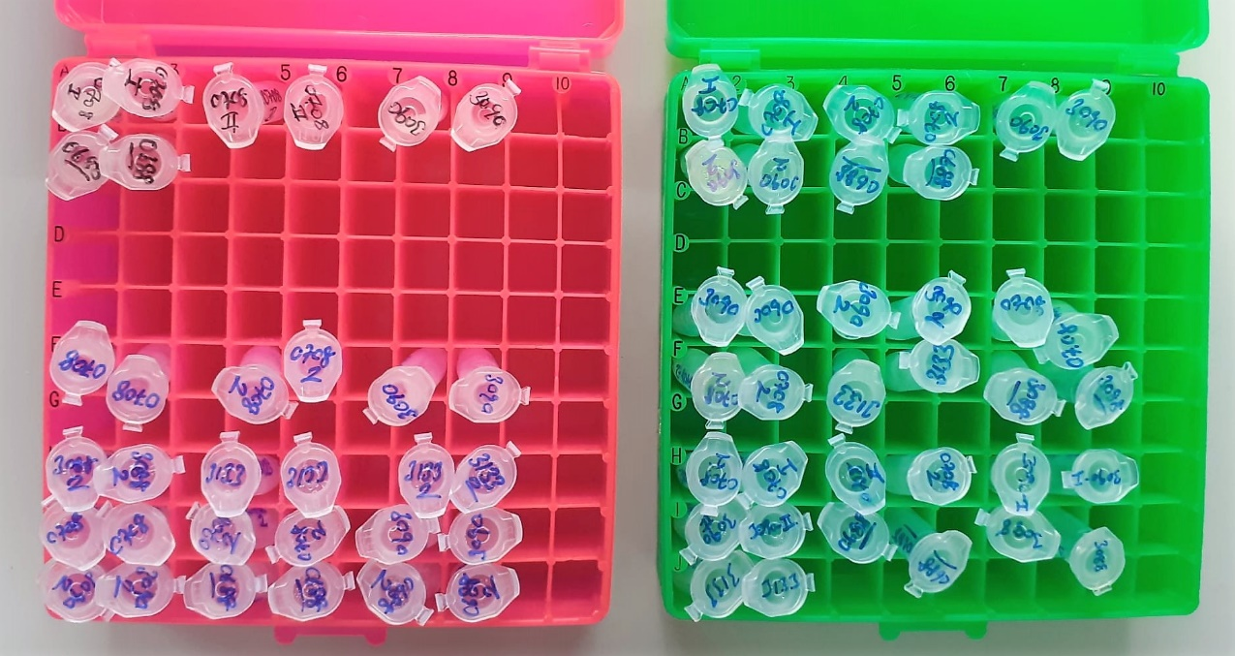

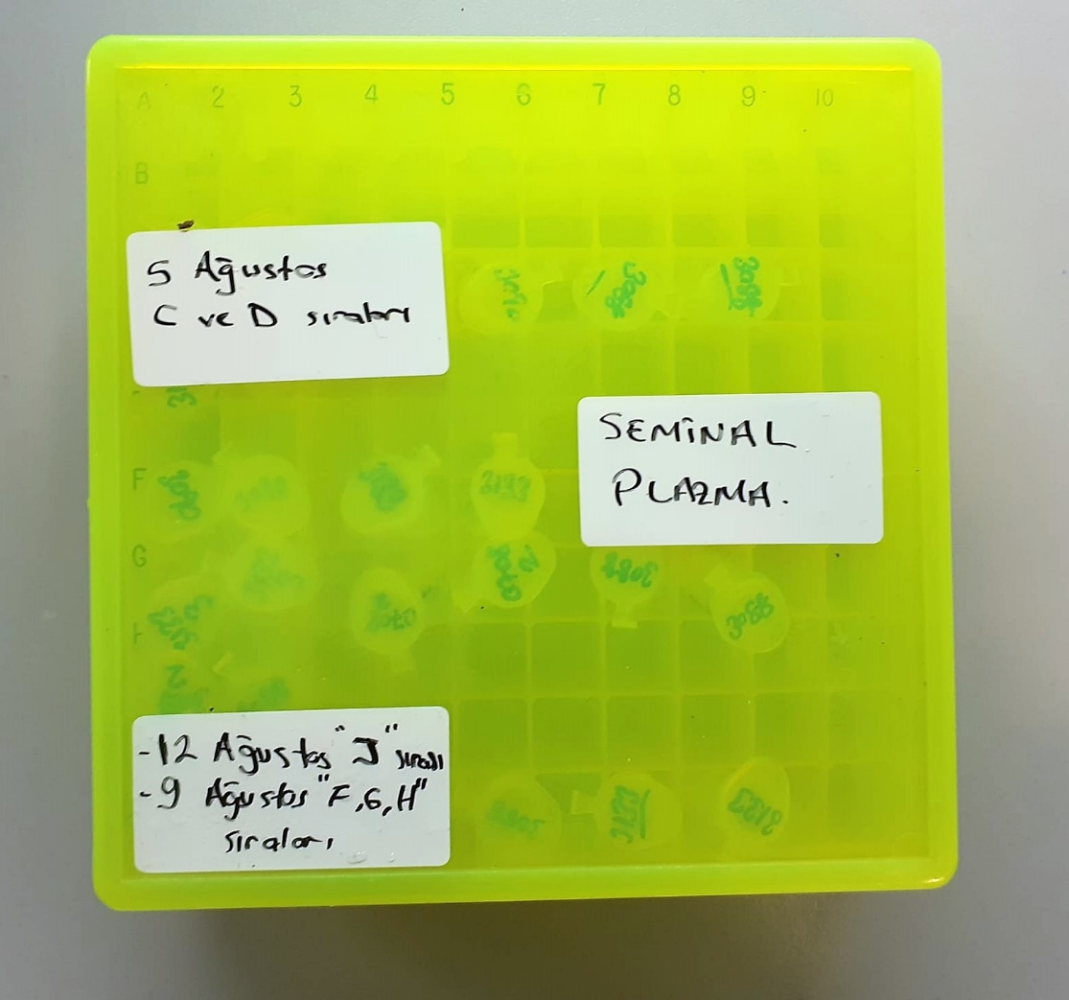
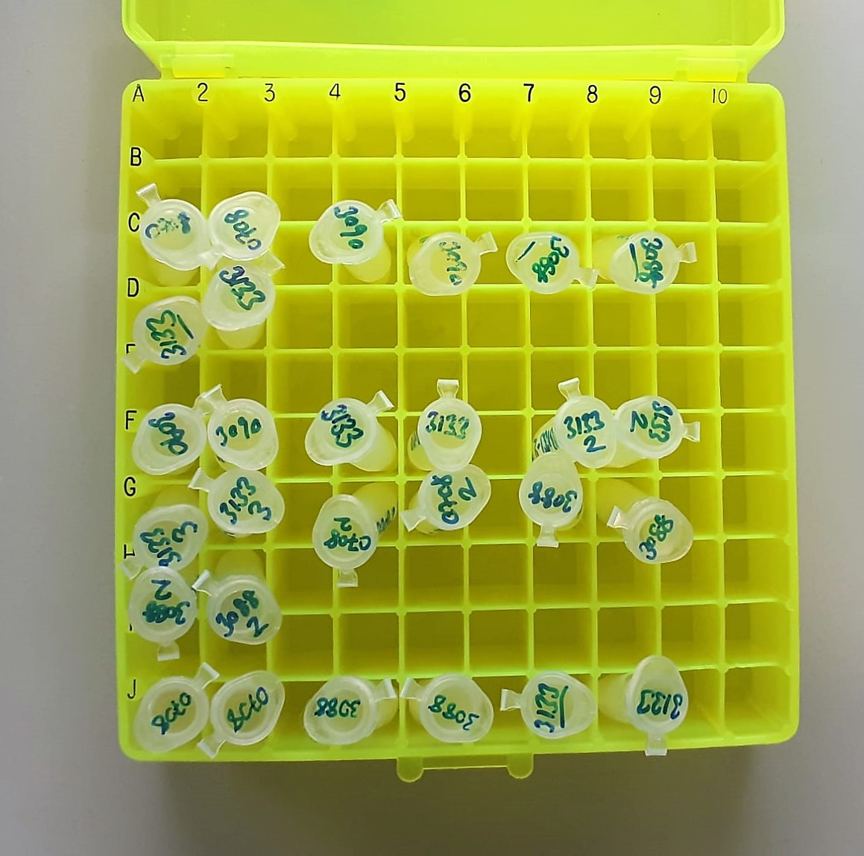

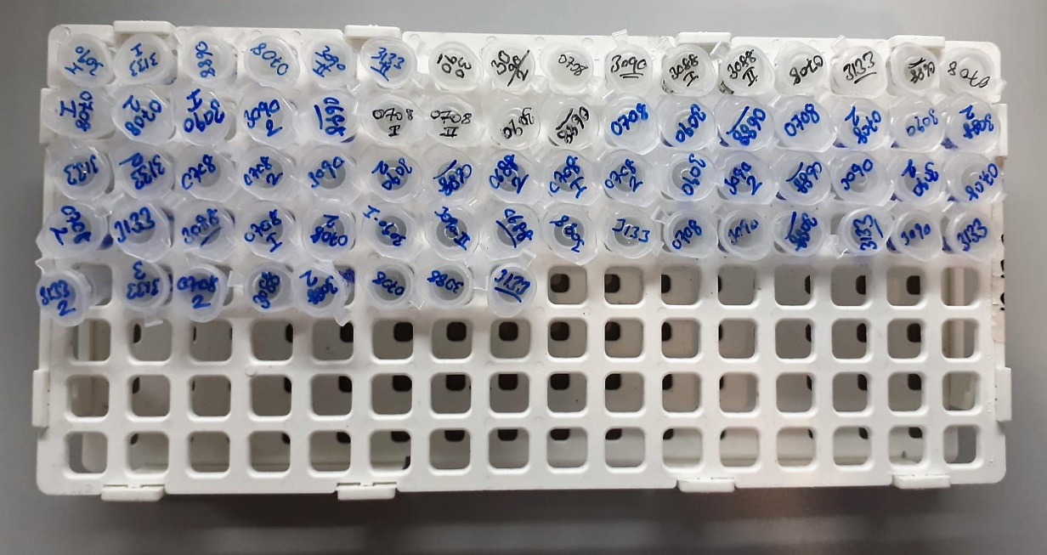
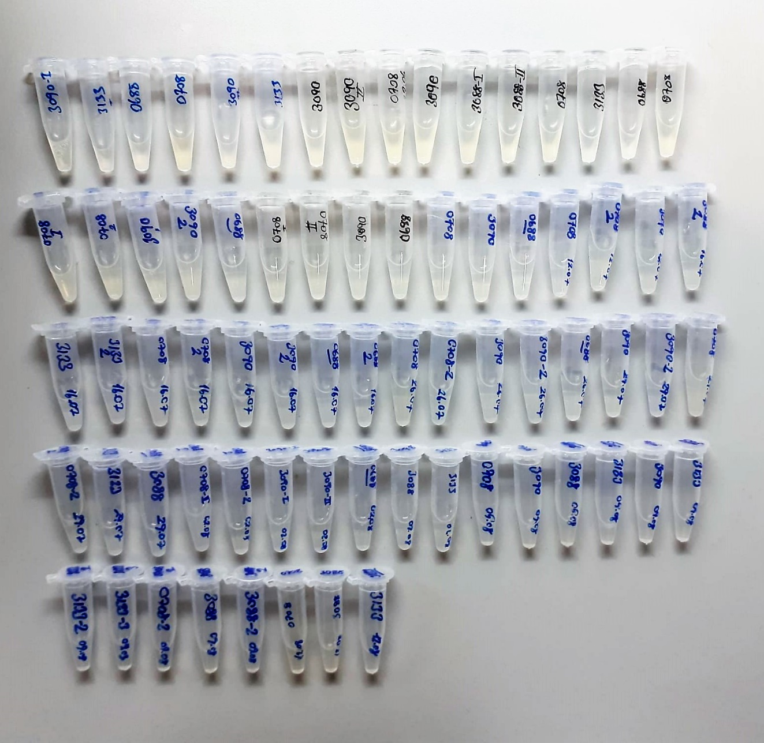

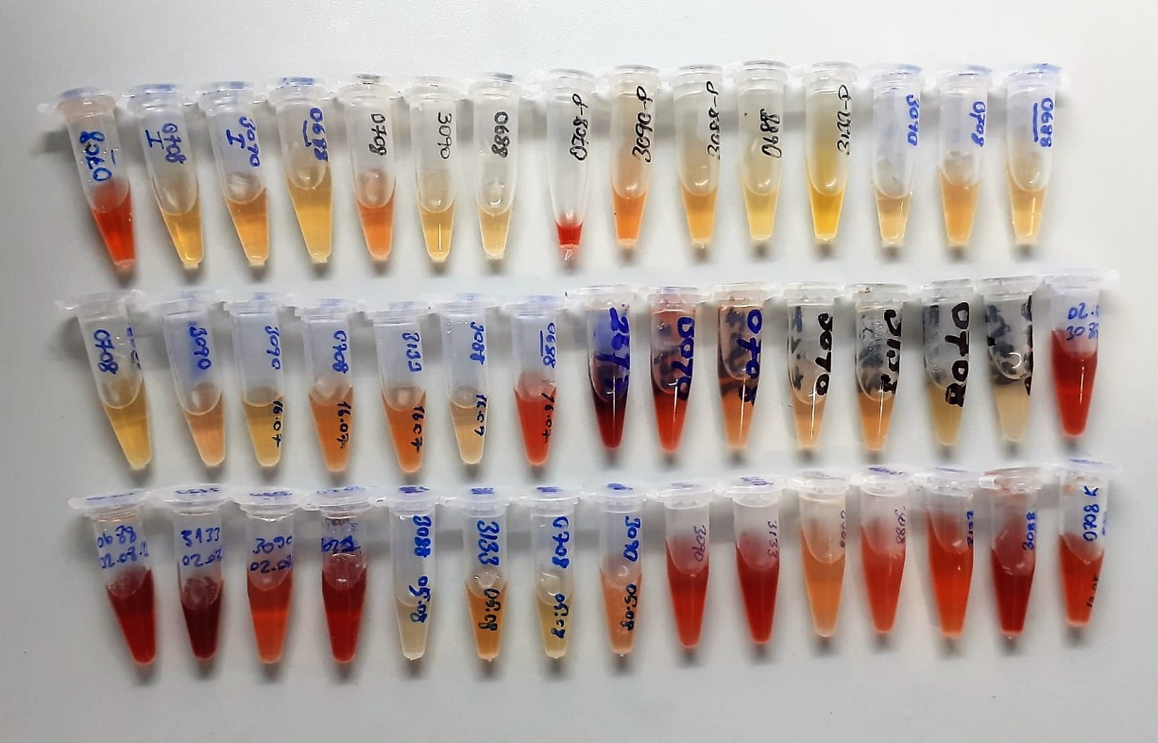

Testosterone Test Principle
This ELISA kit uses the Competitive-ELISA principle. The micro ELISA plate provided in this kit has been pre-coated with T.
During the reaction, T in the sample or standard competes with a fixed amount of T on the solid phase supporter for sites on the Biotinylated Detection Ab specific to T.
Excess conjugate and unbound sample or standard are washed from the plate, and Avidin conjugated to Horseradish Peroxidase (HRP) are added to each microplate well and incubated. Then a TMB substrate solution is added to each well.
The enzyme-substrate reaction is terminated by the addition of stop solution and the color change is measured spectrophotometrically at a wavelength of 450 nm ± 2 nm.
The concentration of T in the samples is then determined by comparing the OD of the samples to the standard curve.

Vitamin E Test Principle
Fe3+ can be deoxidized to Fe2+ by VE with ferroin existing. Fe2+ can react with phenanthroline and form pink compound under certain condition. VE content can be calculated by measuring the OD value at 533 nm.

Super Oxide Dismutase (SOD) U/ml
The role of speroxide dismutase is to accelerate the dismutation of the toxic radical, produced
during oxidative energy processes to hydrogen peroxide and molecular oxygen. This method
employs xanthine and xanthine oxidase to generate superoxide radicals which react with 2-(4-
iodophenyl)-3-(4-nitrophenol)-5-phenyltetrazolium chloride to form a red formazan dye.. the
superoxide dismutase activity is then measured by the degree of inhibiton of this reaction
(Relassay, Turkey)

Catalase (CAT) U/L
This colorimetric assay involves two steps. Sample is first incubated with a known amount of
hydrogen peroxide. Sample converts hydrogen peroxide to water and oxygen. The ratio is
proportional to the concentration of catalase. The enzyme is stopped and the remaining
hydrogen peroxide, following a fixed incubation period, is determined using a chromogen.
The resulting absorbance is measured at 405 nm and the obtained results are expressed as U/L.
(Relassay, Turkey)

GPx (U/L)
This method is based on that of Paglia and Valentine. Glutathione Peroxidase (GPx) catalses of the
oxidation of glutathione by cumene hydroperoxide. In the presence of glutathione (GSSG) is
immediately converted to the reduced form with a concomitant oxidation of NADPH to NADP. The decrease in absorbance at 340 nm is measured
Referanslar
Paglia, D.E. and Valentine, W.N., J. Lab. Clin. Med., 1967; 70: 158.
Prohaska, J.R., Oh, S.H., Hoekstra, W.G. & Ganther,
H.E. Biochem. & Biophys. Res. Comm. 1977; 74: 64.
Kraus, R.J. & Ganther, H. E. Biochem. & Biophys. Res. Comm 1980; 96: 1116.
(Relassay, Turkey)

TOTAL ANTIOXDANT STATUS (TAS) (mmol/L)
TAS levels were measured using commercially available kits (Relassay, Turkey). The novel
automated method is based on the bleaching of characteristic color of a more stable ABTS
(2,2 ′ - Azino-bis(3-ethylbenzothiazoline-6-sulfonic acid)) radical cation by antioxidants. The
assay has excellent precision values, which are lower than 3%. The results were expressed as
mmol Trolox equivalent/L (Erel O. A novel automated direct measurement method for total
antioxidant capacity using a new generation, more stable ABTS radicalcation. Clin Biochem
2004;37:277-85.)
(Relassay,Turkey)

TOTAL OXIDANT STATUS (TOS) (µmol/L)
TOS levels were measured using commercially available kits (Relassay, Turkey. In the new
method, oxidants present in the sample oxidized the ferrous ion-o-dianisidine complex to
ferric ion. The oxidation reaction was enhanced by glycerol molecules abundantly present in
the reaction medium. The ferric ion produced a colored complex with xylenol orange in an
acidic medium. The color intensity, which could be measured spectrophotometrically, was
related to the total amount of oxidant molecules present in the sample. The assay was
calibrated with hydrogen peroxide and the results were expressed in terms of
micromolar hydrogen peroxide equivalent per liter (μmol H2O2 equivalent/L). ( Erel O. A
new automated colorimetric method for measuringtotal oxidant status. Clin Biochem
2005;38:1103-11. ).
(Relassay,Turkey)

OXIDATIVE STRESS INDEX (OSI)
The ratio of TOS to TAS was accepted as the oxidative stress index (OSI). For calculation, the
resulting unit of TAS was converted to μmol/L, and the OSI value was calculated according to
the following Formula : OSI (arbitrary unit) =
TOS (μmol H2O2 equivalent/L) / TAC (μmol Trolox equivalent/L). (1-3).
1. Yumru M, Savas HA, Kalenderoglu A, Bulut M, Celik H, Erel O. Oxidative imbalance in
bipolar disorder subtypes: a comparative study. Prog Neuropsychopharmacol Biol Psychiatry.
2009 Aug 31;33(6):1070-4.
2. Kosecik M, Erel O, Sevinc E, Selek S. Increased oxidative stress in children exposed to
passive smoking. Int J Cardiol 2005;100:61–4.
3. (Harma M, Harma M, Erel O (2003) Increased oxidative stress in patients with
hydatidiform mole. Swiss Med Wkly 133:563-536).

Malondialdehyde (MDA) nmol/L
The MDA level was determined by a method based
on the reaction with thiobarbituric acid (TBA) at 90–100_C
. In the TBA test reaction, MDA or MDA-like
substances and TBA react with the production of a pink
pigment with a maximum absorption at 532 nm. The
reaction was performed at pH 2–3 at 90_C for 15 min. The
sample was mixed with two volumes of cold 10% (w/v)
trichloroacetic acid for the precipitation of protein. The
precipitate was pelleted by centrifugation, and an aliquot of
the supernatant was reacted with an equal volume of 0.67%
(w/v) TBA in a boiling water bath for 10 min. After
cooling, the absorbance was read at 532 nm.

