MDA
MDA
2.481 | 100
1.673 | 50
0.994 | 25
0.513 | 12.5
0.288 | 6.25
0.122 | 3.125
0 | 0
 | absorbans | abs-blank | expected | result
std1 | 2.511 | 2.481 | 100 | 99.11
std2 | 1.703 | 1.673 | 50 | 52.40
std3 | 1.024 | 0.994 | 25 | 24.30
std4 | 0.543 | 0.513 | 12.5 | 10.55
std5 | 0.318 | 0.288 | 6.25 | 5.87
std6 | 0.152 | 0.122 | 3.125 | 3.14
blank | 0.03 | 0 | 0 | 1.51

 |  |  |  |  | concentratıon (mmol/L)

Numune | absorbans | blank | abs-blank | result(mmol/L)
Mert Edis | 0.31 | 0.03 | 0.28 | 5.72
Muhammed Serkan | 0.18 | 0.03 | 0.15 | 3.55
Hatice Solak | 0.27 | 0.03 | 0.24 | 5.02
Veli Efe | 0.23 | 0.03 | 0.2 | 4.34
Hüseyin Sümbül | 0.19 | 0.03 | 0.16 | 3.71
Rezan Özer | 0.33 | 0.03 | 0.3 | 6.09
Erdinu Güvercin | 0.24 | 0.03 | 0.21 | 4.51
Fatih Eroğlu | 0.12 | 0.03 | 0.09 | 2.68
Ayşe Daldal | 0.18 | 0.03 | 0.15 | 3.55
Fulya Ayçiçek | 0.14 | 0.03 | 0.11 | 2.96
Abdülkazım Şimşek | 0.11 | 0.03 | 0.08 | 2.54
Serap Barkın | 0.11 | 0.03 | 0.08 | 2.54
Umut Kitiş | 0.21 | 0.03 | 0.18 | 4.02
Ali Osman Yiğit | 0.36 | 0.03 | 0.33 | 6.66
Yüksel Yılmaz | 0.3 | 0.03 | 0.27 | 5.54
Mustafa Asım Reyhan | 1.8 | 0.03 | 1.77 | 57.25
Yeter Kaya | 0.23 | 0.03 | 0.2 | 4.34
Jale Kılıççıoğlu | 0.35 | 0.03 | 0.32 | 6.47
Yavuz Dumlu | 1.49 | 0.03 | 1.46 | 42.49
Remziye Sezgin | 0.18 | 0.03 | 0.15 | 3.55
Kamile Yılmaz | 0.12 | 0.03 | 0.09 | 2.68
Hasan Çetin | 0.1 | 0.03 | 0.07 | 2.40
Behçet Çetin | 0.16 | 0.03 | 0.13 | 3.25
Bayram Aktaş | 0.21 | 0.03 | 0.18 | 4.02
Hakan Altınparmak | 0.11 | 0.03 | 0.08 | 2.54
Ansar Kamcı | 0.11 | 0.03 | 0.08 | 2.54
Ramazan Tüzer | 0.11 | 0.03 | 0.08 | 2.54
Yaşar Sağdıç | 0.23 | 0.03 | 0.2 | 4.34
Yunus Mertcan Ak | 0.26 | 0.03 | 0.23 | 4.85
Kadam Tekten | 0.65 | 0.03 | 0.62 | 13.16
Şefik Sırımsı | 0.51 | 0.03 | 0.48 | 9.79
Şaziye Özbek | 0.14 | 0.03 | 0.11 | 2.96
Ayla Penaz | 0.19 | 0.03 | 0.11 | 2.96
Havva Bozkurt | 0.14 | 0.03 | 0.13 | 3.25
Tunahan Cecik | 0.16 | 0.03 | 0.24 | 5.02
Şaban Yılmaz | 0.27 | 0.03 | 0.12 | 3.11
Ahmet Karataş | 0.15 | 0.03 | 0.24 | 5.02
Kamile Soydemir | 0.27 | 0.03 | 0.07 | 2.40
Muhammet Özaydın | 0.1 | 0.03 | 0.13 | 3.25
Şerife Songün | 0.16 | 0.03 | 0.12 | 3.11
Sedat Gümüşkanat | 0.15 | 0.03 | 0.16 | 3.71
Huriye Korkut | 0.19 | 0.03 | 0.2 | 4.34
Hacer Göktaş | 0.23 | 0.03 | 0.11 | 2.96
Okan Platin | 0.14 | 0.03 | 0.07 | 2.40
İlhan Karakoç | 0.1 | 0.03 | 0.12 | 3.11
Vesile Yıldırım | 0.15 | 0.03 | 0.14 | 3.40
Mehmet Öner | 0.17 | 0.03 | 0.21 | 4.51
İsmail Ozan Atak | 0.24 | 0.03 | 0.86 | 19.95
Hatice Davies | 0.89 | 0.03 | 0.26 | 5.37
Onur Bayramoğlu | 0.28 | 0.03 | 0.11 | 2.96
Ahmet Akın | 0.29 | 0.03 | 0.13 | 3.25
Gülger Durukan | 0.14 | 0.03 | 0.1 | 2.82
Esat Başar Üzel | 0.16 | 0.03 | 0.27 | 5.54
Ömer Özkan | 0.13 | 0.03 | 0.13 | 3.25
Ahmet Özdemir | 0.3 | 0.03 | 0.13 | 3.25
Akif Aktaş | 0.16 | 0.03 | 0.13 | 3.25
Fatma Tosun | 0.16 | 0.03 | 0.13 | 3.25
Ayten Kaya | 0.55 | 0.03 | 0.52 | 10.71
Gökhan Çapa | 0.47 | 0.03 | 0.44 | 8.91
Hanife Yılmaz | 1.86 | 0.03 | 1.83 | 60.35
Nilgün Kızıldağ | 0.29 | 0.03 | 0.26 | 5.37
Aysel Adalı | 0.24 | 0.03 | 0.21 | 4.51
Mehmet Erdoğan | 0.32 | 0.03 | 0.29 | 5.91
Sait Tüfek | 0.28 | 0.03 | 0.25 | 5.19
Serkan Kadadaş | 0.17 | 0.03 | 0.14 | 3.40
Tuncer Nutlu | 0.31 | 0.03 | 0.28 | 5.72
Turan Demir | 0.7 | 0.03 | 0.67 | 14.47
Doğan Şimşek | 0.13 | 0.03 | 0.1 | 2.82
Nataliya Kurt | 0.15 | 0.03 | 0.12 | 3.11
Şeref Özeren | 0.19 | 0.03 | 0.16 | 3.71
Aysel Karadere | 0.77 | 0.03 | 0.74 | 16.40
Şeref Cumalı | 2.26 | 0.03 | 2.23 | 83.06
Hanifi Kandemir | 0.43 | 0.03 | 0.4 | 8.06
Emrah Oktay | 0.83 | 0.03 | 0.8 | 18.14
İbrahim Keklik | 1.68 | 0.03 | 1.65 | 51.28
Alaaattin Sarı | 1.01 | 0.03 | 0.98 | 23.83
Ali Eroğlu | 0.25 | 0.03 | 0.22 | 4.68
Murat Bektaş | 0.25 | 0.03 | 0.22 | 4.68
Zübeyde Tuğ | 1.01 | 0.03 | 0.98 | 23.83
Fatma Altınöz | 2.19 | 0.03 | 2.16 | 78.83
Gülsen Demirer | 0.23 | 0.03 | 0.2 | 4.34
Nazmiye Avaşlar | 0.45 | 0.03 | 0.42 | 8.48
Gönül Kuzu | 0.33 | 0.03 | 0.3 | 6.09
Özlem Akça | 0.17 | 0.03 | 0.14 | 3.40
Ümmühan Şimşek | 0.16 | 0.03 | 0.13 | 3.25
Aysen Ekinci | 0.2 | 0.03 | 0.17 | 3.86
Havva Özdemir | 0.3 | 0.03 | 0.27 | 5.54
Mualla Yıldırım | 0.54 | 0.03 | 0.51 | 10.48
Ayşe Kaptı | 1.03 | 0.03 | 1 | 24.50
Fatma Hanım Orhan | 0.14 | 0.03 | 0.11 | 2.96
Hülya Bıçaklar | 0.15 | 0.03 | 0.12 | 3.11
Nezahat Şahiner | 0.22 | 0.03 | 0.19 | 4.18
Mutlu Katuk | 0.81 | 0.03 | 0.78 | 17.55
Perkizer Porsuk | 0.75 | 0.03 | 0.72 | 15.84
Birgül Erdoğan | 0.55 | 0.03 | 0.52 | 10.71
Abdurrahman Turay | 0.21 | 0.03 | 0.18 | 4.02
Saida Bakın | 0.18 | 0.03 | 0.15 | 3.55
Şükriye Karakuş | 0.16 | 0.03 | 0.13 | 3.25
Yıldırım Işıldak | 0.28 | 0.03 | 0.25 | 5.19
Zeynep Özsoy | 0.42 | 0.03 | 0.39 | 7.85

Materyal-metod
KİT ADI | TÜR | MARKA | CAT. NO | Yöntem | Kullanılan Cihaz
TAS(Total Antioxidant Status) | Universal | REL ASSAY | RL0017 | Kolorimetrik | MINDRAY-BS400
TOS(Total Oxidant Status) | Universal | REL ASSAY | RL0024 | Kolorimetrik | MINDRAY-BS400
MDA: Malondialdehit | Universal | Otto Scientific | Otto1001 | Kolorimetrik | REL BIOCHEM-REL ASSAY

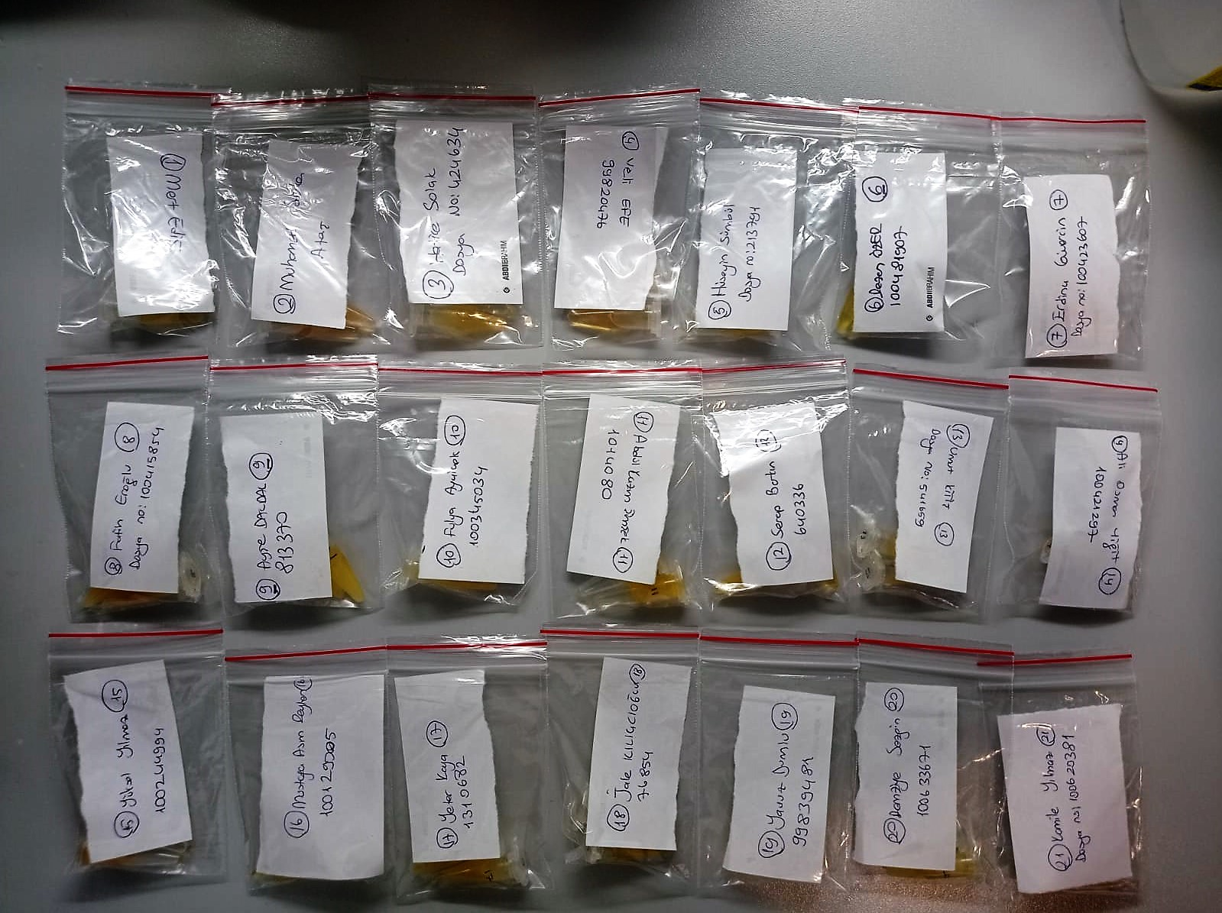
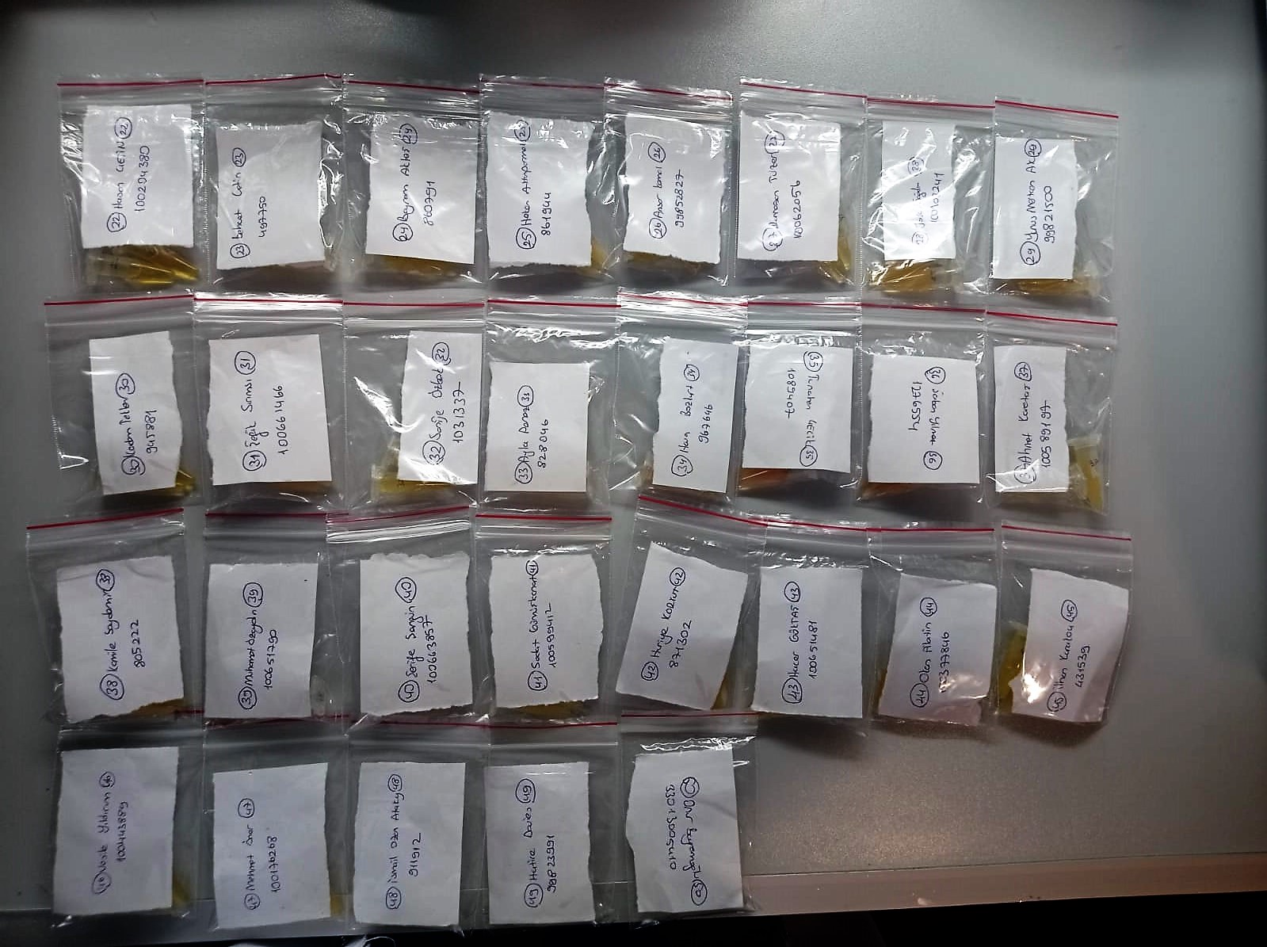

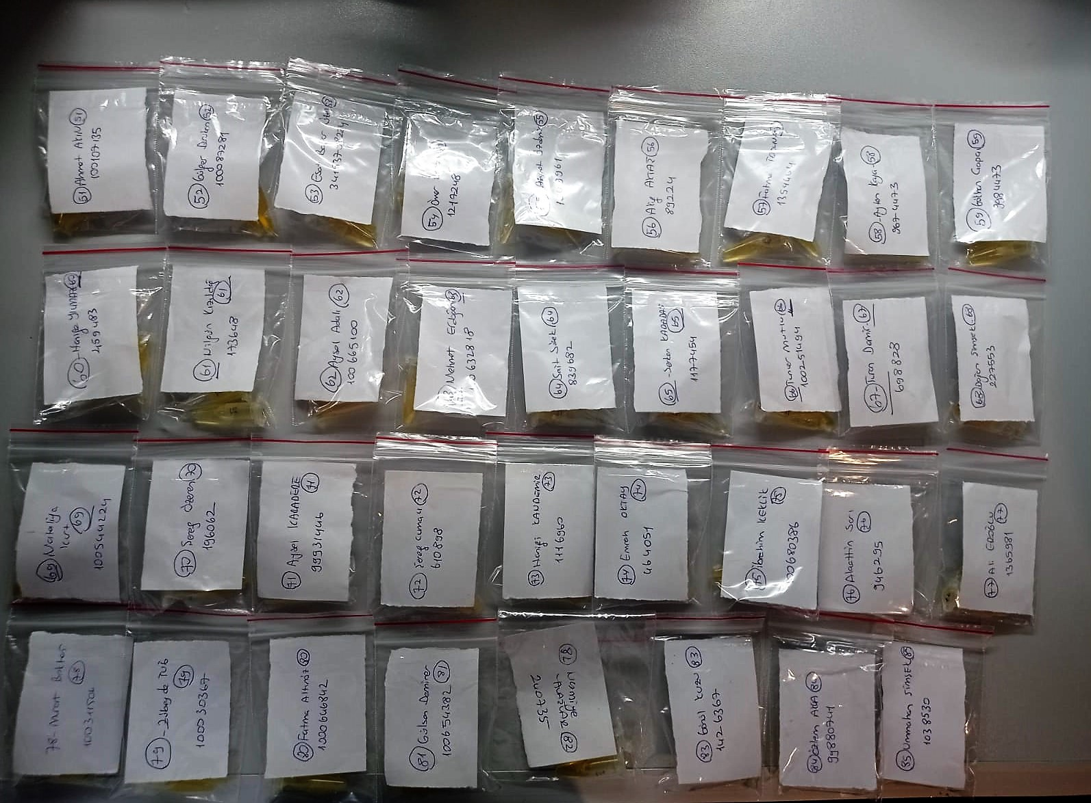
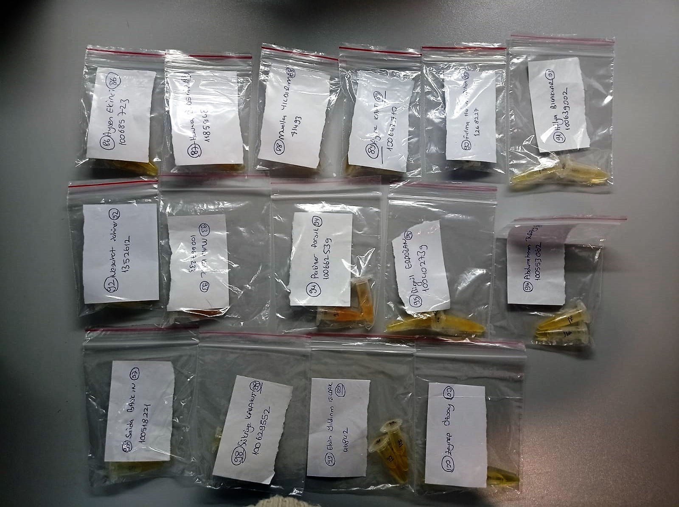

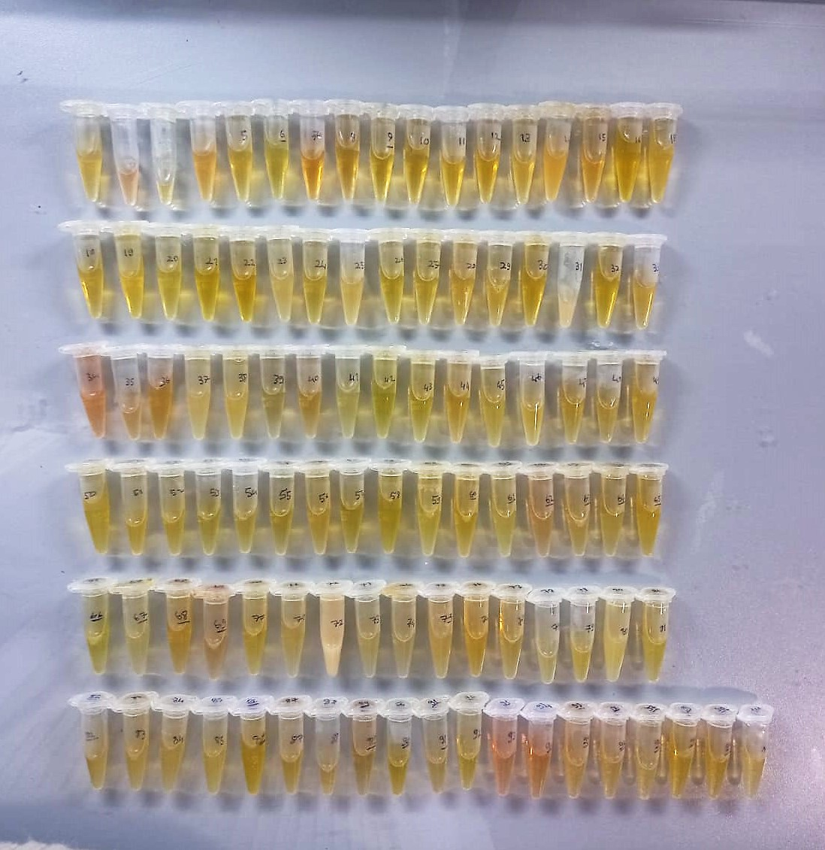

Malondialdehyde (MDA) nmol/L
The MDA level was determined by a method based
on the reaction with thiobarbituric acid (TBA) at 90–100_C
. In the TBA test reaction, MDA or MDA-like
substances and TBA react with the production of a pink
pigment with a maximum absorption at 532 nm. The
reaction was performed at pH 2–3 at 90_C for 15 min. The
sample was mixed with two volumes of cold 10% (w/v)
trichloroacetic acid for the precipitation of protein. The
precipitate was pelleted by centrifugation, and an aliquot of
the supernatant was reacted with an equal volume of 0.67%
(w/v) TBA in a boiling water bath for 10 min. After
cooling, the absorbance was read at 532 nm.

TOTAL ANTIOXDANT STATUS (TAS) (mmol/L)
TAS levels were measured using commercially available kits (Relassay, Turkey). The novel
automated method is based on the bleaching of characteristic color of a more stable ABTS
(2,2 ′ - Azino-bis(3-ethylbenzothiazoline-6-sulfonic acid)) radical cation by antioxidants. The
assay has excellent precision values, which are lower than 3%. The results were expressed as
mmol Trolox equivalent/L (Erel O. A novel automated direct measurement method for total
antioxidant capacity using a new generation, more stable ABTS radicalcation. Clin Biochem
2004;37:277-85.)
(Relassay,Turkey)

TOTAL OXIDANT STATUS (TOS) (µmol/L)
TOS levels were measured using commercially available kits (Relassay, Turkey. In the new
method, oxidants present in the sample oxidized the ferrous ion-o-dianisidine complex to
ferric ion. The oxidation reaction was enhanced by glycerol molecules abundantly present in
the reaction medium. The ferric ion produced a colored complex with xylenol orange in an
acidic medium. The color intensity, which could be measured spectrophotometrically, was
related to the total amount of oxidant molecules present in the sample. The assay was
calibrated with hydrogen peroxide and the results were expressed in terms of
micromolar hydrogen peroxide equivalent per liter (μmol H2O2 equivalent/L). ( Erel O. A
new automated colorimetric method for measuringtotal oxidant status. Clin Biochem
2005;38:1103-11. ).
(Relassay,Turkey)

OXIDATIVE STRESS INDEX (OSI)
The ratio of TOS to TAS was accepted as the oxidative stress index (OSI). For calculation, the
resulting unit of TAS was converted to μmol/L, and the OSI value was calculated according to
the following Formula : OSI (arbitrary unit) =
TOS (μmol H2O2 equivalent/L) / TAC (μmol Trolox equivalent/L). (1-3).
1. Yumru M, Savas HA, Kalenderoglu A, Bulut M, Celik H, Erel O. Oxidative imbalance in
bipolar disorder subtypes: a comparative study. Prog Neuropsychopharmacol Biol Psychiatry.
2009 Aug 31;33(6):1070-4.
2. Kosecik M, Erel O, Sevinc E, Selek S. Increased oxidative stress in children exposed to
passive smoking. Int J Cardiol 2005;100:61–4.
3. (Harma M, Harma M, Erel O (2003) Increased oxidative stress in patients with
hydatidiform mole. Swiss Med Wkly 133:563-536).

