Biyokimya
Numune Adı | TAS(mmol/L) | TOS (µmol/L) | OSI | SOD (U/ml) | MPO (U/L)
ASX-1 | 2.06 | 2.43 | 0.118 | 262 | 28 | Kullanılan cihaz: Mindray marka BS400 model tam otomatik biyokimya cihazı
ASX-2 | 1.55 | 6.48 | 0.418 | 257 | 47 | TAS: Total Antıoxıdant Status
ASX-3 | 1.67 | 7.37 | 0.441 | 165 | 17 | TOS: Total Oxıdant Status
ASX-4 | 1.59 | 4.28 | 0.269 | 126 | 38 | OSI: Oxıdatıve Stress Index
ASX-5 | 1.57 | 2.98 | 0.190 | 190 | 49 | SOD: Super Oxıde Dismutase
ASX-6 | 1.5 | 5.36 | 0.357 | 176 | 58 | MPO: Myeloperoxidase
ASX-7 | 1.76 | 12.04 | 0.684 | 206 | 31 | MDA: Malondialdehit
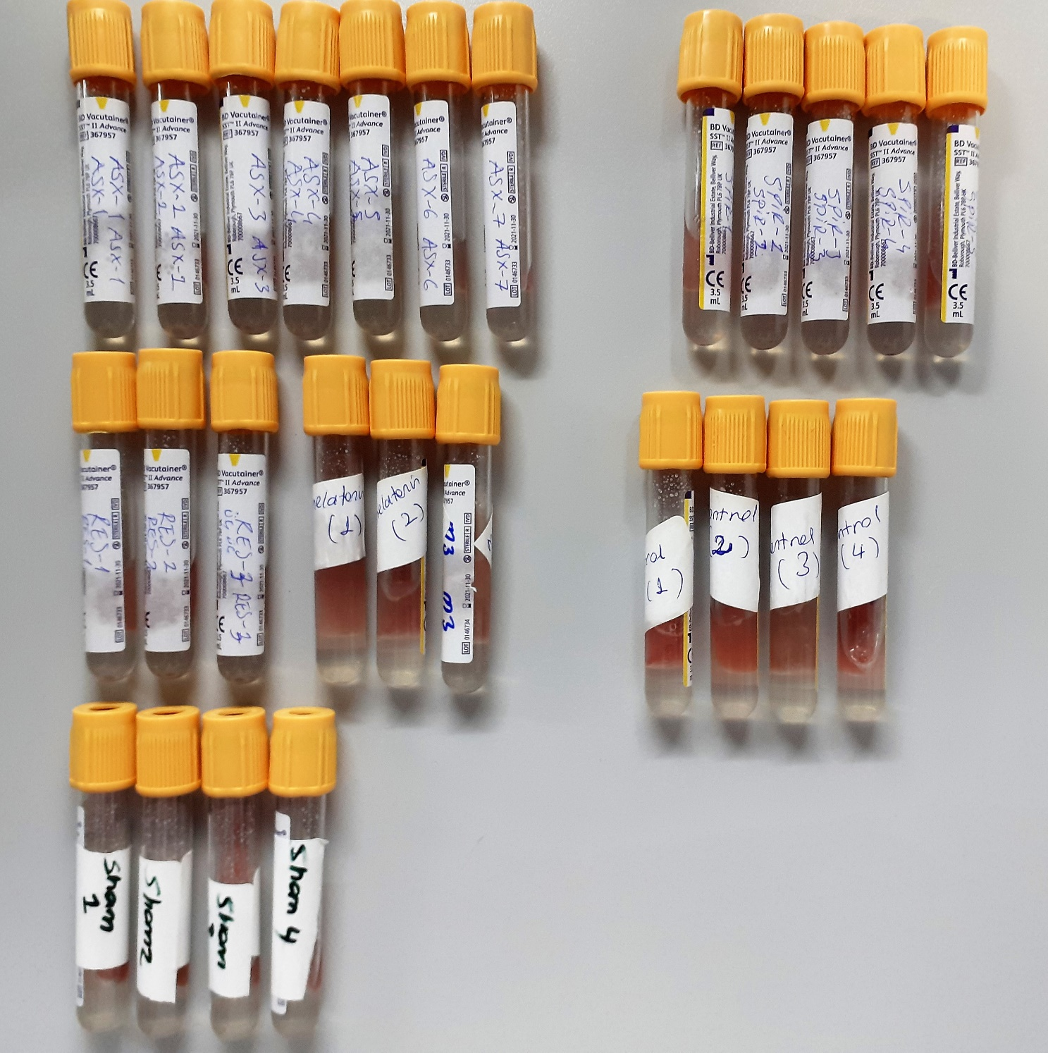
RES-1 | 1.65 | 6.82 | 0.413 | 255 | 52
RES-2 | 1.83 | 9.18 | 0.502 | 188 | 10
RES-3 | 1.48 | 5.61 | 0.379 | 300 | 18
MEL-1 | 1.7 | 5.72 | 0.336 | 166 | 36
MEL-2 | 1.58 | 7.14 | 0.452 | 176 | 68
MEL-3 | 1.7 | 4.03 | 0.237 | 285 | 23
SHAM-1 | 2.02 | 16.07 | 0.796 | 212 | 5
SHAM-2 | 1.98 | 7.41 | 0.374 | 249 | 38
SHAM-3 | 1.76 | 11.2 | 0.636 | 221 | 36
SHAM-4 | 2.02 | 15.74 | 0.779 | 236 | 34
SPİR-1 | 1.69 | 6.19 | 0.366 | 238 | 18
SPİR-2 | 2.13 | 17.6 | 0.826 | 192 | 40
SPİR-3 | 1.87 | 16.6 | 0.888 | 190 | 4
SPİR-4 | 2.05 | 21.01 | 1.025 | 157 | 8
SPİR-5 | 1.65 | 12.21 | 0.740 | 305 | 2
KONT-1 | 3.38 | 11.06 | 0.327 | 241 | 54
KONT-2 | 3.11 | 9.49 | 0.305 | 207 | 8
KONT-3 | 1.62 | 3.74 | 0.231 | 205 | 24
KONT-4 | 2.02 | 10.56 | 0.523 | 215 | 10

TNFA
2.363 | 0.348 | 0.172 | 0.11 | 0.078
1.501 | 0.134 | 0.136 | 0.158 | 0.204
0.967 | 0.213 | 0.337 | 0.342
0.589 | 0.103 | 0.335 | 0.133
0.315 | 0.096 | 0.131 | 0.264
0.188 | 0.156 | 0.215 | 0.478
0.125 | 0.493 | 0.153 | 0.113
0.075 | 0.148 | 0.173 | 0.179

TNFA
2.288 | 5000
1.426 | 2500
0.892 | 1250
0.514 | 625
0.24 | 312.5
0.113 | 156.25
0.05 | 78.13
0 | 0

 | abs | abs-blank | expected | result
std1 | 2.363 | 2.288 | 5000 | 5008.542576
std2 | 1.501 | 1.426 | 2500 | 2460.877009
std3 | 0.967 | 0.892 | 1250 | 1289.089036
std4 | 0.589 | 0.514 | 625 | 647.588449
std5 | 0.315 | 0.24 | 312.5 | 279.9932
std6 | 0.188 | 0.113 | 156.25 | 137.37940725
std7 | 0.125 | 0.05 | 78.13 | 73.160625
blank | 0.075 | 0 | 0

 |  |  |  |  | concentratıon (pg/ml)
Numune | absorbans | abs-blank | result
ASX-1 | 0.348 | 0.273 | 319.92924725
ASX-2 | 0.134 | 0.059 | 82.06974525
ASX-3 | 0.213 | 0.138 | 164.062601
ASX-4 | 0.103 | 0.028 | 51.754636
ASX-5 | 0.096 | 0.021 | 45.05432525
ASX-6 | 0.156 | 0.081 | 104.21945525
ASX-7 | 0.493 | 0.418 | 509.478721
RES-1 | 0.148 | 0.073 | 96.10394725
RES-2 | 0.172 | 0.097 | 120.65984725
RES-3 | 0.136 | 0.061 | 84.06154525
MEL-1 | 0.337 | 0.262 | 306.485281
MEL-2 | 0.335 | 0.26 | 304.0551
MEL-3 | 0.131 | 0.056 | 79.090224
SHAM-1 | 0.215 | 0.14 | 166.2267
SHAM-2 | 0.153 | 0.078 | 101.167961
SHAM-3 | 0.173 | 0.098 | 121.696641
SHAM-4 | 0.11 | 0.035 | 58.50838125
SPİR-1 | 0.158 | 0.083 | 106.25923725
SPİR-2 | 0.342 | 0.267 | 312.57981725
SPİR-3 | 0.133 | 0.058 | 81.075481
SPİR-4 | 0.264 | 0.189 | 220.60970525
SPİR-5 | 0.478 | 0.403 | 488.80691725
KONT-1 | 0.113 | 0.038 | 61.419201
KONT-2 | 0.179 | 0.104 | 127.940304
KONT-3 | 0.078 | 0.003 | 28.07031725
KONT-4 | 0.204 | 0.129 | 154.37813525

MDA
MDA
2.481 | 100
1.673 | 50
0.994 | 25
0.513 | 12.5
0.288 | 6.25
0.122 | 3.125
0 | 0

 | absorbans | abs-blank | expected | result
std3 | 2.511 | 2.481 | 100 | 99.11157344
std4 | 1.703 | 1.673 | 50 | 52.40258016
std5 | 1.024 | 0.994 | 25 | 24.29762944
std6 | 0.543 | 0.513 | 12.5 | 10.54810976
std7 | 0.318 | 0.288 | 6.25 | 5.87012576
std8 | 0.152 | 0.122 | 3.125 | 3.13537536
blank | 0.03 | 0 | 0 | 1.5134

 |  |  |  |  | concentratıon (mmol/L)

Numune | absorbans | abs-blank | result
ASX-1 | 0.263 | 0.233 | 4.89663456
ASX-2 | 0.267 | 0.237 | 4.96518176
ASX-3 | 0.405 | 0.375 | 7.5464
ASX-4 | 0.271 | 0.241 | 5.03408224
ASX-5 | 0.528 | 0.498 | 10.20146816
ASX-6 | 0.412 | 0.382 | 7.68853696
ASX-7 | 0.271 | 0.241 | 5.03408224
RES-1 | 0.215 | 0.185 | 4.101624
RES-2 | 0.421 | 0.391 | 7.87287424
RES-3 | 0.356 | 0.326 | 6.58173504
MEL-1 | 0.287 | 0.257 | 5.31321696
MEL-2 | 0.241 | 0.211 | 4.52593984
MEL-3 | 0.226 | 0.196 | 4.27932064
SHAM-1 | 0.368 | 0.338 | 6.81307776
SHAM-2 | 0.364 | 0.334 | 6.73561024
SHAM-3 | 0.304 | 0.274 | 5.61599104
SHAM-4 | 0.467 | 0.437 | 8.84297376
SPİR-1 | 0.308 | 0.278 | 5.68815936
SPİR-2 | 0.577 | 0.547 | 11.35222336
SPİR-3 | 0.87 | 0.84 | 19.339544
SPİR-4 | 0.93 | 0.9 | 21.209
SPİR-5 | 1.31 | 1.28 | 34.894776
KONT-1 | 0.705 | 0.675 | 14.6084
KONT-2 | 0.383 | 0.353 | 7.10672736
KONT-3 | 0.377 | 0.347 | 6.98867136
KONT-4 | 0.291 | 0.261 | 5.38388384

