MT-RNR2
2.377 | 2.012 | 0.827 | 0.885 | 1.156 | 1.062 | 0.896 | 0.923 | 1.013 | 1.285 | 0.851 | 2.388
1.596 | 1.268 | 0.905 | 1.739 | 0.864 | 0.851 | 1.602 | 1.048 | 0.888 | 0.835 | 0.843 | 1.018
1.097 | 1.027 | 1.052 | 1.059 | 0.813 | 0.868 | 1 | 1.371 | 1.001 | 1.13 | 0.857 | 0.879
0.674 | 2.324 | 0.387 | 0.81 | 0.753 | 0.992 | 0.987 | 2.073 | 0.848 | 0.913 | 0.861 | 0.854
0.485 | 1.311 | 1.495 | 0.948 | 0.854 | 1.021 | 2.344 | 1.179 | 2.525 | 2.031 | 1.082 | 1.032
0.129 | 2.726 | 1.072 | 0.91 | 0.816 | 0.792 | 2.673 | 0.818 | 1.773 | 2.035 | 0.78 | 2.521
2.086 | 2.055 | 0.903 | 1.119 | 0.872 | 1.895 | 1.132 | 1.245 | 1.104 | 1.34 | 0.971 | 1.873
1.078 | 1.751 | 1.28 | 1.873 | 1.054 | 1.125 | 1.093 | 1.065 | 1.079 | 1.949 | 1.961 | 2.357

MT-RNR2

 | abs | abs-blank | expected | result
std1 | 2.377 | 2.248 | 960 | 960.69
std2 | 1.596 | 1.467 | 480 | 475.28
std3 | 1.097 | 0.968 | 240 | 249.79
std4 | 0.674 | 0.545 | 120 | 110.33
std5 | 0.485 | 0.356 | 60 | 63.35
blank | 0.129 | 0 | 0 | 0.57

 |  |  |  |  |  |  |  |  |  | concentratıon (ng/L)

Numune | absorbans | blank | abs-blank | result(ng/L))
IMAN EL HAMED | 2.086 | 0.129 | 1.957 | 760.93
MERCAN KATILMIŞ | 1.078 | 0.129 | 0.949 | 242.51
ÜLKÜ GEZGİNCİ | 2.012 | 0.129 | 1.883 | 713.71
GHUFRAN ÜNAL | 1.268 | 0.129 | 1.139 | 319.63
YELİZ KARASOKU | 1.027 | 0.129 | 0.898 | 223.44
BETÜL ARSLAN | 2.324 | 0.129 | 2.195 | 922.63
NACİYE ARSLAN | 1.311 | 0.129 | 1.182 | 338.41
İREMSU AYDOĞAN | 2.726 | 0.129 | 2.597 | 1229.86
DEFNE TOPRAK | 2.055 | 0.129 | 1.926 | 740.97
KADER KIZIL | 1.751 | 0.129 | 1.622 | 558.76
EMİNE ÖZTÜRK | 0.827 | 0.129 | 0.698 | 155.30
ESMA ELOKLA | 0.905 | 0.129 | 0.776 | 180.61
YAREN GÖZLEMECİOĞLU | 1.052 | 0.129 | 0.923 | 232.70
DUYGU BASMACI | 0.387 | 0.129 | 0.258 | 42.72
KAMER HAMUDİ | 1.495 | 0.129 | 1.366 | 424.31
HAVVA CEYLAN | 1.072 | 0.129 | 0.943 | 240.23
CİŞAN DEMİRHİNDİ | 0.903 | 0.129 | 0.774 | 179.94
TUĞÇE BULUT | 1.28 | 0.129 | 1.151 | 324.82
NESİBE AKBAŞ | 0.885 | 0.129 | 0.756 | 173.97
YONCA NEGİZOĞLU | 1.739 | 0.129 | 1.61 | 552.07
MERDA KOCAMAN | 1.059 | 0.129 | 0.93 | 235.32
DİLEK YAĞCI | 0.81 | 0.129 | 0.681 | 150.00
ESRA ORAL | 0.948 | 0.129 | 0.819 | 195.26
SULTAN ÖRNEK | 0.91 | 0.129 | 0.781 | 182.29
RIMMA AKHMETZYANOVA | 1.119 | 0.129 | 0.99 | 258.34
KADER SOYDAN | 1.873 | 0.129 | 1.744 | 628.94
SUZAN ELHASAN | 1.156 | 0.129 | 1.027 | 273.01
MEVLÜDE GÜL | 0.864 | 0.129 | 0.735 | 167.11
ANGHAM JASIM JAAFAR JAAFAR | 0.813 | 0.129 | 0.684 | 150.93
DÖNE ZEYNEP YAŞAR | 0.753 | 0.129 | 0.624 | 132.78
SÖZDAR TANAK | 0.854 | 0.129 | 0.725 | 163.88
FİRDES DOĞAN | 0.816 | 0.129 | 0.687 | 151.86
NOOR BİBİ ÖZBEK | 0.872 | 0.129 | 0.743 | 169.71
ALAA HAMZA | 1.054 | 0.129 | 0.925 | 233.45
RANİYA ELALO | 1.062 | 0.129 | 0.933 | 236.45
RAVYE KAŞKAŞ | 0.851 | 0.129 | 0.722 | 162.92
SEREN İRİYİĞİT | 0.868 | 0.129 | 0.739 | 168.41
HATİCE VERENBAŞ | 0.992 | 0.129 | 0.863 | 210.75
FATMA ORAN | 1.021 | 0.129 | 0.892 | 221.24
FİLİZ BAYRAM | 0.792 | 0.129 | 0.663 | 144.47
GÜLBAHAR ÖNAY | 1.895 | 0.129 | 1.766 | 642.01
ŞÜKRAN BÜTÜN | 1.125 | 0.129 | 0.996 | 260.70
SEMRA GÜL | 0.896 | 0.129 | 0.767 | 177.61
PETEK KUTUM | 1.602 | 0.129 | 1.473 | 478.39
ÖZLEM AKSAKAL | 1 | 0.129 | 0.871 | 213.62
BERİVAN BAYLASSIN | 0.987 | 0.129 | 0.858 | 208.96
FADİME GÖKMEN | 2.344 | 0.129 | 2.215 | 936.90
LEYLA CENGİZ | 2.673 | 0.129 | 2.544 | 1186.91
SHAHLA FALAH ABBASKHSHMAN | 1.132 | 0.129 | 1.003 | 263.46
AYŞEGÜL ERGİN | 1.093 | 0.129 | 0.964 | 248.25
NAJWA SOLKHAY | 0.923 | 0.129 | 0.794 | 186.68
DÜNYA İBRAHİM BESİR HAMO | 1.048 | 0.129 | 0.919 | 231.21
BAYAN HİCAZ | 1.371 | 0.129 | 1.242 | 365.44
BETÜL DİN | 2.073 | 0.129 | 1.944 | 752.53
ÖZGÜL TEKİN | 1.179 | 0.129 | 1.05 | 282.31
MARYAM MOHAMMED NOOR.. | 0.818 | 0.129 | 0.689 | 152.48
HALİDİYE ELMUHAMMED | 1.245 | 0.129 | 1.116 | 309.79
SANAR HAZIM CEMİL KARABAŞ | 1.065 | 0.129 | 0.936 | 237.58
ZİNE BARKULLİ | 1.013 | 0.129 | 0.884 | 218.32
EDA KOÇAK | 0.888 | 0.129 | 0.759 | 174.96
SEHER YURTÇU | 1.001 | 0.129 | 0.872 | 213.98
FİGEN ASIL | 0.848 | 0.129 | 0.719 | 161.96
SULTAN ÇELİK | 2.525 | 0.129 | 2.396 | 1070.89
FATMA UZUN | 1.773 | 0.129 | 1.644 | 571.12
GÜLER ULUS | 1.104 | 0.129 | 0.975 | 252.50
İLAYDA KURT | 1.079 | 0.129 | 0.95 | 242.89
SELVER KAPLANER | 1.285 | 0.129 | 1.156 | 327.00
HATİCE KIRKGÖZ | 0.835 | 0.129 | 0.706 | 157.82
ŞEYMA NUR UZUN | 1.13 | 0.129 | 1.001 | 262.67
FİLİZ ÇİFTÇİ | 0.913 | 0.129 | 0.784 | 183.30
SİBEL KAYA | 2.031 | 0.129 | 1.902 | 725.69
SULTAN ÇAKMAK | 2.035 | 0.129 | 1.906 | 728.23
ARZU KOÇLAR | 1.34 | 0.129 | 1.211 | 351.35
BERİVAN GÜNEŞ | 1.949 | 0.129 | 1.82 | 674.65
MEYMUNE EL HAFID | 0.851 | 0.129 | 0.722 | 162.92
MINA WSHYAR ABDULFATTAH ABDULFATTAH | 0.843 | 0.129 | 0.714 | 160.36
MANAL SALH TALHU KASSAB | 0.857 | 0.129 | 0.728 | 164.85
AFRAH MAHMUD İSMAİL ALMUCDİL | 0.861 | 0.129 | 0.732 | 166.14
LATİFE DOĞANÇAY | 1.082 | 0.129 | 0.953 | 244.04
RAZİYE CANBAZ | 0.78 | 0.129 | 0.651 | 140.83
DUA ELALİ | 0.971 | 0.129 | 0.842 | 203.29
AYHAN KHARALDEEN SAAED | 1.961 | 0.129 | 1.832 | 682.01
GAMZE SARAY | 2.388 | 0.129 | 2.259 | 968.68
EBRU ARABULAN | 1.018 | 0.129 | 0.889 | 220.14
DIANA HARP | 0.879 | 0.129 | 0.75 | 172.00
KADER KANSIZ | 0.854 | 0.129 | 0.725 | 163.88
DİLEK DEMİRKAYA | 1.032 | 0.129 | 0.903 | 225.28
GÜLCAN NAZAN GÜL | 2.521 | 0.129 | 2.392 | 1067.84
ESRA SATICIOĞLU | 1.873 | 0.129 | 1.744 | 628.94
FATIMA ELZİNGAH | 2.357 | 0.129 | 2.228 | 946.24

Materyal-metod
KİT ADI | TÜR | MARKA | CAT. NO | Yöntem | Kullanılan Cihaz
Putative humanin peptide(MT-RNR2) | Human | BT | E4823Hu | ELİSA | Mıcroplate reader: BIO-TEK EL X 800-Aotu strıp washer:BIO TEK EL X 50

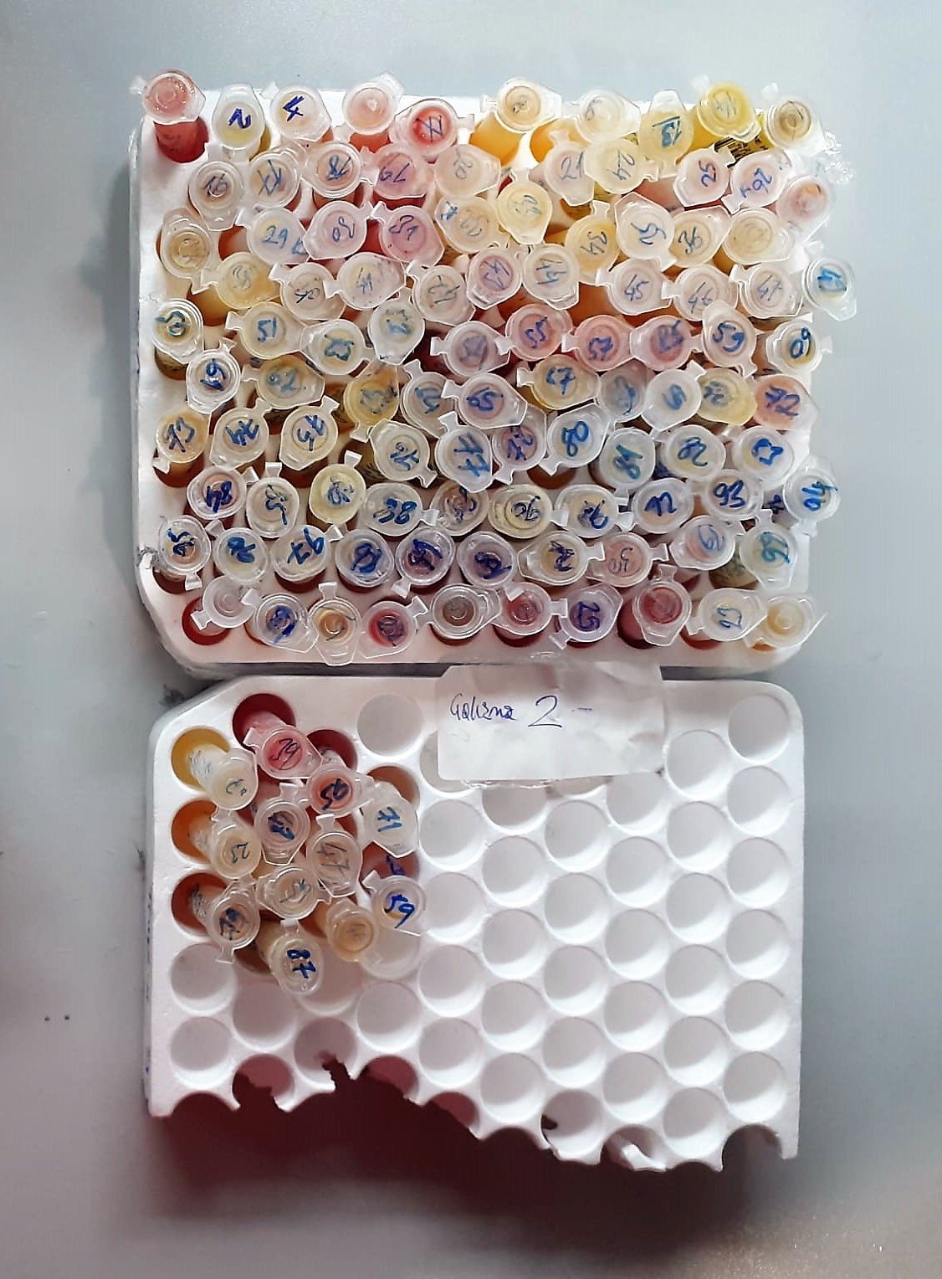
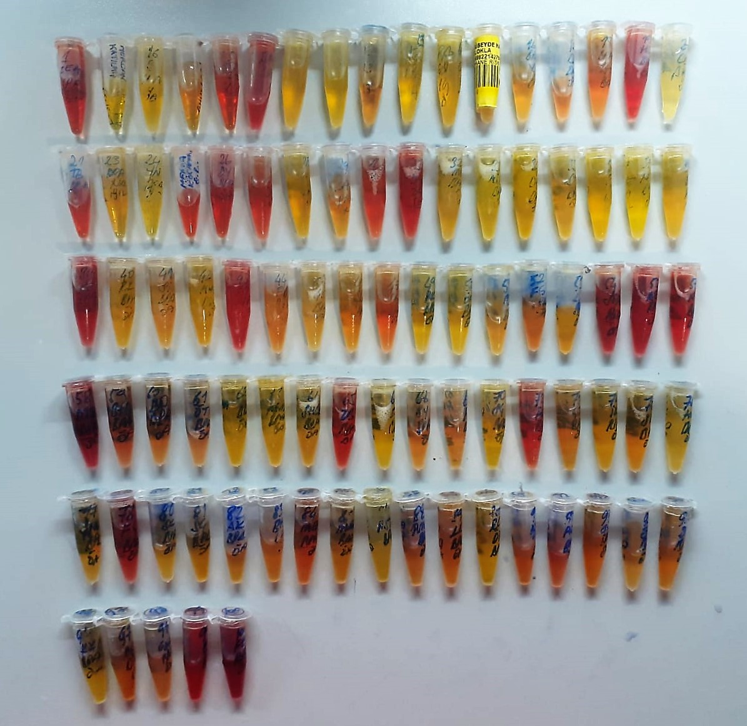

Human MT-RNR2 Assay Principle
This kit is an Enzyme-Linked Immunosorbent Assay (ELISA). The plate has been pre-coated with Human MT-RNR2 antibody. Human MT-RNR2 present in the sample is added and binds to antibodies coated on the wells.
And then biotinylated Human MT-RNR2 Antibody is added and binds to Human MT-RNR2 in the sample. Then Streptavidin-HRP is added and binds to the Biotinylated Human MT-RNR2 antibody.
After incubation unbound Streptavidin-HRP is washed away during a washing step. Substrate solution is then added and color develops in proportion to the amount of Human MT-RNR2 .
The reaction is terminated by addition of acidic stop solution and absorbance is measured at 450 nm.

