Rat Kidney Injury Molecule 1
2.45 | 0.721 | 0.674 | 0.675 | 0.744 | 0.781 | 0.661 | 0.619 | 0.664 | 0.813 | 0.656 | 0.682
1.616 | 0.76 | 0.635 | 0.694 | 0.724 | 0.64 | 0.709 | 0.71 | 0.661 | 0.795 | 0.689 | 0.626
0.892 | 0.841 | 0.683 | 0.592 | 0.686 | 0.61 | 0.611 | 0.697 | 0.779 | 0.585 | 0.669 | 0.427
0.518 | 0.69 | 0.666 | 0.599 | 0.719 | 0.658 | 0.688 | 0.67 | 0.787 | 0.709 | 0.663 | 0.304
0.349 | 0.649 | 0.663 | 0.691 | 0.703 | 0.702 | 0.655 | 0.767 | 0.762 | 0.746 | 0.732 | 0.292
0.131 | 0.699 | 0.836 | 0.709 | 0.697 | 0.863 | 0.763 | 0.803 | 0.684 | 0.725 | 0.581 | 0.226
 | 0.876 | 0.755 | 0.876 | 0.703 | 0.721 | 0.609 | 0.717 | 0.835 | 0.713 | 0.726 | 0.504
 | 0.687 | 0.684 | 0.727 | 0.485 | 0.678 | 0.562 | 0.751 | 0.718 | 0.548 | 0.577 | 0.427

Kidney Injury Molecule 1
 | abs | abs-blank | expected | result
std1 | 2.45 | 2.319 | 6.4 | 6.34
std2 | 1.616 | 1.485 | 3.2 | 3.38
std3 | 0.892 | 0.761 | 1.6 | 1.46
std4 | 0.518 | 0.387 | 0.8 | 0.71
std5 | 0.349 | 0.218 | 0.4 | 0.42
blank | 0.131 | 0 | 0 | 0.09

 |  |  |  |  |  |  |  |  | concentratıon (ng/ml)

Numune | absorbans | blank | abs-blank | result
D20-1 | 0.721 | 0.131 | 0.59 | 1.10
D20-1 | 0.76 | 0.131 | 0.629 | 1.18
D20-2 | 0.841 | 0.131 | 0.71 | 1.35
D20-2 | 0.69 | 0.131 | 0.559 | 1.03
D20-3 | 0.649 | 0.131 | 0.518 | 0.95
D20-3 | 0.699 | 0.131 | 0.568 | 1.05
D20-4 | 0.876 | 0.131 | 0.745 | 1.43
D20-4 | 0.687 | 0.131 | 0.556 | 1.03
D20-5 | 0.674 | 0.131 | 0.543 | 1.00
D20-5 | 0.635 | 0.131 | 0.504 | 0.92
D20-6 | 0.683 | 0.131 | 0.552 | 1.02
D20-6 | 0.666 | 0.131 | 0.535 | 0.99
D20-8 | 0.663 | 0.131 | 0.532 | 0.98
D20-8 | 0.836 | 0.131 | 0.705 | 1.34
D10-1 | 0.755 | 0.131 | 0.624 | 1.17
D10-1 | 0.684 | 0.131 | 0.553 | 1.02
D10-3 | 0.675 | 0.131 | 0.544 | 1.00
D10-3 | 0.694 | 0.131 | 0.563 | 1.04
D10-4 | 0.592 | 0.131 | 0.461 | 0.84
D10-4 | 0.599 | 0.131 | 0.468 | 0.86
D10-6 | 0.691 | 0.131 | 0.56 | 1.04
D10-6 | 0.709 | 0.131 | 0.578 | 1.07
D10-7 | 0.876 | 0.131 | 0.745 | 1.43
D10-7 | 0.727 | 0.131 | 0.596 | 1.11
KOL-1 | 0.744 | 0.131 | 0.613 | 1.14
KOL-1 | 0.724 | 0.131 | 0.593 | 1.10
KOL-2 | 0.686 | 0.131 | 0.555 | 1.03
KOL-2 | 0.719 | 0.131 | 0.588 | 1.09
KOL-3 | 0.703 | 0.131 | 0.572 | 1.06
KOL-3 | 0.697 | 0.131 | 0.566 | 1.05
KOL-4 | 0.703 | 0.131 | 0.572 | 1.06
KOL-4 | 0.485 | 0.131 | 0.354 | 0.65
KOL-5 | 0.781 | 0.131 | 0.65 | 1.22
KOL-5 | 0.64 | 0.131 | 0.509 | 0.93
KOL-6 | 0.61 | 0.131 | 0.479 | 0.88
KOL-6 | 0.658 | 0.131 | 0.527 | 0.97
KOL-7 | 0.702 | 0.131 | 0.571 | 1.06
KOL-7 | 0.863 | 0.131 | 0.732 | 1.40
KOL-8 | 0.721 | 0.131 | 0.59 | 1.10
KOL-8 | 0.678 | 0.131 | 0.547 | 1.01
KOL-9 | 0.661 | 0.131 | 0.53 | 0.98
KOL-9 | 0.709 | 0.131 | 0.578 | 1.07
SF-1 | 0.611 | 0.131 | 0.48 | 0.88
SF-1 | 0.688 | 0.131 | 0.557 | 1.03
SF-2 | 0.655 | 0.131 | 0.524 | 0.96
SF-2 | 0.763 | 0.131 | 0.632 | 1.18
SF-3 | 0.609 | 0.131 | 0.478 | 0.87
SF-3 | 0.562 | 0.131 | 0.431 | 0.79
SF-4 | 0.619 | 0.131 | 0.488 | 0.89
SF-4 | 0.71 | 0.131 | 0.579 | 1.07
SF-5 | 0.697 | 0.131 | 0.566 | 1.05
SF-5 | 0.67 | 0.131 | 0.539 | 0.99
SF-6 | 0.767 | 0.131 | 0.636 | 1.19
SF-6 | 0.803 | 0.131 | 0.672 | 1.27
SF-7 | 0.717 | 0.131 | 0.586 | 1.09
SF-7 | 0.751 | 0.131 | 0.62 | 1.16
PC-1 | 0.664 | 0.131 | 0.533 | 0.98
PC-1 | 0.661 | 0.131 | 0.53 | 0.98
PC-2 | 0.779 | 0.131 | 0.648 | 1.22
PC-2 | 0.787 | 0.131 | 0.656 | 1.23
PC-3 | 0.762 | 0.131 | 0.631 | 1.18
PC-3 | 0.684 | 0.131 | 0.553 | 1.02
PC-4 | 0.835 | 0.131 | 0.704 | 1.34
PC-4 | 0.718 | 0.131 | 0.587 | 1.09
PC-5 | 0.813 | 0.131 | 0.682 | 1.29
PC-5 | 0.795 | 0.131 | 0.664 | 1.25
PC-6 | 0.585 | 0.131 | 0.454 | 0.83
PC-6 | 0.709 | 0.131 | 0.578 | 1.07
PC-7 | 0.746 | 0.131 | 0.615 | 1.15
PC-7 | 0.725 | 0.131 | 0.594 | 1.10
PC-8 | 0.713 | 0.131 | 0.582 | 1.08
PC-8 | 0.548 | 0.131 | 0.417 | 0.76
MT-1 | 0.656 | 0.131 | 0.525 | 0.97
MT-1 | 0.689 | 0.131 | 0.558 | 1.03
MT-2 | 0.669 | 0.131 | 0.538 | 0.99
MT-2 | 0.663 | 0.131 | 0.532 | 0.98
MT-3 | 0.732 | 0.131 | 0.601 | 1.12
MT-3 | 0.581 | 0.131 | 0.45 | 0.82
MT-4 | 0.726 | 0.131 | 0.595 | 1.11
MT-4 | 0.577 | 0.131 | 0.446 | 0.81
MT-5 | 0.682 | 0.131 | 0.551 | 1.02
MT-5 | 0.626 | 0.131 | 0.495 | 0.91
MT-6 | 0.427 | 0.131 | 0.296 | 0.55
MT-6 | 0.304 | 0.131 | 0.173 | 0.34
MT-7 | 0.292 | 0.131 | 0.161 | 0.33
MT-7 | 0.226 | 0.131 | 0.095 | 0.23
MT-8 | 0.504 | 0.131 | 0.373 | 0.68
MT-8 | 0.427 | 0.131 | 0.296 | 0.55

Rat Endothelin 1
2.036 | 0.595 | 0.529 | 0.613 | 0.56 | 0.595 | 0.555 | 0.571 | 0.537 | 0.594 | 0.48 | 0.582
1.184 | 0.586 | 0.427 | 0.569 | 0.604 | 0.54 | 0.619 | 0.646 | 0.657 | 0.607 | 0.534 | 0.589
0.66 | 0.525 | 0.542 | 0.538 | 0.585 | 0.506 | 0.449 | 0.578 | 0.691 | 0.566 | 0.598 | 0.583
0.412 | 0.498 | 0.528 | 0.561 | 0.526 | 0.527 | 0.498 | 0.518 | 0.622 | 0.505 | 0.474 | 0.526
0.254 | 0.534 | 0.562 | 0.549 | 0.548 | 0.586 | 0.584 | 0.589 | 0.654 | 0.574 | 0.575 | 0.511
0.102 | 0.493 | 0.58 | 0.577 | 0.594 | 0.618 | 0.541 | 0.59 | 0.652 | 0.565 | 0.536 | 0.534
 | 0.6 | 0.644 | yetersiz numune | 0.702 | 0.58 | 0.531 | 0.563 | 0.473 | 0.525 | 0.59 | 0.551
 | 0.743 | 0.781 | yetersiz numune | 0.554 | 0.515 | 0.505 | 0.498 | 0.578 | 0.522 | 0.517 | 0.66

Endothelin 1
 | abs | abs-blank | expected | result
std1 | 2.036 | 1.934 | 320 | 319.79
std2 | 1.184 | 1.082 | 160 | 161.22
std3 | 0.66 | 0.558 | 80 | 77.53
std4 | 0.412 | 0.31 | 40 | 41.58
std5 | 0.254 | 0.152 | 20 | 19.91
blank | 0.102 | 0 | 0 | -0.03

 |  |  |  |  |  |  |  |  | concentratıon (ng/L)

Numune | absorbans | blank | abs-blank | result
D20-1 | 0.595 | 0.102 | 0.493 | 67.88
D20-1 | 0.586 | 0.102 | 0.484 | 66.55
D20-2 | 0.525 | 0.102 | 0.423 | 57.67
D20-2 | 0.498 | 0.102 | 0.396 | 53.78
D20-3 | 0.534 | 0.102 | 0.432 | 58.97
D20-3 | 0.493 | 0.102 | 0.391 | 53.06
D20-4 | 0.6 | 0.102 | 0.498 | 68.61
D20-4 | 0.743 | 0.102 | 0.641 | 90.08
D20-5 | 0.529 | 0.102 | 0.427 | 58.25
D20-5 | 0.427 | 0.102 | 0.325 | 43.69
D20-6 | 0.542 | 0.102 | 0.44 | 60.13
D20-6 | 0.528 | 0.102 | 0.426 | 58.10
D20-8 | 0.562 | 0.102 | 0.46 | 63.04
D20-8 | 0.58 | 0.102 | 0.478 | 65.67
D10-1 | 0.644 | 0.102 | 0.542 | 75.14
D10-1 | 0.781 | 0.102 | 0.679 | 95.92
D10-3 | 0.613 | 0.102 | 0.511 | 70.53
D10-3 | 0.569 | 0.102 | 0.467 | 64.06
D10-4 | 0.538 | 0.102 | 0.436 | 59.55
D10-4 | 0.561 | 0.102 | 0.459 | 62.90
D10-6 | 0.549 | 0.102 | 0.447 | 61.15
D10-6 | 0.577 | 0.102 | 0.475 | 65.23
D10-7 | yetersiz numune | 0.102 | yetersiz numune | yetersiz numune
D10-7 | yetersiz numune | 0.102 | yetersiz numune | yetersiz numune
KOL-1 | 0.56 | 0.102 | 0.458 | 62.75
KOL-1 | 0.604 | 0.102 | 0.502 | 69.20
KOL-2 | 0.585 | 0.102 | 0.483 | 66.41
KOL-2 | 0.526 | 0.102 | 0.424 | 57.81
KOL-3 | 0.548 | 0.102 | 0.446 | 61.00
KOL-3 | 0.594 | 0.102 | 0.492 | 67.73
KOL-4 | 0.702 | 0.102 | 0.6 | 83.85
KOL-4 | 0.554 | 0.102 | 0.452 | 61.88
KOL-5 | 0.595 | 0.102 | 0.493 | 67.88
KOL-5 | 0.54 | 0.102 | 0.438 | 59.84
KOL-6 | 0.506 | 0.102 | 0.404 | 54.93
KOL-6 | 0.527 | 0.102 | 0.425 | 57.96
KOL-7 | 0.586 | 0.102 | 0.484 | 66.55
KOL-7 | 0.618 | 0.102 | 0.516 | 71.27
KOL-8 | 0.58 | 0.102 | 0.478 | 65.67
KOL-8 | 0.515 | 0.102 | 0.413 | 56.23
KOL-9 | 0.555 | 0.102 | 0.453 | 62.02
KOL-9 | 0.619 | 0.102 | 0.517 | 71.42
SF-1 | 0.449 | 0.102 | 0.347 | 46.80
SF-1 | 0.498 | 0.102 | 0.396 | 53.78
SF-2 | 0.584 | 0.102 | 0.482 | 66.26
SF-2 | 0.541 | 0.102 | 0.439 | 59.99
SF-3 | 0.531 | 0.102 | 0.429 | 58.54
SF-3 | 0.505 | 0.102 | 0.403 | 54.79
SF-4 | 0.571 | 0.102 | 0.469 | 64.36
SF-4 | 0.646 | 0.102 | 0.544 | 75.43
SF-5 | 0.578 | 0.102 | 0.476 | 65.38
SF-5 | 0.518 | 0.102 | 0.416 | 56.66
SF-6 | 0.589 | 0.102 | 0.487 | 67.00
SF-6 | 0.59 | 0.102 | 0.488 | 67.14
SF-7 | 0.563 | 0.102 | 0.461 | 63.19
SF-7 | 0.498 | 0.102 | 0.396 | 53.78
PC-1 | 0.537 | 0.102 | 0.435 | 59.41
PC-1 | 0.657 | 0.102 | 0.555 | 77.08
PC-2 | 0.691 | 0.102 | 0.589 | 82.19
PC-2 | 0.622 | 0.102 | 0.52 | 71.87
PC-3 | 0.654 | 0.102 | 0.552 | 76.63
PC-3 | 0.652 | 0.102 | 0.55 | 76.33
PC-4 | 0.473 | 0.102 | 0.371 | 50.21
PC-4 | 0.578 | 0.102 | 0.476 | 65.38
PC-5 | 0.594 | 0.102 | 0.492 | 67.73
PC-5 | 0.607 | 0.102 | 0.505 | 69.65
PC-6 | 0.566 | 0.102 | 0.464 | 63.63
PC-6 | 0.505 | 0.102 | 0.403 | 54.79
PC-7 | 0.574 | 0.102 | 0.472 | 64.80
PC-7 | 0.565 | 0.102 | 0.463 | 63.48
PC-8 | 0.525 | 0.102 | 0.423 | 57.67
PC-8 | 0.522 | 0.102 | 0.42 | 57.24
MT-1 | 0.48 | 0.102 | 0.378 | 51.20
MT-1 | 0.534 | 0.102 | 0.432 | 58.97
MT-2 | 0.598 | 0.102 | 0.496 | 68.32
MT-2 | 0.474 | 0.102 | 0.372 | 50.35
MT-3 | 0.575 | 0.102 | 0.473 | 64.94
MT-3 | 0.536 | 0.102 | 0.434 | 59.26
MT-4 | 0.59 | 0.102 | 0.488 | 67.14
MT-4 | 0.517 | 0.102 | 0.415 | 56.51
MT-5 | 0.582 | 0.102 | 0.48 | 65.97
MT-5 | 0.589 | 0.102 | 0.487 | 67.00
MT-6 | 0.583 | 0.102 | 0.481 | 66.11
MT-6 | 0.526 | 0.102 | 0.424 | 57.81
MT-7 | 0.511 | 0.102 | 0.409 | 55.65
MT-7 | 0.534 | 0.102 | 0.432 | 58.97
MT-8 | 0.551 | 0.102 | 0.449 | 61.44
MT-8 | 0.66 | 0.102 | 0.558 | 77.53

Materyal-metod
KİT ADI | TÜR | MARKA | Yöntem | Kullanılan Cihaz
CREA: Creatinine | Universal | REL ASSAY | Kolorimetrik | MINDRAY BS-400 Tam Otomatik Analizör
UREA: Üre | Universal | REL ASSAY | Kolorimetrik | MINDRAY BS-400 Tam Otomatik Analizör
Kidney Injury Molecule 1 | Rat | BT | ELİSA | Mıcroplate reader: BIO-TEK EL X 800-Aotu strıp washer:BIO TEK EL X 50
Endothelin 1 | Rat | BT | ELİSA | Mıcroplate reader: BIO-TEK EL X 800-BIO-Aotu strıp washer: TEK EL X 51

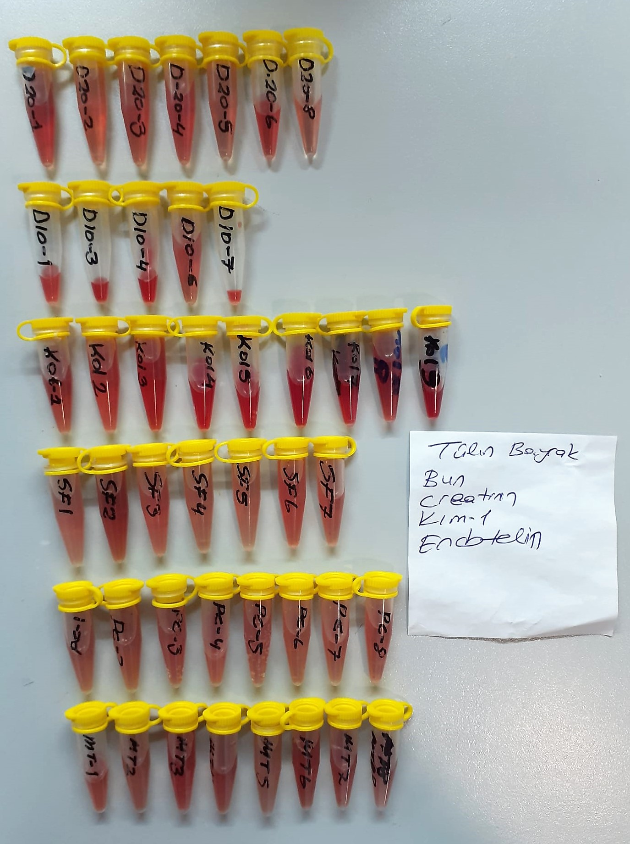
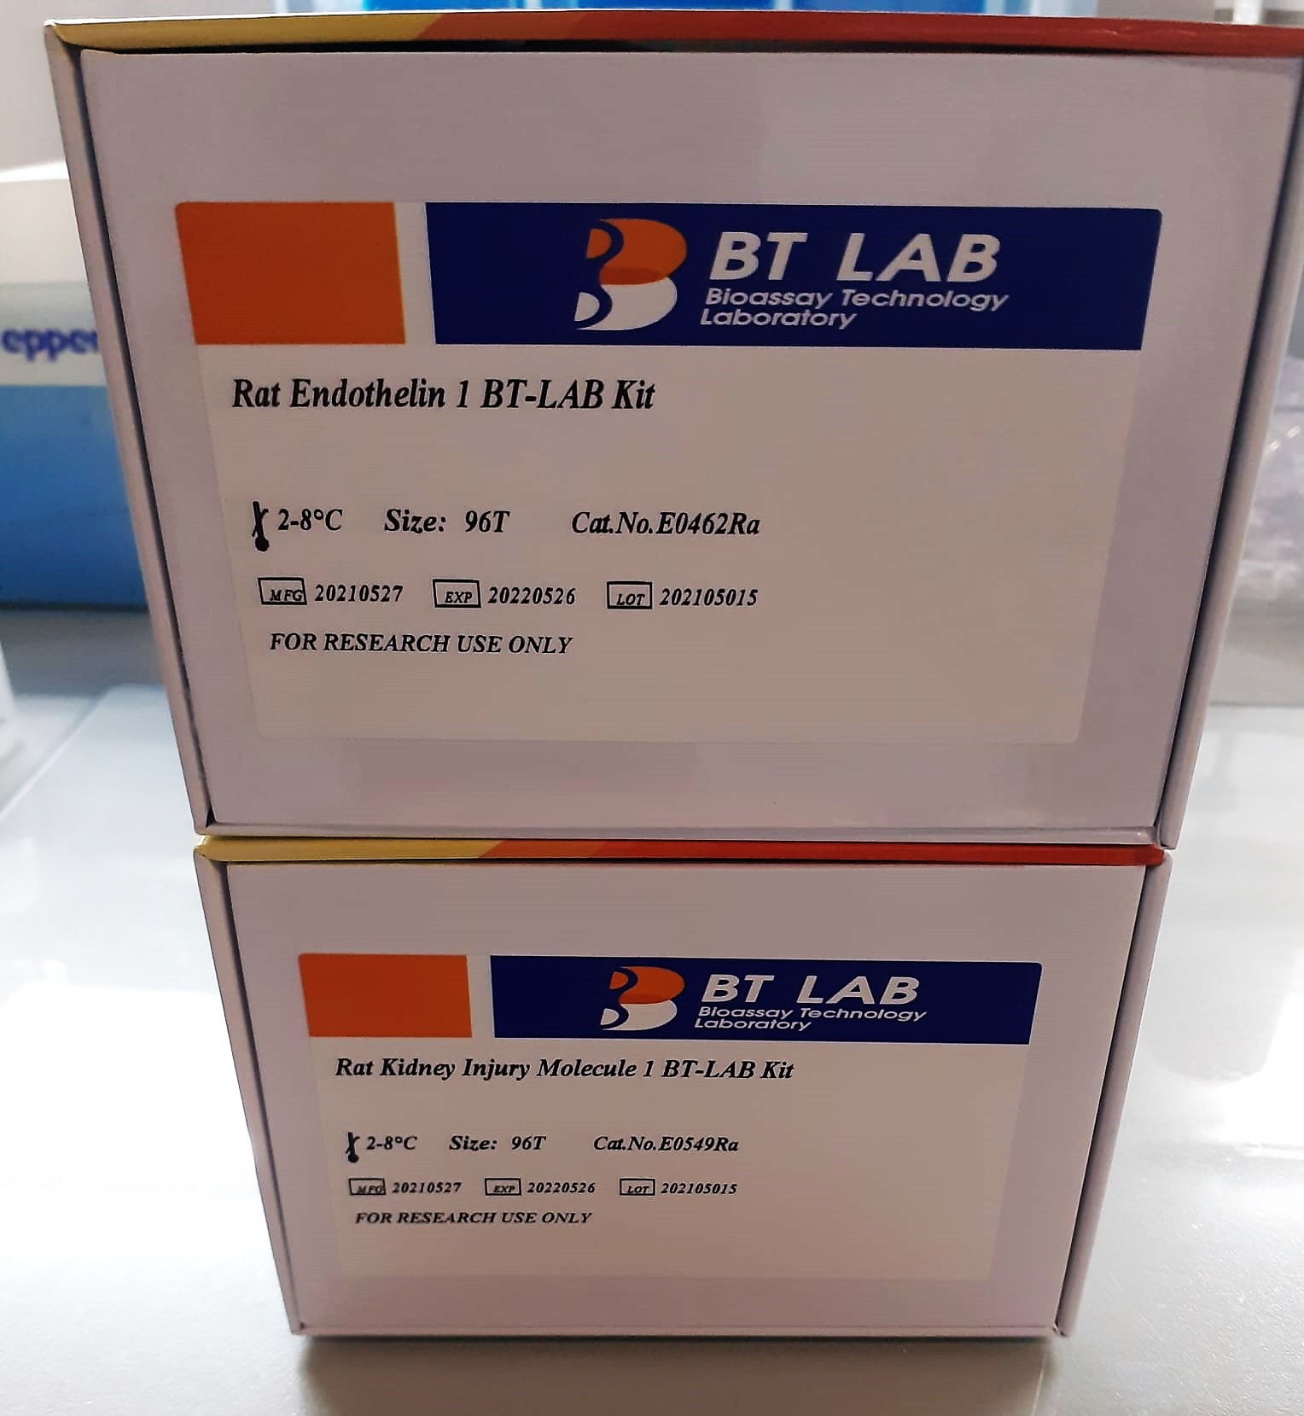

Creatinine mg/L
Immunoturbidimetric assay
Anti-CRP antibodies react with antigen in the sample to form an ntigen/antibody complex. Following agglutination, this is measured turbidimetrically.
Addition of PEG allows the reaction to progress rapidly to the end point,increases sensitivity, and reduces the risk of samples containing excess antigen
producing false negative results.

Urea (BUN) mg/dl
Urea is hydrolysed in presence of urease to produce ammonia and CO2. The ammonia produced combines with 2 – oxoglutarate and NADH in presence of GLDH to yield glutamate and NAD.
urease
Urea+H2O+2H+ 2 NH4+ + 2+ CO2
GLDH
2 NH4+ + 2-Oxoglutarate + 2 NADH H2O + 2 NAD+ + Gl utamate The decrease in absorbance due to consumption of NADH is measured kinetically.

Rat Endothelin 1 Assay Principle
This kit is an Enzyme-Linked Immunosorbent Assay (ELISA). The plate has been pre-coated with Rat EDN1 antibody. EDN1 present in the sample is added and binds to antibodies coated on the wells.
And then biotinylated Rat EDN1 Antibody is added and binds to EDN1 in the sample. Then Streptavidin-HRP is added and binds to the Biotinylated EDN1 antibody.
After incubation unbound Streptavidin-HRP is washed away during a washing step. Substrate solution is then added and color develops in proportion to the amount of Rat EDN1.
The reaction is terminated by addition of acidic stop solution and absorbance is measured at 450 nm.

Rat Kidney Injury Molecule 1 Assay Principle
This kit is an Enzyme-Linked Immunosorbent Assay (ELISA). The plate has been pre-coated with Rat HAVCR1 antibody. HAVCR1 present in the sample is added and binds to antibodies coated on the wells.
And then biotinylated Rat HAVCR1 Antibody is added and binds to HAVCR1 in the sample. Then Streptavidin-HRP is added and binds to the Biotinylated HAVCR1 antibody
After incubation unbound Streptavidin-HRP is washed away during a washing step. Substrate solution is then added and color develops in proportion to the amount of Rat HAVCR1.
The reaction is terminated by addition of acidic stop solution and absorbance is measured at 450 nm.

