Materyal-metod
KİT ADI | TÜR | MARKA | Yöntem
AST: Aspartat Aminotransferaz | Universal | REL ASSAY | Kolorimetrik
ALT: Alanin aminotransferaz | Universal | REL ASSAY | Kolorimetrik
ALP: Alkaline Phosphatase | Universal | REL ASSAY | Kolorimetrik
CK: Creatinine Kinase | Universal | REL ASSAY | Kolorimetrik
UA: Uric Acid | Universal | REL ASSAY | Kolorimetrik
CHOL: Total Cholesterol | Universal | REL ASSAY | Kolorimetrik
TG: Triglycerides | Universal | REL ASSAY | Kolorimetrik
GLU: Glucose | Universal | REL ASSAY | Kolorimetrik
Centrifuge: HETTICH Mıcro 200-R
MINDRAY BS-300 Tam Otomatik Analizör

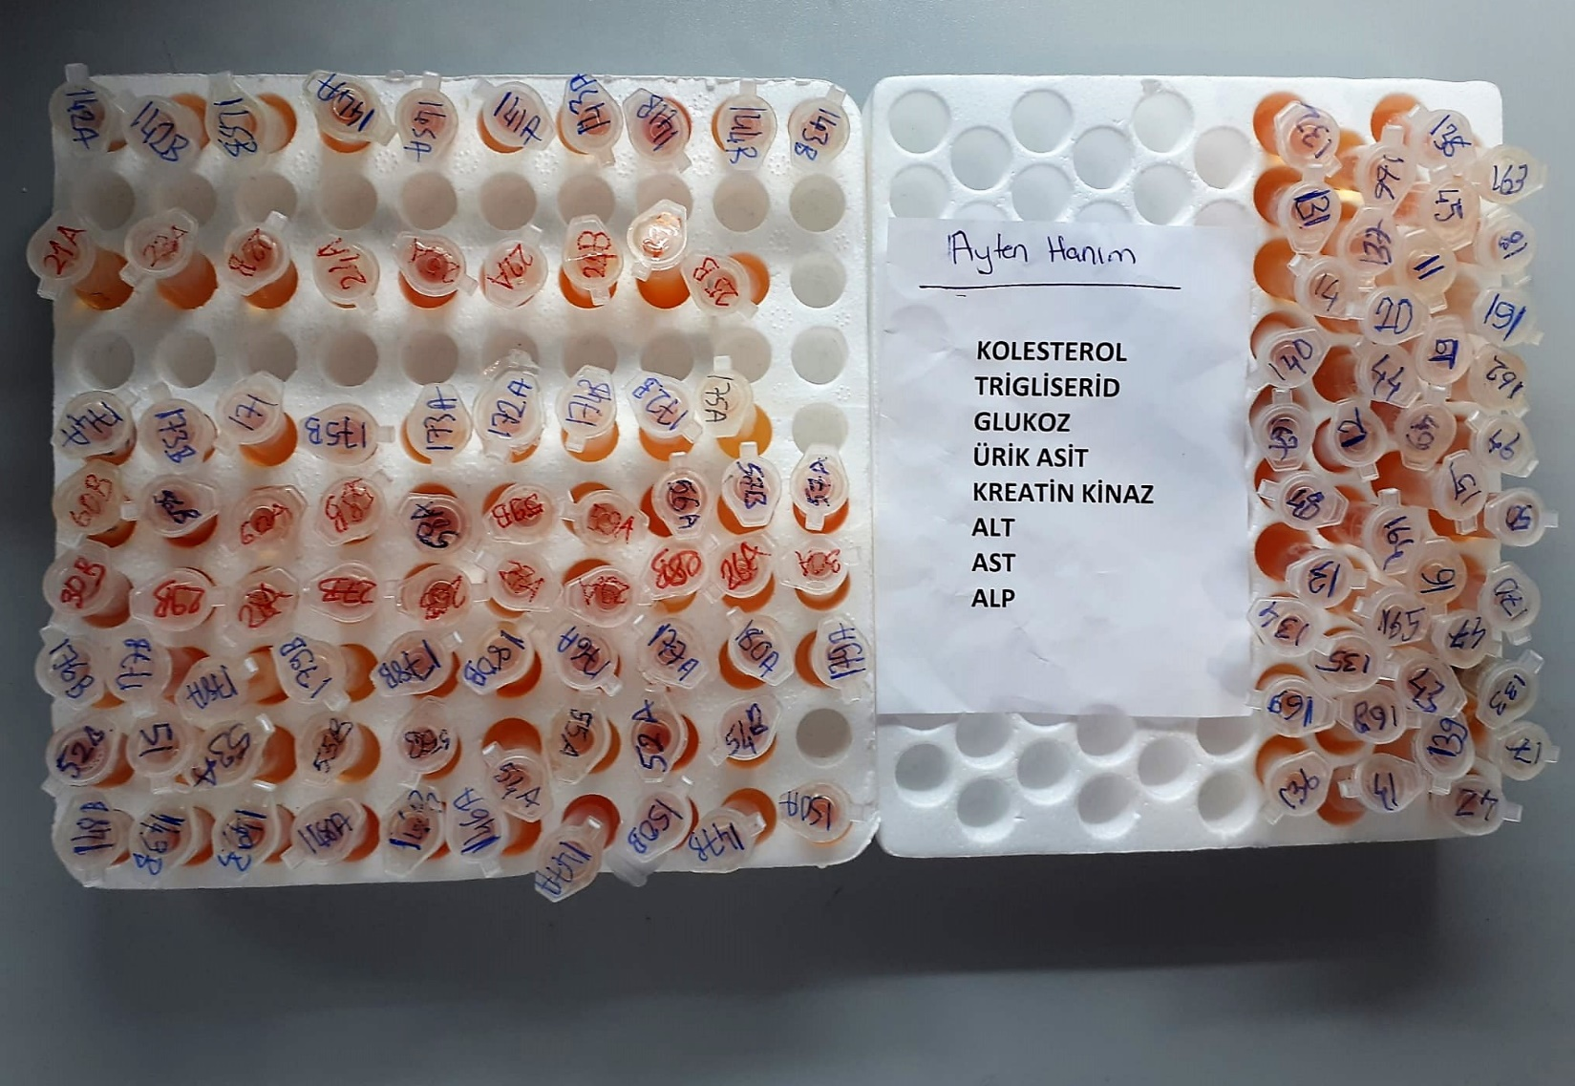
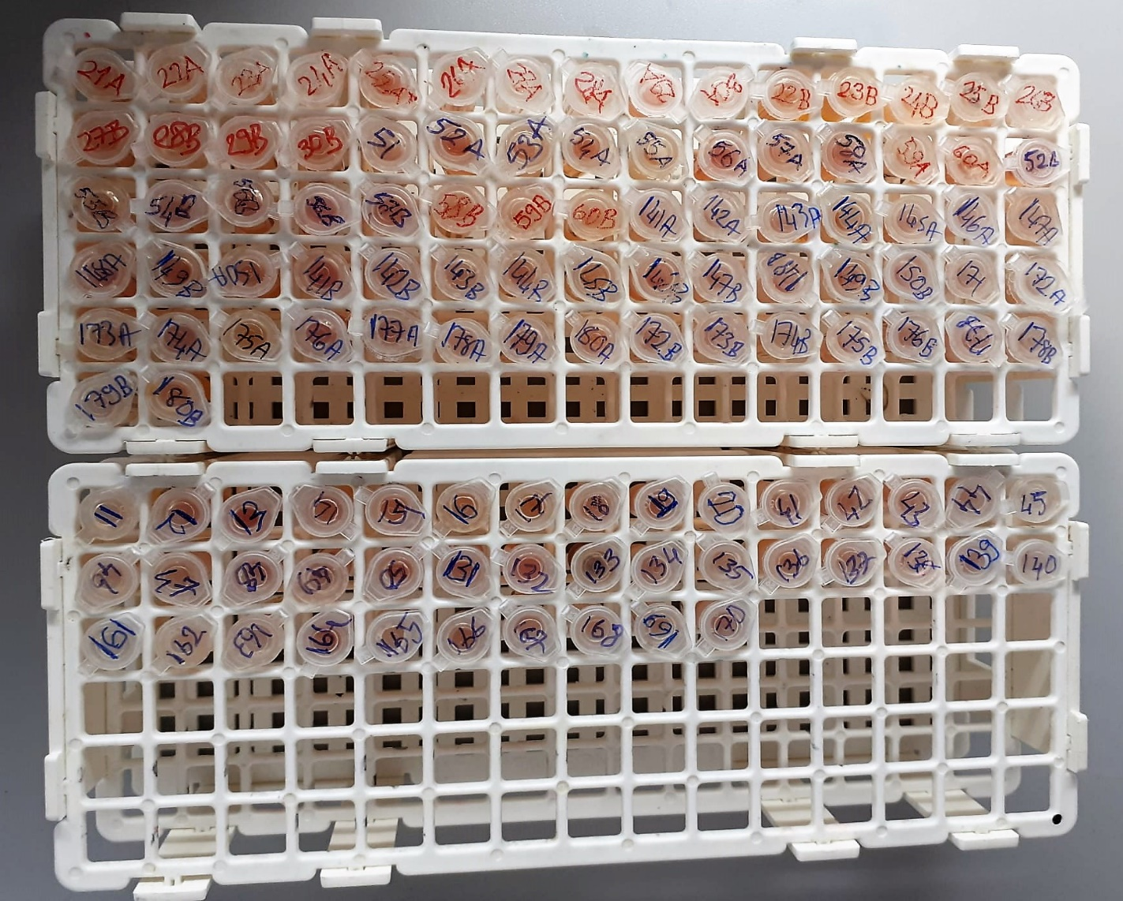

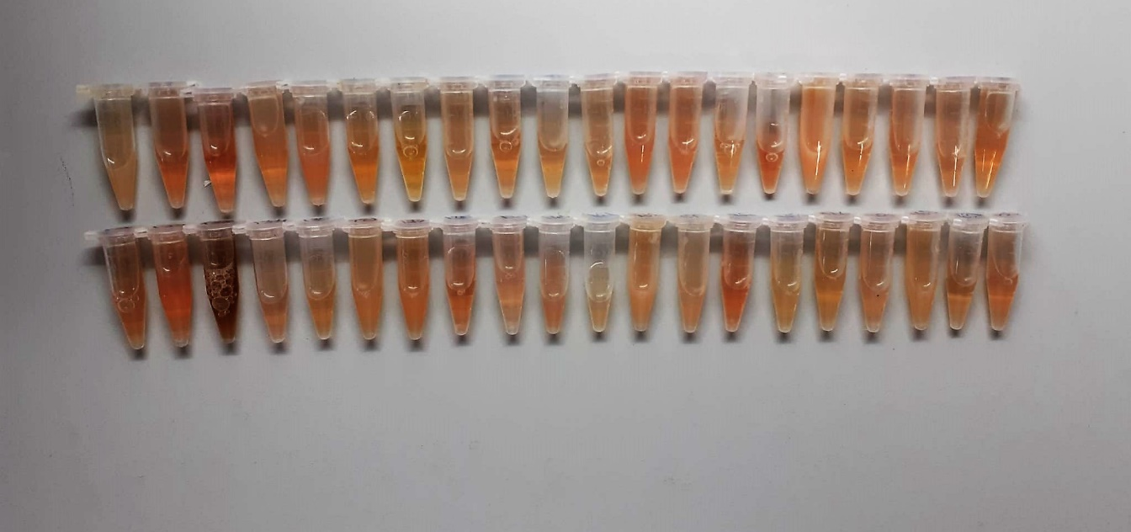
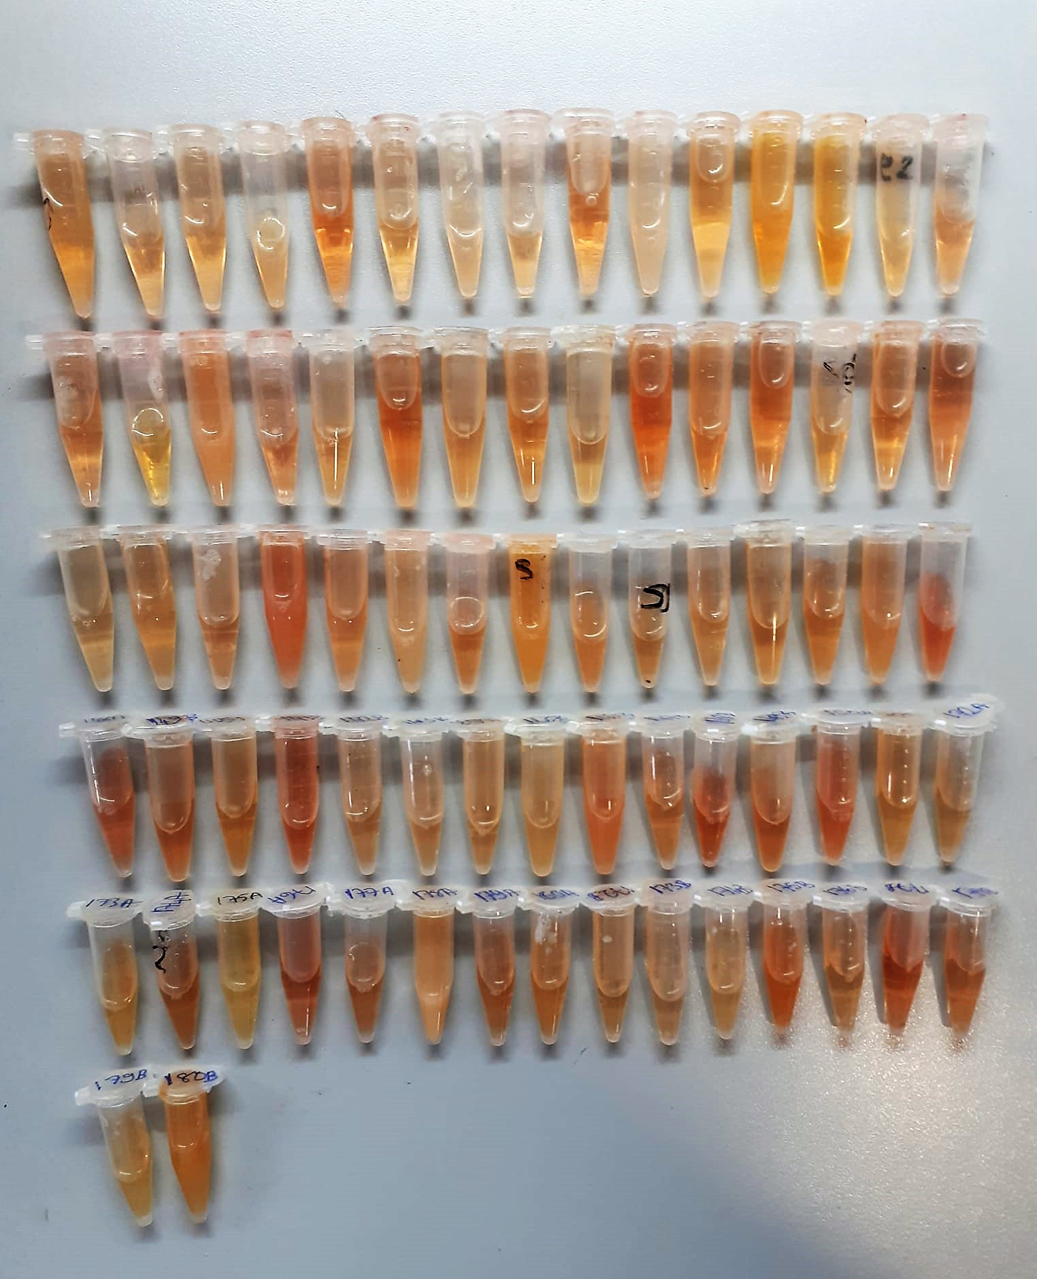

AST U/L
UV test according to a standarrized method
Sample and addition of R1 (buffer)
Addition of R2 and start of reaction: AST
α-ketoglutarate + L-aspartate L- glutamate + oxaloasetate
AST is the enzyme which catalyzes this equilibrium reaction. The oxaloacetate in- crease is measured in a subsequent indicator reaction which is catalyzed by malate dehydrogenase.
MDH
oxalacetate + NADH + H+ L-Malate + NAD+
In the second reaction, NADH is oxidized to NAD. The rate of decrease in NADH
(Measured photometrically) is directly proportional to the rate of formation of
oxaloasetate, and thus the AST activity.

ALT U/L
UV test according to the IFCC method.
ALT
L-Alanin + 2-Oxoglutarate ⎯⎯ L-Glutamate + Pyruvat

Alkaline Phosphatase (ALP) U/L
Colorimetric assay in accordance with a standardized method.
ALP, Mg2
p - Nitrophenylphosphate+ H2O Phosphate + p - Nitrophenol
In the presence of magnesium and zinc ions, p-nitrophenyl phosphate is hydrolyzed by phosphatases to form phosphate and p-nitrophenol.
In this process AMP serves as transient phosphate acceptor. The release of coloured p-nitrophenol is proportional to the ALP activity and can be measured photometrically.

Clolesterol Total mg/dl
Cholesterol ester + H2O Cholesterol + fatty acids
Cholesterol esters are ceaved by the action of choesterol esterase to yield free
choesterol and fatty acids Cholesterol oxidase Cholesterol + O2 Cholesten-3-on + H2O2
Peroxidase
2H2O2 + Phenol + 4-Aminoantipyrine Quinoneimine dye + 4 H2O
Cholesterol is converted by oxygen with the aid of cholesterol oxidase to A4- Cholestenone and hydrogen peroxide.
Hydrogen peroxide created forms a red dyestuff by reacting with 4-aminoantipyrine and phenol under the catalytic action of peroxidase.
The color intensity is directly proportional to the concentration of cholesterol and can be determined photometrically.

Triglycerides mg/dl
Triglycerides in the sample originates, by means of the coupled reactions described below, acoloured complex that can be measured by spectrophotometry.
Triglycerides + H2O lipase Glycerol + Fatty acids
Glycerol + ATP glycerol kinase Glycerol – 3 – P + ADP
Glycerol – 3 –P + O2 G-3-P-oxidase Dihidroxyacetone – P +H2O2
2 H2O2 + 4 – Aminoantipyrine + 4 – Chlorophenol G-3-P-oxidas Quinoneimine + 4 H2O

Uric Asit mg/dl
Colorimetric endpoint assay
Uricase
Uric acid + 2 H2O + O2 Allantoin + CO 2 + H 2O 2
Uricase cleaves uric acid to form allantoin and hydrogen peroxide.
POD
2H2O2 + 4H+ + phenole + 4-aminoantipyrine quinonimine dye + 4H2O
The increase in absorbance is measured.

Glucose mg/dl
Enzymatic colorimetric test on basis of Trinder – Reaction:
Glucose oxidase Glucose + O2 Gluconic acid + H2O2
Peroxidase
2H2O2 + Phenol + 4–Aminoantipyrine Red Quinoneimine + 4H2O

Creatine Kinase Range: 5-2500U/l
UV Test
• Sample and addition of R1
• Addition of R2 and start of reaction: CK Creatine phosphate + ADP Creatine + ATP HK ATP + glucose Glucose-6-phosphate + ADP G6PDH Glucose-6-P + NADP Gluconate-6-P + NADPH+H+
Equimolar quantities of NADPH and creatine are formed at the same rate. The photometrically measured rate of formation of NADPH is proportional to the CK activity.

