Materyal-metod
KİT ADI | TÜR | MARKA | CAT. NO | Yöntem | Kullanılan Cihaz
AST: Aspartat Aminotransferaz | Universal | Otto Scientific | OttoBC127 | Kolorimetrik | MINDRAY-BS400
ALT: Alanin aminotransferaz | Universal | Otto Scientific | OttoBC128 | Kolorimetrik | MINDRAY-BS400
ALP: Alkaline Phosphatase | Universal | Otto Scientific | OttoBC124 | Kolorimetrik | MINDRAY-BS400

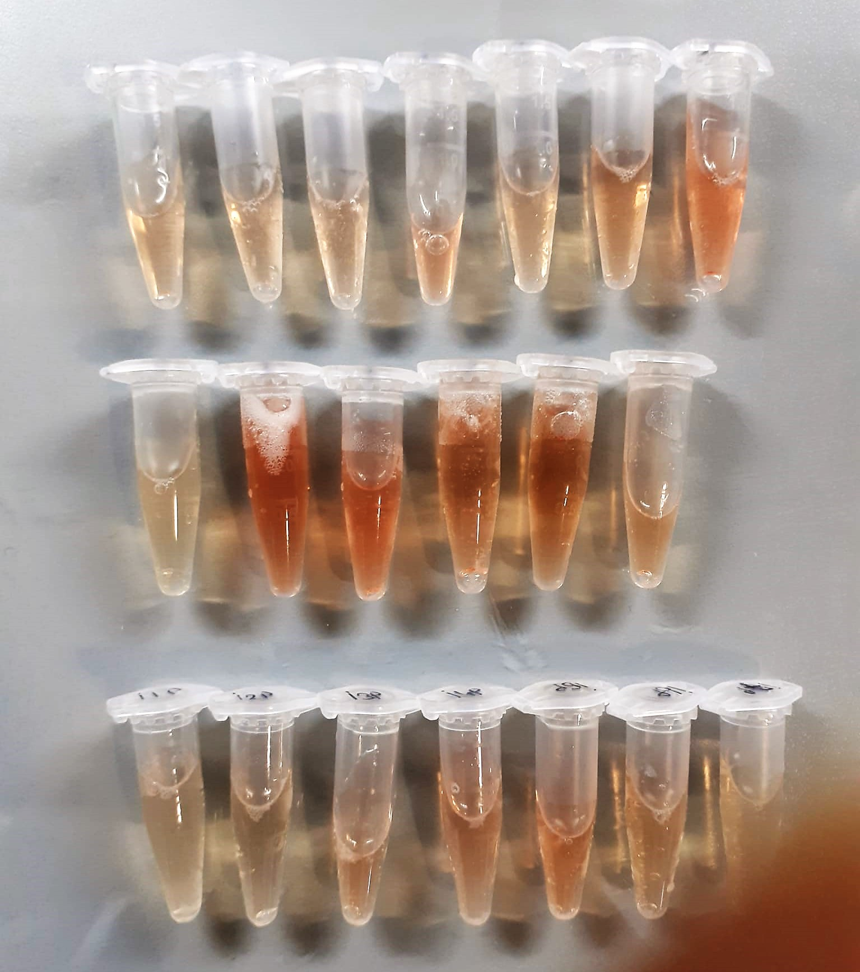

AST U/L
UV test according to a standarrized method
Sample and addition of R1 (buffer)
Addition of R2 and start of reaction: AST
α-ketoglutarate + L-aspartate L- glutamate + oxaloasetate
AST is the enzyme which catalyzes this equilibrium reaction. The oxaloacetate in- crease is measured in a subsequent indicator reaction which is catalyzed by malate dehydrogenase.
MDH
oxalacetate + NADH + H+ L-Malate + NAD+
In the second reaction, NADH is oxidized to NAD. The rate of decrease in NADH
(Measured photometrically) is directly proportional to the rate of formation of
oxaloasetate, and thus the AST activity.

ALT U/L
UV test according to the IFCC method.
ALT
L-Alanin + 2-Oxoglutarate ⎯⎯ L-Glutamate + Pyruvat

Alkaline Phosphatase (ALP) U/L
Colorimetric assay in accordance with a standardized method.
ALP, Mg2
p - Nitrophenylphosphate+ H2O Phosphate + p - Nitrophenol
In the presence of magnesium and zinc ions, p-nitrophenyl phosphate is hydrolyzed by phosphatases to form phosphate and p-nitrophenol.
In this process AMP serves as transient phosphate acceptor. The release of coloured p-nitrophenol is proportional to the ALP activity and can be measured photometrically.

TOTAL ANTIOXDANT STATUS (TAS) (mmol/L)
TAS levels were measured using commercially available kits (Relassay, Turkey). The novel
automated method is based on the bleaching of characteristic color of a more stable ABTS
(2,2 ′ - Azino-bis(3-ethylbenzothiazoline-6-sulfonic acid)) radical cation by antioxidants. The
assay has excellent precision values, which are lower than 3%. The results were expressed as
mmol Trolox equivalent/L (Erel O. A novel automated direct measurement method for total
antioxidant capacity using a new generation, more stable ABTS radicalcation. Clin Biochem
2004;37:277-85.)
(Relassay,Turkey)

TOTAL OXIDANT STATUS (TOS) (µmol/L)
TOS levels were measured using commercially available kits (Relassay, Turkey. In the new
method, oxidants present in the sample oxidized the ferrous ion-o-dianisidine complex to
ferric ion. The oxidation reaction was enhanced by glycerol molecules abundantly present in
the reaction medium. The ferric ion produced a colored complex with xylenol orange in an
acidic medium. The color intensity, which could be measured spectrophotometrically, was
related to the total amount of oxidant molecules present in the sample. The assay was
calibrated with hydrogen peroxide and the results were expressed in terms of
micromolar hydrogen peroxide equivalent per liter (μmol H2O2 equivalent/L). ( Erel O. A
new automated colorimetric method for measuringtotal oxidant status. Clin Biochem
2005;38:1103-11. ).
(Relassay,Turkey)

OXIDATIVE STRESS INDEX (OSI)
The ratio of TOS to TAS was accepted as the oxidative stress index (OSI). For calculation, the
resulting unit of TAS was converted to μmol/L, and the OSI value was calculated according to
the following Formula : OSI (arbitrary unit) =
TOS (μmol H2O2 equivalent/L) / TAC (μmol Trolox equivalent/L). (1-3).
1. Yumru M, Savas HA, Kalenderoglu A, Bulut M, Celik H, Erel O. Oxidative imbalance in
bipolar disorder subtypes: a comparative study. Prog Neuropsychopharmacol Biol Psychiatry.
2009 Aug 31;33(6):1070-4.
2. Kosecik M, Erel O, Sevinc E, Selek S. Increased oxidative stress in children exposed to
passive smoking. Int J Cardiol 2005;100:61–4.
3. (Harma M, Harma M, Erel O (2003) Increased oxidative stress in patients with
hydatidiform mole. Swiss Med Wkly 133:563-536).

LDH
Pyruvat + NADH + H+ ⎯⎯ D-Lactate+ NAD+
The enzyme alanine aminotransferase (EC 2.6.1.2; L-Alanine:2-Oxoglutarate Aminotransferase,
ALT or A1aAT; Glutamate Pyruvate Transaminase, GPT) catalyzes the tran- saminase reaction between L-Alanine and 2-Oxoglutarate.
The pyruvate formed, is reduced to lactate in the presence of LDH. As the reactions proceed,
NADH is oxidized to NAD+. The disappearance of NADH per unit time is followed by measuring the decrease in absorbance at 340 nm.
(Otto Scientific)

Rat Insulin Assay Principle
This ELISA kit uses the Sandwich-ELISA principle. The micro ELISA plate provided in this kit has been pre-coated with an antibody specific to Rat INS.
Samples (or Standards) are added to the micro ELISA plate wells and combined with the specific antibody.
Then a biotinylated detection antibody specific for Rat INS and Avidin-Horseradish Peroxidase (HRP) conjugate are added successively to each micro plate well and incubated. Free components are washed away.
The substrate solution is added to each well. Only those wells that contain Rat INS, biotinylated detection antibody and Avidin-HRP conjugate will appear blue in color.
The enzyme-substrate reaction is terminated by the addition of stop solution and the color turns yellow. The optical density (OD) is measured spectrophotometrically at a wavelength of 450 ± 2 nm.
The OD value is proportional to the concentration of Rat INS. You can calculate the concentration of Rat INS in the samples by comparing the OD of the samples to the standard curve.

