Test sonuçları
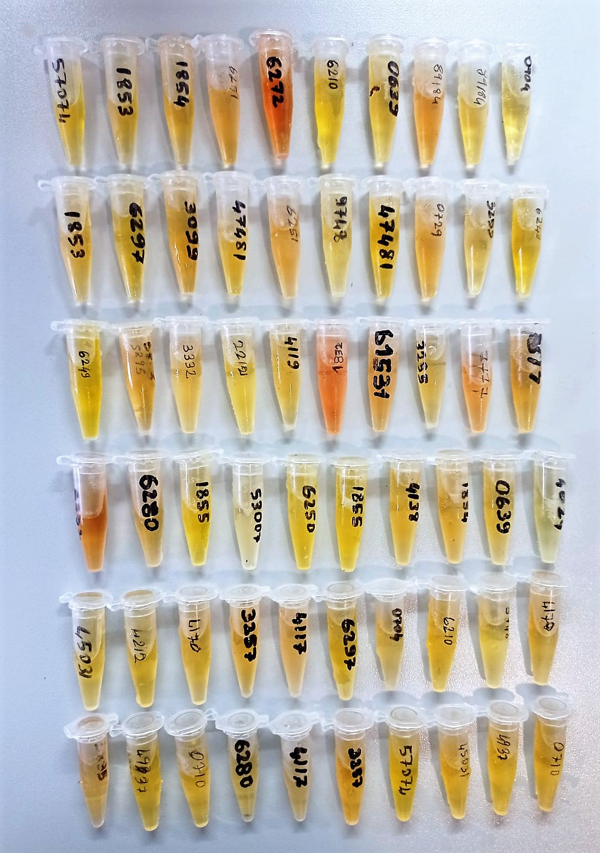
Numune Adı | CHOL (mg/dl) | TG (mg/dl) | AST (U/L) | ALT (U/L) | ALB (g/dl) | HDL (mg/dl) | LDL (mg/dl) | UREA (mg/dl) | TP (g/dl) | TAS(mmol/L) | TOS (µmol/L) | OSI | NOT
Sample-1 | 119 | 52 | 421.5 | 20.7 | 1.45 | 123.5 | 39 | 1.5 | 5.42 | 0.96 | 6.7 | 0.698 | hemolizli
Sample-2 | 113 | 63 | 398.1 | 27.1 | 1.64 | 123.6 | 31 | 1.7 | 4.48 | 1.2 | 4.56 | 0.380
Sample-3 | 111 | 62 | 414.3 | 21.5 | 1.39 | 105.6 | 40 | -1.5 | 3.87 | 1.45 | 4.61 | 0.318
Sample-4 | 85 | 62 | 267.3 | 31.1 | 1.37 | 103.8 | 28 | 0.6 | 3.97 | 2.49 | 8.97 | 0.360 | hemolizli
Sample-5 | 129 | 61 | 427.5 | 28.4 | 1.56 | 150.3 | 32 | -0.9 | 4.01 | 1.29 | 6 | 0.465
Sample-6 | 111 | 47 | 399.8 | 25.4 | 1.51 | 117.7 | 30 | -0.7 | 3.68 | 1.54 | 3.2 | 0.208
Sample-7 | 116 | 59 | 341.3 | 21.7 | 1.5 | 127.8 | 29 | -0.7 | 3.94 | 1.2 | 8.25 | 0.688 | hemolizli
Sample-8 | 93 | 54 | 327.3 | 18.1 | 1.44 | 97.8 | 23 | 1 | 3.69 | 2.05 | 4.31 | 0.210
Sample-9 | 124 | 41 | 425.6 | 22.8 | 1.45 | 144.6 | 36 | 0.3 | 4.73 | 1.71 | 5.84 | 0.342
Sample-10 | 90 | 37 | 416.8 | 20.1 | 1.4 | 106.8 | 19 | -1.3 | 3.75 | 1.89 | 3.64 | 0.193
Sample-11 | 102 | 60 | 199.5 | 14.1 | 1.35 | 113.4 | 22 | 0 | 3.58 | 1.4 | 5.98 | 0.427 | hafif hemolizli
Sample-12 | 35 | 29 | 378.5 | 21.8 | 1.22 | 97.1 | 18 | -0.3 | 3.27 | 1.81 | 4.88 | 0.270
Sample-13 | 119 | 63 | 361.4 | 19.6 | 1.41 | 139.1 | 25 | -2.3 | 3.67 | 1.09 | 4.98 | 0.457
Sample-14 | 112 | 91 | 336 | 20.4 | 1.49 | 130 | 26 | 0.5 | 3.94 | 1.79 | 6.19 | 0.346
Sample-15 | 124 | 49 | 369.2 | 18.7 | 1.46 | 140 | 29 | -1.1 | 3.51 | 1.65 | 4.47 | 0.271
Sample-16 | 114 | 86 | 376 | 20.6 | 1.49 | 105.2 | 33 | 0.5 | 3.84 | 1.71 | 5.86 | 0.343
Sample-17 | 99 | 47 | 383.2 | 11.5 | 1.47 | 122.9 | 23 | -0.8 | 3.74 | 1.16 | 8.1 | 0.698 | hemolizli
Sample-18 | 82 | 40 | 284.9 | 9.4 | 1.4 | 217.9 | 18 | 0.1 | 3.66 | 1.41 | 4.36 | 0.309
Sample-19 | 121 | 46 | 379.4 | 24.1 | 1.49 | 128.7 | 31 | 3 | 3.7 | 1.88 | 5.49 | 0.292
Sample-20 | 125 | 48 | 426.2 | 24.5 | 1.53 | 151.5 | 33 | 0.5 | 3.91 | 1.31 | 6.78 | 0.518
Sample-21 | 91 | 45 | 425.2 | 20.5 | 1.46 | 107.7 | 18 | -1.2 | 3.8 | 1.71 | 5.29 | 0.309
Sample-22 | 97 | 34 | 378.4 | 24.4 | 1.48 | 98.2 | 30 | -3.3 | 3.92 | 2.12 | 7.28 | 0.343 | hemolizli
Sample-23 | 101 | 29 | 398.3 | 22.3 | 1.33 | 111.1 | 27 | 0.2 | 3.62 | 1.48 | 4.85 | 0.328
Sample-24 | 112 | 83 | 357.6 | 24.6 | 1.43 | 117.8 | 30 | 0.5 | 3.65 | 1.57 | 4.64 | 0.296
Sample-25 | 122 | 108 | 325.2 | 17.3 | 1.6 | 132.2 | 30 | 1 | 4.15 | 1.29 | 11.7 | 0.907 | hemolizli
Sample-26 | 99 | 100 | 239.5 | 31.6 | 1.23 | 94.6 | 35 | 1.3 | 3.52 | 1.42 | 4.45 | 0.313
Sample-27 | 122 | 32 | 340.9 | 17.1 | 1.32 | 116.8 | 33 | -2.2 | 3.51 | 1.78 | 5.66 | 0.318
Sample-28 | 118 | 89 | 422.3 | 22.1 | 1.35 | 133.3 | 29 | -1.4 | 3.52 | 2.03 | 4.68 | 0.231
Sample-29 | 129 | 33 | 433.6 | 17.9 | 1.48 | 136.7 | 28 | -0.1 | 3.87 | 1.54 | 6.16 | 0.400
Sample-30 | 121 | 35 | 431.7 | 19.5 | 1.49 | 180.2 | 38 | -2.2 | 3.74 | 1.09 | 7.66 | 0.703 | hemolizli
Sample-31 | 92 | 70 | 325.8 | 18 | 1.27 | 96.3 | 24 | 0.5 | 3.27 | 1.22 | 5.24 | 0.430
Sample-32 | 123 | 31 | 348.1 | 24.5 | 1.5 | 130.4 | 27 | -1.2 | 3.87 | 1.52 | 6.4 | 0.421
Sample-33 | 145 | 48 | 414.7 | 20.7 | 1.65 | 135.7 | 45 | -1.4 | 4.2 | 1.58 | 5.62 | 0.356
Sample-34 | 120 | 66 | 216.3 | 28 | 1.57 | 123.2 | 30 | -1.3 | 3.96 | 1.29 | 5.87 | 0.455
Sample-35 | 131 | 52 | 303.8 | 19.5 | 1.54 | 134.2 | 28 | 0.4 | 4 | 2.18 | 6.46 | 0.296 | hemolizli
Sample-36 | 115 | 44 | 346.6 | 15.5 | 1.5 | 123.4 | 31 | -1.9 | 3.96 | 1.2 | 6.35 | 0.529
Sample-37 | 134 | 28 | 446.8 | 21.8 | 1.53 | 131.8 | 28 | 0.5 | 3.98 | 1.09 | 7.71 | 0.707 | hemolizli
Sample-38 | 117 | 33 | 452.2 | 20.7 | 1.44 | 116.1 | 26 | 0.2 | 3.83 | 1.46 | 4.88 | 0.334
Sample-39 | 132 | 83 | 437.4 | 21.1 | 1.56 | 131.7 | 28 | -0.8 | 3.8 | 1.77 | 5.47 | 0.309
Sample-40 | 104 | 86 | 396.6 | 17.3 | 1.53 | 129.4 | 21 | 0.4 | 3.98 | 1.17 | 5.45 | 0.466

Materyal-metod
KİT ADI | TÜR | MARKA | CAT. NO | Yöntem | Kullanılan Cihaz
HDL: HDL Cholesterol | Universal | Otto Scientific | OttoBC144 | Kolorimetrik | MINDRAY BS-400
AST: Aspartat Aminotransferaz | Universal | Otto Scientific | OttoBC127 | Kolorimetrik | MINDRAY-BS400
ALT: Alanin aminotransferaz | Universal | Otto Scientific | OttoBC128 | Kolorimetrik | MINDRAY-BS400
TP: Total protein | Universal | Otto Scientific | OttoBC154 | Kolorimetrik | MINDRAY-BS400
CHOL: Total Cholesterol | Universal | Otto Scientific | OttoBC135 | Kolorimetrik | MINDRAY-BS400
TG: Triglycerides | Universal | Otto Scientific | OttoBC155 | Kolorimetrik | MINDRAY-BS400
ALB: Albumin | Universal | Otto Scientific | OttoBC123 | Kolorimetrik | MINDRAY-BS400
LDL: LDL Cholesterol | Universal | Otto Scientific | OttoBC145 | Kolorimetrik | MINDRAY BS-400
UREA: Üre | Universal | Otto Scientific | OttoBC157 | Kolorimetrik | MINDRAY-BS400
TAS(Total Antioxidant Status) | Universal | REL ASSAY | RL0017 | Kolorimetrik | MINDRAY-BS400
TOS(Total Oxidant Status) | Universal | REL ASSAY | RL0024 | Kolorimetrik | MINDRAY-BS400

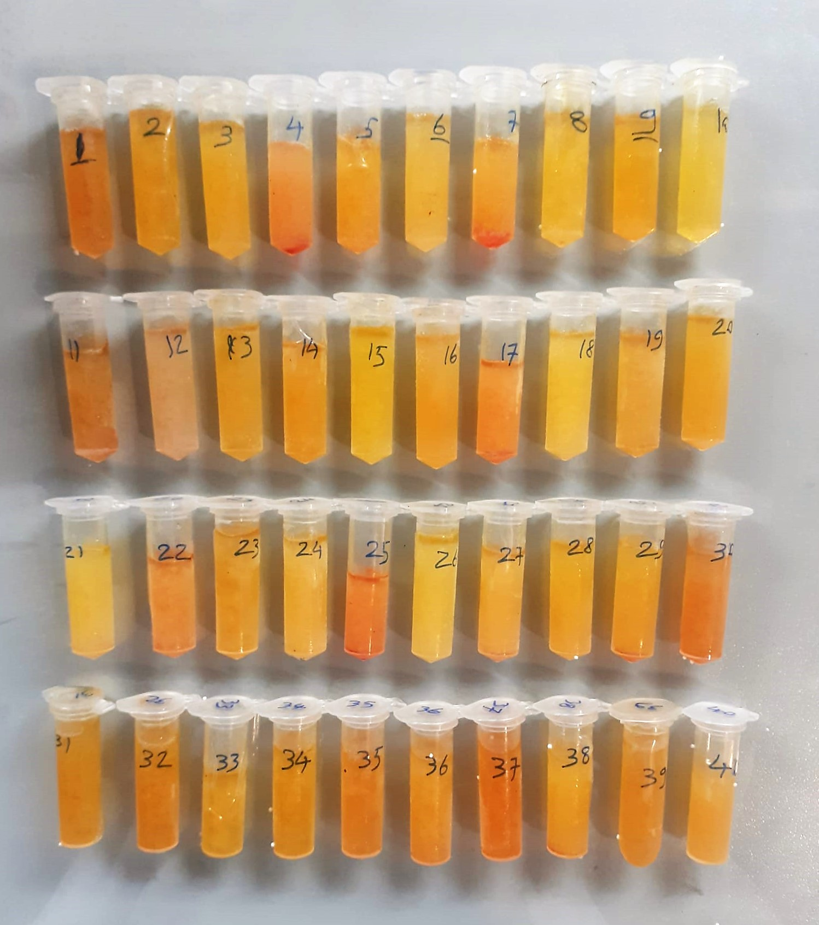

Total Protein g/dl
Colorimetric assay, Sample and addition of Reagent start of the reaction:
Divalent copper reacts in alkaline solution with protein peptide bonds to form the characteristic purple-colored biuret complex.
Sodium potassium tartrate prevents the precipitation of copper hydroxide and potassium iodide prevents auto reduction of copper. alkaline protein + Cu2+ solution Cu-protein complex
The color intensity is directly proportional to the protein concentration which can be determined photometrically.

Albumin g/dl
Colorimetric assay, endpoint method
• Sample and addition of R1
• Start of the reaction:
At a pH value of 4.1 albumin displays a sufficiently cationic character to be able to bind with bromocresol green (BCG), any anionic dyestuff, to form a blue-green complex.
pH 4.1 albumin + BCG albumin BCG- complex
The color intensity of the blue-green color is directly proportional to the albumin concentration and can be determined photometrical

HDL Cholesterol mg/dl
Enzymatic colorimetric test
• Sample and addition of R1
• Addition of R2 and start of reaction
In the first step LDL, VLDL and Chylomicrons are eliminated and transformed to
non reactive compounds and specific condition for the reaction. By the second
reagent only the HDL-Cholesterol is subject to color reaction
Cholesterol Esterase
Cholesterol ester + H2O Cholesterol + fatty acid
Cholesterol Oxidase
Cholesterol + O2 Cholesten-3-on + H2O2
Peroxidase
H2O2 + phenol + 4-aminoantipyrine quinoneimine dye+4 H2O

ALT U/L
UV test according to the IFCC method.
ALT
L-Alanin + 2-Oxoglutarate ⎯⎯ L-Glutamate + Pyruvat

Cholesterol Total mg/dl
Cholesterol ester + H2O Cholesterol + fatty acids
Cholesterol esters are ceaved by the action of choesterol esterase to yield free
choesterol and fatty acids Cholesterol oxidase Cholesterol + O2 Cholesten-3-on + H2O2
Peroxidase
2H2O2 + Phenol + 4-Aminoantipyrine Quinoneimine dye + 4 H2O
Cholesterol is converted by oxygen with the aid of cholesterol oxidase to A4- Cholestenone and hydrogen peroxide.
Hydrogen peroxide created forms a red dyestuff by reacting with 4-aminoantipyrine and phenol under the catalytic action of peroxidase.
The color intensity is directly proportional to the concentration of cholesterol and can be determined photometrically.

Triglycerides mg/dl
Triglycerides in the sample originates, by means of the coupled reactions described below, acoloured complex that can be measured by spectrophotometry.
Triglycerides + H2O lipase Glycerol + Fatty acids
Glycerol + ATP glycerol kinase Glycerol – 3 – P + ADP
Glycerol – 3 –P + O2 G-3-P-oxidase Dihidroxyacetone – P +H2O2
2 H2O2 + 4 – Aminoantipyrine + 4 – Chlorophenol G-3-P-oxidas Quinoneimine + 4 H2O

AST U/L
UV test according to a standarrized method
Sample and addition of R1 (buffer)
Addition of R2 and start of reaction: AST
α-ketoglutarate + L-aspartate L- glutamate + oxaloasetate
AST is the enzyme which catalyzes this equilibrium reaction. The oxaloacetate in- crease is measured in a subsequent indicator reaction which is catalyzed by malate dehydrogenase.
MDH
oxalacetate + NADH + H+ L-Malate + NAD+
In the second reaction, NADH is oxidized to NAD. The rate of decrease in NADH
(Measured photometrically) is directly proportional to the rate of formation of
oxaloasetate, and thus the AST activity.

Urea (BUN) mg/dl
Urea is hydrolysed in presence of urease to produce ammonia and CO2. The ammonia produced combines with 2 – oxoglutarate and NADH in presence of GLDH to yield glutamate and NAD.
urease
Urea+H2O+2H+ 2 NH4+ + 2+ CO2
GLDH
2 NH4+ + 2-Oxoglutarate + 2 NADH H2O + 2 NAD+ + Gl utamate The decrease in absorbance due to consumption of NADH is measured kinetically.

LDL Cholesterol mg/dl
İlk adımda, HDL, VLDL ve Şilomikronlar elimine edilir ve reaksiyon için özel koşulda reaktif olmayan bileşiklere dönüştürülür. İkinci reaktif sadece LDL-kolesterol renk reaksiyonudur.
Kolesterol esteraz
Kolesterol ester + H2O kolesterol + yağ asidi
Kolesterol Oksidaz
Kolesterol + O2 kolesten-3-on + H2O2
peroksidaz
H2O2 + fenol + 4- aminoantipirin kinon boyası +4 H2O

TOTAL ANTIOXDANT STATUS (TAS) (mmol/L)
TAS levels were measured using commercially available kits (Relassay, Turkey). The novel
automated method is based on the bleaching of characteristic color of a more stable ABTS
(2,2 ′ - Azino-bis(3-ethylbenzothiazoline-6-sulfonic acid)) radical cation by antioxidants. The
assay has excellent precision values, which are lower than 3%. The results were expressed as
mmol Trolox equivalent/L (Erel O. A novel automated direct measurement method for total
antioxidant capacity using a new generation, more stable ABTS radicalcation. Clin Biochem
2004;37:277-85.)
(Relassay,Turkey)

TOTAL OXIDANT STATUS (TOS) (µmol/L)
TOS levels were measured using commercially available kits (Relassay, Turkey. In the new
method, oxidants present in the sample oxidized the ferrous ion-o-dianisidine complex to
ferric ion. The oxidation reaction was enhanced by glycerol molecules abundantly present in
the reaction medium. The ferric ion produced a colored complex with xylenol orange in an
acidic medium. The color intensity, which could be measured spectrophotometrically, was
related to the total amount of oxidant molecules present in the sample. The assay was
calibrated with hydrogen peroxide and the results were expressed in terms of
micromolar hydrogen peroxide equivalent per liter (μmol H2O2 equivalent/L). ( Erel O. A
new automated colorimetric method for measuringtotal oxidant status. Clin Biochem
2005;38:1103-11. ).
(Relassay,Turkey)

OXIDATIVE STRESS INDEX (OSI)
The ratio of TOS to TAS was accepted as the oxidative stress index (OSI). For calculation, the
resulting unit of TAS was converted to μmol/L, and the OSI value was calculated according to
the following Formula : OSI (arbitrary unit) =
TOS (μmol H2O2 equivalent/L) / TAC (μmol Trolox equivalent/L). (1-3).
1. Yumru M, Savas HA, Kalenderoglu A, Bulut M, Celik H, Erel O. Oxidative imbalance in
bipolar disorder subtypes: a comparative study. Prog Neuropsychopharmacol Biol Psychiatry.
2009 Aug 31;33(6):1070-4.
2. Kosecik M, Erel O, Sevinc E, Selek S. Increased oxidative stress in children exposed to
passive smoking. Int J Cardiol 2005;100:61–4.
3. (Harma M, Harma M, Erel O (2003) Increased oxidative stress in patients with
hydatidiform mole. Swiss Med Wkly 133:563-536).

