MDA
MDA
2.481 | 10
1.673 | 5
0.994 | 2.5
0.513 | 1.25
0.288 | 0.625
0.122 | 0.312
0 | 0
 | absorbans | abs-blank | expected | result
std1 | 2.511 | 2.481 | 10 | 9.91
std2 | 1.703 | 1.673 | 5 | 5.24
std3 | 1.024 | 0.994 | 2.5 | 2.43
std4 | 0.543 | 0.513 | 1.25 | 1.05
std5 | 0.318 | 0.288 | 0.625 | 0.59
std6 | 0.152 | 0.122 | 0.312 | 0.31
blank | 0.03 | 0 | 0 | 0.15

 |  |  |  |  | concentratıon (nmol/ml)

Numune | absorbans | blank | abs-blank | result(nmol/ml)
K-1 | 0.377 | 0.03 | 0.347 | 0.70
K-2 | 0.498 | 0.03 | 0.468 | 0.95
K-3 | 0.491 | 0.03 | 0.461 | 0.94
K-4 | 0.313 | 0.03 | 0.283 | 0.58
K-5 | 0.206 | 0.03 | 0.176 | 0.40
K-6 | 0.307 | 0.03 | 0.277 | 0.57
K-7 | 0.264 | 0.03 | 0.234 | 0.49
K-8 | 0.14 | 0.03 | 0.11 | 0.30
K-9 | 0.232 | 0.03 | 0.202 | 0.44
K-10 | 0.255 | 0.03 | 0.225 | 0.48
K-11 | 0.207 | 0.03 | 0.177 | 0.40
K-12 | 0.875 | 0.03 | 0.845 | 1.95
K-13 | 0.468 | 0.03 | 0.438 | 0.89
K-14 | 0.217 | 0.03 | 0.187 | 0.41
K-15 | 0.334 | 0.03 | 0.304 | 0.62
K-16 | 0.198 | 0.03 | 0.168 | 0.38
K-17 | 0.246 | 0.03 | 0.216 | 0.46
K-18 | 0.189 | 0.03 | 0.159 | 0.37
K-19 | 0.297 | 0.03 | 0.267 | 0.55
K-20 | 1.359 | 0.03 | 1.329 | 3.69
K-21 | 0.501 | 0.03 | 0.471 | 0.96
K-22 | 0.386 | 0.03 | 0.356 | 0.72
K-23 | 0.282 | 0.03 | 0.252 | 0.52
K-24 | 0.516 | 0.03 | 0.486 | 0.99
K-25 | 0.233 | 0.03 | 0.203 | 0.44
K-26 | 0.468 | 0.03 | 0.438 | 0.89
K-27 | 0.405 | 0.03 | 0.375 | 0.75
K-28 | 0.925 | 0.03 | 0.895 | 2.11
K-29 | 0.65 | 0.03 | 0.62 | 1.32
K-30 | 0.36 | 0.03 | 0.33 | 0.67
K-31 | 0.349 | 0.03 | 0.319 | 0.64
K-32 | 0.427 | 0.03 | 0.397 | 0.80
K-33 | 0.37 | 0.03 | 0.34 | 0.69
K-34 | 0.367 | 0.03 | 0.337 | 0.68
K-35 | 0.26 | 0.03 | 0.23 | 0.48
K-36 | 0.178 | 0.03 | 0.148 | 0.35
K-37 | 0.412 | 0.03 | 0.382 | 0.77
K-38 | 0.344 | 0.03 | 0.314 | 0.64
Sample-1 | 0.903 | 0.03 | 0.873 | 2.04
Sample-2 | 2.015 | 0.03 | 1.985 | 6.87
Sample-3 | 2.204 | 0.03 | 2.174 | 7.97
Sample-4 | 1.822 | 0.03 | 1.792 | 5.84
Sample-5 | 2.29 | 0.03 | 2.26 | 8.49
Sample-6 | 2.162 | 0.03 | 2.132 | 7.72
Sample-7 | 1.729 | 0.03 | 1.699 | 5.37
Sample-8 | 2.266 | 0.03 | 2.236 | 8.34
Sample-9 | 2.173 | 0.03 | 2.143 | 7.78
Sample-10 | 1.412 | 0.03 | 1.382 | 3.91
Sample-11 | 1.449 | 0.03 | 1.419 | 4.07
Sample-12 | 1.453 | 0.03 | 1.423 | 4.09
Sample-13 | 2.272 | 0.03 | 2.242 | 8.38
Sample-14 | 2.23 | 0.03 | 2.2 | 8.12
Sample-15 | 2.049 | 0.03 | 2.019 | 7.06
Sample-16 | 0.577 | 0.03 | 0.547 | 1.14
Sample-17 | 0.65 | 0.03 | 0.62 | 1.32
Sample-18 | 2.316 | 0.03 | 2.286 | 8.65
Sample-19 | 2.085 | 0.03 | 2.055 | 7.27
Sample-20 | 1.878 | 0.03 | 1.848 | 6.13
Sample-21 | 2.169 | 0.03 | 2.139 | 7.76
Sample-22 | 2.117 | 0.03 | 2.087 | 7.45
Sample-23 | 1.662 | 0.03 | 1.632 | 5.04
Sample-24 | 2.198 | 0.03 | 2.168 | 7.93
Sample-25 | 2.156 | 0.03 | 2.126 | 7.68
Sample-26 | 1.995 | 0.03 | 1.965 | 6.76
Sample-27 | 2.107 | 0.03 | 2.077 | 7.40
Sample-28 | 1.151 | 0.03 | 1.121 | 2.88
Sample-29 | 2.019 | 0.03 | 1.989 | 6.90
Sample-30 | 1.421 | 0.03 | 1.391 | 3.95
Sample-31 | 2.177 | 0.03 | 2.147 | 7.81
Sample-32 | 0.925 | 0.03 | 0.895 | 2.11
Sample-33 | 1.786 | 0.03 | 1.756 | 5.65
Sample-34 | 0.444 | 0.03 | 0.414 | 0.84
Sample-35 | 0.346 | 0.03 | 0.316 | 0.64
Sample-36 | 0.631 | 0.03 | 0.601 | 1.27
Sample-37 | 0.922 | 0.03 | 0.892 | 2.10
Sample-38 | 0.633 | 0.03 | 0.603 | 1.27

8-OHdG
0.681 | 0.677 | 1.793 | 2.16 | 1.944 | 1.512 | 2.058 | 1.948 | 1.851 | 1.84 | 2.07 | 2.217
1.043 | 1.023 | 1.991 | 2.221 | 2.113 | 1.841 | 2.173 | 1.907 | 1.583 | 2.235 | 2.083 | 2.241
1.246 | 1.281 | 2.042 | 2.057 | 2.076 | 1.41 | 2.021 | 1.973 | 1.856 | 2.042 | 2.056 | 1.929
1.445 | 1.542 | 1.767 | 1.876 | 2.016 | 1.983 | 2.038 | 1.655 | 1.702 | 2.011 | 1.8 | 1.089
1.541 | 1.688 | 1.752 | 1.985 | 1.928 | 1.635 | 1.904 | 1.746 | 1.664 | 1.751 | 1.935 | 2.041
0.638 | 0.537 | 1.991 | 1.951 | 1.837 | 1.591 | 1.866 | 1.452 | 1.447 | 1.946 | 1.962 | 2.093
2.901 | 2.515 | 1.746 | 1.252 | 1.606 | 1.742 | 1.645 | 1.541 | 1.489 | 1.666 | 1.643 | 2.7
2.844 | 2.578 | 1.686 | 1.992 | 1.532 | 1.784 | 1.769 | 1.583 | 1.255 | 1.528 | 2.105 | 2.48

8-OHdG

 | abs.ort. | abs-blank | expected | result
std1 | 0.679 | 0.092 | 800 | 797.06
std2 | 1.003 | 0.416 | 400 | 407.98
std3 | 1.263 | 0.676 | 200 | 197.97
std4 | 1.493 | 0.906 | 100 | 88.04
std5 | 1.614 | 1.027 | 50 | 58.80
blank | 0.587 | 0 | 0 | 933.30

 |  |  |  |  |  |  |  |  | concentration (ng/ml)

Numune | absorbans | blank | abs-blank | result(ng/ml)
K-1 | 1.793 | 0.587 | 1.206 | 51.69
K-2 | 1.991 | 0.587 | 1.404 | 94.07
K-3 | 2.042 | 0.587 | 1.455 | 113.54
K-4 | 1.767 | 0.587 | 1.18 | 50.05
K-5 | 1.752 | 0.587 | 1.165 | 49.51
K-6 | 1.991 | 0.587 | 1.404 | 94.07
K-7 | 1.746 | 0.587 | 1.159 | 49.38
K-8 | 1.686 | 0.587 | 1.099 | 50.76
K-9 | 2.16 | 0.587 | 1.573 | 172.00
K-10 | 2.221 | 0.587 | 1.634 | 209.57
K-11 | 2.057 | 0.587 | 1.47 | 119.93
K-12 | 1.876 | 0.587 | 1.289 | 63.03
K-13 | 1.985 | 0.587 | 1.398 | 92.01
K-14 | 1.951 | 0.587 | 1.364 | 81.26
K-15 | 1.252 | 0.587 | 0.665 | 205.01
K-16 | 1.992 | 0.587 | 1.405 | 94.42
K-17 | 1.944 | 0.587 | 1.357 | 79.24
K-18 | 2.113 | 0.587 | 1.526 | 146.47
K-19 | 2.076 | 0.587 | 1.489 | 128.46
K-20 | 2.016 | 0.587 | 1.429 | 103.18
K-21 | 1.928 | 0.587 | 1.341 | 74.86
K-22 | 1.837 | 0.587 | 1.25 | 56.55
K-23 | 1.606 | 0.587 | 1.019 | 60.13
K-24 | 1.532 | 0.587 | 0.945 | 76.47
K-25 | 1.512 | 0.587 | 0.925 | 82.15
K-26 | 1.841 | 0.587 | 1.254 | 57.12
K-27 | 1.41 | 0.587 | 0.823 | 119.50
K-28 | 1.983 | 0.587 | 1.396 | 91.34
K-29 | 1.635 | 0.587 | 1.048 | 55.74
K-30 | 1.591 | 0.587 | 1.004 | 62.84
K-31 | 1.742 | 0.587 | 1.155 | 49.32
K-32 | 1.784 | 0.587 | 1.197 | 51.02
K-33 | 2.058 | 0.587 | 1.471 | 120.37
K-34 | 2.173 | 0.587 | 1.586 | 179.58
K-35 | 2.021 | 0.587 | 1.434 | 105.10
K-36 | 2.038 | 0.587 | 1.451 | 111.88
K-37 | 1.904 | 0.587 | 1.317 | 68.95
K-38 | 1.866 | 0.587 | 1.279 | 61.18
Sample-1 | 1.645 | 0.587 | 1.058 | 54.48
Sample-2 | 1.769 | 0.587 | 1.182 | 50.14
Sample-3 | 1.948 | 0.587 | 1.361 | 80.38
Sample-4 | 1.907 | 0.587 | 1.32 | 69.65
Sample-5 | 1.973 | 0.587 | 1.386 | 88.04
Sample-6 | 1.655 | 0.587 | 1.068 | 53.37
Sample-7 | 1.746 | 0.587 | 1.159 | 49.38
Sample-8 | 1.452 | 0.587 | 0.865 | 102.42
Sample-9 | 1.541 | 0.587 | 0.954 | 74.09
Sample-10 | 1.583 | 0.587 | 0.996 | 64.42
Sample-11 | 1.851 | 0.587 | 1.264 | 58.64
Sample-12 | 1.583 | 0.587 | 0.996 | 64.42
Sample-13 | 1.856 | 0.587 | 1.269 | 59.45
Sample-14 | 1.702 | 0.587 | 1.115 | 49.92
Sample-15 | 1.664 | 0.587 | 1.077 | 52.48
Sample-16 | 1.447 | 0.587 | 0.86 | 104.33
Sample-17 | 1.489 | 0.587 | 0.902 | 89.35
Sample-18 | 1.255 | 0.587 | 0.668 | 203.07
Sample-19 | 1.84 | 0.587 | 1.253 | 56.98
Sample-20 | 2.235 | 0.587 | 1.648 | 218.89
Sample-21 | 2.042 | 0.587 | 1.455 | 113.54
Sample-22 | 2.011 | 0.587 | 1.424 | 101.29
Sample-23 | 1.751 | 0.587 | 1.164 | 49.49
Sample-24 | 1.946 | 0.587 | 1.359 | 79.81
Sample-25 | 1.666 | 0.587 | 1.079 | 52.29
Sample-26 | 1.528 | 0.587 | 0.941 | 77.56
Sample-27 | 2.07 | 0.587 | 1.483 | 125.71
Sample-28 | 2.083 | 0.587 | 1.496 | 131.72
Sample-29 | 2.056 | 0.587 | 1.469 | 119.49
Sample-30 | 1.8 | 0.587 | 1.213 | 52.29
Sample-31 | 1.935 | 0.587 | 1.348 | 76.73
Sample-32 | 1.962 | 0.587 | 1.375 | 84.57
Sample-33 | 1.643 | 0.587 | 1.056 | 54.72
Sample-34 | 2.105 | 0.587 | 1.518 | 142.42
Sample-35 | 2.217 | 0.587 | 1.63 | 206.95
Sample-36 | 2.241 | 0.587 | 1.654 | 222.97
Sample-37 | 1.929 | 0.587 | 1.342 | 75.13
Sample-38 | 1.089 | 0.587 | 0.502 | 328.44

Materyal-metod
KİT ADI | TÜR | Numune Türü | MARKA | CAT. NO | Yöntem | Kullanılan Cihaz
MDA( Malondialdehit) | Universal | Serum | Otto Scientific | Otto1001 | Kolorimetrik | REL BIOCHEM-REL ASSAY
8-Hydroxydeoxyguanosine(8-OHdG) | Human | Serum | BT-lab | EA0048Hu | ELİSA | Mıcroplate reader: BIO-TEK EL X 800-Aotu strıp washer:BIO TEK EL X 50

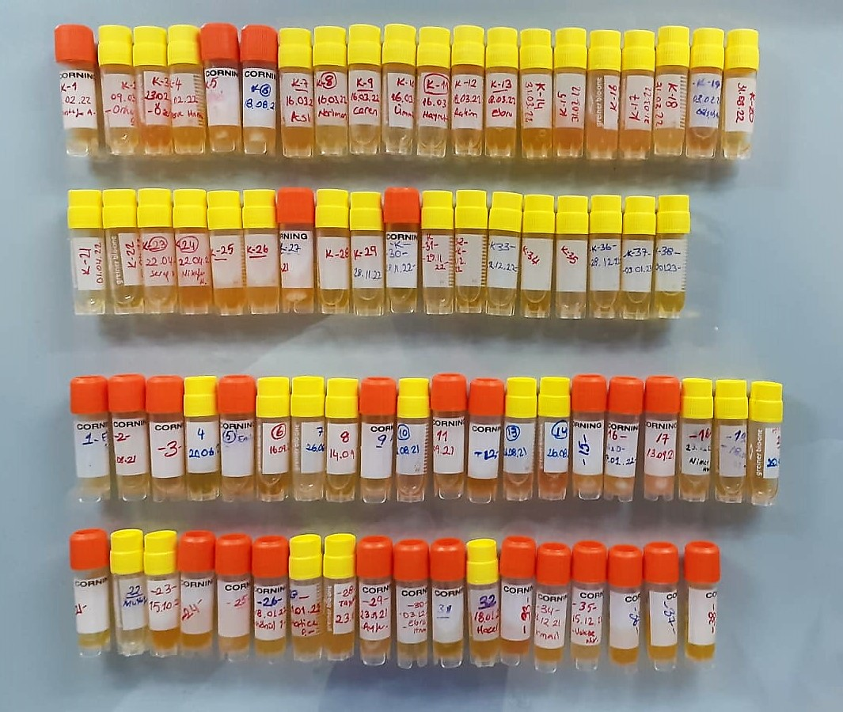

Malondialdehyde (MDA)
The MDA level was determined by a method based
on the reaction with thiobarbituric acid (TBA) at 90–100_C
. In the TBA test reaction, MDA or MDA-like
substances and TBA react with the production of a pink
pigment with a maximum absorption at 532 nm. The
reaction was performed at pH 2–3 at 90_C for 15 min. The
sample was mixed with two volumes of cold 10% (w/v)
trichloroacetic acid for the precipitation of protein. The
precipitate was pelleted by centrifugation, and an aliquot of
the supernatant was reacted with an equal volume of 0.67%
(w/v) TBA in a boiling water bath for 10 min. After
cooling, the absorbance was read at 532 nm.

8OHdG Assay Principle
This kit is an Enzyme-Linked Immunosorbent Assay (ELISA). The plate has been pre-coated with Human 8-OHdG antibody. Human 8-OHdG present in the sample is added and binds to antibodies coated on the wells.
And then biotinylated Human 8-OHdG Antibody is added and binds to Human 8-OHdG in the sample. Then Streptavidin-HRP is added and binds to the Biotinylated Human 8-OHdG antibody.
After incubation unbound Streptavidin-HRP is washed away during a washing step. Substrate solution is then added and color develops in proportion to the amount of Human 8-OHdG.
The reaction is terminated by addition of acidic stop solution and absorbance is measured at 450 nm.

