CASPASE-3
1.518 | 0.181 | 0.163 | 0.172 | 0.234 | 0.233 | 0.272
0.972 | 0.173 | 0.172 | 0.171 | 0.204 | 0.207 | 0.248
0.623 | 0.199 | 0.161 | 0.19 | 0.244 | 0.233 | 0.201
0.425 | 0.176 | 0.179 | 0.244 | 0.247 | 0.243 | 0.251
0.231 | 0.166 | 0.191 | 0.176 | 0.191 | 0.233 | 0.287
0.11 | 0.169 | 0.186 | 0.194 | 0.184 | 0.203 | 0.296
0.138 | 0.185 | 0.208 | 0.199 | 0.228 | 0.172 | 0.293
0.129 | 0.233 | 0.213 | 0.172 | 0.219 | 0.184 | 0.133

CASPASE-3

 | abs | abs-blank | expected | result
std1 | 1.518 | 1.408 | 6.4 | 6.41
std2 | 0.972 | 0.862 | 3.2 | 3.16
std3 | 0.623 | 0.513 | 1.6 | 1.60
std4 | 0.425 | 0.315 | 0.8 | 0.89
std5 | 0.231 | 0.121 | 0.4 | 0.32
blank | 0.11 | 0 | 0 | 0.02

 |  |  |  |  |  |  | concentratıon (ng/ml)

Numune | absorbans | blank | abs-blank | result(ng/ml)
SERUM-A-1 | 0.181 | 0.11 | 0.071 | 0.19
SERUM-A-2 | 0.173 | 0.11 | 0.063 | 0.17
SERUM-A-3 | 0.199 | 0.11 | 0.089 | 0.23
SERUM-A-4 | 0.176 | 0.11 | 0.066 | 0.18
SERUM-A-5 | 0.166 | 0.11 | 0.056 | 0.15
SERUM-A-6 | 0.169 | 0.11 | 0.059 | 0.16
SERUM-A-7 | 0.185 | 0.11 | 0.075 | 0.20
SERUM-A-8 | 0.233 | 0.11 | 0.123 | 0.32
SERUM-A-9 | 0.163 | 0.11 | 0.053 | 0.15
SERUM-A-10 | 0.172 | 0.11 | 0.062 | 0.17
SERUM-A-11 | 0.161 | 0.11 | 0.051 | 0.14
SERUM-A-12 | 0.179 | 0.11 | 0.069 | 0.18
SERUM-B-1 | 0.191 | 0.11 | 0.081 | 0.21
SERUM-B-2 | 0.186 | 0.11 | 0.076 | 0.20
SERUM-B-3 | 0.208 | 0.11 | 0.098 | 0.26
SERUM-B-4 | 0.213 | 0.11 | 0.103 | 0.27
SERUM-B-5 | 0.172 | 0.11 | 0.062 | 0.17
SERUM-B-6 | 0.171 | 0.11 | 0.061 | 0.16
SERUM-B-7 | 0.19 | 0.11 | 0.08 | 0.21
SERUM-B-8 | 0.244 | 0.11 | 0.134 | 0.35
SERUM-B-9 | 0.176 | 0.11 | 0.066 | 0.18
SERUM-B-10 | 0.194 | 0.11 | 0.084 | 0.22
SERUM-B-11 | 0.199 | 0.11 | 0.089 | 0.23
SERUM-B-12 | 0.172 | 0.11 | 0.062 | 0.17
DOKU-A-1 | 0.234 | 0.11 | 0.124 | 0.32
DOKU-A-2 | 0.204 | 0.11 | 0.094 | 0.25
DOKU-A-3 | 0.244 | 0.11 | 0.134 | 0.35
DOKU-A-4 | 0.247 | 0.11 | 0.137 | 0.36
DOKU-A-5 | 0.191 | 0.11 | 0.081 | 0.21
DOKU-A-6 | 0.184 | 0.11 | 0.074 | 0.20
DOKU-A-7 | 0.228 | 0.11 | 0.118 | 0.31
DOKU-A-8 | 0.219 | 0.11 | 0.109 | 0.29
DOKU-A-9 | 0.233 | 0.11 | 0.123 | 0.32
DOKU-A-10 | 0.207 | 0.11 | 0.097 | 0.25
DOKU-A-11 | 0.233 | 0.11 | 0.123 | 0.32
DOKU-A-12 | 0.243 | 0.11 | 0.133 | 0.35
DOKU-B-1 | 0.233 | 0.11 | 0.123 | 0.32
DOKU-B-2 | 0.203 | 0.11 | 0.093 | 0.24
DOKU-B-3 | 0.172 | 0.11 | 0.062 | 0.17
DOKU-B-4 | 0.184 | 0.11 | 0.074 | 0.20
DOKU-B-5 | 0.272 | 0.11 | 0.162 | 0.43
DOKU-B-6 | 0.248 | 0.11 | 0.138 | 0.36
DOKU-B-7 | 0.201 | 0.11 | 0.091 | 0.24
DOKU-B-8 | 0.251 | 0.11 | 0.141 | 0.37
DOKU-B-9 | 0.287 | 0.11 | 0.177 | 0.47
DOKU-B-10 | 0.296 | 0.11 | 0.186 | 0.49
DOKU-B-11 | 0.293 | 0.11 | 0.183 | 0.49
DOKU-B-12 | 0.133 | 0.11 | 0.023 | 0.07

TNF-A
1.554 | 0.151 | 0.17 | 0.173 | 0.246 | 0.26 | 0.355
0.935 | 0.149 | 0.163 | 0.161 | 0.177 | 0.231 | 0.231
0.545 | 0.158 | 0.156 | 0.147 | 0.235 | 0.266 | 0.214
0.358 | 0.145 | 0.162 | 0.16 | 0.198 | 0.299 | 0.191
0.214 | 0.148 | 0.151 | 0.159 | 0.216 | 0.288 | 0.288
0.096 | 0.148 | 0.145 | 0.164 | 0.208 | 0.234 | 0.242
0.127 | 0.161 | 0.16 | 0.152 | 0.222 | 0.228 | 0.269
0.118 | 0.139 | 0.156 | 0.141 | 0.206 | 0.185 | 0.311

TNF-A

 | abs | abs-blank | expected | result
std1 | 1.554 | 1.458 | 640 | 639.96
std2 | 0.935 | 0.839 | 320 | 320.79
std3 | 0.545 | 0.449 | 160 | 155.65
std4 | 0.358 | 0.262 | 80 | 86.33
std5 | 0.214 | 0.118 | 40 | 37.30
blank | 0.096 | 0 | 0 | -0.05

 |  |  |  |  |  |  | concentratıon (ng/L)

Numune | absorbans | blank | abs-blank | result(ng/L)
SERUM-A-1 | 0.151 | 0.096 | 0.055 | 17.05
SERUM-A-2 | 0.149 | 0.096 | 0.053 | 16.42
SERUM-A-3 | 0.158 | 0.096 | 0.062 | 19.26
SERUM-A-4 | 0.145 | 0.096 | 0.049 | 15.16
SERUM-A-5 | 0.148 | 0.096 | 0.052 | 16.10
SERUM-A-6 | 0.148 | 0.096 | 0.052 | 16.10
SERUM-A-7 | 0.161 | 0.096 | 0.065 | 20.21
SERUM-A-8 | 0.139 | 0.096 | 0.043 | 13.27
SERUM-A-9 | 0.17 | 0.096 | 0.074 | 23.08
SERUM-A-10 | 0.163 | 0.096 | 0.067 | 20.85
SERUM-A-11 | 0.156 | 0.096 | 0.06 | 18.63
SERUM-A-12 | 0.162 | 0.096 | 0.066 | 20.53
SERUM-B-1 | 0.151 | 0.096 | 0.055 | 17.05
SERUM-B-2 | 0.145 | 0.096 | 0.049 | 15.16
SERUM-B-3 | 0.16 | 0.096 | 0.064 | 19.90
SERUM-B-4 | 0.156 | 0.096 | 0.06 | 18.63
SERUM-B-5 | 0.173 | 0.096 | 0.077 | 24.04
SERUM-B-6 | 0.161 | 0.096 | 0.065 | 20.21
SERUM-B-7 | 0.147 | 0.096 | 0.051 | 15.79
SERUM-B-8 | 0.16 | 0.096 | 0.064 | 19.90
SERUM-B-9 | 0.159 | 0.096 | 0.063 | 19.58
SERUM-B-10 | 0.164 | 0.096 | 0.068 | 21.17
SERUM-B-11 | 0.152 | 0.096 | 0.056 | 17.36
SERUM-B-12 | 0.141 | 0.096 | 0.045 | 13.90
DOKU-A-1 | 0.246 | 0.096 | 0.15 | 47.87
DOKU-A-2 | 0.177 | 0.096 | 0.081 | 25.32
DOKU-A-3 | 0.235 | 0.096 | 0.139 | 44.22
DOKU-A-4 | 0.198 | 0.096 | 0.102 | 32.09
DOKU-A-5 | 0.216 | 0.096 | 0.12 | 37.96
DOKU-A-6 | 0.208 | 0.096 | 0.112 | 35.34
DOKU-A-7 | 0.222 | 0.096 | 0.126 | 39.93
DOKU-A-8 | 0.206 | 0.096 | 0.11 | 34.69
...

IL-6
0.946 | 1.167 | 0.966 | 0.822 | 0.955 | 1.213
0.892 | 0.937 | 0.925 | 0.595 | 0.932 | 1.036
1.078 | 1.157 | 1.131 | 0.818 | 0.98 | 1.204
0.884 | 1.174 | 1.272 | 1.014 | 1.162 | 1.212
0.849 | 1.129 | 1.269 | 0.574 | 1.018 | 1.055
0.77 | 0.989 | 1.405 | 0.619 | 0.814 | 0.437
0.973 | 1.167 | 1.343 | 0.78 | 0.575 | 0.633
1.092 | 1.332 | 0.846 | 0.8 | 0.585 | 0.329

IL-6

abs | abs-blank | expected | result
2.932 | 2.837 | 24 | 24.02
1.92 | 1.825 | 12 | 11.94
1.23 | 1.135 | 6 | 5.93
0.822 | 0.727 | 3 | 3.24
0.457 | 0.362 | 1.5 | 1.36
0.095 | 0 | 0 | 0.00

 |  |  |  |  |  | concentration (ng/L)

absorbans | blank | abs-blank | result(ng/L)
0.946 | 0.095 | 0.851 | 3.99
0.892 | 0.095 | 0.797 | 3.66
1.078 | 0.095 | 0.983 | 4.86
0.884 | 0.095 | 0.789 | 3.61
...

Glutathione reductase
0.237 | 0.207 | 0.223 | 0.205 | 0.163 | 0.219
0.173 | 0.156 | 0.202 | 0.217 | 0.183 | 0.22
0.186 | 0.158 | 0.208 | 0.319 | 0.283 | 0.308
0.157 | 0.179 | 0.23 | 0.291 | 0.284 | 0.299
0.151 | 0.183 | 0.202 | 0.15 | 0.248 | 0.385
0.148 | 0.164 | 0.16 | 0.172 | 0.272 | 0.226
0.174 | 0.19 | 0.287 | 0.216 | 0.344 | 0
0.156 | 0.192 | 0.191 | 0.214 | 0.447 | 0

GR

abs | abs-blank | expected | result
2.543 | 2.462 | 120 | 126.50
1.294 | 1.213 | 60 | 61.36
0.695 | 0.614 | 30 | 30.71
0.379 | 0.298 | 15 | 14.70
0.248 | 0.167 | 7.5 | 8.09
0.081 | 0 | 0 | -0.31

 |  |  |  |  |  | concentration (ng/ml)

absorbans | blank | abs-blank | result(ng/ml)
0.16 | 0.081 | 0.079 | 3.66
0.199 | 0.081 | 0.118 | 5.62
0.237 | 0.081 | 0.156 | 7.54
0.173 | 0.081 | 0.092 | 4.32
...

HYP
0.436 | 0.29 | 0.262 | 0.266 | 0.469 | 0.623
0.308 | 0.251 | 0.229 | 0.318 | 0.457 | 0.453
0.331 | 0.348 | 0.277 | 0.615 | 0.657 | 0.602
0.259 | 0.312 | 0.335 | 0.601 | 0.636 | 0.525
0.293 | 0.35 | 0.375 | 0.597 | 0.479 | 0.736
0.252 | 0.284 | 0.203 | 0.462 | 0.369 | 0.658
0.316 | 0.398 | 0.682 | 0.5 | 0.554 | 0.107
0.383 | 0.413 | 1.367 | 0.516 | 0.618 | 0.091

HYP

abs | abs-blank | expected | result
2.398 | 2.294 | 2400 | 2401.69
1.522 | 1.418 | 1200 | 1195.54
0.941 | 0.837 | 600 | 592.54
0.615 | 0.511 | 300 | 323.00
0.345 | 0.241 | 150 | 137.20
0.104 | 0 | 0 | 0.01

 |  |  |  |  |  | concentration (ng/L)

absorbans | blank | abs-blank | result(ng/L)
0.333 | 0.104 | 0.229 | 129.73
0.39 | 0.104 | 0.286 | 165.81
0.436 | 0.104 | 0.332 | 196.03
...

CAT
0.717 | 1.149 | 0.756 | 0.701 | 0.905 | 0.57
0.641 | 1.112 | 0.763 | 0.657 | 0.841 | 0.62
0.673 | 1.359 | 0.651 | 0.801 | 1.134 | 0.675
0.605 | 1.306 | 0.801 | 0.779 | 0.84 | 0.792
0.525 | 1.248 | 0.914 | 0.984 | 0.678 | 0.573
0.589 | 1.14 | 0.499 | 0.85 | 0.81 | 0.633
0.609 | 1.204 | 0.583 | 1.042 | 0.854 | 0.034
CAT
0.546 | 1.298 | 0.382 | 0.46 | 1.046 | 0.036

abs | abs-blank | expected | result
2.548 | 2.487 | 160 | 159.56
1.774 | 1.713 | 80 | 81.46
1.181 | 1.12 | 40 | 39.02
0.778 | 0.717 | 20 | 18.81
0.569 | 0.508 | 10 | 11.07
0.061 | 0 | 0 | 0.08

 |  |  |  |  |  | concentration (ng/ml)

absorbans | blank | abs-blank | result(ng/ml)
0.814 | 0.061 | 0.753 | 20.33
0.874 | 0.061 | 0.813 | 22.99
...

MDA
MDA
2.481 | 100
1.673 | 50
0.994 | 25
0.513 | 12.5
0.288 | 6.25
0.122 | 3.125
0 | 0
MDA
2.481 | 100
1.673 | 50
0.994 | 25
0.513 | 12.5
0.288 | 6.25
0.122 | 3.125
0 | 0
 | absorbans | abs-blank | expected | result
std1 | 2.511 | 2.481 | 100 | 99.11
std2 | 1.703 | 1.673 | 50 | 52.40
std3 | 1.024 | 0.994 | 25 | 24.30
std4 | 0.543 | 0.513 | 12.5 | 10.55
std5 | 0.318 | 0.288 | 6.25 | 5.87
std6 | 0.152 | 0.122 | 3.125 | 3.14
blank | 0.03 | 0 | 0 | 1.51

 |  |  |  |  | concentratıon (nmol/L)

Numune | absorbans | blank | abs-blank | result(nmol/L)
SERUM-A-1 | 1.764 | 0.03 | 1.734 | 55.43
SERUM-A-2 | 1.142 | 0.03 | 1.112 | 28.45
SERUM-A-3 | 0.705 | 0.03 | 0.675 | 14.61
SERUM-A-4 | 0.609 | 0.03 | 0.579 | 12.13
SERUM-A-5 | 0.398 | 0.03 | 0.368 | 7.41
...

Materyal-metod
...
KİT ADI | TÜR | MARKA | CAT. NO | Yöntem | Kullanılan Cihaz
Hydroxyproline (HYP) | Rat | BT-lab | E0511Ra | ELİSA | Mıcroplate reader: BIO-TEK EL X 800-Aotu strıp washer:BIO TEK EL X 52
Glutathione Reductase (GR) | Rat | BT-lab | E1085Ra | ELİSA | Mıcroplate reader: BIO-TEK EL X 800-Aotu strıp washer:BIO TEK EL X 53
MDA: Malondialdehit | Universal | Otto Scientific | Otto1001 | Kolorimetrik | REL BIOCHEM-REL ASSAY
SOD: Super Oxıde Dismutase | Universal | REL ASSAY | RLD0123 | Kolorimetrik | MINDRAY-BS400
MPO: Myeloperoxidase | Universal | REL ASSAY | Otto3048 | Kolorimetrik | MINDRAY-BS400
AST: Aspartat Aminotransferaz | Universal | Otto Scientific | OttoBC127 | Kolorimetrik | MINDRAY-BS400
ALT: Alanin aminotransferaz | Universal | Otto Scientific | OttoBC128 | Kolorimetrik | MINDRAY-BS400
N.O: Nitric Oxide | Universal | Elabscıence | E-BC-K035-S | Kolorimetrik | REL BIOCHEM-REL ASSAY
NOT: Dokular 1/9 oranında( 0,1 gr doku: 0,9ml 140 mmol. lık KCl) Potasyum Klorür tamponu ile homojenize edildikten sonra 7000 rpm + 4' de 5 dk santrifüj edildi.

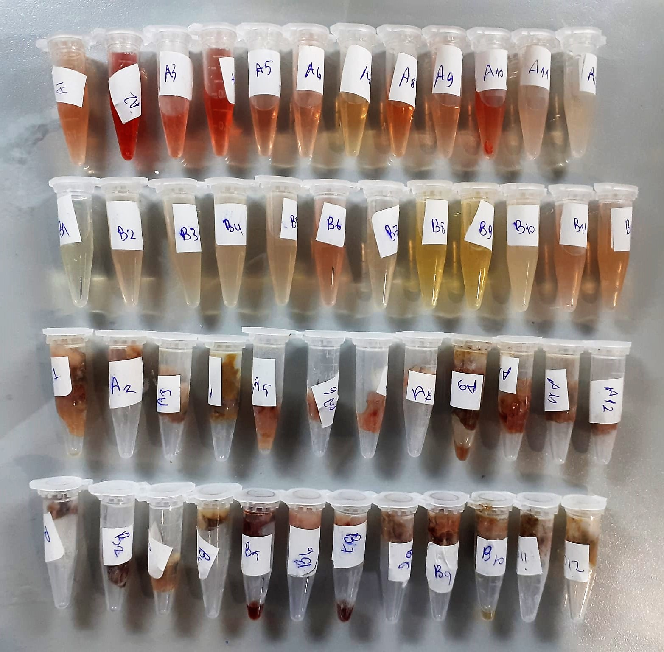

TNF-Alfa Assay Principle
This kit is an Enzyme-Linked Immunosorbent Assay (ELISA). The plate has been pre-coated with Rat TNFA antibody. TNFA present in the sample is added and binds to antibodies coated on the wells.
And then biotinylated Rat TNFA Antibody is added and binds to TNFA in the sample. Then Streptavidin-HRP is added and binds to the Biotinylated TNFA antibody.
After incubation unbound Streptavidin-HRP is washed away during a washing step. Substrate solution is then added and color develops in proportion to the amount of Rat TNFA.
The reaction is terminated by addition of acidic stop solution and absorbance is measured at 450 nm.

CASPASE-3 Assay Principle
This kit is an Enzyme-Linked Immunosorbent Assay (ELISA). The plate has been pre-coated with Rat CASP3 antibody. CASP3 present in the sample is added and binds to antibodies coated on the wells.
And then biotinylated Rat CASP3 Antibody is added and binds to CASP3 in the sample. Then Streptavidin-HRP is added and binds to the Biotinylated CASP3 antibody.
...

