Rat Insulin
2.985 | 0.707 | 0.7 | 0.534 | 0.617 | 0.614
1.892 | 0.599 | 0.727 | 0.487 | 0.521 | 0.506
1.36 | 0.684 | 0.583 | 0.521 | 0.695 | 0.577
0.834 | 0.728 | 0.758 | 0.6 | 0.528 | 0.481
0.525 | 0.73 | 0.696 | 0.551 | 0.634 | 0.571
0.351 | 0.679 | 0.574 | 0.581 | 0.636 | 0.547
Insulin
0.069 | 0.67 | 0.629 | 0.583 | 0.599 | 0.686
0.071 | 0.668 | 0.669 | 0.435 | 0.563 | 0.589

 | abs | abs-blank | expected | result
std1 | 2.985 | 2.915 | 48 | 48.32
std2 | 1.892 | 1.822 | 24 | 22.52
std3 | 1.36 | 1.29 | 12 | 13.24
std4 | 0.834 | 0.764 | 6 | 6.18
std5 | 0.525 | 0.455 | 3 | 3.01
std6 | 0.351 | 0.281 | 1.5 | 1.55
blank | 0.07 | 0 | 0 | -0.33

 |  |  |  |  |  | concentratıon (mlU/L)

Numune | absorbans | blank | abs-blank | Sonuç(mlU/L)
11 | 0.707 | 0.07 | 0.637 | 4.79
12 | 0.599 | 0.07 | 0.529 | 3.71
13 | 0.684 | 0.07 | 0.614 | 4.55
14 | 0.728 | 0.07 | 0.658 | 5.01
15 | 0.73 | 0.07 | 0.66 | 5.03
16 | 0.679 | 0.07 | 0.609 | 4.50
21 | 0.67 | 0.07 | 0.6 | 4.41
22 | 0.668 | 0.07 | 0.598 | 4.39
23 | 0.7 | 0.07 | 0.63 | 4.72
25 | 0.727 | 0.07 | 0.657 | 5.00
26 | 0.583 | 0.07 | 0.513 | 3.55
31 | 0.758 | 0.07 | 0.688 | 5.34
32 | 0.696 | 0.07 | 0.626 | 4.68
33 | 0.574 | 0.07 | 0.504 | 3.47
34 | 0.629 | 0.07 | 0.559 | 4.00
35 | 0.669 | 0.07 | 0.599 | 4.40
42 | 0.534 | 0.07 | 0.464 | 3.10
43 | 0.487 | 0.07 | 0.417 | 2.68
44 | 0.521 | 0.07 | 0.451 | 2.98
45 | 0.6 | 0.07 | 0.53 | 3.72
55 | 0.551 | 0.07 | 0.481 | 3.25
61 | 0.581 | 0.07 | 0.511 | 3.53
62 | 0.583 | 0.07 | 0.513 | 3.55
63 | 0.435 | 0.07 | 0.365 | 2.23
64 | 0.617 | 0.07 | 0.547 | 3.88
66 | 0.521 | 0.07 | 0.451 | 2.98
71 | 0.695 | 0.07 | 0.625 | 4.67
72 | 0.528 | 0.07 | 0.458 | 3.04
73 | 0.634 | 0.07 | 0.564 | 4.05
75 | 0.636 | 0.07 | 0.566 | 4.07
75 | 0.599 | 0.07 | 0.529 | 3.71
76 | 0.563 | 0.07 | 0.493 | 3.37
81 | 0.614 | 0.07 | 0.544 | 3.85
82 | 0.506 | 0.07 | 0.436 | 2.84
83 | 0.577 | 0.07 | 0.507 | 3.50
84 | 0.481 | 0.07 | 0.411 | 2.62
86 | 0.571 | 0.07 | 0.501 | 3.44
91 | 0.547 | 0.07 | 0.477 | 3.22
92 | 0.686 | 0.07 | 0.616 | 4.57
94 | 0.589 | 0.07 | 0.519 | 3.61

Materyal-metod
KİT ADI | TÜR | MARKA | CAT. NO | Yöntem | Kullanılan Cihaz
Insulin | Rat | BT | E0707Ra | ELİSA | Mıcroplate reader: BIO-TEK EL X 800-Aotu strıp washer:BIO TEK EL X 50
CHOL: Total Cholesterol | Universal | REL ASSAY | RLB248 | Kolorimetrik | MINDRAY BS-400
TG: Triglycerides | Universal | REL ASSAY | RLB257 | Kolorimetrik | MINDRAY BS-400

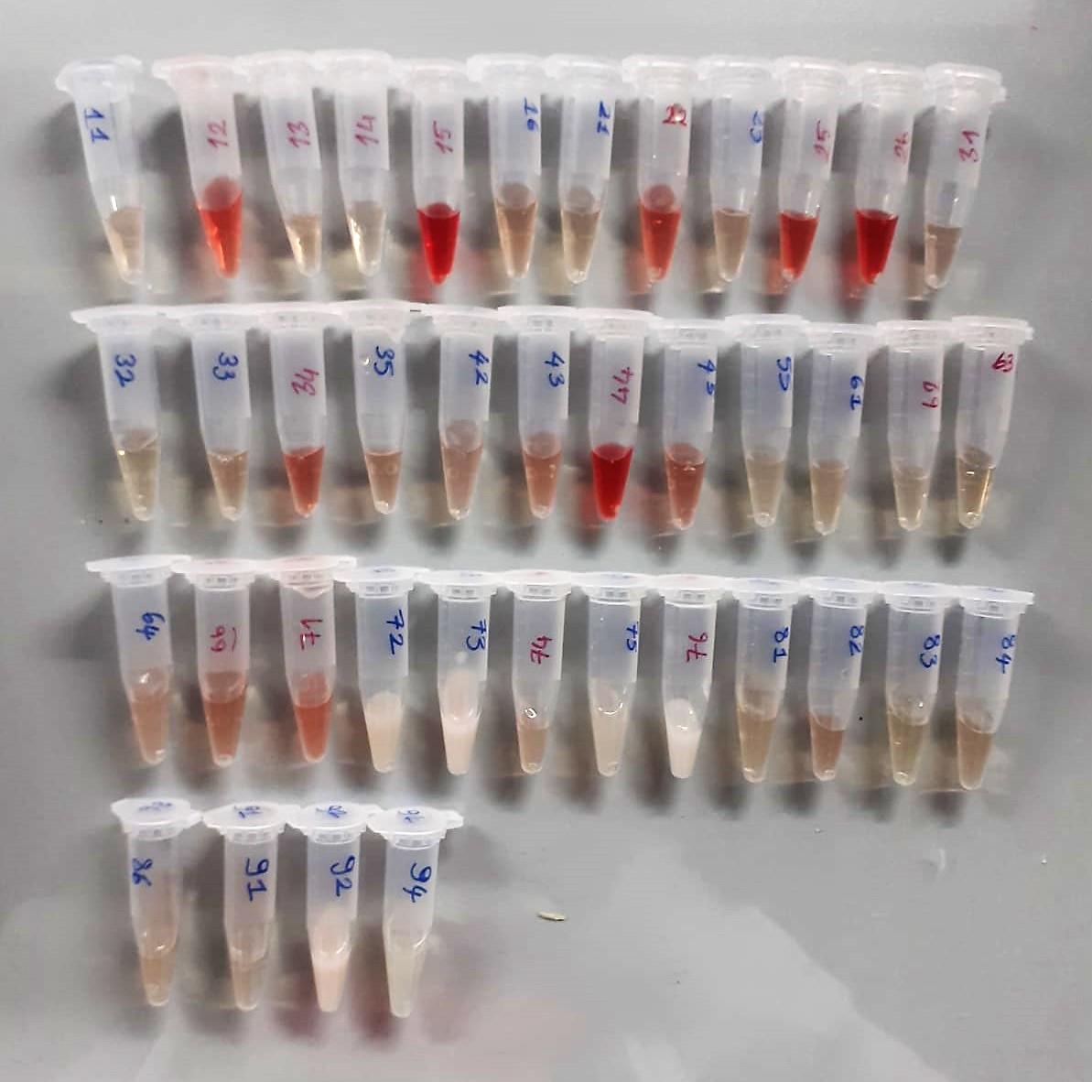

Cholesterol Total mg/dl
Cholesterol ester + H2O Cholesterol + fatty acids
Cholesterol esters are ceaved by the action of choesterol esterase to yield free
choesterol and fatty acids Cholesterol oxidase Cholesterol + O2 Cholesten-3-on + H2O2
Peroxidase
2H2O2 + Phenol + 4-Aminoantipyrine Quinoneimine dye + 4 H2O
Cholesterol is converted by oxygen with the aid of cholesterol oxidase to A4- Cholestenone and hydrogen peroxide.
Hydrogen peroxide created forms a red dyestuff by reacting with 4-aminoantipyrine and phenol under the catalytic action of peroxidase.
The color intensity is directly proportional to the concentration of cholesterol and can be determined photometrically.

Triglycerides mg/dl
Triglycerides in the sample originates, by means of the coupled reactions described below, acoloured complex that can be measured by spectrophotometry.
Triglycerides + H2O lipase Glycerol + Fatty acids
Glycerol + ATP glycerol kinase Glycerol – 3 – P + ADP
Glycerol – 3 –P + O2 G-3-P-oxidase Dihidroxyacetone – P +H2O2
2 H2O2 + 4 – Aminoantipyrine + 4 – Chlorophenol G-3-P-oxidas Quinoneimine + 4 H2O

Rat Insulin Assay Principle
This kit is an Enzyme-Linked Immunosorbent Assay (ELISA). The plate has been pre-coated with Rat INS antibody. Rat INS present in the sample is added and binds to antibodies coated on the wells.
And then biotinylated Rat INS Antibody is added and binds to Rat INS in the sample. Then Streptavidin-HRP is added and binds to the Biotinylated Rat INS antibody
After incubation unbound Streptavidin-HRP is washed away during a washing step. Substrate solution is then added and color develops in proportion to the amount of Rat INS.

