Biyokimya
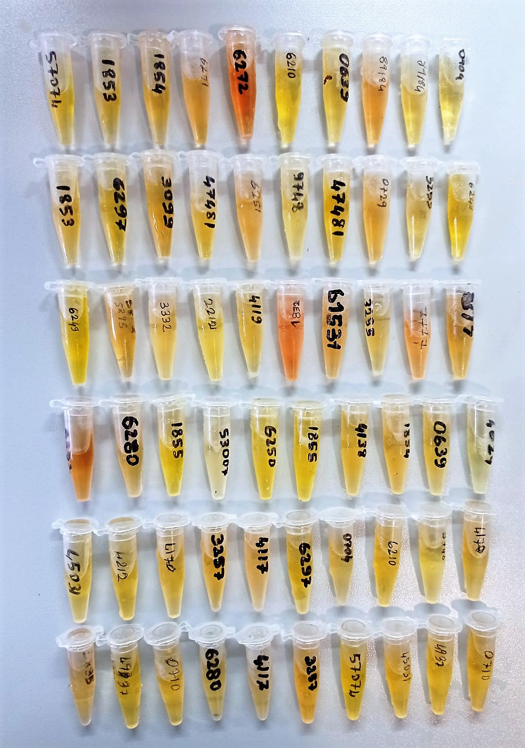
Numune Adı | ALP (U/L) | TP (g/dl) | ALB (g/dl) | HDL (mg/dl) | CRP (mg/L) | NOT
1 | 79 | 8.46 | 2.57 | 113.6 | 0.31
2 | 29 | 6.42 | 2.77 | 127.6 | 0.29
3 | 6 | 6.72 | 2.68 | 95.9 | 0.37 | hemolizli
4 | 53 | 7.17 | 2.86 | 119.5 | 0.39
5 | 81 | 6.46 | 2.56 | 78.5 | 0.29
6 | 68 | 7 | 2.49 | 96.5 | 0.33
7 | 113 | 9.46 | 3.3 | 125.5 | 0.46
8 | 137 | 10.14 | 3.86 | 164.7 | 0.44
9 | 115 | 6.97 | 2.77 | 75.8 | 0.37
10 | 84 | 6.5 | 2.76 | 94.5 | 0.35
11 | 127 | 11.5 | 4.42 | 151.4 | 0.33
12 | 112 | 6.35 | 2.9 | 88.7 | 0.42
13 | 142 | 6.48 | 3.06 | 87.8 | 0.36
14 | 13 | 9.07 | 2.61 | 83 | 0.4
15 | 91 | 7.59 | 2.58 | 110.7 | 0.34
16 | 57 | 6.81 | 2.34 | 105.3 | 0.52
17 | 73 | 5.72 | 2.56 | 101.6 | 0.49
18 | 164 | 6.1 | 2.49 | 119.3 | 0.42
19 | 76 | 6.9 | 3.09 | 94.6 | 0.32
20 | 64 | 7.45 | 2.92 | 88.6 | 0.39
21 | 84 | 8.4 | 2.72 | 100.6 | 0.3
22 | 93 | 9.76 | 2.53 | 69 | 0.38
23 | 90 | 6.53 | 2.4 | 77.4 | 0.34
24 | 94 | 5.83 | 2.22 | 69.7 | 0.25
25 | 72 | 7.39 | 2.49 | 125 | 0.35
26 | 68 | 5.62 | 2.24 | 128.1 | 0.39
27 | 131 | 6.65 | 2.57 | 74.1 | 0.54
28 | 78 | 8.54 | 2.53 | 80.8 | 0.35
29 | 62 | 7.27 | 2.36 | 74.6 | 0.3
30 | 91 | 7.9 | 2.68 | 97 | 0.35
31 | 102 | 7.72 | 2.61 | 92.2 | 0.32
32 | 94 | 6.45 | 2.45 | 66.2 | 0.28
33 | 119 | 9.06 | 2.81 | 81.9 | 0.32
34 | 141 | 11.77 | 3.51 | 121 | 0.36
35 | 119 | 8.35 | 2.89 | 86.9 | 0.32
36 | 564 | 6.59 | 2.3 | 41.8 | 0.52 | lipemi
37 | 491 | 6.52 | 2.62 | 50.3 | 0.2 | lipemi
38 | 427 | 7.61 | 2.4 | 42.8 | 0.57 | lipemi
39 | 113 | 7.98 | 3.23 | 92.4 | 0.35
40 | 155 | 7.67 | 2.79 | 82 | 0.19

Materyal-metod
KİT ADI | TÜR | MARKA | Yöntem | Kullanılan Cihaz
TP: Total protein | Universal | REL ASSAY | Kolorimetrik | MINDRAY-BS400
ALB: Albumin | Universal | REL ASSAY | Kolorimetrik | MINDRAY-BS400
HDL: HDL Cholesterol | Universal | REL ASSAY | Kolorimetrik | MINDRAY BS-400
ALP: Alkaline Phosphatase | Universal | REL ASSAY | Kolorimetrik | MINDRAY-BS400
CRP: C- Reactive Protein | Universal | REL ASSAY | Kolorimetrik | MINDRAY-BS400

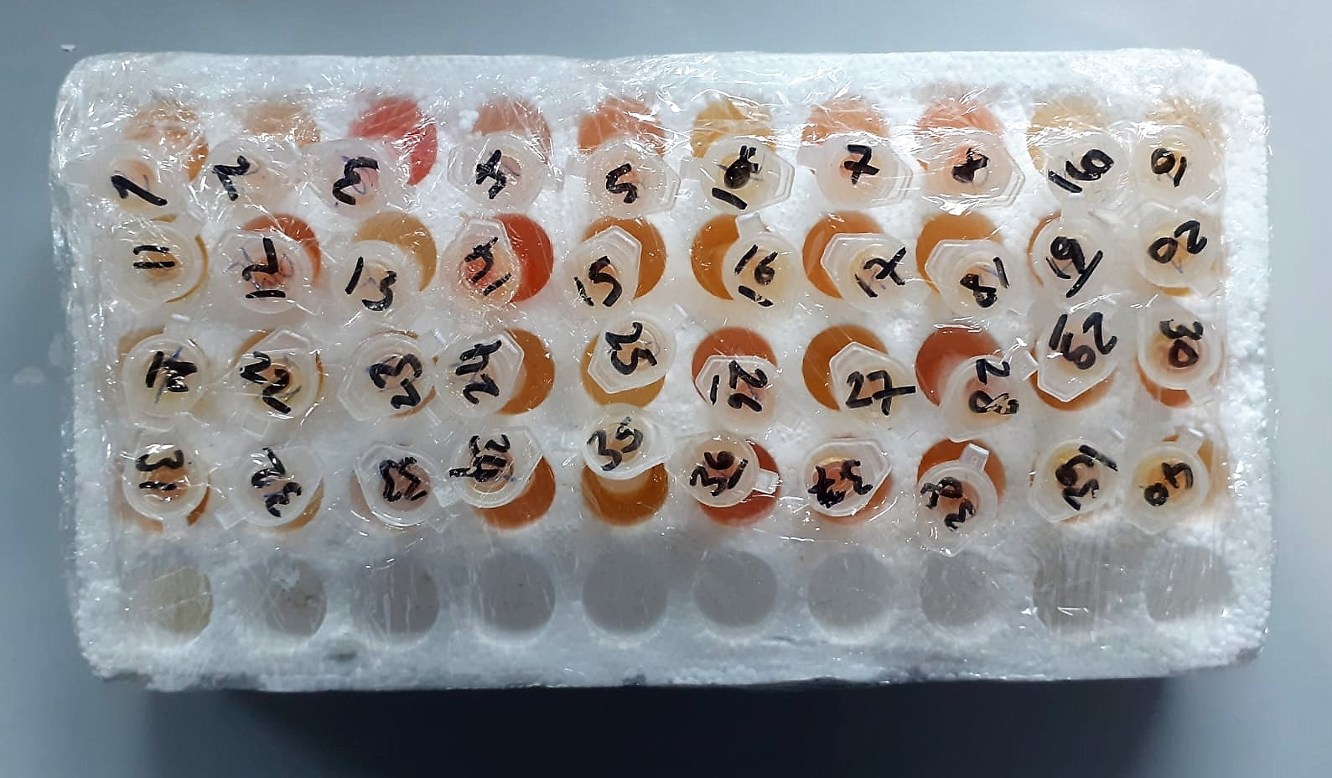

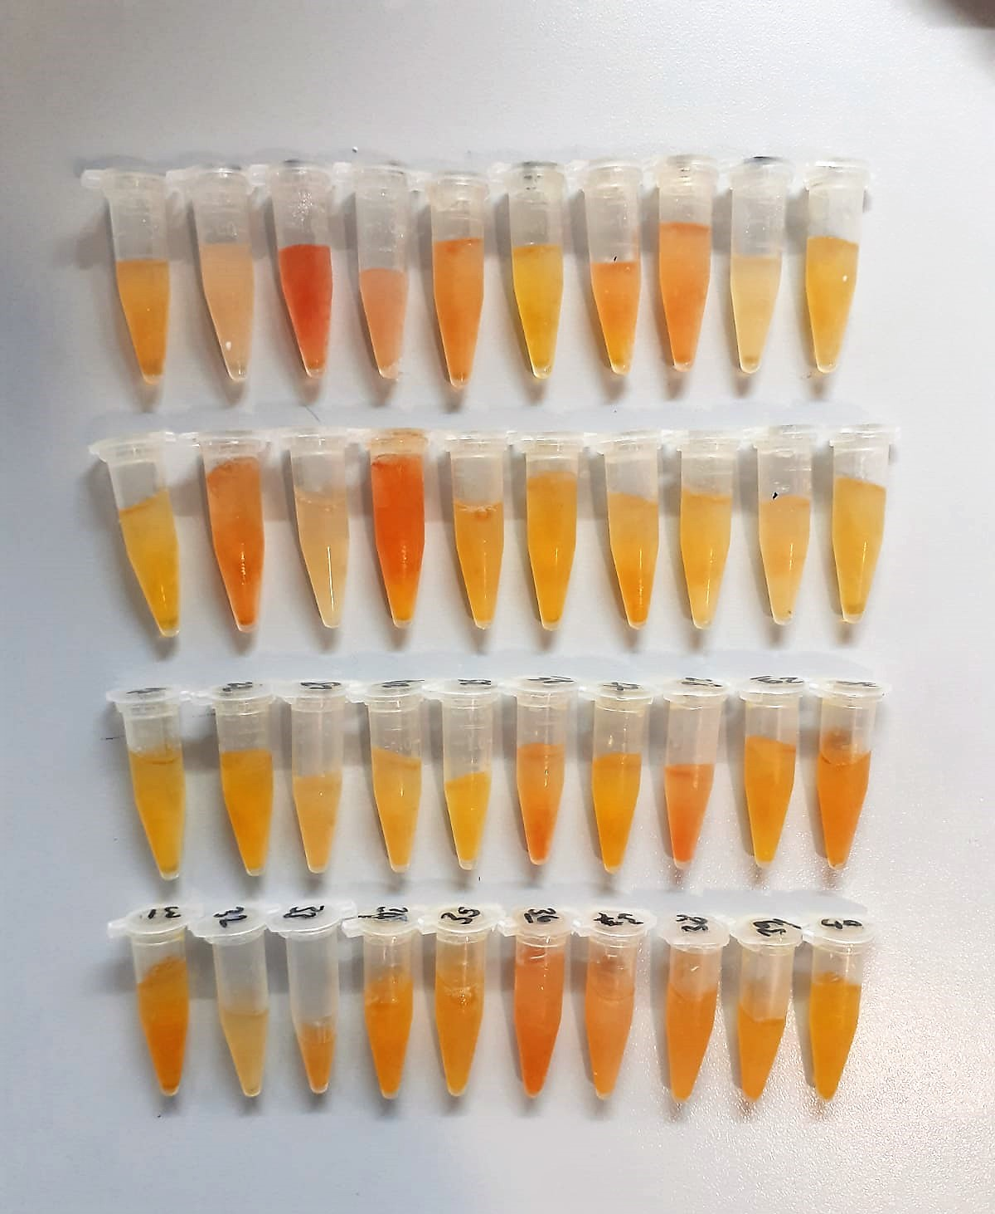

Total Protein g/dl
Colorimetric assay, Sample and addition of Reagent start of the reaction:
Divalent copper reacts in alkaline solution with protein peptide bonds to form the characteristic purple-colored biuret complex.
Sodium potassium tartrate prevents the precipitation of copper hydroxide and potassium iodide prevents auto reduction of copper. alkaline protein + Cu2+ solution Cu-protein complex
The color intensity is directly proportional to the protein concentration which can be determined photometrically.

Albumin g/dl
Colorimetric assay, endpoint method
• Sample and addition of R1
• Start of the reaction:
At a pH value of 4.1 albumin displays a sufficiently cationic character to be able to bind with bromocresol green (BCG), any anionic dyestuff, to form a blue-green complex.
pH 4.1 albumin + BCG albumin BCG- complex
The color intensity of the blue-green color is directly proportional to the albumin concentration and can be determined photometrical

HDL Cholesterol mg/dl
Enzymatic colorimetric test
• Sample and addition of R1
• Addition of R2 and start of reaction
In the first step LDL, VLDL and Chylomicrons are eliminated and transformed to
non reactive compounds and specific condition for the reaction. By the second
reagent only the HDL-Cholesterol is subject to color reaction
Cholesterol Esterase
Cholesterol ester + H2O Cholesterol + fatty acid
Cholesterol Oxidase
Cholesterol + O2 Cholesten-3-on + H2O2
Peroxidase
H2O2 + phenol + 4-aminoantipyrine quinoneimine dye+4 H2O

Alkaline Phosphatase (ALP) U/L
Colorimetric assay in accordance with a standardized method.
ALP, Mg2
p - Nitrophenylphosphate+ H2O Phosphate + p - Nitrophenol
In the presence of magnesium and zinc ions, p-nitrophenyl phosphate is hydrolyzed by phosphatases to form phosphate and p-nitrophenol.
In this process AMP serves as transient phosphate acceptor. The release of coloured p-nitrophenol is proportional to the ALP activity and can be measured photometrically.

CRP (C-Reactive Protein) mg/L
Immunoturbidimetric assay
Anti-CRP antibodies react with antigen in the sample to form an ntigen/antibody complex. Following agglutination, this is measured turbidimetrically.
Addition of PEG allows the reaction to progress rapidly to the end point,increases sensitivity, and reduces the risk of samples containing excess antigen producing false negative results.

