Sayfa1
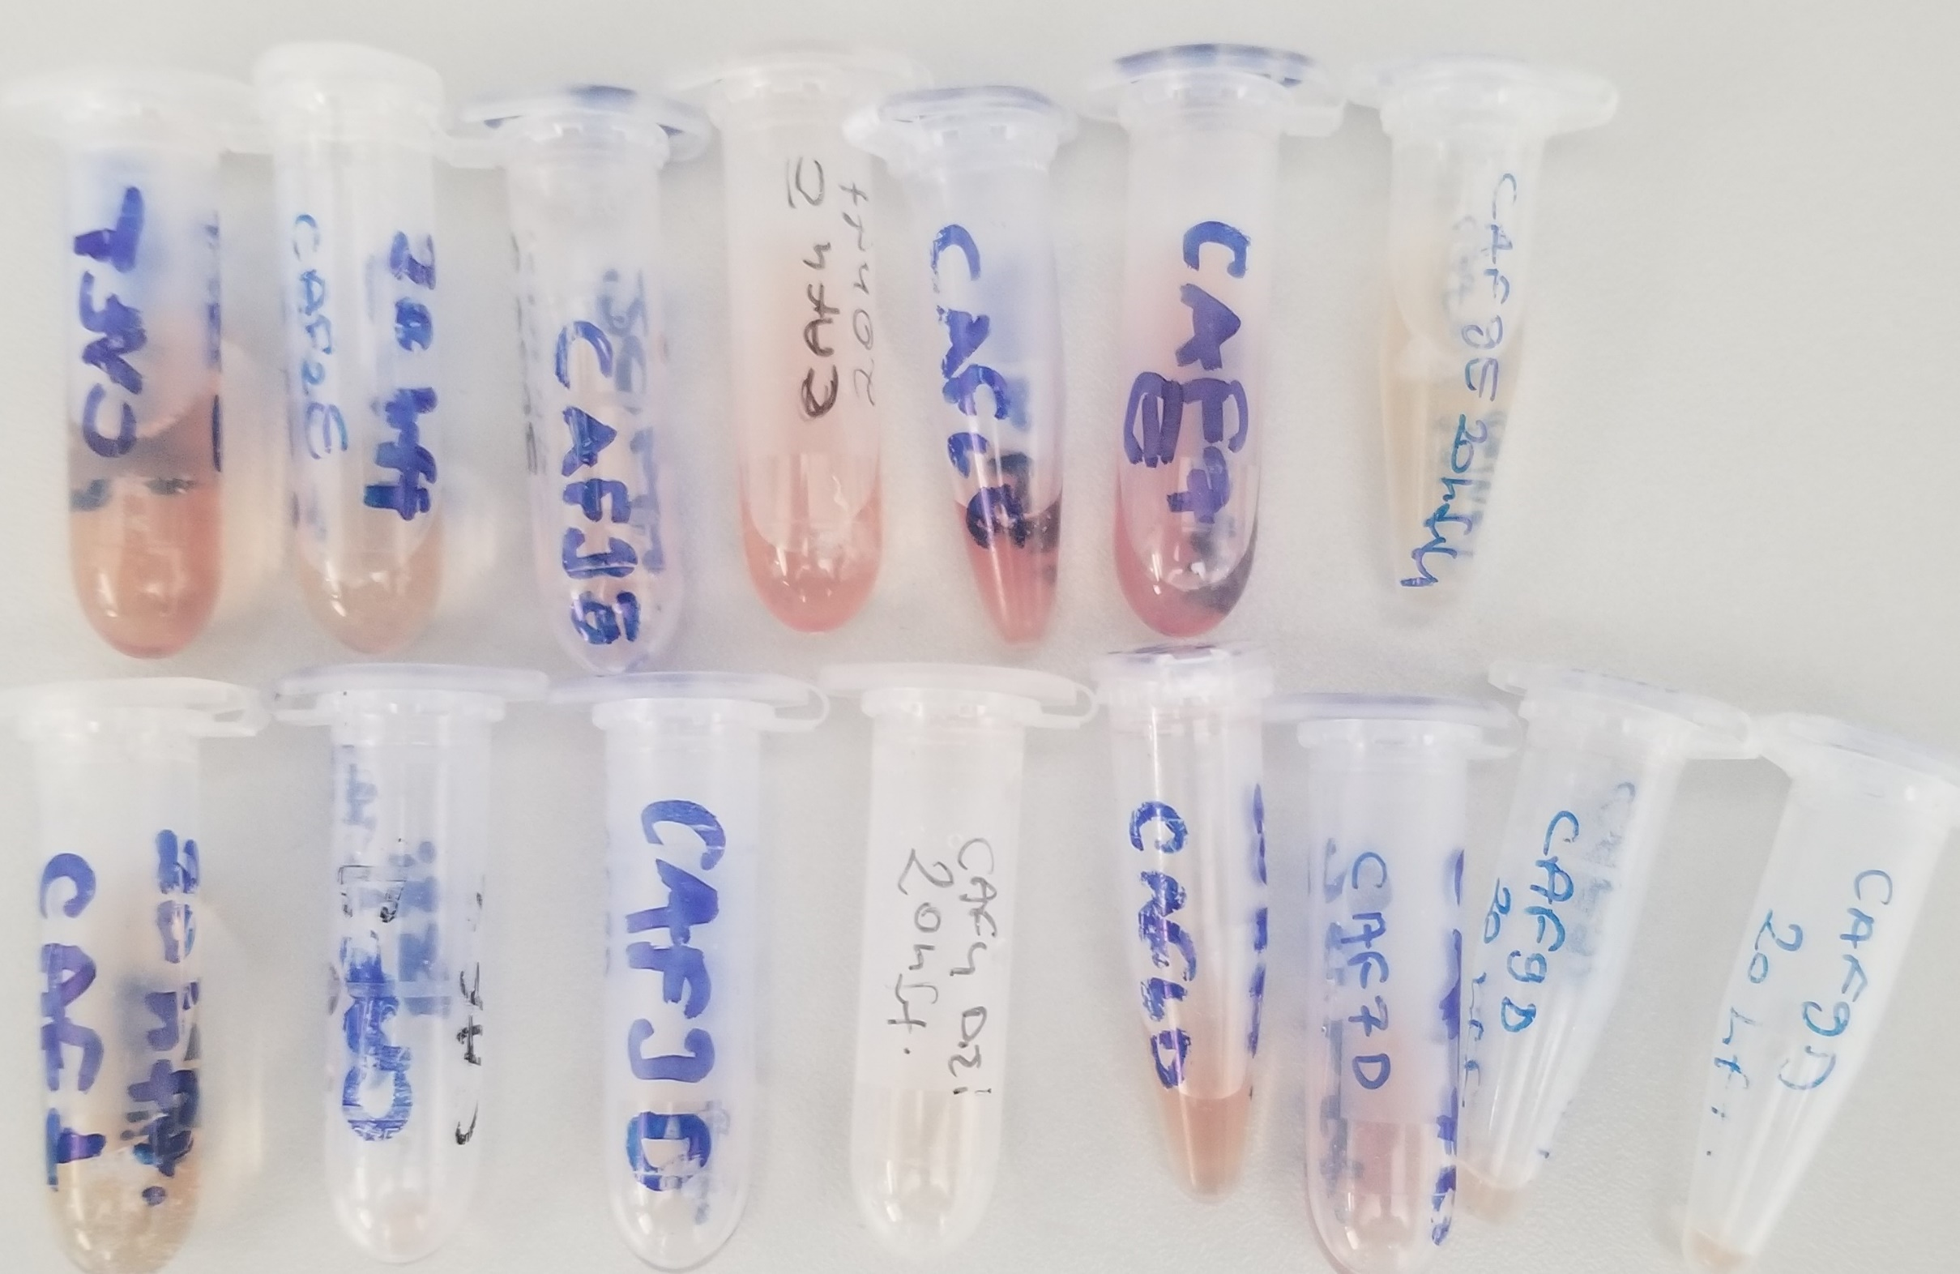
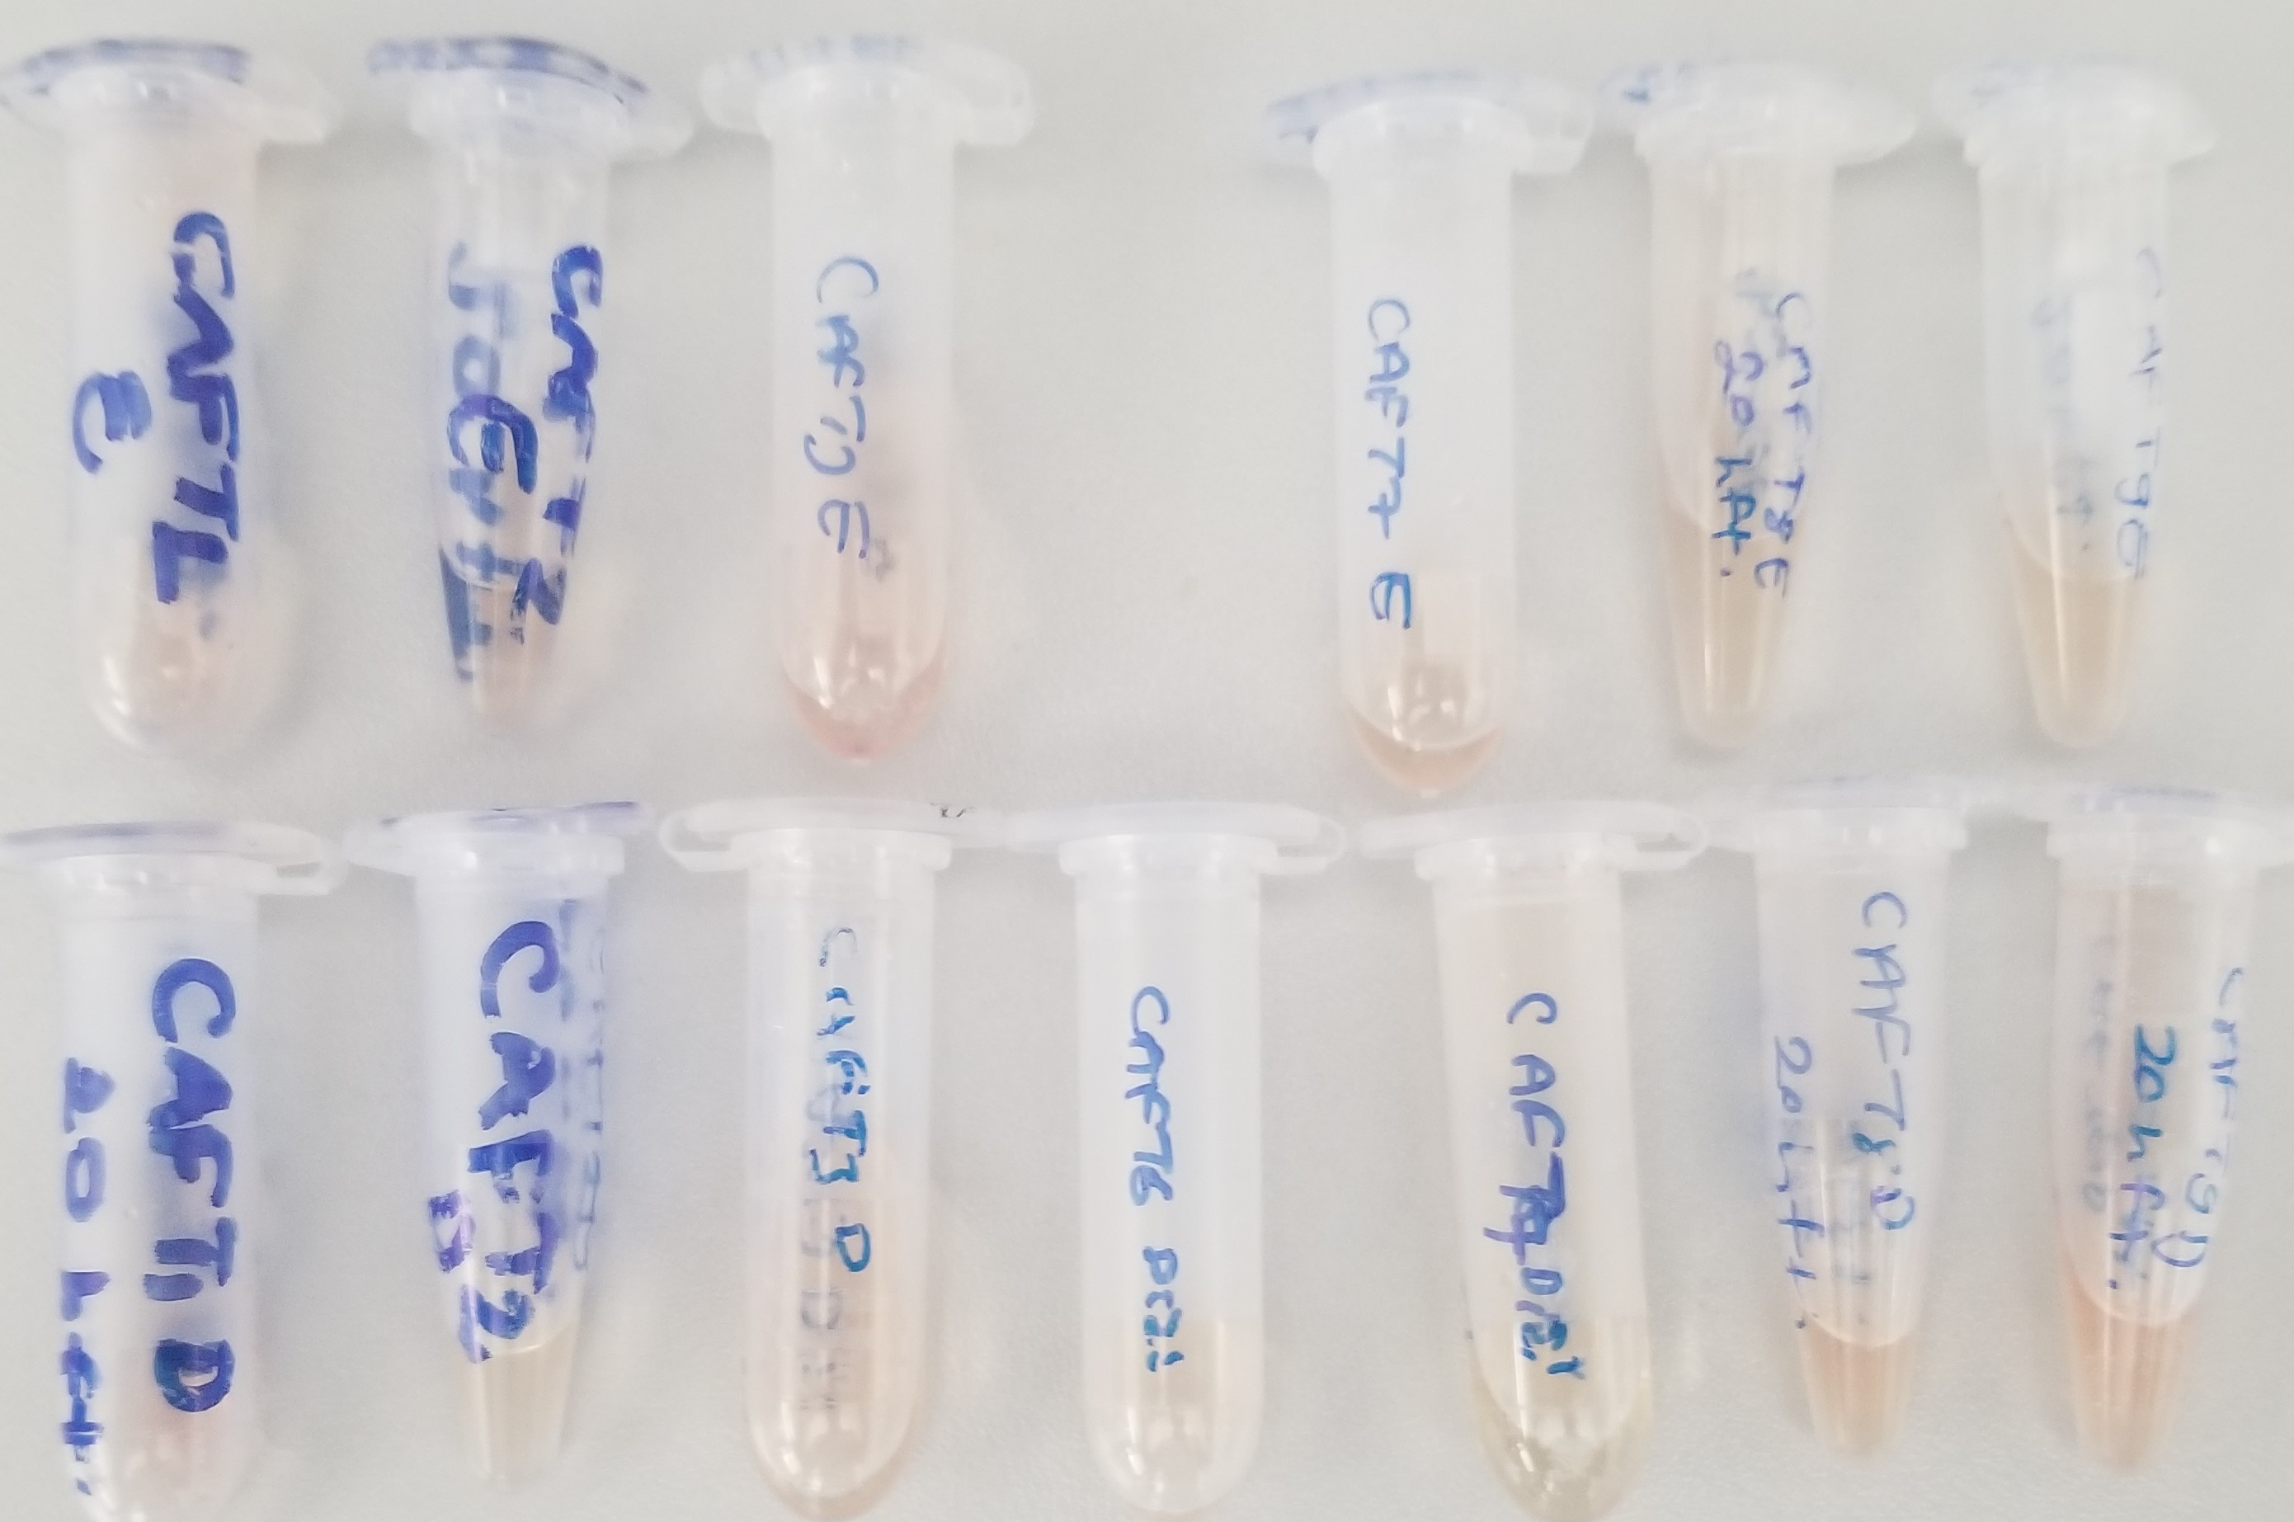
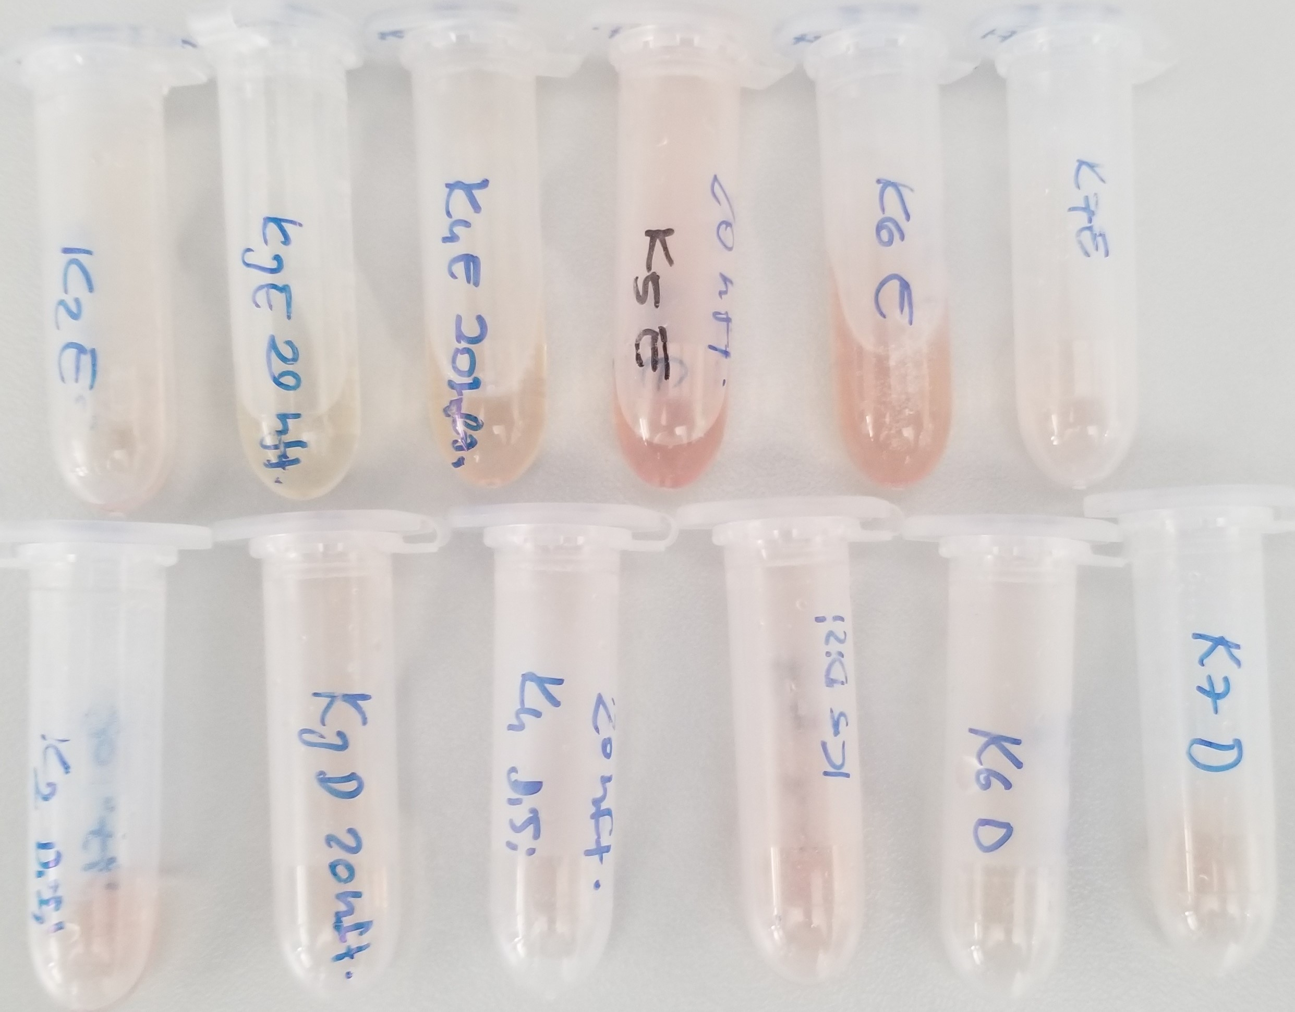
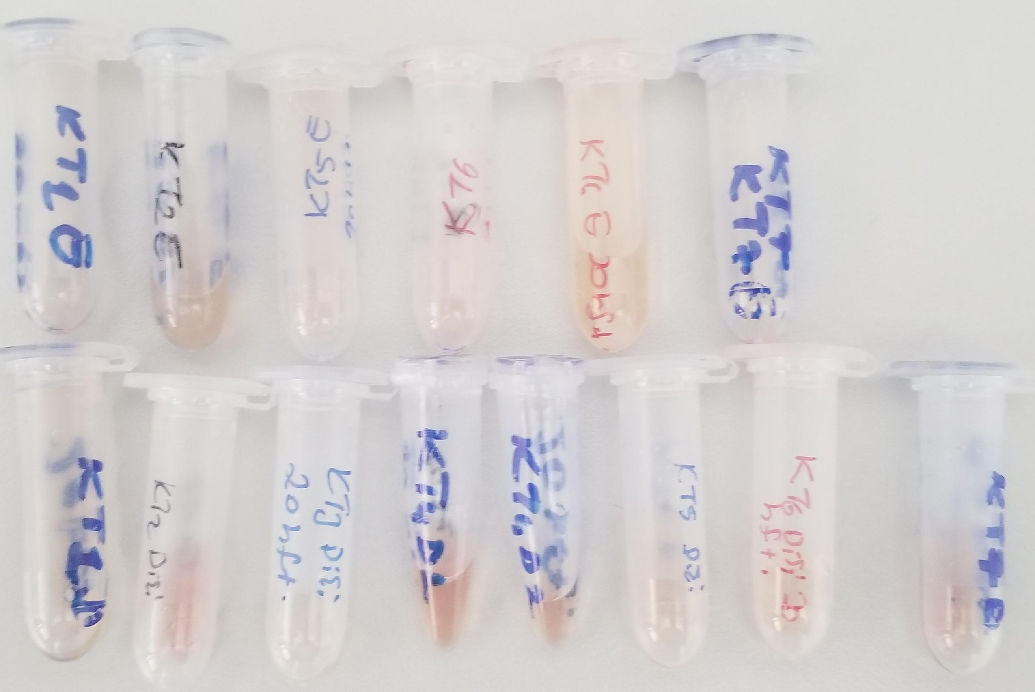
Numune Adı | Glukoz (mg/dL)
CAF-E-1 | 162
CAF-E-2 | 192
CAF-E-3 | 136
CAF-E-4 | 136
CAF-E-5 | 155
CAF-E-6 | 175
CAF-E-7 | 173
CAF-E-9 | 185
CAF-D-1 | 118
CAF-D-2 | 140 | Bu çalışmada "Relassay" marka kitler kullanılmıştır.
CAF-D-3 | 147 | Kullanılan cihaz: Mindray marka BS300 model tam otomatik biyokimya cihazı
CAF-D-4 | 146
CAF-D-6 | 174
CAF-D-7 | 171
CAF-D-9 | 150
CAF-E-T1 | 197
CAF-E-T2 | 151
CAF-E-T3 | 147
CAF-E-T6 | numune gelmedi
CAF-E-T7 | 164
CAF-E-T8 | 170
CAF-E-T9 | 152
CAF-D-T1 | 144
CAF-D-T2 | 173
CAF-D-T3 | 116
CAF-D-T6 | 143
CAF-D-T7 | 112
CAF-D-T8 | 155
CAF-D-T9 | 224
CON-E-2 | 191
CON-E-3 | 178
CON-E-4 | 132
CON-E-5 | 147
CON-E-6 | 211
CON-E-7 | 130
CON-D-2 | 148
CON-D-3 | 130
CON-D-4 | 89
CON-D-5 | 170
CON-D-6 | 150
CON-D-7 | 159
CON-E-T1 | 159
CON-E-T2 | 187
CON-E-T5 | 201
CON-E-T6 | 205
CON-E-T7 | 211
CON-D-T1 | 176
CON-D-T2 | 125
CON-D-T3 | 206
CON-D-T4-D1 | 129
CON-D-T4-D2 | 117
CON-D-T5 | 170
CON-D-T6 | 147
CON-D-T7 | 130

