IL-6 PLATE -1
2.346 | 1.495 | 0.17 | 0.208 | 0.189 | 0.139 | 0.164 | 0.311 | 0.324 | 0.116 | 0.174 | 0.189
1.413 | 1.5 | 0.185 | 0.195 | 0.182 | 0.207 | 0.167 | 0.33 | 0.397 | 0.119 | 0.171 | 0.199
0.946 | 2.006 | 0.187 | 0.19 | 0.438 | 0.728 | 0.695 | 0.168 | 0.098 | 0.137 | 0.106 | 0.345
0.428 | 2.02 | 0.188 | 0.18 | 0.5 | 0.825 | 0.663 | 0.179 | 0.101 | 0.183 | 0.108 | 0.318
0.262 | 0.253 | 0.319 | 0.406 | 0.132 | 0.161 | 0.178 | 0.559 | 0.104 | 0.175 | 0.191 | 0.366
0.177 | 0.196 | 0.362 | 0.485 | 0.13 | 0.166 | 0.176 | 0.568 | 0.185 | 0.188 | 0.199 | 0.311
0.124 | 0.181 | 0.407 | 0.375 | 0.186 | 0.153 | 0.175 | 0.169 | 0.174 | 0.435 | 0.169 | 0.159
0.057 | 0.186 | 0.445 | 0.3 | 0.203 | 0.191 | 0.178 | 0.162 | 0.157 | 0.487 | 0.168 | 0.157

IL-6
 | abs | abs-blank | expected | result
std1 | 2.346 | 2.289 | 500 | 500.99
srd2 | 1.413 | 1.356 | 250 | 241.38
srd3 | 0.946 | 0.889 | 125 | 140.58
std4 | 0.428 | 0.371 | 62.5 | 51.51
std5 | 0.262 | 0.205 | 31.25 | 28.02
std6 | 0.177 | 0.12 | 15.63 | 16.95
std7 | 0.124 | 0.067 | 7.81 | 10.37
blank | 0.057 | 0 | 0 | 2.41

 |  |  |  |  |  |  |  | concentratıon (pg/ml)

Numune | absorbans | blank | abs-blank | result
1 | 1.495 | 0.057 | 1.438 | 261.09
1 | 1.5 | 0.057 | 1.443 | 262.31
2 | 2.006 | 0.057 | 1.949 | 397.40
2 | 2.02 | 0.057 | 1.963 | 401.46
3 | 0.253 | 0.057 | 0.196 | 26.82
3 | 0.196 | 0.057 | 0.139 | 19.37
4 | 0.181 | 0.057 | 0.124 | 17.45
4 | 0.186 | 0.057 | 0.129 | 18.09
5 | 0.17 | 0.057 | 0.113 | 16.06
5 | 0.185 | 0.057 | 0.128 | 17.96
6 | 0.187 | 0.057 | 0.13 | 18.22
6 | 0.188 | 0.057 | 0.131 | 18.34
7 | 0.319 | 0.057 | 0.262 | 35.81
7 | 0.362 | 0.057 | 0.305 | 41.87
8 | 0.407 | 0.057 | 0.35 | 48.40
8 | 0.445 | 0.057 | 0.388 | 54.05
9 | 0.208 | 0.057 | 0.151 | 20.91
9 | 0.195 | 0.057 | 0.138 | 19.24
10 | 0.19 | 0.057 | 0.133 | 18.60
10 | 0.18 | 0.057 | 0.123 | 17.33
11 | 0.406 | 0.057 | 0.349 | 48.25
11 | 0.485 | 0.057 | 0.428 | 60.14
12 | 0.375 | 0.057 | 0.318 | 43.74
12 | 0.3 | 0.057 | 0.243 | 33.18
13 | 0.189 | 0.057 | 0.132 | 18.47
13 | 0.182 | 0.057 | 0.125 | 17.58
14 | 0.438 | 0.057 | 0.381 | 53.00
14 | 0.5 | 0.057 | 0.443 | 62.46
15 | 0.132 | 0.057 | 0.075 | 11.35
15 | 0.13 | 0.057 | 0.073 | 11.10
16 | 0.186 | 0.057 | 0.129 | 18.09
16 | 0.203 | 0.057 | 0.146 | 20.27
17 | 0.139 | 0.057 | 0.082 | 12.20
17 | 0.207 | 0.057 | 0.15 | 20.78
18 | 0.728 | 0.057 | 0.671 | 100.18
18 | 0.825 | 0.057 | 0.768 | 117.63
19 | 0.161 | 0.057 | 0.104 | 14.93
19 | 0.166 | 0.057 | 0.109 | 15.56
20 | 0.153 | 0.057 | 0.096 | 13.94
20 | 0.191 | 0.057 | 0.134 | 18.73
21 | 0.164 | 0.057 | 0.107 | 15.31
21 | 0.167 | 0.057 | 0.11 | 15.69
22 | 0.695 | 0.057 | 0.638 | 94.43
22 | 0.663 | 0.057 | 0.606 | 88.95
23 | 0.178 | 0.057 | 0.121 | 17.07
23 | 0.176 | 0.057 | 0.119 | 16.82
24 | 0.175 | 0.057 | 0.118 | 16.69
24 | 0.178 | 0.057 | 0.121 | 17.07
25 | 0.311 | 0.057 | 0.254 | 34.70
25 | 0.33 | 0.057 | 0.273 | 37.34
26 | 0.168 | 0.057 | 0.111 | 15.81
26 | 0.179 | 0.057 | 0.122 | 17.20
27 | 0.559 | 0.057 | 0.502 | 71.77
27 | 0.568 | 0.057 | 0.511 | 73.22
28 | 0.169 | 0.057 | 0.112 | 15.94
28 | 0.162 | 0.057 | 0.105 | 15.06
29 | 0.324 | 0.057 | 0.267 | 36.51
29 | 0.397 | 0.057 | 0.34 | 46.93
30 | 0.098 | 0.057 | 0.041 | 7.23
30 | 0.101 | 0.057 | 0.044 | 7.59
31 | 0.104 | 0.057 | 0.047 | 7.95
31 | 0.185 | 0.057 | 0.128 | 17.96
32 | 0.174 | 0.057 | 0.117 | 16.57
32 | 0.157 | 0.057 | 0.1 | 14.44
33 | 0.116 | 0.057 | 0.059 | 9.40
33 | 0.119 | 0.057 | 0.062 | 9.76
34 | 0.137 | 0.057 | 0.08 | 11.96
34 | 0.183 | 0.057 | 0.126 | 17.71
35 | 0.175 | 0.057 | 0.118 | 16.69
35 | 0.188 | 0.057 | 0.131 | 18.34
36 | 0.435 | 0.057 | 0.378 | 52.55
36 | 0.487 | 0.057 | 0.43 | 60.44
37 | 0.174 | 0.057 | 0.117 | 16.57
37 | 0.171 | 0.057 | 0.114 | 16.19
38 | 0.106 | 0.057 | 0.049 | 8.19
38 | 0.108 | 0.057 | 0.051 | 8.43
39 | 0.191 | 0.057 | 0.134 | 18.73
39 | 0.199 | 0.057 | 0.142 | 19.75
40 | 0.169 | 0.057 | 0.112 | 15.94
40 | 0.168 | 0.057 | 0.111 | 15.81
41 | 0.189 | 0.057 | 0.132 | 18.47
41 | 0.199 | 0.057 | 0.142 | 19.75
42 | 0.345 | 0.057 | 0.288 | 39.46
42 | 0.318 | 0.057 | 0.261 | 35.67
43 | 0.366 | 0.057 | 0.309 | 42.45
43 | 0.311 | 0.057 | 0.254 | 34.70
44 | 0.159 | 0.057 | 0.102 | 14.68
44 | 0.157 | 0.057 | 0.1 | 14.44

IL-6 PLATE-2
2.404 | 0.101 | 0.171 | 0.191 | 0.163 | 0.169
1.581 | 0.113 | 0.179 | 0.168 | 0.156 | 0.176
0.964 | 0.167 | 0.157 | 0.188 | 0.251 | 0.196
0.576 | 0.166 | 0.125 | 0.196 | 0.263 | 0.193
0.366 | 0.186 | 0.177 | 0.161 | 0.182 | 0.172
0.231 | 0.185 | 0.187 | 0.167 | 0.179 | 0.188
IL-6
0.119 | 0.103 | 0.568 | 0.109 | 0.205
0.062 | 0.108 | 0.613 | 0.11 | 0.197

 | abs | abs-blank | expected | result
std1 | 2.404 | 2.342 | 500 | 498.45
srd2 | 1.581 | 1.519 | 250 | 255.21
srd3 | 0.964 | 0.902 | 125 | 121.66
std4 | 0.576 | 0.514 | 62.5 | 59.10
std5 | 0.366 | 0.304 | 31.25 | 32.13
std6 | 0.231 | 0.169 | 15.63 | 17.35
std7 | 0.119 | 0.057 | 7.81 | 6.62
blank | 0.062 | 0 | 0 | 1.68

 |  |  |  |  |  | concentratıon (pg/ml)

Numune | absorbans | blank | abs-blank | result
45 | 0.101 | 0.062 | 0.039 | 5.02
45 | 0.113 | 0.062 | 0.051 | 6.08
46 | 0.167 | 0.062 | 0.105 | 11.05
46 | 0.166 | 0.062 | 0.104 | 10.95
47 | 0.186 | 0.062 | 0.124 | 12.87
47 | 0.185 | 0.062 | 0.123 | 12.78
48 | 0.103 | 0.062 | 0.041 | 5.19
48 | 0.108 | 0.062 | 0.046 | 5.63
49 | 0.171 | 0.062 | 0.109 | 11.43
49 | 0.179 | 0.062 | 0.117 | 12.20
50 | 0.157 | 0.062 | 0.095 | 10.10
50 | 0.125 | 0.062 | 0.063 | 7.16
51 | 0.177 | 0.062 | 0.115 | 12.00
51 | 0.187 | 0.062 | 0.125 | 12.97
52 | 0.568 | 0.062 | 0.506 | 57.98
52 | 0.613 | 0.062 | 0.551 | 64.35
53 | 0.191 | 0.062 | 0.129 | 13.36
53 | 0.168 | 0.062 | 0.106 | 11.14
54 | 0.188 | 0.062 | 0.126 | 13.07
54 | 0.196 | 0.062 | 0.134 | 13.85
55 | 0.161 | 0.062 | 0.099 | 10.48
55 | 0.167 | 0.062 | 0.105 | 11.05
56 | 0.109 | 0.062 | 0.047 | 5.72
56 | 0.11 | 0.062 | 0.048 | 5.81
57 | 0.163 | 0.062 | 0.101 | 10.67
57 | 0.156 | 0.062 | 0.094 | 10.01
58 | 0.251 | 0.062 | 0.189 | 19.42
58 | 0.263 | 0.062 | 0.201 | 20.68
59 | 0.182 | 0.062 | 0.12 | 12.49
59 | 0.179 | 0.062 | 0.117 | 12.20
60 | 0.205 | 0.062 | 0.143 | 14.74
60 | 0.197 | 0.062 | 0.135 | 13.95
61 | 0.169 | 0.062 | 0.107 | 11.24
61 | 0.176 | 0.062 | 0.114 | 11.91
62 | 0.196 | 0.062 | 0.134 | 13.85
62 | 0.193 | 0.062 | 0.131 | 13.56
63 | 0.172 | 0.062 | 0.11 | 11.53
63 | 0.188 | 0.062 | 0.126 | 13.07

TNF-ALFA PLATE-1
2.467 | 0.872 | 0.197 | 0.09 | 0.557 | 1.282 | 0.092 | 0.397 | 0.37 | 0.142 | 0.116 | 0.173
1.602 | 0.716 | 0.195 | 0.08 | 0.503 | 1.349 | 0.115 | 0.384 | 0.386 | 0.127 | 0.095 | 0.136
0.855 | 0.627 | 0.082 | 0.096 | 0.417 | 0.903 | 0.351 | 0.166 | 0.1 | 0.08 | 0.077 | 0.22
0.483 | 0.949 | 0.104 | 0.094 | 0.388 | 0.723 | 0.338 | 0.169 | 0.094 | 0.099 | 0.072 | 0.271
0.305 | 0.106 | 0.912 | 0.91 | 0.102 | 0.167 | 0.108 | 0.216 | 0.116 | 0.239 | 0.316 | 0.324
0.192 | 0.091 | 0.993 | 1.038 | 0.09 | 0.164 | 0.119 | 0.234 | 0.099 | 0.275 | 0.318 | 0.291
0.147 | 0.187 | 0.604 | 0.491 | 0.198 | 0.134 | 0.098 | 0.168 | 0.163 | 0.277 | 0.105 | 0.175
0.062 | 0.185 | 0.584 | 0.338 | 0.243 | 0.133 | 0.102 | 0.166 | 0.161 | 0.243 | 0.085 | 0.175

TNF-A
 | abs | abs-blank | expected | result
std1 | 2.467 | 2.405 | 500 | 495.51
srd2 | 1.602 | 1.54 | 250 | 264.49
srd3 | 0.855 | 0.793 | 125 | 113.58
std4 | 0.483 | 0.421 | 62.5 | 55.22
std5 | 0.305 | 0.243 | 31.25 | 31.25
std6 | 0.192 | 0.13 | 15.63 | 17.36
std7 | 0.147 | 0.085 | 7.81 | 12.11
blank | 0.062 | 0 | 0 | 2.65

 |  |  |  |  |  |  |  |  | concentratıon (pg/ml)

Numune | absorbans | abs-blank | blank | result
1 | 0.872 | 0.81 | 0.062 | 116.52
1 | 0.716 | 0.654 | 0.062 | 90.47
2 | 0.627 | 0.565 | 0.062 | 76.49
2 | 0.949 | 0.887 | 0.062 | 130.10
3 | 0.106 | 0.044 | 0.062 | 7.48
3 | 0.091 | 0.029 | 0.062 | 5.81
4 | 0.187 | 0.125 | 0.062 | 16.77
4 | 0.185 | 0.123 | 0.062 | 16.53
5 | 0.197 | 0.135 | 0.062 | 17.95
5 | 0.195 | 0.133 | 0.062 | 17.71
6 | 0.082 | 0.02 | 0.062 | 4.83
6 | 0.104 | 0.042 | 0.062 | 7.25
7 | 0.912 | 0.85 | 0.062 | 123.51
7 | 0.993 | 0.931 | 0.062 | 138.07
8 | 0.604 | 0.542 | 0.062 | 72.98
8 | 0.584 | 0.522 | 0.062 | 69.96
9 | 0.09 | 0.028 | 0.062 | 5.70
9 | 0.08 | 0.018 | 0.062 | 4.61
10 | 0.096 | 0.034 | 0.062 | 6.37
10 | 0.094 | 0.032 | 0.062 | 6.15
11 | 0.91 | 0.848 | 0.062 | 123.16
11 | 1.038 | 0.976 | 0.062 | 146.39
12 | 0.491 | 0.429 | 0.062 | 56.36
12 | 0.338 | 0.276 | 0.062 | 35.50
13 | 0.557 | 0.495 | 0.062 | 65.94
13 | 0.503 | 0.441 | 0.062 | 58.08
14 | 0.417 | 0.355 | 0.062 | 46.04
14 | 0.388 | 0.326 | 0.062 | 42.11
15 | 0.102 | 0.04 | 0.062 | 7.03
15 | 0.09 | 0.028 | 0.062 | 5.70
16 | 0.198 | 0.136 | 0.062 | 18.07
16 | 0.243 | 0.181 | 0.062 | 23.50
17 | 1.282 | 1.22 | 0.062 | 194.33
17 | 1.349 | 1.287 | 0.062 | 208.34
18 | 0.903 | 0.841 | 0.062 | 121.92
18 | 0.723 | 0.661 | 0.062 | 91.60
19 | 0.167 | 0.105 | 0.062 | 14.42
19 | 0.164 | 0.102 | 0.062 | 14.08
20 | 0.134 | 0.072 | 0.062 | 10.63
20 | 0.133 | 0.071 | 0.062 | 10.51
21 | 0.092 | 0.03 | 0.062 | 5.92
21 | 0.115 | 0.053 | 0.062 | 8.48
22 | 0.351 | 0.289 | 0.062 | 37.20
22 | 0.338 | 0.276 | 0.062 | 35.50
23 | 0.108 | 0.046 | 0.062 | 7.70
23 | 0.119 | 0.057 | 0.062 | 8.93
24 | 0.098 | 0.036 | 0.062 | 6.59
24 | 0.102 | 0.04 | 0.062 | 7.03
25 | 0.397 | 0.335 | 0.062 | 43.32
25 | 0.384 | 0.322 | 0.062 | 41.58
26 | 0.166 | 0.104 | 0.062 | 14.31
26 | 0.169 | 0.107 | 0.062 | 14.66
27 | 0.216 | 0.154 | 0.062 | 20.22
27 | 0.234 | 0.172 | 0.062 | 22.40
28 | 0.168 | 0.106 | 0.062 | 14.54
28 | 0.166 | 0.104 | 0.062 | 14.31
29 | 0.37 | 0.308 | 0.062 | 39.71
29 | 0.386 | 0.324 | 0.062 | 41.84
30 | 0.1 | 0.038 | 0.062 | 6.81
30 | 0.094 | 0.032 | 0.062 | 6.15
31 | 0.116 | 0.054 | 0.062 | 8.60
31 | 0.099 | 0.037 | 0.062 | 6.70
32 | 0.163 | 0.101 | 0.062 | 13.96
32 | 0.161 | 0.099 | 0.062 | 13.73
33 | 0.142 | 0.08 | 0.062 | 11.54
33 | 0.127 | 0.065 | 0.062 | 9.83
34 | 0.08 | 0.018 | 0.062 | 4.61
34 | 0.099 | 0.037 | 0.062 | 6.70
35 | 0.239 | 0.177 | 0.062 | 23.01
35 | 0.275 | 0.213 | 0.062 | 27.46
36 | 0.277 | 0.215 | 0.062 | 27.71
36 | 0.243 | 0.181 | 0.062 | 23.50
37 | 0.116 | 0.054 | 0.062 | 8.60
37 | 0.095 | 0.033 | 0.062 | 6.26
38 | 0.077 | 0.015 | 0.062 | 4.28
38 | 0.072 | 0.01 | 0.062 | 3.73
39 | 0.316 | 0.254 | 0.062 | 32.66
39 | 0.318 | 0.256 | 0.062 | 32.92
40 | 0.105 | 0.043 | 0.062 | 7.37
40 | 0.085 | 0.023 | 0.062 | 5.15
41 | 0.173 | 0.111 | 0.062 | 15.12
41 | 0.136 | 0.074 | 0.062 | 10.86
42 | 0.22 | 0.158 | 0.062 | 20.71
42 | 0.271 | 0.209 | 0.062 | 26.96
43 | 0.324 | 0.262 | 0.062 | 33.69
43 | 0.291 | 0.229 | 0.062 | 29.47
44 | 0.175 | 0.113 | 0.062 | 15.36
44 | 0.175 | 0.113 | 0.062 | 15.36

TNF-ALFA PLATE-2
2.409 | 0.214 | 0.089 | 0.235 | 0.093 | 0.091
1.451 | 0.136 | 0.083 | 0.177 | 0.088 | 0.112
0.859 | 0.068 | 0.123 | 0.182 | 1.145 | 0.47
0.493 | 0.066 | 0.12 | 0.168 | 0.953 | 0.46
0.269 | 0.077 | 0.081 | 0.261 | 0.071 | 0.068
0.171 | 0.065 | 0.069 | 0.271 | 0.071 | 0.065
TNF-A
0.127 | 0.139 | 0.925 | 0.113 | 0.133
0.063 | 0.144 | 0.609 | 0.164 | 0.121

 | abs | abs-blank | expected | result
std1 | 2.409 | 2.346 | 500 | 500.13
srd2 | 1.451 | 1.388 | 250 | 249.11
srd3 | 0.859 | 0.796 | 125 | 126.44
std4 | 0.493 | 0.43 | 62.5 | 63.00
std5 | 0.269 | 0.206 | 31.25 | 28.85
std6 | 0.171 | 0.108 | 15.63 | 15.02
std7 | 0.127 | 0.064 | 7.81 | 9.04
blank | 0.063 | 0 | 0 | 0.57

 |  |  |  |  |  | concentratıon (pg/ml)

Numune | absorbans | blank | abs-blank | result
45 | 0.214 | 0.063 | 0.151 | 21.00
45 | 0.136 | 0.063 | 0.073 | 10.25
46 | 0.068 | 0.063 | 0.005 | 1.22
46 | 0.066 | 0.063 | 0.003 | 0.96
47 | 0.077 | 0.063 | 0.014 | 2.40
47 | 0.065 | 0.063 | 0.002 | 0.83
48 | 0.139 | 0.063 | 0.076 | 10.65
48 | 0.144 | 0.063 | 0.081 | 11.33
49 | 0.089 | 0.063 | 0.026 | 3.97
49 | 0.083 | 0.063 | 0.02 | 3.19
50 | 0.123 | 0.063 | 0.06 | 8.50
50 | 0.12 | 0.063 | 0.057 | 8.10
51 | 0.081 | 0.063 | 0.018 | 2.92
51 | 0.069 | 0.063 | 0.006 | 1.35
52 | 0.925 | 0.063 | 0.862 | 138.89
52 | 0.609 | 0.063 | 0.546 | 82.08
53 | 0.235 | 0.063 | 0.172 | 23.97
53 | 0.177 | 0.063 | 0.114 | 15.85
54 | 0.182 | 0.063 | 0.119 | 16.54
54 | 0.168 | 0.063 | 0.105 | 14.61
55 | 0.261 | 0.063 | 0.198 | 27.69
55 | 0.271 | 0.063 | 0.208 | 29.14
56 | 0.113 | 0.063 | 0.05 | 7.16
56 | 0.164 | 0.063 | 0.101 | 14.06
57 | 0.093 | 0.063 | 0.03 | 4.50
57 | 0.088 | 0.063 | 0.025 | 3.84
58 | 1.145 | 0.063 | 1.082 | 182.61
58 | 0.953 | 0.063 | 0.89 | 144.26
59 | 0.071 | 0.063 | 0.008 | 1.61
59 | 0.071 | 0.063 | 0.008 | 1.61
60 | 0.133 | 0.063 | 0.07 | 9.84
60 | 0.121 | 0.063 | 0.058 | 8.23
61 | 0.091 | 0.063 | 0.028 | 4.24
61 | 0.112 | 0.063 | 0.049 | 7.03
62 | 0.47 | 0.063 | 0.407 | 59.33
62 | 0.46 | 0.063 | 0.397 | 57.75
63 | 0.068 | 0.063 | 0.005 | 1.22
63 | 0.065 | 0.063 | 0.002 | 0.83

Materyal-metod
KİT ADI | TÜR | MARKA | CAT. NO | Yöntem | Kullanılan Cihaz
TAS(Total Antioxidant Status) | Universal | REL ASSAY | RL0017 | Kolorimetrik | Midray BS400
TOS(Total Oxidant Status) | Universal | REL ASSAY | RL0024 | Kolorimetrik | Midray BS400
Hs-CRP | Universal | Beckman Coulter | OSR6299 | Türbidimetrik | Beckman Coulter Au5811
IL-6(Interleukin 6) | Human | Elabscience | E-EL-H0102 | Elisa | Biotek ELX800,Biotek ELX50
TNF-ALFA | Human | Elabscience | E-EL-H0109 | Elisa | Biotek ELX800,Biotek ELX50
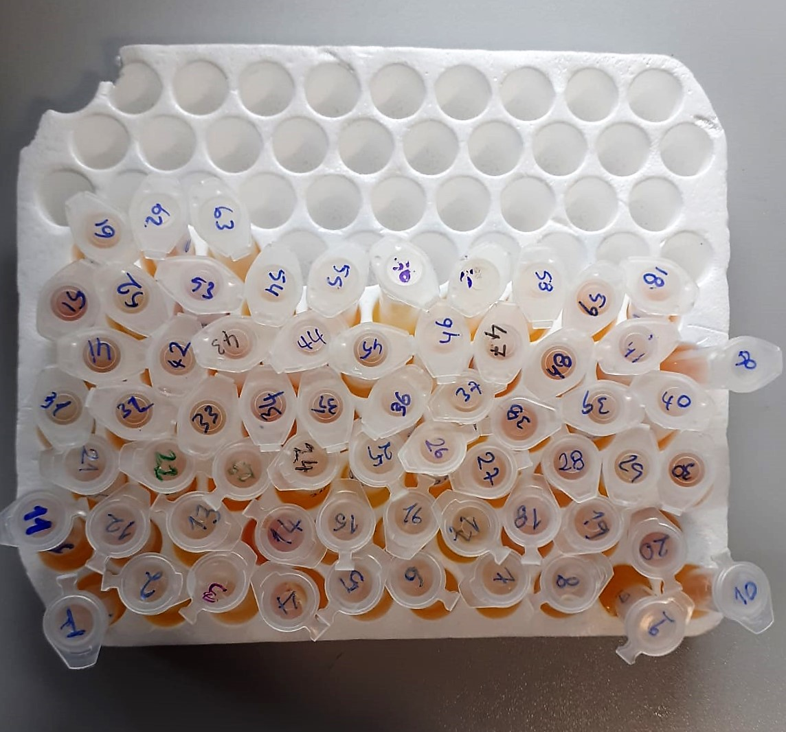
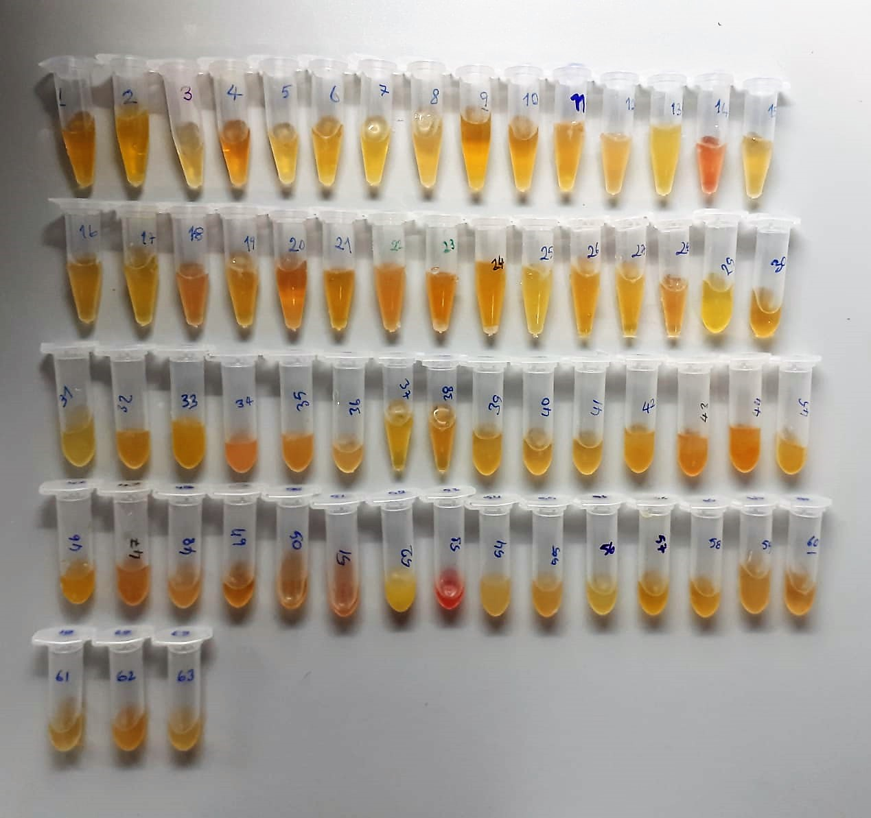

TNF-ALFA Test Principle
This ELISA kit uses the Sandwich-ELISA principle. The micro ELISA plate provided in this kit has been pre-coated with an antibody specific to Human TNF-α.
Samples (or Standards) are added to the micro ELISA plate wells and combined with the specific antibody.
Then a biotinylated detection antibody specific for Human TNF-α and Avidin-Horseradish Peroxidase (HRP) conjugate are added successively to each micro plate well and incubated.
Free components are washed away. The substrate solution is added to each well. Only those wells that contain Human TNF-α, biotinylated detection antibody and Avidin-HRP conjugate will appear blue in color.
The enzyme-substrate reaction is terminated by the addition of stop solution and the color turns yellow. The optical density (OD) is measured spectrophotometrically at a wavelength of 450 nm ± 2 nm.
The OD value is proportional to the concentration of Human TNF-α. You can calculate the concentration of Human TNF-α in the samples by comparing the OD of the samples to the standard curve.

IL-6 Test Principle
This ELISA kit uses the Sandwich-ELISA principle. The micro ELISA plate provided in this kit has been pre-coated with an antibody specific to Human IL-6. Standards or samples are added to the micro ELISA plate wells and combined with the specific antibody
Then a biotinylated detection antibody specific for Human IL-6 and Avidin-Horseradish Peroxidase (HRP) conjugate are added successively to each micro plate well and incubated. Free components are washed away
The substrate solution is added to each well. Only those wells that contain Human IL-6, biotinylated detection antibody and Avidin-HRP conjugate will appear blue in color
The enzyme-substrate reaction is terminated by the addition of stop solution and the color turns yellow. The optical density (OD) is measured spectrophotometrically at a wavelength of 450 nm ± 2 nm. The OD value is proportional to the concentration of Human IL-6.
The OD value is proportional to the concentration of Human IL-6. You can calculate the concentration of Human IL-6 in the samples by comparing the OD of the samples to the standard curve.

TOTAL ANTIOXDANT STATUS (TAS) (mmol/L)
TAS levels were measured using commercially available kits (Relassay, Turkey). The novel
automated method is based on the bleaching of characteristic color of a more stable ABTS
(2,2 ′ - Azino-bis(3-ethylbenzothiazoline-6-sulfonic acid)) radical cation by antioxidants. The
assay has excellent precision values, which are lower than 3%. The results were expressed as
mmol Trolox equivalent/L (Erel O. A novel automated direct measurement method for total
antioxidant capacity using a new generation, more stable ABTS radicalcation. Clin Biochem
2004;37:277-85.)
(Relassay,Turkey)

TOTAL OXIDANT STATUS (TOS) (µmol/L)
TOS levels were measured using commercially available kits (Relassay, Turkey. In the new
method, oxidants present in the sample oxidized the ferrous ion-o-dianisidine complex to
ferric ion. The oxidation reaction was enhanced by glycerol molecules abundantly present in
the reaction medium. The ferric ion produced a colored complex with xylenol orange in an
acidic medium. The color intensity, which could be measured spectrophotometrically, was
related to the total amount of oxidant molecules present in the sample. The assay was
calibrated with hydrogen peroxide and the results were expressed in terms of
micromolar hydrogen peroxide equivalent per liter (μmol H2O2 equivalent/L). ( Erel O. A
new automated colorimetric method for measuringtotal oxidant status. Clin Biochem
2005;38:1103-11. ).
(Relassay,Turkey)

OXIDATIVE STRESS INDEX (OSI)
The ratio of TOS to TAS was accepted as the oxidative stress index (OSI). For calculation, the
resulting unit of TAS was converted to μmol/L, and the OSI value was calculated according to
the following Formula : OSI (arbitrary unit) =
TOS (μmol H2O2 equivalent/L) / TAC (μmol Trolox equivalent/L). (1-3).
1. Yumru M, Savas HA, Kalenderoglu A, Bulut M, Celik H, Erel O. Oxidative imbalance in
bipolar disorder subtypes: a comparative study. Prog Neuropsychopharmacol Biol Psychiatry.
2009 Aug 31;33(6):1070-4.
2. Kosecik M, Erel O, Sevinc E, Selek S. Increased oxidative stress in children exposed to
passive smoking. Int J Cardiol 2005;100:61–4.
3. (Harma M, Harma M, Erel O (2003) Increased oxidative stress in patients with
hydatidiform mole. Swiss Med Wkly 133:563-536).

Hs-CRP
Immune complexes formed in solution scatter light in proportion to their size, shape, and concentration. Turbidimeters measure the reduction of incidence light due to reflection, absorption, or scatter.

