SOD
2.524 | 1.064 | 0.397 | 0.476 | 0.472 | 0.623 | 0.329 | 0.444 | 0.454 | 0.414
1.663 | 0.427 | 0.716 | 0.461 | 0.437 | 0.333 | 0.685 | 0.433 | 0.404 | 0.344
0.973 | 0.385 | 0.428 | 1.119 | 0.396 | 0.522 | 0.377 | 0.596 | 0.438 | 0.344
0.572 | 0.435 | 0.41 | 1.582 | 0.457 | 0.384 | 0.337 | 1.522 | 0.448 | 0.368
0.388 | 0.477 | 0.459 | 0.539 | 0.568 | 0.422 | 0.437 | 0.437 | 0.509 | 0.345
0.099 | 0.511 | 0.615 | 0.536 | 0.503 | 0.506 | 0.591 | 0.37 | 0.434 | 0.299
 | 0.547 | 0.513 | 0.652 | 0.529 | 0.458 | 0.368 | 0.477 | 0.394 | 0.382
 | 0.454 | 0.423 | 0.433 | 0.508 | 0.389 | 0.48 | 0.408 | 0.438 | 0.312

SOD

 | abs | abs-blank | expected | result
std1 | 2.524 | 2.425 | 64 | 63.63
std2 | 1.663 | 1.564 | 32 | 33.20
std3 | 0.973 | 0.874 | 16 | 15.16
std4 | 0.572 | 0.473 | 8 | 7.28
std5 | 0.388 | 0.289 | 4 | 4.30
blank | 0.099 | 0 | 0 | 0.43

 |  |  |  |  |  |  |  |  |  | concentratıon (ng/ml)

Numune | absorbans | blank | abs-blank | result(ng/ml)
Sample-401 | 1.064 | 0.099 | 0.965 | 17.22
Sample-402 | 0.427 | 0.099 | 0.328 | 4.90
Sample-403 | 0.385 | 0.099 | 0.286 | 4.25
Sample-404 | 0.435 | 0.099 | 0.336 | 5.02
Sample-405 | 0.477 | 0.099 | 0.378 | 5.69
Sample-406 | 0.511 | 0.099 | 0.412 | 6.25
Sample-407 | 0.547 | 0.099 | 0.448 | 6.85
Sample-408 | 0.454 | 0.099 | 0.355 | 5.32
Sample-409 | 0.397 | 0.099 | 0.298 | 4.43
Sample-410 | 0.716 | 0.099 | 0.617 | 9.89
Sample-411 | 0.428 | 0.099 | 0.329 | 4.91
Sample-412 | 0.41 | 0.099 | 0.311 | 4.63
Sample-413 | 0.459 | 0.099 | 0.36 | 5.40
Sample-414 | 0.615 | 0.099 | 0.516 | 8.03
Sample-415 | 0.513 | 0.099 | 0.414 | 6.28
Sample-416 | 0.423 | 0.099 | 0.324 | 4.83
Sample-417 | 0.476 | 0.099 | 0.377 | 5.67
Sample-418 | 0.461 | 0.099 | 0.362 | 5.43
Sample-419 | 1.119 | 0.099 | 1.02 | 18.51
Sample-420 | 1.582 | 0.099 | 1.483 | 30.79
Sample-421 | 0.539 | 0.099 | 0.44 | 6.71
Sample-422 | 0.536 | 0.099 | 0.437 | 6.66
Sample-423 | 0.652 | 0.099 | 0.553 | 8.70
Sample-424 | 0.433 | 0.099 | 0.334 | 4.99
Sample-425 | 0.472 | 0.099 | 0.373 | 5.61
Sample-426 | 0.437 | 0.099 | 0.338 | 5.05
Sample-427 | 0.396 | 0.099 | 0.297 | 4.42
Sample-428 | 0.457 | 0.099 | 0.358 | 5.37
Sample-429 | 0.568 | 0.099 | 0.469 | 7.21
Sample-430 | 0.503 | 0.099 | 0.404 | 6.11
Sample-431 | 0.529 | 0.099 | 0.43 | 6.55
Sample-432 | 0.508 | 0.099 | 0.409 | 6.20
Sample-433 | 0.623 | 0.099 | 0.524 | 8.17
Sample-434 | 0.333 | 0.099 | 0.234 | 3.48
Sample-435 | 0.522 | 0.099 | 0.423 | 6.43
Sample-436 | 0.384 | 0.099 | 0.285 | 4.24
Sample-437 | 0.422 | 0.099 | 0.323 | 4.82
Sample-438 | 0.506 | 0.099 | 0.407 | 6.16
Sample-439 | 0.458 | 0.099 | 0.359 | 5.38
Sample-440 | 0.389 | 0.099 | 0.29 | 4.31
Sample-441 | 0.329 | 0.099 | 0.23 | 3.43
Sample-442 | 0.685 | 0.099 | 0.586 | 9.31
Sample-443 | 0.377 | 0.099 | 0.278 | 4.13
Sample-444 | 0.337 | 0.099 | 0.238 | 3.54
Sample-445 | 0.437 | 0.099 | 0.338 | 5.05
Sample-446 | 0.591 | 0.099 | 0.492 | 7.61
Sample-447 | 0.368 | 0.099 | 0.269 | 4.00
Sample-448 | 0.48 | 0.099 | 0.381 | 5.74
Sample-449 | 0.444 | 0.099 | 0.345 | 5.16
Sample-450 | 0.433 | 0.099 | 0.334 | 4.99
Sample-451 | 0.596 | 0.099 | 0.497 | 7.70
Sample-452 | 1.522 | 0.099 | 1.423 | 29.06
Sample-453 | 0.437 | 0.099 | 0.338 | 5.05
Sample-454 | 0.37 | 0.099 | 0.271 | 4.03
Sample-455 | 0.477 | 0.099 | 0.378 | 5.69
Sample-456 | 0.408 | 0.099 | 0.309 | 4.60
Sample-457 | 0.454 | 0.099 | 0.355 | 5.32
Sample-458 | 0.404 | 0.099 | 0.305 | 4.54
Sample-459 | 0.438 | 0.099 | 0.339 | 5.07
Sample-460 | 0.448 | 0.099 | 0.349 | 5.23
Sample-461 | 0.509 | 0.099 | 0.41 | 6.21
Sample-462 | 0.434 | 0.099 | 0.335 | 5.00
Sample-463 | 0.394 | 0.099 | 0.295 | 4.39
Sample-464 | 0.438 | 0.099 | 0.339 | 5.07
Sample-465 | 0.414 | 0.099 | 0.315 | 4.69
Sample-466 | 0.344 | 0.099 | 0.245 | 3.64
Sample-467 | 0.344 | 0.099 | 0.245 | 3.64
Sample-468 | 0.368 | 0.099 | 0.269 | 4.00
Sample-469 | 0.345 | 0.099 | 0.246 | 3.66
Sample-470 | 0.299 | 0.099 | 0.2 | 3.00

GPX
2.654 | 0.427 | 0.234 | 0.294 | 0.288 | 0.344 | 0.273 | 0.298 | 0.302 | 0.257
1.643 | 0.303 | 0.506 | 0.324 | 0.342 | 0.28 | 0.536 | 0.337 | 0.293 | 0.263
0.994 | 0.294 | 0.364 | 0.851 | 0.323 | 0.392 | 0.304 | 0.45 | 0.32 | 0.28
0.57 | 0.288 | 0.293 | 1.268 | 0.33 | 0.292 | 0.266 | 1.099 | 0.313 | 0.279
0.361 | 0.347 | 0.397 | 0.43 | 0.419 | 0.326 | 0.346 | 0.342 | 0.375 | 0.293
0.087 | 0.396 | 0.528 | 0.367 | 0.352 | 0.359 | 0.416 | 0.302 | 0.348 | 0.285
 | 0.339 | 0.351 | 0.468 | 0.348 | 0.33 | 0.3 | 0.376 | 0.31 | 0.313
 | 0.292 | 0.297 | 0.325 | 0.359 | 0.271 | 0.281 | 0.301 | 0.303 | 0.24

GPX

 | abs | abs-blank | expected | result
std1 | 2.654 | 2.567 | 3200 | 3199.52
std2 | 1.643 | 1.556 | 1600 | 1600.34
std3 | 0.994 | 0.907 | 800 | 806.29
std4 | 0.57 | 0.483 | 400 | 385.72
std5 | 0.361 | 0.274 | 200 | 206.96
blank | 0.087 | 0 | 0 | 1.18

 |  |  |  |  |  |  |  |  | concentratıon (nU/ml)

Numune | absorbans | blank | abs-blank | result(nU/ml)
Sample-401 | 0.427 | 0.087 | 0.34 | 261.38
Sample-402 | 0.303 | 0.087 | 0.216 | 160.70
Sample-403 | 0.294 | 0.087 | 0.207 | 153.65
Sample-404 | 0.288 | 0.087 | 0.201 | 148.97
Sample-405 | 0.347 | 0.087 | 0.26 | 195.66
Sample-406 | 0.396 | 0.087 | 0.309 | 235.58
Sample-407 | 0.339 | 0.087 | 0.252 | 189.24
Sample-408 | 0.292 | 0.087 | 0.205 | 152.09
Sample-409 | 0.234 | 0.087 | 0.147 | 107.55
Sample-410 | 0.506 | 0.087 | 0.419 | 328.98
Sample-411 | 0.364 | 0.087 | 0.277 | 209.40
Sample-412 | 0.293 | 0.087 | 0.206 | 152.87
Sample-413 | 0.397 | 0.087 | 0.31 | 236.41
Sample-414 | 0.528 | 0.087 | 0.441 | 348.28
Sample-415 | 0.351 | 0.087 | 0.264 | 198.88
Sample-416 | 0.297 | 0.087 | 0.21 | 155.99
Sample-417 | 0.294 | 0.087 | 0.207 | 153.65
Sample-418 | 0.324 | 0.087 | 0.237 | 177.28
Sample-419 | 0.851 | 0.087 | 0.764 | 655.77
Sample-420 | 1.268 | 0.087 | 1.181 | 1119.35
Sample-421 | 0.43 | 0.087 | 0.343 | 263.89
Sample-422 | 0.367 | 0.087 | 0.28 | 211.83
Sample-423 | 0.468 | 0.087 | 0.381 | 296.12
Sample-424 | 0.325 | 0.087 | 0.238 | 178.08
Sample-425 | 0.288 | 0.087 | 0.201 | 148.97
Sample-426 | 0.342 | 0.087 | 0.255 | 191.65
Sample-427 | 0.323 | 0.087 | 0.236 | 176.49
Sample-428 | 0.33 | 0.087 | 0.243 | 182.05
Sample-429 | 0.419 | 0.087 | 0.332 | 254.68
Sample-430 | 0.352 | 0.087 | 0.265 | 199.69
Sample-431 | 0.348 | 0.087 | 0.261 | 196.47
Sample-432 | 0.359 | 0.087 | 0.272 | 205.34
Sample-433 | 0.344 | 0.087 | 0.257 | 193.25
Sample-434 | 0.28 | 0.087 | 0.193 | 142.75
Sample-435 | 0.392 | 0.087 | 0.305 | 232.29
Sample-436 | 0.292 | 0.087 | 0.205 | 152.09
Sample-437 | 0.326 | 0.087 | 0.239 | 178.87
Sample-438 | 0.359 | 0.087 | 0.272 | 205.34
Sample-439 | 0.33 | 0.087 | 0.243 | 182.05
Sample-440 | 0.271 | 0.087 | 0.184 | 135.79
Sample-441 | 0.273 | 0.087 | 0.186 | 137.34
Sample-442 | 0.536 | 0.087 | 0.449 | 355.35
Sample-443 | 0.304 | 0.087 | 0.217 | 161.48
Sample-444 | 0.266 | 0.087 | 0.179 | 131.94
Sample-445 | 0.346 | 0.087 | 0.259 | 194.86
Sample-446 | 0.416 | 0.087 | 0.329 | 252.18
Sample-447 | 0.3 | 0.087 | 0.213 | 158.34
Sample-448 | 0.281 | 0.087 | 0.194 | 143.53
Sample-449 | 0.298 | 0.087 | 0.211 | 156.78
Sample-450 | 0.337 | 0.087 | 0.25 | 187.64
Sample-451 | 0.45 | 0.087 | 0.363 | 280.78
Sample-452 | 1.099 | 0.087 | 1.012 | 922.43
Sample-453 | 0.342 | 0.087 | 0.255 | 191.65
Sample-454 | 0.302 | 0.087 | 0.215 | 159.91
Sample-455 | 0.376 | 0.087 | 0.289 | 219.16
Sample-456 | 0.301 | 0.087 | 0.214 | 159.13
Sample-457 | 0.302 | 0.087 | 0.215 | 159.91
Sample-458 | 0.293 | 0.087 | 0.206 | 152.87
Sample-459 | 0.32 | 0.087 | 0.233 | 174.11
Sample-460 | 0.313 | 0.087 | 0.226 | 168.57
Sample-461 | 0.375 | 0.087 | 0.288 | 218.35
Sample-462 | 0.348 | 0.087 | 0.261 | 196.47
Sample-463 | 0.31 | 0.087 | 0.223 | 166.20
Sample-464 | 0.303 | 0.087 | 0.216 | 160.70
Sample-465 | 0.257 | 0.087 | 0.17 | 125.04
Sample-466 | 0.263 | 0.087 | 0.176 | 129.64
Sample-467 | 0.28 | 0.087 | 0.193 | 142.75
Sample-468 | 0.279 | 0.087 | 0.192 | 141.98
Sample-469 | 0.293 | 0.087 | 0.206 | 152.87
Sample-470 | 0.285 | 0.087 | 0.198 | 146.64

PROG
2.745 | 0.94 | 1.426 | 1.987 | 1.176 | 1.683 | 0.935 | 1.829 | 1.22 | 0.679 | 0.61 | 1.49
1.726 | 1.074 | 0.799 | 1.465 | 1.126 | 0.944 | 0.707 | 1.432 | 0.868 | 0.874 | 0.866 | 0.764
0.967 | 0.831 | 1.21 | 1.152 | 1.01 | 0.79 | 1.131 | 1.09 | 1.059 | 0.837 | 1.105 | 0.836
0.513 | 0.85 | 1.47 | 1.152 | 1.232 | 0.789 | 1.482 | 0.626 | 1.304 | 1.236 | 0.715 | 0.731
0.354 | 0.881 | 0.586 | 1.41 | 0.68 | 0.853 | 0.553 | 1.101 | 0.624 | 1.999 | 1.036 | 1.05
0.085 | 0.677 | 0.657 | 0.829 | 0.909 | 0.628 | 0.665 | 0.755 | 0.794 | 0.456 | 0.657 | 0.947
1.451 | 0.653 | 0.807 | 0.742 | 0.998 | 0.571 | 0.603 | 0.722 | 0.801 | 1.462 | 1.081 | 0.842
1.223 | 1.239 | 1.188 | 1.244 | 1.124 | 1.561 | 1.267 | 1.059 | 1.141 | 1.302 | 0.74 | 0.531

PROG

 | abs | abs-blank | expected | result
std1 | 2.745 | 2.66 | 8 | 7.96
std2 | 1.726 | 1.641 | 4 | 4.13
std3 | 0.967 | 0.882 | 2 | 1.92
std4 | 0.513 | 0.428 | 1 | 0.87
std5 | 0.354 | 0.269 | 0.5 | 0.55
blank | 0.085 | 0 | 0 | 0.06

 |  |  |  |  |  |  |  |  |  | concentratıon (ng/ml)

Numune | absorbans | blank | abs-blank | result(ng/ml)
Sample-401 | 1.451 | 0.085 | 1.366 | 3.26
Sample-402 | 1.223 | 0.085 | 1.138 | 2.60
Sample-403 | 0.94 | 0.085 | 0.855 | 1.85
Sample-404 | 1.074 | 0.085 | 0.989 | 2.20
Sample-405 | 0.831 | 0.085 | 0.746 | 1.59
Sample-406 | 0.85 | 0.085 | 0.765 | 1.63
Sample-407 | 0.881 | 0.085 | 0.796 | 1.71
Sample-408 | 0.677 | 0.085 | 0.592 | 1.23
Sample-409 | 0.653 | 0.085 | 0.568 | 1.17
Sample-410 | 1.239 | 0.085 | 1.154 | 2.65
Sample-411 | 1.426 | 0.085 | 1.341 | 3.19
Sample-412 | 0.799 | 0.085 | 0.714 | 1.51
Sample-413 | 1.21 | 0.085 | 1.125 | 2.57
Sample-414 | 1.47 | 0.085 | 1.385 | 3.32
Sample-415 | 0.586 | 0.085 | 0.501 | 1.03
Sample-416 | 0.657 | 0.085 | 0.572 | 1.18
Sample-417 | 0.807 | 0.085 | 0.722 | 1.53
Sample-418 | 1.188 | 0.085 | 1.103 | 2.51
Sample-419 | 1.987 | 0.085 | 1.902 | 5.01
Sample-420 | 1.465 | 0.085 | 1.38 | 3.31
Sample-421 | 1.152 | 0.085 | 1.067 | 2.41
Sample-422 | 1.152 | 0.085 | 1.067 | 2.41
Sample-423 | 1.41 | 0.085 | 1.325 | 3.14
Sample-424 | 0.829 | 0.085 | 0.744 | 1.58
Sample-425 | 0.742 | 0.085 | 0.657 | 1.38
Sample-426 | 1.244 | 0.085 | 1.159 | 2.66
Sample-427 | 1.176 | 0.085 | 1.091 | 2.47
Sample-428 | 1.126 | 0.085 | 1.041 | 2.34
Sample-429 | 1.01 | 0.085 | 0.925 | 2.03
Sample-430 | 1.232 | 0.085 | 1.147 | 2.63
Sample-431 | 0.68 | 0.085 | 0.595 | 1.24
Sample-432 | 0.909 | 0.085 | 0.824 | 1.78
Sample-433 | 0.998 | 0.085 | 0.913 | 2.00
Sample-434 | 1.124 | 0.085 | 1.039 | 2.33
Sample-435 | 1.683 | 0.085 | 1.598 | 3.99
Sample-436 | 0.944 | 0.085 | 0.859 | 1.86
Sample-437 | 0.79 | 0.085 | 0.705 | 1.49
Sample-438 | 0.789 | 0.085 | 0.704 | 1.49
Sample-439 | 0.853 | 0.085 | 0.768 | 1.64
Sample-440 | 0.628 | 0.085 | 0.543 | 1.12
Sample-441 | 0.571 | 0.085 | 0.486 | 1.00
Sample-442 | 1.561 | 0.085 | 1.476 | 3.60
Sample-443 | 0.935 | 0.085 | 0.85 | 1.84
Sample-444 | 0.707 | 0.085 | 0.622 | 1.30
Sample-445 | 1.131 | 0.085 | 1.046 | 2.35
Sample-446 | 1.482 | 0.085 | 1.397 | 3.36
Sample-447 | 0.553 | 0.085 | 0.468 | 0.96
Sample-448 | 0.665 | 0.085 | 0.58 | 1.20
Sample-449 | 0.603 | 0.085 | 0.518 | 1.06
Sample-450 | 1.267 | 0.085 | 1.182 | 2.73
Sample-451 | 1.829 | 0.085 | 1.744 | 4.47
Sample-452 | 1.432 | 0.085 | 1.347 | 3.21
Sample-453 | 1.09 | 0.085 | 1.005 | 2.24
Sample-454 | 0.626 | 0.085 | 0.541 | 1.11
Sample-455 | 1.101 | 0.085 | 1.016 | 2.27
Sample-456 | 0.755 | 0.085 | 0.67 | 1.41
Sample-457 | 0.722 | 0.085 | 0.637 | 1.33
Sample-458 | 1.059 | 0.085 | 0.974 | 2.16
Sample-459 | 1.22 | 0.085 | 1.135 | 2.59
Sample-460 | 0.868 | 0.085 | 0.783 | 1.68
Sample-461 | 1.059 | 0.085 | 0.974 | 2.16
Sample-462 | 1.304 | 0.085 | 1.219 | 2.83
Sample-463 | 0.624 | 0.085 | 0.539 | 1.11
Sample-464 | 0.794 | 0.085 | 0.709 | 1.50
Sample-465 | 0.801 | 0.085 | 0.716 | 1.52
Sample-466 | 1.141 | 0.085 | 1.056 | 2.38
Sample-467 | 0.679 | 0.085 | 0.594 | 1.23
Sample-468 | 0.874 | 0.085 | 0.789 | 1.69
Sample-469 | 0.837 | 0.085 | 0.752 | 1.60
Sample-470 | 1.236 | 0.085 | 1.151 | 2.64
Sample-471 | 1.999 | 0.085 | 1.914 | 5.06
Sample-472 | 0.456 | 0.085 | 0.371 | 0.75
Sample-473 | 1.462 | 0.085 | 1.377 | 3.30
Sample-474 | 1.302 | 0.085 | 1.217 | 2.83
Sample-475 | 0.61 | 0.085 | 0.525 | 1.08
Sample-476 | 0.866 | 0.085 | 0.781 | 1.67
Sample-477 | 1.105 | 0.085 | 1.02 | 2.28
Sample-478 | 0.715 | 0.085 | 0.63 | 1.31
Sample-479 | 1.036 | 0.085 | 0.951 | 2.10
Sample-480 | 0.657 | 0.085 | 0.572 | 1.18
Sample-481 | 1.081 | 0.085 | 0.996 | 2.22
Sample-482 | 0.74 | 0.085 | 0.655 | 1.37
Sample-483 | 1.49 | 0.085 | 1.405 | 3.38
Sample-484 | 0.764 | 0.085 | 0.679 | 1.43
Sample-485 | 0.836 | 0.085 | 0.751 | 1.60
Sample-486 | 0.731 | 0.085 | 0.646 | 1.35
Sample-487 | 1.05 | 0.085 | 0.965 | 2.14
Sample-488 | 0.947 | 0.085 | 0.862 | 1.87
Sample-489 | 0.842 | 0.085 | 0.757 | 1.61
Sample-490 | 0.531 | 0.085 | 0.446 | 0.91

MDA
MDA
2.481 | 100
1.673 | 50
0.994 | 25
0.513 | 12.5
0.288 | 6.25
0.122 | 3.125
0 | 0
 | absorbans | abs-blank | expected | result
std1 | 2.511 | 2.481 | 100 | 99.11
std2 | 1.703 | 1.673 | 50 | 52.40
std3 | 1.024 | 0.994 | 25 | 24.30
std4 | 0.543 | 0.513 | 12.5 | 10.55
std5 | 0.318 | 0.288 | 6.25 | 5.87
std6 | 0.152 | 0.122 | 3.125 | 3.14
blank | 0.03 | 0 | 0 | 1.51

 |  |  |  |  | concentratıon (nmol/L)

Numune | absorbans | blank | abs-blank | result(nmol/L)
Sample-401 | 0.887 | 0.03 | 0.857 | 19.86
Sample-402 | 1.035 | 0.03 | 1.005 | 24.67
Sample-403 | 0.209 | 0.03 | 0.179 | 4.01
Sample-404 | 0.19 | 0.03 | 0.16 | 3.71
Sample-405 | 0.228 | 0.03 | 0.198 | 4.31
Sample-406 | 0.258 | 0.03 | 0.228 | 4.81
Sample-407 | 0.171 | 0.03 | 0.141 | 3.42
Sample-408 | 0.167 | 0.03 | 0.137 | 3.36
Sample-409 | 0.173 | 0.03 | 0.143 | 3.45
Sample-410 | 0.158 | 0.03 | 0.128 | 3.22
Sample-411 | 0.285 | 0.03 | 0.255 | 5.28
Sample-412 | 0.286 | 0.03 | 0.256 | 5.30
Sample-413 | 0.164 | 0.03 | 0.134 | 3.31
Sample-414 | 1.618 | 0.03 | 1.588 | 48.33
Sample-415 | 0.396 | 0.03 | 0.366 | 7.37
Sample-416 | 0.965 | 0.03 | 0.935 | 22.34
Sample-417 | 0.2 | 0.03 | 0.17 | 3.86
Sample-418 | 0.198 | 0.03 | 0.168 | 3.83
Sample-419 | 0.192 | 0.03 | 0.162 | 3.74
Sample-420 | 0.171 | 0.03 | 0.141 | 3.42
Sample-421 | 0.17 | 0.03 | 0.14 | 3.40
Sample-422 | 0.299 | 0.03 | 0.269 | 5.53
Sample-423 | 0.299 | 0.03 | 0.269 | 5.53
Sample-424 | 0.227 | 0.03 | 0.197 | 4.30
Sample-425 | 0.259 | 0.03 | 0.229 | 4.83
Sample-426 | 0.234 | 0.03 | 0.204 | 4.41
Sample-427 | 0.684 | 0.03 | 0.654 | 14.05
Sample-428 | 0.675 | 0.03 | 0.645 | 13.81
Sample-429 | 0.359 | 0.03 | 0.329 | 6.64
Sample-430 | 0.328 | 0.03 | 0.298 | 6.05
Sample-431 | 0.241 | 0.03 | 0.211 | 4.53
Sample-432 | 0.268 | 0.03 | 0.238 | 4.98
Sample-433 | 0.41 | 0.03 | 0.38 | 7.65
Sample-434 | 0.218 | 0.03 | 0.188 | 4.15
Sample-435 | 0.218 | 0.03 | 0.188 | 4.15
Sample-436 | 0.295 | 0.03 | 0.265 | 5.45
Sample-437 | 0.251 | 0.03 | 0.221 | 4.69
Sample-438 | 0.307 | 0.03 | 0.277 | 5.67
Sample-439 | 0.356 | 0.03 | 0.326 | 6.58
Sample-440 | 0.151 | 0.03 | 0.121 | 3.12
Sample-441 | 0.122 | 0.03 | 0.092 | 2.71
Sample-442 | 0.167 | 0.03 | 0.137 | 3.36
Sample-443 | 0.264 | 0.03 | 0.234 | 4.91
Sample-444 | 0.131 | 0.03 | 0.101 | 2.83
Sample-445 | 0.281 | 0.03 | 0.251 | 5.21
Sample-446 | 0.765 | 0.03 | 0.735 | 16.26
Sample-447 | 0.247 | 0.03 | 0.217 | 4.63
Sample-448 | 0.15 | 0.03 | 0.12 | 3.11
Sample-449 | 0.15 | 0.03 | 0.12 | 3.11
Sample-450 | 0.132 | 0.03 | 0.102 | 2.85
Sample-451 | 0.141 | 0.03 | 0.111 | 2.98
Sample-452 | 0.226 | 0.03 | 0.196 | 4.28
Sample-453 | 0.243 | 0.03 | 0.213 | 4.56
Sample-454 | 0.207 | 0.03 | 0.177 | 3.97
Sample-455 | 0.191 | 0.03 | 0.161 | 3.72
Sample-456 | 0.155 | 0.03 | 0.125 | 3.18
Sample-457 | 0.211 | 0.03 | 0.181 | 4.04
Sample-458 | 0.177 | 0.03 | 0.147 | 3.51
Sample-459 | 0.677 | 0.03 | 0.647 | 13.87
Sample-460 | 0.165 | 0.03 | 0.135 | 3.33
Sample-461 | 0.973 | 0.03 | 0.943 | 22.60
Sample-462 | 0.677 | 0.03 | 0.647 | 13.87
Sample-463 | 0.55 | 0.03 | 0.52 | 10.71
Sample-464 | 0.368 | 0.03 | 0.338 | 6.81
Sample-465 | 0.2 | 0.03 | 0.17 | 3.86
Sample-466 | 1.767 | 0.03 | 1.737 | 55.58
Sample-467 | 0.498 | 0.03 | 0.468 | 9.52
Sample-468 | 0.94 | 0.03 | 0.91 | 21.53
Sample-469 | 0.216 | 0.03 | 0.186 | 4.12
Sample-470 | 0.264 | 0.03 | 0.234 | 4.91
Sample-471 | 0.441 | 0.03 | 0.411 | 8.29
Sample-472 | 0.577 | 0.03 | 0.547 | 11.35
Sample-473 | 0.408 | 0.03 | 0.378 | 7.61
Sample-474 | 0.356 | 0.03 | 0.326 | 6.58
Sample-475 | 0.251 | 0.03 | 0.221 | 4.69
Sample-476 | 1.212 | 0.03 | 1.182 | 31.06
Sample-477 | 0.996 | 0.03 | 0.966 | 23.36
Sample-478 | 0.63 | 0.03 | 0.6 | 12.66
Sample-479 | 0.662 | 0.03 | 0.632 | 13.47
Sample-480 | 0.636 | 0.03 | 0.606 | 12.81
Sample-481 | 0.317 | 0.03 | 0.287 | 5.85
Sample-482 | 0.479 | 0.03 | 0.449 | 9.10
Sample-483 | 0.306 | 0.03 | 0.276 | 5.65
Sample-484 | 0.374 | 0.03 | 0.344 | 6.93
Sample-485 | 0.317 | 0.03 | 0.287 | 5.85
Sample-486 | 0.34 | 0.03 | 0.31 | 6.28
Sample-487 | 0.379 | 0.03 | 0.349 | 7.03
Sample-488 | 0.397 | 0.03 | 0.367 | 7.39
Sample-489 | 0.567 | 0.03 | 0.537 | 11.11
Sample-490 | 0.671 | 0.03 | 0.641 | 13.71
Sample-491 | 0.839 | 0.03 | 0.809 | 18.40
Sample-492 | 0.171 | 0.03 | 0.141 | 3.42
Sample-493 | 0.965 | 0.03 | 0.935 | 22.34
Sample-494 | 1.85 | 0.03 | 1.82 | 59.83
Sample-495 | 0.938 | 0.03 | 0.908 | 21.46
Sample-496 | 1.035 | 0.03 | 1.005 | 24.67
Sample-497 | 0.878 | 0.03 | 0.848 | 19.58
Sample-498 | 1.082 | 0.03 | 1.052 | 26.30
Sample-499 | 2.012 | 0.03 | 1.982 | 68.56
Sample-500 | 0.57 | 0.03 | 0.54 | 11.18

Materyal-metod
KİT ADI | TÜR | MARKA | CAT. NO | Yöntem | Kullanılan Cihaz
Progesterone | Sheep | BT-lab | E0015Sh | ELİSA | Mıcroplate reader: BIO-TEK EL X 800-Aotu strıp washer:BIO TEK EL X 50
Glutathione peroxidase 1 | Sheep | BT-lab | E0132Sh | ELİSA | Mıcroplate reader: BIO-TEK EL X 800-Aotu strıp washer:BIO TEK EL X 50
Super Oxidase Dismutase | Sheep | BT-lab | E0119Sh | ELİSA | Mıcroplate reader: BIO-TEK EL X 800-Aotu strıp washer:BIO TEK EL X 50
MDA: Malondialdehit | Universal | Otto Scientific | Otto1001 | Kolorimetrik | REL BIOCHEM-REL ASSAY

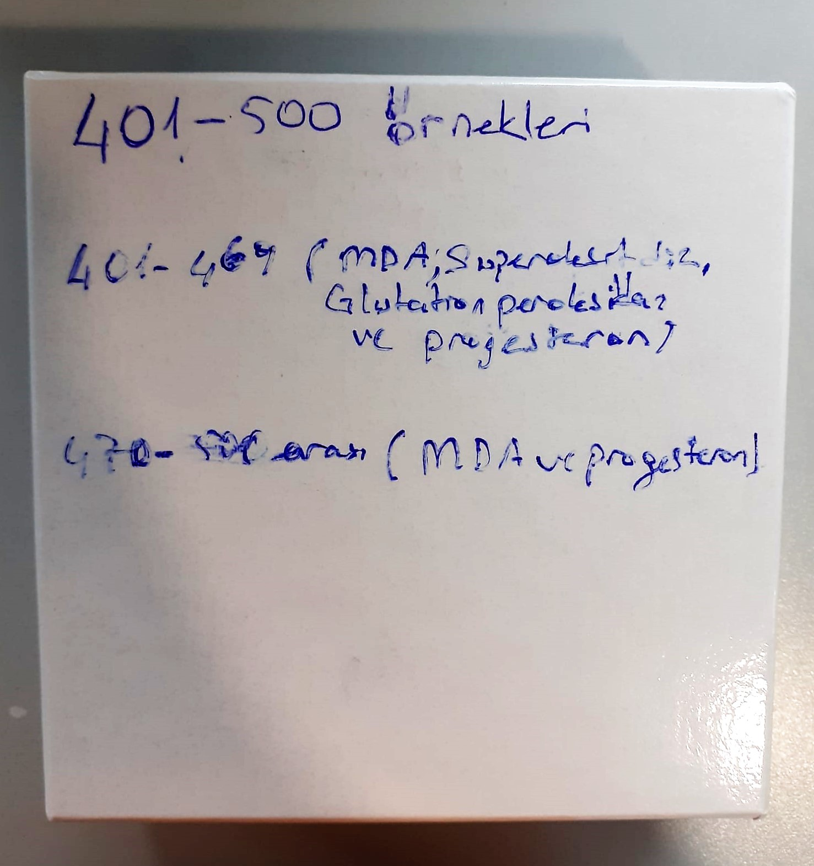
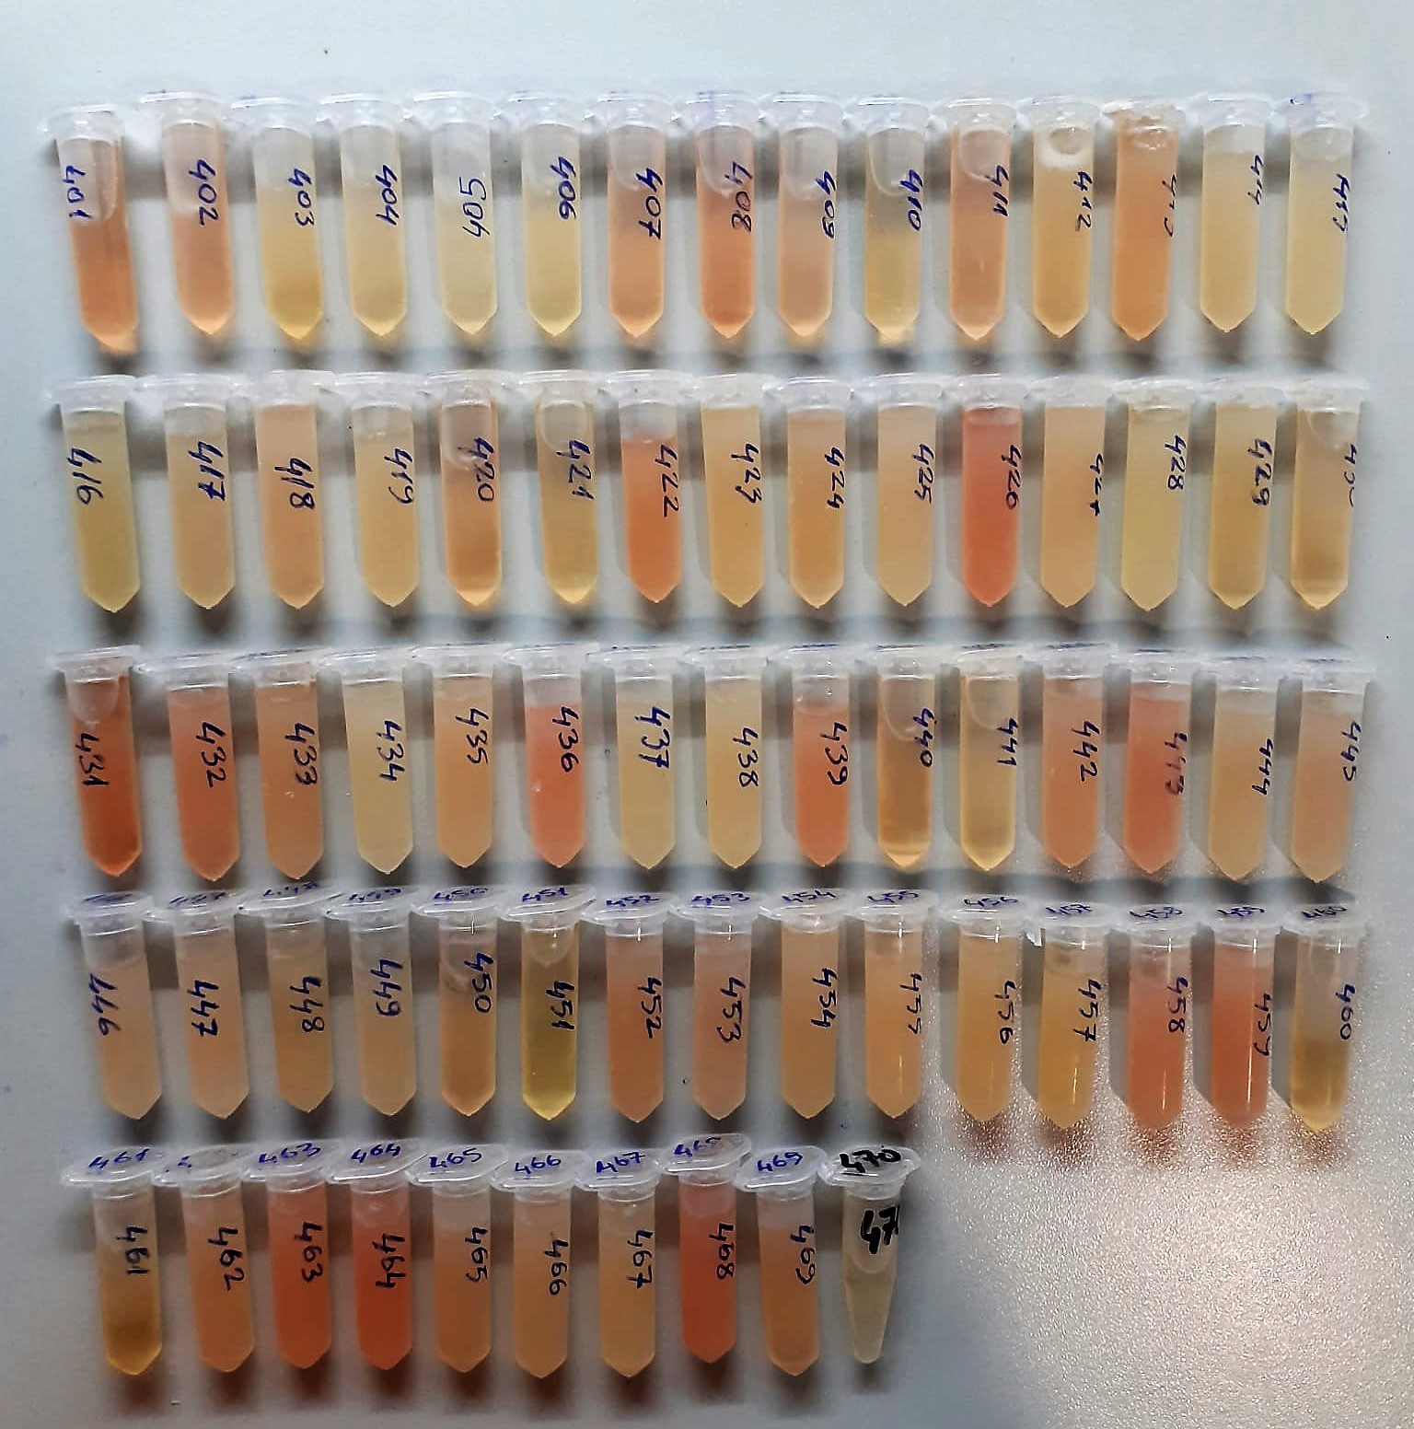

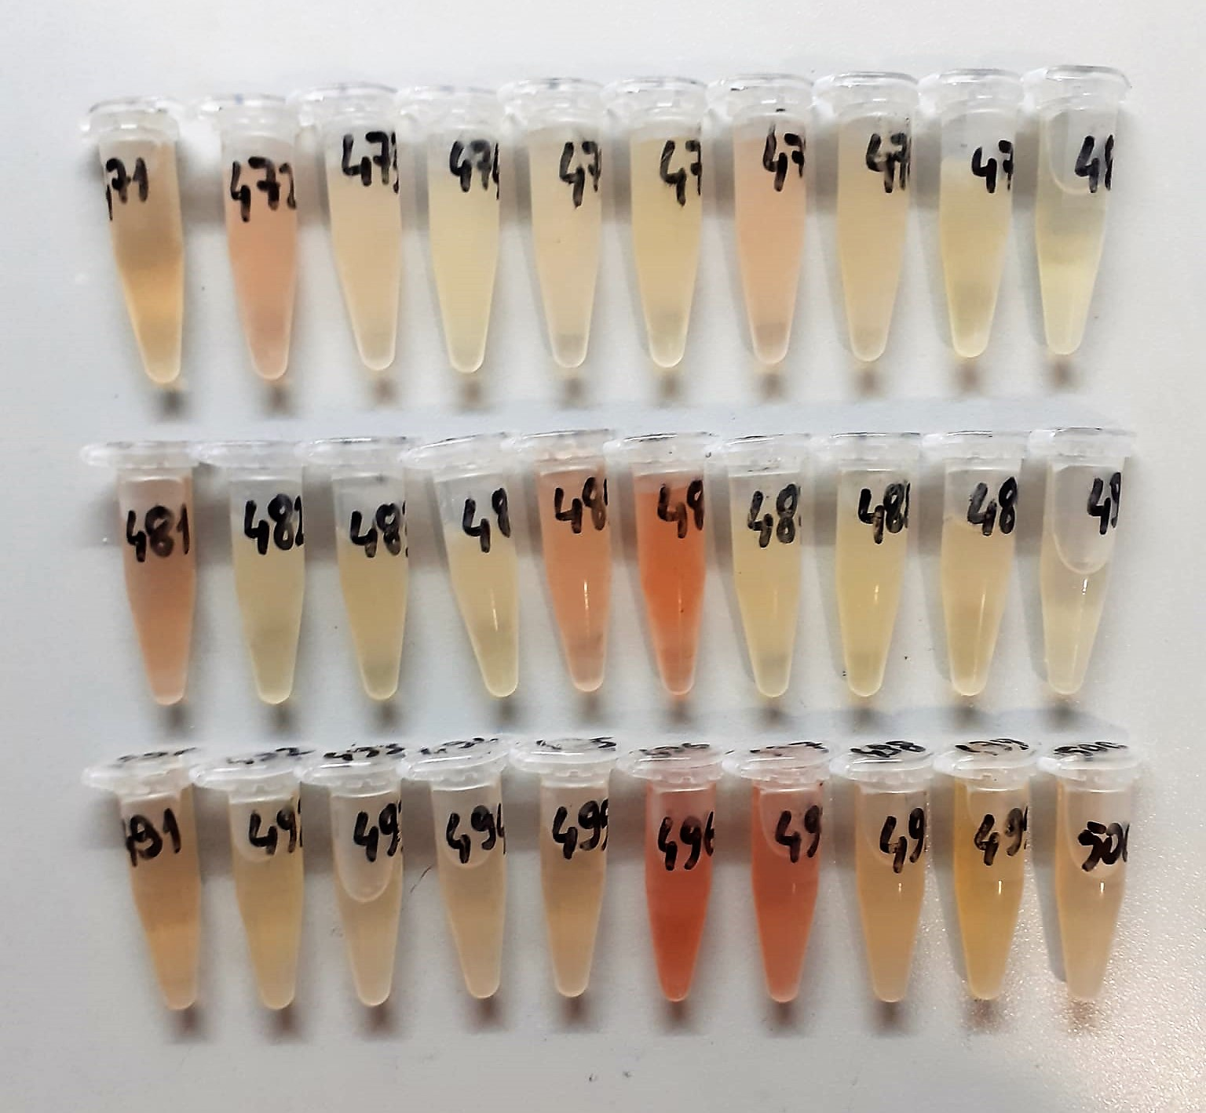

Malondialdehyde (MDA) nmol/L
The MDA level was determined by a method based
on the reaction with thiobarbituric acid (TBA) at 90–100_C
. In the TBA test reaction, MDA or MDA-like
substances and TBA react with the production of a pink
pigment with a maximum absorption at 532 nm. The
reaction was performed at pH 2–3 at 90_C for 15 min. The
sample was mixed with two volumes of cold 10% (w/v)
trichloroacetic acid for the precipitation of protein. The
precipitate was pelleted by centrifugation, and an aliquot of
the supernatant was reacted with an equal volume of 0.67%
(w/v) TBA in a boiling water bath for 10 min. After
cooling, the absorbance was read at 532 nm.

Sheep Progesterone Assay Principle
This kit is an Enzyme-Linked Immunosorbent Assay (ELISA). The plate has been pre-coated with Sheep PROG antibody. Sheep PROG present in the sample is added and binds to antibodies coated on the wells.
And then biotinylated Sheep PROG Antibody is added and binds to Sheep PROG in the sample. Then Streptavidin-HRP is added and binds to the Biotinylated Sheep PROG antibody.
After incubation unbound Streptavidin-HRP is washed away during a washing step. Substrate solution is then added and color develops in proportion to the amount of Sheep PROG .
The reaction is terminated by addition of acidic stop solution and absorbance is measured at 450 nm.

Sheep GPX1 Assay Principle
This kit is an Enzyme-Linked Immunosorbent Assay (ELISA). The plate has been pre-coated with Sheep GPX1 antibody. Sheep GPX1 present in the sample is added and binds to antibodies coated on the wells.
And then biotinylated Sheep GPX1 Antibody is added and binds to Sheep GPX1 in the sample. Then Streptavidin-HRP is added and binds to the Biotinylated Sheep GPX1 antibody.
After incubation unbound Streptavidin-HRP is washed away during a washing step. Substrate solution is then added and color develops in proportion to the amount of Sheep GPX1 .
The reaction is terminated by addition of acidic stop solution and absorbance is measured at 450 nm.

Sheep SOD Assay Principle
This kit is an Enzyme-Linked Immunosorbent Assay (ELISA). The plate has been pre-coated with Sheep SOD antibody. Sheep SOD present in the sample is added and binds to antibodies coated on the wells.
And then biotinylated Sheep SOD Antibody is added and binds to Sheep SOD in the sample. Then Streptavidin-HRP is added and binds to the Biotinylated Sheep SOD antibody.
After incubation unbound Streptavidin-HRP is washed away during a washing step. Substrate solution is then added and color develops in proportion to the amount of Sheep SOD .
The reaction is terminated by addition of acidic stop solution and absorbance is measured at 450 nm.

