ESM-1
1.621 | 0.405 | 0.454 | 0.439 | 1.518 | 0.41 | 0.735 | 0.509 | 0.51 | 0.433 | 0.518 | 0.534
1.102 | 0.387 | 0.447 | 0.785 | 0.48 | 0.328 | 0.354 | 0.401 | 1.376 | 0.38 | 0.426 | 0.485
0.753 | 0.407 | 0.397 | 0.38 | 0.395 | 0.366 | 1.471 | 0.451 | 0.66 | 0.35 | 0.486 | 1.1
0.502 | 0.45 | 0.401 | 0.412 | 0.709 | 0.348 | 0.396 | 0.775 | 0.496 | 0.429 | 0.418 | 0.656
0.335 | 0.489 | 0.434 | 0.362 | 0.39 | 0.378 | 0.386 | 0.393 | 0.403 | 0.394 | 1.348 | 0.43
0.075 | 0.508 | 0.504 | 0.503 | 0.456 | 1.19 | 0.445 | 0.396 | 0.43 | 0.672 | 0.407 | 0.428
0.629 | 0.474 | 0.469 | 0.756 | 0.405 | 0.362 | 0.46 | 0.382 | 0.515 | 0.372 | 0.422 | 0.473
0.772 | 0.614 | 0.452 | 1.416 | 0.682 | 0.39 | 0.37 | 0.362 | 0.472 | 0.876 | 0.424 | 0.333

ESM-1

 | abs | abs-blank | expected | result
std1 | 1.621 | 1.546 | 1200 | 1201.11
std2 | 1.102 | 1.027 | 600 | 595.87
std3 | 0.753 | 0.678 | 300 | 303.56
std4 | 0.502 | 0.427 | 150 | 150.34
std5 | 0.335 | 0.26 | 75 | 74.82
blank | 0.075 | 0 | 0 | -0.72

 |  |  |  |  |  |  |  |  | concentration (ng/L)

Numune | absorbans | blank | abs-blank | Result (ng/L)
Sample-1 | 0.629 | 0.075 | 0.554 | 221.90
Sample-2 | 0.772 | 0.075 | 0.697 | 317.10
Sample-3 | 0.405 | 0.075 | 0.33 | 103.91
Sample-4 | 0.387 | 0.075 | 0.312 | 96.07
Sample-5 | 0.407 | 0.075 | 0.332 | 104.79
Sample-6 | 0.45 | 0.075 | 0.375 | 124.56
Sample-7 | 0.489 | 0.075 | 0.414 | 143.70
Sample-8 | 0.508 | 0.075 | 0.433 | 153.45
Sample-9 | 0.474 | 0.075 | 0.399 | 136.21
Sample-10 | 0.614 | 0.075 | 0.539 | 212.81
Sample-11 | 0.454 | 0.075 | 0.379 | 126.47
Sample-12 | 0.447 | 0.075 | 0.372 | 123.14
Sample-13 | 0.397 | 0.075 | 0.322 | 100.40
Sample-14 | 0.401 | 0.075 | 0.326 | 102.15
Sample-15 | 0.434 | 0.075 | 0.359 | 117.04
Sample-16 | 0.504 | 0.075 | 0.429 | 151.37
Sample-17 | 0.469 | 0.075 | 0.394 | 133.74
Sample-18 | 0.452 | 0.075 | 0.377 | 125.52
Sample-19 | 0.439 | 0.075 | 0.364 | 119.37
Sample-20 | 0.785 | 0.075 | 0.71 | 326.52
Sample-21 | 0.38 | 0.075 | 0.305 | 93.09
Sample-22 | 0.412 | 0.075 | 0.337 | 107.02
Sample-23 | 0.362 | 0.075 | 0.287 | 85.60
Sample-24 | 0.503 | 0.075 | 0.428 | 150.86
Sample-25 | 0.756 | 0.075 | 0.681 | 305.68
Sample-26 | 1.416 | 0.075 | 1.341 | 937.68
Sample-27 | 1.518 | 0.075 | 1.443 | 1064.78
Sample-28 | 0.48 | 0.075 | 0.405 | 139.18
Sample-29 | 0.395 | 0.075 | 0.32 | 99.53
Sample-30 | 0.709 | 0.075 | 0.634 | 273.25
Sample-31 | 0.39 | 0.075 | 0.315 | 97.36
Sample-32 | 0.456 | 0.075 | 0.381 | 127.43
Sample-33 | 0.405 | 0.075 | 0.33 | 103.91
Sample-34 | 0.682 | 0.075 | 0.607 | 255.38
Sample-35 | 0.41 | 0.075 | 0.335 | 106.13
Sample-36 | 0.328 | 0.075 | 0.253 | 72.12
Sample-37 | 0.366 | 0.075 | 0.291 | 87.25
Sample-38 | 0.348 | 0.075 | 0.273 | 79.95
Sample-39 | 0.378 | 0.075 | 0.303 | 92.25
Sample-40 | 1.19 | 0.075 | 1.115 | 684.14
Sample-41 | 0.362 | 0.075 | 0.287 | 85.60
Sample-42 | 0.39 | 0.075 | 0.315 | 97.36
Sample-43 | 0.735 | 0.075 | 0.66 | 290.98
Sample-44 | 0.354 | 0.075 | 0.279 | 82.35
Sample-45 | 1.471 | 0.075 | 1.396 | 1005.23
Sample-46 | 0.396 | 0.075 | 0.321 | 99.96
Sample-47 | 0.386 | 0.075 | 0.311 | 95.65
Sample-48 | 0.445 | 0.075 | 0.37 | 122.19
Sample-49 | 0.46 | 0.075 | 0.385 | 129.36
Sample-50 | 0.37 | 0.075 | 0.295 | 88.90
Sample-51 | 0.509 | 0.075 | 0.434 | 153.97
Sample-52 | 0.401 | 0.075 | 0.326 | 102.15
Sample-53 | 0.451 | 0.075 | 0.376 | 125.04
Sample-54 | 0.775 | 0.075 | 0.7 | 319.26
Sample-55 | 0.393 | 0.075 | 0.318 | 98.66
Sample-56 | 0.396 | 0.075 | 0.321 | 99.96
Sample-57 | 0.382 | 0.075 | 0.307 | 93.94
Sample-58 | 0.362 | 0.075 | 0.287 | 85.60
Sample-59 | 0.51 | 0.075 | 0.435 | 154.49
Sample-60 | 1.376 | 0.075 | 1.301 | 889.99
Sample-61 | 0.66 | 0.075 | 0.585 | 241.23
Sample-62 | 0.496 | 0.075 | 0.421 | 147.26
Sample-63 | 0.403 | 0.075 | 0.328 | 103.02
Sample-64 | 0.43 | 0.075 | 0.355 | 115.19
Sample-65 | 0.515 | 0.075 | 0.44 | 157.10
Sample-66 | 0.472 | 0.075 | 0.397 | 135.22
Sample-67 | 0.433 | 0.075 | 0.358 | 116.58
Sample-68 | 0.38 | 0.075 | 0.305 | 93.09
Sample-69 | 0.35 | 0.075 | 0.275 | 80.74
Sample-70 | 0.429 | 0.075 | 0.354 | 114.73
Sample-71 | 0.394 | 0.075 | 0.319 | 99.09
Sample-72 | 0.672 | 0.075 | 0.597 | 248.90
Sample-73 | 0.372 | 0.075 | 0.297 | 89.73
Sample-74 | 0.876 | 0.075 | 0.801 | 396.06
Sample-75 | 0.518 | 0.075 | 0.443 | 158.68
Sample-76 | 0.426 | 0.075 | 0.351 | 113.36
Sample-77 | 0.486 | 0.075 | 0.411 | 142.19
Sample-78 | 0.418 | 0.075 | 0.343 | 109.72
Sample-79 | 1.348 | 0.075 | 1.273 | 857.32
Sample-80 | 0.407 | 0.075 | 0.332 | 104.79
Sample-81 | 0.422 | 0.075 | 0.347 | 111.53
Sample-82 | 0.424 | 0.075 | 0.349 | 112.44
Sample-83 | 0.534 | 0.075 | 0.459 | 167.22
Sample-84 | 0.485 | 0.075 | 0.41 | 141.69
Sample-85 | 1.1 | 0.075 | 1.025 | 593.93
Sample-86 | 0.656 | 0.075 | 0.581 | 238.69
Sample-87 | 0.43 | 0.075 | 0.355 | 115.19
Sample-88 | 0.428 | 0.075 | 0.353 | 114.27
Sample-89 | 0.473 | 0.075 | 0.398 | 135.71
Sample-90 | 0.333 | 0.075 | 0.258 | 74.05

Materyal-metod
KİT ADI | TÜR | MARKA | CAT. NO | Yöntem | Kullanılan Cihaz
Endothelial cell-specific molecule 1 | Human | BT-lab | E3160Hu | ELİSA | Mıcroplate reader: BIO-TEK EL X 800-Aotu strıp washer:BIO TEK EL X 50

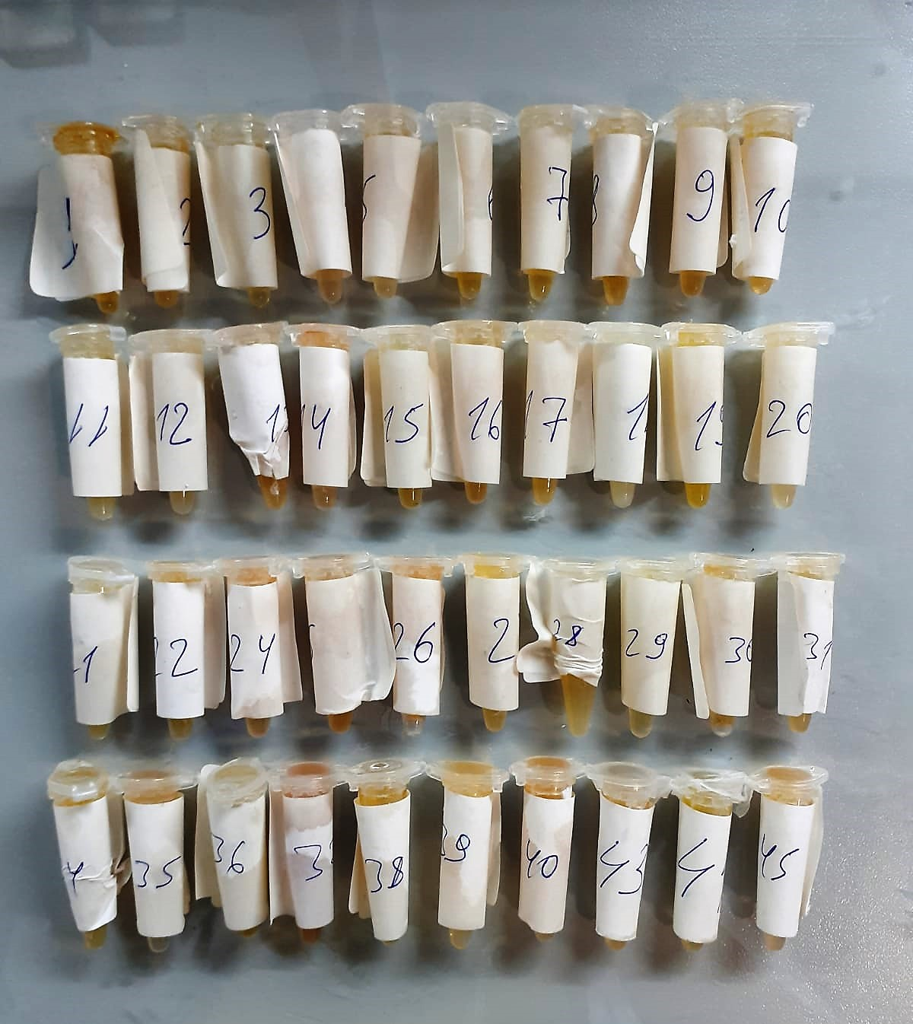

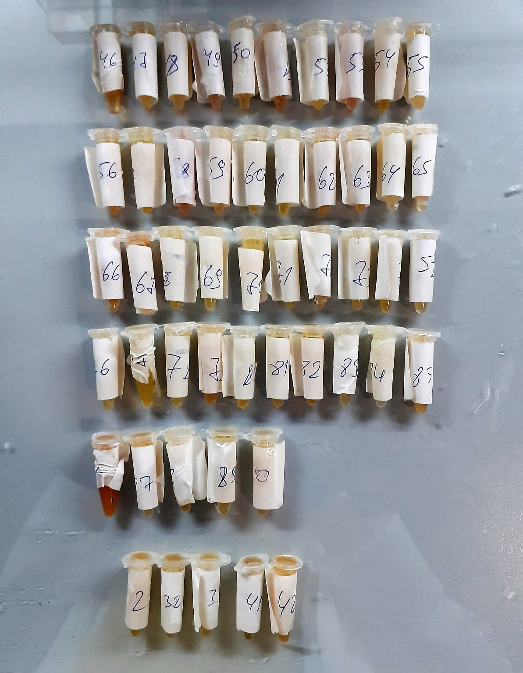

ESM-1 Assay Principle
This kit is an Enzyme-Linked Immunosorbent Assay (ELISA). The plate has been pre-coated with Human ESM-1 antibody. Human ESM-1 present in the sample is added and binds to antibodies coated on the wells.
And then biotinylated Human ESM-1 Antibody is added and binds to Human ESM-1 in the sample. Then Streptavidin-HRP is added and binds to the Biotinylated Human ESM-1 antibody.
After incubation unbound Streptavidin-HRP is washed away during a washing step. Substrate solution is then added and color develops in proportion to the amount of Human ESM-1 .
The reaction is terminated by addition of acidic stop solution and absorbance is measured at 450 nm.

