Sayfa1
Numune Adı | TAS(mmol/L) | TOS (µmol/L) | OSI | NOT
KC-K1 | 1.89 | 19.38 | 1.025
KC-K2 | 1.95 | 23.39 | 1.199 |  | Bu çalışmada "Relassay" marka kitler kullanılmıştır.
KC-K3 | 1.75 | 25.94 | 1.482 |  | TAS Kat.No: RL0017
KC-K5 | 1.77 | 20.8 | 1.175 |  | TOS Kat.Not: RL0024
KC-K6 | 2.02 | 28.66 | 1.419 |  | Kullanılan cihaz: Mindray marka BS300 model tam otomatik biyokimya cihazı
KC-F1 | 1.73 | 24.56 | 1.420
KC-F2 | 1.99 | 23.94 | 1.203
KC-F3 | 2.01 | 28.07 | 1.397 |  | TAS: Total Antioxidant Status
KC-F4 | 2.09 | 29.18 | 1.396 |  | TOS: Total Oxidant Status
KC-F5 | 2.05 | 29.25 | 1.427 |  | OSI: Oxidative Stress Index
KC-F6 | 2.08 | 30.84 | 1.483
KC-C1-1 | 2.1 | 30.22 | 1.439
KC-C1-2 | 2.04 | 21.41 | 1.050
KC-C1-3 | 1.81 | 27.43 | 1.515
KC-C1-4 | 2.07 | 22.92 | 1.107
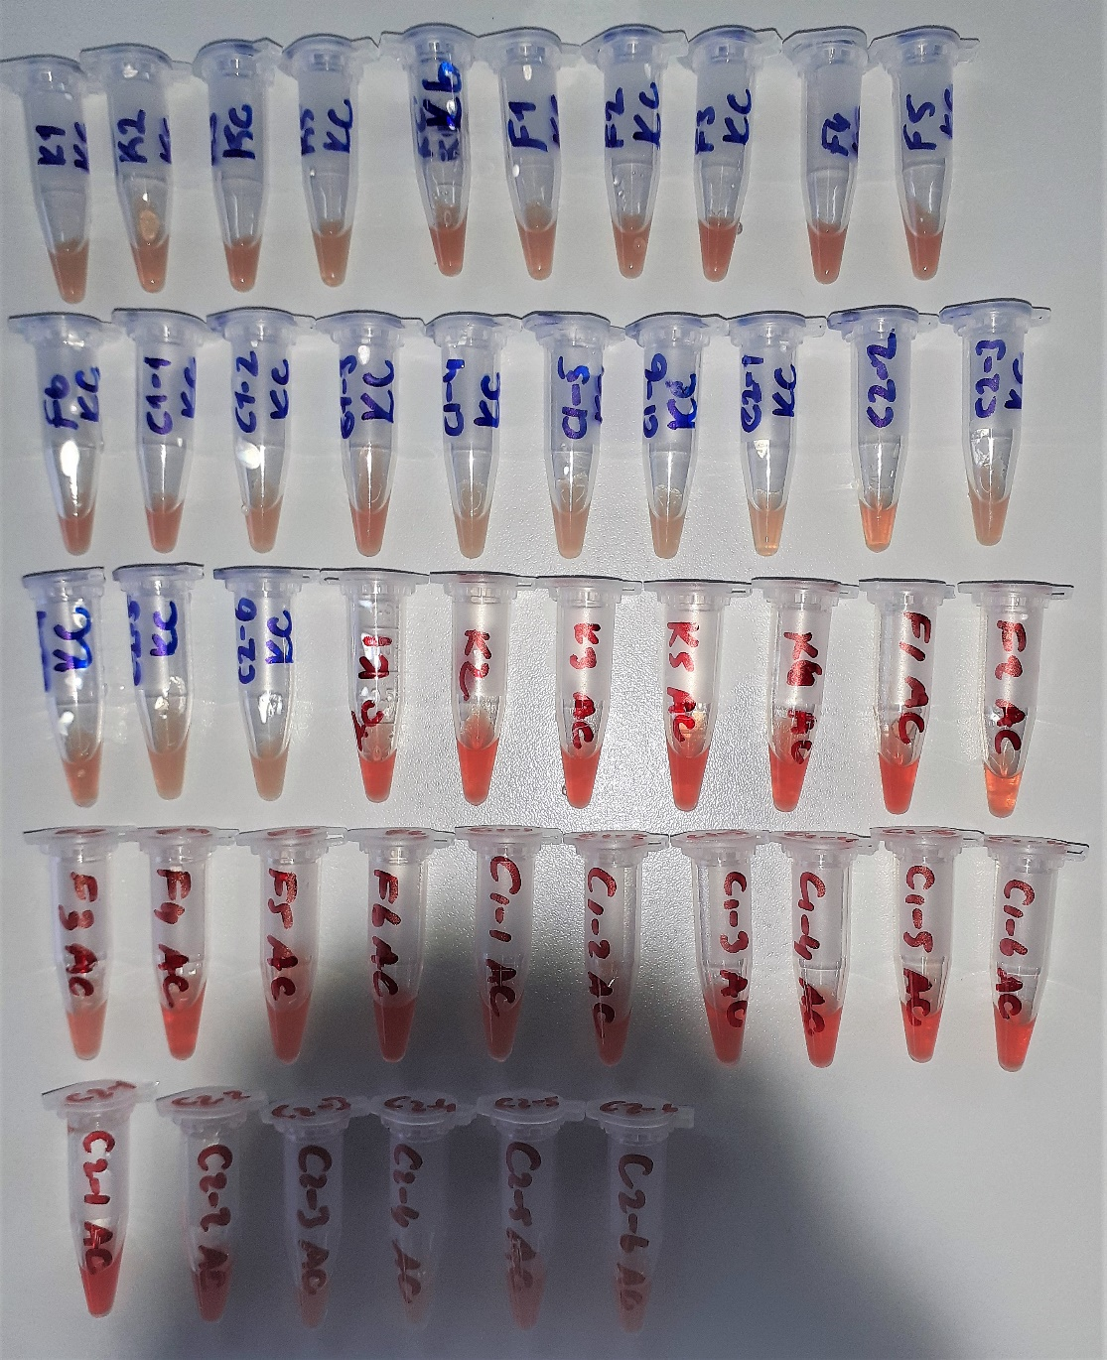
KC-C1-5 | 1.74 | 21.99 | 1.264
KC-C1-6 | 1.86 | 19.46 | 1.046
KC-C2-1 | 2.1 | 16.69 | 0.795
KC-C2-2 | 2.09 | 24.65 | 1.179
KC-C2-3 | 1.57 | 21.32 | 1.358
KC-C2-4 | 2.19 | 26.81 | 1.224
KC-C2-5 | 1.94 | 22.1 | 1.139
KC-C2-6 | 1.96 | 22.6 | 1.153
AC-K1 | 1.67 | 43.06 | 2.578
AC-K2 | 1.39 | 42.18 | 3.035
AC-K3 | 1.64 | 44.08 | 2.688
AC-K5 | 1.52 | 43.38 | 2.854
AC-K6 | 1.57 | 42.19 | 2.687
AC-F1 | 1.71 | 46.58 | 2.724
AC-F2 | 1.28 | 32.09 | 2.507
AC-F3 | 1.51 | 34.53 | 2.287
AC-F4 | 1.7 | 42.27 | 2.486
AC-F5 | 1.62 | 38.65 | 2.386
AC-F6 | 1.59 | 52.83 | 3.323
AC-C1-1 | 1.25 | 42.15 | 3.372
AC-C1-2 | 1.48 | 49 | 3.311
AC-C1-3 | 1.56 | 46.38 | 2.973
AC-C1-4 | 1.72 | 48.59 | 2.825
AC-C1-5 | 1.53 | 44.04 | 2.878
AC-C1-6 | 1.6 | 45.13 | 2.821
AC-C2-1 | 148 | 67.04 | 0.045
AC-C2-2 | 1.52 | 52.65 | 3.464
AC-C2-3 | 1.55 | 32.87 | 2.121
AC-C2-4 | 1.6 | 26.66 | 1.666
AC-C2-5 | 1.49 | 44.93 | 3.015
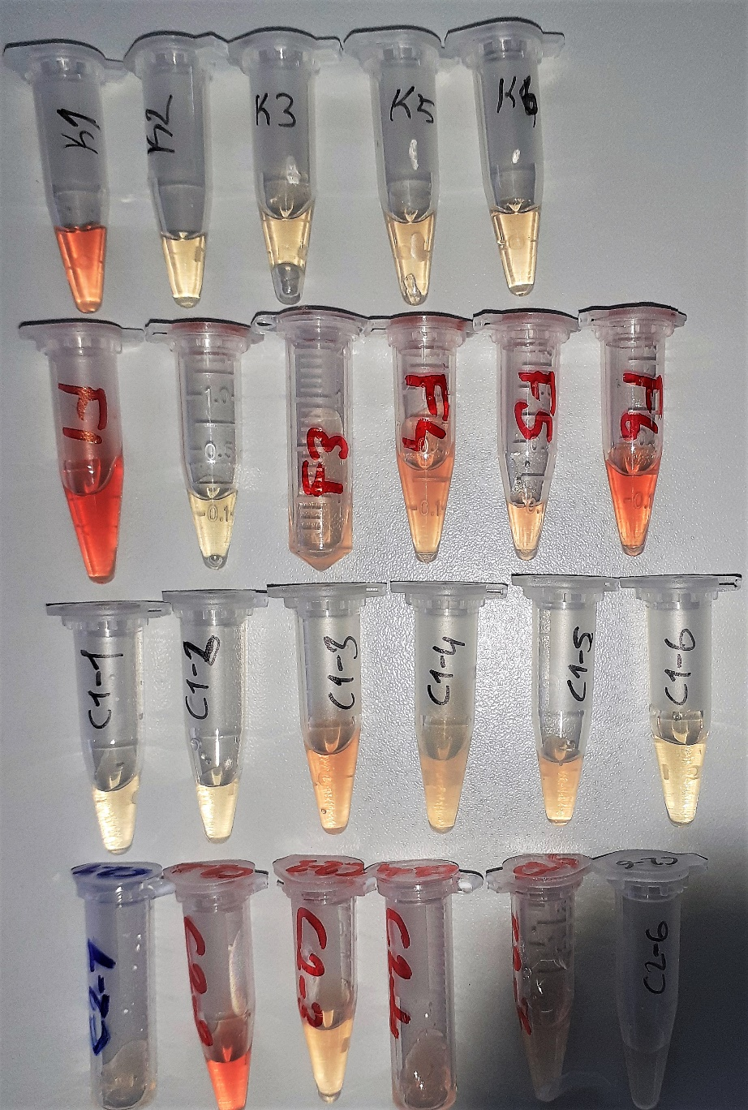
AC-C2-6 | 1.54 | 38.55 | 2.503
SERUM-K1 | 1.05 | 26.33 | 2.508
SERUM-K2 | 0.98 | 6.87 | 0.701
SERUM-K3 | 0.92 | 6.87 | 0.747
SERUM-K5 | 0.89 | 8.64 | 0.971
SERUM-K6 | 0.84 | 9.81 | 1.168
SERUM-F1 | 1.11 | 37.84 | 3.409 | hemolizli
SERUM-F2 | 0.8 | 8.26 | 1.033
SERUM-F3 | 0.97 | 10.1 | 1.041
SERUM-F4 | 0.95 | 13.04 | 1.373
SERUM-F5 | 1.03 | 18.3 | 1.777
SERUM-F6 | 1.13 | 26.33 | 2.330 | hemolizli
SERUM-C1-1 | 0.98 | 6.04 | 0.616
SERUM-C1-2 | 0.98 | 5.96 | 0.608
SERUM-C1-3 | 1.02 | 14.05 | 1.377
SERUM-C1-4 | 0.94 | 6.08 | 0.647
SERUM-C1-5 | 0.96 | 10.19 | 1.061
SERUM-C1-6 | 1.48 | 4.05 | 0.274
SERUM-C2-1 | 1 | 8.09 | 0.809
SERUM-C2-2 | 1.06 | 35.06 | 3.308 | hemolizli
SERUM-C2-3 | 0.94 | 9.77 | 1.039
SERUM-C2-4 | 1.05 | 15.87 | 1.511
SERUM-C2-5 | 1.03 | 7.33 | 0.712
SERUM-C2-6 | 0.96 | 5.17 | 0.539

