ASPROSIN
1.862 | 2.581 | 0.522 | 0.616 | 0.677 | 0.532 | 0.498 | 0.466 | 0.506 | 0.765 | 0.449 | 2.634
1.149 | 0.694 | 0.646 | 2.105 | 0.543 | 0.494 | 0.799 | 0.542 | 0.568 | 0.52 | 0.617 | 0.71
0.788 | 0.74 | 0.888 | 0.694 | 0.474 | 0.541 | 0.554 | 0.743 | 0.629 | 0.686 | 0.535 | 0.62
0.479 | 2.391 | 0.938 | 0.743 | 0.675 | 0.89 | 0.73 | 1.374 | 0.689 | 0.633 | 0.745 | 0.678
0.324 | 0.888 | 0.537 | 0.615 | 0.508 | 0.565 | 2.234 | 0.529 | 1.248 | 1.131 | 0.751 | 0.675
0.084 | 2.053 | 0.823 | 0.828 | 0.826 | 0.767 | 2.12 | 0.664 | 1.356 | 2.582 | 0.576 | 1.973
1.432 | 1.666 | 0.623 | 0.83 | 0.629 | 1.168 | 0.62 | 0.568 | 0.551 | 0.643 | 0.609 | 1.167
0.525 | 0.997 | 0.828 | 2.138 | 0.615 | 0.699 | 0.76 | 0.535 | 0.711 | 1.966 | 1.64 | 2.144

ASPROSİN

 | abs | abs-blank | expected | result
std1 | 1.862 | 1.778 | 64 | 64.35
std2 | 1.149 | 1.065 | 32 | 30.43
std3 | 0.788 | 0.704 | 16 | 17.28
std4 | 0.479 | 0.395 | 8 | 8.17
std5 | 0.324 | 0.24 | 4 | 4.35
blank | 0.084 | 0 | 0 | -0.58

 |  |  |  |  |  |  |  |  | concentratıon (ng/ml)

Numune | absorbans | blank | abs-blank | result(ng/ml)
IMAN EL HAMED | 1.432 | 0.084 | 1.348 | 42.63
MERCAN KATILMIŞ | 0.525 | 0.084 | 0.441 | 9.40
ÜLKÜ GEZGİNCİ | 2.581 | 0.084 | 2.497 | 109.24
GHUFRAN ÜNAL | 0.694 | 0.084 | 0.61 | 14.30
YELİZ KARASOKU | 0.74 | 0.084 | 0.656 | 15.74
BETÜL ARSLAN | 2.391 | 0.084 | 2.307 | 96.33
NACİYE ARSLAN | 0.888 | 0.084 | 0.804 | 20.65
İREMSU AYDOĞAN | 2.053 | 0.084 | 1.969 | 75.23
DEFNE TOPRAK | 1.666 | 0.084 | 1.582 | 53.97
KADER KIZIL | 0.997 | 0.084 | 0.913 | 24.56
EMİNE ÖZTÜRK | 0.522 | 0.084 | 0.438 | 9.32
ESMA ELOKLA | 0.646 | 0.084 | 0.562 | 12.85
YAREN GÖZLEMECİOĞLU | 0.888 | 0.084 | 0.804 | 20.65
DUYGU BASMACI | 0.938 | 0.084 | 0.854 | 22.42
KAMER HAMUDİ | 0.537 | 0.084 | 0.453 | 9.73
HAVVA CEYLAN | 0.823 | 0.084 | 0.739 | 18.44
CİŞAN DEMİRHİNDİ | 0.623 | 0.084 | 0.539 | 12.17
TUĞÇE BULUT | 0.828 | 0.084 | 0.744 | 18.60
NESİBE AKBAŞ | 0.616 | 0.084 | 0.532 | 11.97
YONCA NEGİZOĞLU | 2.105 | 0.084 | 2.021 | 78.32
MERDA KOCAMAN | 0.694 | 0.084 | 0.61 | 14.30
DİLEK YAĞCI | 0.743 | 0.084 | 0.659 | 15.83
ESRA ORAL | 0.615 | 0.084 | 0.531 | 11.94
SULTAN ÖRNEK | 0.828 | 0.084 | 0.744 | 18.60
RIMMA AKHMETZYANOVA | 0.83 | 0.084 | 0.746 | 18.67
KADER SOYDAN | 2.138 | 0.084 | 2.054 | 80.31
SUZAN ELHASAN | 0.677 | 0.084 | 0.593 | 13.78
MEVLÜDE GÜL | 0.543 | 0.084 | 0.459 | 9.90
ANGHAM JASIM JAAFAR JAAFAR | 0.474 | 0.084 | 0.39 | 8.04
DÖNE ZEYNEP YAŞAR | 0.675 | 0.084 | 0.591 | 13.72
SÖZDAR TANAK | 0.508 | 0.084 | 0.424 | 8.94
FİRDES DOĞAN | 0.826 | 0.084 | 0.742 | 18.54
NOOR BİBİ ÖZBEK | 0.629 | 0.084 | 0.545 | 12.35
ALAA HAMZA | 0.615 | 0.084 | 0.531 | 11.94
RANİYA ELALO | 0.532 | 0.084 | 0.448 | 9.59
RAVYE KAŞKAŞ | 0.494 | 0.084 | 0.41 | 8.57
SEREN İRİYİĞİT | 0.541 | 0.084 | 0.457 | 9.84
HATİCE VERENBAŞ | 0.89 | 0.084 | 0.806 | 20.72
FATMA ORAN | 0.565 | 0.084 | 0.481 | 10.51
FİLİZ BAYRAM | 0.767 | 0.084 | 0.683 | 16.60
GÜLBAHAR ÖNAY | 1.168 | 0.084 | 1.084 | 31.20
ŞÜKRAN BÜTÜN | 0.699 | 0.084 | 0.615 | 14.45
SEMRA GÜL | 0.498 | 0.084 | 0.414 | 8.68
PETEK KUTUM | 0.799 | 0.084 | 0.715 | 17.64
ÖZLEM AKSAKAL | 0.554 | 0.084 | 0.47 | 10.20
BERİVAN BAYLASSIN | 0.73 | 0.084 | 0.646 | 15.42
FADİME GÖKMEN | 2.234 | 0.084 | 2.15 | 86.23
LEYLA CENGİZ | 2.12 | 0.084 | 2.036 | 79.22
SHAHLA FALAH ABBASKHSHMAN | 0.62 | 0.084 | 0.536 | 12.08
AYŞEGÜL ERGİN | 0.76 | 0.084 | 0.676 | 16.37
NAJWA SOLKHAY | 0.466 | 0.084 | 0.382 | 7.83
DÜNYA İBRAHİM BESİR HAMO | 0.542 | 0.084 | 0.458 | 9.87
BAYAN HİCAZ | 0.743 | 0.084 | 0.659 | 15.83
BETÜL DİN | 1.374 | 0.084 | 1.29 | 39.99
ÖZGÜL TEKİN | 0.529 | 0.084 | 0.445 | 9.51
MARYAM MOHAMMED NOOR.. | 0.664 | 0.084 | 0.58 | 13.39
HALİDİYE ELMUHAMMED | 0.568 | 0.084 | 0.484 | 10.59
SANAR HAZIM CEMİL KARABAŞ | 0.535 | 0.084 | 0.451 | 9.68
ZİNE BARKULLİ | 0.506 | 0.084 | 0.422 | 8.89
EDA KOÇAK | 0.568 | 0.084 | 0.484 | 10.59
SEHER YURTÇU | 0.629 | 0.084 | 0.545 | 12.35
FİGEN ASIL | 0.689 | 0.084 | 0.605 | 14.15
SULTAN ÇELİK | 1.248 | 0.084 | 1.164 | 34.51
FATMA UZUN | 1.356 | 0.084 | 1.272 | 39.19
GÜLER ULUS | 0.551 | 0.084 | 0.467 | 10.12
İLAYDA KURT | 0.711 | 0.084 | 0.627 | 14.83
SELVER KAPLANER | 0.765 | 0.084 | 0.681 | 16.53
HATİCE KIRKGÖZ | 0.52 | 0.084 | 0.436 | 9.27
ŞEYMA NUR UZUN | 0.686 | 0.084 | 0.602 | 14.05
FİLİZ ÇİFTÇİ | 0.633 | 0.084 | 0.549 | 12.46
SİBEL KAYA | 1.131 | 0.084 | 1.047 | 29.71
SULTAN ÇAKMAK | 2.582 | 0.084 | 2.498 | 109.31
ARZU KOÇLAR | 0.643 | 0.084 | 0.559 | 12.76
BERİVAN GÜNEŞ | 1.966 | 0.084 | 1.882 | 70.18
MEYMUNE EL HAFID | 0.449 | 0.084 | 0.365 | 7.39
MINA WSHYAR ABDULFATTAH ABDULFATTAH | 0.617 | 0.084 | 0.533 | 12.00
MANAL SALH TALHU KASSAB | 0.535 | 0.084 | 0.451 | 9.68
AFRAH MAHMUD İSMAİL ALMUCDİL | 0.745 | 0.084 | 0.661 | 15.89
LATİFE DOĞANÇAY | 0.751 | 0.084 | 0.667 | 16.09
RAZİYE CANBAZ | 0.576 | 0.084 | 0.492 | 10.82
DUA ELALİ | 0.609 | 0.084 | 0.525 | 11.76
AYHAN KHARALDEEN SAAED | 1.64 | 0.084 | 1.556 | 52.66
GAMZE SARAY | 2.634 | 0.084 | 2.55 | 112.97
EBRU ARABULAN | 0.71 | 0.084 | 0.626 | 14.79
DIANA HARP | 0.62 | 0.084 | 0.536 | 12.08
KADER KANSIZ | 0.678 | 0.084 | 0.594 | 13.81
DİLEK DEMİRKAYA | 0.675 | 0.084 | 0.591 | 13.72
GÜLCAN NAZAN GÜL | 1.973 | 0.084 | 1.889 | 70.58
ESRA SATICIOĞLU | 1.167 | 0.084 | 1.083 | 31.16
FATIMA ELZİNGAH | 2.144 | 0.084 | 2.06 | 80.68

MT-RNR2
2.377 | 2.012 | 0.827 | 0.885 | 1.156 | 1.062 | 0.896 | 0.923 | 1.013 | 1.285 | 0.851 | 2.388
1.596 | 1.268 | 0.905 | 1.739 | 0.864 | 0.851 | 1.602 | 1.048 | 0.888 | 0.835 | 0.843 | 1.018
1.097 | 1.027 | 1.052 | 1.059 | 0.813 | 0.868 | 1 | 1.371 | 1.001 | 1.13 | 0.857 | 0.879
0.674 | 2.324 | 0.387 | 0.81 | 0.753 | 0.992 | 0.987 | 2.073 | 0.848 | 0.913 | 0.861 | 0.854
0.485 | 1.311 | 1.495 | 0.948 | 0.854 | 1.021 | 2.344 | 1.179 | 2.525 | 2.031 | 1.082 | 1.032
0.129 | 2.726 | 1.072 | 0.91 | 0.816 | 0.792 | 2.673 | 0.818 | 1.773 | 2.035 | 0.78 | 2.521
2.086 | 2.055 | 0.903 | 1.119 | 0.872 | 1.895 | 1.132 | 1.245 | 1.104 | 1.34 | 0.971 | 1.873
1.078 | 1.751 | 1.28 | 1.873 | 1.054 | 1.125 | 1.093 | 1.065 | 1.079 | 1.949 | 1.961 | 2.357

MT-RNR2

 | abs | abs-blank | expected | result
std1 | 2.377 | 2.248 | 960 | 960.69
std2 | 1.596 | 1.467 | 480 | 475.28
std3 | 1.097 | 0.968 | 240 | 249.79
std4 | 0.674 | 0.545 | 120 | 110.33
std5 | 0.485 | 0.356 | 60 | 63.35
blank | 0.129 | 0 | 0 | 0.57

 |  |  |  |  |  |  |  |  |  | concentratıon (ng/L)

Numune | absorbans | blank | abs-blank | result(ng/L))
IMAN EL HAMED | 2.086 | 0.129 | 1.957 | 760.93
MERCAN KATILMIŞ | 1.078 | 0.129 | 0.949 | 242.51
ÜLKÜ GEZGİNCİ | 2.012 | 0.129 | 1.883 | 713.71
GHUFRAN ÜNAL | 1.268 | 0.129 | 1.139 | 319.63
YELİZ KARASOKU | 1.027 | 0.129 | 0.898 | 223.44
BETÜL ARSLAN | 2.324 | 0.129 | 2.195 | 922.63
NACİYE ARSLAN | 1.311 | 0.129 | 1.182 | 338.41
İREMSU AYDOĞAN | 2.726 | 0.129 | 2.597 | 1229.86
DEFNE TOPRAK | 2.055 | 0.129 | 1.926 | 740.97
KADER KIZIL | 1.751 | 0.129 | 1.622 | 558.76
EMİNE ÖZTÜRK | 0.827 | 0.129 | 0.698 | 155.30
ESMA ELOKLA | 0.905 | 0.129 | 0.776 | 180.61
YAREN GÖZLEMECİOĞLU | 1.052 | 0.129 | 0.923 | 232.70
DUYGU BASMACI | 0.387 | 0.129 | 0.258 | 42.72
KAMER HAMUDİ | 1.495 | 0.129 | 1.366 | 424.31
HAVVA CEYLAN | 1.072 | 0.129 | 0.943 | 240.23
CİŞAN DEMİRHİNDİ | 0.903 | 0.129 | 0.774 | 179.94
TUĞÇE BULUT | 1.28 | 0.129 | 1.151 | 324.82
NESİBE AKBAŞ | 0.885 | 0.129 | 0.756 | 173.97
YONCA NEGİZOĞLU | 1.739 | 0.129 | 1.61 | 552.07
MERDA KOCAMAN | 1.059 | 0.129 | 0.93 | 235.32
DİLEK YAĞCI | 0.81 | 0.129 | 0.681 | 150.00
ESRA ORAL | 0.948 | 0.129 | 0.819 | 195.26
SULTAN ÖRNEK | 0.91 | 0.129 | 0.781 | 182.29
RIMMA AKHMETZYANOVA | 1.119 | 0.129 | 0.99 | 258.34
KADER SOYDAN | 1.873 | 0.129 | 1.744 | 628.94
SUZAN ELHASAN | 1.156 | 0.129 | 1.027 | 273.01
MEVLÜDE GÜL | 0.864 | 0.129 | 0.735 | 167.11
ANGHAM JASIM JAAFAR JAAFAR | 0.813 | 0.129 | 0.684 | 150.93
DÖNE ZEYNEP YAŞAR | 0.753 | 0.129 | 0.624 | 132.78
SÖZDAR TANAK | 0.854 | 0.129 | 0.725 | 163.88
FİRDES DOĞAN | 0.816 | 0.129 | 0.687 | 151.86
NOOR BİBİ ÖZBEK | 0.872 | 0.129 | 0.743 | 169.71
ALAA HAMZA | 1.054 | 0.129 | 0.925 | 233.45
RANİYA ELALO | 1.062 | 0.129 | 0.933 | 236.45
RAVYE KAŞKAŞ | 0.851 | 0.129 | 0.722 | 162.92
SEREN İRİYİĞİT | 0.868 | 0.129 | 0.739 | 168.41
HATİCE VERENBAŞ | 0.992 | 0.129 | 0.863 | 210.75
FATMA ORAN | 1.021 | 0.129 | 0.892 | 221.24
FİLİZ BAYRAM | 0.792 | 0.129 | 0.663 | 144.47
GÜLBAHAR ÖNAY | 1.895 | 0.129 | 1.766 | 642.01
ŞÜKRAN BÜTÜN | 1.125 | 0.129 | 0.996 | 260.70
SEMRA GÜL | 0.896 | 0.129 | 0.767 | 177.61
PETEK KUTUM | 1.602 | 0.129 | 1.473 | 478.39
ÖZLEM AKSAKAL | 1 | 0.129 | 0.871 | 213.62
BERİVAN BAYLASSIN | 0.987 | 0.129 | 0.858 | 208.96
FADİME GÖKMEN | 2.344 | 0.129 | 2.215 | 936.90
LEYLA CENGİZ | 2.673 | 0.129 | 2.544 | 1186.91
SHAHLA FALAH ABBASKHSHMAN | 1.132 | 0.129 | 1.003 | 263.46
AYŞEGÜL ERGİN | 1.093 | 0.129 | 0.964 | 248.25
NAJWA SOLKHAY | 0.923 | 0.129 | 0.794 | 186.68
DÜNYA İBRAHİM BESİR HAMO | 1.048 | 0.129 | 0.919 | 231.21
BAYAN HİCAZ | 1.371 | 0.129 | 1.242 | 365.44
BETÜL DİN | 2.073 | 0.129 | 1.944 | 752.53
ÖZGÜL TEKİN | 1.179 | 0.129 | 1.05 | 282.31
MARYAM MOHAMMED NOOR.. | 0.818 | 0.129 | 0.689 | 152.48
HALİDİYE ELMUHAMMED | 1.245 | 0.129 | 1.116 | 309.79
SANAR HAZIM CEMİL KARABAŞ | 1.065 | 0.129 | 0.936 | 237.58
ZİNE BARKULLİ | 1.013 | 0.129 | 0.884 | 218.32
EDA KOÇAK | 0.888 | 0.129 | 0.759 | 174.96
SEHER YURTÇU | 1.001 | 0.129 | 0.872 | 213.98
FİGEN ASIL | 0.848 | 0.129 | 0.719 | 161.96
SULTAN ÇELİK | 2.525 | 0.129 | 2.396 | 1070.89
FATMA UZUN | 1.773 | 0.129 | 1.644 | 571.12
GÜLER ULUS | 1.104 | 0.129 | 0.975 | 252.50
İLAYDA KURT | 1.079 | 0.129 | 0.95 | 242.89
SELVER KAPLANER | 1.285 | 0.129 | 1.156 | 327.00
HATİCE KIRKGÖZ | 0.835 | 0.129 | 0.706 | 157.82
ŞEYMA NUR UZUN | 1.13 | 0.129 | 1.001 | 262.67
FİLİZ ÇİFTÇİ | 0.913 | 0.129 | 0.784 | 183.30
SİBEL KAYA | 2.031 | 0.129 | 1.902 | 725.69
SULTAN ÇAKMAK | 2.035 | 0.129 | 1.906 | 728.23
ARZU KOÇLAR | 1.34 | 0.129 | 1.211 | 351.35
BERİVAN GÜNEŞ | 1.949 | 0.129 | 1.82 | 674.65
MEYMUNE EL HAFID | 0.851 | 0.129 | 0.722 | 162.92
MINA WSHYAR ABDULFATTAH ABDULFATTAH | 0.843 | 0.129 | 0.714 | 160.36
MANAL SALH TALHU KASSAB | 0.857 | 0.129 | 0.728 | 164.85
AFRAH MAHMUD İSMAİL ALMUCDİL | 0.861 | 0.129 | 0.732 | 166.14
LATİFE DOĞANÇAY | 1.082 | 0.129 | 0.953 | 244.04
RAZİYE CANBAZ | 0.78 | 0.129 | 0.651 | 140.83
DUA ELALİ | 0.971 | 0.129 | 0.842 | 203.29
AYHAN KHARALDEEN SAAED | 1.961 | 0.129 | 1.832 | 682.01
GAMZE SARAY | 2.388 | 0.129 | 2.259 | 968.68
EBRU ARABULAN | 1.018 | 0.129 | 0.889 | 220.14
DIANA HARP | 0.879 | 0.129 | 0.75 | 172.00
KADER KANSIZ | 0.854 | 0.129 | 0.725 | 163.88
DİLEK DEMİRKAYA | 1.032 | 0.129 | 0.903 | 225.28
GÜLCAN NAZAN GÜL | 2.521 | 0.129 | 2.392 | 1067.84
ESRA SATICIOĞLU | 1.873 | 0.129 | 1.744 | 628.94
FATIMA ELZİNGAH | 2.357 | 0.129 | 2.228 | 946.24

Materyal-metod
KİT ADI | TÜR | MARKA | CAT. NO | Yöntem | Kullanılan Cihaz
Putative humanin peptide(MT-RNR2) | Human | BT | E4823Hu | ELİSA | Mıcroplate reader: BIO-TEK EL X 800-Aotu strıp washer:BIO TEK EL X 50
Asprosin | Human | BT | E4095Hu | ELİSA | Mıcroplate reader: BIO-TEK EL X 800-Aotu strıp washer:BIO TEK EL X 50

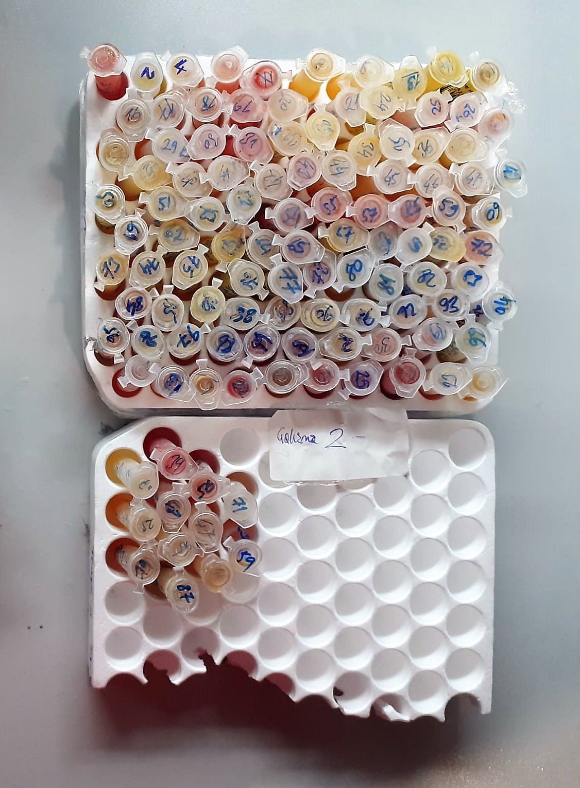
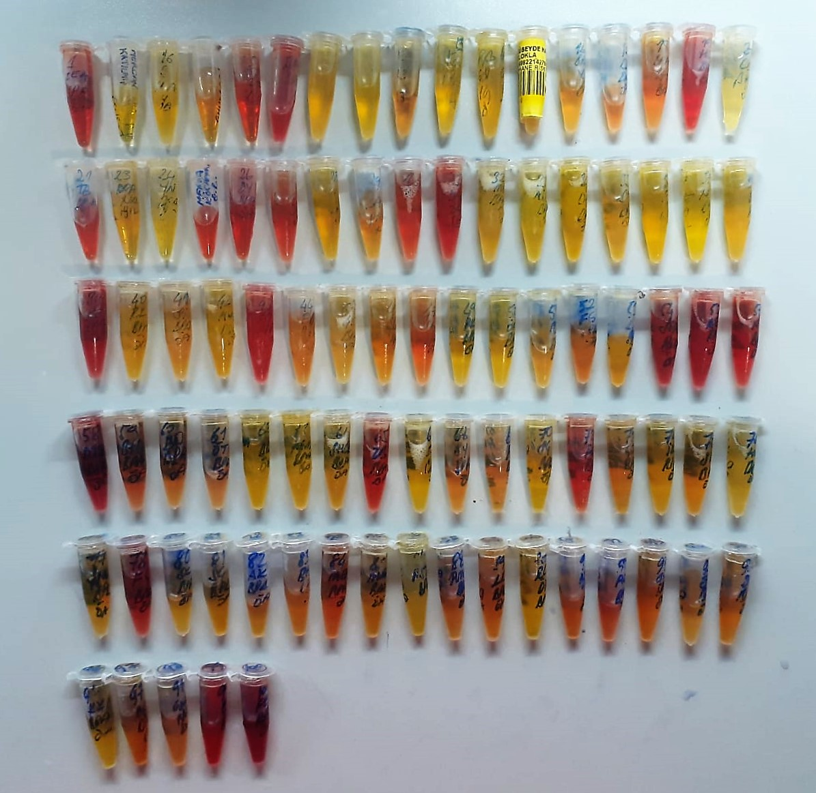

Human MT-RNR2 Assay Principle
This kit is an Enzyme-Linked Immunosorbent Assay (ELISA). The plate has been pre-coated with Human MT-RNR2 antibody. Human MT-RNR2 present in the sample is added and binds to antibodies coated on the wells.
And then biotinylated Human MT-RNR2 Antibody is added and binds to Human MT-RNR2 in the sample. Then Streptavidin-HRP is added and binds to the Biotinylated Human MT-RNR2 antibody.
After incubation unbound Streptavidin-HRP is washed away during a washing step. Substrate solution is then added and color develops in proportion to the amount of Human MT-RNR2 .
The reaction is terminated by addition of acidic stop solution and absorbance is measured at 450 nm.

Human ASPROSIN Assay Principle
This kit is an Enzyme-Linked Immunosorbent Assay (ELISA). The plate has been pre-coated with Human ASPROSIN antibody. Human ASPROSIN present in the sample is added and binds to antibodies coated on the wells.
And then biotinylated Human ASPROSIN Antibody is added and binds to Human ASPROSIN in the sample. Then Streptavidin-HRP is added and binds to the Biotinylated Human ASPROSIN antibody.
After incubation unbound Streptavidin-HRP is washed away during a washing step. Substrate solution is then added and color develops in proportion to the amount of Human ASPROSIN .
The reaction is terminated by addition of acidic stop solution and absorbance is measured at 450 nm.

