Biyokimya
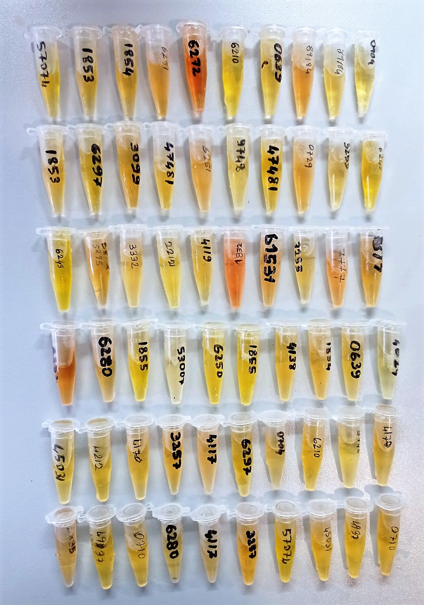
Numune Adı | CHOL (mg/dl) | TG (mg/dl) | AST (U/L) | ALT (U/L) | ALB (g/dl) | CRP (mg/L) | HDL (mg/dl) | TP (g/dl) | NOT
1 | 122 | 50 | 1.9 | 15.5 | 2.38 | 0.035 | 131.2 | 4.91 | lipemi
2 | 99 | 14 | -10.9 | 7 | 1.55 | 0.057 | 110.8 | 2.53
3 | 187 | 90 | 3.1 | 14 | 3.38 | 0.043 | 179.1 | 9.07 | yüksek hemolizli
4 | 134 | 26 | 0.9 | 10.2 | 2.34 | 0.037 | 152.9 | 5.43 | hemolizli
5 | 116 | 58 | -3.2 | 10.8 | 1.44 | -0.24 | 87.5 | 2.68 | hemolizli
6 | 143 | 42 | -3.3 | 20.1 | 1.32 | -0.17 | 129.7 | 3.39 | yüksek hemolizli
7 | 113 | 121 | -5.8 | -12.8 | 3.19 | -0.09 | 62.7 | 9.53 | yüksek hemolizli
8 | -4 | -13 | 4.9 | 0.07 | 0.09 | -0.3 | 117.5 | -1.42
9 | 121 | 35 | 4.2 | 19.4 | 2.03 | -0.045 | 1.4 | 4.31 | yüksek hemolizli
10 | -3 | 4 | -15.7 | 2.6 | 0.02 | -0.16 | 0.5 | 0.98
11 | -3 | 8 | -9.5 | -0.2 | 0.08 | -0.08 | 4.2 | -1.2
12 | -6 | 4 | -14 | 4.1 | 0.01 | -0.07 | 11.4 | -1.25
13 | -7 | 4 | -16.5 | 4.7 | 0,0,1 | -0.02 | 7.6 | -0.136
14 | -7 | 4 | -19.4 | 1.1 | 0.01 | -0.15 | 100 | -1.51
15 | 85 | 28 | -7.1 | 17.7 | 2.01 | -0.001 | 153.4 | 4.7 | yüksek hemolizli
16 | 155 | 112 | 14 | 131.8 | 2.38 | -0.24 | 78.9 | 5.244 | hemolizli
17 | 83 | 38 | 4.2 | 19 | 1.8 | 0.037 | 68.7 | 5.33 | yüksek hemolizli
18 | 66 | 29 | -5.5 | 5.5 | 1.5 | 0.09 | 112.2 | 3.58 | yüksek hemolizli
19 | 157 | 142 | 4.7 | 4.5 | 3.91 | 0.022 | 118.2 | 12.6 | yüksek hemolizli
20 | 150 | 131 | 17.5 | 33.5 | 3.07 | -0.099 | 68.9 | 9.18 | yüksek hemolizli

Materyal-metod
KİT ADI | TÜR | MARKA | CAT. NO | Yöntem | Kullanılan Cihaz
HDL: HDL Cholesterol | Universal | Otto Scientific | OttoBC144 | Kolorimetrik | MINDRAY BS-400
CRP: C- Reactive Protein | Universal | Otto Scientific | OttoBC138 | Kolorimetrik | MINDRAY-BS400
AST: Aspartat Aminotransferaz | Universal | Otto Scientific | OttoBC127 | Kolorimetrik | MINDRAY-BS400
ALT: Alanin aminotransferaz | Universal | Otto Scientific | OttoBC128 | Kolorimetrik | MINDRAY-BS400
TP: Total protein | Universal | Otto Scientific | OttoBC154 | Kolorimetrik | MINDRAY-BS400
CHOL: Total Cholesterol | Universal | Otto Scientific | OttoBC135 | Kolorimetrik | MINDRAY-BS400
TG: Triglycerides | Universal | Otto Scientific | OttoBC155 | Kolorimetrik | MINDRAY-BS400
ALB: Albumin | Universal | Otto Scientific | OttoBC123 | Kolorimetrik | MINDRAY-BS400

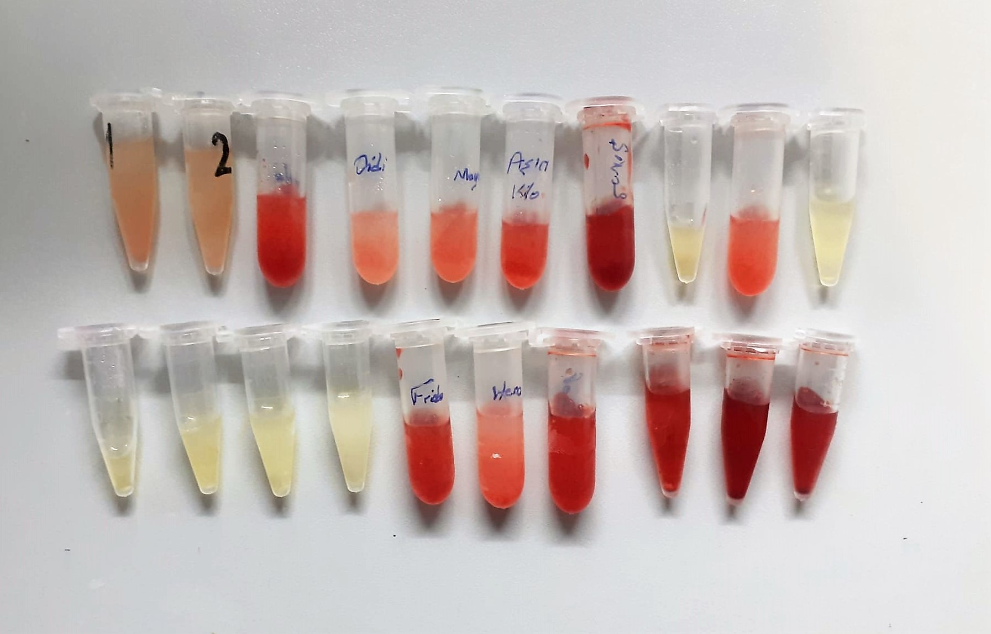

Total Protein g/dl
Colorimetric assay, Sample and addition of Reagent start of the reaction:
Divalent copper reacts in alkaline solution with protein peptide bonds to form the characteristic purple-colored biuret complex.
Sodium potassium tartrate prevents the precipitation of copper hydroxide and potassium iodide prevents auto reduction of copper. alkaline protein + Cu2+ solution Cu-protein complex
The color intensity is directly proportional to the protein concentration which can be determined photometrically.

Albumin g/dl
Colorimetric assay, endpoint method
• Sample and addition of R1
• Start of the reaction:
At a pH value of 4.1 albumin displays a sufficiently cationic character to be able to bind with bromocresol green (BCG), any anionic dyestuff, to form a blue-green complex.
pH 4.1 albumin + BCG albumin BCG- complex
The color intensity of the blue-green color is directly proportional to the albumin concentration and can be determined photometrical

HDL Cholesterol mg/dl
Enzymatic colorimetric test
• Sample and addition of R1
• Addition of R2 and start of reaction
In the first step LDL, VLDL and Chylomicrons are eliminated and transformed to
non reactive compounds and specific condition for the reaction. By the second
reagent only the HDL-Cholesterol is subject to color reaction
Cholesterol Esterase
Cholesterol ester + H2O Cholesterol + fatty acid
Cholesterol Oxidase
Cholesterol + O2 Cholesten-3-on + H2O2
Peroxidase
H2O2 + phenol + 4-aminoantipyrine quinoneimine dye+4 H2O

ALT U/L
UV test according to the IFCC method.
ALT
L-Alanin + 2-Oxoglutarate ⎯⎯ L-Glutamate + Pyruvat

CRP (C-Reactive Protein) mg/L
Immunoturbidimetric assay
Anti-CRP antibodies react with antigen in the sample to form an ntigen/antibody complex. Following agglutination, this is measured turbidimetrically.
Addition of PEG allows the reaction to progress rapidly to the end point,increases sensitivity, and reduces the risk of samples containing excess antigen producing false negative results.

Cholesterol Total mg/dl
Cholesterol ester + H2O Cholesterol + fatty acids
Cholesterol esters are ceaved by the action of choesterol esterase to yield free
choesterol and fatty acids Cholesterol oxidase Cholesterol + O2 Cholesten-3-on + H2O2
Peroxidase
2H2O2 + Phenol + 4-Aminoantipyrine Quinoneimine dye + 4 H2O
Cholesterol is converted by oxygen with the aid of cholesterol oxidase to A4- Cholestenone and hydrogen peroxide.
Hydrogen peroxide created forms a red dyestuff by reacting with 4-aminoantipyrine and phenol under the catalytic action of peroxidase.
The color intensity is directly proportional to the concentration of cholesterol and can be determined photometrically.

Triglycerides mg/dl
Triglycerides in the sample originates, by means of the coupled reactions described below, acoloured complex that can be measured by spectrophotometry.
Triglycerides + H2O lipase Glycerol + Fatty acids
Glycerol + ATP glycerol kinase Glycerol – 3 – P + ADP
Glycerol – 3 –P + O2 G-3-P-oxidase Dihidroxyacetone – P +H2O2
2 H2O2 + 4 – Aminoantipyrine + 4 – Chlorophenol G-3-P-oxidas Quinoneimine + 4 H2O

AST U/L
UV test according to a standarrized method
Sample and addition of R1 (buffer)
Addition of R2 and start of reaction: AST
α-ketoglutarate + L-aspartate L- glutamate + oxaloasetate
AST is the enzyme which catalyzes this equilibrium reaction. The oxaloacetate in- crease is measured in a subsequent indicator reaction which is catalyzed by malate dehydrogenase.
MDH
oxalacetate + NADH + H+ L-Malate + NAD+
In the second reaction, NADH is oxidized to NAD. The rate of decrease in NADH
(Measured photometrically) is directly proportional to the rate of formation of
oxaloasetate, and thus the AST activity.

