fT3-A grubu
0.059 | 1.398 | 1.17 | 1.175 | 0.508 | 1.055 | 1.19 | 1.213 | 1.04
0.503 | 1.314 | 1.32 | 1.173 | 1.025 | 0.675 | 0.959 | 1.195 | 1.067
0.88 | 1.314 | 1.264 | 1.185 | 1.025 | 0.965 | 1.025 | 1.246 | 0.627
1.113 | 1.407 | 1.174 | 1.367 | 0.851 | 1.029 | 0.801 | 0.636 | 1.088
1.304 | 0.395 | 1.23 | 1.086 | 0.981 | 0.818 | 1.064 | 1.21
1.462 | 1.175 | 1.189 | 1.139 | 1.189 | 1.057 | 0.947 | 0.963
1.9929 | 1.466 | 1.098 | 1.317 | 0.926 | 1.186 | 0.782 | 0.93
 | 1.001 | 0.652 | 1.158 | 1.07 | 1.219 | 0.944 | 0.95

fT3
 | abs | expected | result
std1 | 0.059 | 100 | 98.56
std2 | 0.503 | 50 | 52.81
std3 | 0.88 | 25 | 24.89
std4 | 1.113 | 12.5 | 12.65
std5 | 1.304 | 6.25 | 5.48
std6 | 1.462 | 3.13 | 1.49
blank | 1.9929 | 0 | 1.02

 |  |  |  |  |  |  |  | concentratıon (pg/ml)

Numune | absorbans | Sonuç(pg/ml)
1 | 1.398 | 2.90
2 | 1.314 | 5.17
3 | 1.314 | 5.17
4 | 1.407 | 2.68
5 | 0.395 | 62.65
6 | 1.175 | 10.04
7 | 1.466 | 1.42
8 | 1.001 | 18.05
9 | 1.17 | 10.24
10 | 1.32 | 4.99
11 | 1.264 | 6.77
12 | 1.174 | 10.08
13 | 1.23 | 7.95
14 | 1.189 | 9.49
15 | 1.098 | 13.32
16 | 0.652 | 40.57
17 | 1.175 | 10.04
18 | 1.173 | 10.12
19 | 1.185 | 9.64
20 | 1.367 | 3.68
21 | 1.086 | 13.87
22 | 1.139 | 11.52
23 | 1.317 | 5.08
24 | 1.158 | 10.73
25 | 0.508 | 52.37
26 | 1.025 | 16.82
27 | 1.025 | 16.82
28 | 0.851 | 26.68
29 | 0.981 | 19.11
30 | 1.189 | 9.49
31 | 0.926 | 22.17
32 | 1.07 | 14.62
33 | 1.055 | 15.34
34 | 0.675 | 38.82
35 | 0.965 | 19.98
36 | 1.029 | 16.62
37 | 0.818 | 28.79
38 | 1.057 | 15.24
39 | 1.186 | 9.60
40 | 1.219 | 8.35
41 | 1.19 | 9.45
42 | 0.959 | 20.31
43 | 1.025 | 16.82
44 | 0.801 | 29.91
45 | 1.064 | 14.90
46 | 0.947 | 20.97
47 | 0.782 | 31.18
48 | 0.944 | 21.14
49 | 1.213 | 8.57
50 | 1.195 | 9.26
51 | 1.246 | 7.38
52 | 0.636 | 41.81
53 | 1.21 | 8.69
54 | 0.963 | 20.09
55 | 0.93 | 21.94
56 | 0.95 | 20.81
57 | 1.04 | 16.07
58 | 1.067 | 14.76
59 | 0.627 | 42.52
60 | 1.088 | 13.78

fT3-B grubu
0.059 | 1.271 | 1.201 | 0.912 | 1.072 | 1.372 | 1.371 | 0.969 | 0.72
0.503 | 1.342 | 1.123 | 1.047 | 0.884 | 0.87 | 0.982 | 0.437 | 1.21
0.88 | 1.093 | 1.166 | 0.911 | 1.046 | 1.259 | 1.218 | 1.265 | 0.976
1.113 | 1.216 | 1.078 | 1.177 | 1.227 | 0.759 | 1.248 | 1.33 | 1.222
1.304 | 1.01 | 1.052 | 0.801 | 0.948 | 1.171 | 1.379 | 1.135
1.462 | 1.155 | 1.187 | 0.996 | 1.125 | 1.018 | 0.967 | 0.741
1.9929 | 1.149 | 1.168 | 1.053 | 1.047 | 1.065 | 0.98 | 0.955
 | 0.972 | 1.248 | 1.336 | 1.139 | 0.93 | 1.166 | 1.088

fT3
0.059 | 100
0.503 | 50
0.88 | 25
1.113 | 12.5
1.304 | 6.25
1.462 | 3.13
1.9929 | 0
 | abs | expected | result
std1 | 0.059 | 100 | 98.56
std2 | 0.503 | 50 | 52.81
std3 | 0.88 | 25 | 24.89
std4 | 1.113 | 12.5 | 12.65
std5 | 1.304 | 6.25 | 5.48
std6 | 1.462 | 3.13 | 1.49
blank | 1.9929 | 0 | 1.02

 |  |  |  |  |  |  |  | concentratıon (pg/ml)

Numune | absorbans | Sonuç(pg/ml)
1 | 1.271 | 6.53
2 | 1.342 | 4.36
3 | 1.093 | 13.55
4 | 1.216 | 8.46
5 | 1.01 | 17.59
6 | 1.155 | 10.85
7 | 1.149 | 11.10
8 | 0.972 | 19.60
9 | 1.201 | 9.03
10 | 1.123 | 12.21
11 | 1.166 | 10.40
12 | 1.078 | 14.24
13 | 1.052 | 15.48
14 | 1.187 | 9.57
15 | 1.168 | 10.32
16 | 1.248 | 7.31
17 | 0.912 | 22.98
18 | 1.047 | 15.73
19 | 0.911 | 23.04
20 | 1.177 | 9.96
21 | 0.801 | 29.91
22 | 0.996 | 18.31
23 | 1.053 | 15.43
24 | 1.336 | 4.53
25 | 1.072 | 14.52
26 | 0.884 | 24.64
27 | 1.046 | 15.78
28 | 1.227 | 8.06
29 | 0.948 | 20.92
30 | 1.125 | 12.12
31 | 1.047 | 15.73
32 | 1.139 | 11.52
33 | 1.372 | 3.55
34 | 0.87 | 25.50
35 | 1.259 | 6.94
36 | 0.759 | 32.75
37 | 1.171 | 10.20
38 | 1.018 | 17.18
39 | 1.065 | 14.86
40 | 0.93 | 21.94
41 | 1.371 | 3.57
42 | 0.982 | 19.06
43 | 1.218 | 8.39
44 | 1.248 | 7.31
45 | 1.379 | 3.37
46 | 0.967 | 19.87
47 | 0.98 | 19.16
48 | 1.166 | 10.40
49 | 0.969 | 19.76
50 | 0.437 | 58.73
51 | 1.265 | 6.73
52 | 1.33 | 4.70
53 | 1.135 | 11.69
54 | 0.741 | 34.01
55 | 0.955 | 20.53
56 | 1.088 | 13.78
57 | 0.72 | 35.51
58 | 1.21 | 8.69
59 | 0.976 | 19.38
60 | 1.222 | 8.24

fT4-A grubu
0.061 | 0.683 | 0.846 | 0.979 | 0.465 | 0.937 | 1.894 | 0.954 | 0.857
0.515 | 0.966 | 1.411 | 0.815 | 0.893 | 0.609 | 0.697 | 1.089 | 1.377
0.89 | 0.965 | 0.808 | 0.943 | 0.928 | 1.175 | 1.391 | 0.798 | 0.889
1.11 | 1.038 | 0.834 | 1.098 | 0.859 | 1.157 | 0.807 | 0.849 | 0.884
1.352 | 0.846 | 1.18 | 0.866 | 0.945 | 0.865 | 1.024 | 0.763
1.478 | 0.839 | 0.932 | 0.76 | 0.837 | 0.79 | 0.794 | 0.859
1.924 | 2.049 | 1.063 | 1.143 | 0.705 | 1.042 | 0.644 | 0.958
 | 1.096 | 1.115 | 1.215 | 0.861 | 1.029 | 1.101 | 1.449

fT4
std1 | abs | expected | result
std2 | 0.061 | 100 | 98.88
std3 | 0.515 | 50 | 52.19
std4 | 0.89 | 25 | 24.74
std5 | 1.11 | 12.5 | 13.31
std6 | 1.352 | 6.25 | 4.73
blank | 1.478 | 3.13 | 1.92
 | 1.924 | 0 | 1.08

 |  |  |  |  |  |  |  |  | concentratıon (pg/ml)

Numune | absorbans | Sonuç(pg/ml)
1 | 0.683 | 38.65
2 | 0.966 | 20.40
3 | 0.965 | 20.45
4 | 1.038 | 16.67
5 | 0.846 | 27.44
6 | 0.839 | 27.88
7 | 2.049 | 3.39
8 | 1.096 | 13.93
9 | 0.846 | 27.44
10 | 1.411 | 3.27
11 | 0.808 | 29.88
12 | 0.834 | 28.20
13 | 1.18 | 10.40
14 | 0.932 | 22.29
15 | 1.063 | 15.46
16 | 1.115 | 13.09
17 | 0.979 | 19.70
18 | 0.815 | 29.43
19 | 0.943 | 21.67
20 | 1.098 | 13.84
21 | 0.866 | 26.19
22 | 0.76 | 33.12
23 | 1.143 | 11.89
24 | 1.215 | 9.07
25 | 0.465 | 56.61
26 | 0.893 | 24.56
27 | 0.928 | 22.52
28 | 0.859 | 26.63
29 | 0.945 | 21.56
30 | 0.837 | 28.01
31 | 0.705 | 37.03
32 | 0.861 | 26.50
33 | 0.937 | 22.01
34 | 0.609 | 44.37
35 | 1.175 | 10.59
36 | 1.157 | 11.31
37 | 0.865 | 26.26
38 | 0.79 | 31.08
39 | 1.042 | 16.47
40 | 1.029 | 17.11
41 | 1.894 | 0.69
42 | 0.697 | 37.61
43 | 1.391 | 3.74
44 | 0.807 | 29.95
45 | 1.024 | 17.36
46 | 0.794 | 30.81
47 | 0.644 | 41.62
48 | 1.101 | 13.71
49 | 0.954 | 21.06
50 | 1.089 | 14.25
51 | 0.798 | 30.54
52 | 0.849 | 27.25
53 | 0.763 | 32.91
54 | 0.859 | 26.63
55 | 0.958 | 20.84
56 | 1.449 | 2.46
57 | 0.857 | 26.75
58 | 1.377 | 4.08
59 | 0.889 | 24.80
60 | 0.884 | 25.10

fT4-B grubu
0.061 | 0.759 | 1.073 | 0.55 | 0.632 | 0.701 | 0.684 | 0.712 | 0.63
0.515 | 0.841 | 1.334 | 0.908 | 1.219 | 0.438 | 0.455 | 0.535 | 0.684
0.89 | 0.962 | 0.766 | 0.849 | 1.012 | 0.885 | 0.653 | 0.628 | 0.7
1.11 | 0.892 | 0.844 | 0.778 | 1.03 | 0.643 | 0.601 | 0.575 | 0.856
1.352 | 1.52 | 0.85 | 0.99 | 0.503 | 0.727 | 0.925 | 0.528
1.478 | 0.917 | 1.093 | 1.006 | 0.637 | 0.516 | 0.537 | 0.491
1.924 | 1.03 | 0.92 | 1.036 | 0.509 | 0.919 | 0.314 | 0.588
 | 1.055 | 0.89 | 1.573 | 0.961 | 0.63 | 0.631 | 0.647

fT4
0.061 | 100
0.515 | 50
0.89 | 25
1.11 | 12.5
1.352 | 6.25
1.478 | 3.13
1.924 | 0
std1
std2 | abs | expected | result
std3 | 0.061 | 100 | 98.88
std4 | 0.515 | 50 | 52.19
std5 | 0.89 | 25 | 24.74
std6 | 1.11 | 12.5 | 13.31
blank | 1.352 | 6.25 | 4.73
 | 1.478 | 3.13 | 1.92
 | 1.924 | 0 | 1.08

 |  |  |  |  |  |  |  |  | concentratıon (pg/ml)

Numune | absorbans | Sonuç(pg/ml)
1 | 0.759 | 33.19
2 | 0.841 | 27.76
3 | 0.962 | 20.62
4 | 0.892 | 24.62
5 | 1.52 | 1.23
6 | 0.917 | 23.15
7 | 1.03 | 17.06
8 | 1.055 | 15.84
9 | 1.073 | 14.99
10 | 1.334 | 5.22
11 | 0.766 | 32.71
12 | 0.844 | 27.57
13 | 0.85 | 27.19
14 | 1.093 | 14.07
15 | 0.92 | 22.98
16 | 0.89 | 24.74
17 | 0.55 | 49.21
18 | 0.908 | 23.67
19 | 0.849 | 27.25
20 | 0.778 | 31.89
21 | 0.99 | 19.11
22 | 1.006 | 18.28
23 | 1.036 | 16.77
24 | 1.573 | 0.55
25 | 0.632 | 42.55
26 | 1.219 | 8.93
27 | 1.012 | 17.97
28 | 1.03 | 17.06
29 | 0.503 | 53.24
30 | 0.637 | 42.16
31 | 0.509 | 52.71
32 | 0.961 | 20.67
33 | 0.701 | 37.32
34 | 0.438 | 59.07
35 | 0.885 | 25.04
36 | 0.643 | 41.69
37 | 0.727 | 35.44
38 | 0.516 | 52.11
39 | 0.919 | 23.03
40 | 0.63 | 42.71
41 | 0.684 | 38.58
42 | 0.455 | 57.52
43 | 0.653 | 40.92
44 | 0.601 | 45.01
45 | 0.925 | 22.69
46 | 0.537 | 50.31
47 | 0.314 | 71.04
48 | 0.631 | 42.63
49 | 0.712 | 36.52
50 | 0.535 | 50.48
51 | 0.628 | 42.86
52 | 0.575 | 47.13
53 | 0.528 | 51.07
54 | 0.491 | 54.29
55 | 0.588 | 46.06
56 | 0.647 | 41.38
57 | 0.63 | 42.71
58 | 0.684 | 38.58
59 | 0.7 | 37.39
60 | 0.856 | 26.81

Materyal-metod
KİT ADI | TÜR | MARKA | CAT. NO | Yöntem | Kullanılan Cihaz
TAS(Total Antioxidant Status) | Universal | REL ASSAY | RL0017 | Kolorimetrik | MINDRAY-BS400
TOS(Total Oxidant Status) | Universal | REL ASSAY | RL0024 | Kolorimetrik | MINDRAY-BS400
GPx: Glutathione Peroxidase | Universal | REL ASSAY | RLD3465 | Kolorimetrik | MINDRAY-BS400
Free Triiodothyronine | Universal | Elabscience | E-EL-0079 | ELİSA | Mıcroplate reader: BIO-TEK EL X 800-Aotu strıp washer:BIO TEK EL X 50
Free Thyroxine | Universal | Elabscience | E-EL-0122 | ELİSA | Mıcroplate reader: BIO-TEK EL X 800-Aotu strıp washer:BIO TEK EL X 50

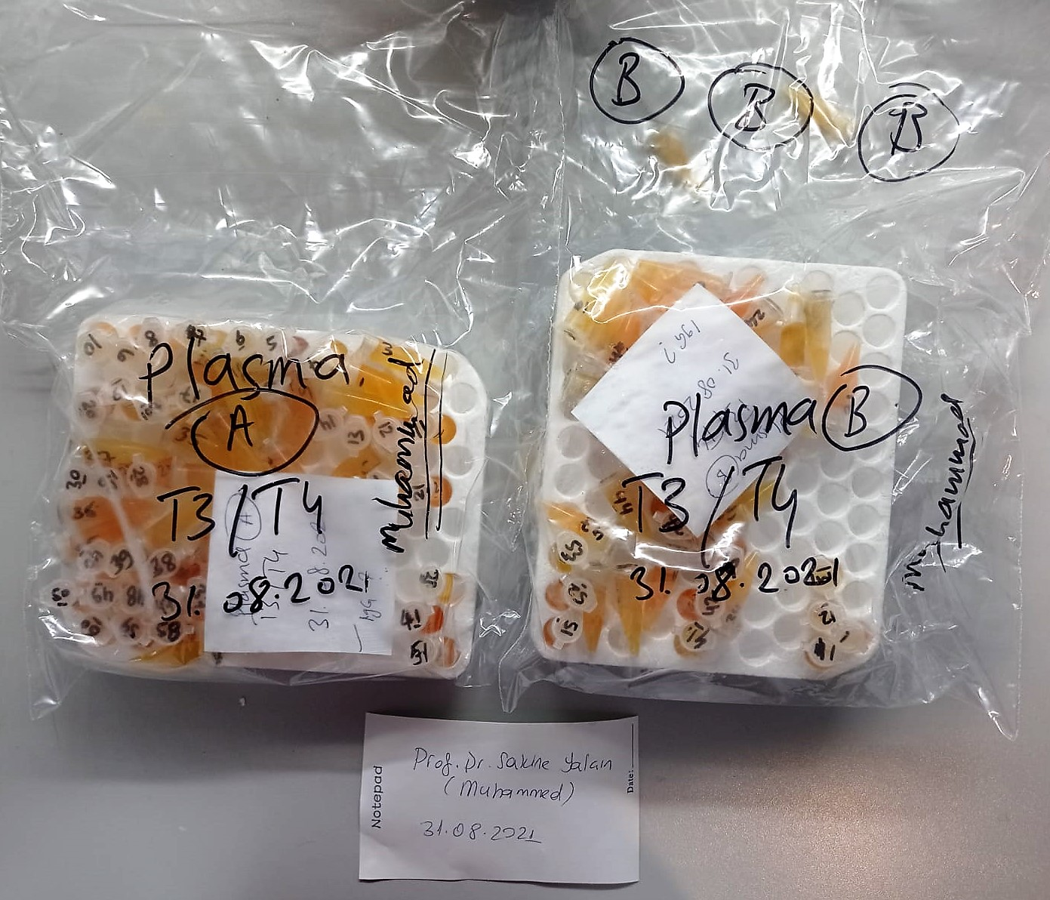

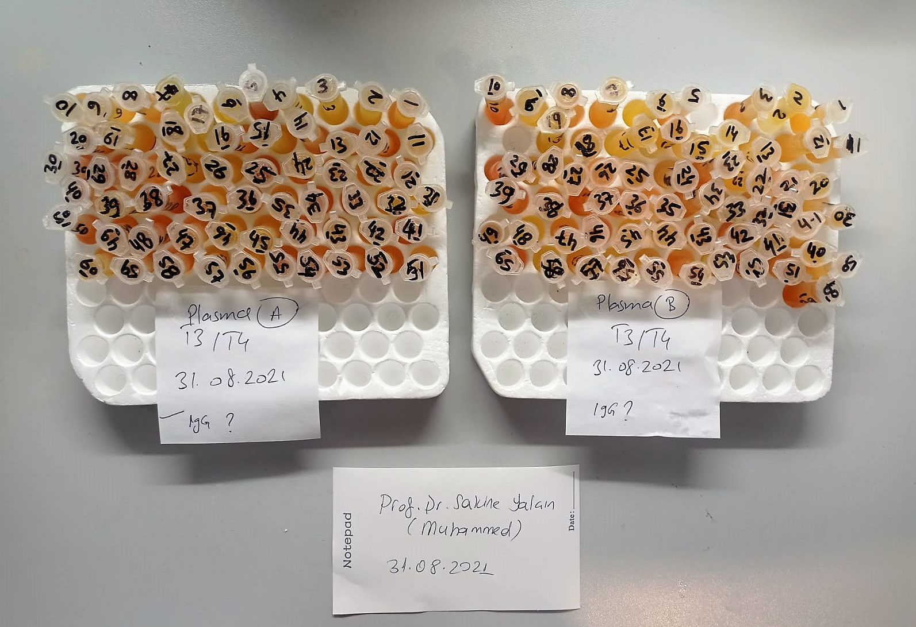

fT3 Test Principle
This ELISA kit uses the Competitive-ELISA principle. The micro ELISA plate provided in this kit has been pre-coated with fT3.
During the reaction, fT3 in samples or Standard competes with a fixed amount of fT3 on the solid phase supporter for sites on the Biotinylated Detection Ab specific to fT3.
Excess conjugate and unbound sample or standard are washed from the plate, and Avidin conjugated to Horseradish Peroxidase (HRP) are added to each microplate well and incubated.
Then a TMB substrate solution is added to each well. The enzyme-substrate reaction is terminated by the addition of stop solution and the color change is measured spectrophotometrically at a wavelength of 450±2 nm.
The concentration of fT3 in the samples is then determined by comparing the OD of the samples to the standard curve.

fT4 Test Principle
This ELISA kit uses the Competitive-ELISA principle. The micro ELISA plate provided in this kit has been pre-coated with fT4.
During the reaction, fT4 in samples or Standard competes with a fixed amount of fT4 on the solid phase supporter for sites on the Biotinylated Detection Ab specific to fT4.
Excess conjugate and unbound sample or standard are washed from the plate, and Avidin conjugated to Horseradish Peroxidase (HRP) are added to each microplate well and incubated.
Then a TMB substrate solution is added to each well. The enzyme-substrate reaction is terminated by the addition of stop solution and the color change is measured spectrophotometrically at a wavelength of 450±2 nm.
The concentration of fT4 in the samples is then determined by comparing the OD of the samples to the standard curve.

TOTAL ANTIOXDANT STATUS (TAS) (mmol/L)
TAS levels were measured using commercially available kits (Relassay, Turkey). The novel
automated method is based on the bleaching of characteristic color of a more stable ABTS
(2,2 ′ - Azino-bis(3-ethylbenzothiazoline-6-sulfonic acid)) radical cation by antioxidants. The
assay has excellent precision values, which are lower than 3%. The results were expressed as
mmol Trolox equivalent/L (Erel O. A novel automated direct measurement method for total
antioxidant capacity using a new generation, more stable ABTS radicalcation. Clin Biochem
2004;37:277-85.)
(Relassay,Turkey)

TOTAL OXIDANT STATUS (TOS) (µmol/L)
TOS levels were measured using commercially available kits (Relassay, Turkey. In the new
method, oxidants present in the sample oxidized the ferrous ion-o-dianisidine complex to
ferric ion. The oxidation reaction was enhanced by glycerol molecules abundantly present in
the reaction medium. The ferric ion produced a colored complex with xylenol orange in an
acidic medium. The color intensity, which could be measured spectrophotometrically, was
related to the total amount of oxidant molecules present in the sample. The assay was
calibrated with hydrogen peroxide and the results were expressed in terms of
micromolar hydrogen peroxide equivalent per liter (μmol H2O2 equivalent/L). ( Erel O. A
new automated colorimetric method for measuringtotal oxidant status. Clin Biochem
2005;38:1103-11. ).
(Relassay,Turkey)

OXIDATIVE STRESS INDEX (OSI)
The ratio of TOS to TAS was accepted as the oxidative stress index (OSI). For calculation, the
resulting unit of TAS was converted to μmol/L, and the OSI value was calculated according to
the following Formula : OSI (arbitrary unit) =
TOS (μmol H2O2 equivalent/L) / TAC (μmol Trolox equivalent/L). (1-3).
1. Yumru M, Savas HA, Kalenderoglu A, Bulut M, Celik H, Erel O. Oxidative imbalance in
bipolar disorder subtypes: a comparative study. Prog Neuropsychopharmacol Biol Psychiatry.
2009 Aug 31;33(6):1070-4.
2. Kosecik M, Erel O, Sevinc E, Selek S. Increased oxidative stress in children exposed to
passive smoking. Int J Cardiol 2005;100:61–4.
3. (Harma M, Harma M, Erel O (2003) Increased oxidative stress in patients with
hydatidiform mole. Swiss Med Wkly 133:563-536).

GPx (U/L)
This method is based on that of Paglia and Valentine. Glutathione Peroxidase (GPx) catalses of the
oxidation of glutathione by cumene hydroperoxide. In the presence of glutathione (GSSG) is
immediately converted to the reduced form with a concomitant oxidation of NADPH to NADP. The decrease in absorbance at 340 nm is measured
Referanslar
Paglia, D.E. and Valentine, W.N., J. Lab. Clin. Med., 1967; 70: 158.
Prohaska, J.R., Oh, S.H., Hoekstra, W.G. & Ganther,
H.E. Biochem. & Biophys. Res. Comm. 1977; 74: 64.
Kraus, R.J. & Ganther, H. E. Biochem. & Biophys. Res. Comm 1980; 96: 1116.
(Relassay, Turkey)

