MDA
MDA
2.481 | 100
1.673 | 50
0.994 | 25
0.513 | 12.5
0.288 | 6.25
0.122 | 3.125
0 | 0
 | absorbans | abs-blank | expected | result
std1 | 2.511 | 2.481 | 100 | 99.11
std2 | 1.703 | 1.673 | 50 | 52.40
std3 | 1.024 | 0.994 | 25 | 24.30
std4 | 0.543 | 0.513 | 12.5 | 10.55
std5 | 0.318 | 0.288 | 6.25 | 5.87
std6 | 0.152 | 0.122 | 3.125 | 3.14
blank | 0.03 | 0 | 0 | 1.51

 |  |  |  |  | concentratıon (mmol/L)

Numune | absorbans | blank | abs-blank | result
GE-1 | 0.299 | 0.03 | 0.269 | 5.53
GE-2 | 1.256 | 0.03 | 1.226 | 32.76
GE-3 | 0.478 | 0.03 | 0.448 | 9.08
GE-5 | 0.443 | 0.03 | 0.413 | 8.33
GE-6 | 0.282 | 0.03 | 0.252 | 5.23
GE-7 | 0.184 | 0.03 | 0.154 | 3.62
GD-1 | 0.288 | 0.03 | 0.258 | 5.33
GD-2 | 0.193 | 0.03 | 0.163 | 3.75
GD-3 | 0.164 | 0.03 | 0.134 | 3.31
GD-4 | 0.71 | 0.03 | 0.68 | 14.74
GD-5 | 0.708 | 0.03 | 0.678 | 14.69
GD-6 | 0.789 | 0.03 | 0.759 | 16.94
YDT-1 | 0.933 | 0.03 | 0.903 | 21.30
YDT-2 | 0.214 | 0.03 | 0.184 | 4.09
YDT-3 | 0.191 | 0.03 | 0.161 | 3.72
YDT-4 | 0.192 | 0.03 | 0.162 | 3.74
YDT-5 | 0.204 | 0.03 | 0.174 | 3.93
YDT-9 | 0.094 | 0.03 | 0.064 | 2.32
YET-3 | 0.086 | 0.03 | 0.056 | 2.22
YET-4 | 1.01 | 0.03 | 0.98 | 23.83
YET-5 | 0.119 | 0.03 | 0.089 | 2.66
YET-7 | 0.146 | 0.03 | 0.232 | 4.88
YET-9 | 0.249 | 0.03 | 0.219 | 4.66
YET-10 | 0.239 | 0.03 | 0.209 | 4.49
GDT-1 | 0.882 | 0.03 | 0.852 | 19.71
GDT-3 | 0.568 | 0.03 | 0.538 | 11.14
GDT-4 | 1.918 | 0.03 | 1.888 | 63.42
GDT-5 | 1.619 | 0.03 | 1.589 | 48.37
GDT-6 | 1.773 | 0.03 | 1.743 | 55.88
GDT-7 | 1.521 | 0.03 | 1.491 | 43.87
GET-1 | 0.156 | 0.03 | 0.126 | 3.19
GET-4 | 0.136 | 0.03 | 0.106 | 2.90
GET-5 | 0.776 | 0.03 | 0.746 | 16.57
GET-6 | 0.111 | 0.03 | 0.081 | 2.55
GET-7 | 0.171 | 0.03 | 0.141 | 3.42
GET-8 | 1.013 | 0.03 | 0.983 | 23.93
YD-1 | 0.33 | 0.03 | 0.3 | 6.09
YD-2 | 0.314 | 0.03 | 0.284 | 5.80
YD-3 | 0.927 | 0.03 | 0.897 | 21.11
YD-4 | 0.206 | 0.03 | 0.176 | 3.96
YD-5 | 0.907 | 0.03 | 0.877 | 20.48
YD-6 | 1.105 | 0.03 | 1.075 | 27.12
YE-4 | 1.494 | 0.03 | 1.464 | 42.67

**YE grubunda 1,2,5,6 ve 7 numaralı numuneler bittiği için MDA çalışılamadı.

Materyal-metod
KİT ADI | TÜR | MARKA | Yöntem
AST: Aspartat Aminotransferaz | Universal | REL ASSAY | Kolorimetrik
ALT: Alanin aminotransferaz | Universal | REL ASSAY | Kolorimetrik
LDL: LDL Cholesterol | Universal | REL ASSAY | Kolorimetrik
HDL: HDL Cholesterol | Universal | REL ASSAY | Kolorimetrik
CHOL: Total Cholesterol | Universal | REL ASSAY | Kolorimetrik
TG: Triglycerides | Universal | REL ASSAY | Kolorimetrik
MPO: Myeloperoxidase | Universal | REL ASSAY | Kolorimetrik
MDA: Malondialdehit | Universal | REL ASSAY | Kolorimetrik
Centrifuge: HETTICH Mıcro 200-R
MINDRAY BS-300 Tam Otomatik Analizör

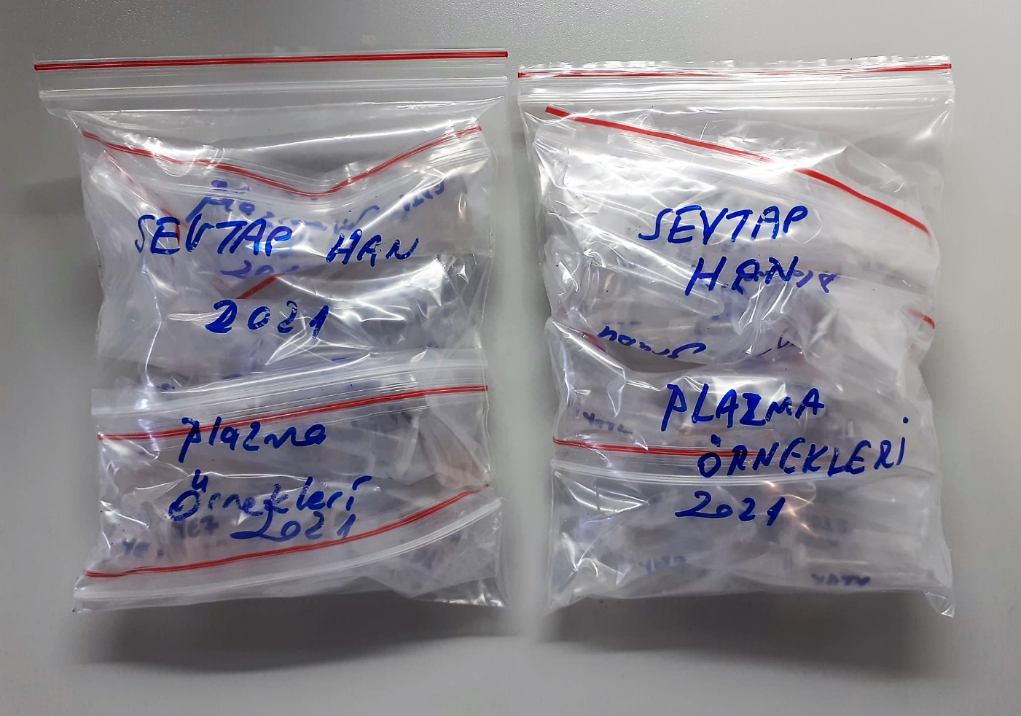
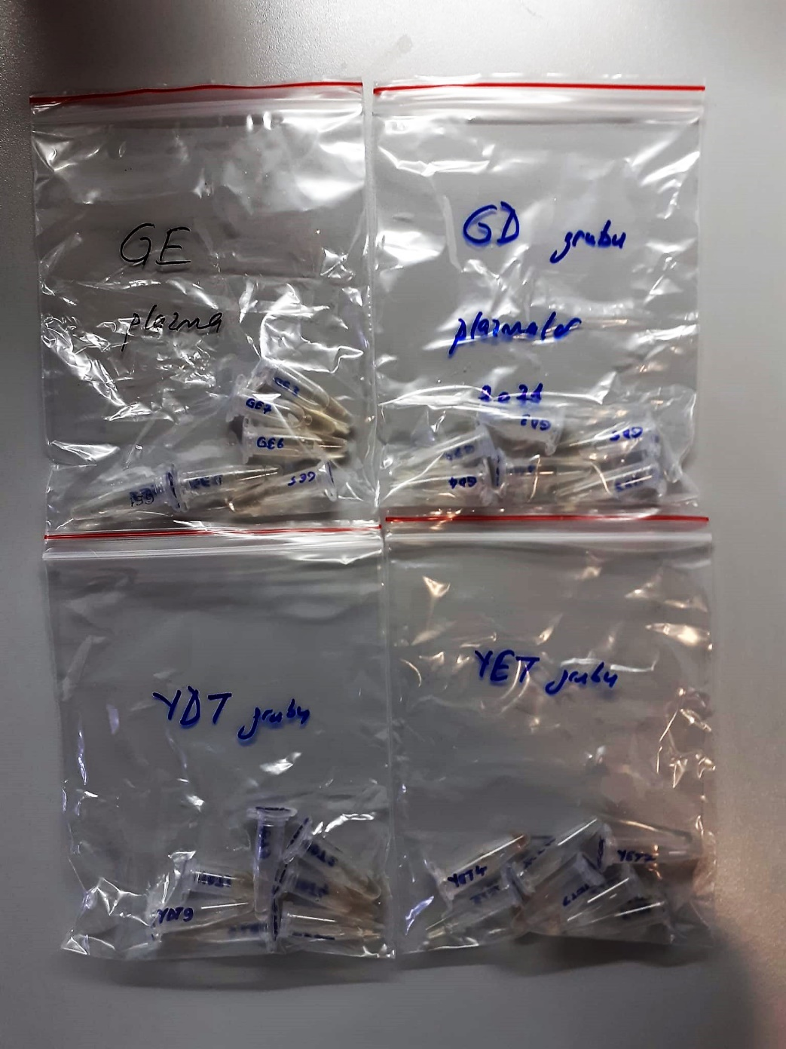
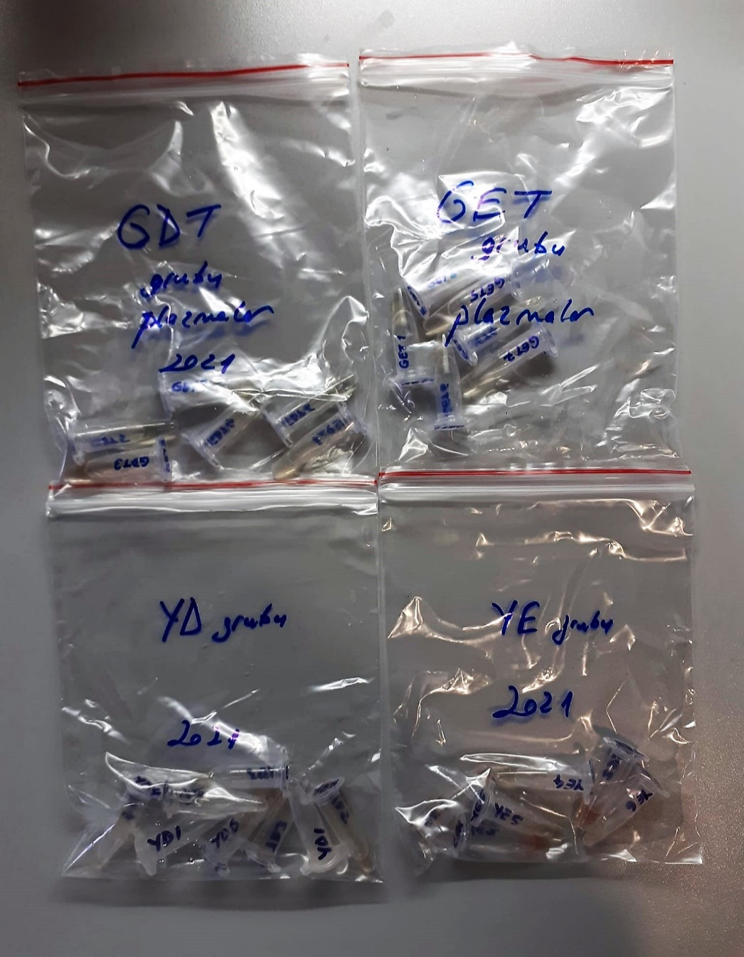

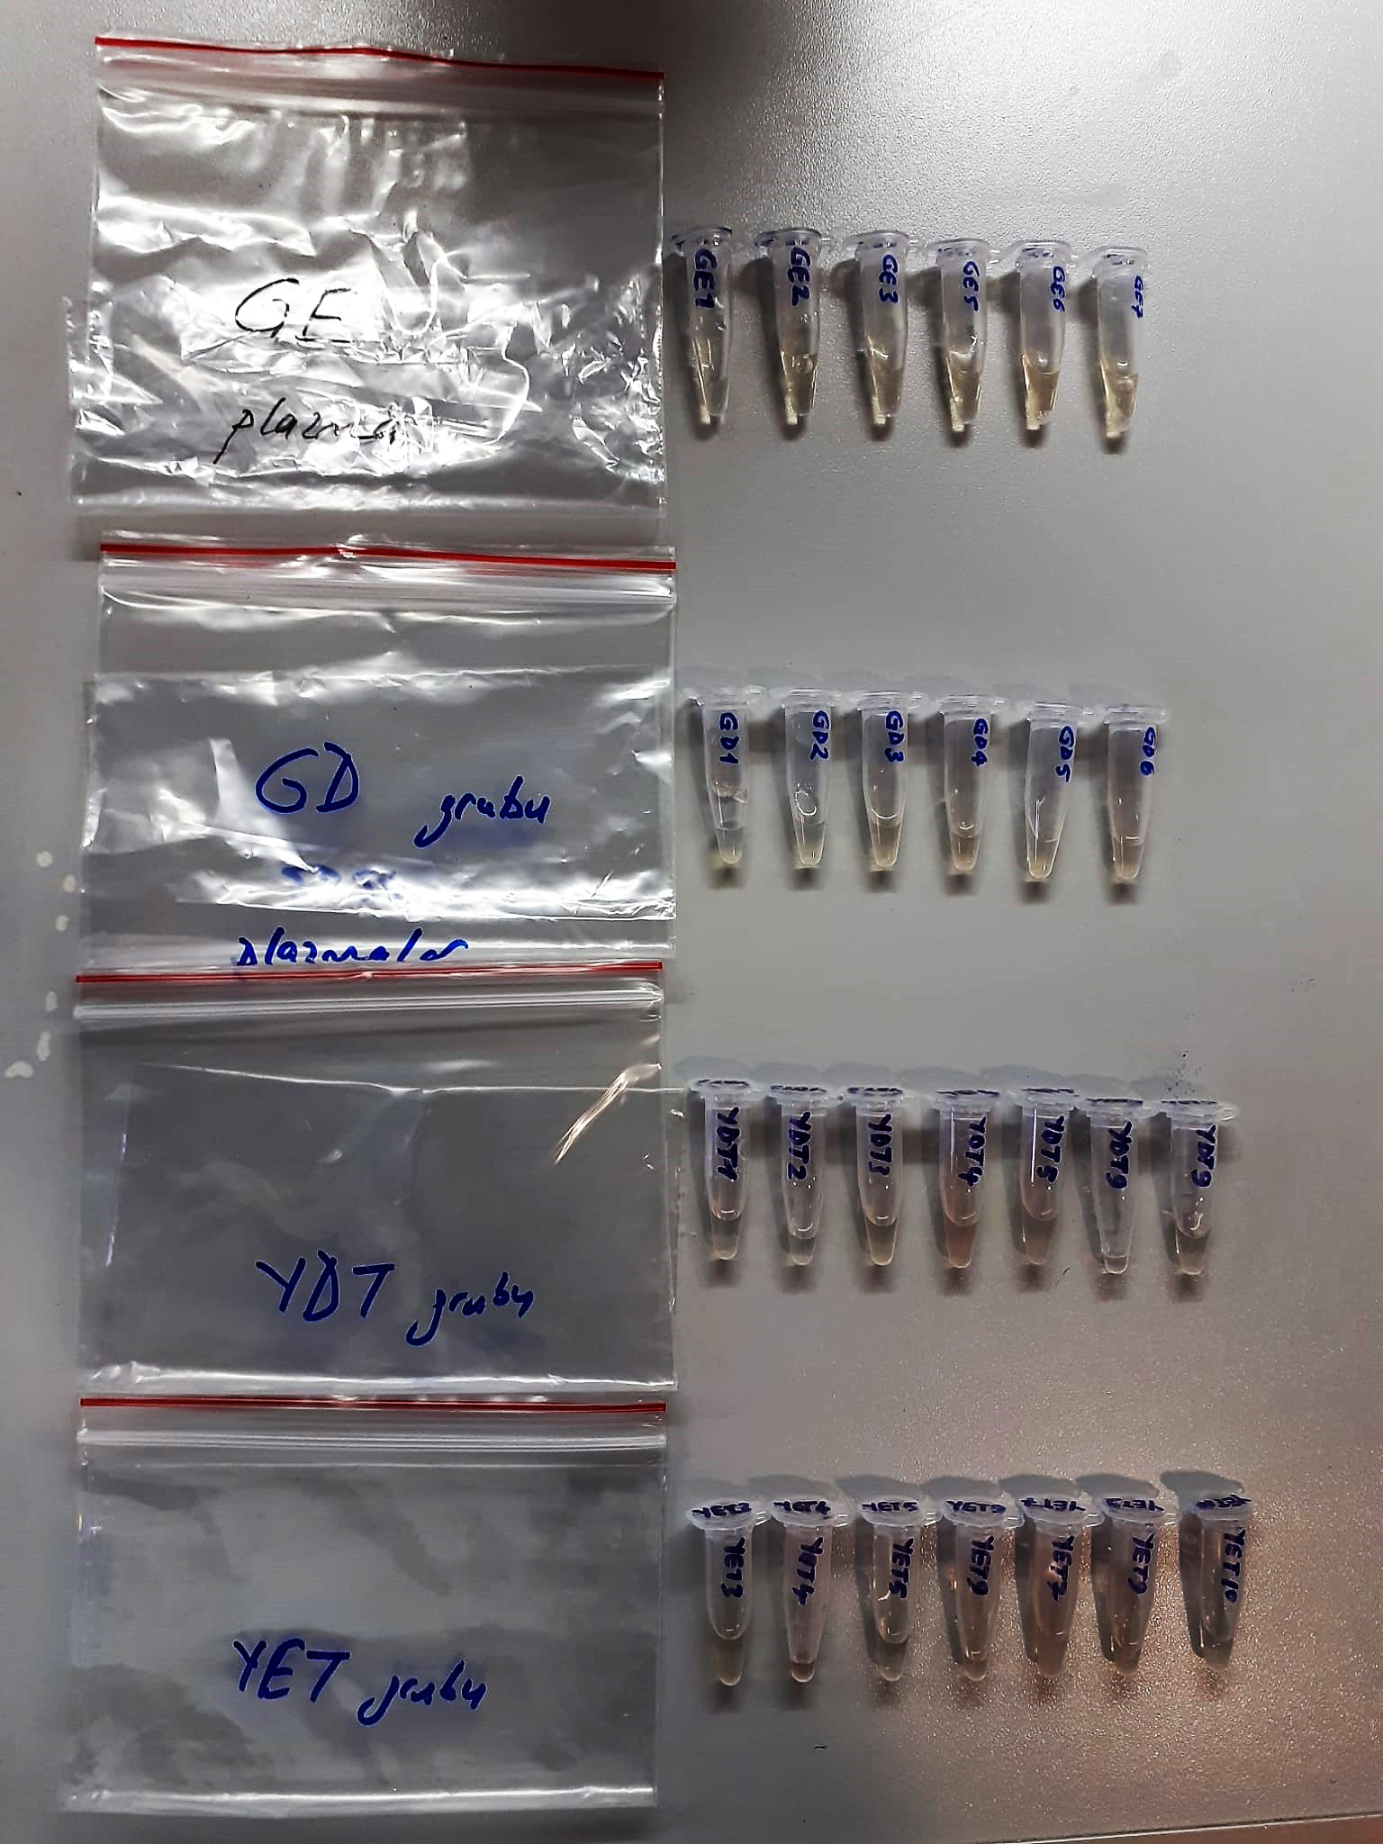

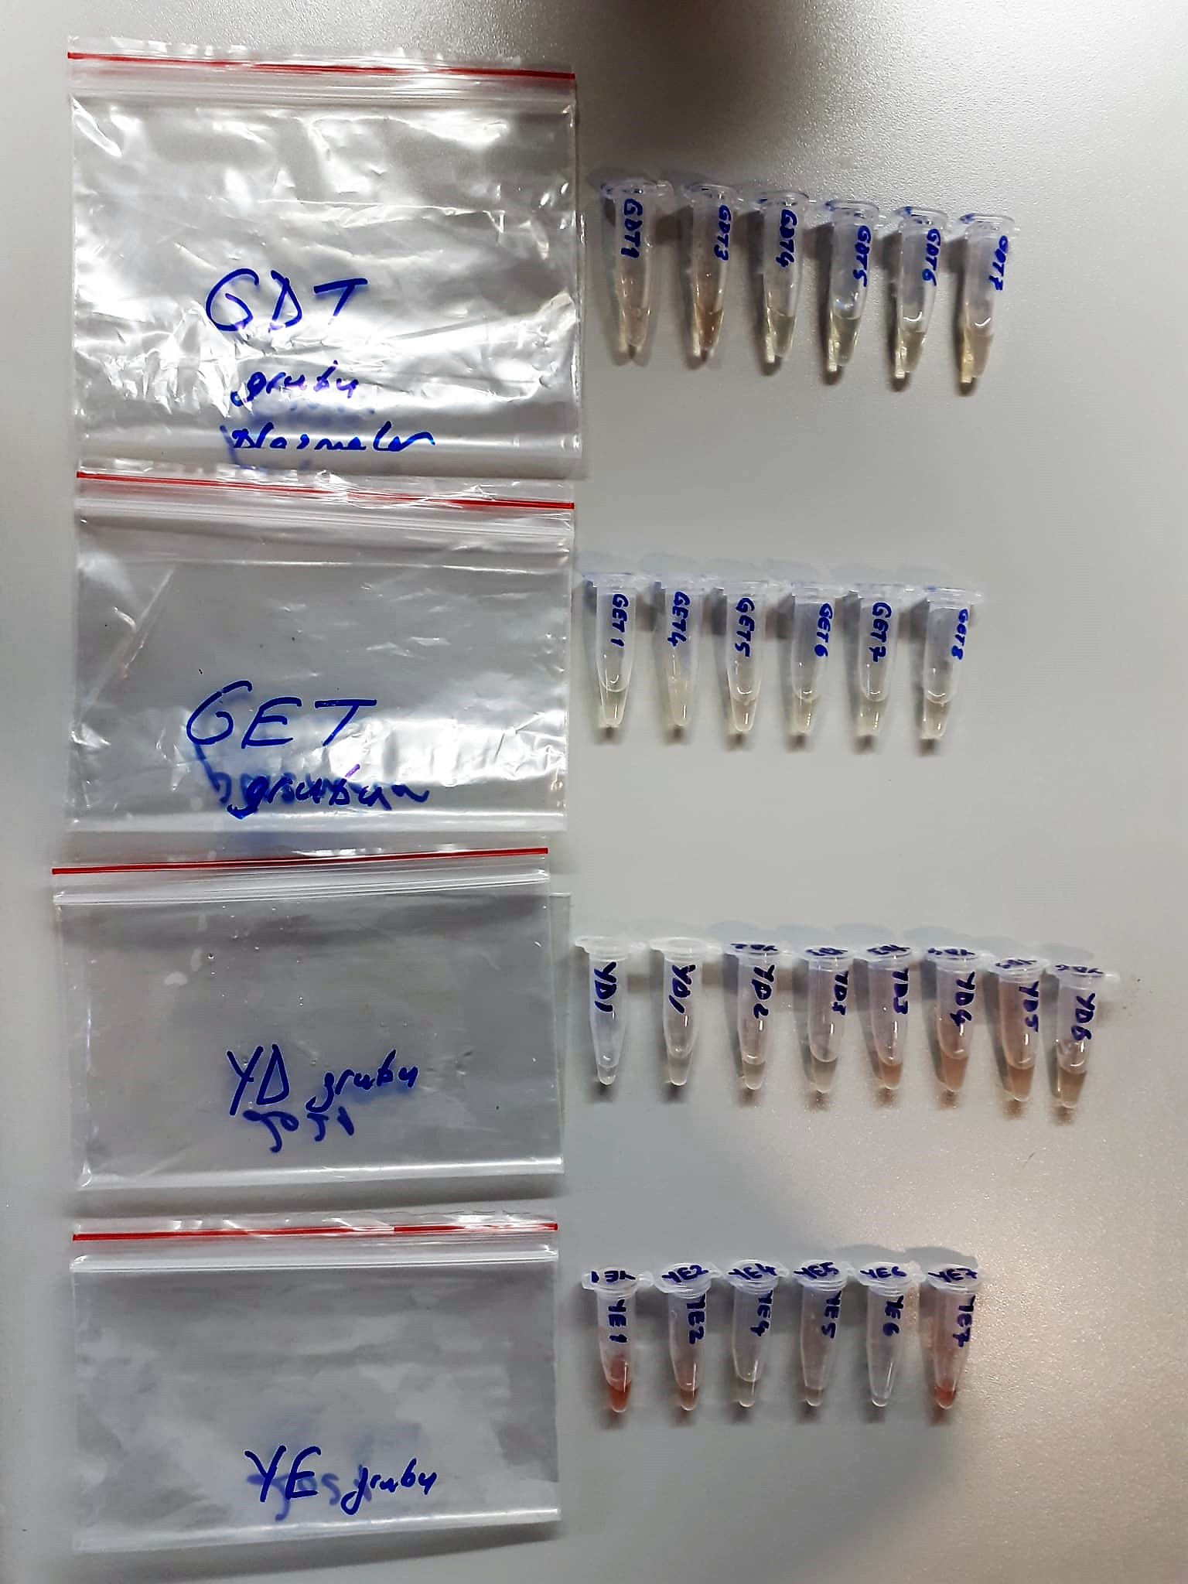

AST U/L
UV test according to a standarrized method
Sample and addition of R1 (buffer)
Addition of R2 and start of reaction: AST
α-ketoglutarate + L-aspartate L- glutamate + oxaloasetate
AST is the enzyme which catalyzes this equilibrium reaction. The oxaloacetate in- crease is measured in a subsequent indicator reaction which is catalyzed by malate dehydrogenase.
MDH
oxalacetate + NADH + H+ L-Malate + NAD+
In the second reaction, NADH is oxidized to NAD. The rate of decrease in NADH
(Measured photometrically) is directly proportional to the rate of formation of
oxaloasetate, and thus the AST activity.

ALT U/L
UV test according to the IFCC method.
ALT
L-Alanin + 2-Oxoglutarate ⎯⎯ L-Glutamate + Pyruvat

Clolesterol Total mg/dl
Cholesterol ester + H2O Cholesterol + fatty acids
Cholesterol esters are ceaved by the action of choesterol esterase to yield free
choesterol and fatty acids Cholesterol oxidase Cholesterol + O2 Cholesten-3-on + H2O2
Peroxidase
2H2O2 + Phenol + 4-Aminoantipyrine Quinoneimine dye + 4 H2O
Cholesterol is converted by oxygen with the aid of cholesterol oxidase to A4- Cholestenone and hydrogen peroxide.
Hydrogen peroxide created forms a red dyestuff by reacting with 4-aminoantipyrine and phenol under the catalytic action of peroxidase.
The color intensity is directly proportional to the concentration of cholesterol and can be determined photometrically.

HDL Cholesterol mg/dl
Enzymatic colorimetric test
• Sample and addition of R1
• Addition of R2 and start of reaction
In the first step LDL, VLDL and Chylomicrons are eliminated and transformed to
non reactive compounds and specific condition for the reaction. By the second
reagent only the HDL-Cholesterol is subject to color reaction
Cholesterol Esterase
Cholesterol ester + H2O Cholesterol + fatty acid
Cholesterol Oxidase
Cholesterol + O2 Cholesten-3-on + H2O2
Peroxidase
H2O2 + phenol + 4-aminoantipyrine quinoneimine dye+4 H2O

LDL Cholesterol mg/dl
İlk adımda, HDL, VLDL ve Şilomikronlar elimine edilir ve reaksiyon için özel koşulda reaktif olmayan bileşiklere dönüştürülür. İkinci reaktif sadece LDL-kolesterol renk reaksiyonudur.
Kolesterol esteraz
Kolesterol ester + H2O kolesterol + yağ asidi
Kolesterol Oksidaz
Kolesterol + O2 kolesten-3-on + H2O2
peroksidaz
H2O2 + fenol + 4- aminoantipirin kinon boyası +4 H2O

Triglycerides mg/dl
Triglycerides in the sample originates, by means of the coupled reactions described below, acoloured complex that can be measured by spectrophotometry.
Triglycerides + H2O lipase Glycerol + Fatty acids
Glycerol + ATP glycerol kinase Glycerol – 3 – P + ADP
Glycerol – 3 –P + O2 G-3-P-oxidase Dihidroxyacetone – P +H2O2
2 H2O2 + 4 – Aminoantipyrine + 4 – Chlorophenol G-3-P-oxidas Quinoneimine + 4 H2O

Malondialdehyde (MDA) nmol/L
The MDA level was determined by a method based
on the reaction with thiobarbituric acid (TBA) at 90–100_C
. In the TBA test reaction, MDA or MDA-like
substances and TBA react with the production of a pink
pigment with a maximum absorption at 532 nm. The
reaction was performed at pH 2–3 at 90_C for 15 min. The
sample was mixed with two volumes of cold 10% (w/v)
trichloroacetic acid for the precipitation of protein. The
precipitate was pelleted by centrifugation, and an aliquot of
the supernatant was reacted with an equal volume of 0.67%
(w/v) TBA in a boiling water bath for 10 min. After
cooling, the absorbance was read at 532 nm.

Myeloperoxidase (MPO) U/L
MPO posseses various catalytical activities. It exhibits the main catalytical activity by the
production of hypochlorous acid (HClO) from hydrogen peroxide (H2O2) and chloride anion,
Cl- (or halide). MPO also exhibits peroxidase activity that catalyzes oxidation of a number of
substrates by H2O2. These reactions categories have been widely used to assess the
activities of MPO.
The Relassay Myeloperoxidase Chlorination Activity Assay Kit and The Relassay
Myeloperoxidase Peroxidation Activity Assay Kit are quantitative and colorimetric assay kits
for measuring the myeloperoxidase activity within a sample. In the The Relassay
Myeloperoxidase Chlorination Activity Assay Kit, MPO catalyzes the formation of
hypochlorous acid, which reacts with taurine to form taurine chloroamine. Taurine chloroamine reacts with the chromophore TNB, resulting in the formation of the colorless
product DTNB. One unit of MPO activity is defined as the amount of enzyme that hydrolyzes
the substrate and generates taurine chloramine to consume 1.0 μmole of TNB per minute.In
the The Relassay Myeloperoxidase Peroxidation Activity Assay Kit, MPO catalyzes odianisidine
to colored o-dianisidyl radical using H2O2. The increasing absorbance is
monitored at 412 nm and the activity is measured kinetically. This kit can be used manually
and easily adapted to automated analyzers.

