GAL3
2.76 | 1.577 | 2.502 | 2.232 | 1.643 | 0.18 | 0.112 | 1.562 | 1.875 | 2.218 | 1.415 | 1.972
1.838 | 0.316 | 2.445 | 2.622 | 1.538 | 1.804 | 2.643 | 1.956 | 1.903 | 0.215 | 0.485 | 2.651
1.254 | 2.701 | 2.781 | 1.159 | 2.851 | 1.783 | 2.714 | 1.533 | 1.019 | 1.778 | 0.369 | 2.021
0.835 | 0.848 | 2.852 | 0.117 | 2.783 | 2.359 | 0.309 | 2.934 | 2.108 | 0.187 | 0.321 | 2.345
0.645 | 1.862 | 1.586 | 0.399 | 2.769 | 2.301 | 2.341 | 1.322 | 2.27 | 0.419 | 0.283 | 0.892
0.343 | 1.085 | 1.893 | 2.426 | 2.903 | 0.246 | 1.845 | 1.618 | 2.863 | 1.231 | 2.119 | 0.383
0.189 | 2.193 | 2.311 | 0.522 | 2.751 | 0.507 | 2.563 | 2.783 | 2.783 | 1.921 | 1.898 | 2.178
0.063 | 0.477 | 1.277 | 2.598 | 2.375 | 0.479 | 0.851 | 2.763 | 2.763 | 1.544 | 0.456 | 2.453

Galectin-3
 | abs | abs-blank | expected | result
std1 | 2.76 | 2.697 | 10 | 10.07
std2 | 1.838 | 1.775 | 5 | 4.82
std3 | 1.254 | 1.191 | 2.5 | 2.46
std4 | 0.835 | 0.835 | 1.25 | 1.39
std5 | 0.645 | 0.582 | 0.63 | 0.80
std6 | 0.343 | 0.28 | 0.32 | 0.27
std7 | 0.189 | 0.126 | 0.16 | 0.09
blank | 0.063 | 0 | 0 | -0.03

 |  |  |  |  |  |  |  |  |  | concentratıon (ng/ml)

Numune | absorbans | blank | abs-blank | result(ng/ml)
ŞOK-1 | 1.577 | 0.063 | 1.514 | 3.67
ŞOK-2 | 0.316 | 0.063 | 0.253 | 0.24
ŞOK-3 | 2.701 | 0.063 | 2.638 | 9.67
ŞOK-4 | 0.848 | 0.063 | 0.785 | 1.26
ŞOK-5 | 1.862 | 0.063 | 1.799 | 4.93
ŞOK-6 | 1.085 | 0.063 | 1.022 | 1.92
ŞOK-8 | 2.193 | 0.063 | 2.13 | 6.62
ŞOK-9 | 0.477 | 0.063 | 0.414 | 0.48
ŞOK-10 | 2.502 | 0.063 | 2.439 | 8.41
ŞOK-11 | 2.445 | 0.063 | 2.382 | 8.06
ŞOK-12 | 2.781 | 0.063 | 2.718 | 10.21
ŞOK-13 | 2.852 | 0.063 | 2.789 | 10.69
ŞOK-14 | 1.586 | 0.063 | 1.523 | 3.71
ŞOK-15 | 1.893 | 0.063 | 1.83 | 5.08
ŞOK-16 | 2.311 | 0.063 | 2.248 | 7.28
ŞOK-18 | 1.277 | 0.063 | 1.214 | 2.54
ŞOK-19 | 2.232 | 0.063 | 2.169 | 6.83
ŞOK-20 | 2.622 | 0.063 | 2.559 | 9.16
ŞOK-21 | 1.159 | 0.063 | 1.096 | 2.15
ŞOK-22 | 0.117 | 0.063 | 0.054 | 0.01
ŞOK-23 | 0.399 | 0.063 | 0.336 | 0.36
ŞOK-24 | 2.426 | 0.063 | 2.363 | 7.95
ŞOK-25 | 0.522 | 0.063 | 0.459 | 0.56
ŞOK-26 | 2.598 | 0.063 | 2.535 | 9.01
ŞOK-27 | 1.643 | 0.063 | 1.58 | 3.95
ŞOK-28 | 1.538 | 0.063 | 1.475 | 3.51
ŞOK-29 | 2.851 | 0.063 | 2.788 | 10.69
ŞOK-31 | 2.783 | 0.063 | 2.72 | 10.22
ŞOK-32 | 2.769 | 0.063 | 2.706 | 10.13
ŞOK-33 | 2.903 | 0.063 | 2.84 | 11.05
ŞOK-34 | 2.751 | 0.063 | 2.688 | 10.01
ŞOK-35 | 2.375 | 0.063 | 2.312 | 7.65
ŞOK-36 | 0.18 | 0.063 | 0.117 | 0.08
ŞOK-37 | 1.804 | 0.063 | 1.741 | 4.66
ŞOK-38 | 1.783 | 0.063 | 1.72 | 4.57
ŞOK-39 | 2.359 | 0.063 | 2.296 | 7.55
ŞOK-41 | 2.301 | 0.063 | 2.238 | 7.22
ŞOK-42 | 0.246 | 0.063 | 0.183 | 0.15
ŞOK-43 | 0.507 | 0.063 | 0.444 | 0.53
ŞOK-44 | 0.479 | 0.063 | 0.416 | 0.49
ŞOK-46 | 0.112 | 0.063 | 0.049 | 0.01
ŞOK-47 | 2.643 | 0.063 | 2.58 | 9.30
ŞOK-48 | 2.714 | 0.063 | 2.651 | 9.76
ŞOK-49 | 0.309 | 0.063 | 0.246 | 0.23
SEPSİS-1 | 2.341 | 0.063 | 2.278 | 7.45
SEPSİS-3 | 1.845 | 0.063 | 1.782 | 4.85
SEPSİS-4 | 2.563 | 0.063 | 2.5 | 8.79
SEPSİS-6 | 0.851 | 0.063 | 0.788 | 1.27
SEPSİS-8 | 1.562 | 0.063 | 1.499 | 3.61
SEPSİS-9 | 1.956 | 0.063 | 1.893 | 5.39
SEPSİS-10 | 1.533 | 0.063 | 1.47 | 3.49
SEPSİS-11 | 2.934 | 0.063 | 2.871 | 11.27
SEPSİS-13 | 1.322 | 0.063 | 1.259 | 2.70
SEPSİS-16 | 1.618 | 0.063 | 1.555 | 3.84
SEPSİS-17 | 2.783 | 0.063 | 2.72 | 10.22
SEPSİS-18 | 2.763 | 0.063 | 2.7 | 10.09
SEPSİS-19 | 1.875 | 0.063 | 1.812 | 4.99
SEPSİS-20 | 1.903 | 0.063 | 1.84 | 5.13
SEPSİS-21 | 1.019 | 0.063 | 0.956 | 1.72
SEPSİS-23 | 2.108 | 0.063 | 2.045 | 6.16
SEPSİS-24 | 2.27 | 0.063 | 2.207 | 7.05
SEPSİS-25 | 2.863 | 0.063 | 2.8 | 10.77
SEPSİS-26 | 2.783 | 0.063 | 2.72 | 10.22
SEPSİS-27 | 2.763 | 0.063 | 2.7 | 10.09
SEPSİS-28 | 2.218 | 0.063 | 2.155 | 6.76
SEPSİS-29 | 0.215 | 0.063 | 0.152 | 0.11
SEPSİS-30 | 1.778 | 0.063 | 1.715 | 4.54
SEPSİS-31 | 0.187 | 0.063 | 0.124 | 0.08
SEPSİS-32 | 0.419 | 0.063 | 0.356 | 0.39
SEPSİS-33 | 1.231 | 0.063 | 1.168 | 2.38
SEPSİS-34 | 1.921 | 0.063 | 1.858 | 5.22
SEPSİS-35 | 1.544 | 0.063 | 1.481 | 3.54
SEPSİS-36 | 1.415 | 0.063 | 1.352 | 3.04
SEPSİS-37 | 0.485 | 0.063 | 0.422 | 0.50
SEPSİS-38 | 0.369 | 0.063 | 0.306 | 0.31
SEPSİS-39 | 0.321 | 0.063 | 0.258 | 0.24
SEPSİS-40 | 0.283 | 0.063 | 0.22 | 0.19
SEPSİS-41 | 2.119 | 0.063 | 2.056 | 6.22
SEPSİS-42 | 1.898 | 0.063 | 1.835 | 5.10
SEPSİS-43 | 0.456 | 0.063 | 0.393 | 0.45
SEPSİS-44 | 1.972 | 0.063 | 1.909 | 5.47
SEPSİS-45 | 2.651 | 0.063 | 2.588 | 9.35
SEPSİS-46 | 2.021 | 0.063 | 1.958 | 5.71
SEPSİS-47 | 2.345 | 0.063 | 2.282 | 7.47
SEPSİS-48 | 0.892 | 0.063 | 0.829 | 1.37
SEPSİS-49 | 0.383 | 0.063 | 0.32 | 0.33
SEPSİS-50 | 2.178 | 0.063 | 2.115 | 6.54
SEPSİS-53 | 2.453 | 0.063 | 2.39 | 8.11

Materyal-metod
KİT ADI | TÜR | MARKA | CAT. NO | Yöntem | Kullanılan Cihaz
Galectin-3 | Human | Elabscience | E-EL-H1470 | ELİSA | Mıcroplate reader: BIO-TEK EL X 800-Aotu strıp washer:BIO TEK EL X 50

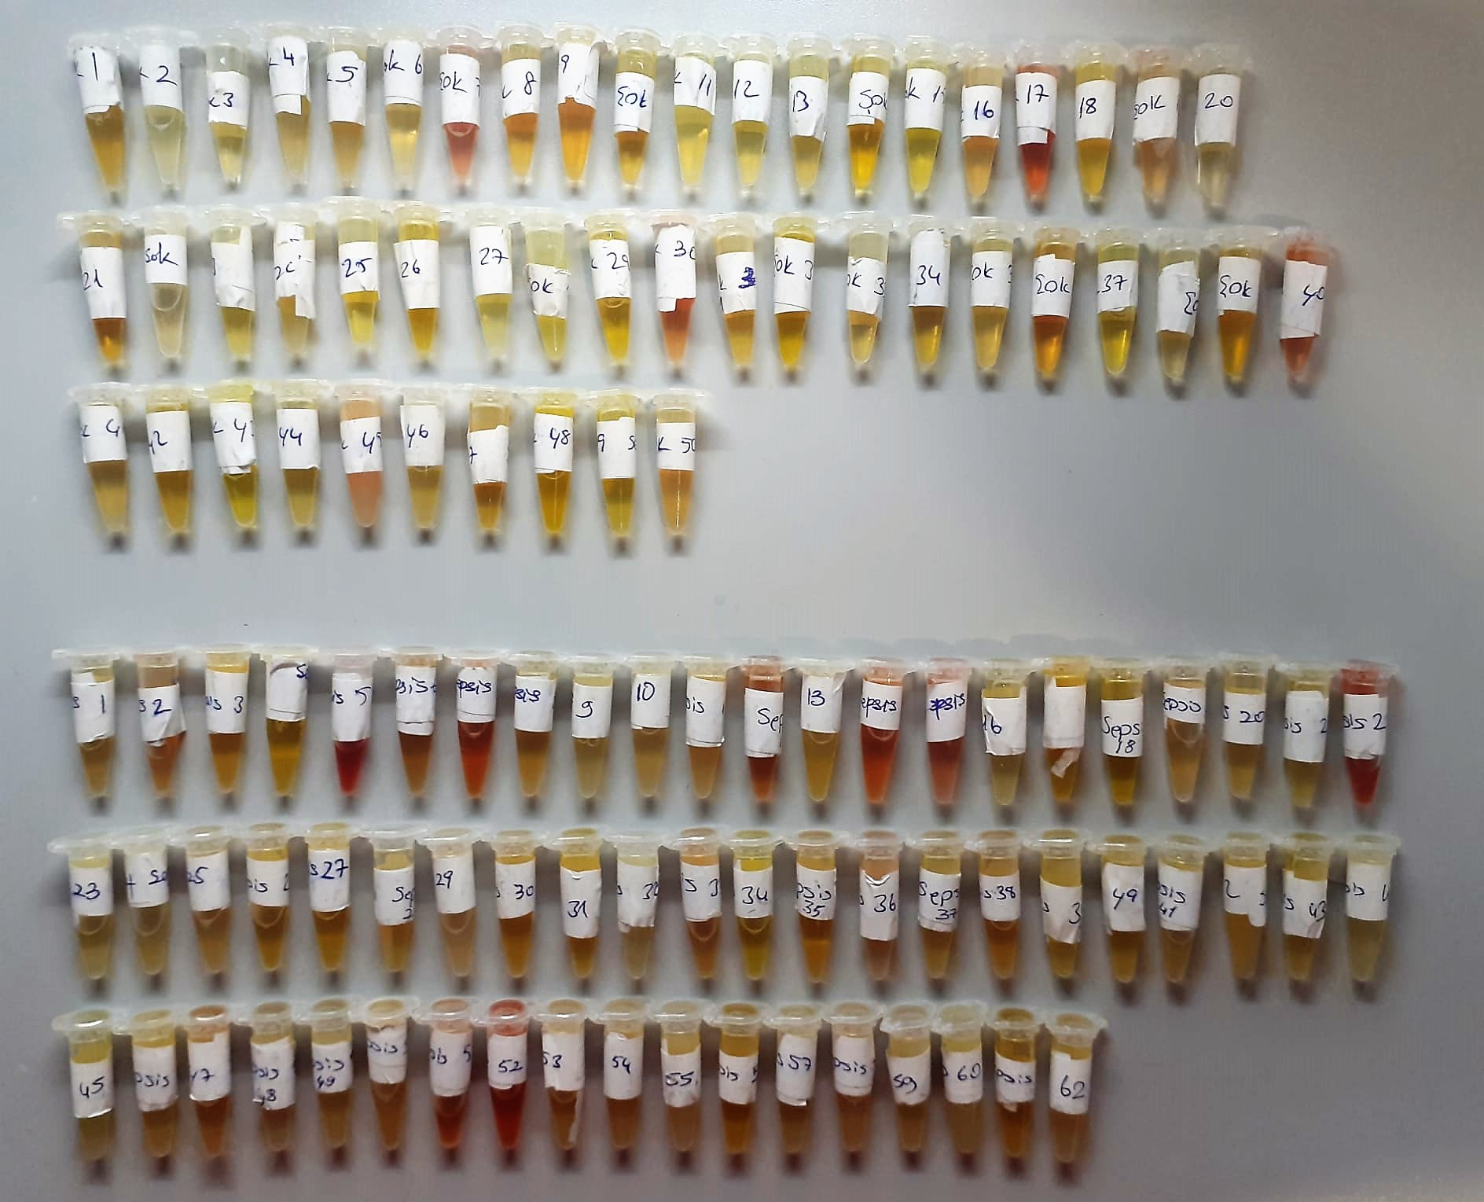

Human GAL3 Test Principle
This ELISA kit uses the Sandwich-ELISA principle. The micro ELISA plate provided in this kit has been pre-coated with an antibody specific to Human GAL3.
Samples (or Standards) are added to the micro ELISA plate wells and combined with the specific antibody. Then a biotinylated detection antibody specific for Human GAL3 and Avidin-Horseradish Peroxidase (HRP) conjugate are added successively to each micro plate well and incubated.
Free components are washed away. The substrate solution is added to each well. Only those wells that contain Human GAL3, biotinylated detection antibody and Avidin-HRP conjugate will appear blue in color
The enzyme-substrate reaction is terminated by the addition of stop solution and the color turns yellow. The optical density (OD) is measured spectrophotometrically at a wavelength of 450 nm ± 2 nm.
The OD value is proportional to the concentration of Human GAL3. You can calculate the concentration of Human GAL3 in the samples by comparing the OD of the samples to the standard curve.

