IRİSİN
2.448 | 0.609 | 0.7 | 0.954 | 1.642 | 1.513
1.488 | 0.678 | 0.953 | 0.82 | 1.409 | 1.785
0.934 | 1.285 | 0.918 | 0.834 | 1.653 | 1.657
0.513 | 0.844 | 0.733 | 0.736 | 1.617 | 1.445
0.295 | 1.205 | 0.808 | 0.804 | 2.052 | 1.896
0.18 | 1.244 | 0.817 | 1.442 | 1.484 | 1.447
0.113 | 0.777 | 1.242 | 2.055 | 2.242 | 2.004
0.063 | 0.944 | 1.071 | 1.56 | 1.303 | 1.677

IRİSİN

 | abs | abs-blank | expected | result
std1 | 2.448 | 2.385 | 5000 | 5008.490796
std2 | 1.488 | 1.425 | 2500 | 2454.4899
std3 | 0.934 | 0.871 | 1250 | 1313.5711314
std4 | 0.513 | 0.45 | 625 | 609.4974
std5 | 0.295 | 0.232 | 312.5 | 300.21497504
std6 | 0.18 | 0.117 | 156.25 | 152.26298544
std7 | 0.113 | 0.05 | 78.13 | 70.9054
blank | 0.063 | 0 | 0 | 12.513

 |  |  |  |  |  | concentratıon (pg/ml)

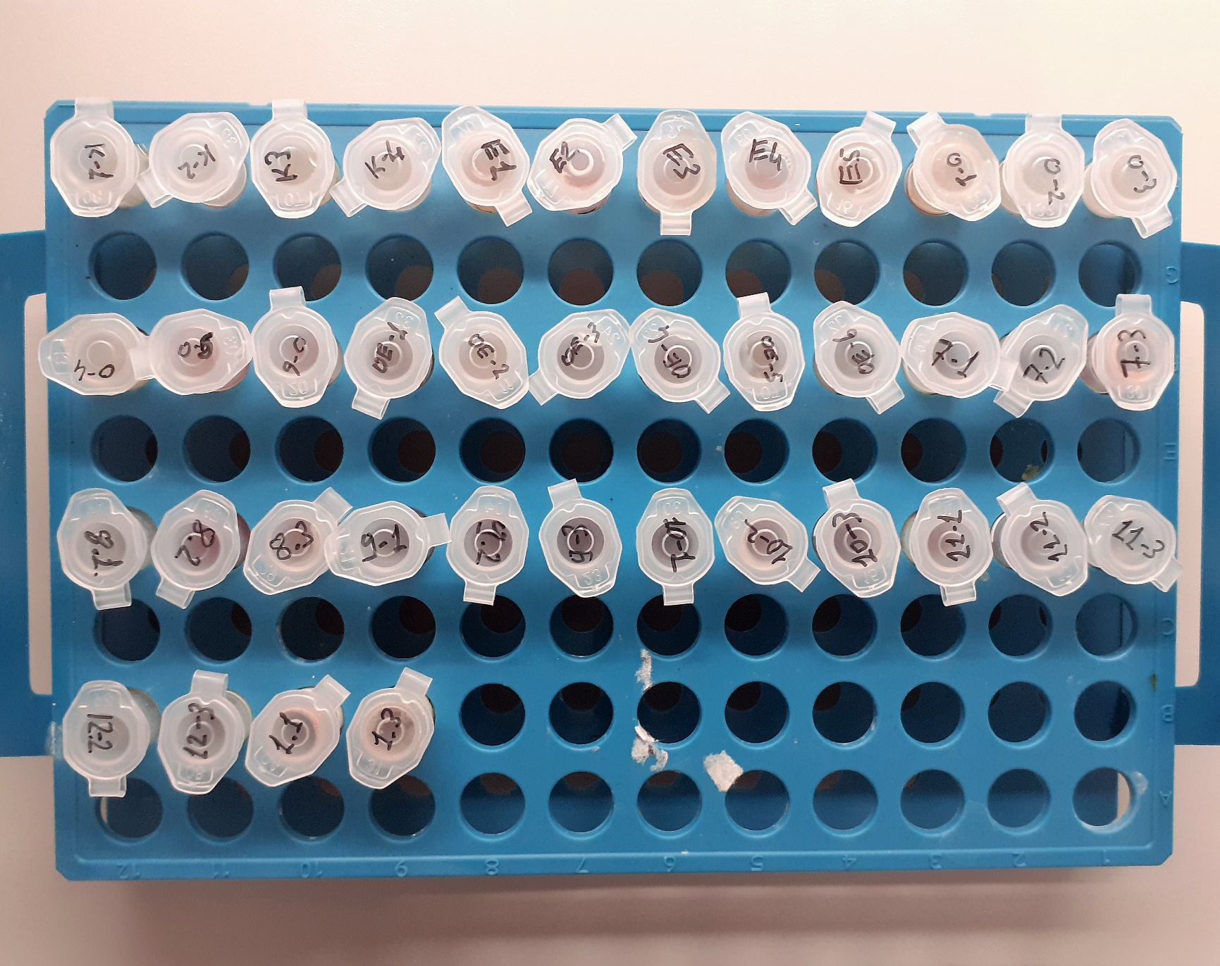
Numune | absorbans | abs-blank | result | NOT
K-1 | 0.609 | 0.546 | 757.66112736
K-2 | 0.678 | 0.615 | 868.673196
K-3 | 1.285 | 1.222 | 2008.1430166
K-4 | 0.844 | 0.781 | 1151.2311186
E-1 | 1.205 | 1.142 | 1841.2299414 | hemolizli
E-2 | 1.244 | 1.181 | 1921.9653266 | hemolizli
E-3 | 0.777 | 0.714 | 1034.5536202 | hemolizli
E-4 | 0.944 | 0.881 | 1332.0058706 | hemolizli
E-5 | 0.7 | 0.637 | 904.86306224 | hemolizli
O-1 | 0.953 | 0.89 | 1348.665016 | hemolizli
O-2 | 0.918 | 0.855 | 1284.240684
O-3 | 0.733 | 0.67 | 959.868344
O-4 | 0.808 | 0.745 | 1088.095724 | lipemi
O-5 | 0.817 | 0.754 | 1103.7831114 | hemolizli
O-6 | 1.242 | 1.179 | 1917.7956754 | hemolizli
OE-1 | 1.071 | 1.008 | 1573.0337654
OE-2 | 0.954 | 0.891 | 1350.5200018
OE-3 | 0.82 | 0.757 | 1109.026531
OE-4 | 0.834 | 0.771 | 1133.5902994 | hemolizli
OE-5 | 0.736 | 0.673 | 964.91169584 | hemolizli
OE-6 | 0.804 | 0.741 | 1081.1441938
7-(1) | 1.442 | 1.379 | 2350.4804114 | yüksek hemolizli
7-(2) | 2.055 | 1.992 | 3874.4916854 | hemolizli
7-(3) | 1.56 | 1.497 | 2620.6599326 | yüksek hemolizli
8-(1) | 1.642 | 1.579 | 2814.9219474 | hemolizli
8-(2) | 1.409 | 1.346 | 2276.8997834 | yüksek hemolizli
8-(3) | 1.653 | 1.59 | 2841.387576 | hemolizli
9-(1) | 1.617 | 1.554 | 2755.1300554 | hemolizli
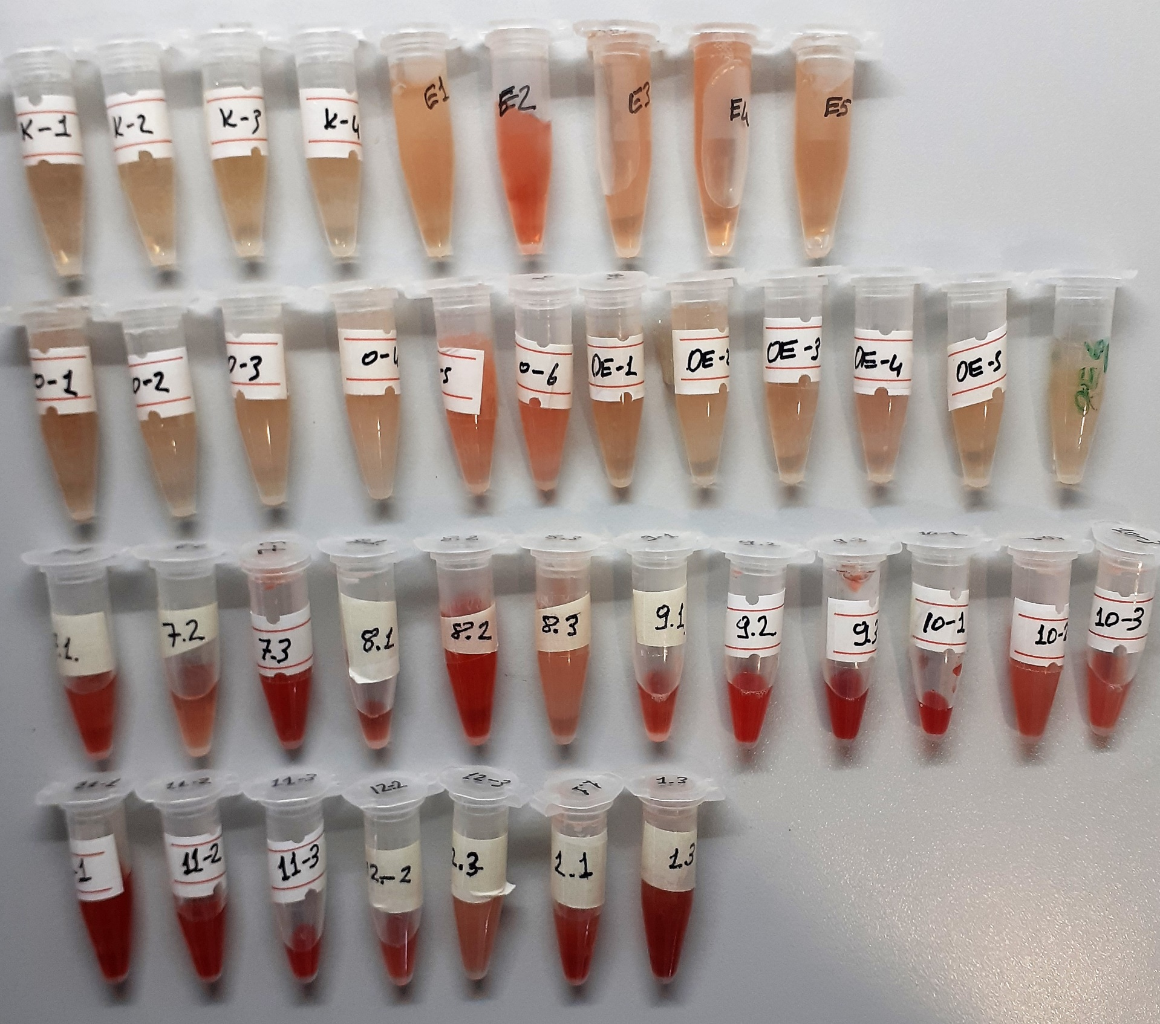
9-(2) | 2.052 | 1.989 | 3866.3067922 | yüksek hemolizli
9-(3) | 1.484 | 1.421 | 2445.3789074 | yüksek hemolizli
10-(1) | 2.242 | 2.179 | 4398.7873554 | yüksek hemolizli
10-(2) | 1.303 | 1.24 | 2046.398696 | yüksek hemolizli
10-(3) | 1.513 | 1.45 | 2511.7214 | yüksek hemolizli
11-(1) | 1.785 | 1.722 | 3166.4681366 | yüksek hemolizli
11-(2) | 1.657 | 1.594 | 2851.0352586 | yüksek hemolizli
11-(3) | 1.445 | 1.382 | 2357.212431 | yüksek hemolizli
12-(2) | 1.896 | 1.833 | 3450.5385374 | hemolizli
12-(3) | 1.447 | 1.384 | 2361.7044138 | hemolizli
1-(1) | 2.004 | 1.941 | 3736.3202578 | yüksek hemolizli
1-(3) | 1.677 | 1.614 | 2899.4642122 | yüksek hemolizli

NESFATİN
2.523 | 0.51 | 0.932 | 1.734 | 2.432 | 2.859
1.66 | 1.505 | 0.959 | 1.636 | 2.256 | 1.684
0.956 | 1.726 | 1.302 | 1.858 | 2.358 | 1.84
0.548 | 1.457 | 0.873 | 1.204 | 1.572 | 2.716
0.287 | 2.414 | 0.773 | 1.677 | 2.587 | 2.762
0.187 | 2.52 | 1.648 | 2.314 | 1.89 | 2.832
0.129 | 1.638 | 0.942 | 2.821 | 1.008 | 2.344
0.076 | 1.577 | 1.101 | 2.828 | 0.933 | 2.133

NESFATİN
2.447 | 1000
1.584 | 500
0.88 | 250
0.472 | 125
0.211 | 62.5
0.111 | 31.25
0.053 | 15.63
0 | 0

 | abs | abs-blank | expected | result
std1 | 2.523 | 2.447 | 1000 | 992.96231299
std2 | 1.66 | 1.584 | 500 | 521.55874208
std3 | 0.956 | 0.88 | 250 | 238.007592
std4 | 0.548 | 0.472 | 125 | 115.21494912
std5 | 0.287 | 0.211 | 62.5 | 52.650100155
std6 | 0.187 | 0.111 | 31.25 | 31.984029155
std7 | 0.129 | 0.053 | 15.63 | 20.836717995
blank | 0.076 | 0 | 0 | 11.189

 |  |  |  |  |  | concentratıon (pg/ml)

Numune | absorbans | abs-blank | result
K-1 | 0.51 | 0.434 | 105.33005358
K-2 | 1.505 | 1.429 | 451.33828376
K-3 | 1.726 | 1.65 | 552.7944875
K-4 | 1.457 | 1.381 | 430.48470536
E-1 | 2.414 | 2.338 | 925.89780942
E-2 | 2.52 | 2.444 | 991.08738648
E-3 | 1.638 | 1.562 | 511.32407742
E-4 | 1.577 | 1.501 | 483.40968656
E-5 | 0.932 | 0.856 | 229.94072448
O-1 | 0.959 | 0.883 | 239.0233664
O-2 | 1.302 | 1.226 | 366.02580318
O-3 | 0.873 | 0.797 | 210.55802
O-4 | 0.773 | 0.697 | 179.161703
O-5 | 1.648 | 1.572 | 515.96521112
O-6 | 0.942 | 0.866 | 233.28910158
OE-1 | 1.101 | 1.025 | 288.98847188
OE-2 | 1.734 | 1.658 | 556.63483902
OE-3 | 1.636 | 1.56 | 510.398048
OE-4 | 1.858 | 1.782 | 617.65885982
OE-5 | 1.204 | 1.128 | 327.54115712
OE-6 | 1.677 | 1.601 | 529.52804755
7-(1) | 2.314 | 2.238 | 866.28424142
7-(2) | 2.821 | 2.745 | 1187.4173139
7-(3) | 2.828 | 2.752 | 1192.1805187
8-(1) | 2.432 | 2.356 | 936.82271448
8-(2) | 2.256 | 2.18 | 832.547382
8-(3) | 2.358 | 2.282 | 892.28861982
9-(1) | 1.572 | 1.496 | 481.15183488
9-(2) | 2.587 | 2.511 | 1033.3533332
9-(3) | 1.89 | 1.814 | 633.86403678
10-(1) | 1.008 | 0.932 | 255.84763032
10-(2) | 0.933 | 0.857 | 230.2747382
10-(3) | 2.859 | 2.783 | 1213.3825634
11-(1) | 1.684 | 1.608 | 532.82490752
11-(2) | 1.84 | 1.764 | 608.62584728
11-(3) | 2.716 | 2.64 | 1117.045928
12-(2) | 2.762 | 2.686 | 1147.6268168
12-(3) | 2.832 | 2.756 | 1194.9063785
1-(1) | 2.344 | 2.268 | 883.97604632
1-(3) | 2.133 | 2.057 | 763.0402622

INSULIN
2.419 | 1.032 | 1.172 | 1.594 | 1.996 | 2.307
1.609 | 0.871 | 1.09 | 1.049 | 1.829 | 1.126
0.977 | 1.757 | 0.9 | 0.837 | 1.992 | 1.934
0.499 | 1.303 | 0.984 | 0.937 | 1.229 | 1.452
0.252 | 2.04 | 1.332 | 1.001 | 1.878 | 2.342
0.185 | 1.57 | 0.791 | 2.128 | 1.805 | 2.459
0.119 | 1.158 | 1.863 | 2.411 | 2.156 | 2.66
0.08 | 1.57 | 1.43 | 2.443 | 2.208 | 2.019
INSULIN
2.339 | 400
1.529 | 200
0.897 | 100
0.419 | 50
0.172 | 25
0.105 | 12.5
0.039 | 6.25
0 | 0

 | abs | abs-blank | expected | result
std1 | 2.419 | 2.339 | 400 | 397.14816243
std2 | 1.609 | 1.529 | 200 | 207.54220899
std3 | 0.977 | 0.897 | 100 | 99.581587612
std4 | 0.499 | 0.419 | 50 | 41.203309948
std5 | 0.252 | 0.172 | 25 | 18.892790912
std6 | 0.185 | 0.105 | 12.5 | 13.7638447
std7 | 0.119 | 0.039 | 6.25 | 9.096523228
blank | 0.08 | 0 | 0 | 6.5182

 |  |  |  |  |  | concentratıon (pg/ml)

Numune | absorbans | abs-blank | result
K-1 | 1.032 | 0.952 | 107.58474387
K-2 | 0.871 | 0.791 | 84.905974108
K-3 | 1.757 | 1.677 | 237.88824857
K-4 | 1.303 | 1.223 | 150.89403977
E-1 | 2.04 | 1.96 | 301.2655088
E-2 | 1.57 | 1.49 | 199.8655468
E-3 | 1.158 | 1.078 | 126.91970091
E-4 | 1.57 | 1.49 | 199.8655468
E-5 | 1.172 | 1.092 | 129.15401075
O-1 | 1.09 | 1.01 | 116.3119468
O-2 | 0.9 | 0.82 | 88.8230432
O-3 | 0.984 | 0.904 | 100.58543149
O-4 | 1.332 | 1.252 | 155.91026547
O-5 | 0.791 | 0.711 | 74.482795228
O-6 | 1.863 | 1.783 | 260.80367625
OE-1 | 1.43 | 1.35 | 173.40763
OE-2 | 1.594 | 1.514 | 204.57385413
OE-3 | 1.049 | 0.969 | 110.11214115
OE-4 | 0.837 | 0.757 | 80.407513532
OE-5 | 0.937 | 0.857 | 93.927808732
OE-6 | 1.001 | 0.921 | 103.04123619
7-(1) | 2.128 | 2.048 | 322.40512787
7-(2) | 2.411 | 2.331 | 394.99405395
7-(3) | 2.443 | 2.363 | 403.64417849
8-(1) | 1.996 | 1.916 | 290.95048461
8-(2) | 1.829 | 1.749 | 253.34605587
8-(3) | 1.992 | 1.912 | 290.02117779
9-(1) | 1.229 | -0.08 | 1.6469552
9-(2) | 1.878 | 1.798 | 264.12604587
9-(3) | 1.805 | 1.725 | 248.1429175
10-(1) | 2.156 | 2.076 | 329.27385357
10-(2) | 2.208 | 2.128 | 342.21254931
10-(3) | 2.307 | 2.227 | 367.50161817
11-(1) | 1.126 | 1.046 | 121.87728069
11-(2) | 1.934 | 1.854 | 276.70397829
11-(3) | 1.452 | 1.372 | 177.45142131
12-(2) | 2.342 | 2.262 | 376.64793899
12-(3) | 2.459 | 2.379 | 408.00293139
1-(1) | 2.66 | 2.58 | 464.6731552
1-(3) | 2.019 | 1.939 | 296.32124083

ASPROSİN
1.634 | 0.176 | 0.277 | 0.193 | 0.224 | 0.173 | 0.15 | 0.23 | 0.184 | 0.201 | 0.279 | 0.215
0.849 | 0.061 | 0.197 | 0.176 | 0.263 | 0.209 | 0.085 | 0.181 | 0.318 | 0.175 | 0.372 | 0.296
0.409 | 0.136 | 0.164 | 0.166 | 0.168 | 0.169 | 0.181 | 0.154 | 0.39 | 0.184 | 0.205
0.207 | 0.112 | 0.217 | 0.16 | 0.193 | 0.209 | 0.184 | 0.239 | 0.286 | 0.349 | 0.266

ASPROSİN
1.573 | 12
0.788 | 6
0.348 | 3
0.146 | 1.5
0.115 | 0.75
0 | 0
 | abs | abs-blank | expected | result
std1 | 1.634 | 1.573 | 12 | 11.970198932
std2 | 0.849 | 0.788 | 6 | 6.160894352
std3 | 0.409 | 0.348 | 3 | 2.801235632
std4 | 0.207 | 0.146 | 1.5 | 1.233947528
std5 | 0.176 | 0.115 | 0.75 | 0.9920363
blank | 0.061 | 0 | 0 | 0.0914

 |  |  |  |  |  |  |  |  | concentratıon ( ng/ml)

Numune | absorbans | abs-blank | result
K-1 | 0.136 | 0.075 | 0.6793475
K-2 | 0.112 | 0.051 | 0.491439308
K-3 | 0.277 | 0.216 | 1.778841248
K-4 | 0.197 | 0.136 | 1.155951968
E-1 | 0.164 | 0.103 | 0.898294172
E-2 | 0.217 | 0.156 | 1.311904688
E-3 | 0.193 | 0.132 | 1.124742992
E-4 | 0.176 | 0.115 | 0.9920363
E-5 | 0.166 | 0.105 | 0.9139217
O-1 | 0.16 | 0.099 | 0.867034508
O-2 | 0.224 | 0.163 | 1.366451852
O-3 | 0.263 | 0.202 | 1.670013032
O-4 | 0.168 | 0.107 | 0.929547692
O-5 | 0.193 | 0.132 | 1.124742992
O-6 | 0.173 | 0.112 | 0.968605952
OE-1 | 0.209 | 0.148 | 1.249542032
OE-2 | 0.169 | 0.108 | 0.937360112
OE-3 | 0.209 | 0.148 | 1.249542032
OE-4 | 0.15 | 0.089 | 0.788858468
OE-5 | 0.085 | 0.024 | 0.279778208
OE-6 | 0.181 | 0.12 | 1.0310792
7-(1) | 0.184 | 0.123 | 1.054500332
7-(2) | 0.23 | 0.169 | 1.413191588
7-(3) | 0.181 | 0.12 | 1.0310792
8-(1) | 0.154 | 0.093 | 0.820133492
8-(2) | 0.239 | 0.178 | 1.483275272
8-(3) | 0.184 | 0.123 | 1.054500332
9-(1) | 0.318 | 0.257 | 2.097119492
9-(2) | 0.39 | 0.329 | 2.654485028
9-(3) | 0.286 | 0.225 | 1.8487625
10-(1) | 0.201 | 0.14 | 1.1871548
10-(2) | 0.175 | 0.114 | 0.984226568
10-(3) | 0.184 | 0.123 | 1.054500332
11-(1) | 0.349 | 0.288 | 2.337340352
11-(2) | 0.279 | 0.218 | 1.794381992
11-(3) | 0.372 | 0.311 | 2.515330268
12-(2) | 0.205 | 0.144 | 1.218351488
12-(3) | 0.266 | 0.205 | 1.6933397
1-(1) | 0.215 | 0.154 | 1.296316328
1-(3) | 0.296 | 0.235 | 1.9264163

PREPTİN
1.906 | 0.144 | 0.186 | 0.153 | 0.183 | 0.199 | 0.19 | 0.202 | 0.222 | 0.381 | 0.324 | 0.424
0.969 | 0.052 | 0.176 | 0.158 | 0.219 | 0.198 | 0.175 | 0.17 | 0.175 | 0.254 | 0.369 | 0.426
0.569 | 0.206 | 0.168 | 0.138 | 0.143 | 0.261 | 0.175 | 0.164 | 0.127 | 0.216 | 0.166
0.259 | 0.172 | 0.153 | 0.164 | 0.188 | 0.192 | 0.128 | 0.173 | 0.145 | 0.255 | 0.154

PREPTİN
1.854 | 800
0.917 | 400
0.517 | 200
0.207 | 100
0.092 | 50
0 | 0
 | abs | abs-blank | expected | result
std1 | 1.906 | 1.854 | 800 | 801.26187547
std2 | 0.969 | 0.917 | 400 | 389.20260175
std3 | 0.569 | 0.517 | 200 | 219.56628895
std4 | 0.259 | 0.207 | 100 | 90.678378827
std5 | 0.144 | 0.092 | 50 | 43.438083472
blank | 0.052 | 0 | 0 | 5.8691

 |  |  |  |  |  |  |  |  | concentratıon (ng/L)

Numune | absorbans | abs-blank | result
K-1 | 0.206 | 0.154 | 68.868242668
K-2 | 0.172 | 0.12 | 54.9115112
K-3 | 0.186 | 0.134 | 60.655118188
K-4 | 0.176 | 0.124 | 56.552072848
E-1 | 0.168 | 0.116 | 53.271324688
E-2 | 0.153 | 0.101 | 47.123966323
E-3 | 0.153 | 0.101 | 47.123966323
E-4 | 0.158 | 0.106 | 49.172499628
E-5 | 0.138 | 0.086 | 40.981883308
O-1 | 0.164 | 0.112 | 51.631513312
O-2 | 0.183 | 0.131 | 59.423958403
O-3 | 0.219 | 0.167 | 74.211802747
O-4 | 0.143 | 0.091 | 43.028658163
O-5 | 0.188 | 0.136 | 61.476008608
O-6 | 0.199 | 0.147 | 65.992582307
OE-1 | 0.198 | 0.146 | 65.581867468
OE-2 | 0.261 | 0.209 | 91.502692363
OE-3 | 0.192 | 0.14 | 63.1180708
OE-4 | 0.19 | 0.138 | 62.296992812
OE-5 | 0.175 | 0.123 | 56.141897267
OE-6 | 0.175 | 0.123 | 56.141897267
7-(1) | 0.128 | 0.076 | 36.890092048
7-(2) | 0.202 | 0.15 | 67.2248675
7-(3) | 0.17 | 0.118 | 54.091371052
8-(1) | 0.164 | 0.112 | 51.631513312
8-(2) | 0.173 | 0.121 | 55.321616443
8-(3) | 0.222 | 0.17 | 75.4454947
9-(1) | 0.175 | 0.123 | 56.141897267
9-(2) | 0.127 | 0.075 | 36.481041875
9-(3) | 0.145 | 0.093 | 43.847532227
10-(1) | 0.381 | 0.329 | 141.13312924
10-(2) | 0.254 | 0.202 | 88.618005292
10-(3) | 0.216 | 0.164 | 72.978321808
11-(1) | 0.255 | 0.203 | 89.030033107
11-(2) | 0.324 | 0.272 | 117.51657443
11-(3) | 0.369 | 0.317 | 136.15489255
12-(2) | 0.166 | 0.114 | 52.451372108
12-(3) | 0.154 | 0.102 | 47.533626092
1-(1) | 0.424 | 0.372 | 158.99953563
1-(3) | 0.426 | 0.374 | 159.83158635

